隧道卷乘网络设计举例
训练集张量维轴说明: 1. batch; 2. 频域实部和虚部两通道; 3. fft2d 的上下维度; 4. fft2d 的左右维度; 规格: batch * 2 * 28 * 28
FFT2D
Frequency Domain
Tensor
Tunnel_Conv
on Width
Tunnel_Conv
on Heigh
Tunnel_Conv
on Channel
DateLayer
LN
Activation
Function
Tunnel_Conv
with Loss

隧道卷乘第一大层
tunnel_conv(with offset): batch * 2 * 28 * 24
tunnel_conv(with offset): batch * 2 * 20 * 24
tunnel_conv(with offset): batch * 4 * 20 * 24
zscore(LN)
absqrt

隧道卷乘第二大层
tunnel_conv(with offset): batch * 4 * 20 * 20
tunnel_conv(with offset): batch * 4 * 10 * 20
tunnel_conv(with offset): batch * 8 * 10 * 20
zscore(LN)
absqrt

隧道卷乘第三大层
tunnel_conv(with offset): batch * 8 * 10 * 16
tunnel_conv(with offset): batch * 8 * 4 * 16
tunnel_conv(with offset): batch * 4 * 4 * 16
zscore(LN)
absqrt

隧道卷乘第四大层
tunnel_conv(with offset): batch * 4 * 4 * 10
tunnel_conv(with offset): batch * 4 * 1 * 10
tunnel_conv(with offset): batch * 1 * 1 * 10
zscore(LN)
tanh

output 层
softmax: batch * 1 * 1 * 10

隧道卷乘网络结构示意图
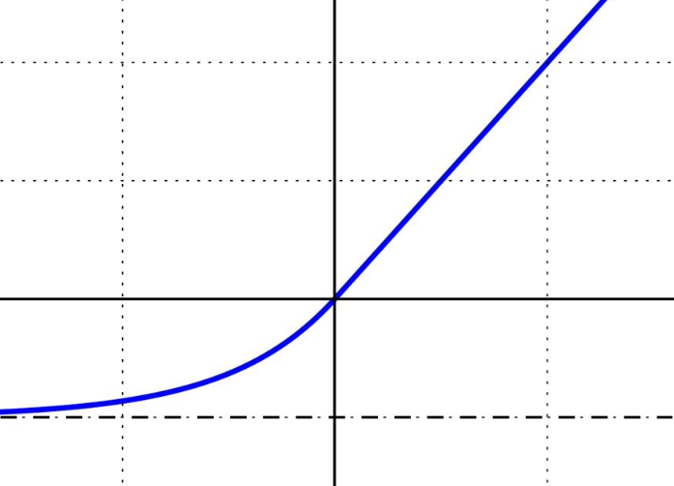 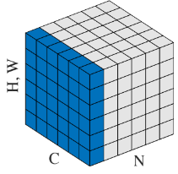

Tunnel Convolutional

Tunnel Convolutional
Layer on Width
Tunnel Convolutional
Layer on Heigh
1*1 Convolutional
Layer on Channel

Layer Norm
Activation
Function

Tunnel Conv Layer * N

