<>%
 | без индексов |  |  |  | с GIN-индексом |  |  |  |  | с BTREE-индексом
Explan: | Gather Merge (cost=28786.32..28825.99 rows=340 width=67) Workers Planned: 2 -> Sort (cost=27786.30..27786.72 rows=170 width=67) Sort Key: id -> Parallel Seq Scan on user_info (cost=0.00..27780.00 rows=170 width=67) Filter: (((first_name)::text ~~ 'л%'::text) AND ((second_name)::text ~~ 'л%'::text)) |  |  |  | Sort (cost=1517.87..1518.89 rows=408 width=67) Sort Key: id -> Bitmap Heap Scan on user_info (cost=40.70..1500.18 rows=408 width=67) Recheck Cond: (((first_name)::text ~~ 'л%'::text) AND ((second_name)::text ~~ 'л%'::text)) -> Bitmap Index Scan on idx_user_info_name_composite_gin (cost=0.00..40.60 rows=408 width=0) Index Cond: (((first_name)::text ~~ 'л%'::text) AND ((second_name)::text ~~ 'л%'::text)) |  |  |  |  | Sort (cost=2128.26..2129.28 rows=408 width=67) Sort Key: id -> Bitmap Heap Scan on user_info (cost=705.56..2110.57 rows=408 width=67) Filter: (((first_name)::text ~~ 'л%'::text) AND ((second_name)::text ~~ 'л%'::text)) -> Bitmap Index Scan on idx_user_info_name_composite_btree (cost=0.00..705.45 rows=392 width=0) Index Cond: (((first_name)::text ~>=~ 'л'::text) AND ((first_name)::text ~<~ 'м'::text) AND ((second_name)::text ~>=~ 'л'::text) AND ((second_name)::text ~<~ 'м'::text)) | select * from mydb.social_network.user_info where first_name LIKE :firstName || '%' and second_name LIKE :secondName || '%' order by id;

Итоговые значения
 | 10k_p1 | 1k_p10 | 100_p100 | 10_p1k | 10k_p1 | 1k_p10 | 100_p100 | 10_p1k
1 | 32.69 | 44.18 | 40.63 | 247.53 | 2.15 | 2.40 | 1 | 12.15
2 | 31.94 | 56.32 | 145.31 | 700.86 | 2.09 | 2.88 |  | 19.65
3 | 32.00 | 67.99 | 322.37 | 1146.00 | 2.06 | 3.61 |  | 56.63
4 | 31.80 | 65.43 | 529.51 | 1608.34 | 2.13 | 3.83 |  | 108.26
5 | 32.25 | 66.51 | 669.15 | 2036.28 | 2.09 | 3.69 |  | 115.68
6 | 32.73 | 66.83 | 636.75 | 2452.26 | 2.09 | 3.70 |  | 143.58
7 | 31.56 | 67.23 | 654.18 | 2890.28 | 2.19 | 3.65 |  | 187.73
8 | 32.00 | 65.80 | 638.19 | 3294.55 | 2.11 | 3.78 |  | 222.44
9 | 31.25 | 63.65 | 637.83 | 3741.49 | 2.05 | 3.62 |  | 255.94
10 | 30.82 | 65.67 | 636.69 | 4170.81 | 2.09 | 3.65 |  | 262.56
11 | 30.88 | 65.25 | 647.11 | 4588.11 | 2.08 | 3.66 |  | 341.11
12 | 31.38 | 65.54 | 651.66 | 5015.27 | 2.06 | 3.80 |  | 331.29
13 | 30.13 | 65.15 | 649.06 | 5454.60 | 2.10 | 3.62 |  | 389.60
14 | 30.41 | 65.32 | 607.75 | 5864.01 | 2.05 | 3.62 |  | 323.45
15 | 30.19 | 65.33 | 653.28 | 6177.75 | 2.08 | 3.70 |  | 330.05
16 | 30.35 | 64.48 | 637.95 | 6329.82 | 2.08 | 3.63 |  | 347.12
17 | 30.56 | 64.41 | 626.09 | 6294.96 | 2.07 | 3.82 |  | 354.64
18 | 30.18 | 65.57 | 647.75 | 6457.54 | 2.09 | 3.68 |  | 330.28
19 | 30.00 | 65.13 | 633.88 | 6414.04 | 2.19 | 3.59 |  | 340.87
20 | 30.69 | 64.51 | 624.61 | 6393.36 | 2.12 | 3.65 |  | 371.64
21 | 30.24 | 65.66 | 638.08 | 6448.97 | 2.09 | 3.83 |  | 366.83
22 | 30.50 | 63.51 | 633.79 | 6373.82 | 2.10 | 3.67 |  | 317.84
23 | 30.29 | 65.54 | 627.91 | 6436.62 | 2.10 | 3.66 |  | 344.89
24 | 30.19 | 64.51 | 625.15 | 6558.93 | 2.09 | 3.70 |  | 360.16
25 | 30.06 | 65.63 | 618.32 | 6800.03 | 2.07 | 3.80 |  | 381.12
26 | 30.31 | 64.45 | 631.92 | 6875.32 | 2.13 | 3.65 |  | 351.53
27 | 30.65 | 66.61 | 636.53 | 6959.18 | 2.08 | 4.00 |  | 339.97
28 | 29.94 | 66.01 | 624.83 | 7036.35 | 2.21 | 3.97 |  | 374.51
29 | 30.00 | 65.08 | 617.63 | 7234.66 | 2.09 | 3.93 |  | 393.15
30 | 29.65 | 65.33 | 645.31 | 7386.54 | 2.20 | 3.86 |  | 347.15
31 | 30.13 | 64.82 | 639.61 | 7423.07 | 2.10 | 3.70 |  | 331.96
32 | 29.88 | 63.72 | 617.81 | 7517.65 | 2.08 | 3.73 |  | 342.30
33 | 29.82 | 62.65 | 636.88 | 7749.62 | 2.12 | 3.61 |  | 387.82
34 | 30.38 | 63.32 | 664.39 | 7801.00 | 2.05 | 3.81 |  | 346.46
35 | 30.24 | 81.57 | 802.11 | 7828.52 | 2.09 | 3.65 |  | 355.95
36 | 29.59 | 82.58 | 819.00 | 7945.25 | 2.09 | 3.62 |  | 343.26
37 | 30.31 | 83.78 | 809.15 | 8118.90 | 2.08 | 3.70 |  | 382.55
38 | 30.12 | 84.08 | 828.76 | 8251.59 | 2.08 | 3.65 |  | 350.24
39 | 29.69 | 84.32 | 831.61 | 8299.85 | 2.08 | 3.91 |  | 344.75
40 | 29.88 | 85.72 | 844.68 | 8191.93 | 2.10 | 3.70 |  | 348.40
41 | 29.71 | 86.34 | 830.76 | 8325.82 | 2.18 | 3.70 |  | 389.66
42 | 29.65 | 84.61 | 824.25 | 8262.82 | 2.08 | 3.95 |  | 344.68
43 | 30.50 | 84.83 | 828.27 | 8343.29 | 2.11 | 4.15 |  | 346.08
44 | 30.00 | 83.51 | 816.88 | 8277.75 | 2.05 | 3.88 |  | 318.87
45 | 29.88 | 84.12 | 831.97 | 8267.38 | 2.08 | 4.35 |  | 386.63
46 | 29.71 | 87.25 | 834.00 | 8315.88 | 2.07 | 4.68 |  | 349.08
47 | 29.88 | 83.97 | 829.27 | 8381.66 | 2.08 | 4.21 |  | 322.09
48 | 29.76 | 85.10 | 820.60 | 8350.57 | 2.08 | 4.40 |  | 325.55
49 | 29.94 | 83.48 | 856.51 | 8181.07 | 2.06 | 4.66 |  | 376.22
50 | 30.12 | 83.64 | 822.35 | 8355.77 | 2.07 | 4.77 |  | 359.46
...
 | без индексов |  |  |  | с GIN-индексом
Latency | 76.551652414 | 78.706481316 | 762.28456495 | 7597.3374677 | 4.0528887552 | 15.270714256 | 103.81766557 | 1172.9195748
Throughput | 13.063075302 | 12.705433953 | 1.3118460559 | 0.13162506 | 246.73758901 | 65.484821682 | 9.6322720654 | 0.85257337459
№ | 10k_p1 | 1k_p10 | 100_p100 | 10_p1k | 10k_p1 | 1k_p10 | 100_p100 | 10_p1k
1 | 32.69 | 44.18 | 40.63 | 247.53 | 2.15 | 2.40 | 8.22 | 12.15 | 0.99
2 | 31.94 | 56.32 | 145.31 | 700.86 | 2.09 | 2.88 | 24.00 | 19.65 | 0.99
3 | 32.00 | 67.99 | 322.37 | 1146.00 | 2.06 | 3.61 | 31.13 | 56.63 | 0.99
4 | 31.80 | 65.43 | 529.51 | 1608.34 | 2.13 | 3.83 | 33.98 | 108.26 | 0.99
5 | 32.25 | 66.51 | 669.15 | 2036.28 | 2.09 | 3.69 | 32.07 | 115.68 | 0.99
6 | 32.73 | 66.83 | 636.75 | 2452.26 | 2.09 | 3.70 | 31.31 | 143.58 | 0.99
7 | 31.56 | 67.23 | 654.18 | 2890.28 | 2.19 | 3.65 | 31.97 | 187.73 | 0.99
8 | 32.00 | 65.80 | 638.19 | 3294.55 | 2.11 | 3.78 | 34.76 | 222.44 | 0.99
9 | 31.25 | 63.65 | 637.83 | 3741.49 | 2.05 | 3.62 | 32.20 | 255.94 | 0.99
10 | 30.82 | 65.67 | 636.69 | 4170.81 | 2.09 | 3.65 | 30.91 | 262.56 | 0.99
11 | 30.88 | 65.25 | 647.11 | 4588.11 | 2.08 | 3.66 | 34.63 | 341.11 | 0.99
12 | 31.38 | 65.54 | 651.66 | 5015.27 | 2.06 | 3.80 | 33.61 | 331.29 | 0.99
13 | 30.13 | 65.15 | 649.06 | 5454.60 | 2.10 | 3.62 | 31.94 | 389.60 | 0.99
14 | 30.41 | 65.32 | 607.75 | 5864.01 | 2.05 | 3.62 | 32.16 | 323.45 | 0.99
15 | 30.19 | 65.33 | 653.28 | 6177.75 | 2.08 | 3.70 | 32.59 | 330.05 | 0.99
16 | 30.35 | 64.48 | 637.95 | 6329.82 | 2.08 | 3.63 | 34.08 | 347.12 | 0.99
17 | 30.56 | 64.41 | 626.09 | 6294.96 | 2.07 | 3.82 | 31.72 | 354.64 | 0.99
18 | 30.18 | 65.57 | 647.75 | 6457.54 | 2.09 | 3.68 | 32.18 | 330.28 | 0.99
19 | 30.00 | 65.13 | 633.88 | 6414.04 | 2.19 | 3.59 | 31.43 | 340.87 | 0.99
20 | 30.69 | 64.51 | 624.61 | 6393.36 | 2.12 | 3.65 | 31.54 | 371.64 | 0.99
21 | 30.24 | 65.66 | 638.08 | 6448.97 | 2.09 | 3.83 | 33.51 | 366.83 | 0.99
22 | 30.50 | 63.51 | 633.79 | 6373.82 | 2.10 | 3.67 | 32.87 | 317.84 | 0.99
23 | 30.29 | 65.54 | 627.91 | 6436.62 | 2.10 | 3.66 | 31.26 | 344.89 | 0.99
24 | 30.19 | 64.51 | 625.15 | 6558.93 | 2.09 | 3.70 | 31.81 | 360.16 | 0.99
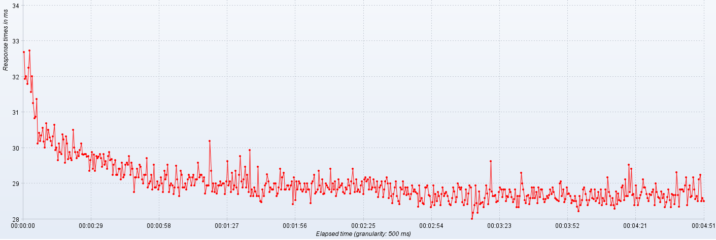
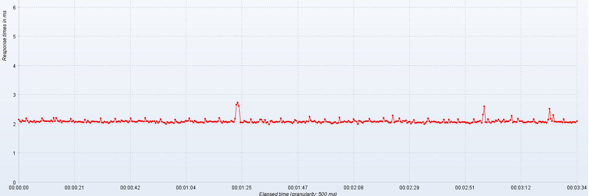
25 | 30.06 | 65.63 | 618.32 | 6800.03 | 2.07 | 3.80 | 32.66 | 381.12 | 0.99
26 | 30.31 | 64.45 | 631.92 | 6875.32 | 2.13 | 3.65 | 31.40 | 351.53 | 0.99
27 | 30.65 | 66.61 | 636.53 | 6959.18 | 2.08 | 4.00 | 33.28 | 339.97 | 0.99
28 | 29.94 | 66.01 | 624.83 | 7036.35 | 2.21 | 3.97 | 32.37 | 374.51 | 0.99
29 | 30.00 | 65.08 | 617.63 | 7234.66 | 2.09 | 3.93 | 27.90 | 393.15 | 0.99
30 | 29.65 | 65.33 | 645.31 | 7386.54 | 2.20 | 3.86 | 27.06 | 347.15 | 0.99
31 | 30.13 | 64.82 | 639.61 | 7423.07 | 2.10 | 3.70 | 35.50 | 331.96 | 0.99
32 | 29.88 | 63.72 | 617.81 | 7517.65 | 2.08 | 3.73 | 25.87 | 342.30 | 0.99
33 | 29.82 | 62.65 | 636.88 | 7749.62 | 2.12 | 3.61 | 28.69 | 387.82 | 0.99
34 | 30.38 | 63.32 | 664.39 | 7801.00 | 2.05 | 3.81 | 26.81 | 346.46 | 0.99
35 | 30.24 | 81.57 | 802.11 | 7828.52 | 2.09 | 3.65 | 36.45 | 355.95 | 0.99
36 | 29.59 | 82.58 | 819.00 | 7945.25 | 2.09 | 3.62 | 48.70 | 343.26 | 0.99
37 | 30.31 | 83.78 | 809.15 | 8118.90 | 2.08 | 3.70 | 31.22 | 382.55 | 0.99
38 | 30.12 | 84.08 | 828.76 | 8251.59 | 2.08 | 3.65 | 31.80 | 350.24 | 0.99
39 | 29.69 | 84.32 | 831.61 | 8299.85 | 2.08 | 3.91 | 32.67 | 344.75 | 0.99
40 | 29.88 | 85.72 | 844.68 | 8191.93 | 2.10 | 3.70 | 33.07 | 348.40 | 0.99
41 | 29.71 | 86.34 | 830.76 | 8325.82 | 2.18 | 3.70 | 33.96 | 389.66 | 0.99
42 | 29.65 | 84.61 | 824.25 | 8262.82 | 2.08 | 3.95 | 32.14 | 344.68 | 0.99
43 | 30.50 | 84.83 | 828.27 | 8343.29 | 2.11 | 4.15 | 31.24 | 346.08 | 0.99
44 | 30.00 | 83.51 | 816.88 | 8277.75 | 2.05 | 3.88 | 32.66 | 318.87 | 0.99
45 | 29.88 | 84.12 | 831.97 | 8267.38 | 2.08 | 4.35 | 33.64 | 386.63 | 0.99
46 | 29.71 | 87.25 | 834.00 | 8315.88 | 2.07 | 4.68 | 35.18 | 349.08 | 0.99
47 | 29.88 | 83.97 | 829.27 | 8381.66 | 2.08 | 4.21 | 31.44 | 322.09 | 0.99
48 | 29.76 | 85.10 | 820.60 | 8350.57 | 2.08 | 4.40 | 32.54 | 325.55 | 0.99
49 | 29.94 | 83.48 | 856.51 | 8181.07 | 2.06 | 4.66 | 33.12 | 376.22 | 0.99
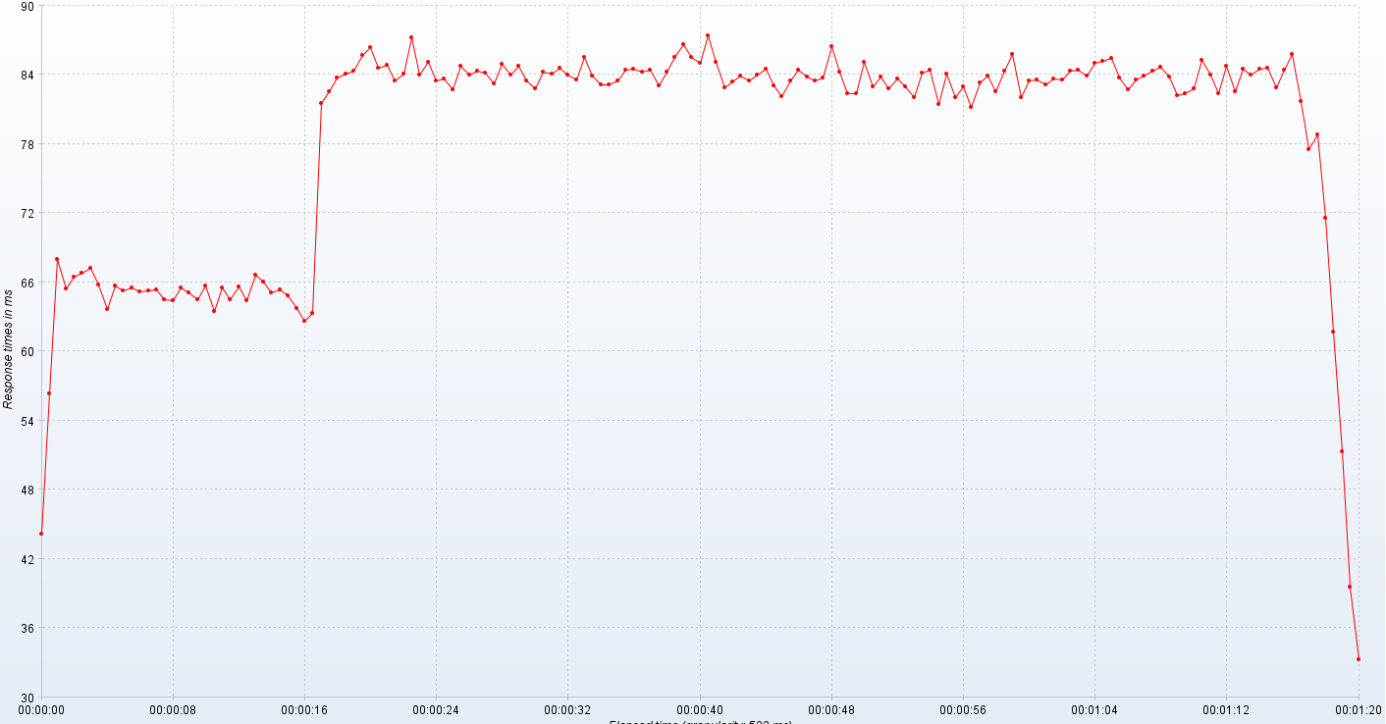
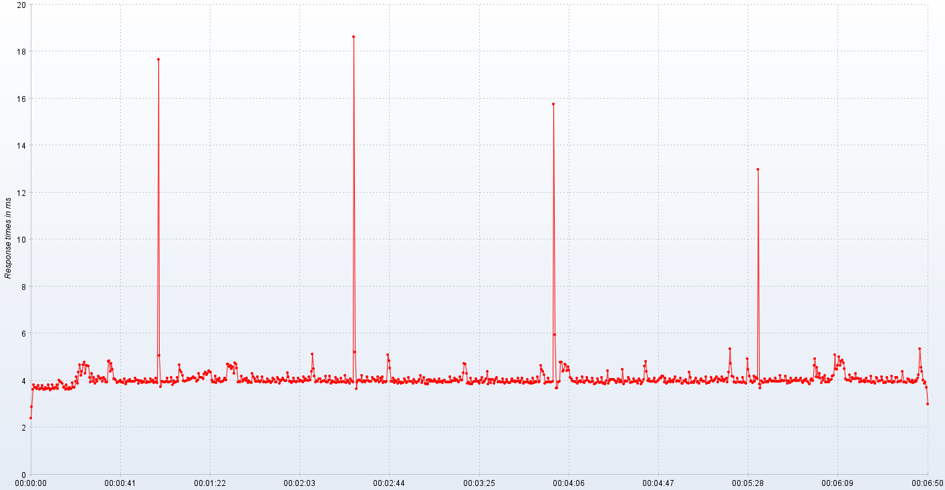
50 | 30.12 | 83.64 | 822.35 | 8355.77 | 2.07 | 4.77 | 30.89 | 359.46 | 0.99
51 | 29.82 | 82.72 | 830.68 | 8384.77 | 2.05 | 4.28 | 31.65 | 326.79 | 0.99
52 | 29.81 | 84.73 | 842.44 | 8248.05 | 2.15 | 4.64 | 32.34 | 339.57 | 0.99
53 | 29.82 | 84.00 | 798.67 | 8308.13 | 2.05 | 4.63 | 38.95 | 396.31 | 0.99
54 | 29.82 | 84.33 | 868.56 | 8361.48 | 2.11 | 4.61 | 32.06 | 364.26 | 0.99
55 | 29.75 | 84.15 | 809.08 | 8323.15 | 2.06 | 4.14 | 30.48 | 342.06 | 0.99
56 | 29.76 | 83.22 | 845.20 | 8275.26 | 2.04 | 3.94 | 31.68 | 352.58 | 0.99
57 | 29.35 | 84.93 | 800.27 | 8318.07 | 2.08 | 4.31 | 34.92 | 381.49 | 0.99
58 | 29.65 | 84.00 | 850.03 | 8164.15 | 2.10 | 3.95 | 32.46 | 389.65 | 0.99
59 | 29.88 | 84.76 | 843.86 | 8369.75 | 2.08 | 4.13 | 32.09 | 347.26 | 0.99
60 | 29.41 | 83.47 | 859.61 | 8172.64 | 2.07 | 3.87 | 32.54 | 343.42 | 0.99
61 | 29.81 | 82.85 | 840.69 | 8211.37 | 2.08 | 4.03 | 34.00 | 386.81 | 0.99
62 | 29.35 | 84.27 | 868.58 | 8387.75 | 2.06 | 3.97 | 31.44 | 379.97 | 0.99
63 | 29.76 | 84.08 | 811.28 | 8114.14 | 2.06 | 4.18 | 32.31 | 347.27 | 0.99
64 | 29.71 | 84.61 | 875.02 | 8132.33 | 2.19 | 4.12 | 32.82 | 349.39 | 0.99
65 | 29.75 | 83.97 | 854.49 | 8376.50 | 2.06 | 4.08 | 32.29 | 384.40 | 0.99
66 | 29.82 | 83.54 | 838.80 | 8143.46 | 2.03 | 4.10 | 33.71 | 415.12 | 0.99
67 | 29.71 | 85.49 | 872.00 | 8217.95 | 2.08 | 3.95 | 33.04 | 358.21 | 0.99
68 | 29.47 | 83.95 | 810.98 | 8242.46 | 2.05 | 4.13 | 31.92 | 348.99 | 0.99
69 | 29.82 | 83.16 | 853.24 | 8176.39 | 2.06 | 4.04 | 31.74 | 395.19 | 0.99
70 | 29.53 | 83.18 | 847.58 | 8340.20 | 2.02 | 3.93 | 34.92 | 432.11 | 0.99
71 | 29.63 | 83.52 | 845.39 | 8200.84 | 2.05 | 3.93 | 33.15 | 422.08 | 0.99
72 | 29.41 | 84.40 | 832.17 | 8237.28 | 2.09 | 4.82 | 34.50 | 412.00 | 0.99
73 | 29.76 | 84.47 | 867.75 | 8238.92 | 2.07 | 4.85 | 32.60 | 382.33 | 0.99
74 | 29.88 | 84.24 | 810.48 | 8195.64 | 2.08 | 4.39 | 33.05 | 440.99 | 0.99
75 | 29.65 | 84.41 | 832.89 | 8269.62 | 2.17 | 4.73 | 31.40 | 375.55 | 0.99
76 | 29.69 | 83.03 | 822.09 | 8211.31 | 2.06 | 4.48 | 32.26 | 365.70 | 0.99
77 | 29.24 | 84.30 | 832.25 | 8203.08 | 2.08 | 4.06 | 32.45 | 392.64 | 0.99
78 | 29.53 | 85.50 | 817.12 | 8194.77 | 2.09 | 4.07 | 35.54 | 421.18 | 0.99
79 | 29.65 | 86.67 | 872.79 | 8233.95 | 2.07 | 4.02 | 33.53 | 389.04 | 0.99
80 | 29.24 | 85.56 | 783.77 | 8211.58 | 2.12 | 3.91 | 31.27 | 382.29 | 0.99
81 | 29.24 | 85.03 | 854.98 | 8114.92 | 2.09 | 3.93 | 30.88 | 403.77 | 0.99
82 | 29.41 | 87.40 | 858.97 | 8263.76 | 2.08 | 3.95 | 32.95 | 432.09 | 0.99
83 | 29.41 | 85.14 | 822.51 | 8299.56 | 2.10 | 4.03 | 35.98 | 386.82 | 0.99
84 | 29.12 | 82.85 | 814.29 | 8182.87 | 2.09 | 3.92 | 32.51 | 386.45 | 0.99
85 | 29.59 | 83.40 | 840.85 | 8174.00 | 2.06 | 3.92 | 33.29 | 363.42 | 0.99
86 | 29.18 | 83.90 | 799.92 | 8122.85 | 2.09 | 3.91 | 32.02 | 391.79 | 0.99
87 | 29.24 | 83.48 | 821.93 | 8277.20 | 2.19 | 4.08 | 34.60 | 369.37 | 0.99
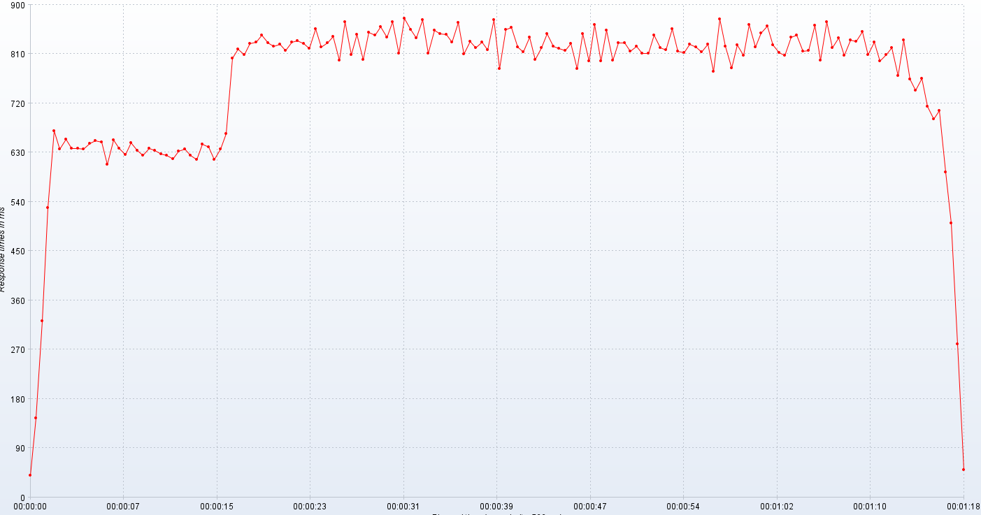
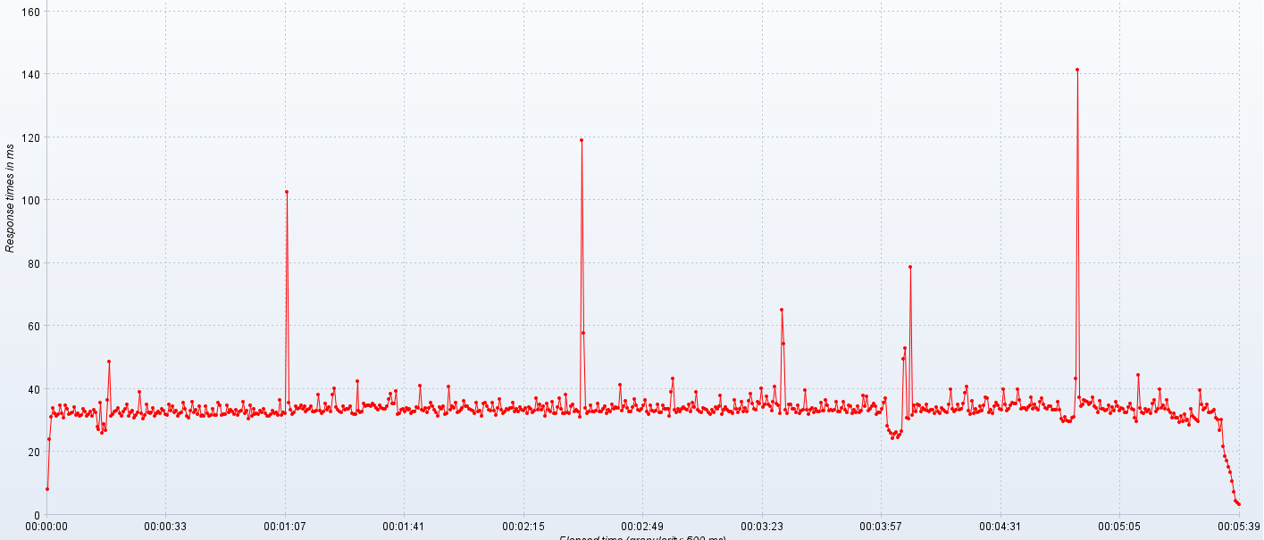
88 | 29.53 | 84.02 | 846.98 | 8226.51 | 2.09 | 3.85 | 31.46 | 388.51 | 0.99
89 | 29.59 | 84.54 | 824.38 | 8274.92 | 2.07 | 3.92 | 31.70 | 336.52 | 0.99
90 | 29.53 | 83.10 | 819.64 | 8136.33 | 2.08 | 3.98 | 31.48 | 338.03 | 0.99
91 | 29.76 | 82.11 | 816.21 | 8352.35 | 2.06 | 3.97 | 34.48 | 318.51 | 0.99
92 | 29.24 | 83.50 | 828.64 | 8279.67 | 2.08 | 4.03 | 32.23 | 314.85 | 0.99
93 | 29.59 | 84.40 | 783.03 | 8169.48 | 2.10 | 3.96 | 31.34 | 318.28 | 0.99
94 | 29.41 | 83.79 | 847.08 | 8179.22 | 2.11 | 3.96 | 31.67 | 358.35 | 0.99
95 | 28.76 | 83.45 | 796.65 | 8264.97 | 2.09 | 3.94 | 33.56 | 332.72 | 0.99
96 | 29.18 | 83.72 | 864.07 | 8204.27 | 2.09 | 3.96 | 31.59 | 306.46 | 0.99
97 | 29.18 | 86.46 | 797.47 | 8330.88 | 2.08 | 4.10 | 31.67 | 316.77 | 0.99
98 | 29.41 | 84.27 | 853.70 | 8201.98 | 2.20 | 4.01 | 35.59 | 347.93 | 0.99
99 | 29.18 | 82.36 | 798.78 | 8286.85 | 2.09 | 4.01 | 34.74 | 316.97 | 0.99
100 | 29.53 | 82.34 | 830.73 | 8155.55 | 2.09 | 3.89 | 31.59 | 317.98 | 0.99
101 | 29.47 | 85.07 | 830.43 | 8240.44 | 2.05 | 3.99 | 31.92 | 313.24 | 0.99
102 | 29.12 | 82.95 | 815.20 | 8228.79 | 2.09 | 4.00 | 31.86 | 343.76 | 0.99
103 | 29.00 | 83.82 | 824.18 | 8175.73 | 2.07 | 3.89 | 34.89 | 325.03 | 0.99
104 | 29.24 | 82.85 | 810.67 | 8185.60 | 2.10 | 3.95 | 32.35 | 309.64 | 0.99
105 | 29.24 | 83.66 | 811.13 | 8152.00 | 2.09 | 3.93 | 33.28 | 311.06 | 0.99
106 | 29.71 | 82.97 | 844.34 | 8216.05 | 2.03 | 4.06 | 32.69 | 343.12 | 0.99
107 | 28.88 | 82.06 | 822.03 | 8170.24 | 2.09 | 3.90 | 31.79 | 334.29 | 0.99
108 | 29.00 | 84.21 | 818.03 | 8227.02 | 2.04 | 3.97 | 33.39 | 298.35 | 0.99
109 | 29.06 | 84.46 | 855.58 | 8262.32 | 2.07 | 3.93 | 31.76 | 338.38 | 0.99
110 | 29.24 | 81.46 | 815.59 | 8171.23 | 2.16 | 3.92 | 32.77 | 553.93 | 0.99
111 | 28.82 | 84.05 | 813.03 | 8187.26 | 2.08 | 4.06 | 33.08 | 311.57 | 0.99
112 | 29.53 | 82.06 | 827.48 | 8175.08 | 2.06 | 3.95 | 35.99 | 305.29 | 0.99
113 | 28.88 | 83.00 | 823.35 | 8164.05 | 2.03 | 4.01 | 32.23 | 314.41 | 0.99
114 | 28.89 | 81.23 | 813.23 | 8107.05 | 1.99 | 3.89 | 33.16 | 331.55 | 0.99
115 | 29.06 | 83.28 | 827.81 | 8233.84 | 2.06 | 3.93 | 30.40 | 347.01 | 0.99
116 | 28.82 | 83.93 | 777.73 | 8193.23 | 2.04 | 4.09 | 34.76 | 322.67 | 0.99
117 | 28.94 | 82.55 | 873.67 | 8256.12 | 2.04 | 3.91 | 31.24 | 302.87 | 0.99
118 | 29.18 | 84.33 | 824.56 | 8228.55 | 2.06 | 17.67 | 33.61 | 326.06 | 0.99
119 | 29.00 | 85.76 | 784.82 | 8154.80 | 2.06 | 5.06 | 31.87 | 317.00 | 0.99
120 | 28.76 | 82.06 | 826.55 | 8267.47 | 2.02 | 3.73 | 32.25 | 305.84 | 0.99
121 | 29.35 | 83.52 | 807.23 | 8307.16 | 2.15 | 3.95 | 31.97 | 306.97 | 0.99
122 | 29.12 | 83.59 | 863.57 | 8173.54 | 2.08 | 3.96 | 33.09 | 332.38 | 0.99
123 | 29.24 | 83.15 | 822.16 | 8231.59 | 2.05 | 3.93 | 32.37 | 333.73 | 0.99
124 | 29.53 | 83.70 | 848.00 | 8320.53 | 2.03 | 3.93 | 33.66 | 309.61 | 0.99
125 | 28.76 | 83.58 | 860.76 | 8297.08 | 2.04 | 3.96 | 32.18 | 305.52 | 0.99
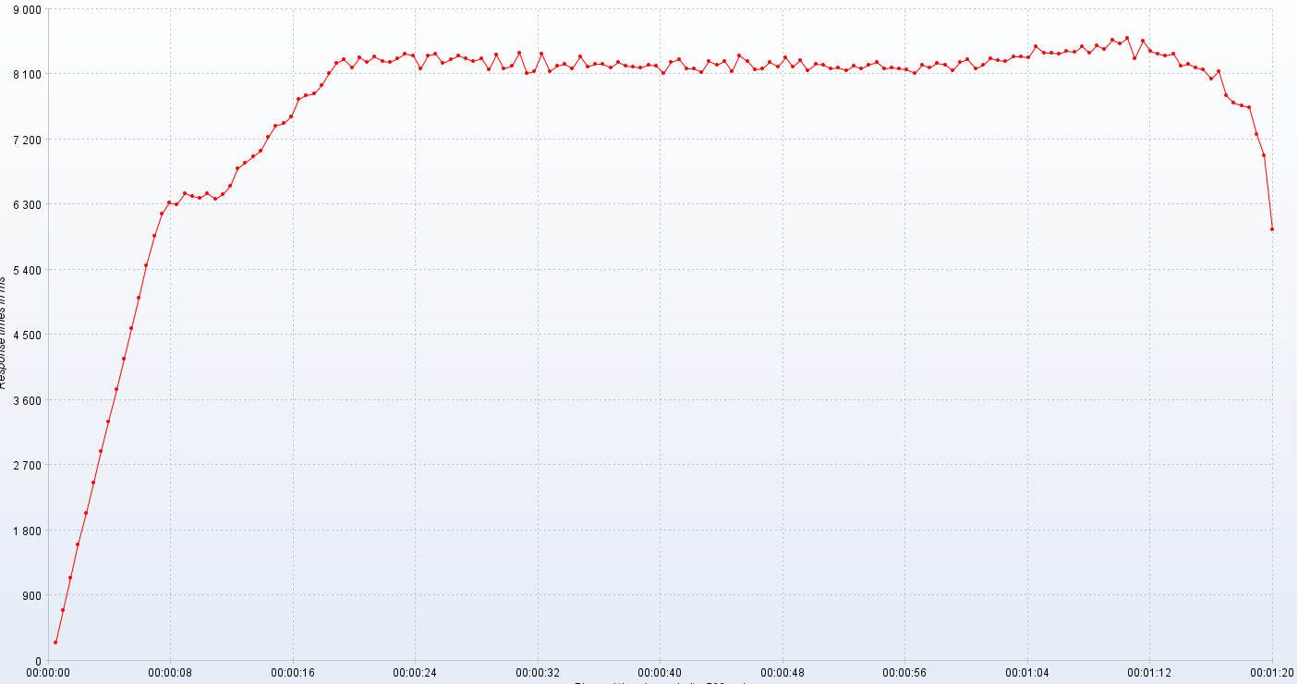
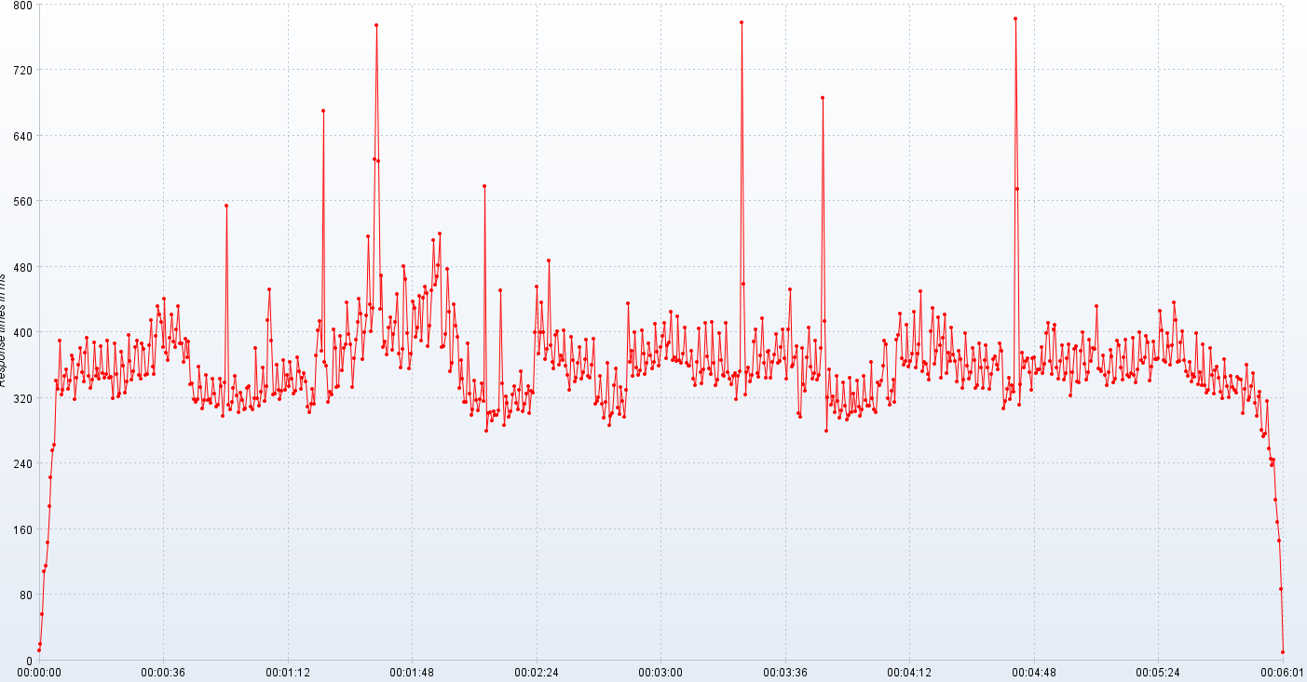
126 | 28.94 | 84.37 | 826.00 | 8273.14 | 2.08 | 4.10 | 31.31 | 319.78 | 0.99
127 | 29.00 | 84.47 | 812.05 | 8342.64 | 2.06 | 3.93 | 31.43 | 381.27 | 0.99
128 | 28.94 | 83.90 | 807.66 | 8347.45 | 2.06 | 3.92 | 32.06 | 319.56 | 0.99
129 | 28.71 | 85.03 | 840.49 | 8330.66 | 2.10 | 3.97 | 33.19 | 310.45 | 0.99
130 | 28.89 | 85.18 | 844.97 | 8479.57 | 2.09 | 4.14 | 32.15 | 327.64 | 0.99
131 | 29.50 | 85.41 | 814.57 | 8389.05 | 2.11 | 3.82 | 32.43 | 356.39 | 0.99
132 | 29.12 | 83.71 | 816.43 | 8391.71 | 2.19 | 3.98 | 31.77 | 316.48 | 0.99
133 | 28.89 | 82.71 | 862.93 | 8377.67 | 2.09 | 3.90 | 36.55 | 334.36 | 0.99
134 | 28.65 | 83.54 | 798.02 | 8422.11 | 2.10 | 3.93 | 31.51 | 415.21 | 0.99
135 | 29.35 | 83.95 | 868.61 | 8411.18 | 2.05 | 4.12 | 32.46 | 451.90 | 0.99
136 | 29.24 | 84.31 | 822.10 | 8482.26 | 2.11 | 3.95 | 32.30 | 389.38 | 0.99
137 | 28.88 | 84.68 | 838.88 | 8388.39 | 2.08 | 4.68 | 102.46 | 323.58 | 0.99
138 | 28.89 | 83.82 | 807.59 | 8493.71 | 2.05 | 4.43 | 35.50 | 324.80 | 0.99
139 | 29.00 | 82.25 | 835.33 | 8447.02 | 2.05 | 4.36 | 33.30 | 360.37 | 0.99
140 | 28.82 | 82.42 | 833.48 | 8566.02 | 2.05 | 4.21 | 31.95 | 329.60 | 0.99
141 | 29.12 | 82.80 | 851.21 | 8516.78 | 2.07 | 4.00 | 32.51 | 318.59 | 0.99
142 | 29.24 | 85.30 | 808.38 | 8596.76 | 2.05 | 3.96 | 34.52 | 328.57 | 0.99
143 | 29.18 | 83.97 | 831.95 | 8321.41 | 2.03 | 3.99 | 33.65 | 366.43 | 0.99
144 | 28.94 | 82.41 | 797.32 | 8563.31 | 2.17 | 3.98 | 34.00 | 329.12 | 0.99
145 | 29.18 | 84.72 | 808.98 | 8413.42 | 2.10 | 4.10 | 34.76 | 347.47 | 0.99
146 | 29.24 | 82.53 | 821.92 | 8382.54 | 2.06 | 4.02 | 33.53 | 333.90 | 0.99
147 | 28.94 | 84.48 | 771.03 | 8359.44 | 2.08 | 4.07 | 34.39 | 363.35 | 0.99
148 | 29.12 | 84.03 | 835.36 | 8382.00 | 2.09 | 4.08 | 32.83 | 342.94 | 0.99
149 | 29.12 | 84.48 | 763.50 | 8217.79 | 2.08 | 4.10 | 33.27 | 325.42 | 0.99
150 | 29.59 | 84.61 | 743.05 | 8240.28 | 2.07 | 4.16 | 33.54 | 328.38 | 0.99
151 | 29.18 | 82.87 | 765.11 | 8194.12 | 2.08 | 4.10 | 34.33 | 369.48 | 0.99
152 | 29.24 | 84.44 | 713.95 | 8164.39 | 2.08 | 4.11 | 32.75 | 352.25 | 0.99
153 | 29.24 | 85.83 | 691.07 | 8037.21 | 2.07 | 3.96 | 32.63 | 330.70 | 0.99
154 | 29.06 | 81.69 | 706.80 | 8137.95 | 2.09 | 4.02 | 32.93 | 344.30 | 0.99
155 | 29.18 | 77.51 | 593.68 | 7808.07 | 2.20 | 4.30 | 38.06 | 349.93 | 0.99
156 | 28.72 | 78.84 | 500.56 | 7706.42 | 2.07 | 4.13 | 32.98 | 340.18 | 0.99
157 | 28.94 | 71.54 | 279.67 | 7667.00 | 2.03 | 4.14 | 32.28 | 309.56 | 0.99
158 | 28.94 | 61.67 | 50.55 | 7638.20 | 2.09 | 4.14 | 32.84 | 302.72 | 0.99
159 | 28.94 | 51.33 |  | 7276.25 | 2.06 | 4.08 | 35.44 | 313.04 | 0.99
160 | 30.19 | 39.53 |  | 6970.73 | 2.07 | 4.26 | 33.45 | 330.52 | 0.99
161 | 29.35 | 33.30 |  | 5961.52 | 2.06 | 4.34 | 34.05 | 312.44 | 0.99
162 | 28.78 |  |  |  | 2.06 | 4.23 | 32.84 | 371.65 | 0.99
163 | 29.00 |  |  |  | 2.07 | 4.31 | 38.24 | 401.88 | 0.99
164 | 28.76 |  |  |  | 2.11 | 4.41 | 40.28 | 413.20 | 0.99
165 | 29.00 |  |  |  | 2.08 | 4.34 | 34.25 | 377.29 | 0.99
166 | 28.72 |  |  |  | 2.06 | 4.36 | 33.38 | 669.82 | 0.99
167 | 28.94 |  |  |  | 2.18 | 4.03 | 32.79 | 363.69 | 0.99
168 | 28.94 |  |  |  | 2.67 | 3.94 | 32.61 | 358.66 | 0.99
169 | 29.06 |  |  |  | 2.73 | 3.92 | 34.45 | 315.41 | 0.99
170 | 28.94 |  |  |  | 2.62 | 4.17 | 33.27 | 327.63 | 0.99
171 | 29.00 |  |  |  | 2.05 | 3.89 | 33.74 | 323.81 | 0.99
172 | 29.00 |  |  |  | 2.05 | 4.03 | 33.59 | 403.39 | 0.99
173 | 28.71 |  |  |  | 2.05 | 3.98 | 34.56 | 380.19 | 0.99
174 | 29.06 |  |  |  | 2.10 | 4.11 | 32.33 | 333.10 | 0.99
175 | 29.63 |  |  |  | 2.07 | 3.93 | 31.78 | 334.15 | 0.99
176 | 28.94 |  |  |  | 2.06 | 3.96 | 31.91 | 395.17 | 0.99
177 | 29.06 |  |  |  | 2.05 | 3.97 | 42.44 | 353.28 | 0.99
178 | 28.76 |  |  |  | 2.05 | 4.02 | 33.09 | 381.00 | 0.99
179 | 29.29 |  |  |  | 2.16 | 4.09 | 32.45 | 384.93 | 0.99
180 | 28.82 |  |  |  | 2.06 | 4.00 | 32.87 | 435.79 | 0.99
181 | 28.94 |  |  |  | 2.04 | 4.70 | 35.27 | 398.10 | 0.99
182 | 29.35 |  |  |  | 2.06 | 4.70 | 34.37 | 385.79 | 0.99
183 | 28.88 |  |  |  | 2.03 | 4.59 | 34.71 | 333.55 | 0.99
184 | 28.71 |  |  |  | 2.06 | 4.65 | 34.86 | 367.98 | 0.99
185 | 29.24 |  |  |  | 2.07 | 4.49 | 34.56 | 390.79 | 0.99
186 | 29.76 |  |  |  | 2.14 | 4.59 | 35.25 | 412.99 | 0.99
187 | 29.06 |  |  |  | 2.15 | 4.31 | 34.67 | 440.65 | 0.99
188 | 28.89 |  |  |  | 2.07 | 4.74 | 33.96 | 422.13 | 0.99
189 | 29.12 |  |  |  | 2.05 | 4.68 | 33.44 | 366.63 | 0.99
190 | 29.47 |  |  |  | 2.14 | 4.54 | 34.86 | 400.09 | 0.99
191 | 28.88 |  |  |  | 2.04 | 3.93 | 33.81 | 420.02 | 0.99
192 | 29.24 |  |  |  | 2.06 | 3.96 | 33.69 | 517.15 | 0.99
193 | 28.76 |  |  |  | 1.98 | 3.92 | 33.50 | 433.68 | 0.99
194 | 29.94 |  |  |  | 2.09 | 4.19 | 34.40 | 400.57 | 0.99
195 | 28.65 |  |  |  | 2.11 | 3.97 | 36.77 | 429.96 | 0.99
196 | 28.83 |  |  |  | 2.06 | 4.01 | 38.41 | 611.56 | 0.99
197 | 28.65 |  |  |  | 2.06 | 4.07 | 35.41 | 773.95 | 0.99
198 | 28.88 |  |  |  | 2.06 | 3.99 | 35.45 | 608.87 | 0.99
199 | 28.78 |  |  |  | 2.08 | 4.09 | 39.22 | 428.90 | 0.99
200 | 28.65 |  |  |  | 2.07 | 3.89 | 31.98 | 469.59 | 0.99
201 | 29.47 |  |  |  | 2.07 | 3.98 | 32.11 | 381.34 | 0.99
202 | 28.65 |  |  |  | 2.19 | 3.92 | 33.43 | 388.36 | 0.99
203 | 28.50 |  |  |  | 2.05 | 3.91 | 33.69 | 373.29 | 0.99
204 | 28.47 |  |  |  | 2.09 | 4.29 | 32.84 | 405.14 | 0.99
205 | 28.83 |  |  |  | 2.05 | 4.17 | 34.01 | 417.71 | 0.99
206 | 28.65 |  |  |  | 2.07 | 4.06 | 33.38 | 377.88 | 0.99
207 | 28.94 |  |  |  | 2.07 | 3.94 | 33.59 | 397.60 | 0.99
208 | 29.00 |  |  |  | 2.07 | 3.94 | 32.06 | 411.94 | 0.99
209 | 29.25 |  |  |  | 2.06 | 4.15 | 32.67 | 446.90 | 0.99
210 | 29.06 |  |  |  | 2.06 | 3.97 | 32.87 | 373.86 | 0.99
211 | 28.76 |  |  |  | 2.02 | 3.92 | 34.10 | 356.96 | 0.99
212 | 28.88 |  |  |  | 2.06 | 3.97 | 33.77 | 379.39 | 0.99
213 | 28.83 |  |  |  | 2.14 | 4.17 | 40.95 | 480.85 | 0.99
214 | 28.82 |  |  |  | 2.10 | 3.93 | 33.28 | 464.58 | 0.99
215 | 29.00 |  |  |  | 2.04 | 3.97 | 32.94 | 398.70 | 0.99
216 | 29.00 |  |  |  | 2.08 | 3.92 | 33.90 | 356.31 | 0.99
217 | 28.65 |  |  |  | 2.06 | 3.93 | 32.42 | 373.73 | 0.99
218 | 28.72 |  |  |  | 2.05 | 4.07 | 33.98 | 437.84 | 0.99
219 | 28.88 |  |  |  | 2.08 | 3.96 | 35.50 | 429.63 | 0.99
220 | 29.41 |  |  |  | 2.08 | 3.98 | 34.57 | 393.92 | 0.99
221 | 28.82 |  |  |  | 2.03 | 3.90 | 33.24 | 405.91 | 0.99
221 | 29.18 |  |  |  | 2.09 | 3.96 | 32.42 | 443.72 | 0.99
221 | 29.29 |  |  |  | 2.08 | 4.10 | 31.48 | 389.89 | 0.99
221 | 28.83 |  |  |  | 2.25 | 4.05 | 34.21 | 442.13 | 0.99
221 | 28.82 |  |  |  | 2.12 | 3.94 | 33.51 | 455.67 | 0.99
221 | 28.94 |  |  |  | 2.08 | 3.94 | 34.42 | 448.01 | 0.99
221 | 28.94 |  |  |  | 2.07 | 4.12 | 31.93 | 383.23 | 0.99
221 | 28.83 |  |  |  | 2.11 | 4.04 | 32.20 | 407.41 | 0.99
221 | 28.94 |  |  |  | 2.06 | 3.88 | 40.84 | 451.51 | 0.99
221 | 29.06 |  |  |  | 2.03 | 4.00 | 33.45 | 512.66 | 0.99
221 | 28.41 |  |  |  | 2.07 | 4.02 | 34.43 | 457.33 | 0.99
221 | 29.17 |  |  |  | 2.07 | 4.10 | 33.81 | 468.46 | 0.99
221 | 28.53 |  |  |  | 2.03 | 4.02 | 35.59 | 481.22 | 0.99
221 | 29.06 |  |  |  | 2.07 | 3.99 | 32.56 | 519.76 | 0.99
221 | 28.82 |  |  |  | 2.06 | 3.99 | 32.74 | 381.49 | 0.99
221 | 29.06 |  |  |  | 2.16 | 4.33 | 33.28 | 382.78 | 0.99
221 | 29.00 |  |  |  | 2.08 | 4.15 | 33.88 | 397.98 | 0.99
221 | 28.82 |  |  |  | 2.07 | 3.97 | 36.03 | 477.11 | 0.99
221 | 28.78 |  |  |  | 2.07 | 3.97 | 34.38 | 424.65 | 0.99
221 | 28.82 |  |  |  | 2.05 | 3.91 | 34.56 | 352.24 | 0.99
221 | 29.00 |  |  |  | 2.00 | 3.96 | 33.64 | 362.98 | 0.99
221 | 28.76 |  |  |  | 2.02 | 4.11 | 33.25 | 434.33 | 0.99
221 | 29.00 |  |  |  | 2.05 | 3.94 | 32.99 | 407.72 | 0.99
221 | 28.82 |  |  |  | 2.06 | 3.92 | 32.26 | 394.06 | 0.99
221 | 28.82 |  |  |  | 2.02 | 3.95 | 35.54 | 331.59 | 0.99
221 | 28.44 |  |  |  | 2.03 | 4.10 | 32.89 | 365.56 | 0.99
221 | 29.00 |  |  |  | 2.22 | 3.95 | 33.17 | 343.37 | 0.99
221 | 29.06 |  |  |  | 2.05 | 4.01 | 31.25 | 315.35 | 0.99
221 | 29.24 |  |  |  | 2.06 | 3.97 | 35.32 | 315.20 | 0.99
221 | 28.72 |  |  |  | 2.07 | 3.93 | 35.48 | 386.00 | 0.99
221 | 28.76 |  |  |  | 2.09 | 4.14 | 34.37 | 324.60 | 0.99
221 | 28.82 |  |  |  | 2.06 | 4.00 | 33.47 | 298.83 | 0.99
221 | 29.35 |  |  |  | 2.06 | 4.07 | 33.05 | 305.81 | 0.99
221 | 28.94 |  |  |  | 2.11 | 4.01 | 35.56 | 340.96 | 0.99
221 | 28.76 |  |  |  | 2.06 | 3.99 | 33.12 | 317.31 | 0.99
221 | 29.12 |  |  |  | 2.05 | 4.15 | 31.65 | 304.61 | 0.99
221 | 28.71 |  |  |  | 2.07 | 4.03 | 34.00 | 317.77 | 0.99
221 | 28.72 |  |  |  | 2.16 | 4.38 | 36.80 | 337.54 | 0.99
221 | 29.00 |  |  |  | 2.11 | 5.12 | 33.40 | 316.35 | 0.99
221 | 28.94 |  |  |  | 2.08 | 4.49 | 32.27 | 578.22 | 0.99
221 | 28.88 |  |  |  | 2.00 | 4.17 | 32.82 | 279.21 | 0.99
221 | 28.83 |  |  |  | 2.11 | 3.92 | 33.71 | 300.74 | 0.99
221 | 29.41 |  |  |  | 2.10 | 3.99 | 33.45 | 301.86 | 0.99
221 | 28.76 |  |  |  | 2.07 | 3.95 | 33.89 | 292.46 | 0.99
221 | 29.00 |  |  |  | 2.03 | 4.06 | 33.90 | 303.02 | 0.99
221 | 28.82 |  |  |  | 2.07 | 4.08 | 35.54 | 298.81 | 0.99
221 | 29.06 |  |  |  | 2.09 | 3.93 | 32.90 | 298.75 | 0.99
221 | 28.65 |  |  |  | 2.09 | 3.97 | 33.49 | 304.33 | 0.99
221 | 28.82 |  |  |  | 2.09 | 3.97 | 32.66 | 451.01 | 0.99
221 | 29.12 |  |  |  | 2.17 | 3.99 | 34.15 | 337.23 | 0.99
221 | 28.88 |  |  |  | 2.10 | 4.19 | 33.37 | 286.96 | 0.99
221 | 28.94 |  |  |  | 2.07 | 3.92 | 33.03 | 321.49 | 0.99
221 | 29.00 |  |  |  | 2.06 | 3.93 | 33.96 | 313.38 | 0.99
221 | 28.76 |  |  |  | 2.09 | 4.02 | 32.25 | 296.95 | 0.99
221 | 28.72 |  |  |  | 2.06 | 4.17 | 34.28 | 303.02 | 0.99
221 | 28.88 |  |  |  | 2.08 | 3.88 | 33.63 | 324.25 | 0.99
221 | 28.82 |  |  |  | 2.06 | 3.98 | 32.52 | 334.73 | 0.99
221 | 29.12 |  |  |  | 2.10 | 3.94 | 33.01 | 313.32 | 0.99
221 | 28.94 |  |  |  | 2.10 | 3.93 | 37.13 | 306.15 | 0.99
221 | 28.72 |  |  |  | 2.08 | 4.14 | 33.35 | 329.76 | 0.99
221 | 29.06 |  |  |  | 2.20 | 3.89 | 34.96 | 352.36 | 0.99
221 | 29.41 |  |  |  | 2.09 | 4.04 | 33.38 | 303.35 | 0.99
221 | 29.00 |  |  |  | 2.10 | 3.93 | 34.43 | 312.87 | 0.99
221 | 28.76 |  |  |  | 2.08 | 3.94 | 31.24 | 324.70 | 0.99
221 | 29.12 |  |  |  | 2.05 | 4.11 | 35.34 | 334.37 | 0.99
221 | 28.78 |  |  |  | 2.03 | 3.93 | 33.20 | 301.11 | 0.99
221 | 28.82 |  |  |  | 2.06 | 3.96 | 32.84 | 328.76 | 0.99
221 | 28.76 |  |  |  | 2.29 | 3.93 | 36.01 | 326.36 | 0.99
221 | 28.94 |  |  |  | 2.05 | 4.22 | 32.25 | 400.20 | 0.99
221 | 29.06 |  |  |  | 2.08 | 3.91 | 32.17 | 455.87 | 0.99
221 | 28.71 |  |  |  | 2.10 | 4.02 | 34.13 | 373.58 | 0.99
221 | 29.12 |  |  |  | 2.10 | 3.95 | 37.07 | 400.32 | 0.99
221 | 29.18 |  |  |  | 2.19 | 3.87 | 33.58 | 436.02 | 0.99
221 | 29.06 |  |  |  | 2.07 | 4.07 | 32.28 | 399.92 | 0.99
221 | 29.12 |  |  |  | 2.06 | 3.97 | 32.06 | 366.87 | 0.99
221 | 28.82 |  |  |  | 2.11 | 3.92 | 38.05 | 379.46 | 0.99
221 | 29.18 |  |  |  | 2.09 | 18.62 | 32.57 | 487.40 | 0.99
221 | 28.82 |  |  |  | 2.12 | 5.21 | 32.17 | 384.12 | 0.99
221 | 28.89 |  |  |  | 2.04 | 3.65 | 34.47 | 364.05 | 0.99
221 | 29.12 |  |  |  | 2.06 | 3.93 | 35.07 | 355.84 | 0.99
221 | 28.88 |  |  |  | 2.08 | 4.02 | 32.83 | 396.29 | 0.99
221 | 28.76 |  |  |  | 2.01 | 4.02 | 33.22 | 401.02 | 0.99
221 | 29.06 |  |  |  | 2.06 | 3.98 | 32.80 | 360.60 | 0.99
221 | 28.61 |  |  |  | 2.14 | 4.20 | 31.03 | 371.90 | 0.99
221 | 28.88 |  |  |  | 2.03 | 3.92 | 118.88 | 365.95 | 0.99
221 | 28.94 |  |  |  | 2.04 | 3.98 | 57.67 | 402.08 | 0.99
221 | 29.06 |  |  |  | 2.05 | 3.94 | 34.03 | 359.27 | 0.99
221 | 28.61 |  |  |  | 2.05 | 3.99 | 32.18 | 347.57 | 0.99
221 | 28.82 |  |  |  | 2.05 | 4.14 | 32.72 | 329.98 | 0.99
221 | 29.06 |  |  |  | 2.04 | 3.98 | 34.88 | 394.65 | 0.99
221 | 29.18 |  |  |  | 2.06 | 3.96 | 32.71 | 365.69 | 0.99
221 | 29.00 |  |  |  | 1.99 | 3.95 | 32.69 | 339.48 | 0.99
221 | 28.59 |  |  |  | 2.04 | 3.95 | 33.16 | 344.83 | 0.99
221 | 29.00 |  |  |  | 2.08 | 4.14 | 35.28 | 363.05 | 0.99
221 | 28.65 |  |  |  | 2.19 | 4.03 | 32.83 | 381.40 | 0.99
221 | 28.44 |  |  |  | 2.09 | 4.03 | 32.86 | 343.21 | 0.99
221 | 28.71 |  |  |  | 2.05 | 3.94 | 33.64 | 351.74 | 0.99
221 | 28.89 |  |  |  | 2.07 | 4.02 | 34.52 | 367.18 | 0.99
221 | 29.06 |  |  |  | 2.07 | 4.16 | 32.26 | 390.97 | 0.99
221 | 28.65 |  |  |  | 2.07 | 3.94 | 33.32 | 347.14 | 0.99
221 | 28.50 |  |  |  | 2.07 | 4.10 | 32.69 | 344.32 | 0.99
221 | 28.41 |  |  |  | 2.05 | 4.00 | 35.02 | 360.36 | 0.99
221 | 28.88 |  |  |  | 2.06 | 4.15 | 33.68 | 391.71 | 0.99
221 | 28.83 |  |  |  | 2.04 | 3.91 | 34.20 | 312.90 | 0.99
221 | 29.06 |  |  |  | 2.04 | 3.97 | 33.79 | 315.48 | 0.99
221 | 28.71 |  |  |  | 2.06 | 3.92 | 33.95 | 320.69 | 0.99
221 | 28.88 |  |  |  | 2.16 | 3.96 | 41.29 | 346.70 | 0.99
221 | 28.67 |  |  |  | 2.04 | 5.09 | 33.03 | 312.68 | 0.99
221 | 28.88 |  |  |  | 2.06 | 4.83 | 34.42 | 295.32 | 0.99
221 | 28.71 |  |  |  | 2.04 | 4.51 | 36.25 | 315.25 | 0.99
221 | 28.56 |  |  |  | 2.15 | 3.95 | 33.79 | 362.23 | 0.99
221 | 28.71 |  |  |  | 2.05 | 3.95 | 32.88 | 286.03 | 0.99
221 | 28.94 |  |  |  | 2.08 | 4.11 | 32.87 | 297.86 | 0.99
221 | 28.78 |  |  |  | 2.05 | 3.90 | 34.05 | 300.86 | 0.99
221 | 28.82 |  |  |  | 2.06 | 4.00 | 36.82 | 335.11 | 0.99
221 | 28.76 |  |  |  | 2.05 | 3.95 | 34.66 | 355.36 | 0.99
221 | 28.72 |  |  |  | 2.03 | 3.88 | 33.19 | 307.88 | 0.99
221 | 28.35 |  |  |  | 2.16 | 4.03 | 32.96 | 300.51 | 0.99
221 | 28.94 |  |  |  | 2.07 | 3.93 | 33.75 | 332.66 | 0.99
221 | 28.50 |  |  |  | 2.05 | 3.86 | 34.78 | 316.18 | 0.99
221 | 28.59 |  |  |  | 2.07 | 3.94 | 36.43 | 296.97 | 0.99
221 | 28.44 |  |  |  | 2.06 | 3.90 | 32.77 | 330.12 | 0.99
221 | 28.41 |  |  |  | 2.07 | 4.08 | 32.00 | 435.10 | 0.99
221 | 28.89 |  |  |  | 2.04 | 3.98 | 34.62 | 363.13 | 0.99
221 | 28.88 |  |  |  | 2.05 | 3.90 | 32.98 | 376.77 | 0.99
221 | 28.94 |  |  |  | 2.04 | 3.92 | 32.69 | 346.61 | 0.99
221 | 28.67 |  |  |  | 2.01 | 4.12 | 33.08 | 399.45 | 0.99
221 | 28.65 |  |  |  | 2.04 | 3.95 | 35.15 | 356.76 | 0.99
221 | 28.33 |  |  |  | 2.05 | 3.97 | 32.60 | 348.00 | 0.99
221 | 28.47 |  |  |  | 2.17 | 3.95 | 32.46 | 353.95 | 0.99
221 | 28.94 |  |  |  | 2.06 | 3.87 | 34.66 | 402.27 | 0.99
221 | 28.39 |  |  |  | 2.05 | 4.04 | 33.61 | 374.43 | 0.99
221 | 28.71 |  |  |  | 2.08 | 3.96 | 33.76 | 349.42 | 0.99
221 | 28.50 |  |  |  | 2.08 | 3.91 | 33.68 | 362.20 | 0.99
221 | 28.76 |  |  |  | 2.10 | 3.92 | 31.26 | 386.25 | 0.99
221 | 28.65 |  |  |  | 2.04 | 3.95 | 38.88 | 371.32 | 0.99
221 | 28.39 |  |  |  | 2.32 | 4.03 | 43.27 | 355.83 | 0.99
221 | 28.71 |  |  |  | 2.61 | 4.21 | 33.25 | 363.16 | 0.99
221 | 28.89 |  |  |  | 2.07 | 3.91 | 32.55 | 410.46 | 0.99
221 | 28.65 |  |  |  | 2.06 | 3.98 | 33.61 | 376.09 | 0.99
221 | 28.72 |  |  |  | 2.17 | 4.12 | 32.88 | 359.10 | 0.99
221 | 28.76 |  |  |  | 2.07 | 3.88 | 33.71 | 382.34 | 0.99
221 | 28.65 |  |  |  | 2.03 | 3.84 | 34.15 | 395.89 | 0.99
221 | 28.50 |  |  |  | 2.08 | 4.00 | 33.57 | 411.44 | 0.99
221 | 28.41 |  |  |  | 2.08 | 3.85 | 33.42 | 368.20 | 0.99
221 | 28.39 |  |  |  | 2.07 | 4.04 | 34.92 | 383.83 | 0.99
221 | 28.59 |  |  |  | 2.12 | 3.95 | 32.65 | 387.69 | 0.99
221 | 28.88 |  |  |  | 2.09 | 4.02 | 35.55 | 424.99 | 0.99
221 | 28.78 |  |  |  | 2.14 | 3.96 | 34.17 | 366.13 | 0.99
221 | 28.47 |  |  |  | 2.09 | 3.95 | 39.01 | 369.26 | 0.99
221 | 28.61 |  |  |  | 2.05 | 4.05 | 33.22 | 364.69 | 0.99
221 | 29.00 |  |  |  | 2.09 | 3.95 | 32.80 | 419.55 | 0.99
221 | 28.88 |  |  |  | 2.15 | 3.91 | 32.51 | 365.99 | 0.99
221 | 28.83 |  |  |  | 2.06 | 3.96 | 33.87 | 362.33 | 0.99
221 | 28.88 |  |  |  | 2.09 | 4.08 | 33.66 | 374.08 | 0.99
221 | 28.47 |  |  |  | 2.08 | 3.92 | 33.20 | 405.76 | 0.99
221 | 28.39 |  |  |  | 2.09 | 3.96 | 32.36 | 362.65 | 0.99
221 | 28.53 |  |  |  | 2.13 | 3.91 | 31.81 | 359.71 | 0.99
221 | 28.83 |  |  |  | 2.28 | 3.99 | 33.37 | 359.08 | 0.99
221 | 28.41 |  |  |  | 2.05 | 4.02 | 32.62 | 377.25 | 0.99
221 | 28.72 |  |  |  | 2.07 | 3.94 | 34.29 | 343.36 | 0.99
221 | 28.94 |  |  |  | 2.07 | 3.92 | 33.57 | 335.88 | 0.99
221 | 28.88 |  |  |  | 2.06 | 3.92 | 34.56 | 363.95 | 0.99
221 | 28.00 |  |  |  | 2.17 | 3.94 | 37.85 | 404.00 | 0.99
221 | 28.18 |  |  |  | 2.09 | 4.15 | 31.87 | 350.70 | 0.99
221 | 28.39 |  |  |  | 2.09 | 3.92 | 33.20 | 337.19 | 0.99
221 | 28.94 |  |  |  | 2.09 | 4.00 | 34.25 | 354.62 | 0.99
221 | 28.44 |  |  |  | 2.05 | 3.97 | 33.35 | 411.52 | 0.99
221 | 28.18 |  |  |  | 2.05 | 4.11 | 32.83 | 370.47 | 0.99
221 | 28.78 |  |  |  | 2.06 | 3.98 | 32.74 | 356.11 | 0.99
221 | 28.41 |  |  |  | 2.07 | 4.05 | 32.21 | 349.16 | 0.99
221 | 28.44 |  |  |  | 2.07 | 3.99 | 36.51 | 412.47 | 0.99
221 | 28.47 |  |  |  | 2.06 | 3.94 | 33.75 | 362.69 | 0.99
221 | 28.33 |  |  |  | 2.06 | 4.15 | 32.49 | 334.85 | 0.99
221 | 28.59 |  |  |  | 2.08 | 4.02 | 33.50 | 342.68 | 0.99
221 | 28.94 |  |  |  | 2.17 | 4.01 | 35.94 | 399.31 | 0.99
221 | 28.72 |  |  |  | 2.06 | 4.34 | 32.89 | 365.75 | 0.99
221 | 28.41 |  |  |  | 2.04 | 4.71 | 33.80 | 347.89 | 0.99
221 | 28.83 |  |  |  | 2.03 | 4.70 | 32.78 | 346.77 | 0.99
221 | 29.63 |  |  |  | 2.08 | 4.30 | 36.27 | 410.89 | 0.99
221 | 28.78 |  |  |  | 2.08 | 3.88 | 38.48 | 351.59 | 0.99
221 | 28.65 |  |  |  | 2.06 | 3.94 | 35.23 | 343.37 | 0.99
221 | 28.65 |  |  |  | 2.07 | 3.84 | 33.63 | 336.79 | 0.99
221 | 28.67 |  |  |  | 2.05 | 4.09 | 33.42 | 346.42 | 0.99
221 | 28.47 |  |  |  | 2.07 | 3.85 | 35.78 | 350.58 | 0.99
221 | 28.50 |  |  |  | 2.04 | 3.92 | 35.43 | 317.96 | 0.99
221 | 28.76 |  |  |  | 2.16 | 3.96 | 40.04 | 346.51 | 0.99
221 | 28.88 |  |  |  | 2.52 | 3.96 | 34.17 | 352.34 | 0.99
221 | 28.82 |  |  |  | 2.18 | 4.08 | 35.08 | 777.40 | 0.99
221 | 28.61 |  |  |  | 2.09 | 3.96 | 37.51 | 459.20 | 0.99
221 | 28.82 |  |  |  | 2.30 | 3.95 | 34.97 | 323.92 | 0.99
221 | 28.82 |  |  |  | 2.08 | 3.88 | 34.46 | 351.63 | 0.99
221 | 28.50 |  |  |  | 2.08 | 4.01 | 33.13 | 356.43 | 0.99
221 | 28.65 |  |  |  | 2.07 | 4.13 | 35.88 | 340.10 | 0.99
221 | 28.61 |  |  |  | 2.08 | 3.91 | 40.84 | 347.65 | 0.99
221 | 28.82 |  |  |  | 2.07 | 3.93 | 35.40 | 388.66 | 0.99
221 | 28.76 |  |  |  | 2.07 | 3.97 | 34.72 | 403.93 | 0.99
221 | 28.61 |  |  |  | 2.05 | 4.08 | 32.21 | 350.00 | 0.99
221 | 28.47 |  |  |  | 2.16 | 4.38 | 65.02 | 345.41 | 0.99
221 | 28.56 |  |  |  | 2.05 | 3.86 | 54.37 | 371.35 | 0.99
221 | 28.82 |  |  |  | 2.06 | 4.05 | 33.42 | 416.77 | 0.99
221 | 28.33 |  |  |  | 2.05 | 3.90 | 32.13 | 362.44 | 0.99
221 | 28.65 |  |  |  | 2.05 | 4.05 | 34.94 | 343.94 | 0.99
221 | 28.33 |  |  |  | 2.07 | 4.05 | 35.02 | 376.49 | 0.99
221 | 28.65 |  |  |  | 2.04 | 3.87 | 33.64 | 376.93 | 0.99
221 | 29.29 |  |  |  | 2.06 | 3.98 | 33.72 | 344.24 | 0.99
221 | 29.00 |  |  |  | 2.06 | 4.07 | 32.55 | 363.58 | 0.99
221 | 28.83 |  |  |  | 2.05 | 4.13 | 34.86 | 373.04 | 0.99
221 | 28.53 |  |  |  | 2.09 | 3.94 | 32.30 | 398.16 | 0.99
221 | 28.44 |  |  |  |  | 3.94 | 33.16 | 362.67 | 0.99
221 | 28.65 |  |  |  |  | 3.92 | 33.20 | 364.93 | 0.99
221 | 28.67 |  |  |  |  | 3.92 | 39.70 | 381.87 | 0.99
221 | 28.41 |  |  |  |  | 4.08 | 33.22 | 403.23 | 0.99
221 | 28.59 |  |  |  |  | 3.92 | 31.79 | 368.39 | 0.99
221 | 28.89 |  |  |  |  | 3.88 | 33.39 | 343.42 | 0.99
221 | 28.59 |  |  |  |  | 3.94 | 33.82 | 403.21 | 0.99
221 | 28.89 |  |  |  |  | 4.03 | 32.48 | 452.75 | 0.99
221 | 28.59 |  |  |  |  | 3.94 | 33.71 | 358.15 | 0.99
221 | 28.76 |  |  |  |  | 3.91 | 32.84 | 360.82 | 0.99
221 | 28.44 |  |  |  |  | 3.90 | 32.72 | 369.85 | 0.99
221 | 28.88 |  |  |  |  | 3.97 | 35.59 | 383.49 | 0.99
221 | 28.61 |  |  |  |  | 4.06 | 32.95 | 301.31 | 0.99
221 | 28.82 |  |  |  |  | 3.95 | 33.06 | 296.75 | 0.99
221 | 28.82 |  |  |  |  | 4.00 | 36.54 | 380.79 | 0.99
221 | 28.56 |  |  |  |  | 3.93 | 34.76 | 336.00 | 0.99
221 | 28.47 |  |  |  |  | 3.96 | 33.07 | 328.01 | 0.99
221 | 28.56 |  |  |  |  | 4.11 | 33.46 | 369.35 | 0.99
221 | 28.65 |  |  |  |  | 3.95 | 33.01 | 406.01 | 0.99
221 | 28.59 |  |  |  |  | 3.91 | 33.27 | 357.99 | 0.99
221 | 28.67 |  |  |  |  | 3.99 | 35.78 | 343.82 | 0.99
221 | 28.82 |  |  |  |  | 4.11 | 32.68 | 349.55 | 0.99
221 | 28.71 |  |  |  |  | 3.89 | 32.75 | 390.19 | 0.99
221 | 28.89 |  |  |  |  | 3.92 | 33.89 | 342.22 | 0.99
221 | 28.76 |  |  |  |  | 3.94 | 35.75 | 347.62 | 0.99
221 | 28.59 |  |  |  |  | 3.93 | 33.23 | 380.73 | 0.99
221 | 28.56 |  |  |  |  | 4.06 | 32.53 | 685.42 | 0.99
221 | 28.53 |  |  |  |  | 3.89 | 34.82 | 413.74 | 0.99
221 | 28.50 |  |  |  |  | 3.88 | 34.55 | 279.77 | 0.99
221 | 29.00 |  |  |  |  | 3.95 | 32.23 | 320.43 | 0.99
221 | 29.06 |  |  |  |  | 3.88 | 33.31 | 355.09 | 0.99
221 | 28.65 |  |  |  |  | 4.11 | 32.45 | 311.91 | 0.99
221 | 28.83 |  |  |  |  | 3.90 | 34.54 | 321.17 | 0.99
221 | 28.47 |  |  |  |  | 3.96 | 32.56 | 302.55 | 0.99
221 | 28.56 |  |  |  |  | 3.93 | 33.13 | 346.80 | 0.99
221 | 28.88 |  |  |  |  | 4.16 | 37.76 | 315.84 | 0.99
221 | 28.71 |  |  |  |  | 3.92 | 34.49 | 295.31 | 0.99
221 | 28.72 |  |  |  |  | 3.95 | 37.46 | 304.58 | 0.99
221 | 28.65 |  |  |  |  | 4.63 | 32.96 | 338.51 | 0.99
221 | 28.44 |  |  |  |  | 4.48 | 33.57 | 310.20 | 0.99
221 | 28.53 |  |  |  |  | 4.39 | 34.35 | 293.04 | 0.99
221 | 28.50 |  |  |  |  | 4.25 | 35.43 | 298.85 | 0.99
221 | 28.65 |  |  |  |  | 3.87 | 34.34 | 343.88 | 0.99
221 | 28.50 |  |  |  |  | 3.93 | 31.94 | 302.50 | 0.99
221 | 28.35 |  |  |  |  | 3.94 | 32.38 | 324.99 | 0.99
221 | 28.22 |  |  |  |  | 4.10 | 32.49 | 304.01 | 0.99
221 | 28.65 |  |  |  |  | 3.93 | 33.69 | 341.33 | 0.99
221 | 28.39 |  |  |  |  | 3.93 | 35.56 | 309.42 | 0.99
221 | 28.53 |  |  |  |  | 3.94 | 36.92 | 297.84 | 0.99
221 | 28.82 |  |  |  |  | 3.96 | 28.24 | 306.29 | 0.99
221 | 28.89 |  |  |  |  | 15.75 | 26.90 | 346.68 | 0.99
221 | 28.71 |  |  |  |  | 5.93 | 26.05 | 316.66 | 0.99
221 | 28.53 |  |  |  |  | 3.66 | 24.29 | 310.60 | 0.99
221 | 28.39 |  |  |  |  | 3.68 | 25.79 | 310.77 | 0.99
221 | 28.53 |  |  |  |  | 3.94 | 26.12 | 364.04 | 0.99
221 | 28.78 |  |  |  |  | 3.96 | 24.58 | 319.35 | 0.99
221 | 28.82 |  |  |  |  | 4.77 | 25.36 | 305.90 | 0.99
221 | 28.59 |  |  |  |  | 4.77 | 26.63 | 301.90 | 0.99
221 | 28.56 |  |  |  |  | 4.39 | 49.55 | 339.07 | 0.99
221 | 28.82 |  |  |  |  | 4.44 | 52.77 | 335.43 | 0.99
221 | 28.50 |  |  |  |  | 4.70 | 30.79 | 340.71 | 0.99
221 | 28.59 |  |  |  |  | 4.67 | 30.39 | 358.88 | 0.99
221 | 28.76 |  |  |  |  | 4.42 | 78.80 | 389.49 | 0.99
221 | 28.44 |  |  |  |  | 4.59 | 31.53 | 385.18 | 0.99
221 | 28.82 |  |  |  |  | 4.45 | 34.84 | 319.83 | 0.99
221 | 28.39 |  |  |  |  | 4.13 | 32.69 | 311.50 | 0.99
221 | 28.59 |  |  |  |  | 4.07 | 34.98 | 328.19 | 0.99
221 | 28.50 |  |  |  |  | 3.98 | 34.67 | 342.00 | 0.99
221 | 28.82 |  |  |  |  | 3.97 | 32.84 | 314.91 | 0.99
221 | 28.41 |  |  |  |  | 3.94 | 33.90 | 390.58 | 0.99
221 | 29.17 |  |  |  |  | 3.93 | 33.45 | 396.64 | 0.99
221 | 28.76 |  |  |  |  | 4.10 | 34.99 | 423.07 | 0.99
221 | 28.65 |  |  |  |  | 3.88 | 33.14 | 368.61 | 0.99
221 | 28.39 |  |  |  |  | 3.96 | 32.86 | 360.00 | 0.99
221 | 28.59 |  |  |  |  | 3.98 | 33.31 | 365.11 | 0.99
221 | 28.39 |  |  |  |  | 3.92 | 33.37 | 408.92 | 0.99
221 | 28.29 |  |  |  |  | 4.16 | 32.16 | 358.32 | 0.99
221 | 28.78 |  |  |  |  | 3.92 | 34.27 | 365.19 | 0.99
221 | 28.41 |  |  |  |  | 3.91 | 32.87 | 373.94 | 0.99
221 | 28.72 |  |  |  |  | 3.97 | 32.10 | 424.46 | 0.99
221 | 28.53 |  |  |  |  | 4.12 | 33.89 | 356.48 | 0.99
221 | 28.50 |  |  |  |  | 4.02 | 33.42 | 373.77 | 0.99
221 | 28.88 |  |  |  |  | 3.95 | 32.86 | 385.80 | 0.99
221 | 28.94 |  |  |  |  | 3.93 | 32.41 | 449.99 | 0.99
221 | 28.53 |  |  |  |  | 3.93 | 35.11 | 352.18 | 0.99
221 | 29.11 |  |  |  |  | 4.11 | 39.98 | 363.43 | 0.99
221 | 28.65 |  |  |  |  | 3.97 | 33.52 | 361.48 | 0.99
221 | 28.65 |  |  |  |  | 3.83 | 32.64 | 349.03 | 0.99
221 | 29.53 |  |  |  |  | 3.88 | 33.42 | 342.10 | 0.99
221 | 28.76 |  |  |  |  | 3.91 | 35.13 | 400.69 | 0.99
221 | 29.41 |  |  |  |  | 4.07 | 33.44 | 429.75 | 0.99
221 | 28.67 |  |  |  |  | 3.96 | 33.74 | 361.59 | 0.99
221 | 28.71 |  |  |  |  | 3.90 | 35.19 | 377.66 | 0.99
221 | 28.39 |  |  |  |  | 3.92 | 38.73 | 418.61 | 0.99
221 | 28.94 |  |  |  |  | 4.14 | 40.83 | 384.00 | 0.99
221 | 28.59 |  |  |  |  | 3.87 | 33.05 | 344.74 | 0.99
221 | 28.39 |  |  |  |  | 3.90 | 31.97 | 393.55 | 0.99
221 | 28.59 |  |  |  |  | 3.84 | 36.09 | 421.26 | 0.99
221 | 28.67 |  |  |  |  | 4.00 | 32.10 | 349.98 | 0.99
221 | 28.76 |  |  |  |  | 4.42 | 33.52 | 374.96 | 0.99
221 | 29.12 |  |  |  |  | 3.88 | 32.54 | 364.35 | 0.99
221 | 28.88 |  |  |  |  | 3.99 | 32.71 | 406.16 | 0.99
221 | 28.89 |  |  |  |  | 4.04 | 34.59 | 372.36 | 0.99
221 | 28.71 |  |  |  |  | 4.05 | 32.94 | 364.84 | 0.99
221 | 28.59 |  |  |  |  | 4.05 | 34.85 | 340.34 | 0.99
221 | 28.50 |  |  |  |  | 4.05 | 37.42 | 377.78 | 0.99
221 | 28.71 |  |  |  |  | 4.00 | 36.95 | 366.89 | 0.99
221 | 28.67 |  |  |  |  | 3.90 | 32.59 | 331.43 | 0.99
221 | 28.76 |  |  |  |  | 3.96 | 33.43 | 342.51 | 0.99
221 | 28.82 |  |  |  |  | 4.08 | 32.11 | 398.67 | 0.99
221 | 28.39 |  |  |  |  | 3.94 | 34.33 | 358.84 | 0.99
221 | 29.00 |  |  |  |  | 4.00 | 35.72 | 343.33 | 0.99
221 | 28.76 |  |  |  |  | 3.93 | 34.77 | 351.48 | 0.99
221 | 28.61 |  |  |  |  | 4.47 | 33.70 | 380.61 | 0.99
221 | 28.59 |  |  |  |  | 3.85 | 33.47 | 365.92 | 0.99
221 | 28.47 |  |  |  |  | 3.96 | 39.96 | 331.63 | 0.99
221 | 28.78 |  |  |  |  | 4.00 | 35.15 | 335.22 | 0.99
221 | 28.59 |  |  |  |  | 3.94 | 33.03 | 386.83 | 0.99
221 | 28.71 |  |  |  |  | 4.14 | 33.60 | 357.19 | 0.99
221 | 28.33 |  |  |  |  | 4.03 | 34.76 | 332.23 | 0.99
221 | 28.47 |  |  |  |  | 3.91 | 35.51 | 366.11 | 0.99
221 | 28.61 |  |  |  |  | 3.92 | 35.21 | 384.17 | 0.99
221 | 28.82 |  |  |  |  | 3.93 | 35.43 | 357.32 | 0.99
221 | 28.53 |  |  |  |  | 4.08 | 40.00 | 331.17 | 0.99
221 | 28.33 |  |  |  |  | 3.95 | 36.36 | 348.85 | 0.99
221 | 28.71 |  |  |  |  | 3.97 | 33.65 | 367.00 | 0.99
221 | 28.67 |  |  |  |  | 3.99 | 34.02 | 370.41 | 0.99
221 | 28.41 |  |  |  |  | 3.87 | 34.03 | 359.99 | 0.99
221 | 28.67 |  |  |  |  | 4.07 | 33.25 | 354.38 | 0.99
221 | 29.31 |  |  |  |  | 4.00 | 34.12 | 386.83 | 0.99
221 | 28.67 |  |  |  |  | 3.85 | 34.67 | 377.62 | 0.99
221 | 28.35 |  |  |  |  | 3.94 | 37.23 | 306.80 | 0.99
221 | 28.83 |  |  |  |  | 4.04 | 33.68 | 315.69 | 0.99
221 | 28.82 |  |  |  |  | 4.61 | 34.91 | 330.37 | 0.99
221 | 28.82 |  |  |  |  | 4.80 | 34.00 | 344.26 | 0.99
221 | 28.78 |  |  |  |  | 4.40 | 33.25 | 318.84 | 0.99
221 | 28.94 |  |  |  |  | 3.97 | 35.95 | 335.47 | 0.99
221 | 29.18 |  |  |  |  | 4.08 | 37.02 | 326.81 | 0.99
221 | 28.39 |  |  |  |  | 3.95 | 35.02 | 782.30 | 0.99
221 | 28.82 |  |  |  |  | 3.97 | 33.87 | 575.28 | 0.99
221 | 28.94 |  |  |  |  | 3.97 | 33.56 | 311.71 | 0.99
221 | 28.61 |  |  |  |  | 3.97 | 34.43 | 336.40 | 0.99
221 | 28.65 |  |  |  |  | 4.10 | 34.58 | 375.12 | 0.99
221 | 29.18 |  |  |  |  | 3.93 | 33.38 | 356.88 | 0.99
221 | 28.82 |  |  |  |  | 3.93 | 33.26 | 365.15 | 0.99
221 | 28.56 |  |  |  |  | 3.99 | 33.43 | 368.09 | 0.99
221 | 28.65 |  |  |  |  | 4.02 | 35.94 | 351.70 | 0.99
221 | 28.50 |  |  |  |  | 4.10 | 33.21 | 329.65 | 0.99
221 | 29.12 |  |  |  |  | 4.10 | 30.44 | 367.91 | 0.99
221 | 29.24 |  |  |  |  | 4.17 | 29.63 | 368.85 | 0.99
221 | 28.50 |  |  |  |  | 4.18 | 31.13 | 350.63 | 0.99
221 | 28.59 |  |  |  |  | 3.93 | 30.05 | 354.27 | 0.99
221 | 28.82 |  |  |  |  | 4.11 | 29.78 | 354.35 | 0.99
221 | 29.00 |  |  |  |  | 3.88 | 29.60 | 381.33 | 0.99
221 |  |  |  |  |  | 3.90 | 30.70 | 350.21 | 0.99
221 |  |  |  |  |  | 3.97 | 31.09 | 361.53 | 0.99
221 |  |  |  |  |  | 4.08 | 43.36 | 398.80 | 0.99
221 |  |  |  |  |  | 3.94 | 141.32 | 411.10 | 0.99
221 |  |  |  |  |  | 3.97 | 37.31 | 364.52 | 0.99
221 |  |  |  |  |  | 3.92 | 34.53 | 349.14 | 0.99
221 |  |  |  |  |  | 4.05 | 35.03 | 403.20 | 0.99
221 |  |  |  |  |  | 4.16 | 36.56 | 409.34 | 0.99
221 |  |  |  |  |  | 3.95 | 36.15 | 356.69 | 0.99
221 |  |  |  |  |  | 3.98 | 35.90 | 343.11 | 0.99
221 |  |  |  |  |  | 3.98 | 34.97 | 364.58 | 0.99
221 |  |  |  |  |  | 3.95 | 35.49 | 384.36 | 0.99
221 |  |  |  |  |  | 4.09 | 37.30 | 342.33 | 0.99
221 |  |  |  |  |  | 3.88 | 34.52 | 350.42 | 0.99
221 |  |  |  |  |  | 3.88 | 33.98 | 368.38 | 0.99
221 |  |  |  |  |  | 3.98 | 32.57 | 385.29 | 0.99
221 |  |  |  |  |  | 3.96 | 36.06 | 322.81 | 0.99
221 |  |  |  |  |  | 4.06 | 33.71 | 351.41 | 0.99
221 |  |  |  |  |  | 3.89 | 33.51 | 379.06 | 0.99
221 |  |  |  |  |  | 3.88 | 33.16 | 383.29 | 0.99
221 |  |  |  |  |  | 4.34 | 33.21 | 340.31 | 0.99
221 |  |  |  |  |  | 4.12 | 34.62 | 338.21 | 0.99
221 |  |  |  |  |  | 3.91 | 32.30 | 377.44 | 0.99
221 |  |  |  |  |  | 3.93 | 34.06 | 400.07 | 0.99
221 |  |  |  |  |  | 3.91 | 32.97 | 361.19 | 0.99
221 |  |  |  |  |  | 3.99 | 35.82 | 341.80 | 0.99
221 |  |  |  |  |  | 4.09 | 34.37 | 351.56 | 0.99
221 |  |  |  |  |  | 3.94 | 33.15 | 391.26 | 0.99
221 |  |  |  |  |  | 3.95 | 33.98 | 364.54 | 0.99
221 |  |  |  |  |  | 3.88 | 33.49 | 380.52 | 0.99
221 |  |  |  |  |  | 4.01 | 32.42 | 379.64 | 0.99
221 |  |  |  |  |  | 4.08 | 32.62 | 432.05 | 0.99
221 |  |  |  |  |  | 3.98 | 34.22 | 355.57 | 0.99
221 |  |  |  |  |  | 3.95 | 35.24 | 354.49 | 0.99
221 |  |  |  |  |  | 3.96 | 33.59 | 352.84 | 0.99
221 |  |  |  |  |  | 4.16 | 33.23 | 372.19 | 0.99
221 |  |  |  |  |  | 3.88 | 30.73 | 347.24 | 0.99
221 |  |  |  |  |  | 3.89 | 29.68 | 335.69 | 0.99
221 |  |  |  |  |  | 3.90 | 44.54 | 350.97 | 0.99
221 |  |  |  |  |  | 3.95 | 33.90 | 378.61 | 0.99
221 |  |  |  |  |  | 4.11 | 32.58 | 370.10 | 0.99
221 |  |  |  |  |  | 4.02 | 32.22 | 338.23 | 0.99
221 |  |  |  |  |  | 3.95 | 33.60 | 342.78 | 0.99
221 |  |  |  |  |  | 4.00 | 32.77 | 390.19 | 0.99
221 |  |  |  |  |  | 4.08 | 33.39 | 383.56 | 0.99
221 |  |  |  |  |  | 4.16 | 32.28 | 357.19 | 0.99
221 |  |  |  |  |  | 3.93 | 35.27 | 341.74 | 0.99
221 |  |  |  |  |  | 4.08 | 36.54 | 369.41 | 0.99
221 |  |  |  |  |  | 4.05 | 32.66 | 391.03 | 0.99
221 |  |  |  |  |  | 3.99 | 33.50 | 348.11 | 0.99
221 |  |  |  |  |  | 4.14 | 39.74 | 345.58 | 0.99
221 |  |  |  |  |  | 4.05 | 33.90 | 349.94 | 0.99
221 |  |  |  |  |  | 3.97 | 34.80 | 392.64 | 0.99
221 |  |  |  |  |  | 4.03 | 33.48 | 347.37 | 0.99
221 |  |  |  |  |  | 4.09 | 36.49 | 338.57 | 0.99
221 |  |  |  |  |  | 3.94 | 33.23 | 355.08 | 0.99
221 |  |  |  |  |  | 4.36 | 32.37 | 400.11 | 0.99
221 |  |  |  |  |  | 5.35 | 30.69 | 365.57 | 0.99
221 |  |  |  |  |  | 4.73 | 32.20 | 362.07 | 0.99
221 |  |  |  |  |  | 4.17 | 30.87 | 369.17 | 0.99
221 |  |  |  |  |  | 4.16 | 30.76 | 395.57 | 0.99
221 |  |  |  |  |  | 3.92 | 29.38 | 387.33 | 0.99
221 |  |  |  |  |  | 3.93 | 31.36 | 341.40 | 0.99
221 |  |  |  |  |  | 3.91 | 29.51 | 357.49 | 0.99
221 |  |  |  |  |  | 4.10 | 31.79 | 388.58 | 0.99
221 |  |  |  |  |  | 3.93 | 29.83 | 366.71 | 0.99
221 |  |  |  |  |  | 3.94 | 30.13 | 367.48 | 0.99
221 |  |  |  |  |  | 3.93 | 28.53 | 367.79 | 0.99
221 |  |  |  |  |  | 3.89 | 33.74 | 426.48 | 0.99
221 |  |  |  |  |  | 4.12 | 31.44 | 402.03 | 0.99
221 |  |  |  |  |  | 3.93 | 30.83 | 366.09 | 0.99
221 |  |  |  |  |  | 3.90 | 30.34 | 363.64 | 0.99
221 |  |  |  |  |  | 3.87 | 29.64 | 398.91 | 0.99
221 |  |  |  |  |  | 4.92 | 39.48 | 382.64 | 0.99
221 |  |  |  |  |  | 4.48 | 34.92 | 360.58 | 0.99
221 |  |  |  |  |  | 4.17 | 33.25 | 384.22 | 0.99
221 |  |  |  |  |  | 3.97 | 33.80 | 436.57 | 0.99
221 |  |  |  |  |  | 3.98 | 35.03 | 414.54 | 0.99
221 |  |  |  |  |  | 3.91 | 32.54 | 363.96 | 0.99
221 |  |  |  |  |  | 4.17 | 32.52 | 364.70 | 0.99
221 |  |  |  |  |  | 3.94 | 32.81 | 387.22 | 0.99
221 |  |  |  |  |  | 4.13 | 33.42 | 400.63 | 0.99
221 |  |  |  |  |  | 4.07 | 30.90 | 366.10 | 0.99
221 |  |  |  |  |  | 12.97 | 30.21 | 352.50 | 0.99
221 |  |  |  |  |  | 3.84 | 26.88 | 346.59 | 0.99
221 |  |  |  |  |  | 3.68 | 30.17 | 363.38 | 0.99
221 |  |  |  |  |  | 3.99 | 21.83 | 339.77 | 0.99
221 |  |  |  |  |  | 3.94 | 18.66 | 348.42 | 0.99
221 |  |  |  |  |  | 3.90 | 17.30 | 345.94 | 0.99
221 |  |  |  |  |  | 4.08 | 15.30 | 398.78 | 0.99
221 |  |  |  |  |  | 3.93 | 13.45 | 336.70 | 0.99
221 |  |  |  |  |  | 3.95 | 10.67 | 351.37 | 0.99
221 |  |  |  |  |  | 3.93 | 7.23 | 335.84 | 0.99
221 |  |  |  |  |  | 3.98 | 4.45 | 385.45 | 0.99
221 |  |  |  |  |  | 4.07 | 3.80 | 335.77 | 0.99
221 |  |  |  |  |  | 3.98 | 3.23 | 326.26 | 0.99
221 |  |  |  |  |  | 3.95 |  | 329.73
221 |  |  |  |  |  | 3.98 |  | 380.74
221 |  |  |  |  |  | 3.95 |  | 348.05
221 |  |  |  |  |  | 4.11 |  | 324.82
221 |  |  |  |  |  | 3.96 |  | 353.06
221 |  |  |  |  |  | 3.97 |  | 357.51
221 |  |  |  |  |  | 3.96 |  | 344.03
221 |  |  |  |  |  | 4.23 |  | 327.79
221 |  |  |  |  |  | 3.96 |  | 319.05
221 |  |  |  |  |  | 4.01 |  | 366.73
221 |  |  |  |  |  | 3.97 |  | 345.80
221 |  |  |  |  |  | 3.97 |  | 334.42
221 |  |  |  |  |  | 4.17 |  | 320.41
221 |  |  |  |  |  | 3.98 |  | 347.08
221 |  |  |  |  |  | 3.88 |  | 332.55
221 |  |  |  |  |  | 3.97 |  | 329.75
221 |  |  |  |  |  | 3.90 |  | 326.04
221 |  |  |  |  |  | 4.10 |  | 345.49
221 |  |  |  |  |  | 3.95 |  | 342.85
221 |  |  |  |  |  | 3.99 |  | 342.51
221 |  |  |  |  |  | 4.02 |  | 301.68
221 |  |  |  |  |  | 3.98 |  | 331.01
221 |  |  |  |  |  | 4.09 |  | 360.62
221 |  |  |  |  |  | 3.98 |  | 317.10
221 |  |  |  |  |  | 3.98 |  | 320.19
221 |  |  |  |  |  | 4.02 |  | 333.75
221 |  |  |  |  |  | 4.09 |  | 349.66
221 |  |  |  |  |  | 3.95 |  | 314.06
221 |  |  |  |  |  | 3.90 |  | 298.44
221 |  |  |  |  |  | 4.01 |  | 322.15
221 |  |  |  |  |  | 3.98 |  | 326.82
221 |  |  |  |  |  | 4.08 |  | 281.01
221 |  |  |  |  |  | 3.97 |  | 272.48
221 |  |  |  |  |  | 3.92 |  | 276.36
221 |  |  |  |  |  | 3.86 |  | 316.02
221 |  |  |  |  |  | 4.01 |  | 258.35
221 |  |  |  |  |  | 4.07 |  | 246.16
221 |  |  |  |  |  | 4.00 |  | 238.25
221 |  |  |  |  |  | 4.64 |  | 245.01
221 |  |  |  |  |  | 4.92 |  | 195.39
221 |  |  |  |  |  | 4.16 |  | 168.41
221 |  |  |  |  |  | 4.57 |  | 145.41
221 |  |  |  |  |  | 4.14 |  | 86.78
221 |  |  |  |  |  | 4.30 |  | 10.11
221 |  |  |  |  |  | 4.09
221 |  |  |  |  |  | 3.91
221 |  |  |  |  |  | 4.12
221 |  |  |  |  |  | 4.01
221 |  |  |  |  |  | 4.22
221 |  |  |  |  |  | 3.93
221 |  |  |  |  |  | 3.93
221 |  |  |  |  |  | 4.07
221 |  |  |  |  |  | 3.94
221 |  |  |  |  |  | 4.02
221 |  |  |  |  |  | 4.03
221 |  |  |  |  |  | 4.17
221 |  |  |  |  |  | 4.22
221 |  |  |  |  |  | 5.09
221 |  |  |  |  |  | 4.50
221 |  |  |  |  |  | 4.48
221 |  |  |  |  |  | 4.65
221 |  |  |  |  |  | 5.01
221 |  |  |  |  |  | 4.62
221 |  |  |  |  |  | 4.82
221 |  |  |  |  |  | 4.86
221 |  |  |  |  |  | 4.75
221 |  |  |  |  |  | 4.50
221 |  |  |  |  |  | 4.08
221 |  |  |  |  |  | 4.02
221 |  |  |  |  |  | 4.02
221 |  |  |  |  |  | 4.00
221 |  |  |  |  |  | 4.23
221 |  |  |  |  |  | 3.96
221 |  |  |  |  |  | 4.13
221 |  |  |  |  |  | 4.08
221 |  |  |  |  |  | 4.06
221 |  |  |  |  |  | 4.29
221 |  |  |  |  |  | 4.08
221 |  |  |  |  |  | 4.09
221 |  |  |  |  |  | 4.06
221 |  |  |  |  |  | 3.93
221 |  |  |  |  |  | 4.06
221 |  |  |  |  |  | 3.95
221 |  |  |  |  |  | 3.95
221 |  |  |  |  |  | 4.00
221 |  |  |  |  |  | 3.93
221 |  |  |  |  |  | 4.11
221 |  |  |  |  |  | 3.95
221 |  |  |  |  |  | 3.96
221 |  |  |  |  |  | 3.96
221 |  |  |  |  |  | 4.18
221 |  |  |  |  |  | 3.91
221 |  |  |  |  |  | 3.92
221 |  |  |  |  |  | 3.95
221 |  |  |  |  |  | 3.88
221 |  |  |  |  |  | 4.14
221 |  |  |  |  |  | 4.09
221 |  |  |  |  |  | 3.96
221 |  |  |  |  |  | 4.00
221 |  |  |  |  |  | 3.99
221 |  |  |  |  |  | 4.14
221 |  |  |  |  |  | 4.02
221 |  |  |  |  |  | 3.90
221 |  |  |  |  |  | 3.94
221 |  |  |  |  |  | 3.90
221 |  |  |  |  |  | 4.12
221 |  |  |  |  |  | 3.95
221 |  |  |  |  |  | 3.95
221 |  |  |  |  |  | 3.95
221 |  |  |  |  |  | 4.19
221 |  |  |  |  |  | 3.89
221 |  |  |  |  |  | 3.96
221 |  |  |  |  |  | 3.94
221 |  |  |  |  |  | 4.13
221 |  |  |  |  |  | 4.14
221 |  |  |  |  |  | 3.94
221 |  |  |  |  |  | 3.97
221 |  |  |  |  |  | 3.95
221 |  |  |  |  |  | 3.98
221 |  |  |  |  |  | 4.39
221 |  |  |  |  |  | 3.94
221 |  |  |  |  |  | 3.92
221 |  |  |  |  |  | 3.92
221 |  |  |  |  |  | 3.91
221 |  |  |  |  |  | 4.06
221 |  |  |  |  |  | 4.05
221 |  |  |  |  |  | 3.96
221 |  |  |  |  |  | 3.93
221 |  |  |  |  |  | 4.02
221 |  |  |  |  |  | 3.89
221 |  |  |  |  |  | 3.93
221 |  |  |  |  |  | 4.01
221 |  |  |  |  |  | 3.96
221 |  |  |  |  |  | 4.09
221 |  |  |  |  |  | 4.24
221 |  |  |  |  |  | 5.34
221 |  |  |  |  |  | 4.56
221 |  |  |  |  |  | 4.39
221 |  |  |  |  |  | 4.02
221 |  |  |  |  |  | 3.89
221 |  |  |  |  |  | 3.94
221 |  |  |  |  |  | 3.70
221 |  |  |  |  |  | 2.97
221 |  |  |  |  |  | 2.18

%<>%
 | без индексов |  |  |  | с индексами
Explan: | Gather Merge (cost=29022.23..30420.23 rows=11982 width=67) Workers Planned: 2 -> Sort (cost=28022.21..28037.18 rows=5991 width=67) Sort Key: id -> Parallel Seq Scan on user_info (cost=0.00..27646.31 rows=5991 width=67) Filter: (((first_name)::text ~~ '%л%'::text) AND ((second_name)::text ~~ '%л%'::text)) |  |  |  | Gather Merge (cost=29165.09..30593.66 rows=12244 width=67) Workers Planned: 2 -> Sort (cost=28165.07..28180.37 rows=6122 width=67) Sort Key: id -> Parallel Seq Scan on user_info (cost=0.00..27780.00 rows=6122 width=67) Filter: (((first_name)::text ~~ '%л%'::text) AND ((second_name)::text ~~ '%л%'::text)) | select * from mydb.social_network.user_info where first_name LIKE '%' || :firstName || '%' and second_name LIKE '%' || :secondName || '%' order by id;

 | 10k_p1 | 1k_p10 | 100_p100 | 10_p1k
1 | 43.222222222 | 61 | 164.94736842 | 355
2 | 42.833333333 | 88.340425532 | 294.64150943 | 668.91666667
3 | 43.583333333 | 93.9 | 520 | 1158.4074074
4 | 41.636363636 | 94 | 765.43859649 | 1639.1355932
5 | 41.916666667 | 88.735849057 | 931.14285714 | 2065
6 | 46 | 90.315789474 | 904.85461538 | 2515.2909091
7 | 42.75 | 91.107142857 | 881.40350877 | 2982
8 | 41.833333333 | 89.109090909 | 915.38181818 | 3401.9230769
9 | 41.916666667 | 89.545454545 | 871.38181818 | 3841.440678
10 | 41.833333333 | 88.754385965 | 917.44067797 | 4308.9205357
11 | 41.916666667 | 95.019230769 | 926.38461538 | 4754.1454545
12 | 41.75 | 88.50877193 | 865.16071429 | 5201.3859649
13 | 41.666666667 | 89.377358491 | 877.15789474 | 5644.1818182
14 | 42.090909091 | 92.410714286 | 915.77777778 | 6096.6363636
15 | 41.916666667 | 90.745454545 | 879.64912281 | 6547.5636364
16 | 42.583333333 | 89.181818182 | 883.86792453 | 6985.0357143
17 | 41.5 | 89.368421053 | 846.22033898 | 7434.3214286
18 | 41.666666667 | 88.320754717 | 950.15789474 | 7893.1578947
19 | 41.583333333 | 91.894736842 | 840.61111111 | 8238.3214286
20 | 41.25 | 92.821428571 | 905.48275862 | 8624.1481481
21 | 41.75 | 88.222222222 | 913.85964912 | 8863.9137931
22 | 41.583333333 | 90.368421053 | 847.52830189 | 8947.4821429
23 | 41 | 88.428571429 | 925.52631579 | 8800.122807
24 | 41.5 | 90.181818182 | 855.05 | 8874.1111111
25 | 41.583333333 | 89.618181818 | 881 | 8879.8571429
26 | 41 | 90.381818182 | 909.68965517 | 8911.5714286
27 | 41.833333333 | 89.105263158 | 904.92982456 | 9008.1551724
28 | 41 | 89.703703704 | 872.75925926 | 8850.5714286
29 | 41.25 | 89.245283019 | 902.45614035 | 8970.4814815
30 | 41.583333333 | 90.071428571 | 857.30357143 | 8984.7321429
31 | 41.75 | 88.694915254 | 901.17857143 | 8934.2586207
32 | 41.666666667 | 88.611111111 | 852.70175439 | 8787.4444444
33 | 41.166666667 | 90.055555556 | 903.83928571 | 8848.9122807
34 | 42.166666667 | 90.927272727 | 882.46868687 | 9002.9818182
35 | 41.666666667 | 87.633333333 | 896.69230769 | 8914.9642857
36 | 41.833333333 | 105.93181818 | 991.23255814 | 8907.6904762
37 | 41.166666667 | 116.86046512 | 1042.2325581 | 9104.0930233
38 | 42 | 114.52380952 | 1191.9090909 | 9208.9545455
39 | 42.090909091 | 115.6744186 | 1135.2142857 | 9359.627907
40 | 41.916666667 | 113.06666667 | 1187.2439024 | 9201.627907
41 | 41.916666667 | 116.47727273 | 1072.4347826 | 9608.0232558
42 | 40.846153846 | 116.95348837 | 1221.8222222 | 9792.6890909
43 | 41.416666667 | 118.1627907 | 1051.25 | 9844.2142857
44 | 40.833333333 | 116.225 | 1185.804878 | 9935.9512195
45 | 40.916666667 | 118.02325581 | 1165.8444444 | 9839.4318182
46 | 41.916666667 | 115.5952381 | 1201.3488372 | 10132.956522
47 | 41.5 | 119.20454545 | 1134.9545455 | 10203.162791
48 | 40.416666667 | 115.69047619 | 1119.1627907 | 10312.285714
49 | 41.333333333 | 119.04761905 | 1093.6097561 | 10455.666667
50 | 41.5 | 116.11904762 | 1225.893617 | 10505.113636
...
Latency | 41.026316946 | 111.67872606 | 1078.5104584 | 10616.768999
Throughput | 24.374598415 | 8.9542568692 | 0.92720473147 | 0.094190614876
№ | 10k_p1 | 1k_p10 | 100_p100 | 10_p1k
1 | 43.222222222 | 61 | 164.94736842 | 355
2 | 42.833333333 | 88.340425532 | 294.64150943 | 668.91666667
3 | 43.583333333 | 93.9 | 520 | 1158.4074074
4 | 41.636363636 | 94 | 765.43859649 | 1639.1355932
5 | 41.916666667 | 88.735849057 | 931.14285714 | 2065
6 | 46 | 90.315789474 | 904.85461538 | 2515.2909091
7 | 42.75 | 91.107142857 | 881.40350877 | 2982
8 | 41.833333333 | 89.109090909 | 915.38181818 | 3401.9230769
9 | 41.916666667 | 89.545454545 | 871.38181818 | 3841.440678
10 | 41.833333333 | 88.754385965 | 917.44067797 | 4308.9205357
11 | 41.916666667 | 95.019230769 | 926.38461538 | 4754.1454545
12 | 41.75 | 88.50877193 | 865.16071429 | 5201.3859649
13 | 41.666666667 | 89.377358491 | 877.15789474 | 5644.1818182
14 | 42.090909091 | 92.410714286 | 915.77777778 | 6096.6363636
15 | 41.916666667 | 90.745454545 | 879.64912281 | 6547.5636364
16 | 42.583333333 | 89.181818182 | 883.86792453 | 6985.0357143
17 | 41.5 | 89.368421053 | 846.22033898 | 7434.3214286
18 | 41.666666667 | 88.320754717 | 950.15789474 | 7893.1578947
19 | 41.583333333 | 91.894736842 | 840.61111111 | 8238.3214286
20 | 41.25 | 92.821428571 | 905.48275862 | 8624.1481481
21 | 41.75 | 88.222222222 | 913.85964912 | 8863.9137931
22 | 41.583333333 | 90.368421053 | 847.52830189 | 8947.4821429
23 | 41 | 88.428571429 | 925.52631579 | 8800.122807
24 | 41.5 | 90.181818182 | 855.05 | 8874.1111111
25 | 41.583333333 | 89.618181818 | 881 | 8879.8571429
26 | 41 | 90.381818182 | 909.68965517 | 8911.5714286
27 | 41.833333333 | 89.105263158 | 904.92982456 | 9008.1551724
28 | 41 | 89.703703704 | 872.75925926 | 8850.5714286
29 | 41.25 | 89.245283019 | 902.45614035 | 8970.4814815
30 | 41.583333333 | 90.071428571 | 857.30357143 | 8984.7321429
31 | 41.75 | 88.694915254 | 901.17857143 | 8934.2586207
32 | 41.666666667 | 88.611111111 | 852.70175439 | 8787.4444444
33 | 41.166666667 | 90.055555556 | 903.83928571 | 8848.9122807
34 | 42.166666667 | 90.927272727 | 882.46868687 | 9002.9818182
35 | 41.666666667 | 87.633333333 | 896.69230769 | 8914.9642857
36 | 41.833333333 | 105.93181818 | 991.23255814 | 8907.6904762
37 | 41.166666667 | 116.86046512 | 1042.2325581 | 9104.0930233
38 | 42 | 114.52380952 | 1191.9090909 | 9208.9545455
39 | 42.090909091 | 115.6744186 | 1135.2142857 | 9359.627907
40 | 41.916666667 | 113.06666667 | 1187.2439024 | 9201.627907
41 | 41.916666667 | 116.47727273 | 1072.4347826 | 9608.0232558
42 | 40.846153846 | 116.95348837 | 1221.8222222 | 9792.6890909
43 | 41.416666667 | 118.1627907 | 1051.25 | 9844.2142857
44 | 40.833333333 | 116.225 | 1185.804878 | 9935.9512195
45 | 40.916666667 | 118.02325581 | 1165.8444444 | 9839.4318182
46 | 41.916666667 | 115.5952381 | 1201.3488372 | 10132.956522
47 | 41.5 | 119.20454545 | 1134.9545455 | 10203.162791
48 | 40.416666667 | 115.69047619 | 1119.1627907 | 10312.285714
49 | 41.333333333 | 119.04761905 | 1093.6097561 | 10455.666667
50 | 41.5 | 116.11904762 | 1225.893617 | 10505.113636
51 | 42.416666667 | 117.58139535 | 1088.3409091 | 10682.977273
52 | 41.083333333 | 117 | 1185.4090909 | 10961.977273
53 | 41.916666667 | 116.62790698 | 1130.6097561 | 10854.833333
54 | 41.75 | 115.33333333 | 1171.4883721 | 11030.840909
55 | 41.25 | 114.97674419 | 1123.4666667 | 11231.204545
56 | 41.666666667 | 118.31818182 | 1133.8863636 | 11167.2
57 | 41.25 | 116.9047619 | 1208.3409091 | 11373.02381
58 | 40.461538462 | 118.02222222 | 1108.6190476 | 11609.790698
59 | 41.833333333 | 116.60465116 | 1154.8 | 11526.952381
60 | 40.333333333 | 114.34146341 | 1111.3488372 | 11362.844444
61 | 41 | 116.3255814 | 1157.75 | 11583.142857
62 | 41.083333333 | 117.06976744 | 1111.6818182 | 11669.159091
63 | 41.416666667 | 118.69767442 | 1210.0232558 | 11511.681818
64 | 41.583333333 | 114.5 | 1140 | 11539.813953
65 | 40.846153846 | 119.22727273 | 1081.7804878 | 11482.238095
66 | 40.916666667 | 122.34883721 | 1236.3863636 | 11524.976744
67 | 41.25 | 119.47619048 | 1152.3636364 | 11506.955556
68 | 41.166666667 | 114.46153846 | 1128.9333333 | 11518.023256
69 | 41.333333333 | 118.62222222 | 1122.6904762 | 11443.395349
70 | 41.583333333 | 118.29545455 | 1150.2682927 | 11487.159091
71 | 41.083333333 | 116.92857143 | 1186.8181818 | 11458.372093
72 | 40.692307692 | 115.47619048 | 1147.9545455 | 11347.47619
73 | 41.166666667 | 112.58139535 | 1135.6818182 | 11556.046512
74 | 40.916666667 | 116.78571429 | 1200.0232558 | 11573.636364
75 | 41.833333333 | 115.46511628 | 1112.8139535 | 11693.97561
76 | 41 | 116.38636364 | 1149.6046512 | 11490.422222
77 | 41.583333333 | 116.54545455 | 1166.8372093 | 11478.071429
78 | 40.916666667 | 115 | 1138.2272727 | 11581.704545
79 | 41.416666667 | 114.9 | 1179.7272727 | 11490.617021
80 | 40.916666667 | 119 | 1125.8095238 | 11290.512195
81 | 40.833333333 | 116.54761905 | 1168.1777778 | 11540.365854
82 | 41.076923077 | 117.51162791 | 1136.9318182 | 11647.431818
83 | 41.5 | 115.41463415 | 1163 | 11532.666667
84 | 40.75 | 119.04545455 | 1141.4883721 | 11472.272727
85 | 41 | 117.28571429 | 1158.2727273 | 11607.418605
86 | 40.75 | 116.69767442 | 1137.8888889 | 11275
87 | 40.692307692 | 114.12195122 | 1113.9318182 | 11446.977778
88 | 40.75 | 119.17777778 | 1179.9772727 | 11799.780488
89 | 41.333333333 | 115.60465116 | 1183.1904762 | 11573.261905
90 | 40.75 | 114.66666667 | 1158.0238095 | 11626.933333
91 | 40.538461538 | 118.1627907 | 1145.6818182 | 11613.244444
92 | 40.5 | 116.76744186 | 1173.4318182 | 11208.404762
93 | 41.416666667 | 117.72727273 | 1100.5116279 | 11467.261905
94 | 41.75 | 115.05 | 1156.7142857 | 11531.636364
95 | 41.083333333 | 116.30232558 | 1202.3414634 | 11385.288889
96 | 41.166666667 | 117.79545455 | 1134.7111111 | 11751.195652
97 | 40.833333333 | 120.61904762 | 1201.4186047 | 11313.690476
98 | 40.538461538 | 113.17073171 | 1154.5555556 | 11528.186047
99 | 40.416666667 | 119.02222222 | 1123.6097561 | 11666.166667
100 | 41.416666667 | 113 | 1104.8409091 | 11390.906977
101 | 41.083333333 | 119.51111111 | 1193.7826087 | 11504.863636
102 | 40.916666667 | 115 | 1146.0909091 | 11374.511628
103 | 40.615384615 | 114.375 | 1082.2195122 | 11475.372093
104 | 41.083333333 | 115.79545455 | 1104.1162791 | 11556.046512
105 | 40.166666667 | 117.81395349 | 1210.4888889 | 11456.55814
106 | 41.166666667 | 118.40909091 | 1115.0227273 | 11434.44186
107 | 40.538461538 | 115.19047619 | 1165.1136364 | 11386.023256
108 | 40.916666667 | 114.57142857 | 1172.6904762 | 11711.533333
109 | 40.5 | 118.13636364 | 1158.1136364 | 11583.860465
110 | 41.083333333 | 115.16666667 | 1168.6136364 | 11591.340909
111 | 40.769230769 | 120.1627907 | 1164 | 11206.613636
112 | 40.833333333 | 116.85365854 | 1099.7727273 | 11480.186047
113 | 41.083333333 | 118.72093023 | 1127.2954545 | 11585.25
114 | 41.083333333 | 116.93023256 | 1160.1555556 | 11627.285714
115 | 41.166666667 | 112.51111111 | 1146.8837209 | 11288.068182
116 | 40.583333333 | 117.3902439 | 1123.8333333 | 11550.047619
117 | 41.916666667 | 113.45238095 | 1151.6444444 | 11576.604651
118 | 41.25 | 116.06976744 | 1185.8666667 | 11515.604651
119 | 40.923076923 | 114.76744186 | 1072.9545455 | 11338.977778
120 | 41.333333333 | 116.79545455 | 1146.3095238 | 11509.047619
121 | 40.833333333 | 115.6744186 | 1149.4651163 | 11844.209302
122 | 40.5 | 121.04878049 | 1156.3333333 | 11562.292683
123 | 41.083333333 | 112.42857143 | 1160.0930233 | 11564.272727
124 | 40.153846154 | 113.27906977 | 1200.6046512 | 11461.909091
125 | 40.25 | 116.69767442 | 1115.5116279 | 11712.4
126 | 40.833333333 | 115.86046512 | 1132.7333333 | 11524.307692
127 | 40.769230769 | 116.81395349 | 1157.1707317 | 11550.568182
128 | 40.666666667 | 120.7804878 | 1127.0232558 | 11687.162791
129 | 40.75 | 115.23809524 | 1173.0434783 | 11594.02381
130 | 40.692307692 | 115.25 | 1165.1666667 | 11512.682927
131 | 40.916666667 | 114.88095238 | 1093.4651163 | 11761.642857
132 | 40.416666667 | 118.74418605 | 1200.0232558 | 11693.977778
133 | 41.333333333 | 116.84090909 | 1107.4444444 | 11533.707317
134 | 41.083333333 | 120.56097561 | 1183.5813953 | 11697.023256
135 | 40.666666667 | 114.44186047 | 1140.1086957 | 11611.439024
136 | 40.769230769 | 116.29268293 | 1152.3488372 | 11454.111111
137 | 40.5 | 117.56818182 | 1056.1190476 | 11405.666667
138 | 40.833333333 | 116.37209302 | 1159.6222222 | 11645.883721
139 | 40.307692308 | 115 | 1160.8604651 | 12051.261905
140 | 40.583333333 | 115.8372093 | 1157.4565217 | 11692.928571
141 | 40.416666667 | 116.52272727 | 1139.8095238 | 11621.02439
142 | 40.461538462 | 116.3255814 | 1167.3170732 | 11743.930233
143 | 40.166666667 | 118.34883721 | 1115.8444444 | 11636
144 | 40.75 | 115.19512195 | 1110.5681818 | 11723.697674
145 | 40.692307692 | 117.02325581 | 1222.8604651 | 11804.953488
146 | 40.25 | 118.5952381 | 1159.5581395 | 11729.27907
147 | 40.416666667 | 117.23255814 | 1127.1162791 | 11601.357143
148 | 39.923076923 | 118.72093023 | 1201.3488372 | 11666.651163
149 | 41.083333333 | 112.06818182 | 1097.2954545 | 11651.767442
150 | 42 | 115.57142857 | 1106.2 | 11443.333333
151 | 40.833333333 | 117 | 1198.1162791 | 12016.904762
152 | 40.25 | 118.61363636 | 1189.7272727 | 11519.302326
153 | 40.692307692 | 117.29545455 | 1083.0454545 | 11911.511628
154 | 40 | 112.82926829 | 1119.8888889 | 11700.52381
155 | 40.153846154 | 113.775 | 1214.9268293 | 11920.511628
156 | 40.5 | 116.81395349 | 1135.0930233 | 11561.390244
157 | 40.5 | 117.79069767 | 1108.5869565 | 11685.512195
158 | 40.916666667 | 118.125 | 1198.3410853 | 11747
159 | 40.307692308 | 115.09090909 | 1124.8636364 | 11747.6
160 | 40.75 | 117.60465116 | 1183.4390244 | 11587.302326
161 | 40.25 | 115.93023256 | 1096.2826087 | 11737.3
162 | 41.230769231 | 118.62790698 | 1157.5227273 | 11754.204545
163 | 40.666666667 | 116.90243902 | 1048.2093023 | 11671.886364
164 | 40.666666667 | 116.06976744 | 1214 | 11753.181818
165 | 40.75 | 113.14285714 | 1172.575 | 11478.390244
166 | 40.538461538 | 119.90909091 | 1177.9787234 | 11714.046512
167 | 41 | 118.18181818 | 1154.4772727 | 11559.045455
168 | 40.416666667 | 114.26829268 | 1078.1904762 | 11765.386364
169 | 41.5 | 116.30232558 | 1145.4090909 | 11353.27907
170 | 40.615384615 | 116.09302326 | 1137.7209302 | 11760.659091
171 | 40.083333333 | 116.5 | 1204.0666667 | 11709.75
172 | 41.083333333 | 117.90909091 | 1133.8809524 | 11571.571429
173 | 41.333333333 | 115.0952381 | 1148.75 | 11505.209302
174 | 40.75 | 117.34146341 | 1175.5777778 | 11361.818182
175 | 40.615384615 | 116.01761804 | 1102.8837209 | 11760.068182
176 | 40.5 | 116.65116279 | 1152.2857143 | 11693.093023
177 | 40.333333333 | 116 | 1170.5333333 | 11653.046512
178 | 40.538461538 | 116.13953488 | 1156.627907 | 11602.386364
179 | 40.416666667 | 113.63342898 | 1087.6363636 | 11429.162791
180 | 41.166666667 | 117.36363636 | 1198.1363636 | 11544.209302
181 | 40.166666667 | 114.5 | 1109.3809524 | 11466.046512
182 | 40.538461538 | 117.20454545 | 1201.9555556 | 11615.534884
183 | 40.416666667 | 116.77272727 | 1133.1363636 | 11664.659091
184 | 40.583333333 | 116.16666667 | 1159.0454545 | 11656
185 | 40.230769231 | 115.35714286 | 1176.9512195 | 11687.044444
186 | 41.166666667 | 122.875 | 1113.9782609 | 11436.659091
187 | 40.5 | 124.73809524 | 1101.8409091 | 11286.023256
188 | 40.153846154 | 115.34090909 | 1191.0697674 | 11477.119048
189 | 40.583333333 | 114.35 | 1108.3255814 | 11320.837209
190 | 41.083333333 | 118.19512195 | 1172.7209302 | 11915.644444
191 | 40.307692308 | 117.57777778 | 1201.9777778 | 11605.136364
192 | 40.416666667 | 115.34883721 | 1126.952381 | 11401.930233
193 | 40.5 | 115.13953488 | 1111.744186 | 11603.952381
194 | 40.384615385 | 114.44186047 | 1188.255814 | 11738.977273
195 | 40.583333333 | 117.79545455 | 1081.4888889 | 11558.636364
196 | 40.416666667 | 118.07317073 | 1169.547619 | 11504.219512
197 | 40.615384615 | 115.1627907 | 1176.5952381 | 11609.642857
198 | 40.666666667 | 116.95348837 | 1154.6136364 | 11596
199 | 40.583333333 | 116.88636364 | 1124.4545455 | 11757.840909
200 | 40.75 | 114.26829268 | 1138.6304348 | 11428.25641
201 | 40.692307692 | 117.97619048 | 1128.5909091 | 11655.425
202 | 41.25 | 114.41860465 | 1168.75 | 11509.846154
203 | 40.666666667 | 117.45238095 | 1145.0238095 | 11821.073171
204 | 40.5 | 114.42857143 | 1153.0454545 | 11627.512195
205 | 40.692307692 | 112.86956522 | 1101.9534884 | 11939.75
206 | 40.416666667 | 115.16666667 | 1133.9534884 | 11540.619048
207 | 40.25 | 115.93023256 | 1174.4318182 | 11819.054054
208 | 40.692307692 | 117.52272727 | 1058.9761905 | 11894.046512
209 | 40.75 | 118.65116279 | 1137.8139535 | 11856.564103
210 | 39.833333333 | 112.9047619 | 1068.3409091 | 11717.675
211 | 40.538461538 | 116.11904762 | 1063.4047619 | 11820.214286
212 | 41.166666667 | 115.04651163 | 973.77777778 | 11676.04878
213 | 40.833333333 | 117.64285714 | 1007.3333333 | 11642.928571
214 | 40.916666667 | 119.76190476 | 991.25 | 11868.227273
215 | 40.076923077 | 113.45454545 | 955.27272727 | 11590.395349
216 | 40.083333333 | 103.8 | 893.36363636 | 11865.666667
217 | 39.923076923 | 104.75 | 840.30952381 | 11494.952381
218 | 39.916666667 | 98.720930233 | 720.11627907 | 11362.340909
219 | 40.416666667 | 99.05 | 607.34090909 | 11361.487805
220 | 40.846153846 | 95.842105263 | 340.18181818 | 10955
221 | 40.916666667 | 87.72972973 | 110.65 | 10492.906977
 | 40.083333333 | 76.594594595 |  | 10213.119048
 | 40 | 60.64516129 |  | 10348.463415
 | 40.166666667 | 48.416666667 |  | 9287
 | 40.692307692 | 45.19047619
 | 40.333333333 | 42.066666667
 | 40.583333333 | 40.5
 | 40.230769231
 | 40.5
 | 40.166666667
 | 40.833333333
 | 40
 | 40.5
 | 40.307692308
 | 40.75
 | 40.25
 | 40.153846154
 | 40.416666667
 | 40.5
 | 40.923076923
 | 40.916666667
 | 40.666666667
 | 41
 | 41.25
 | 40.384615385
 | 40.916666667
 | 40.333333333
 | 39.923076923
 | 40.666666667
 | 40
 | 40.75
 | 40.166666667
 | 40.076923077
 | 39.666666667
 | 41.166666667
 | 40.153846154
 | 40.416666667
 | 40.230769231
 | 40.833333333
 | 40.916666667
 | 39.833333333
 | 40.307692308
 | 40.166666667
 | 40.153846154
 | 40.416666667
 | 40.076923077
 | 40.25
 | 40.583333333
 | 40.538461538
 | 40.916666667
 | 40.5
 | 40.307692308
 | 40.666666667
 | 40.333333333
 | 40.153846154
 | 40
 | 40.833333333
 | 40.384615385
 | 40.166666667
 | 39.923076923
 | 40.333333333
 | 40.5
 | 41
 | 40.384615385
 | 40
 | 40.538461538
 | 40.416666667
 | 41.25
 | 41.166666667
 | 39.615384615
 | 40
 | 40.461538462
 | 40
 | 39.769230769
 | 40.666666667
 | 40
 | 40.153846154
 | 40
 | 39.846153846
 | 39.916666667
 | 40.153846154
 | 40
 | 40.153846154
 | 39.833333333
 | 39.846153846
 | 40.083333333
 | 40.25
 | 39.769230769
 | 39.769230769
 | 39.5
 | 40.230769231
 | 39.5
 | 39.692307692
 | 39.583333333
 | 39.538461538
 | 39.833333333
 | 39.615384615
 | 39.538461538
 | 39.416666667
 | 40.230769231
 | 40.166666667
 | 39.769230769
 | 40.416666667
 | 40
 | 40.333333333
 | 40.083333333
 | 40.076923077
 | 40.166666667
 | 40
 | 39.75
 | 39.538461538
 | 40.166666667
 | 40.076923077
 | 40.333333333
 | 40
 | 40.416666667
 | 40.083333333
 | 39.846153846
 | 40
 | 39.846153846
 | 40.166666667
 | 40.461538462
 | 40.25
 | 39.916666667
 | 40.076923077
 | 40.083333333
 | 39.923076923
 | 39.833333333
 | 40.307692308
 | 39.583333333
 | 39.692307692
 | 40.25
 | 39.846153846
 | 40
 | 40.692307692
 | 39.916666667
 | 40.384615385
 | 39.833333333
 | 40
 | 40.5
 | 39.916666667
 | 39.923076923
 | 40
 | 39.692307692
 | 40
 | 39.461538462
 | 40
 | 40.307692308
 | 40
 | 39.923076923
 | 40.166666667
 | 40.230769231
 | 40.083333333
 | 40.333333333
 | 39.769230769
 | 40.166666667
 | 40.538461538
 | 40.416666667
 | 40
 | 39.923076923
 | 40.166666667
 | 39.923076923
 | 39.538461538
 | 40.25
 | 39.833333333
 | 39.538461538
 | 39.692307692
 | 40.083333333
 | 39.846153846
 | 40.5
 | 40.166666667
 | 39.923076923
 | 40.083333333
 | 40.153846154
 | 39.916666667
 | 40
 | 39.75
 | 40.583333333
 | 40.153846154
 | 40.333333333
 | 40.076923077
 | 40.333333333
 | 40.25
 | 40.615384615
 | 39.75
 | 39.846153846
 | 40.583333333
 | 40.153846154
 | 40.75
 | 40.083333333
 | 40
 | 39.333333333
 | 39.923076923
 | 39.75
 | 40
 | 39.75
 | 40.307692308
 | 39.583333333
 | 39.692307692
 | 40
 | 40.384615385
 | 39.75
 | 39.923076923
 | 39.916666667
 | 40
 | 39.615384615
 | 40
 | 39.916666667
 | 39.923076923
 | 40
 | 40.307692308
 | 40.25
 | 39.769230769
 | 39.75
 | 39.769230769
 | 40.416666667
 | 40.076923077
 | 40.083333333
 | 39.846153846
 | 40.583333333
 | 40.5
 | 40
 | 39.583333333
 | 40.153846154
 | 40
 | 39.769230769
 | 39.75
 | 40.076923077
 | 40
 | 39.769230769
 | 39.916666667
 | 39.923076923
 | 40.083333333
 | 40.076923077
 | 39.833333333
 | 40.153846154
 | 39.833333333
 | 40
 | 40.5
 | 40.461538462
 | 40.25
 | 39.769230769
 | 40.333333333
 | 40.583333333
 | 39.846153846
 | 39.583333333
 | 39.923076923
 | 40.166666667
 | 40
 | 39.916666667
 | 40.076923077
 | 39.75
 | 40.076923077
 | 40.25
 | 40.076923077
 | 40.083333333
 | 41.083333333
 | 40.307692308
 | 40.333333333
 | 41.583333333
 | 40.25
 | 40.461538462
 | 39.833333333
 | 40.076923077
 | 40.166666667
 | 40.25
 | 40.076923077
 | 39.916666667
 | 39.692307692
 | 39.846153846
 | 39.75
 | 40.666666667
 | 39.692307692
 | 40.416666667
 | 40.153846154
 | 39.833333333
 | 40.076923077
 | 39.916666667
 | 39.461538462
 | 40
 | 39.769230769
 | 40.333333333
 | 40.153846154
 | 39.833333333
 | 39.384615385
 | 39.75
 | 40.384615385
 | 40
 | 40.153846154
 | 40.166666667
 | 40.166666667
 | 41.076923077
 | 40.166666667
 | 39.692307692
 | 40
 | 40
 | 39.916666667
 | 39.461538462
 | 40.416666667
 | 40.333333333
 | 40.076923077
 | 39.833333333
 | 40.307692308
 | 40.75
 | 39.692307692
 | 39.416666667
 | 39.461538462
 | 40.25
 | 40
 | 40
 | 40.692307692
 | 39.666666667
 | 39.923076923
 | 39.583333333
 | 40.230769231
 | 40.416666667
 | 40.083333333
 | 39.769230769
 | 40
 | 40.230769231
 | 39.833333333
 | 40.384615385
 | 39.333333333
 | 40.153846154
 | 39.75
 | 40.153846154
 | 39.5
 | 40.461538462
 | 39.666666667
 | 40
 | 39.916666667
 | 39.615384615
 | 40.25
 | 40.583333333
 | 41.333333333
 | 40.076923077
 | 40.666666667
 | 41.5
 | 40.583333333
 | 40.769230769
 | 39.666666667
 | 40.25
 | 40.307692308
 | 39.833333333
 | 39.538461538
 | 39.846153846
 | 40.5
 | 39.692307692
 | 40.416666667
 | 39.833333333
 | 39.846153846
 | 39.916666667
 | 40
 | 39.916666667
 | 39.769230769
 | 40.166666667
 | 39.461538462
 | 39.615384615
 | 39.833333333
 | 40.307692308
 | 40.666666667
 | 39.75
 | 39.846153846
 | 40.083333333
 | 40.461538462
 | 39.916666667
 | 39.846153846
 | 39.916666667
 | 39.692307692
 | 40.083333333
 | 40.307692308
 | 39.75
 | 40.153846154
 | 40.333333333
 | 39.846153846
 | 40.166666667
 | 39.833333333
 | 40.307692308
 | 40
 | 40.846153846
 | 40.083333333
 | 40.25
 | 40.153846154
 | 40
 | 40
 | 40.166666667
 | 39.615384615
 | 40.083333333
 | 40.769230769
 | 40
 | 39.461538462
 | 39.833333333
 | 39.307692308
 | 41.083333333
 | 40.416666667
 | 40
 | 40.166666667
 | 40.461538462
 | 40.083333333
 | 39.615384615
 | 39.583333333
 | 40.25
 | 40.153846154
 | 39.461538462
 | 39.75
 | 40.076923077
 | 40.166666667
 | 40.416666667
 | 40.769230769
 | 40.583333333
 | 40.166666667
 | 39.538461538
 | 40
 | 39.615384615
 | 40
 | 40.307692308
 | 40.083333333
 | 40.615384615
 | 39.916666667
 | 41.416666667
 | 40.5
 | 40.307692308
 | 40.333333333
 | 40
 | 39.583333333
 | 39.461538462
 | 39.833333333
 | 39.923076923
 | 40.5
 | 39.692307692
 | 40.333333333
 | 40.307692308
 | 40
 | 40.333333333
 | 41.076923077
 | 39.666666667
 | 40.461538462
 | 40.25
 | 40.583333333
 | 40
 | 40
 | 40.384615385
 | 40.666666667
 | 40
 | 40.076923077
 | 40.666666667
 | 40.166666667
 | 39.846153846
 | 39.916666667
 | 40.076923077
 | 40.083333333
 | 39.846153846
 | 40.75
 | 41.166666667
 | 40
 | 40.083333333
 | 40.083333333
 | 40.307692308
 | 40.416666667
 | 40
 | 40.25
 | 40.583333333
 | 40.230769231
 | 40.916666667
 | 40.583333333
 | 40.461538462
 | 40.333333333
 | 40.416666667
 | 41
 | 40
 | 40.333333333
 | 39.538461538
 | 40.416666667
 | 41.083333333
 | 39.846153846
 | 40.166666667
 | 40
 | 40.083333333
 | 39.615384615
 | 40.166666667
 | 40.307692308
 | 40.333333333
 | 39.846153846
 | 40.083333333
 | 40.416666667
 | 40.153846154
 | 40.083333333
 | 41.25
 | 39.769230769
 | 39.846153846
 | 39.833333333
 | 40.333333333
 | 39.846153846
 | 40.583333333
 | 40.384615385
 | 40.25
 | 40.166666667
 | 40.076923077
 | 40.333333333
 | 40.916666667
 | 40.923076923
 | 39.833333333
 | 40.153846154
 | 40.416666667
 | 40.166666667
 | 40.230769231
 | 40.166666667
 | 40.076923077
 | 40.75
 | 40.416666667
 | 40.416666667
 | 40.230769231
 | 39.75
 | 39.769230769
 | 40.25
 | 40.461538462
 | 40.416666667
 | 40.5
 | 41.083333333
 | 39.923076923
 | 41.25
 | 40.416666667
 | 40.615384615
 | 40.5
 | 40.083333333
 | 41.25
 | 40
 | 39.833333333
 | 40.538461538
 | 40
 | 41
 | 39.923076923
 | 40.333333333
 | 40.384615385
 | 39.916666667
 | 40.666666667
 | 40.538461538
 | 40.25
 | 40.75
 | 40.307692308
 | 40.5
 | 39.923076923
 | 40.083333333
 | 39.916666667
 | 40.230769231
 | 40.083333333
 | 40.461538462
 | 40.583333333
 | 39.833333333
 | 41.083333333
 | 40.153846154
 | 39.916666667
 | 40
 | 40.25
 | 40.5
 | 39.769230769
 | 40.583333333
 | 39.923076923
 | 40.5
 | 40.583333333
 | 40.692307692
 | 40.083333333
 | 40.076923077
 | 41
 | 40.25
 | 40.076923077
 | 40
 | 40.333333333
 | 40.461538462
 | 40
 | 40.307692308
 | 40.333333333
 | 40.25
 | 40.230769231
 | 40.666666667
 | 40.25
 | 40.230769231
 | 40.916666667
 | 40.083333333
 | 40.692307692
 | 40
 | 40.416666667
 | 40.153846154
 | 40.083333333
 | 40.230769231
 | 40.333333333
 | 40.666666667
 | 39.615384615
 | 40.416666667
 | 40.125

сравнение
№ | 10k_p1 | 1k_p10 | 100_p100 | 10_p1k
1 | 28.44444 | 40.32353 | 202.50877 | 63.50000
2 | 28.41176 | 55.85294 | 355.68056 | 285.90500
3 | 28.38889 | 65.14865 | 568.52000 | 720.72000
4 | 28.11111 | 64.12658 | 662.44304 | 1209.38356
5 | 28.11111 | 63.28205 | 637.43421 | 1621.90909
6 | 28.76471 | 63.93671 | 632.30488 | 2086.07792
7 | 28.52941 | 65.24359 | 646.81081 | 2508.18182
8 | 28.55556 | 64.92105 | 642.73077 | 2934.97368
9 | 28.16667 | 63.82051 | 624.83333 | 3356.53750
10 | 27.82353 | 63.19231 | 626.08642 | 3791.20270
11 | 27.94444 | 63.69620 | 633.00000 | 4210.67500
12 | 28.22222 | 63.97333 | 609.38158 | 4634.25974
13 | 27.94444 | 64.55696 | 652.97500 | 5067.69136
14 | 27.94444 | 65.34211 | 615.58974 | 5503.27160
15 | 28.11111 | 64.98684 | 613.32051 | 5897.93506
16 | 28.11765 | 63.62338 | 632.83750 | 6219.88158
17 | 27.83333 | 63.77215 | 631.31250 | 6332.88158
18 | 27.77778 | 65.29870 | 631.32911 | 6384.66250
19 | 28.33333 | 64.50000 | 626.29870 | 6334.10390
20 | 27.88889 | 65.48000 | 621.28947 | 6303.48680
21 | 27.83333 | 64.46250 | 642.30488 | 6312.88312
22 | 27.76471 | 64.93333 | 639.37179 | 6383.16000
23 | 28.05556 | 65.36842 | 634.38961 | 6364.92500
24 | 27.61111 | 65.53247 | 638.30769 | 6298.37662
25 | 28.00000 | 66.36620 | 642.38158 | 6353.75325
26 | 27.77778 | 64.70000 | 628.46914 | 6362.41463
27 | 28.00000 | 65.82432 | 633.14103 | 6365.51948
28 | 28.00000 | 65.50667 | 639.93590 | 6331.16250
29 | 27.88889 | 64.18987 | 621.38961 | 6279.54430
30 | 28.29412 | 64.98718 | 639.78205 | 6351.79221
31 | 28.27778 | 65.06667 | 633.07595 | 6397.93671
32 | 28.11111 | 65.28571 | 653.65625 | 6279.10667
33 | 28.11765 | 69.85507 | 746.25000 | 6374.04918
34 | 27.77778 | 88.21053 | 845.37931 | 6576.62712
35 | 27.77778 | 86.60714 | 860.75000 | 6682.59322
36 | 27.94444 | 85.40351 | 837.12335 | 6818.36667
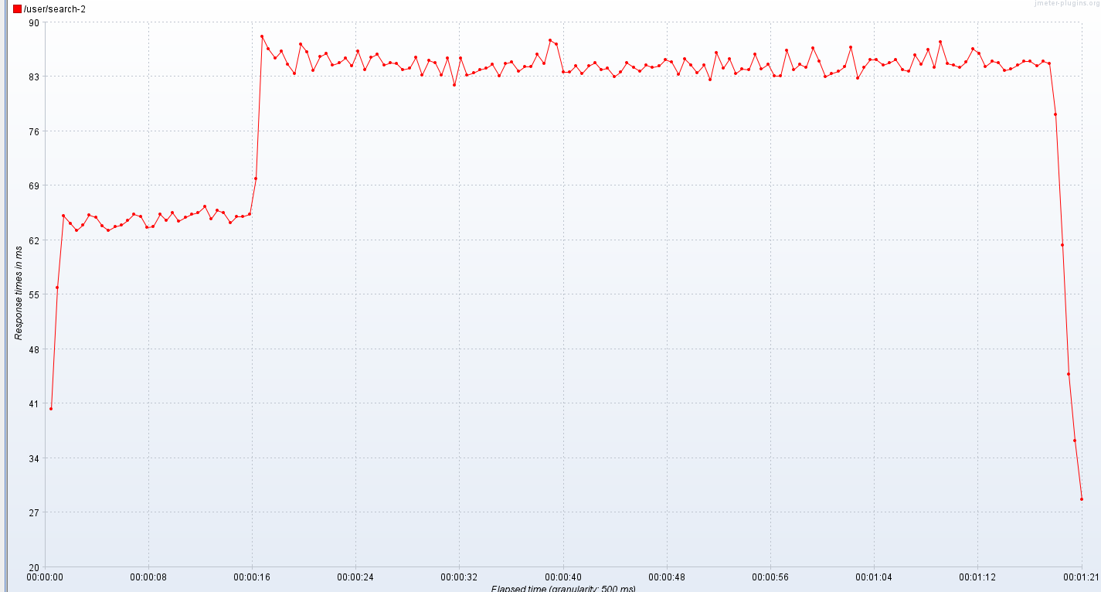
37 | 28.33333 | 86.24138 | 834.08621 | 6936.78333
38 | 28.05882 | 84.62500 | 825.11290 | 6991.61111
39 | 27.83333 | 83.38983 | 869.45763 | 7184.77966
40 | 28.27778 | 87.15254 | 805.06557 | 7345.78333
41 | 27.88889 | 86.17544 | 798.70690 | 7397.00000
42 | 27.83333 | 83.78333 | 833.67213 | 7561.78333
43 | 28.05556 | 85.57895 | 865.31034 | 7698.05263
44 | 28.35294 | 86.01695 | 841.51724 | 7811.15254
45 | 27.66667 | 84.49153 | 850.47541 | 7962.36207
46 | 27.88889 | 84.81356 | 868.03390 | 8081.85000
47 | 27.83333 | 85.36207 | 856.41667 | 8237.00000
48 | 28.16667 | 84.37931 | 831.25000 | 8245.28814
49 | 27.77778 | 86.31034 | 838.78571 | 8463.22034
50 | 27.94118 | 83.86885 | 836.41935 | 8292.39655
51 | 28.55556 | 85.47368 | 845.56897 | 8483.55738
52 | 28.88235 | 85.86667 | 817.11667 | 8446.40000
53 | 28.00000 | 84.47368 | 857.95000 | 8367.95000
54 | 28.05556 | 84.76271 | 806.32787 | 8461.31667
55 | 28.47059 | 84.66667 | 837.66667 | 8384.79661
56 | 28.22222 | 83.91379 | 841.86207 | 8542.40000
57 | 28.29412 | 84.08475 | 859.06557 | 8324.70492
58 | 28.27778 | 85.49123 | 844.00000 | 8408.21667
59 | 28.05556 | 83.16667 | 819.59322 | 8520.50000
60 | 28.35294 | 85.05000 | 841.18333 | 8466.33898
61 | 28.33333 | 84.76271 | 845.80328 | 8163.32258
62 | 28.11111 | 83.21311 | 859.20339 | 8353.61667
63 | 28.00000 | 85.41379 | 822.31579 | 8376.31667
64 | 27.88235 | 81.88333 | 834.89831 | 8344.39655
65 | 28.27778 | 85.34483 | 868.91935 | 8283.29508
66 | 28.11111 | 83.23729 | 844.70690 | 8494.52632
67 | 28.05882 | 83.50000 | 815.93220 | 8385.38983
68 | 28.16667 | 83.93333 | 867.77193 | 8134.40000
69 | 28.05556 | 84.11667 | 851.38333 | 8323.29310
70 | 27.88889 | 84.62069 | 853.05263 | 8409.32258
71 | 28.35294 | 83.06557 | 839.83051 | 8323.25424
72 | 28.61111 | 84.67241 | 840.40984 | 8476.13333
73 | 28.52941 | 84.87500 | 827.53333 | 8269.22951
74 | 28.27778 | 83.72131 | 840.89831 | 8341.28333
75 | 27.94118 | 84.26316 | 854.48333 | 8418.03279
76 | 28.66667 | 84.27869 | 835.16949 | 8396.75000
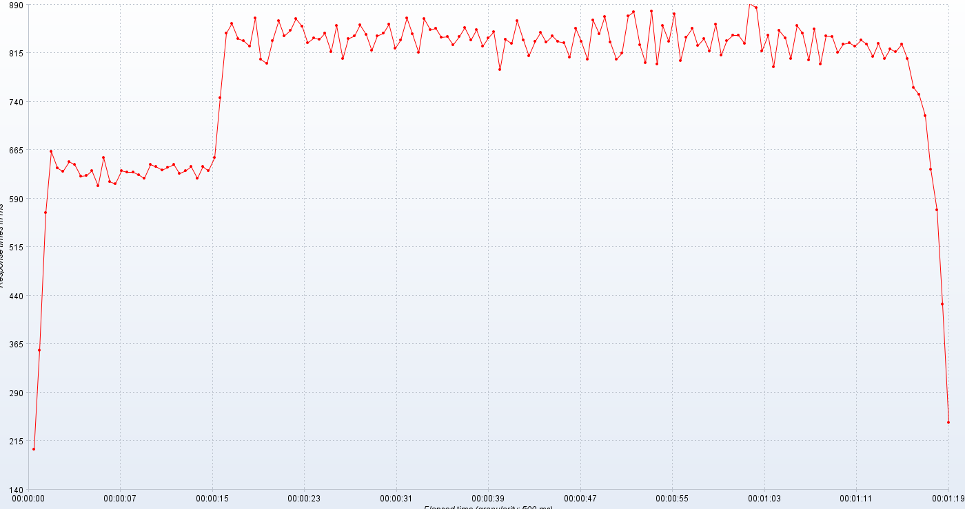
77 | 28.47059 | 85.85965 | 851.49153 | 8348.36207
78 | 28.16667 | 84.70492 | 825.51613 | 8352.26230
79 | 27.94444 | 87.61818 | 838.72203 | 8461.50847
80 | 28.22222 | 87.12281 | 848.36667 | 8348.96667
81 | 28.05882 | 83.60345 | 789.56667 | 8307.91667
82 | 27.72222 | 83.55000 | 836.51667 | 8368.53226
83 | 28.16667 | 84.34483 | 830.03333 | 8315.96552
84 | 28.61111 | 83.40984 | 865.37288 | 8310.70492
85 | 27.70588 | 84.43103 | 834.90164 | 8375.46667
86 | 28.00000 | 84.73770 | 810.30000 | 8394.89831
87 | 28.05556 | 83.89831 | 833.32787 | 8322.42623
88 | 28.00000 | 84.10169 | 847.22414 | 8187.53448
89 | 28.00000 | 83.03279 | 831.98276 | 8424.00000
90 | 28.29412 | 83.59322 | 841.85000 | 8398.24590
91 | 27.88889 | 84.76667 | 832.68333 | 8329.56897
92 | 28.38889 | 84.16949 | 831.44262 | 8317.28814
93 | 28.05556 | 83.68333 | 808.36207 | 8407.08772
94 | 28.11765 | 84.52459 | 852.83333 | 8352.60000
95 | 28.11111 | 84.15517 | 833.20000 | 8452.50909
96 | 28.27778 | 84.41379 | 805.35484 | 8388.25000
97 | 28.41176 | 85.20339 | 866.51786 | 8414.90323
98 | 28.33333 | 84.91667 | 845.06780 | 8515.83333
99 | 28.41176 | 83.25424 | 871.55932 | 8410.08621
100 | 28.05556 | 85.29310 | 832.45902 | 8397.50000
101 | 28.44444 | 84.46552 | 804.95082 | 8457.05085
102 | 28.41176 | 83.46667 | 814.79310 | 8508.86885
103 | 28.22222 | 84.44828 | 872.25000 | 8341.18033
104 | 27.88889 | 82.55738 | 878.60000 | 8316.36207
105 | 27.55556 | 86.07018 | 827.23729 | 8451.31667
106 | 27.83333 | 84.13115 | 800.05172 | 8452.63333
107 | 27.94118 | 85.28814 | 879.42623 | 8326.25000
108 | 28.44444 | 83.44068 | 798.13333 | 8451.35593
109 | 28.35294 | 84.00000 | 857.73333 | 8310.95000
110 | 29.05556 | 83.84746 | 833.37931 | 8368.06667
111 | 28.23529 | 85.91379 | 875.88333 | 8357.71186
112 | 28.38889 | 84.03448 | 803.01667 | 8455.76667
113 | 28.29412 | 84.55172 | 839.89956 | 8266.03333
114 | 28.77778 | 83.13559 | 853.01639 | 8391.23729
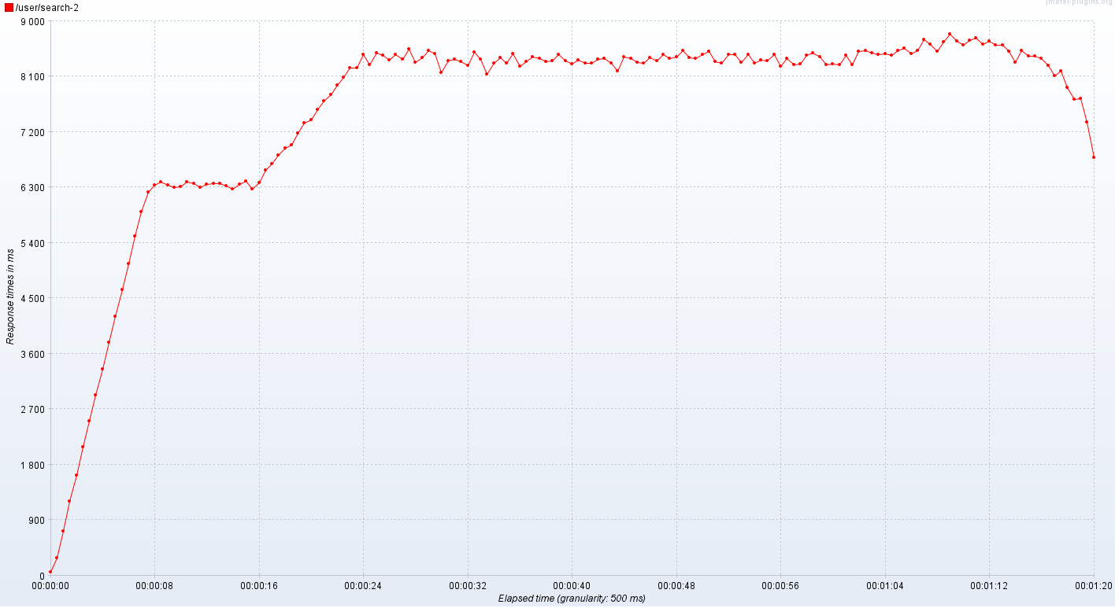
115 | 28.52941 | 83.06452 | 826.61017 | 8286.60656
116 | 28.38889 | 86.37931 | 837.41667 | 8303.44068
117 | 28.41176 | 83.90000 | 817.70492 | 8444.91803
118 | 27.77778 | 84.55932 | 859.65000 | 8478.81034
119 | 27.83333 | 84.24011 | 812.18644 | 8415.83051
120 | 27.83333 | 86.63793 | 833.93333 | 8292.46667
121 | 27.83333 | 84.96552 | 843.05000 | 8301.10345
122 | 27.88889 | 82.96721 | 843.10169 | 8285.45763
123 | 27.72222 | 83.43333 | 829.58929 | 8446.46667
124 | 28.05556 | 83.70175 | 892.00000 | 8288.98246
125 | 28.47059 | 84.25424 | 885.74194 | 8507.96429
126 | 28.44444 | 86.79661 | 818.65000 | 8525.39655
127 | 28.00000 | 82.81356 | 842.80000 | 8479.15517
128 | 27.88889 | 84.22807 | 794.24194 | 8455.75000
129 | 28.17647 | 85.13559 | 849.64912 | 8476.14286
130 | 29.35294 | 85.19672 | 838.32787 | 8447.60714
131 | 29.88235 | 84.51724 | 807.00000 | 8525.85965
132 | 28.76471 | 84.83051 | 857.19355 | 8563.76364
133 | 27.61111 | 85.21311 | 846.27119 | 8472.01786
134 | 28.05556 | 83.90909 | 804.88525 | 8517.51786
135 | 28.16667 | 83.70492 | 851.89831 | 8706.00000
136 | 28.23529 | 85.76525 | 798.16393 | 8618.46552
137 | 28.61111 | 84.61017 | 841.75410 | 8509.21429
138 | 28.23529 | 86.49123 | 840.77049 | 8667.51786
139 | 28.22222 | 84.20000 | 815.67797 | 8791.81034
140 | 28.05203 | 87.50000 | 828.88333 | 8678.40678
141 | 28.64706 | 84.68966 | 831.24590 | 8612.61538
142 | 28.72222 | 84.48333 | 825.61667 | 8689.60345
143 | 28.41176 | 84.22807 | 834.76271 | 8730.67241
144 | 28.33333 | 84.86207 | 828.57377 | 8622.81481
145 | 27.77778 | 86.55932 | 810.08197 | 8675.50847
146 | 27.76471 | 86.00000 | 829.53448 | 8607.47368
147 | 27.88889 | 84.27119 | 806.61667 | 8611.63333
148 | 28.61111 | 84.99005 | 821.63333 | 8507.45000
149 | 28.05882 | 84.79661 | 817.40351 | 8334.26786
150 | 28.55556 | 83.76667 | 828.88136 | 8517.07547
151 | 28.05556 | 84.00000 | 806.35484 | 8436.66667
152 | 28.41176 | 84.44068 | 762.05085 | 8426.33333
153 | 28.16667 | 84.98333 | 751.03333 | 8391.65000
154 | 28.47059 | 85.03390 | 718.24590 | 8275.28814
155 | 28.00000 | 84.36207 | 635.59322 | 8118.62217
156 | 28.27778 | 84.98305 | 572.65000 | 8193.88136
157 | 28.70588 | 84.67797 | 427.18966 | 7919.16949
158 | 27.77778 | 78.17544 | 193.79245 | 7724.16667
159 | 27.77778 | 61.34615 |  | 7737.80000
160 | 28.05556 | 44.76744 |  | 7355.89655
161 | 28.17647 | 36.23333 |  | 6574.70000
162 | 28.27778 | 28.73333 |  | 6181.60000
163 | 27.83333
164 | 28.35294
165 | 28.05556
166 | 27.66667
167 | 27.05203
168 | 27.94444
169 | 28.22222
170 | 28.11111
171 | 28.41176
172 | 28.44444
173 | 27.83333
174 | 27.82353
175 | 28.44444
176 | 28.22222
177 | 28.82353
178 | 28.11111
179 | 28.76471
180 | 28.61111
181 | 27.88235
182 | 27.83333
183 | 27.61111
184 | 28.05556
185 | 27.88889
186 | 28.00000
187 | 28.00000
188 | 28.00000
189 | 28.27778
190 | 27.72222
191 | 28.52941
192 | 28.05556
193 | 28.27778
194 | 28.11765
195 | 28.22222
196 | 28.64706
197 | 28.83333
198 | 28.41176
199 | 28.16667
200 | 28.38889
201 | 28.17647
202 | 28.05556
203 | 28.22222
204 | 28.88235
205 | 28.00000
206 | 28.47059
207 | 28.00000
208 | 27.94444
209 | 28.11111
210 | 28.23529
211 | 28,05,2025
212 | 28.05882
213 | 28.16667
214 | 28.00000
215 | 28.61111
216 | 28.64706
217 | 28.64706
218 | 28.16667
219 | 27.83333
220 | 28.16667
221 | 28.00000
222 | 28.00000
223 | 27.72222
224 | 27.77778
225 | 28.61111
226 | 28.05556
227 | 28.00000
228 | 28.11111
229 | 27.66667
230 | 28.00000
231 | 28.33333
232 | 28.23529
233 | 28.22222
234 | 28.00000
235 | 28.47059
236 | 28.22222
237 | 28.41176
238 | 28.33333
239 | 28.33333
240 | 27.94118
241 | 28.05556
242 | 28.05556
243 | 28.16667
244 | 28.00000
245 | 28.00000
246 | 27.88889
247 | 28.38889
248 | 27.88235
249 | 28.33333
250 | 28.33333
251 | 28.17647
252 | 28.33333
253 | 28.11111
254 | 28.05882
255 | 28.05556
256 | 27.88889
257 | 28.11111
258 | 28.23529
259 | 27.83333
260 | 28.00000
261 | 27.77778
262 | 27.83333
263 | 27.77778
264 | 28.16667
265 | 28.00000
266 | 28.05556
267 | 28.05556
268 | 27.77778
269 | 27.77778
270 | 28.16667
271 | 27.94118
272 | 28.11111
273 | 28.00000
274 | 27.77778
275 | 28.00000
276 | 28.00000
277 | 28.00000
278 | 28.11111
279 | 28.05556
280 | 28.00000
281 | 28.00000
282 | 27.72222
283 | 29.00000
284 | 28.16667
285 | 27.94444
286 | 28.00000
287 | 27.76471
288 | 28.22222
289 | 27.94444
290 | 28.00000
291 | 27.72222
292 | 28.22222
293 | 27.88235
294 | 28.27778
295 | 28.16667
296 | 28.41176
297 | 28.33333
298 | 28.05556
299 | 27.94444
300 | 28.23529
301 | 28.38889
302 | 27.94118
303 | 28.11111
304 | 27.72222
305 | 28.05556
306 | 27.94444
307 | 28.23529
308 | 28.05556
309 | 28.11111
310 | 28.22222
311 | 29.81250
312 | 29.64706
313 | 28.11111
314 | 28.55556
315 | 28.35294
316 | 28.22222
317 | 29.17647
318 | 28.11111
319 | 28.35294
320 | 28.22222
321 | 28.64706
322 | 27.77778
323 | 27.94444
324 | 27.61111
325 | 27.94444
326 | 28.05556
327 | 28.00000
328 | 28.27778
329 | 28.52941
330 | 28.33333
331 | 28.33333
332 | 28.47059
333 | 28.76471
334 | 33.60000
335 | 28.27778
336 | 28.76471
337 | 28.88235
338 | 28.16667
339 | 29.05882
340 | 28.38889
341 | 28.23529
342 | 27.83333
343 | 27.77778
344 | 28,05,2025
345 | 28.00000
346 | 28.47059
347 | 28.94118
348 | 28.83333
349 | 28.52941
350 | 29.17647
351 | 30.23529
352 | 29.56250
353 | 30.05882
354 | 28.33333
355 | 29.11765
356 | 30.25000
357 | 30.81250
358 | 31.06250
359 | 28,05,2025
360 | 29.00000
361 | 27.61111
362 | 27.88889
363 | 28.16667
364 | 27.94444
365 | 28.64706
366 | 29.11765
367 | 29.29412
368 | 27.88889
369 | 28.27778
370 | 28.23529
371 | 28.44444
372 | 28.70588
373 | 31.12500
374 | 28.94444
375 | 27.82353
376 | 28.22222
377 | 28.11111
378 | 27.66667
379 | 28.16667
380 | 28.88235
381 | 28.05556
382 | 27.94444
383 | 28.11765
384 | 29.82353
385 | 28.44444
386 | 28.47059
387 | 28.70588
388 | 30.29412
389 | 29.00000
390 | 30.56250
391 | 29.47059
392 | 30.17647
393 | 29.93750
394 | 29.58824
395 | 28.72222
396 | 29.29412
397 | 28.29412
398 | 28.82353
399 | 27.88889
400 | 28.22222
401 | 28.11111
402 | 28.41176
403 | 28.05556
404 | 28.33333
405 | 28.41176
406 | 28,05,2025
407 | 28.70588
408 | 28.44444
409 | 28.29412
410 | 28.11111
411 | 29.64706
412 | 28.70588
413 | 28.22222
414 | 28.27778
415 | 27.88889
416 | 28.05882
417 | 28.11111
418 | 29.41176
419 | 28.11111
420 | 28.41176
421 | 28.66667
422 | 28.35294
423 | 28.33333
424 | 28.64706
425 | 27.88889
426 | 27.94444
427 | 28.22222
428 | 27.83333
429 | 28.23529
430 | 28,05,2025
431 | 27.94444
432 | 28.47059
433 | 27.55556
434 | 28.38889
435 | 27.66667
436 | 28.94118
437 | 28.16667
438 | 27.72222
439 | 27.66667
440 | 28.00000
441 | 28.35294
442 | 27.83333
443 | 27.88889
444 | 27.94444
445 | 28.22222
446 | 28.00000
447 | 27.72222
448 | 27.83333
449 | 28.22222
450 | 28.70588
451 | 28.22222
452 | 28.94118
453 | 28.33333
454 | 27.94444
455 | 28.00000
456 | 27.72222
457 | 28.22222
458 | 28.05556
459 | 27.77778
460 | 28.29412
461 | 28.00000
462 | 29.47059
463 | 28.00000
464 | 27.94444
465 | 27.94118
466 | 28.11111
467 | 27,05,2025
468 | 27.72222
469 | 27.55556
470 | 27.83333
471 | 28.00000
472 | 28.38889
473 | 28.29412
474 | 28.05556
475 | 28.94118
476 | 28.05556
477 | 29.23529
478 | 28.05556
479 | 28.05556
480 | 29.11765
481 | 27.94118
482 | 27.83333
483 | 28.16667
484 | 27.94444
485 | 28.11111
486 | 27.82353
487 | 27.57895
488 | 28.00000
489 | 28.00000
490 | 28.58824
491 | 28.00000
492 | 28.88889
493 | 28.52941
494 | 28.11111
495 | 28.35294
496 | 28.55556
497 | 28.88235
498 | 28.47059
499 | 28.88889
500 | 28.17647
501 | 28.11111
502 | 28.44444
503 | 28.29412
504 | 28.33333
505 | 28.76471
506 | 28.44444
507 | 28.41176
508 | 28.83333
509 | 28.05882
510 | 28,05,2025
511 | 29.29412
512 | 28.41176
513 | 27.83333
514 | 27.66667
515 | 27.63158
516 | 27.82353
517 | 28.11111
518 | 27.94444
519 | 28.05556
520 | 27.88889
521 | 27.55556
522 | 28.35294
523 | 28.33333
524 | 27.83333
525 | 28.17647
526 | 28.00000
527 | 28.22222
528 | 27.77778
529 | 28.27778
530 | 27.88235
531 | 28.44444
532 | 28.70588
533 | 27.66667
534 | 27.55556
535 | 27.91667

