Dashboard
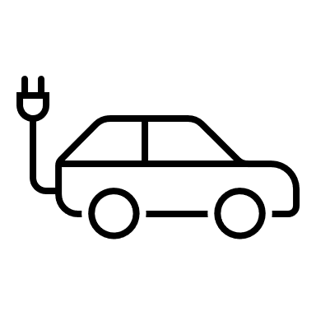
Dashboard | Análisis de Eficiencia Vehículos Eléctricos y Estaciones de Carga

Energía Total Consumida (GWh)
Distribución de Modelos
Capacidad Promedio de la Bateria (kwh)
Distancia Promedio Manejada Antes de la Carga (km)
Promedio Energía Consumida Durante la Carga (GWh)
14967,05
 | Total
BMW i3 | 228
Chevy Bolt | 224
Hyundai Kona | 239
Nissan Leaf | 225
Tesla Model 3 | 246
 | Total
BMW i3 | 75.600877193
Chevy Bolt | 74.660714286
Hyundai Kona | 74.70292887
Nissan Leaf | 74.093333333
Tesla Model 3 | 74.008130081
 | Total
BMW i3 | 132.31574561
Chevy Bolt | 116.89982143
Hyundai Kona | 123.1283682
Nissan Leaf | 134.01751111
Tesla Model 3 | 120.64878049
 | Total
BMW i3 | 13.09627193
Chevy Bolt | 12.851294643
Hyundai Kona | 11.895690377
Nissan Leaf | 12.916933333
Tesla Model 3 | 13.630203252

Costo Total de las Cargas (USD)

15453,33

Configuración

Distribución de Estaciones de Carga
Entrega Promedio de Energia (KW)
Costo Promedio por Carga (USD)
 | Total
Sunday | 12.024885057
Monday | 14.683461538
Tuesday | 14.804124294
Wednesday | 12.247683616
Thursday | 12.634666667
Friday | 13.226909091
Saturday | 12.184382022
 | Total
Sunday | 13.788275862
Monday | 13.952692308
Tuesday | 12.945028249
Wednesday | 13.283502825
Thursday | 13.196740741
Friday | 12.928545455
Saturday | 13.035561798

Tablas dinámicas
Etiquetas de fila | Count of Modelo Vehículo
BMW i3 | 228
Chevy Bolt | 224
Hyundai Kona | 239
Nissan Leaf | 225
Tesla Model 3 | 246
Total general | 1162

Etiquetas de fila | Average of Capacidad Batería (kWh)
BMW i3 | 75.600877193
Chevy Bolt | 74.660714286
Hyundai Kona | 74.70292887
Nissan Leaf | 74.093333333
Tesla Model 3 | 74.008130081
Total general | 74.605851979

Etiquetas de fila | Average of Distancia Manejada (Desde Última Carga) (km)
BMW i3 | 132.31574561
Chevy Bolt | 116.89982143
Hyundai Kona | 123.1283682
Nissan Leaf | 134.01751111
Tesla Model 3 | 120.64878049
Total general | 125.31391566

Etiquetas de fila | Average of Energía Consumida (GWh)2
BMW i3 | 13.09627193
Chevy Bolt | 12.851294643
Hyundai Kona | 11.895690377
Nissan Leaf | 12.916933333
Tesla Model 3 | 13.630203252
Total general | 12.880421687

Etiquetas de fila | Count of ID Estación Carga
New York | 235 | New York | 235
California | 465 | California | 465
Illinois | 228 | Illinois | 228
Texas | 234 | Texas | 234
Total general | 1162

Etiquetas de fila | Average of Entrega Promedio Energía (kW)3
Sunday | 12.024885057
Monday | 14.683461538
Tuesday | 14.804124294
Wednesday | 12.247683616
Thursday | 12.634666667
Friday | 13.226909091
Saturday | 12.184382022
Total general | 13.105043029

Etiquetas de fila | Average of Costo Carga (USD)
Sunday | 13.788275862
Monday | 13.952692308
Tuesday | 12.945028249
Wednesday | 13.283502825
Thursday | 13.196740741
Friday | 12.928545455
Saturday | 13.035561798
Total general | 13.298907057

Suma de Energía Consumida (GWh)2
14967.05

Suma de Costo Carga (USD)
15453.33

