Localization
Avg per Task Performance
 | Direct | Pathing
AF |  |  | SceneIndex | Pathindex | SceneOffset | PathOffset | SceneRow | StartRow
 | Scene 3 |  | 3 | 2 | 21 | 10 | 46 | 56
 | Path |  | Scene 3 Path Distance
 | 1 Basic | 1 Pathing | 1 Mixed | - | 2 Basic | 2 Pathing | 2 Mixed | - | 3 Basic | 3 Pathing | 3 Mixed | - | 4 Basic | 4 Pathing | 4 Mixed | - | 5 Basic | 5 Pathing | 5 Mixed | - | 6 Basic | 6 Pathing | 6 Mixed | - | 7 Basic | 7 Pathing | 7 Mixed
 | Average Direct Distance | Average Path Distance
 | 4.56 | 24.05 | 9.86 |  | 25.78 | 25.20 | 26.76 |  | 6.33 | 38.24 | 15.81 |  | 29.74 | 19.11 | 30.06 |  | 25.96 | 12.58 | 23.17 |  | 6.40 | 42.74 | 12.08 |  | 31.84 | 30.37 | 12.50
 | 12.36 | 14.86 | 14.86 |  | 0.95 | 12.19 | 13.67 |  | 10.81 | 8.52 | 32.30 |  | 15.54 | 16.69 | 25.33 |  | 28.17 | 23.98 | 10.30 |  | 15.67 | 15.39 | 21.49 |  | 26.02 | 6.96 | 15.00
 | 13.76 | 26.75 | 29.90 |  | 3.95 | 1.67 | 12.52 |  | 6.33 | 27.40 | 33.04 |  | 28.43 | 16.74 | 12.73 |  | 17.30 | 13.31 | 13.31 |  | 6.27 | 24.26 | 9.51 |  | 33.24 | 18.74 | 15.81
 | 29.78 | 16.11 | 17.48 |  | 2.14 | 12.51 | 20.50 |  | 21.45 | 8.14 | 11.92 |  | 31.24 | 25.52 | 26.02 |  | 18.47 | 23.98 | 16.18 |  | 34.99 | 20.75 | 27.59 |  | 33.24 | 27.05 | 0.38
All Mixed | 1 Basic | 1 Pathing | 1 Mixed | - | 2 Basic | 2 Pathing | 2 Mixed | - | 3 Basic | 3 Pathing | 3 Mixed | - | 4 Basic | 4 Pathing | 4 Mixed | - | 5 Basic | 5 Pathing | 5 Mixed | - | 6 Basic | 6 Pathing | 6 Mixed | - | 7 Basic | 7 Pathing | 7 Mixed | - | All Basic | All Pathing | All Mixed
0.8420878576 | 12.33 | 19.81 | 16.64 |  | 3.79 | 8.95 | 17.50 |  | 9.82 | 16.42 | 21.18 |  | 25.31 | 19.21 | 22.41 |  | 21.99 | 17.62 | 15.06 |  | 12.18 | 23.99 | 16.16 |  | 30.93 | 18.09 | 5.79 |  | 0.6871872819 | 0.775968789 | 0.7529529632
All Mixed | 1 Basic | 1 Pathing | 1 Mixed | - | 2 Basic | 2 Pathing | 2 Mixed | - | 3 Basic | 3 Pathing | 3 Mixed | - | 4 Basic | 4 Pathing | 4 Mixed | - | 5 Basic | 5 Pathing | 5 Mixed | - | 6 Basic | 6 Pathing | 6 Mixed | - | 7 Basic | 7 Pathing | 7 Mixed | - | All Basic | All Pathing | All Mixed
Avg Performance per Scene
 | Direct | Pathing
1 | 0.6222906934 | 1 | 0.8397282831 |  | 0.2166961241 | 0.5113182612 | 1 |  | 0.4636096114 | 0.775301171 | 1 |  | 1 | 0.7590463932 | 0.8853602093 |  | 1 | 0.8011948151 | 0.6848237672 |  | 0.5077145443 | 1 | 0.6734624454 |  | 1 | 0.5849208824 | 0.1872960375 |  | 0.8855862396 | 1 | 0.9703392377

 | Scene 1 Basic | Scene 1 Pathing | Scene 1 Mixed | - | Scene 2 Basic | Scene 2 Pathing | Scene 2 Mixed | - | Scene 3 Basic | Scene 3 Pathing | Scene 3 Mixed |  |  |  |  |  | Scene 1 Basic | Scene 1 Pathing | Scene 1 Mixed | - | Scene 2 Basic | Scene 2 Pathing | Scene 2 Mixed | - | Scene 3 Basic | Scene 3 Pathing | Scene 3 Mixed
 | 0.67 | 0.91 | 1.00 |  | 0.44 | 1.00 | 0.64 |  | 0.58 | 1.00 | 0.73 |  | 4.77 | 6.59 | 9.46 |  | 3.29 | 5.63 | 5.39 |  | 4.24 | 9.29 | 6.22 |  | 7.37 | 12.46 | 8.56
 | 0.57 | 0.85 | 1.00 |  | 0.41 | 1.00 | 0.58 |  | 0.89 | 1.00 | 0.97 |  | 5.85 | 8.98 | 16.91 |  | 3.49 | 7.16 | 6.89 |  | 5.41 | 13.67 | 7.86 |  | 16.62 | 17.73 | 16.39
 | Scene 1 Basic | Scene 1 Pathing | Scene 1 Mixed | - | Scene 2 Basic | Scene 2 Pathing | Scene 2 Mixed | - | Scene 3 Basic | Scene 3 Pathing | Scene 3 Mixed |  |  |  |  |  | Scene 1 Basic | Scene 1 Pathing | Scene 1 Mixed | - | Scene 2 Basic | Scene 2 Pathing | Scene 2 Mixed | - | Scene 3 Basic | Scene 3 Pathing | Scene 3 Mixed
 | 0.19 | 0.26 | 0.28 |  | 0.17 | 0.39 | 0.25 |  | 0.32 | 0.56 | 0.41 |  | 0.28 | 0.39 | 0.56 |  | 3.38 | 4.93 | 9.52 |  | 0.95 | 2.80 | 2.47 |  | 2.50 | 3.01 | 2.39
All Mixed | 0.20 | 0.29 | 0.35 |  | 0.22 | 0.53 | 0.31 |  | 0.89 | 1.00 | 0.97 |  | 0.35 | 0.53 | 1.00 |  | 1.59 | 1.80 | 2.76 |  | 1.32 | 3.37 | 2.94 |  | 3.22 | 3.47 | 2.96
0.8448374624
All Mixed
Normalized Geometric Mean Of Guess Distance
1

 | 1 Basic | 1 Pathing | 1 Mixed | - | 2 Basic | 2 Pathing | 2 Mixed | - | 3 Basic | 3 Pathing | 3 Mixed | - | 4 Basic | 4 Pathing | 4 Mixed | - | 5 Basic | 5 Pathing | 5 Mixed | - | 6 Basic | 6 Pathing | 6 Mixed | - | 7 Basic | 7 Pathing | 7 Mixed
 | 7.57 | 10.44 | 9.27 |  | 3.23 | 7.01 | 9.06 |  | 3.33 | 8.61 | 8.36 |  | 10.47 | 14.63 | 7.81 |  | 9.48 | 14.56 | 10.19 |  | 11.32 | 19.64 | 13.36 |  | 6.18 | 12.32 | 1.85
 | 12.33 | 19.81 | 16.64 |  | 3.79 | 8.95 | 17.50 |  | 9.82 | 16.42 | 21.18 |  | 25.31 | 19.21 | 22.41 |  | 21.99 | 17.62 | 15.06 |  | 12.18 | 23.99 | 16.16 |  | 30.93 | 18.09 | 5.79
 | 1 Basic | 1 Pathing | 1 Mixed | - | 2 Basic | 2 Pathing | 2 Mixed | - | 3 Basic | 3 Pathing | 3 Mixed | - | 4 Basic | 4 Pathing | 4 Mixed | - | 5 Basic | 5 Pathing | 5 Mixed | - | 6 Basic | 6 Pathing | 6 Mixed | - | 7 Basic | 7 Pathing | 7 Mixed
 | 0.7253134591 | 1 | 0.887337966 |  | 0.3564898211 | 0.7738406513 | 1 |  | 0.3868324977 | 1 | 0.9714351854 |  | 0.7156363599 | 1 | 0.5339783543 |  | 0.6515908921 | 1 | 0.7001941806 |  | 0.5762380731 | 1 | 0.6799524855 |  | 0.5015234311 | 1 | 0.1499519943
All Mixed | 0.6222906934 | 1 | 0.8397282831 |  | 0.2166961241 | 0.5113182612 | 1 |  | 0.4636096114 | 0.775301171 | 1 |  | 1 | 0.7590463932 | 0.8853602093 |  | 1 | 0.8011948151 | 0.6848237672 |  | 0.5077145443 | 1 | 0.6734624454 |  | 1 | 0.5849208824 | 0.1872960375
0.6233707438
All Mixed
0.6420199204

Avg Distance
 | Direct Distance | Path Distance

All Mixed
0.5793763028
All Mixed
0.5818370542

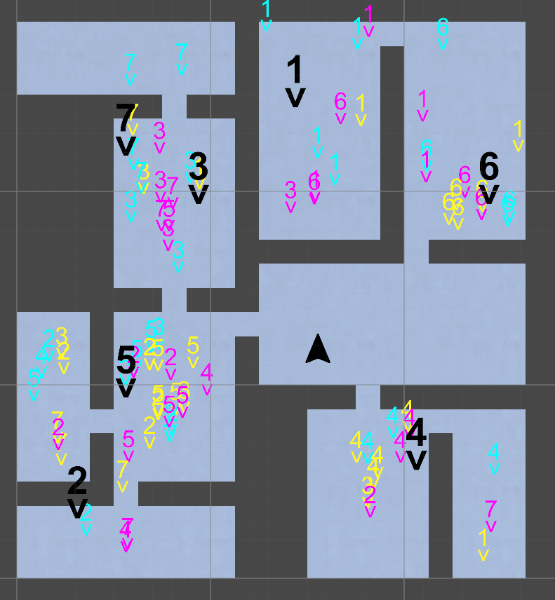
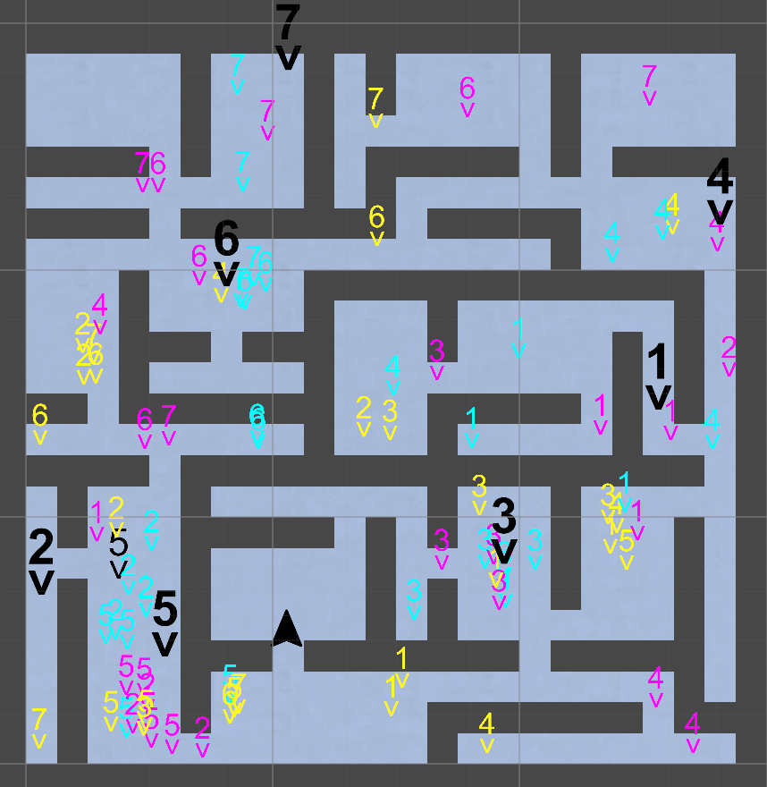
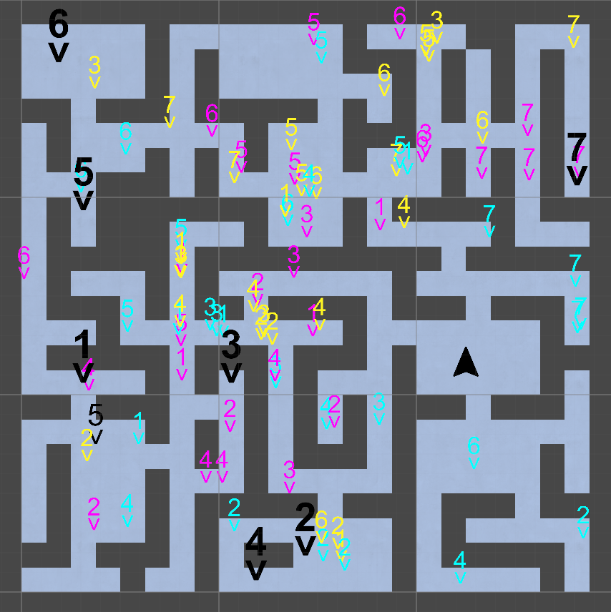
Distances
 | 1 | 2 | 3 | 4 | Geometric mean

All Mixed
0.7032643094
All Mixed
0.7267443124

All Mixed
0.7529529632
All Mixed
0.9703392377

Navigation
Avg per Task Performance
 | Direct
 | Average Navigation Time
Scene 2 |  | SceneIndex |  | SceneOffset |  | SceneRow | StartRow
 |  | 2 |  | 21 |  | 25 | 11
1 Basic | 1 Pathing | 1 Mixed | - | 2 Basic | 2 Pathing | 2 Mixed | - | 3 Basic | 3 Pathing | 3 Mixed | - | 4 Basic | 4 Pathing | 4 Mixed | - | 5 Basic | 5 Pathing | 5 Mixed | - | 6 Basic | 6 Pathing | 6 Mixed | - | 7 Basic | 7 Pathing | 7 Mixed | - | 8 Basic | 8 Pathing | 8 Mixed | - | 9 Basic | 9 Pathing | 9 Mixed | - | 10 Basic | 10 Pathing | 10 Mixed | #VALUE! | #VALUE! | #VALUE! | #VALUE!
14.85 | 11.19 | 11.95 | - | 6.31 | 4.60 | 4.09 | - | 5.17 | 6.97 | 5.17 | - | 2.78 | 2.66 | 2.76 | - | 3.18 | 3.43 | 3.24 | - | 22.29 | 8.17 | 20.44 | - | 17.01 | 7.17 | 6.97 | - | 28.07 | 4.24 | 6.32 | - | 8.24 | 9.61 | 9.82 | - | 5.10 | 5.28 | 6.63
12.93 | 32.65 | 10.08 | - | 6.66 | 8.93 | 4.12 | - | 7.87 | 6.17 | 7.57 | - | 2.61 | 6.48 | 3.10 | - | 3.46 | 6.04 | 3.52 | - | 16.26 | 22.92 | 7.49 | - | 20.48 | 11.10 | 10.03 | - | 29.60 | 5.79 | 13.22 | - | 8.46 | 11.81 | 10.36 | - | 6.21 | 7.93 | 5.63
16.04 | 14.52 | 21.05 | - | 6.45 | 4.87 | 7.40 | - | 7.82 | 10.64 | 5.07 | - | 2.71 | 4.81 | 3.15 | - | 3.93 | 3.70 | 4.00 | - | 6.76 | 14.95 | 8.33 | - | 10.18 | 11.35 | 11.30 | - | 26.82 | 5.09 | 11.97 | - | 13.16 | 8.91 | 13.08 | - | 6.01 | 5.92 | 6.15
22.04 | 16.21 | 12.32 | - | 10.77 | 9.81 | 4.23 | - | 7.34 | 8.83 | 5.60 | - | 4.83 | 3.37 | 2.69 | - | 4.74 | 3.92 | 4.67 | - | 8.72 | 13.07 | 8.37 | - | 19.45 | 9.46 | 7.37 | - | 4.73 | 4.58 | 4.45 | - | 11.88 | 13.98 | 9.63 | - | 7.80 | 6.89 | 6.64
1 Basic | 1 Pathing | 1 Mixed | - | 2 Basic | 2 Pathing | 2 Mixed | - | 3 Basic | 3 Pathing | 3 Mixed | - | 4 Basic | 4 Pathing | 4 Mixed | - | 5 Basic | 5 Pathing | 5 Mixed | - | 6 Basic | 6 Pathing | 6 Mixed | - | 7 Basic | 7 Pathing | 7 Mixed | - | 8 Basic | 8 Pathing | 8 Mixed | - | 9 Basic | 9 Pathing | 9 Mixed | - | 10 Basic | 10 Pathing | 10 Mixed | - | All Basic | All Pathing | All Mixed
16.14 | 17.12 | 13.29 | - | 7.35 | 6.66 | 4.79 | - | 6.95 | 7.97 | 5.77 | - | 3.12 | 4.09 | 2.92 | - | 3.78 | 4.16 | 3.82 | - | 12.09 | 13.83 | 10.16 | - | 16.21 | 9.61 | 8.74 | - | 18.02 | 4.89 | 8.17 | - | 10.22 | 10.90 | 10.64 | - | 6.21 | 6.43 | 6.25 | - | 10.01 | 8.57 | 7.46
1 Basic | 1 Pathing | 1 Mixed | - | 2 Basic | 2 Pathing | 2 Mixed | - | 3 Basic | 3 Pathing | 3 Mixed | - | 4 Basic | 4 Pathing | 4 Mixed | - | 5 Basic | 5 Pathing | 5 Mixed | - | 6 Basic | 6 Pathing | 6 Mixed | - | 7 Basic | 7 Pathing | 7 Mixed | - | 8 Basic | 8 Pathing | 8 Mixed | - | 9 Basic | 9 Pathing | 9 Mixed | - | 10 Basic | 10 Pathing | 10 Mixed | - | All Basic | All Pathing | All Mixed
0.94 | 1.00 | 0.78 | - | 1.00 | 0.91 | 0.65 | - | 0.87 | 1.00 | 0.72 | - | 0.76 | 1.00 | 0.71 | - | 0.91 | 1.00 | 0.92 | - | 0.87 | 1.00 | 0.73 | - | 1.00 | 0.59 | 0.54 | - | 1.00 | 0.27 | 0.45 | - | 0.94 | 1.00 | 0.98 | - | 0.97 | 1.00 | 0.97 | - | 0.93 | 0.88 | 0.75

Scene 1 Basic | Scene 1 Pathing | Scene 1 Mixed | - |  | Scene 2 Basic | Scene 2 Pathing | Scene 2 Mixed | - |  | Scene 3 Basic | Scene 3 Pathing | Scene 3 Mixed
0.95 | 0.93 | 1.00 |  |  | 1.00 | 0.95 | 0.81 |  |  | 1.00 | 0.97 | 0.93

Scene 1 Basic | Scene 1 Pathing | Scene 1 Mixed | - |  | Scene 2 Basic | Scene 2 Pathing | Scene 2 Mixed | - |  | Scene 3 Basic | Scene 3 Pathing | Scene 3 Mixed
6.67 | 6.38 | 6.81 |  |  | 10.01 | 8.57 | 7.46 |  |  | 11.96 | 10.88 | 11.05
 |  |  | 6.62 |  |  |  |  | 8.68 |  |  |  |  | 11.30

Scene 1 Basic | Scene 1 Pathing | Scene 1 Mixed | - |  | Scene 2 Basic | Scene 2 Pathing | Scene 2 Mixed | - |  | Scene 3 Basic | Scene 3 Pathing | Scene 3 Mixed
4.70 | 4.70 | 4.70 |  |  | 5.5 | 5.5 | 5.5 |  |  | 6.5 | 6.5 | 6.5
1.97 | 1.68 | 2.11 |  |  | 4.51 | 3.07 | 1.96 |  |  | 5.46 | 4.38 | 4.55

Important Tasks
Scene 1 |  |  | Scene 2 |  |  |  |  |  |  |  | Scene 3
7 - pathing overshoot |  |  | 1 - hook |  | pathing overshoot |  |  |  |  |  | 1 - pathing optimal path -> walk backwards |  |  | best expample
9 - hidden door |  |  | 3 - pathing confusion |  | small pathing overshoot |  |  |  |  |  | 2 - light dead end |  |  | pathing is optimal path
 |  |  | 6 - starting direction |  |  |  |  |  |  |  | 3 - light basic confusion
 |  |  | 7 - basic dead end |  |  |  |  |  |  |  | 4 - two possible basic paths |  |  | do that one
 |  |  | 8 - worse dead end |  | three basic vs no pathing fall in dead end
 |  |  |  |  |  |  |  |  |  |  | 8 - pathing overshoot confusion |  |  | only one guy
 |  |  |  |  |  |  |  |  |  |  | 9 - optimal pathing + basic dead ends + mixed without deadend problem
 |  |  |  |  |  |  |  |  |  |  |  | pathing overshoot is less present with larger rooms -> less sharp turns

Task Performance - Normalized Geometric Mean Of Navigation Time
 | Estimated Minimum Navigation Time | Average Navigation Time

Demographics
Age | GamingExperience | FirstPersonExperience | HeadphoneUsage | Age | GamingExperience | FirstPersonExperience | HeadphoneUsage
25 | Often | Often | Often | 21 | 3 | 3 | 3 | 3
24 | Often | Often | Often | 22 | 3 | 3 | 3 | 2
24 | Often | Often | Often | 22 | 3 | 3 | 3 | 1
23 | Rarely | Rarely | Never | 22 | 3 | 3 | 3 | 0
23 | Often | Occasionally | Often | 23 | 1 | 1 | 0
21 | Often | Often | Often | 23 | 1 | 1 | 3
23 | Often | Often | Often | 23 | 3 | 1 | 0
22 | Often | Often | Often | 23 | 3 | 2 | 3
23 | Often | Rarely | Never | 23 | 3 | 3 | 3
22 | Often | Often | Often | 24 | 3 | 3 | 3
22 | Often | Often | Often | 24 | 3 | 3 | 3
23 | Rarely | Rarely | Often | 25 | 3 | 3 | 3

 |  |  |  | Age and Gaming Experience of Participants

