反應器條件

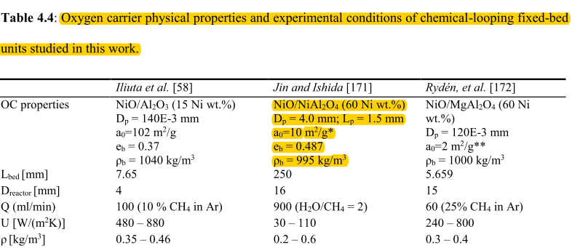
Reactor parameters

Name | unit | value | symbol in matlab | function | 把原始資料與出處貼上來
反應器長度 | (m) | 11 | L
管徑 | (m) | 5.5 | dti
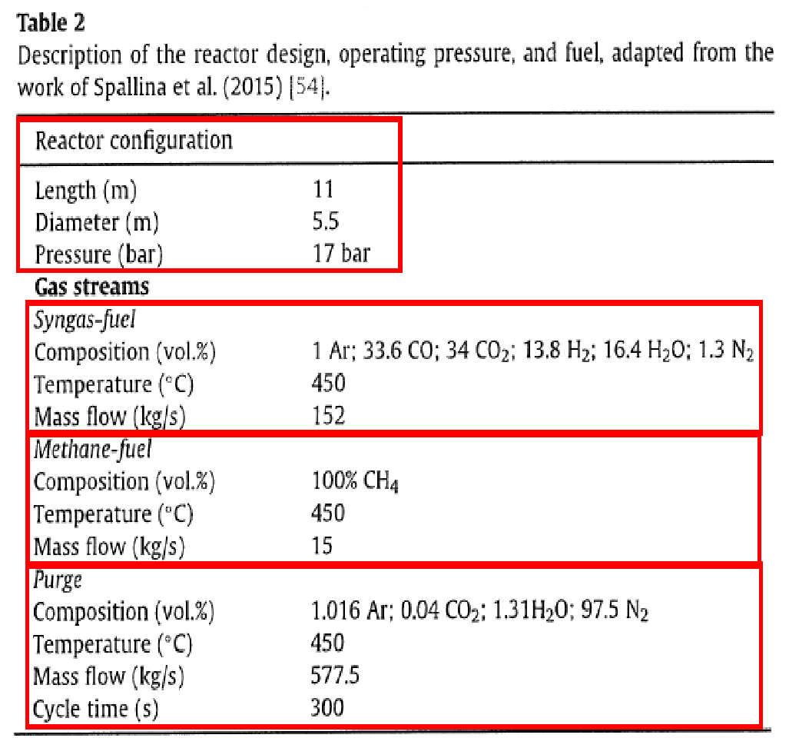
壓力 | (bar) | 17 | Pt_in_2
觸媒密度 | kg_catalyst/m^3 Oc | 3960 | ro_solid
床密度 | kg_catalyst/m^3 bed | 995 | ro_bed
空隙率 |  | 0.4 | porosity_bed
觸媒孔隙率 |  | 0.37 | porosity_catalyst
觸媒直徑 | m | 0.004 | d_p
使用的反應器數量 |  | 1 | nt
總反應時間 | s | 800 | TotalTime
反應器截面積 | m^2 | 23.75829444 | A_tube | pi/4*Di^2
理想氣體常數 | bar*m^3/(K*mol) | 8.31E-05 | R_bar
每公斤觸媒含有的表面積 | m^2/kg OC | 0.3787878788 | a_0 | 1/(al*Packing density)
觸媒的比直徑(球體積/球表面積) | m | 0.0006666666667 | al(vp/sp) | dp/6
單位反應器比表面積 | 1/m | 900 | av | (1-porosity of the bed)/al

進料條件
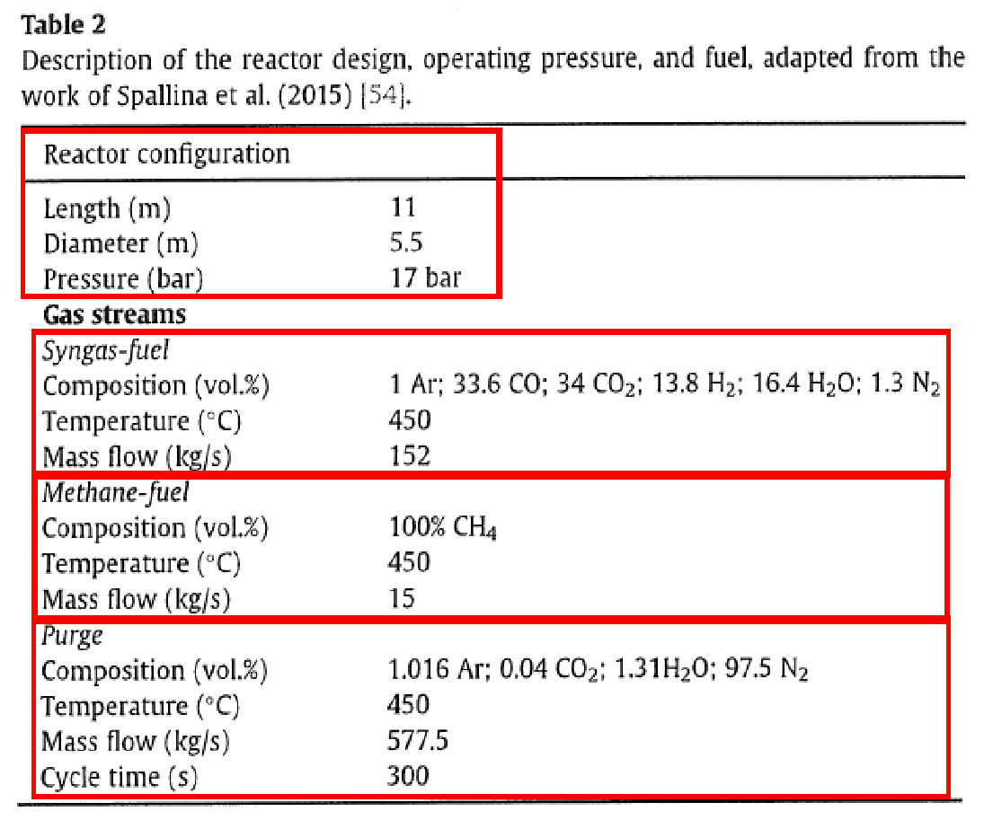
Name | unit | value | symbol in matlab | function | At SteadyState_PBR.m
甲烷的流量 | kg/s | 15 | CH4_kg_in |  | Molecular weight of component
進料壓力 | bar | 17 | Pt_in
流體的進料溫度 | K | 723.15 | Tf_in
觸媒的進料溫度 | K | 925.15 | Ts_in
進料的甲烷濃度 | kmol/m^3 | 2.83E-01 | CM_CH4_in | C(n/V)=P/(RTf)*10^-3
進料的氫氣濃度 | kmol/m^3 | 1.00E-06 | CM_H2_in
進料的一氧化碳濃度 | kmol/m^3 | 1.00E-06 | CM_CO_in
進料的二氧化碳濃度 | kmol/m^3 | 1.00E-06 | CM_CO2_in
進料的氮氣濃度 | kmol/m^3 | 1.00E-06 | CM_N2_in
進料及初始水的濃度 | kmol/m^3 | 1.00E-06 | CM_H2O_in
起始的莫耳流率 | kmol/s | 0.9375 | F
進料的體積流率 | m^3/s | 3.31E-06 | V_dot | V_dot=FRTf/P
進料的流速 | m/s | 1.40E-07 | us | us=V_dot/Ac
起始的氧化鎳濃度 | kgNi/kgOC | 0.6 | CM_NiO_in
起始的鎳濃度 | kgNi/kgOC | 1.00E-06 | CM_Ni_in

擴散體積
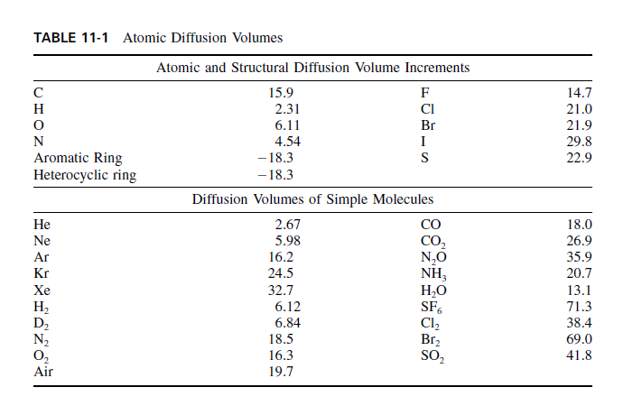
計算擴散體積sigma
sigma_CH4 | 25.14
sigma_H2O | 13.1
sigma_H2 | 6.12
sigma_CO | 18
sigma_CO2 | 26.9
sigma_O2 | 16.3
sigma_N2 | 18.5

擴散係數
計算MAB | 單位 | Function | *MAB=MBA
 | g/mol | 2[(1 /MA)+(1 /MB)]^-1 | *分子量皆為"克"分子量

M_CH4_H2O | g/mol | 2[(1 /MCH4)+(1 /MH2O)]^-1
M_CH4_H2 | g/mol | 2[(1 /MCH4)+(1 /MH2)]^-1
M_CH4_CO2 | g/mol | 2[(1 /MCH4)+(1 /MCO2)]^-1
M_CH4_CO | g/mol | 2[(1 /MCH4)+(1 /MCO)]^-1
M_CH4_N2 | g/mol | 2[(1 /MCH4)+(1 /MN2)]^-1

M_H2O_H2 | g/mol | 2[(1 /MH2O)+(1 /MH2)]^-1
M_H2O_CO2 | g/mol | 2[(1 /MH2O)+(1 /MCO2)]^-1
M_H2O_CO | g/mol | 2[(1 /MH2O)+(1 /MCO2)]^-1
M_H2O_N2 | g/mol | 2[(1 /MH2O)+(1 /MN2)]^-1

M_H2_CO2 | g/mol | 2[(1 /MH2)+(1 /MCO2)]^-1
M_H2_CO | g/mol | 2[(1 /MH2)+(1 /MCO)]^-1
M_H2_N2 | g/mol | 2[(1 /MH2)+(1 /MN2)]^-1

M_CO2_CO | g/mol | 2[(1 /MCO2)+(1 /MCO)]^-1
M_CO2_N2 | g/mol | 2[(1 /MCO2)+(1 /MN2)]^-1

M_CO_N2 | g/mol | 2[(1 /MCO)+(1 /MN2)]^-1

計算物種間的擴散係數
D_CH4_H2O(i) | cm^2/s | 0.00143*Tf(i)^1.75 /(Pt(i)*M_CH4_H2O^0.5*(sigma_CH4^(1/3)+sigma_H2O^(1/3))^2)
D_CH4_H2(i) | cm^2/s | 0.00143*Tf(i)^1.75 /(Pt(i)*M_CH4_H2^0.5*(sigma_CH4^(1/3)+sigma_H2^(1/3))^2)
D_CH4_CO2(i) | cm^2/s | 0.00143*Tf(i)^1.75 /(Pt(i)*M_CH4_CO2^0.5*(sigma_CH4^(1/3)+sigma_CO2^(1/3))^2)
D_CH4_CO(i) | cm^2/s | 0.00143*Tf(i)^1.75 /(Pt(i)*M_CH4_CO^0.5*(sigma_CH4^(1/3)+sigma_CO^(1/3))^2)
D_CH4_N2(i) | cm^2/s | 0.00143*Tf(i)^1.75 /(Pt(i)*M_CH4_N2^0.5*(sigma_CH4^(1/3)+sigma_N2^(1/3))^2)
D_H2O_H2(i) | cm^2/s | 0.00143*Tf(i)^1.75 /(Pt(i)*M_H2O_H2^0.5*(sigma_H2O^(1/3)+sigma_H2^(1/3))^2)
D_H2O_CO2(i) | cm^2/s | 0.00143*Tf(i)^1.75 /(Pt(i)*M_H2O_CO2^0.5*(sigma_H2O^(1/3)+sigma_CO2^(1/3))^2)
D_H2O_CO(i) | cm^2/s | 0.00143*Tf(i)^1.75 /(Pt(i)*M_H2O_CO^0.5*(sigma_H2O^(1/3)+sigma_CO^(1/3))^2)
D_H2O_N2(i) | cm^2/s | 0.00143*Tf(i)^1.75 /(Pt(i)*M_H2O_N2^0.5*(sigma_H2O^(1/3)+sigma_N2^(1/3))^2)
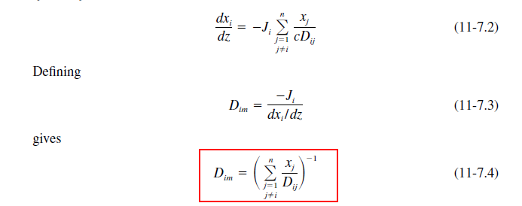
D_H2_CO2(i) | cm^2/s | 0.00143*Tf(i)^1.75 /(Pt(i)*M_H2_CO2^0.5*(sigma_H2^(1/3)+sigma_CO2^(1/3))^2)
D_H2_CO(i) | cm^2/s | 0.00143*Tf(i)^1.75 /(Pt(i)*M_H2_CO^0.5*(sigma_H2^(1/3)+sigma_CO^(1/3))^2)
D_H2_N2(i) | cm^2/s | 0.00143*Tf(i)^1.75 /(Pt(i)*M_H2_N2^0.5*(sigma_H2^(1/3)+sigma_N2^(1/3))^2)
D_CO2_CO(i) | cm^2/s | 0.00143*Tf(i)^1.75 /(Pt(i)*M_CO2_CO^0.5*(sigma_CO2^(1/3)+sigma_CO^(1/3))^2)
D_CO2_N2(i) | cm^2/s | 0.00143*Tf(i)^1.75 /(Pt(i)*M_CO2_N2^0.5*(sigma_CO2^(1/3)+sigma_N2^(1/3))^2)
D_CO_N2(i) | cm^2/s | 0.00143*Tf(i)^1.75 /(Pt(i)*M_CO_N2^0.5*(sigma_CO^(1/3)+sigma_N2^(1/3))^2)

計算物種的擴散係數
D_CH4(i) | m^2/s | (1-y(1,i))*(y(6,i)/D_CH4_H2O(i) + y(2,i)/D_CH4_H2(i) + y(4,i)/D_CH4_CO2(i) + y(3,i)/D_CH4_CO(i)+y(5,i)/D_CH4_N2(i))^(-1)*10^-4
D_H2O(i) | m^2/s | (1-y(6,i))*(y(1,i)/D_CH4_H2O(i) + y(2,i)/D_H2O_H2(i) + y(4,i)/D_H2O_CO2(i) + y(3,i)/D_H2O_CO(i)+y(5,i)/D_H2O_N2(i))^(-1)*10^-4
D_H2(i) | m^2/s | (1-y(2,i))*(y(6,i)/D_H2O_H2(i) + y(1,i)/D_CH4_H2(i) + y(4,i)/D_H2_CO2(i) + y(3,i)/D_H2_CO(i)+y(5,i)/D_H2_N2(i))^(-1)*10^-4
D_CO2(i) | m^2/s | (1-y(4,i))*(y(6,i)/D_H2O_CO2(i) + y(2,i)/D_H2_CO2(i) + y(1,i)/D_CH4_CO2(i) + y(3,i)/D_CO2_CO(i)+y(5,i)/D_CO2_N2(i))^(-1)*10^-4
D_CO(i) | m^2/s | (1-y(3,i))*(y(6,i)/D_H2O_CO(i) + y(2,i)/D_H2_CO(i) + y(4,i)/D_CO2_CO(i) + y(1,i)/D_CH4_CO(i)+y(5,i)/D_CO_N2(i))^(-1)*10^-4
D_N2(i) | m^2/s | (1-y(5,i))*(y(6,i)/D_H2O_N2(i) + y(2,i)/D_H2_N2(i) + y(4,i)/D_CO2_N2(i) + y(1,i)/D_CH4_N2(i)+y(3,i)/D_CO_N2(i))^(-1)*10^-4

氣體莫爾熱容量
At SteadyState_PBR.m

Name | unit | value | symbol in matlab | function
甲烷莫爾熱容量 | J/(kmol*K) |  | Cp_CH4(i) | 33298 + 79933*(2086.9/(Tf(i)*sinh((2086.9/Tf(i))^2))) + 41602*(991.96/(Tf(i)*sinh((991.96/Tf(i))^2)))*1e-3
氫氣莫爾熱容量 | J/(kmol*K) |  | Cp_H2(i) | 27617 + 9560*(2466/(Tf(i)*sinh((2466/Tf(i))^2))) + 3760*(567.6/(Tf(i)*sinh((567.6/Tf(i))^2)))*1e-3
一氧化碳莫爾熱容量 | J/(kmol*K) |  | Cp_H2O(i) | 33363 + 26790*(2610.5/(Tf(i)*sinh((2610.5/Tf(i))^2))) + 8896*(1169/(Tf(i)*sinh((1169/Tf(i))^2)))*1e-3
二氧化碳莫爾熱容量 | J/(kmol*K) |  | Cp_CO(i) | 29108 + 8773*(3085.1/(Tf(i)*sinh((3085.1/Tf(i))^2))) + 8455.3*(1538.2/(Tf(i)*sinh((1538.2/Tf(i))^2)))*1e-3
氮氣莫爾熱容量 | J/(kmol*K) |  | Cp_CO2(i) | 29370 + 34540*(1428/(Tf(i)*sinh((1428/Tf(i))^2))) + 26400*(588/(Tf(i)*sinh((588/Tf(i))^2)))*1e-3
水的莫爾熱容量 | J/(kmol*K) |  | Cp_N2(i) | 29105 + 8614.9*(1701.6/(Tf(i)*sinh((1701.6/Tf(i))^2))) + 103.47*(909.79/(Tf(i)*sinh((909.79/Tf(i))^2)))*1e-3
氧氣莫爾熱容量 | J/(kmol*K) |  | Cp_O2(i) | 29103+10040*(2526.5/(Tf(i)*sinh((2526.5/Tf(i))^2))) + 9356*(1153.8/(Tf(i)*sinh((1153.8/Tf(i))^2)))*1e-3
總氣體莫爾熱容量 | J/(kmol*K) |  | Cp_t(i) | y(1,i)*Cp_CH4(i)+y(2,i)*Cp_H2(i)+y(3,i)*Cp_CO(i)+y(4,i)*Cp_CO2(i)+y(5,i)*Cp_N2(i)+y(6,i)*Cp_H2O(i)

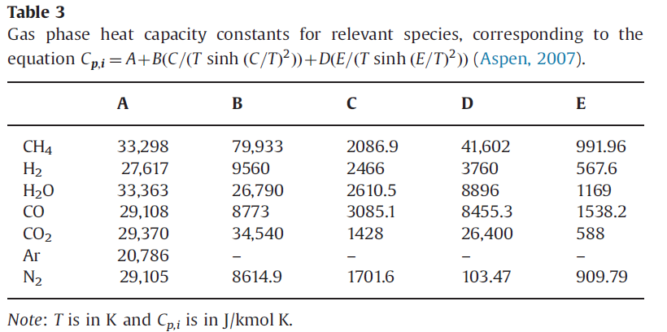

referance from :Heterogeneous modeling of chemical-looping combustion. Part 1- reactor model-2013 table3

固體的莫爾熱容量
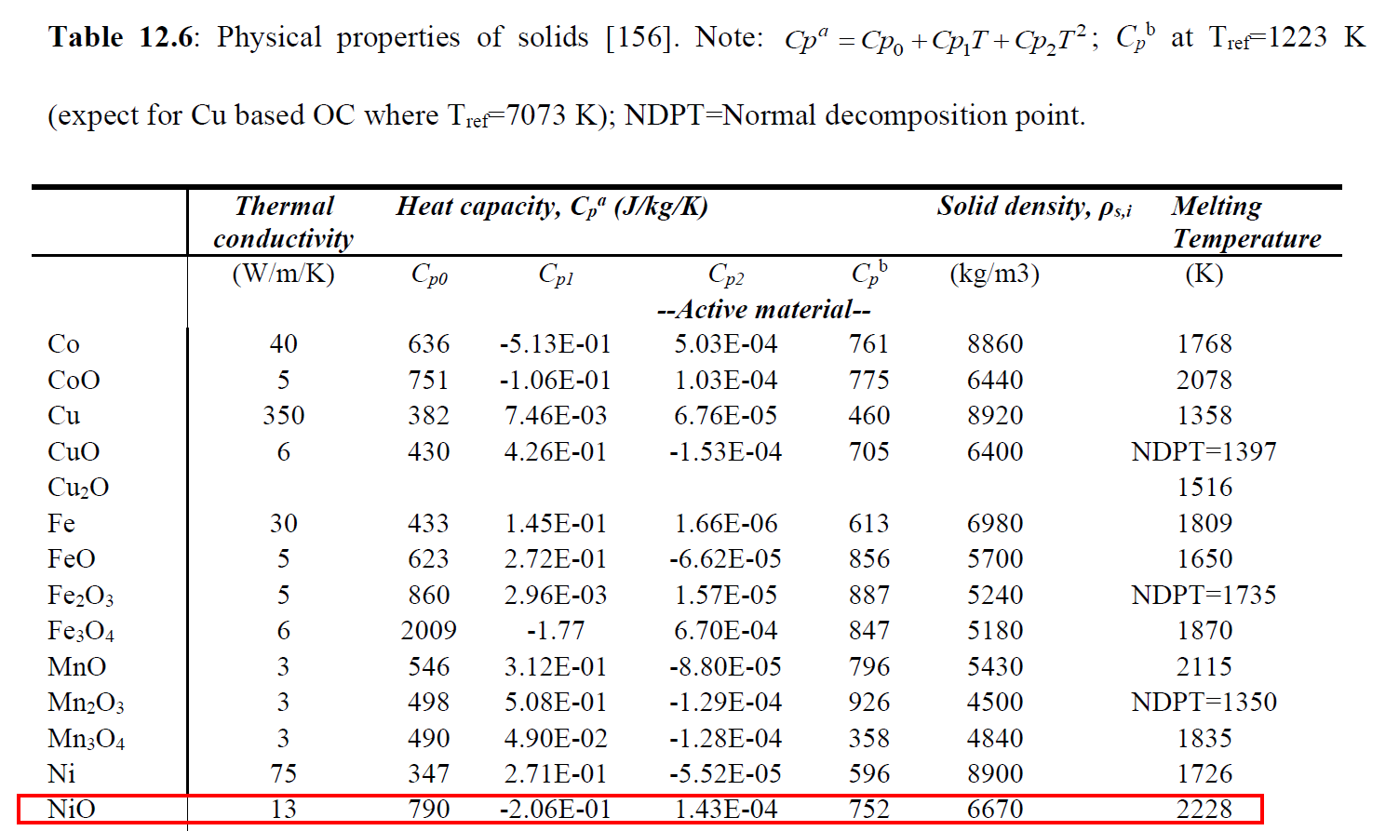
At SteadyState_PBR.m

Name | unit | value | symbol in matlab | function
Heat copacity of NiO | J/(kmol*K) |  | Cps_t(i) | CpsA+CpsB*Tf(i)+CpsC*Tf(i)^2
 |  |  | CpsA | 790*Mw_NiO
 |  |  | CpsB | -0.206*Mw_NiO
 |  |  | CpsC | 1.43e-4*Mw_NiO

 |  |  |  |  | referance from: Dynamic Simulation Optimization and Control of Flexible CLC processes-2016 table 12.6

氣體熱傳導係數
At SteadyState_PBR.m
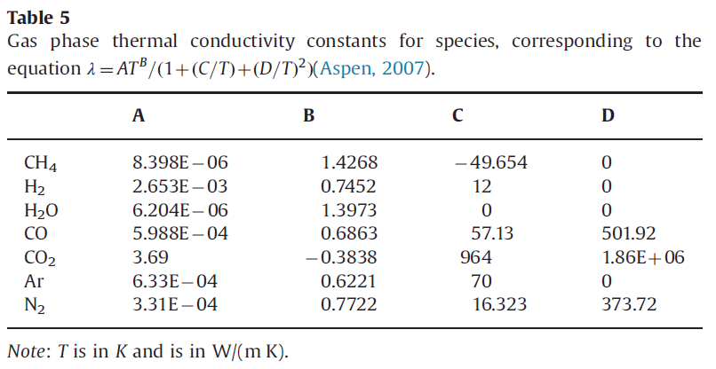
Name | unit | value | symbol in matlab | function
甲烷熱傳導係數 | J/(s*m*K) |  | Lambda_CH4(i) | (8.398e-6*Tf(i)^1.4268/(1+(-49.654/Tf(i))))
氫氣熱傳導係數 | J/(s*m*K) |  | Lambda_H2(i) | (2.653e-3*Tf(i)^0.7452/(1+(12/Tf(i))))
水熱傳導係數 | J/(s*m*K) |  | Lambda_H2O(i) | (6.2041e-6*Tf(i)^1.3973)
一氧化碳熱傳導係數 | J/(s*m*K) |  | Lambda_CO(i) | (5.9882e-4*Tf(i)^0.6863/(1+(57.13/Tf)+(501.92/Tf(i))^2))
二氧化碳熱傳導係數 | J/(s*m*K) |  | Lambda_CO2(i) | (3.69*Tf(i)^(-0.3838)/(1+(964/Tf)+(1.86e6/Tf(i))^2))
氮氣熱傳導係數 | J/(s*m*K) |  | Lambda_N2(i) | (3.3143e-4*Tf(i)^0.7722/(1+(16.323/Tf(i))+(373.72/Tf(i))^2))
氧氣熱傳導係數 | J/(s*m*K) |  | Lambda_O2(i) | (0.00044994*Tf(i)^0.7456/(1+56.699/Tf(i))
混合氣體熱傳導係數 | J/(s*m*K) |  | Lambda_t(i) | y(1,i)*ln_CH4(i)+y(2,i)*ln_H2(i)+y(3,i)*ln_CO(i)+y(4,i)*ln_CO2(i)+y(5,i)*ln_N2(i)+y(6,i)*ln_H2O(i)

 |  |  |  |  | referance from :Heterogeneous modeling of chemical-looping combustion. Part 1- reactor model-2013 table5

氣體黏度
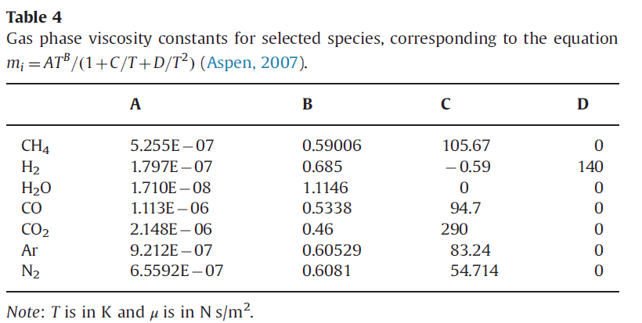
At SteadyState_PBR.m

Name | unit | value | symbol in matlab | function
Vicosity of CH4 | kg/(m*s) |  | mu_CH4(i) | (5.255e-7*Tf(i)^0.59006/(1+105.67/Tf(i)))
Vicosity of CO | kg/(m*s) |  | mu_CO(i) | (1.113e-6*Tf(i)^0.5338/(1+94.7/Tf(i)))
Vicosity of H2 | kg/(m*s) |  | mu_H2(i) | (1.797e-7*Tf(i)^0.685/(1+(-0.59)/Tf(i)+140/Tf(i)^2))
Vicosity of H2O | kg/(m*s) |  | mu_H2O(i) | (1.71e-8*Tf(i)^1.1146)
Vicosity of CO2 | kg/(m*s) |  | mu_CO2(i) | (2.148e-6*Tf(i)^0.46/(1+290/Tf(i)))
Vicosity of O2 | kg/(m*s) |  | mu_O2(i) | 1.101e-6*Tf(i)^0.5634/(1+96.3/Tf(i)))
Vicosity of N2 | kg/(m*s) |  | mu_N2(i) | (1.101e-6*Tf(i)^0.5634/(1+96.3/Tf(i)))
Total vicosity | kg/(m*s) |  | mu_t(i) | y(1,i)*mu_CH4(i)+y(2,i)*mu_H2(i)+y(3,i)*mu_CO(i)+y(4,i)*mu_CO2(i)+y(5,i)*mu_N2(i)+y(6,i)*mu_H2O(i)

 |  |  |  |  | referance from :Heterogeneous modeling of chemical-looping combustion. Part 1- reactor model-2013 table4

平衡常數
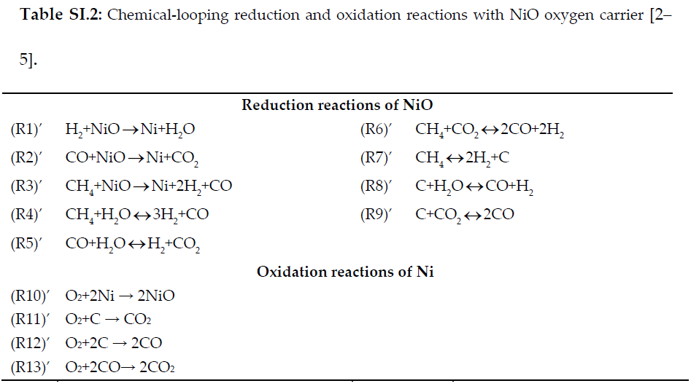
At SteadyState_PBR.m
equilibrium constant for R4-R9
Name | unit | value | symbol in matlab | function
equilibrium constant for steam methane reforming (R4) | bar^2 |  | keq4(i) | 1.2e13*exp(-223/(R_bar*Ts(i)))
equilibrium constant for water gas shift (R5) |  |  | keq5(i) | 1.77e-02*exp(36.6/(R_bar*Ts(i)))
equilibrium constant for dry reforming (R6) | bar^2 |  | keq6(i) | 6.78e14*exp(-260/(R_bar*Ts(i)))
equilibrium constant for methane decomposition (R7) | bar |  | keq7(i) | 2.98e5*exp(-84.4/(R_bar*Ts(i)))
equilibrium constant for carbon gasification by steam (R8) | bar |  | keq8(i) | 4.02e7*exp(-139/(R_bar*Ts(i)))
equilibrium constant for carbon gasification by CO2 (R9) | bar |  | keq9(i) | 2.28e9*exp(-175/(R_bar*Ts(i)))

 |  |  |  |  | Referance from:Chemical-looping-combustion-in-a-reverse-flow-fixed-bed-reactor_2016_Energ-supplementary table SI.2

 |  |  |  |  | Referance from : Model-based analysis of bench-scale fixed-ed units for chemical-looping combustion.pdf

反應速率
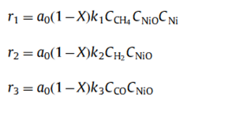
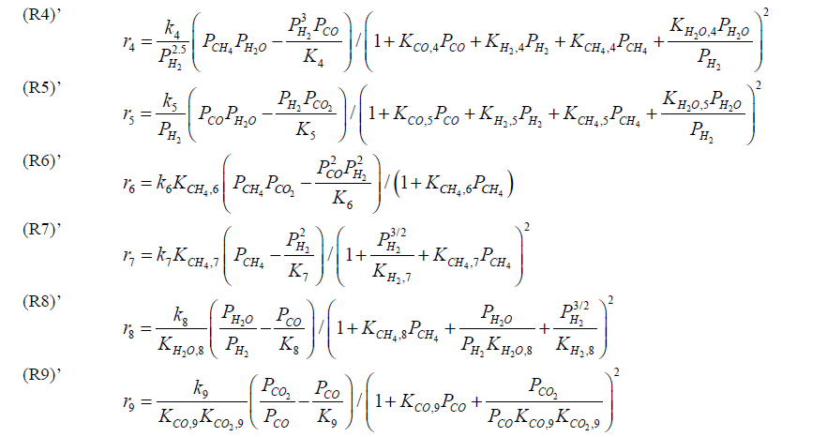
Name | unit | function
r1(i) | mol/kgcat-s | a_0*k1*CM(2,i)*CM_NiO_in*(1-X(i))
r2(i) | mol/kgcat-s | a_0*k2*CM(3,i)*CM_NiO_in*(1-X(i))
r3(i) | mol/kgcat-s | a_0*k3*CM(1,i)*CM_NiO_in*(1-X(i))*CM_Ni(i)

r4(i) | mol/kgOC-s | (k4/(Pt(i)*y(2,i))^2.5)*(Pt(i)*y(1,i)*Pt(i)*y(6,i)-((Pt(i)*y(2,i))^3*Pt(i)*y(3,i)/keq4(i)))/deno1(i)
r5(i) | mol/kgOC-s | (k5/(Pt(i)*y(2,i)))*(Pt(i)*y(3,i)*Pt(i)*y(6,i)-(Pt(i)*y(2,i)*Pt(i)*y(4,i)/keq5(i)))/deno1(i)
r6(i) | mol/kgOC-s | k6*kch4_rd6(i)*(Pt(i)*y(1,i)*Pt(i)*y(4,i)-((Pt(i)*y(2,i))^2*(Pt(i)*y(3,i))^2/keq6(i)))/(1+kch4_rd6(i)*Pt(i)*y(1,i))
r7(i) | mol/kgOC-s | k7*kch4_rd7(i)*(Pt(i)*y(1,i)-((Pt(i)*y(2,i))^2/keq7(i)))/(1+((Pt(i)*y(2,i))^1.5/kch4_rd7(i))+kch4_rd7(i)*Pt(i)*y(1,i))^2
r8(i) | mol/kgOC-s | k8*(Pt(i)*y(6,i)/(Pt(i)*y(2,i))-(Pt(i)*y(3,i)/keq8(i)))/(1+(kch4_rd8(i)*Pt(i)*y(1,i))+(Pt(i)*y(6,i)/Pt(i)*y(2,i))+((Pt(i)*y(2,i))^1.5/kh2_rd8(i)))^2
r9(i) | mol/kgOC-s | K9/(kco_rd9(i)*kco2_rd9(i))*((Pt(i)*y(4,i)/(Pt(i)*y(3,i)))-(Pt(i)*y(3,i)/KEQ9(i)))/(1+(Pt(i)*y(4,i)/kco_rd9(i)/kco2_rd9(i)/Pt(i)*y(3,i))+(kco_rd9(i)*Pt(i)*y(3,i)))^2
deno1(i) |  | (1+kco_rd45(i)*Pt(i)*y(3,i)+kh2_rd45(i)*Pt(i)*y(2,i)+kch4_rd45(i)*Pt(i)*y(1,i)+(kh2o_rd45(i)*Pt(i)*y(6,i)/(Pt(i)*y(2,i))))^2

Nomenclature
