50CFM_Pioneer
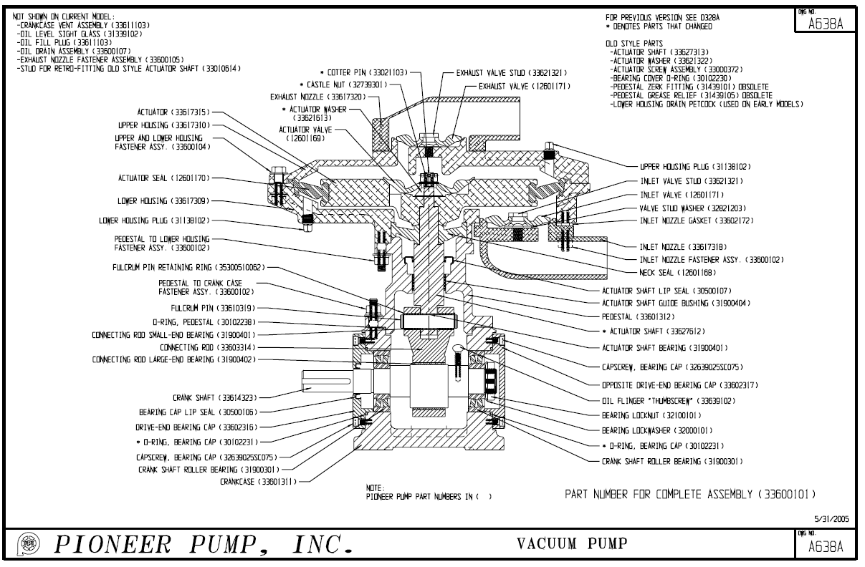
1
2
3
4
5
6
7
8
9
10
11
12
13
14
15
16
17
19
20
21
22
23
25
26
27
28
29
30
31
32
33
34
35
36
37
39
40
41
42
7
17
17
29
4
36
24
9
42
10
OEM | Location # | Part Number | Description | Qty | Assembly | Pump Type | Common | Cost USD | 2016 List USD | 2016 List AUD | Discount | 0.64 | 40%
Pioneer | 1 | 12646168 | SEAL VAC. PUMP NECK A168C |  | Vacuum Pump Elastomers | 50CFM Diaphragm Pump |  |  | USD 33.00 | AUD 52 | AUD 31 | Currency Conversion | Dealer Discount
Pioneer | 2 | 12646169 | VALVE VAC. PUMP ACTUATOR A169C |  | Vacuum Pump Elastomers | 50CFM Diaphragm Pump |  |  | USD 42.00 | AUD 66 | AUD 39
Pioneer | 3 | 12646170 | SEAL VAC. PUMP ACTUATOR B170C |  | Vacuum Pump Elastomers | 50CFM Diaphragm Pump |  |  | USD 109.00 | AUD 170 | AUD 102
Pioneer | 4 | 12646171 | VALVE VAC PUMP IN/OUTLET A171C |  | Vacuum Pump Elastomers | 50CFM Diaphragm Pump |  |  | USD 40.00 | AUD 63 | AUD 38
Pioneer | 5 | 30500106 | LIP SEAL 471652V/11134 VITON |  | Pump Vacuum & Vacuum Pump Components | 50CFM Diaphragm Pump |  |  | USD 32.00 | AUD 50 | AUD 30
Pioneer | 6 | 30500107 | LIP SEAL 473214/13698 BUNA |  | Pump Vacuum & Vacuum Pump Components | 50CFM Diaphragm Pump |  |  | USD 28.00 | AUD 44 | AUD 26
Pioneer | 7 | 31138102 | PLUG SQ. HD. 1/4" NPT |  | Pump Vacuum & Vacuum Pump Components | 50CFM Diaphragm Pump |  |  | USD 2.00 | AUD 3 | AUD 2
Pioneer | 8 | 31339102 | LEVEL PLUG 1/2" NPT GITS 04052 |  | Pump Vacuum & Vacuum Pump Components | 50CFM Diaphragm Pump |  |  | USD 32.00 | AUD 50 | AUD 30
Pioneer | 9 | 31900301 | BEARING 21306E.TVPB SPHERICAL |  | Pump Vacuum & Vacuum Pump Components | 50CFM Diaphragm Pump |  |  | USD 153.00 | AUD 239 | AUD 143
Pioneer | 10 | 31900401 | ACT SHAFT & CONN ROD BUSHING |  | Pump Vacuum & Vacuum Pump Components | 50CFM Diaphragm Pump |  |  | USD 5.00 | AUD 8 | AUD 5
Pioneer | 11 | 31900404 | BUSHING GARLOCK 022DU12 |  | Pump Vacuum & Vacuum Pump Components | 50CFM Diaphragm Pump |  |  | USD 11.00 | AUD 17 | AUD 10
Pioneer | 12 | 32000101 | WASHER BEARING W6 |  | Pump Vacuum & Vacuum Pump Components | 50CFM Diaphragm Pump |  |  | USD 2.00 | AUD 3 | AUD 2
Pioneer | 13 | 32100101 | NUT BEARING N06 |  | Pump Vacuum & Vacuum Pump Components | 50CFM Diaphragm Pump |  |  | USD 7.00 | AUD 11 | AUD 7
Pioneer | 14 | 32739301 | NUT SLOTTED HEX .437-14 STL P |  | Pump Vacuum & Vacuum Pump Components | 50CFM Diaphragm Pump |  |  | USD 4.00 | AUD 6 | AUD 4
Pioneer | 15 | 33021103 | COTTER PIN .094 x 1.0 304SS |  | Pump Vacuum & Vacuum Pump Components | 50CFM Diaphragm Pump |  |  | USD 1.00 | AUD 2 | AUD 1
Pioneer | 16 | 33600101 | VACUUM PUMP 50CFM |  | Pump Vacuum & Vacuum Pump Components | 50CFM Diaphragm Pump |  |  | USD 4,822.00 | AUD 7,534 | AUD 4,521
Pioneer | 17 | 33600102 | STUD ASSY-1.50 LONG (Qty 4 per |  | Pump Vacuum & Vacuum Pump Components | 50CFM Diaphragm Pump |  |  | USD 42.00 | AUD 66 | AUD 39
Pioneer | 19 | 33600104 | BOLT ASSY.-UPPER&LOW HSG |  | Pump Vacuum & Vacuum Pump Components | 50CFM Diaphragm Pump |  |  | USD 46.00 | AUD 72 | AUD 43
Pioneer | 20 | 33600105 | STUD ASSY.-DISCH. NOZZLE |  | Pump Vacuum & Vacuum Pump Components | 50CFM Diaphragm Pump |  |  | USD 19.00 | AUD 30 | AUD 18
Pioneer | 21 | 33600107 | OIL DRAIN ASSEMBLY |  | Pump Vacuum & Vacuum Pump Components | 50CFM Diaphragm Pump |  |  | USD 21.00 | AUD 33 | AUD 20
Pioneer | 22 | 33601311 | CRANKCASE-VAC PUMP |  | Pump Vacuum & Vacuum Pump Components | 50CFM Diaphragm Pump |  |  | USD 576.00 | AUD 900 | AUD 540
Pioneer | 23 | 33601312 | PEDESTAL VAC PUMP |  | Pump Vacuum & Vacuum Pump Components | 50CFM Diaphragm Pump |  |  | USD 235.00 | AUD 367 | AUD 220
Pioneer | 24 | 33602172 | GASKET INLET NOZZLE VAC PUMP |  | Pump Vacuum & Vacuum Pump Components | 50CFM Diaphragm Pump |  |  | USD 12.00 | AUD 19 | AUD 11
Pioneer | 25 | 33602316 | BEARING CAP SHAFT END VAC PUMP |  | Pump Vacuum & Vacuum Pump Components | 50CFM Diaphragm Pump |  |  | USD 65.00 | AUD 102 | AUD 61
Pioneer | 26 | 33602317 | BEARING CAP OPP END VAC PUMP |  | Pump Vacuum & Vacuum Pump Components | 50CFM Diaphragm Pump |  |  | USD 53.00 | AUD 83 | AUD 50
Pioneer | 27 | 33603314 | CONNECTING ROD VACUUM PUMP |  | Pump Vacuum & Vacuum Pump Components | 50CFM Diaphragm Pump |  |  | USD 188.00 | AUD 294 | AUD 176
Pioneer | 28 | 33610319 | FULCRUM PIN VACUUM PUMP |  | Pump Vacuum & Vacuum Pump Components | 50CFM Diaphragm Pump |  |  | USD 16.00 | AUD 25 | AUD 15
Pioneer | 29 | 33611103 | VENT CRANK CASE VAC PUMP |  | Pump Vacuum & Vacuum Pump Components | 50CFM Diaphragm Pump |  |  | USD 25.00 | AUD 39 | AUD 23
Pioneer | 30 | 33614323 | SHAFT CRANK VACUUM PUMP |  | Pump Vacuum & Vacuum Pump Components | 50CFM Diaphragm Pump |  |  | USD 330.00 | AUD 516 | AUD 309
Pioneer | 31 | 33617309 | HOUSING LOWER FOR VACUUM PUMP |  | Pump Vacuum & Vacuum Pump Components | 50CFM Diaphragm Pump |  |  | USD 565.00 | AUD 883 | AUD 530
Pioneer | 32 | 33617310 | HOUSING UPPER VACUUM PUMP |  | Pump Vacuum & Vacuum Pump Components | 50CFM Diaphragm Pump |  |  | USD 424.00 | AUD 663 | AUD 398
Pioneer | 33 | 33617315 | ACTUATOR VACUUM PUMP |  | Pump Vacuum & Vacuum Pump Components | 50CFM Diaphragm Pump |  |  | USD 482.00 | AUD 753 | AUD 452
Pioneer | 34 | 33617318 | NOZZLE SUCTION VACUUM PUMP ALU |  | Pump Vacuum & Vacuum Pump Components | 50CFM Diaphragm Pump |  |  | USD 155.00 | AUD 242 | AUD 145
Pioneer | 34 | 33622318 | NOZZLE SUCTION VACUUM PUMP 316 |  | Pump Vacuum & Vacuum Pump Components | 50CFM Diaphragm Pump |  |  | USD 159.00 | AUD 248 | AUD 149
Pioneer | 35 | 33617320 | NOZZLE EXHAUST VACUUM PUMP ALU |  | Pump Vacuum & Vacuum Pump Components | 50CFM Diaphragm Pump |  |  | USD 153.00 | AUD 239 | AUD 143
Pioneer | 36 | 33621321 | STUD IN/OUTLET VALVE VAC PUMP |  | Pump Vacuum & Vacuum Pump Components | 50CFM Diaphragm Pump |  |  | USD 42.00 | AUD 66 | AUD 39
Pioneer | 37 | 33621613 | ACTUATOR WASHER SS |  | Pump Vacuum & Vacuum Pump Components | 50CFM Diaphragm Pump |  |  | USD 45.00 | AUD 70 | AUD 42
Pioneer | 39 | 33627612 | ACTUATOR SHAFT w/BUSHING |  | Pump Vacuum & Vacuum Pump Components | 50CFM Diaphragm Pump |  |  | USD 235.00 | AUD 367 | AUD 220
Pioneer | 40 | 33639102 | OIL FLINGER 1/4-20x1 THUMSCR |  | Pump Vacuum & Vacuum Pump Components | 50CFM Diaphragm Pump |  |  | USD 2.00 | AUD 3 | AUD 2
Pioneer | 41 | 35300510062 | SNAP RING 5100-62 |  | Pump Vacuum & Vacuum Pump Components | 50CFM Diaphragm Pump |  |  | USD 2.00 | AUD 3 | AUD 2
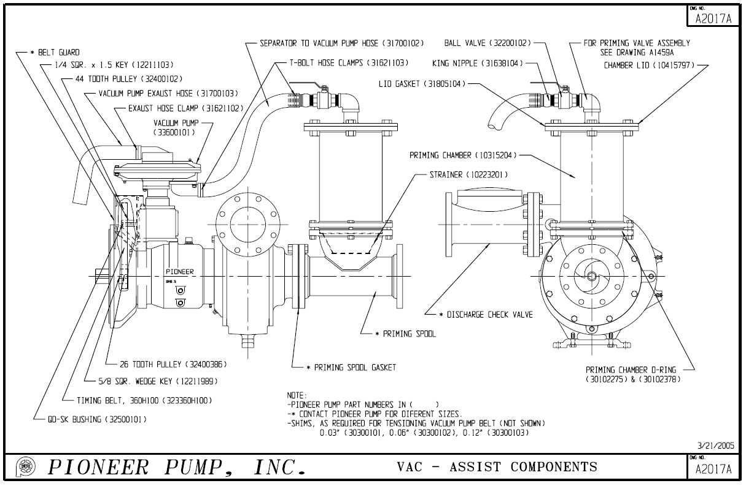
45
44
47
45
Pioneer | 42 | 32639025SC075 | BOLT SOC HD .25-20 x .75 STL P |  | Pump Vacuum & Vacuum Pump Components | 50CFM Diaphragm Pump |  |  | USD 2.00 | AUD 3 | AUD 2
Pioneer | Not Shown | 33600103 | STUD ASSY.-SUCT. VALVE NOZZLE |  | Pump Vacuum & Vacuum Pump Components | 50CFM Diaphragm Pump |  |  | USD 8.00 | AUD 13 | AUD 8
Pioneer | 44 | 31700103 | HOSE 2" x 90 DEG x 6" LEG |  | Pump Vacuum & Vacuum Pump Components | 50CFM Diaphragm Pump |  |  | USD 49.00 | AUD 77 | AUD 46
Pioneer | 45 | 31621102 | CLAMP HOSE 2" IDEAL 6832 |  | Pump Vacuum & Vacuum Pump Components | 50CFM Diaphragm Pump |  |  | USD 4.00 | AUD 6 | AUD 4
Pioneer | 46 | 31700102 | HOSE 2" ID SUCTION 150WP RUB B |  | Pump Vacuum & Vacuum Pump Components | 50CFM Diaphragm Pump |  |  | USD 2.00 | AUD 3 | AUD 2
Pioneer | 47 | 31621103 | CLAMP 2" HOSE T-BOLT TBC238 |  | Pump Vacuum & Vacuum Pump Components | 50CFM Diaphragm Pump |  |  | USD 15.00 | AUD 23 | AUD 14
Pioneer | Not Shown | 374000102 | Vacuum Pump Service Kit_Upper Housing |  | Vacuum Pump Kits | 50CFM Diaphragm Pump |  |  | USD 700.00 | AUD 1,094 | AUD 656
Pioneer | Not Shown | 374000103 | Vacuum Pump Service Kit_Lower Housing |  | Vacuum Pump Kits | 50CFM Diaphragm Pump |  |  | USD 797.00 | AUD 1,245 | AUD 747

50CFM Cornell
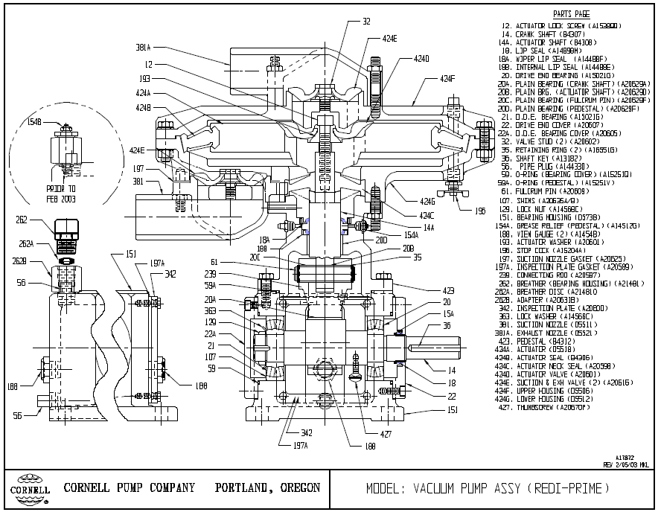
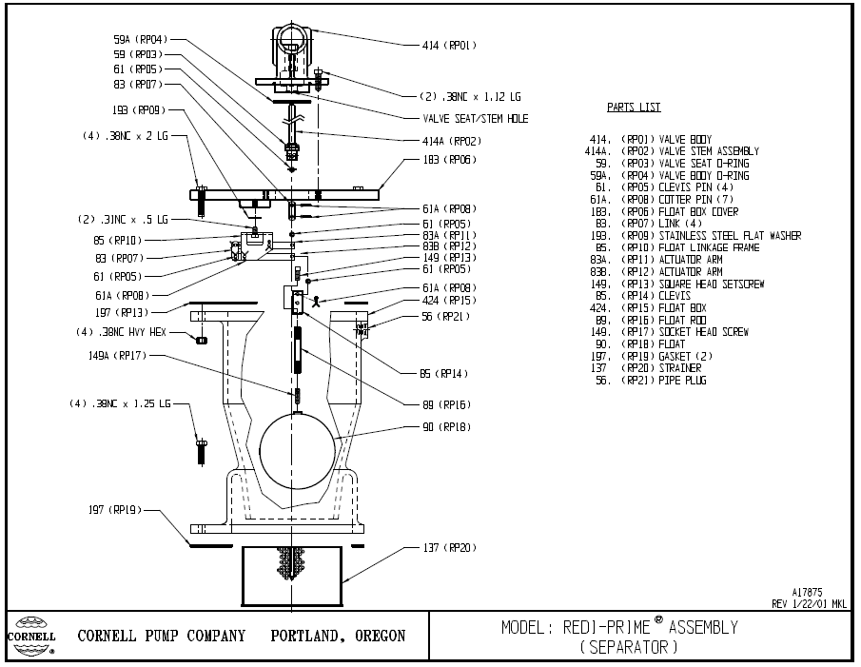
OEM | Location # | Part Number | Description | QTY | Assembly Number | Pump Type | Common | Cost Estimate USD | List Price USD | List Price AUD | Discount | 0.64 | 30%
Cornell |  | BMK084B | COMPLETE FLOAT BOX AND VALVE ASSEMBLY |  |  | Float Box_Valve Assembly |  |  | USD 3,115.00 | AUD 4,867.19 | AUD 3,407.03 | Currency Conversion | Dealer Discount
Cornell | 56 (RP21) | A14433D-56-XS | Pipe Plug | 1 |  | Float Box_Valve Assembly |  |  | USD 24.00 | AUD 37.50 | AUD 26.25
Cornell | 59 (RP03) | A15253Z-59-EV | Valve Seat O-Ring - INCLUDED IN A20660-414-SD AND BMJ783A | 1 |  | Float Box_Valve Assembly |  |  | USD 24.00 | AUD 37.50 | AUD 26.25
Cornell | 59A (RP04) | A15251L-59-EB | Valve Body O-Ring - INCLUDED IN BMJ783A | 1 |  | Float Box_Valve Assembly |  |  | USD 19.65 | AUD 30.70 | AUD 21.49
Cornell | 61 (RP05) | A17218C-61-SD | Clevis Pin .19 X 1.00 18-8 | 7 |  | Float Box_Valve Assembly |  |  | USD 27.50 | AUD 42.97 | AUD 30.08
Cornell | 61A (RP08) | A20670U-427-SD | Split Ring | 7 |  | Float Box_Valve Assembly |  |  | USD 18.60 | AUD 29.06 | AUD 20.34
Cornell | 83 (RP07) | A20533-83-SD | Link | 4 |  | Float Box_Valve Assembly |  |  | USD 22.85 | AUD 35.70 | AUD 24.99
Cornell | 83A (RP11) | A20531A-83-SD | Actuator Arm | 1 |  | Float Box_Valve Assembly |  |  | USD 215.00 | AUD 335.94 | AUD 235.16
Cornell | 83B (RP12) | A20531B-83-SD | Actuator Arm | 1 |  | Float Box_Valve Assembly |  |  | USD 81.00 | AUD 126.56 | AUD 88.59
Cornell | 85 (RP10) | B4274-85-SE | Float Linkage Frame | 1 |  | Float Box_Valve Assembly |  |  | USD 63.00 | AUD 98.44 | AUD 68.91
Cornell | 85 (RP14) | A20530-85-SD | Float Ball Clevis | 1 |  | Float Box_Valve Assembly |  |  | USD 41.00 | AUD 64.06 | AUD 44.84
Cornell | 89 (RP16) | A20534-89-SD | Float rod | 1 |  | Float Box_Valve Assembly |  |  | USD 58.00 | AUD 90.63 | AUD 63.44
Cornell | 90 (RP18) | A23460-90 | Float Ball | 1 |  | Float Box_Valve Assembly |  |  | USD 97.00 | AUD 151.56 | AUD 106.09
Cornell | 137 (RP20) | D5427-137-SD | Strainer | 1 |  | Float Box_Valve Assembly |  |  | USD 270.00 | AUD 421.88 | AUD 295.31
Cornell | 149 (RP13) | A14432Y-149-SD | Square Head HexScrew | 1 |  | Float Box_Valve Assembly |  |  | USD 18.60 | AUD 29.06 | AUD 20.34
Cornell | 149 (RP17) | A16726D-149-SD | Socket Head Screw | 1 |  | Float Box_Valve Assembly |  |  | USD 25.40 | AUD 39.69 | AUD 27.78
Cornell | 183 (RP06) | B23570-183-SK | Float Box Cover | 1 |  | Float Box_Valve Assembly |  |  | USD 245.00 | AUD 382.81 | AUD 267.97
Cornell | 193 (RP09) | A14429C-193-SE | SS Flat Washer | 1 |  | Float Box_Valve Assembly |  |  | USD 16.35 | AUD 25.55 | AUD 17.88
Cornell | 197 (RP19) | A20681-197-GT | Gasket, Float Box | 2** |  | Float Box_Valve Assembly |  |  | USD 34.00 | AUD 53.13 | AUD 37.19
Cornell |  |  |  | OR |  | Float Box_Valve Assembly |  |  |  | AUD - | AUD -
Cornell | 197 (RP19) | A23316-197-GT | Gasket, Float Box, Upper - NO EARS, BOLTS IN A SQUARE | 1** |  | Float Box_Valve Assembly |  |  | USD 34.00 | AUD 53.13 | AUD 37.19
Cornell | 197 (RP19) | A20681-197-GT | Gasket, Float Box, Lower - 4 BOLTS ARE IN "EARS" | 1** |  | Float Box_Valve Assembly |  |  | USD 34.00 | AUD 53.13 | AUD 37.19
Cornell | 414 (RP01) | N/A | Valve Body - SEE BMJ783A | 1 |  | Float Box_Valve Assembly |  |  |  | AUD - | AUD -
Cornell | 414 (RP02) | N/A | Valve Stem - INCLUDED IN A20660-414-SD AND BMJ783A | 1 |  | Float Box_Valve Assembly |  |  |  | AUD - | AUD -
Cornell | 414 (RP02 & RP03) | A20660-414-SD | Valve Stem & O-Ring Seat Assembly - JUST THE STEM AND STEM O-RING | 1 |  | Float Box_Valve Assembly |  |  | USD 135.00 | AUD 210.94 | AUD 147.66
Cornell | 414 | BMJ783A | VALVE/STEM ASSEMBLY - INCLUDES RP01, RP02, RP03, RP04 AND BOLTS | 1** |  | Float Box_Valve Assembly |  |  | USD 720.00 | AUD 1,125.00 | AUD 787.50
Cornell | 424 (RP15) | D5611-424-CI | Float Box | 1 |  | Float Box_Valve Assembly |  |  | USD 290.00 | AUD 453.13 | AUD 317.19
Cornell |  | BMK830A-A10 | FLOAT LINKAGE SUB ASS'Y - INCLUDES LID AND VALVE AND ALL INNER PARTS | 1 |  | Float Box_Valve Assembly |  |  | USD 1,310.00 | AUD 2,046.88 | AUD 1,432.81
Cornell |  | BMJ869B | FLOAT LINKAGE KIT - INCLUDES ALL INNER PARTS, BUT NOT THE VALVE OR COVER | 1 |  | Float Box_Valve Assembly |  |  | USD 775.00 | AUD 1,210.94 | AUD 847.66
Cornell | 183 (RP06) | B23570-183-SK | Float Box Cover | 1 |  | Float Box_Valve Assembly |  |  | USD 245.00 | AUD 382.81 | AUD 267.97
Cornell | 414 | BMJ783A | VALVE/STEM ASSEMBLY - INCLUDES RP01, RP02, RP03, RP04 AND BOLTS | 1 |  | Float Box_Valve Assembly |  |  | USD 720.00 | AUD 1,125.00 | AUD 787.50
Cornell | 85 (RP10) | B4274-85-SE | Float Linkage Frame - INCLUDED IN BMJ869B | 1 |  | Float Box_Valve Assembly |  |  | USD 63.00 | AUD 98.44 | AUD 68.91
Cornell |  | BML057A-A00 | COMPLETE VACUUM PUMP |  |  | 50CFM Diaphragm Pump |  |  | USD 4,790.00 | AUD 7,484.38 | AUD 5,239.06
Cornell |  | BMN167A | ELASTOMER KIT - INCLUDES ITEMS 59 (2), 59A, 197, 197A, 424B, 424C, 424D, 424E (2) |  |  | 50CFM Diaphragm Pump |  |  | USD 500.00 | AUD 781.25 | AUD 546.88
Cornell | 12 | A15389Q-128-SM | Actuator Lock Screw | 1 |  | 50CFM Diaphragm Pump |  |  | USD 25.40 | AUD 39.69 | AUD 27.78
Cornell | 14 | B4307-14-SP | Crank Shaft | 1 |  | 50CFM Diaphragm Pump |  |  | USD 680.00 | AUD 1,062.50 | AUD 743.75
Cornell | 14A | B4308-14-FH | Actuator Shaft | 1 |  | 50CFM Diaphragm Pump |  |  | USD 750.00 | AUD 1,171.88 | AUD 820.31
Cornell | 15A | NO LONGER BEING USED | Lip Seal Sleeve | 0 |  | 50CFM Diaphragm Pump |  |  |  | AUD - | AUD -
Cornell | 18 | A14898M-18 | Lip Seal | 1** |  | 50CFM Diaphragm Pump |  |  | USD 140.00 | AUD 218.75 | AUD 153.13
Cornell | 18A | A14888F-18 | Wiper Lip Seals | 1** |  | 50CFM Diaphragm Pump |  |  | USD 41.00 | AUD 64.06 | AUD 44.84
Cornell | 18B | A14888E-18 | Internal Lip Seal | 1** |  | 50CFM Diaphragm Pump |  |  | USD 81.00 | AUD 126.56 | AUD 88.59
Cornell | 20 | A15021G-20 | Drive End Bearing | 1** |  | 50CFM Diaphragm Pump |  |  | USD 300.00 | AUD 468.75 | AUD 328.13
Cornell | 20A | A20629A-20 | Plain Bearing - crank shft | 1** |  | 50CFM Diaphragm Pump |  |  | USD 76.00 | AUD 118.75 | AUD 83.13
Cornell | 20B | A20629F-20 | Plain Brg - Acuator Shft - INCLUDED WITH B4308-14-FH. BEST TO ORDER WITH ASSEMBLY. | 1** |  | 50CFM Diaphragm Pump |  |  | USD 52.00 | AUD 81.25 | AUD 56.88
Cornell | 20C | A20629F-20 | Plain Bearing Fullcrm Pin | 2** |  | 50CFM Diaphragm Pump |  |  | USD 52.00 | AUD 81.25 | AUD 56.88
Cornell | 20D | A20629D-20 | Plain Bearing - Pedestal | 1** |  | 50CFM Diaphragm Pump |  |  | USD 41.00 | AUD 64.06 | AUD 44.84
Cornell | 21 | A15021G-20 | O.D.E. Bearing | 1** |  | 50CFM Diaphragm Pump |  |  | USD 300.00 | AUD 468.75 | AUD 328.13
Cornell | 22 | A20607-22-CD | Drive End Cover | 1 |  | 50CFM Diaphragm Pump |  |  | USD 545.00 | AUD 851.56 | AUD 596.09
Cornell | 22A | A20605-22-CD | Bearing Cover | 1 |  | 50CFM Diaphragm Pump |  |  | USD 200.00 | AUD 312.50 | AUD 218.75
Cornell | 32 | A20602-32-SD | Valve Stud | 2 |  | 50CFM Diaphragm Pump |  |  | USD 87.00 | AUD 135.94 | AUD 95.16
Cornell | 35 | A16551G-35-RS | Retaining Ring | 2 |  | 50CFM Diaphragm Pump |  |  | USD 24.00 | AUD 37.50 | AUD 26.25
Cornell | 36 | A13182C-28-KS | Shaft Key | 1 |  | 50CFM Diaphragm Pump |  |  | USD 25.05 | AUD 39.14 | AUD 27.40
Cornell | 59 | A15251O-59-EB | O-ring Bearing Cover | 2** |  | 50CFM Diaphragm Pump |  |  | USD 25.05 | AUD 39.14 | AUD 27.40
Cornell | 59A | A15251V-59-EB | O-ring Pedestal | 1** |  | 50CFM Diaphragm Pump |  |  | USD 24.00 | AUD 37.50 | AUD 26.25
Cornell | 61 | A20609-61-FT | Fulcrum Pin | 1 |  | 50CFM Diaphragm Pump |  |  | USD 118.00 | AUD 184.38 | AUD 129.06
Cornell | 107 | A20635A-107-AS | Shims (.010) | 2 |  | 50CFM Diaphragm Pump |  |  | USD 24.00 | AUD 37.50 | AUD 26.25
Cornell | 107 | A20635B-107-AS | Shims (.005) | 2 |  | 50CFM Diaphragm Pump |  |  | USD 24.00 | AUD 37.50 | AUD 26.25
Cornell | 129 | A14568C-129-SK | Lock Nut | 1 |  | 50CFM Diaphragm Pump |  |  | USD 25.05 | AUD 39.14 | AUD 27.40
Cornell | 151 | D5738-151-CI | Bearing Housing | 1 |  | 50CFM Diaphragm Pump |  |  | USD 2,260.00 | AUD 3,531.25 | AUD 2,471.88
Cornell | 154A | A14512G-154-SK | Grease Relief Valve | 1 |  | 50CFM Diaphragm Pump |  |  | USD 25.05 | AUD 39.14 | AUD 27.40
Cornell | 154B | A14512A-154-SK | Grease Fitting | 1 |  | 50CFM Diaphragm Pump |  |  | USD 24.00 | AUD 37.50 | AUD 26.25
Cornell | 188 | A14548-188-SK | View Gauge | 2 |  | 50CFM Diaphragm Pump |  |  | USD 35.00 | AUD 54.69 | AUD 38.28
Cornell | 193 | A20601-193-SS | Actuator Washer | 1 |  | 50CFM Diaphragm Pump |  |  | USD 69.00 | AUD 107.81 | AUD 75.47
Cornell | 196 | A15204A-196-BD | Stop Cock | 1 |  | 50CFM Diaphragm Pump |  |  | USD 63.00 | AUD 98.44 | AUD 68.91
Cornell | 197 | A20625-197-EB | Suction Nozzle Gasket | 1** |  | 50CFM Diaphragm Pump |  |  | USD 34.00 | AUD 53.13 | AUD 37.19
Cornell | 197A | A20589-197-EB | Inspection Plate Gasket | 1** |  | 50CFM Diaphragm Pump |  |  | USD 20.75 | AUD 32.42 | AUD 22.70
Cornell | 239 | A20597-239-CS | Connecting Rod | 1 |  | 50CFM Diaphragm Pump |  |  | USD 720.00 | AUD 1,125.00 | AUD 787.50
Cornell | 262 | A14194-262-SK | Breather (Brg Housing) | 1 |  | 50CFM Diaphragm Pump |  |  | USD 51.00 | AUD 79.69 | AUD 55.78
Cornell | 262A | A21481-262-SK | Breather Disc | 1 |  | 50CFM Diaphragm Pump |  |  | USD 64.00 | AUD 100.00 | AUD 70.00
Cornell | 262B | A20631B-431-SK | Adapter | 1 |  | 50CFM Diaphragm Pump |  |  | USD 72.00 | AUD 112.50 | AUD 78.75
Cornell | 342 | A20600-342-SK | Inspection Plate | 1 |  | 50CFM Diaphragm Pump |  |  | USD 180.00 | AUD 281.25 | AUD 196.88
Cornell | 363 | A14566C-363-SK | Lock Washer | 1 |  | 50CFM Diaphragm Pump |  |  | USD 24.00 | AUD 37.50 | AUD 26.25
Cornell | 381 | D5511-381-AL | Suction Nozzle | 1 |  | 50CFM Diaphragm Pump |  |  | USD 195.00 | AUD 304.69 | AUD 213.28
Cornell | 381A | D5521-381-AL | Exhaust Nozzle | 1 |  | 50CFM Diaphragm Pump |  |  | USD 180.00 | AUD 281.25 | AUD 196.88
Cornell | 423 | B4312-424-CI | Pedestal | 1 |  | 50CFM Diaphragm Pump |  |  | USD 1,350.00 | AUD 2,109.38 | AUD 1,476.56
Cornell | 424A | D5518-424-AL | Actuator | 1 |  | 50CFM Diaphragm Pump |  |  | USD 825.00 | AUD 1,289.06 | AUD 902.34
Cornell | 424B | B4306-424-EG | Actuator Seal | 1** |  | 50CFM Diaphragm Pump |  |  | USD 385.00 | AUD 601.56 | AUD 421.09
Cornell | 424C | A20598-424-EG | Actuator Neck Seal | 1** |  | 50CFM Diaphragm Pump |  |  | USD 87.00 | AUD 135.94 | AUD 95.16
Cornell | 424D | A20599-424-EG | Actuator Valve | 1** |  | 50CFM Diaphragm Pump |  |  | USD 92.00 | AUD 143.75 | AUD 100.63
Cornell | 424E | A20616-424-EG | Suction & Exhaust Valve | 2** |  | 50CFM Diaphragm Pump |  |  | USD 81.00 | AUD 126.56 | AUD 88.59
Cornell | 424F | D5506-424-AL | Upper Housing | 1 |  | 50CFM Diaphragm Pump |  |  | USD 820.00 | AUD 1,281.25 | AUD 896.88
Cornell | 424G | D5512-424-AL | Lower Housing | 1 |  | 50CFM Diaphragm Pump |  |  | USD 745.00 | AUD 1,164.06 | AUD 814.84
Cornell | 427 | A20670P-427-SD | Thumbscrew | 1 |  | 50CFM Diaphragm Pump |  |  | USD 21.80 | AUD 34.06 | AUD 23.84

TO REPLACE A FUSED VALVE/COVER ARRANGEMENT, ORDER THESE PARTS PLUS (1) A20681-197-GT GASKET ($34.00)
** INDICATES RECOMMENDED SPARES

NPE Prices March 2020 |  |  | LIST USD
BML057A-A00 | Vac Pump 50CFM | USD 4,935 | USD 4,790
BM084B | Priming + Float Assembly | USD 3,210 | USD 3,115
ZD5840-231-CL | Suction Spool Piece 200mm | USD 960

