Barcode
Barcode Check

Reset
Next Page

Mitutoyo
4.500 - 4.820
Mitutoyo Check


 | 1
 | 2
 | 3
 | 4

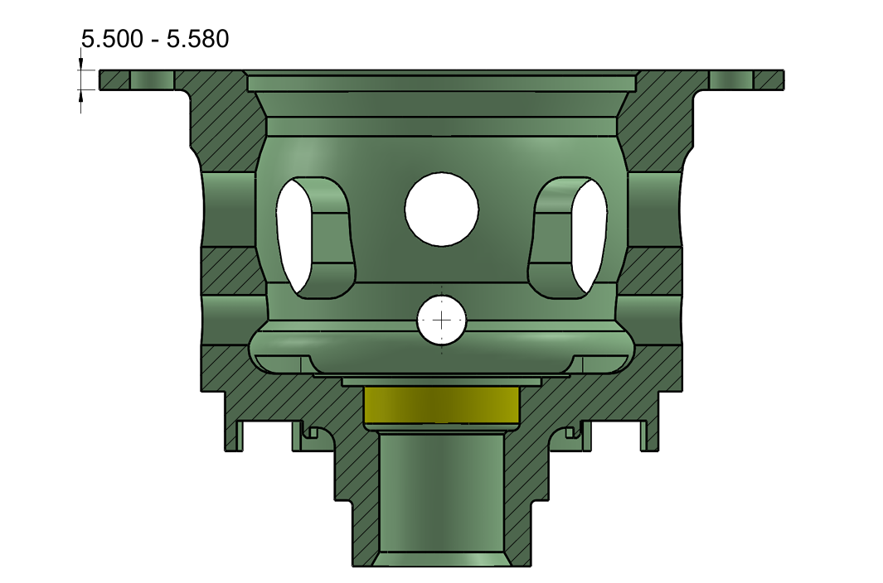
Clear Content
5.500 - 5.580

Back
 | 5
 | 6
 | 7
 | 8

Next Page

Airgauge
SAVE
START
Air Gauge Check
NO. | Size | Tol Max | Tol Min | Actual | Actual2 | OK/NG | Max | Min | START
1 | 50.000 | 0.056 | 0.031 | 50.053 |  |  | 50.056 | 50.031 | 50
2 | 49.600 | 0.025 | 0.000 | 49.606 |  |  | 49.625 | 49.600 | 49.6
BACK
STOP
3 | 50.000 | 0.056 | 0.031 | 50.042 |  |  | 50.056 | 50.031 | 50
4 | 60.000 | -0.060 | -0.090 | 59.921 |  |  | 59.940 | 59.910
5 | 141.000 | 0.000 | -0.040 | 140.989 |  |  | 141.000 | 140.960
6 | 43.800 | 0.025 | 0.000 | 43.807 |  |  | 43.825 | 43.800 | 43.79
Clear Content
Next Page

50.053
49.606
50.042
59.921
140.989
43.807

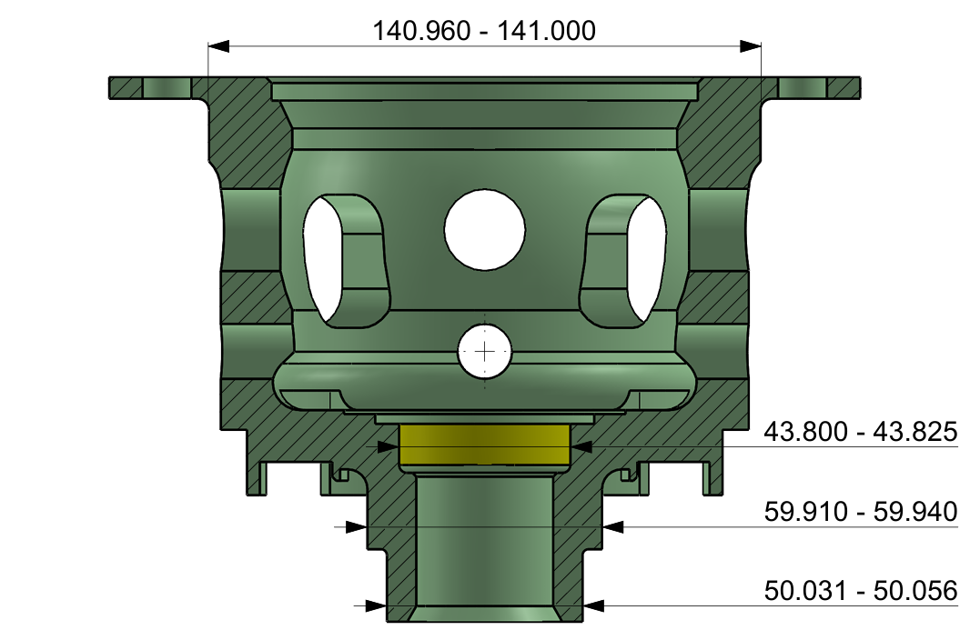



 | 50.053

 | 49.606

 | 50.042

 | 59.921

 | 140.989

 | 43.807

HistoryData
BACK
No. | Date-Time | Serial No. A | Serial No. B | 4.5 (1) | 4.5 (2) | 4.5 (3) | 4.5 (4) | 5.5 (5) | 5.5 (6) | 5.5 (7) | 5.5 (8) | 50 (A) | 49.6 (A) | 50 (B) | 60 (B) | 141 (B) | 43.8 (B) | 4.5 (1) | 4.5 (2) | 4.5 (3) | 4.5 (4) | 5.5 (5) | 5.5 (6) | 5.5 (7) | 5.5 (8) | 50 (A) | 49.6 (A) | 50 (B) | 60 (B) | 141 (B) | 43.8 (B) | Result29
1 | 12/8/25 | E251207A236 | E251207A236 | 4.58 | 4.53 | 4.67 | 4.57 | 5.556 | 5.555 | 5.557 | 5.557 | 50.053 | 49.606 | 50.040 | 59.921 | 140.990 | 43.806 | OK | OK | OK | OK | OK | OK | OK | OK | OK | OK | OK | OK | OK | OK
2 | 12/8/25 | E251207A236 | E251207A236 | 4.58 | 4.53 | 4.67 | 4.57 | 5.556 | 5.555 | 5.557 | 5.557 | 50.052 | 49.606 | 50.041 | 59.921 | 140.990 | 43.807 | OK | OK | OK | OK | OK | OK | OK | OK | OK | OK | OK | OK | OK | OK
3 | 12/8/25 | E251207A236 | E251207A236 | 4.58 | 4.53 | 4.67 | 4.57 | 5.556 | 5.555 | 5.557 | 5.557 | 50.053 | 49.606 | 50.042 | 59.921 | 140.989 | 43.807 | OK | OK | OK | OK | OK | OK | OK | OK | OK | OK | OK | OK | OK | OK

