Barcode
Barcode Check

Reset
Next Page

Mitutoyo
4.500 - 4.820
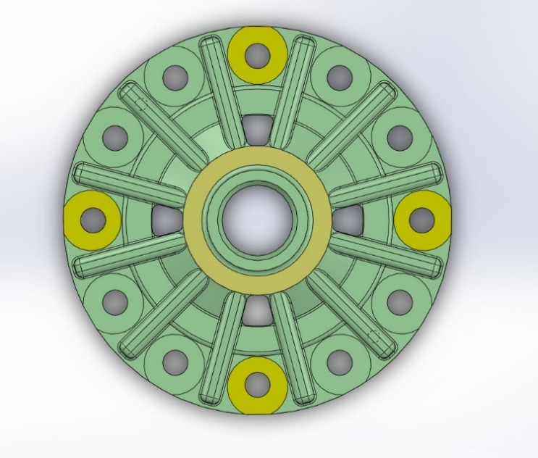
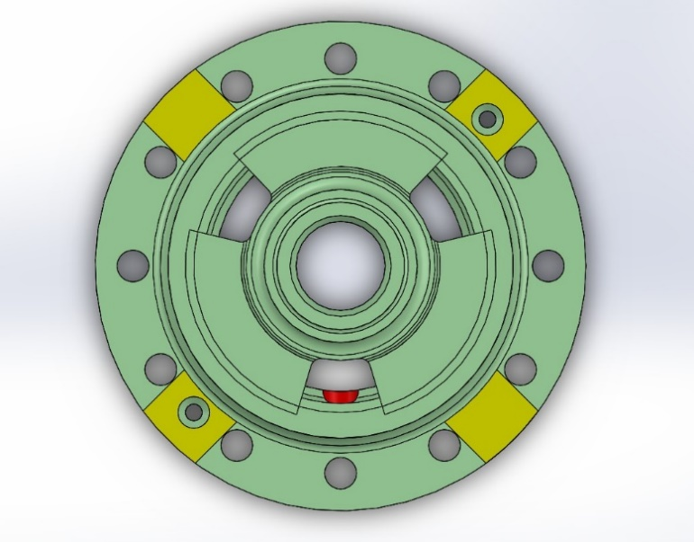
2
1
3
4
8
5
7
6
Mitutoyo Check

 | 1
 | 2
 | 3
 | 4

Clear Content
5.500 - 5.580

Back
 | 5
 | 6
 | 7
 | 8

Next Page

Airgauge
SAVE
START
Air Gauge Check
NO. | Size | Tol Max | Tol Min | Actual | Actual2 | OK/NG | Max | Min | START
1 | 50.000 | 0.056 | 0.031 | 53.697 |  |  | 50.056 | 50.031 | 50
BACK
STOP
2 | 49.600 | 0.025 | 0.000 | 48.464 |  |  | 49.625 | 49.600 | 49.6
3 | 50.000 | 0.056 | 0.031 | 52 |  |  | 50.056 | 50.031 | 50
4 | 60.000 | -0.060 | -0.090 | 60.393 |  |  | 59.940 | 59.910
Next Page
5 | 141.000 | 0.000 | -0.040 | 141.034 |  |  | 141.000 | 140.960
6 | 43.800 | 0.025 | 0.000 | 43.797 |  |  | 43.825 | 43.800 | 43.75

49.600 - 49.625
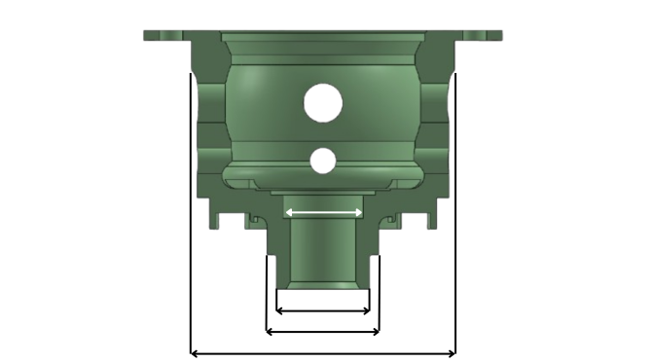

Clear Content

43.800-43.825
50.031 - 50.056

50.031-50.056

59.910-59.940
140.000-141.000

HistoryData
BACK
No. | Date-Time | Serial No. A | Serial No. B | 4.5 (1) | 4.5 (2) | 4.5 (3) | 4.5 (4) | 5.5 (5) | 5.5 (6) | 5.5 (7) | 5.5 (8) | 50 (A) | 49.6 (A) | 50 (B) | 60 (B) | 141 (B) | 43.8 (B) | 4.5 (1) | 4.5 (2) | 4.5 (3) | 4.5 (4) | 5.5 (5) | 5.5 (6) | 5.5 (7) | 5.5 (8) | 50 (A) | 49.6 (A) | 50 (B) | 60 (B) | 141 (B) | 43.8 (B) | Result29

