Main
Barcode Check | Air Gauge Check

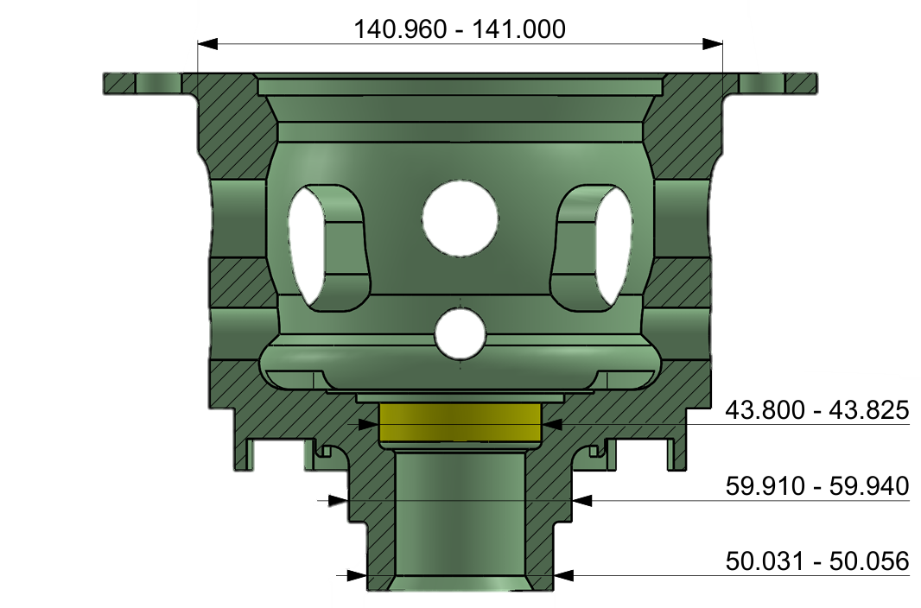

Reset

 | Barcode1
 | Barcode2
 | Vernier 4.5
 | Micro 5.5
Mitutoyo Check



 | 50.009 | 49.613 | 50.044


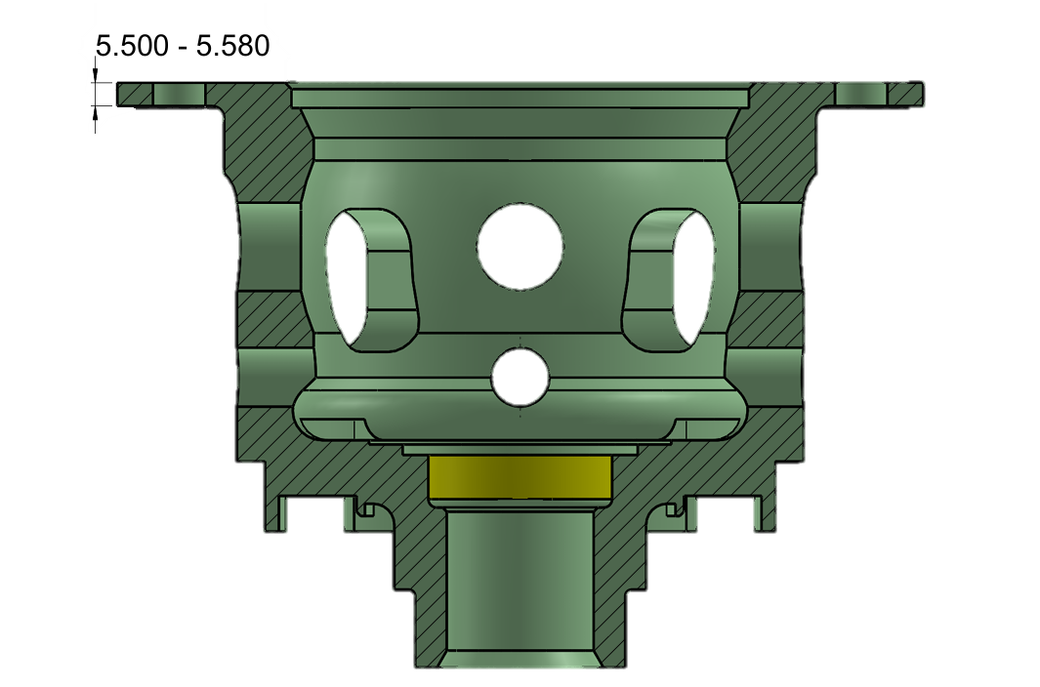

 | 59.931 | 140.983 | 43.802

Start
Clear tmp

Stop

HistoryData
BACK
Claer
Export
No. | Date-Time | Serial No. A | Serial No. B | 4.5 (V) | 5.5 (V) | A50 (V) | A49.6 (V) | B50 (V) | B60 (V) | B141 (V) | B43.8 (V) | 4.5 (J) | 5.5 (J) | A50 (J) | A49.6 (J) | B50 (J) | B60 (J) | B141 (J) | B43.8 (J) | Result29

