Barcode
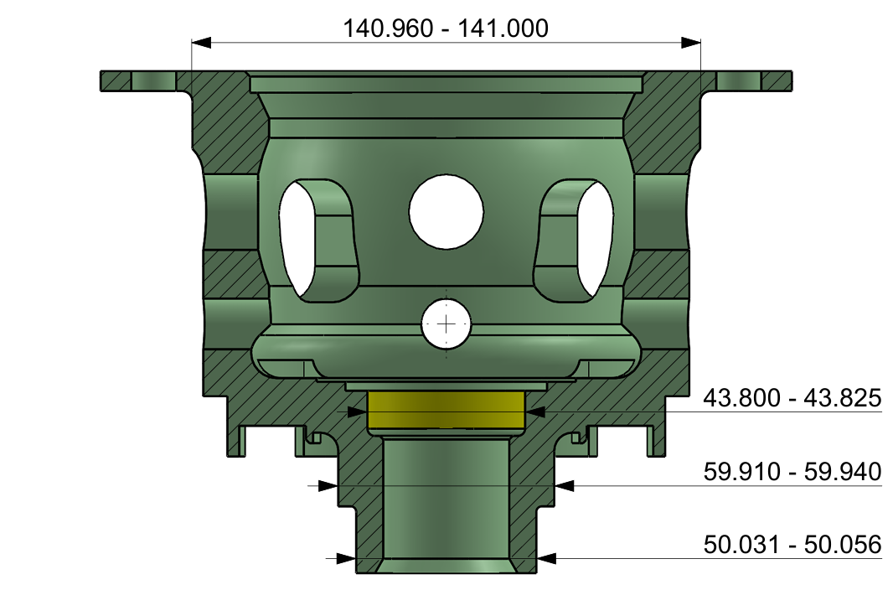
Barcode Check |  | Air Gauge Check
a
 | 
 |  |  |  |  | 0
Reset

 |  |  |  |  | 0

 |  | Barcode1
 |  | Barcode2
 |  | Vernier 4.5
 |  | Micro 5.5
Mitutoyo Check

Clear Content

 |  | 53.296 | 48.494 | 50.847

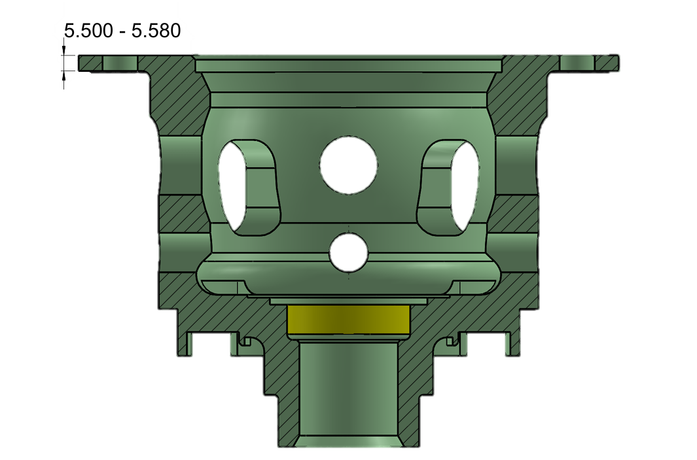

 |  | 60.407 | 141.033 | 43.797

Start
Stop

Airgauge
BACK
Next Page
Air Gauge Check
NO. | Size | Tol Max | Tol Min | Actual | Actual2 | OK/NG | Max | Min | START
1 | 50.000 | 0.056 | 0.031 | 53.296 |  |  | 50.056 | 50.031 | 50
2 | 49.600 | 0.025 | 0.000 | 48.494 |  |  | 49.625 | 49.600 | 49.6
Clear Content
3 | 50.000 | 0.056 | 0.031 | 50.847 |  |  | 50.056 | 50.031 | 50
4 | 60.000 | -0.060 | -0.090 | 60.407 |  |  | 59.940 | 59.910
5 | 141.000 | 0.000 | -0.040 | 141.033 |  |  | 141.000 | 140.960
6 | 43.800 | 0.025 | 0.000 | 43.797 |  |  | 43.825 | 43.800 | 43.75

Start
Stop

49.600 - 49.625
50.031 - 50.056
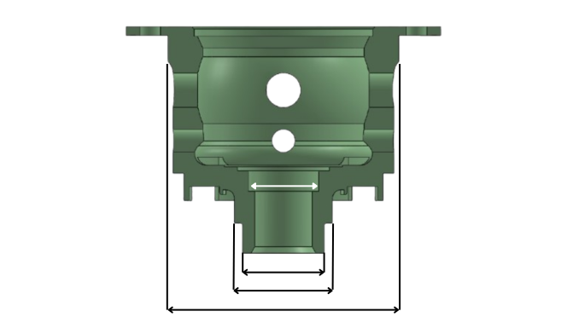
59.910-59.940
50.031-50.056
140.000-141.000
43.800-43.825

 | 53.296

 | 48.494

 | 50.847

 | 60.407

 | 141.033

 | 43.797

HistoryData
BACK
No. | Date-Time | Serial No. A | Serial No. B | 4.5 (1) | 4.5 (2) | 4.5 (3) | 4.5 (4) | 5.5 (5) | 5.5 (6) | 5.5 (7) | 5.5 (8) | 50 (A) | 49.6 (A) | 50 (B) | 60 (B) | 141 (B) | 43.8 (B) | 4.5 (1) | 4.5 (2) | 4.5 (3) | 4.5 (4) | 5.5 (5) | 5.5 (6) | 5.5 (7) | 5.5 (8) | 50 (A) | 49.6 (A) | 50 (B) | 60 (B) | 141 (B) | 43.8 (B) | Result29
1 | 12/9/25 | a | a | 4.51 |  |  |  | 5.510 |  |  |  | 53.296 | 48.494 | 50.847 | 60.407 | 141.033 | 43.797 | OK |  |  |  | OK |  |  |  | NG | NG | NG | NG | NG | NG
2 | 12/9/25 | a | a | 4.51 |  |  |  | 5.510 |  |  |  | 53.296 | 48.494 | 50.847 | 60.407 | 141.033 | 43.797 | OK |  |  |  | OK |  |  |  | NG | NG | NG | NG | NG | NG
3 | 12/9/25 | a | b

