Main
Barcode Check | Air Gauge Check

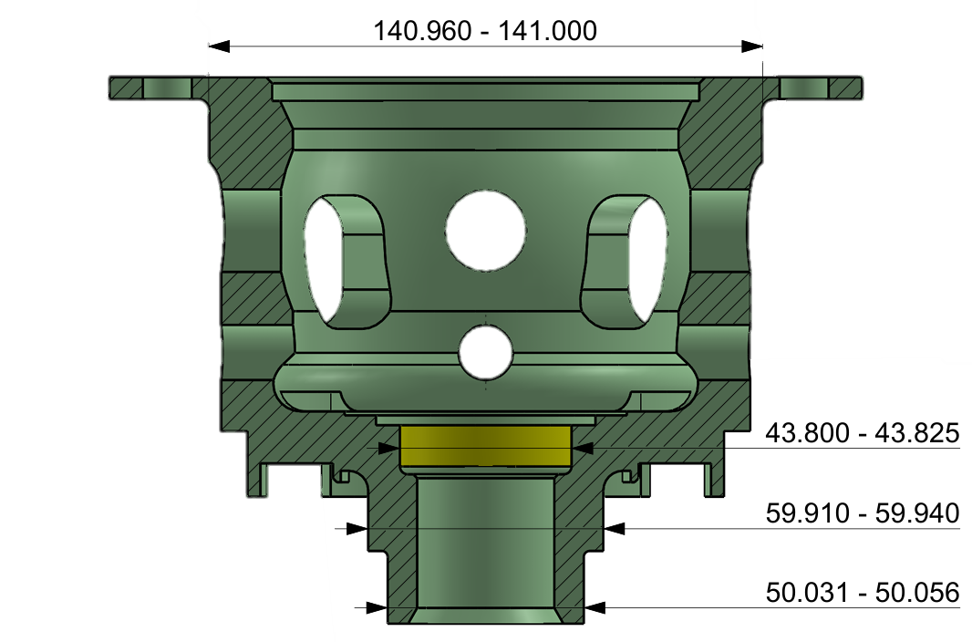

 |  |  |  |  | 0
Reset

 |  |  |  |  | 0

 | Barcode1
 | Barcode2
 | Vernier 4.5
 | Micro 5.5
Mitutoyo Check


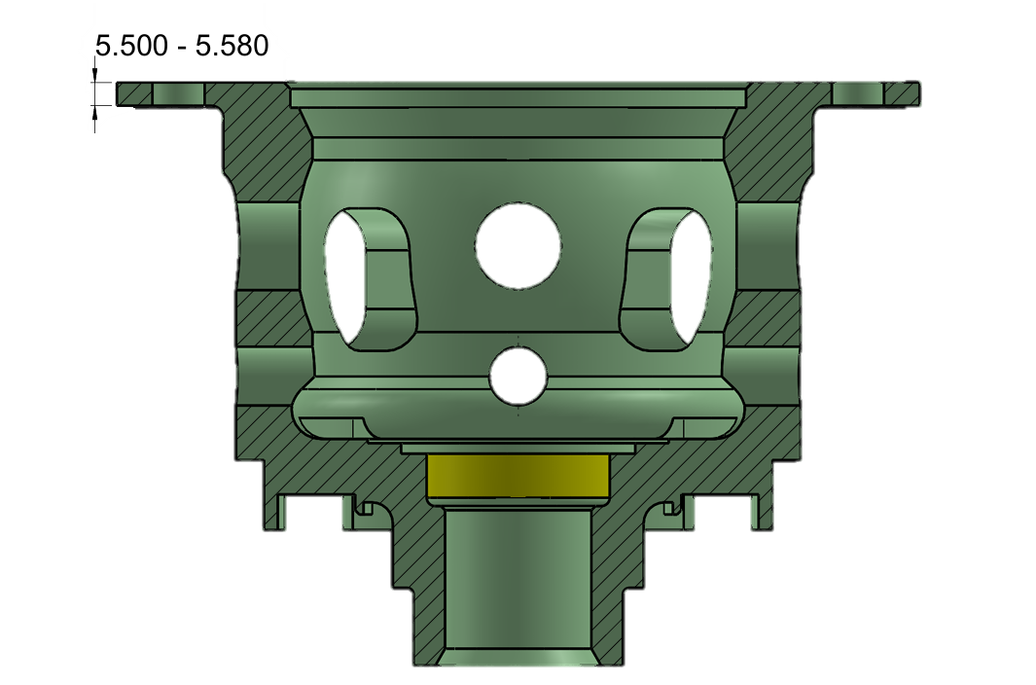

 |  | 53.564 | 48.165 | 51.703

 |  | 60.500 | 141.032 | 43.798

Start
Stop
Clear tmp

Airgauge
BACK
Next Page
Air Gauge Check
NO. | Size | Tol Max | Tol Min | Actual | Actual2 | OK/NG | Max | Min | START
1 | 50.000 | 0.056 | 0.031 | 53.564 |  |  | 50.056 | 50.031
2 | 49.600 | 0.025 | 0.000 | 48.165 |  |  | 49.625 | 49.600
Clear Content
3 | 50.000 | 0.056 | 0.031 | 51.703 |  |  | 50.056 | 50.031
4 | 60.000 | -0.060 | -0.090 | 60.500 |  |  | 59.940 | 59.910
5 | 141.000 | 0.000 | -0.040 | 141.032 |  |  | 141.000 | 140.960
6 | 43.800 | 0.025 | 0.000 | 43.798 |  |  | 43.825 | 43.800 | 43.835

Start
Stop

49.600 - 49.625
50.031 - 50.056
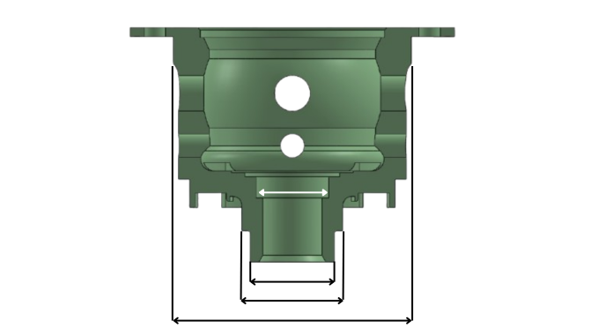
59.910-59.940
50.031-50.056
140.000-141.000
43.800-43.825

 | 53.564

 | 48.165

 | 51.703

 | 60.500

 | 141.032

 | 43.798

HistoryData
BACK
Claer
BACK
No. | Date-Time | Serial No. A | Serial No. B | 4.5 (V) | 5.5 (V) | A50 (V) | A49.6 (V) | B50 (V) | B60 (V) | B141 (V) | B43.8 (V) | 4.5 (J) | 5.5 (J) | A50 (J) | A49.6 (J) | B50 (J) | B60 (J) | B141 (J) | B43.8 (J) | Result29
1 | 12/10/25 | a | a | 4.51 | 5.510 | 53.564 | 48.165 | 51.703 | 60.500 | 141.032 | 43.798 | OK | OK | NG | NG | NG | NG | NG | NG

