Main
Barcode Check | Air Gauge Check

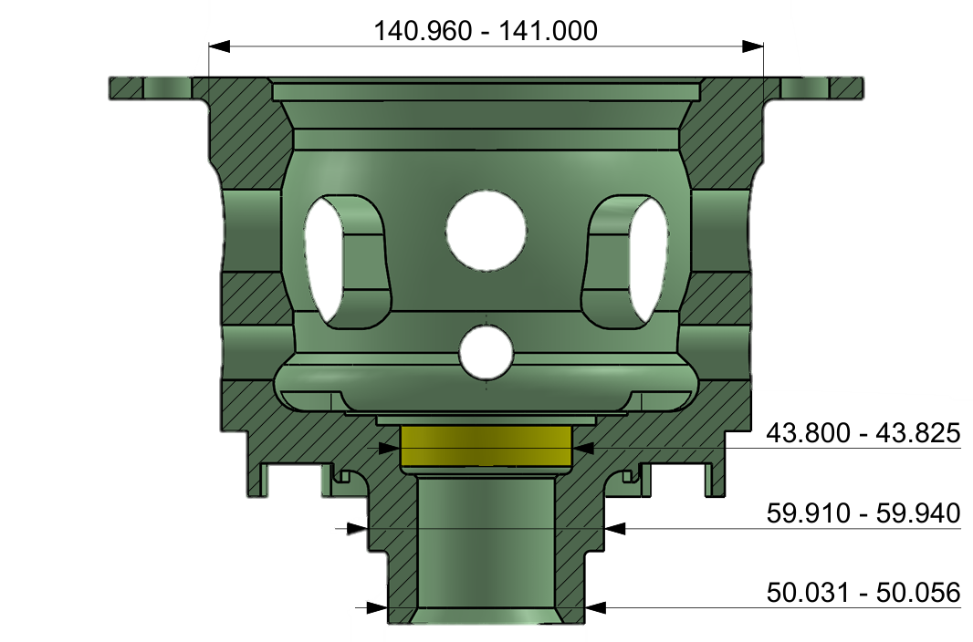

Reset

 | Barcode1
 | Barcode2
 | Vernier 4.5
 | Micro 5.5
Mitutoyo Check



 | 49.991 | 49.631 | 50.018


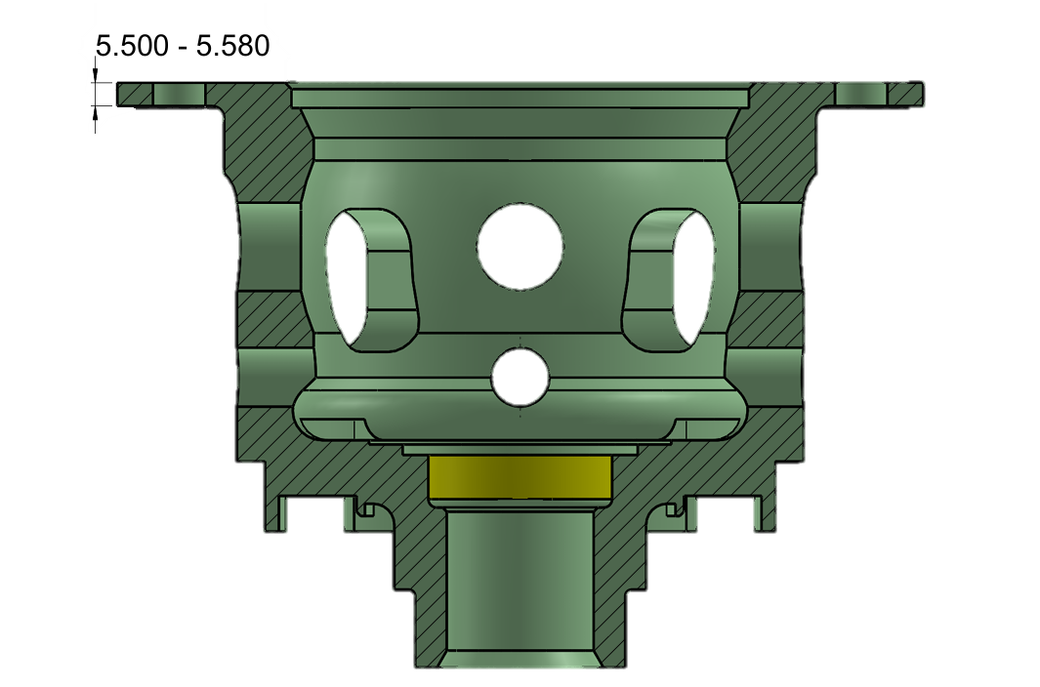

 | 59.923 | 140.980 | 43.810

Clear tmp

Start
Stop

HistoryData
BACK
Claer
No. | Date-Time | Serial No. A | Serial No. B | 4.5 (V) | 5.5 (V) | A50 (V) | A49.6 (V) | B50 (V) | B60 (V) | B141 (V) | B43.8 (V) | 4.5 (J) | 5.5 (J) | A50 (J) | A49.6 (J) | B50 (J) | B60 (J) | B141 (J) | B43.8 (J) | Result29
1 | 12/16/25 | E251214B127 | E251214B127 | 4.57 | 5.531 | 50.009 | 49.626 | 50.022 | 59.921 | 140.980 | 43.809 | OK | OK | NG | NG | NG | OK | OK | OK
2 | 12/16/25 | E250915A058 | E250915A058 | 4.57 | 5.531 | 49.991 | 49.631 | 50.018 | 59.923 | 140.980 | 43.810 | OK | OK | NG | NG | NG | OK | OK | OK

