Main
Barcode Check | Air Gauge Check

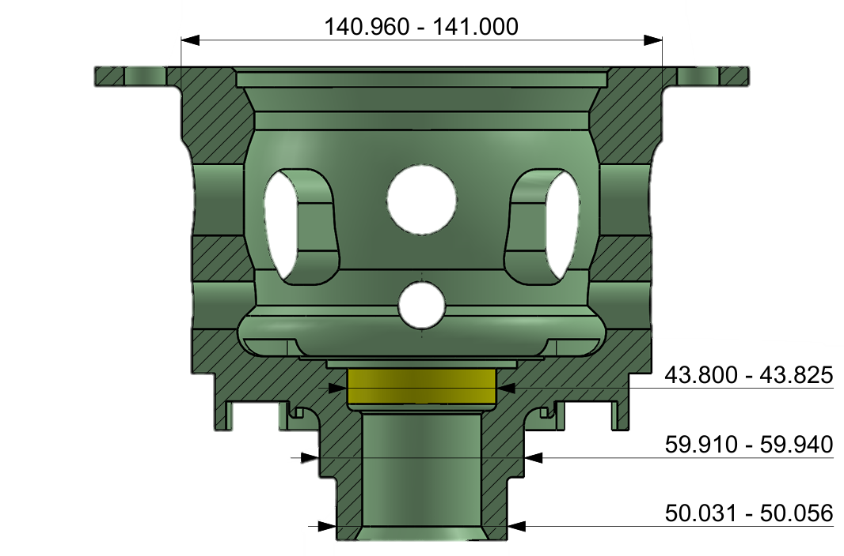

Reset

 | Barcode1
 | Barcode2
 | Vernier 4.5
 | Micro 5.5
Mitutoyo Check



 | 53.811 | 48.424 | 51.243


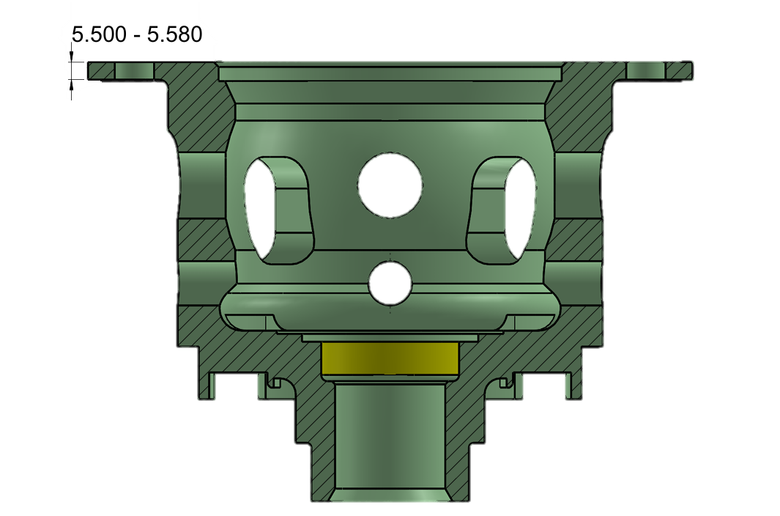

 | 60.439 | 141.034 | 43.798

Clear tmp

Start
Stop

HistoryData
BACK
Claer
Export
No. | Date-Time | Serial No. A | Serial No. B | 4.5 (V) | 5.5 (V) | A50 (V) | A49.6 (V) | B50 (V) | B60 (V) | B141 (V) | B43.8 (V) | 4.5 (J) | 5.5 (J) | A50 (J) | A49.6 (J) | B50 (J) | B60 (J) | B141 (J) | B43.8 (J) | Result29

