Chosen Tau Ranking Distribution
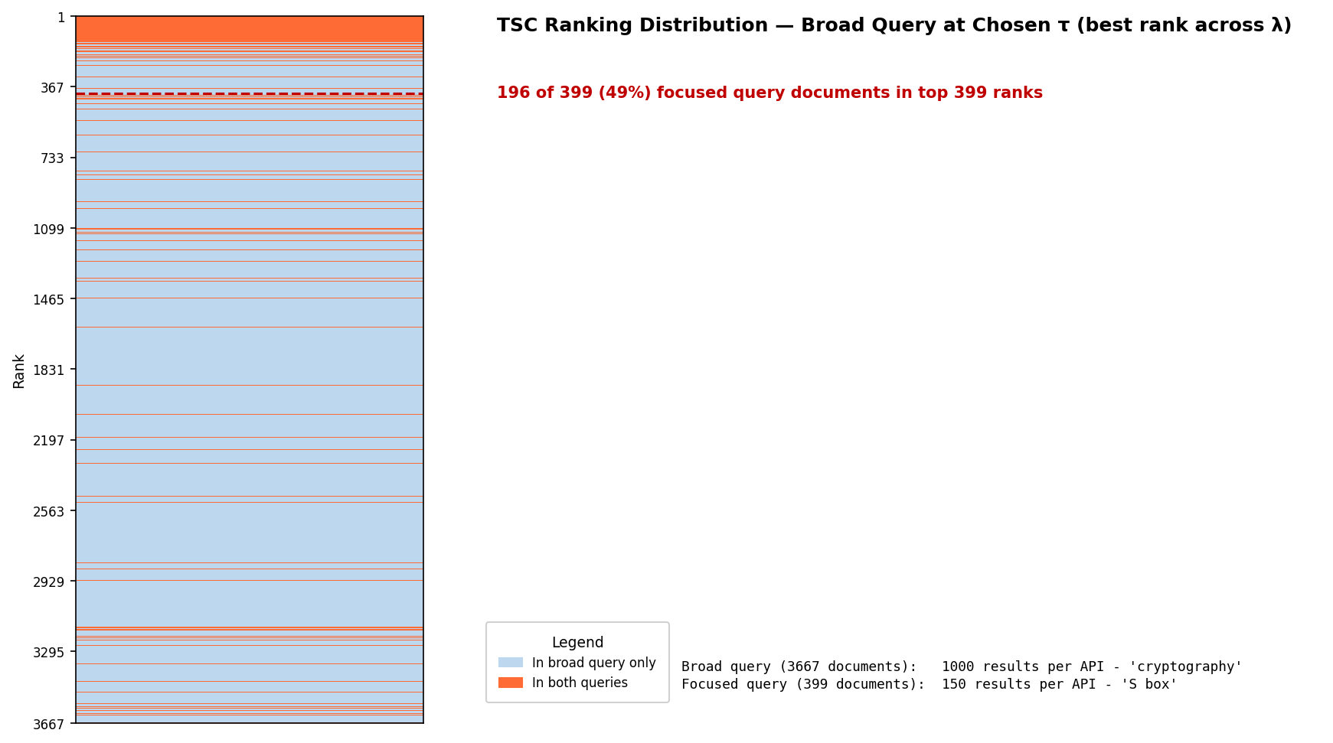

Chosen Tau (4-colour)
