Create_Table_From_Copilot
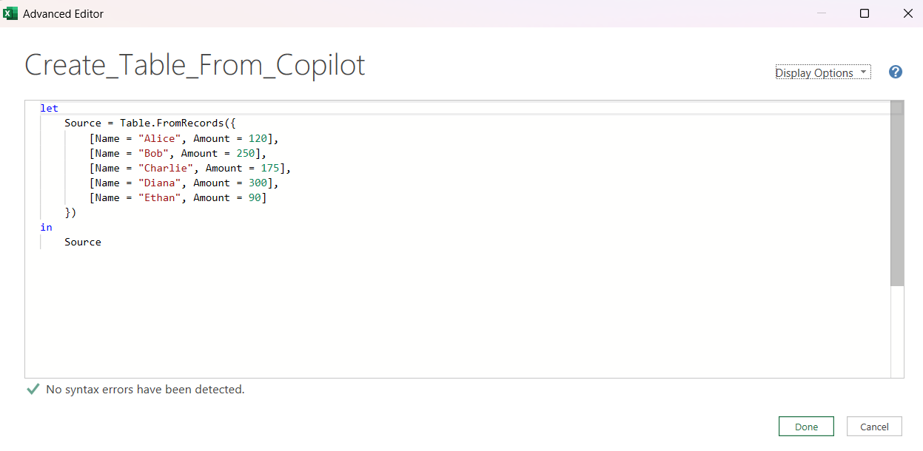
Name | Amount
Alice | 120
Bob | 250
Charlie | 175
Diana | 300
Ethan | 90

Data-->Get Data-->Launch Power Query Editor
Once in Power Query:
 | Home-->New Source-->Other Sources-->Blank Query
 | Then Home-->Advance Editor
 |  | Paste in M code from Copilot dialog

