Matplotlib
Matplotlib
SP Python in Excel Example Starter File Chapter 3
Navigator
 | Error Checks: |  |  |  | þ

 | 1 | Matplotlib

 |  | Data |  |  |  |  | Charts

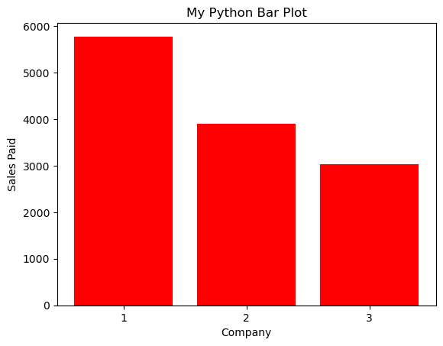
 |  | Company | Sales Invoiced | Sales Paid |  | create bar chart pg148,151,152
 |  | A. Datum Corp. | 5,776 | 5,776
 |  | Adventure Works Cycles | 3,895 | 3,895
 |  | Alpine Ski House | 7,737 | 3,031
 |  | ​Bellows College | 3,102 | 3,102
 |  | Best For You Organics Company | 6,527 | 3,843
 |  | Blue Yonder Airlines | 3,315 | 3,315
 |  | City Power & Light | 3,363 | 3,363
 |  | Coho Vineyard | 8,885 | 4,526
 |  | Coho Winery | 3,326 | 3,326
 |  | Coho Vineyard & Winery | 3,061 | 3,061
 |  | Contoso, Ltd. | 8,765 | 1,579
 |  | Contoso Pharmaceuticals | 6,201 | 2,951
 |  | ​Contoso Suites | 5,578 | 5,578
 |  | Consolidated Messenger | 5,813 | 1,385
 |  | Fabrikam, Inc. | 5,140 | 5,140
 |  | ​Fabrikam Residences | 9,998 | 3,179
 |  | ​First Up Consultants | 9,037 | 2,167
 |  | Fourth Coffee | 5,452 | 2,168 |  | creater a box plot pg152-153
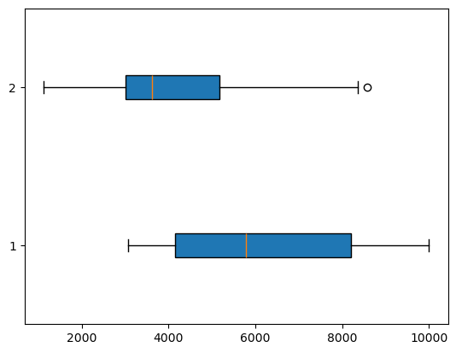
 |  | Graphic Design Institute | 7,818 | 6,857
 |  | Humongous Insurance | 8,176 | 7,922
 |  | ​Lamna Healthcare Company | 4,521 | 1,234
 |  | Litware, Inc. | 6,571 | 4,526
 |  | ​Liberty's Delightful Bakery & Cafe | 9,557 | 8,366
 |  | Lucerne Publishing | 5,494 | 1,390
 |  | Margie's Travel | 8,319 | 3,964
 |  | ​Munson's Pickles and Preserves Farm | 5,776 | 3,914
 |  | ​Nod Publishers | 5,986 | 5,986
 |  | ​Northwind Electric Cars | 4,229 | 4,229
 |  | Northwind Traders | 8,511 | 5,127
 |  | Proseware, Inc. | 3,397 | 3,397
 |  | ​Relecloud | 5,716 | 5,716
 |  | School of Fine Art | 5,418 | 4,556
 |  | Southridge Video | 5,962 | 1,123
 |  | Tailspin Toys | 3,907 | 2,484 |  | create a violin plot pg154
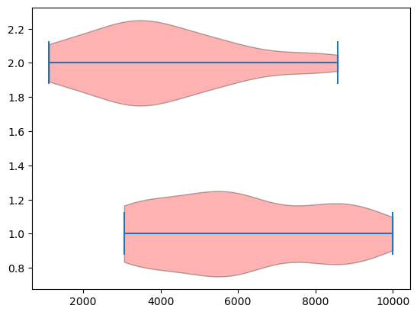
 |  | Trey Research | 8,864 | 1,159
 |  | The Phone Company | 3,249 | 3,249
 |  | ​VanArsdel, Ltd. | 8,693 | 8,581
 |  | Wide World Importers | 3,299 | 3,299
 |  | Wingtip Toys | 5,316 | 5,316
 |  | Woodgrove Bank | 9,169 | 7,606

Seaborn
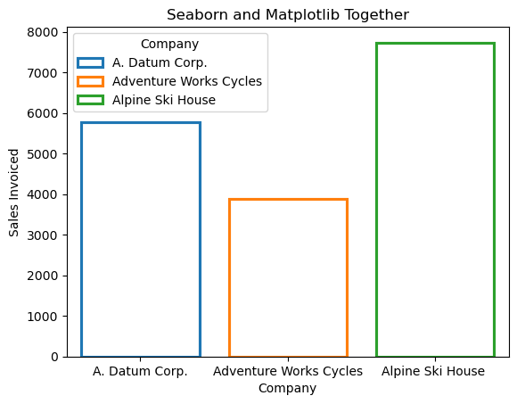
Seaborn
SP Python in Excel Example Starter File Chapter 3
Navigator
 | Error Checks: |  |  | þ

 | 1 | Seaborn

 |  | Charts

 |  |  | bar chart pg156
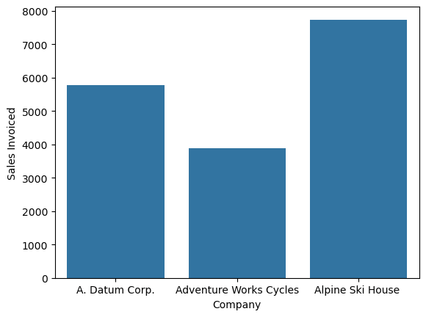

 |  |  | bar chart pg159

