Formulas
Forecast = Trendt-1 + Seasonalityt-1 + Cyclicalt-1 + Unexplained Variance where t=time | pg 53
Forecast = Trendt-1 + Seasonalityt-1 + Cyclicalt-1 + Causal Factor(s)t-1 + Unexplained Variance where t=time | pg 55
Forecast attainment = (Actuali / Forecasti) x 100 | pg 79
Error = et = At - Ft where et = error for time period t At = actual sales for time period t Ft = forecast for time period t | pg 81
Percentage Error = PE = ((At-Ft)/At) * 100 | pg 82
Mean Error = ME = 1/n (nΣt=1 [At-Ft]) where t = time period n = number of time periods At = actual sales for time period t Ft = forecast for time period t | pg 84
Mean Absolute Deviation (MAD) aka Mean Absolute Error (MAE) | pg 86
Mean Percent Error (MPE) = ME / At * 100 | pg 86
Mean Absolute Percent Error (MAPE) | pg 87
Weighted absolute percentage error (WAPE) | pg 89
Demand = f(trend/cycle + seasonality + unexplained error) where f = function of OR Yt = f(Tt, St, Et) | pg 104
Times series decomposition approaches: additive = Yt = Tt + St + Et multiplicative = Yt = Tt * St * Et | pg 105
Moving average = T2 = 1/3 * (W1 + W2 + W3) SMA = (Sum of Data Points over 'n' Periods) / n | pg 111
Single Exponential Smoothing = Ft+1 = Ft + ά(Yt-Ft) where α is a constant between 0 and 1. A value close to 1 will have an adjustent value that is substantial, making the forecasts more sensitive to swings in the past historical demand based on the previous period's error. When α is close to 0, the forecast will include very little adjustment, making it less sensitive to past swings in demand. Next Forecast = (1 - α) * Current Forecast + α * Actual Value | pg 116
Holt' 2 Parameter Method | pg 120
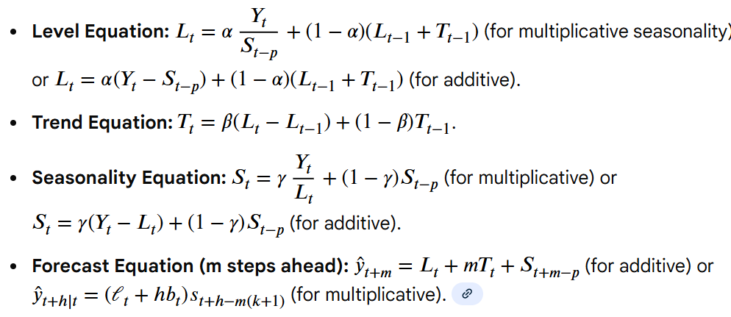 Holts'-Winter's method:Level (Lt): The baseline value of the series at time t.Trend Tt: The rate of change (slope) in the series over time.Seasonal St: The cyclical, repeating pattern in the data.Smoothing Parameters alpha ,beta ,gamma: Weights (between 0 and 1) that control how much influence recent data has on level, trend, and seasonality updates.Seasonality Period (m): The number of periods in a season (e.g., 4 for quarterly, 12 for monthly). | pg 122
Adjusted (R-squared) = 1 - [(1 - (R^2)) * (n - 1) / (n - k - 1)] | pg 150
Mean Elasticity = β Coefficient * Xbart / Ybart | pg 151
Point Elasticity = β Coefficient * Xbart-1 / Ybart-1 | pg 151
Durbin-Watson | pg 155

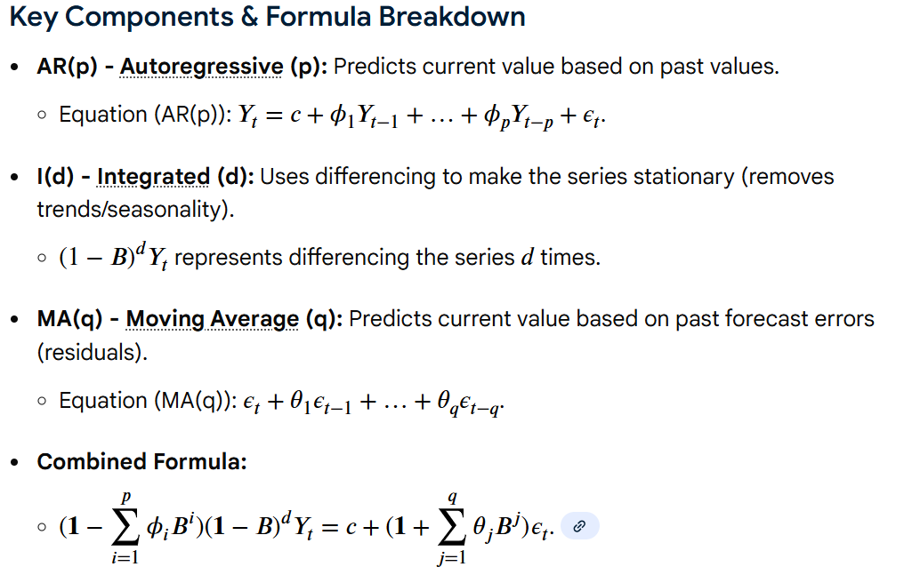 ARIMA where \(Y_{t}\) is the series, \(B\) is the backshift operator, \(\phi \) are AR coefficients, \(\theta \) are MA coefficients, \(d\) is the differencing order, \(c\) is a constant, and \(\epsilon _{t}\) is white noise error, allowing it to model trends and seasonality in data. | pg 165
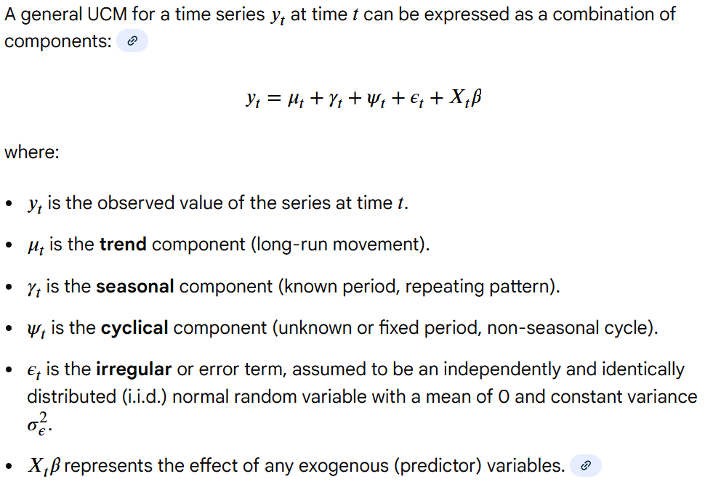 General UCM equation | pg 179
Simple averaging of several forecasting methods: ACF = (FM1 + FM2 + FM3) / 3 where ACF = average combined forecast FM = forecast method | pg 192
Weighted combined forecast (WCF): WCF = β1FM1 + β2FM2 + β3FM3 | pg 192

