Calculus & Probability Formulas
Mathematical lectures slides on statistical inference and methods | Probabilististic and Statistical Modeling | GSA1Handouts.pdf
 | Methods of Inference | GSA2.pdf
 | Time Series Analysis | GSA3HandoutsFull.pdf
 | Multiple Time Series | Statistical Inference and Methods
 | Simulation Methods | Statistical Inference and Methods
 | Filtering and Time-To-Event Data | Statistical Inference and Methods
 | Volatility Modeling | Statistical Inference and Methods

Symbols | Name | Purpose | Variable Name In Python | Example | Reference
Microsoft Word - Mathematics Notation List 2020

θ | theta | To denote angles | theta |  | Essential Math for Data Science pg5
λ | lambda | Wavelength, Eigenvalues
β | beta | A parameter in linear regression | beta |  | Essential Math for Data Science pg5
σ | Sigma | Standard deviation, Stress
Δ | Delta | Change or difference
Calculus and Operation Symbols
Σ | sigma | summation | sum() | summation = sum(2*I for I in range(1,6)) | Essential Math for Data Science pg11
∏ | Product notation
∫ | Integral
∂ | Partial derivative
∇ | nabla | Gradient / Del
lim𝑥→𝑎 | limits | Limit of a function as x approaches a
| a | | abs(a) | the modulus of a. the absolute value of a
 | Math "n choose r" |  | C(n,r) or nCr
Logic and Quantifier Symbols
∀ | For all / For each | Represents the phrases "for all", "for every", or "for each"
∧ | Logical AND
∨ | Logical OR
⇔ | If and only if | implies and is implied by (is equivalent to)
⟹ | Implies | P implies Q, if P then Q
⇐ | Is implied by
Set Theory Symbols
∈ | Belongs to | Element of (e.g., x in A)
∉ | Not an element of
⊆ | Subset | A is contained in B or equal
⊂ | Proper subset | A is contained in B, not equal
∪ | Union | A union B
∩ | Intersection | A intersect B
∖ | Set difference | elements in A but not in B
ℕ | Natural numbers
ℝ | Real numbers | Representing the complete set of rational and irrational numbers, including integers and fractions, which can be plotted on a continuous number line.
ℤ | Integers | Integers
ℚ | Rational numbers
ℂ | Complex numbers
[a, b] |  | the closed interval {x ∈ ℝ : a ⩽ x ⩽ b}
[a, b) |  | the interval {x ∈ ℝ : a ⩽ x < b}
(a, b] |  | the interval {x ∈ ℝ : a < x ⩽ b}
(a, b) |  | the open interval {x ∈ ℝ : a < x < b}

Statistics Notation
Central Tendency Measures | µ | population mean

 |  | Degrees of freedom
 |  | median
Measures of Dispersion (Spread) | σ2 | population variance
 | σ | population standard deviation
 |  | Sample standard deviation
 |  | unbiased estimate of population variance from a sample
 | IQR
 |  | First quartile (25th percentile)
 |  | Third quartile (75th percentile)
Hypothesis Testing |  | null and alternative hypotheses for a hypothesis test

 | F(x) | value of the cumulative distribution function of a continuous random variable X
Probability and Distributions |  | probability density function of the standardised normal variable
 | Phi | cumulative distribution function of the standardised normal variable
 |  | Probability of event A occurring
 |  | Conditional probability of A given B
 |  | Standard score (z-score).
 |  | Significance level
 |  | Probability of Type II error
Regression and Correlation |  | Population correlation coefficient
 |  | Sample correlation coefficient
 |  | y-intercept.
 |  | Slope
 |  | Predicted value of y

$$√$$
Functions
y = 2x + 1 | same as | f(x) = 2x + 1 | y is the dependent variable x is the independent variable This is a continuous function |  | Essential Math for Data Science pg7
f(x) = x**2 + 1 |  |  | Plotting this would result in a continuous parabola. When a function is continuous but curvy it is called a curvilinear function |  | Essential Math for Data Science pg9
f(x) |  |  | the value of the function f at x

Exponents
xy |  |  | base is the variiable x exponent is the y | x**3 | Essential Math for Data Science pg13
Multiplication of exponents |  | xm * xn = xm+n | product rule says you add the exponents when multiplying them | x2 * x3 = x5 | Essential Math for Data Science pg13
Division of exponents |  | xm / xn = xm-n | when dividing exponents with same base, subtract the denominator from numerator | x2 / x5 = x-3 | Essential Math for Data Science pg13
Fractional exponents with numerator of 1 |  |  | express this with the square root symbol putting the fractional denominator on the left side of the root symbol | 81/3 is the same as 3√8 | Essential Math for Data Science pg15
Fractional exponents with numerator not 1 |  |  | take the root of the number first and then perform the exponent calculation | 82/3 = (81/3)2 = 22 = 4 | Essential Math for Data Science pg16
Exponent of an exponent |  | (xm)n = xmn | multiply the exponents together | (83)2 = 86 | Essential Math for Data Science pg15
Zero Exponent |  | X0=1 |  |  | Essential Math for Data Science pg17
Inverse |  | X-1 = 1/x |  |  | Essential Math for Data Science pg17

Logarithms | log() |  | a math function that finds the power for a specific number and base. This notation is used to aid in solving for x by isolating x | 2x = 8 same as log28=x ax = b = logab = x | Essential Math for Data Science pg17
e |  |  | The default base for the log in data science is Euler's number e. You will find that e is so commonly used, it is the default base for both exponet and logarithm functions When e is the base for a logarithm, it is called a natural logarithm. This is represented insteaed of loge10 as ln(10). In python, this is represented as log(10), just leave the base value of the argument empty | e ~= 2.71828 | Essential Math for Data Science pg18, 20, 21
Multiplication |  | log(a*b) = log(a) + log(b) |  |  | Essential Math for Data Science pg17
Division |  | log(a/b) = log(a) - log(b) |  |  | Essential Math for Data Science pg17
Exponentiation |  | log(an) = n * log(a) |  |  | Essential Math for Data Science pg17
Zero Exponent |  | log(1) = 0 |  |  | Essential Math for Data Science pg17
Inverse |  | log(x-1) = log(1/x) = -log(x) |  |  | Essential Math for Data Science pg17
 |  |  | logarithm to the base a of x
 |  |  | natural logarithm of x

Matrices
 |  |  | a matrix Μ
 |  |  | the inverse of the non-singular square matrix Μ
 |  |  | the determinant of the square matrix Μ
 |  |  | an identity (or unit) matrix

$$\lim_{x→oo}{1/x}=0$$
Limits
 |  |  | The way this is read is "as x approaches infinity, the function 1/x approaches 0 (but never reaches 0) Using Sympy this would be rewritten as f(x) = 1/x as x approaches infinity oo |  | Essential Math for Data Science pg23
 |  |  | the limit of f(x) as x tends to a

Derivatives |  |  | Derivatives tell the slope of a function, and it is useful to measure the rate of change at any point in a function |  | Essential Math for Data Science pg24
 |  |  | the indefinite integral of y with respect to x
 |  |  | the definite integral of y with respect to x between the limits x = a and x = b
tangent line |  |  | A straight line that "just touched" the curve at a given point. It also provide the slope at a given point |  | Essential Math for Data Science pg24
slope m |  | m = (y2-y1)/(x2-x2) | known as the rise over run formula |  | Essential Math for Data Science pg26
derivative function |  | d/dx | indicates a derivates with respect to x make the exponent a multiplier and then decrement the exponent by 1 | Ex: d/dx f(x) = d/dx(x2) = 2x | Essential Math for Data Science pg26
 |  |  | the derivative of y with respect to x
 |  |  | the nth derivative of y with respect to x
partial derivative |  |  | these are derivatives that have multiple input variables find the derivative of each variable. X and y each get their own derivatives d/dx and d/dy. Slopes in multiple dimensions are called "gradients" | f(x,y) = 2x3 + 3y3 d/dx = 6x2 d/dy = 9y2 | Essential Math for Data Science pg28
using limits to calculate a slope |  |  | use sympy to calculate - with limit() function |  | Essential Math for Data Science pg30
using limits to calculate a derivative |  |  | use sympy to calculate - with limit() function |  | Essential Math for Data Science pg30
the chain rule |  | dy/dx and dz/dy are chained together to become dz/dx dz/dx = dz/dy * dy/dx | the chain rule is used to build neural networks take the derivative of the y and z functions shown on the right. Then multiply them together. Then perform a substitution on y for x | y=x2+1 z = y3+1 These two functions are linked by "y" dy/dx = 2x dz/dy = 3y2 dz/dx = 2x * 3y2 = 6x(x2+1)2 | Essential Math for Data Science pg32

Vectors - distance
vector magnitude
squared distance
 |  | 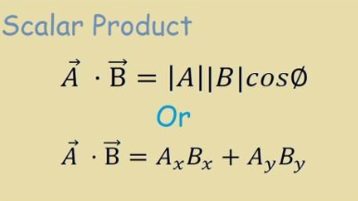
dot product (vector multiplication)
vector addition
 |  |  | the vector represented in magnitude and direction by the directed line segment AB
 |  |  | a unit vector in the direction of a
 |  |  | unit vectors in the directions of the Cartesian coordinate axes

 |  |  | the magnitude of a

Integrals |  |  | Integrals find the area under a curve Book uses the Riemann Sums approach to learning integrals | use Sympy with the integrate() function | Essential Math for Data Science pg33,37
Calculating integrals with limits |  |  | use sympy to calculate - with limit() function |  | Essential Math for Data Science pg38

Probabilities |  |  | Theoretical study of measuring certainty that an event will happen. Quantifying predictions of events yet to happen (the future) |  | Essential Math for Data Science pg42
likelihood |  |  | Likelihood is measuring the frequency of events that already occurred (the past) sum of all likelihoods does not have to be 1.0 or 100% |  | Essential Math for Data Science pg42
probability | P(X) | P(X) = O(X)/(1+O(X)) | sum of all probabilities must sum to 1.0 or 100% a single probability calculation is called a marginal probability |  | Essential Math for Data Science pg42 Think_Bayes pg2
probability not occuring | P(not X) | 1-P(X) |  |  | Essential Math for Data Science pg42
odds | O(X) | O(X) = P(X)/(1-P(X)) | If I have an odds of 2, that means I feel an event is 2 times more likely to happen than not to happen Plays a rile in Bayesian statistics as well as logistic regression with log-odds |  | Essential Math for Data Science pg43
joint probabilities (conjuction) |  | P(A AND B) = P(A) * P(B) or P(A, B) = P(A) * P(B) | Find the probability both separate events will occur. If the two events are independent (mutually exclusive) Think of a joint probability as an AND operator Multiply the probabilities together (known as product rule) |  | Essential Math for Data Science pg44 Data Science From Scratch pg70 Think_Bayes pg5
union probabilities |  | Mutually Exclusive Events: P(A OR B) = P(A) + P(B) Nonmutually Exclusive Events: P(A OR B) = P(A)+P(B)-(P(A)*P(B)) | Find probability of getting event A or event B occuring Think of a union probability as an OR operator Add the probabilities together when events are mutually exclusive (events that cannot occur simultaneously) For nonmutually exclusive events, add the probabilities AND subtract the union probability of the 2 events (P(A AND B)). Also known as the sum rule of probability |  | Essential Math for Data Science pg45-46
conditional probabilities |  | P(A GIVEN B) or P(A|B) or P(A|B) = P(A, B)/P(B) or P(A,B) = P(A|B)/P(B) | The probability of event A occurring given event B has occurred. A event is conditional on B event When A and B are independent, P(A|B) = P€, which is thhe mathematical way of expressing that knowing B occurred gives us no additional information abourt whether A occurred | 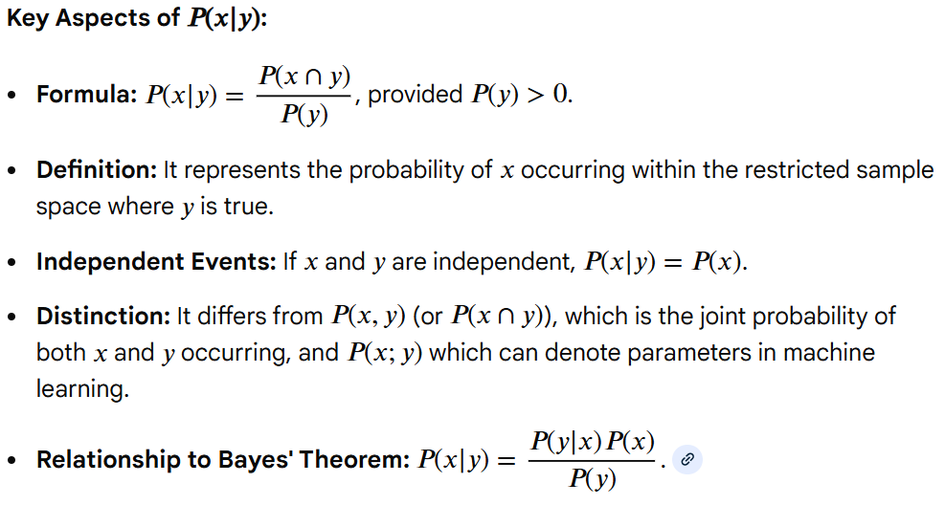 | Essential Math for Data Science pg47 Data Science From Scratch pg70 Think_Bayes pg6
conditional and conjunction |  | P(A|(B AND C)) | Probability of A occuring, given B and C have occurred |  | Think_Bayes pg8

union conditional probabilities |  | P(A OR B) = P(A) + P(B) - (P(A)*P(B)) | Probability of A or B occuring but A may affect the probability of B |  | Essential Math for Data Science pg50
Theorem 1: Using a conjunction to compute a conditional probability |  | P(A|B) = P(A AND B) / P(B) | conditional(female, given=banker) prob(female & banker) / prob(banker) |  | Think_Bayes pg9
Theorem 2: Using a conditional probability to compute a conjunction (joint conditional probabilities) |  | P(A AND B) = P(B) * P(A|B) | Probability of A and B occurring given event B has occurred prob(democrat)*conditional(liberal, democrat) prob(liberal & democrat) |  | Essential Math for Data Science pg50 Think_Bayes pg10
Theorem 3: Using conditional(A,B) to compute conditional(B,A) - Bayes Theorem |  | P(A|B) = (P(B|A)P(A)) / P(B) | If you know P(B}A), you can calculate P(A|B) using Bayes Theorem |  | Essential Math for Data Science pg48 Think_Bayes pg10
The Law of Total Probability |  | P(A) = P(B1 and A) + P(B2 and A) P(A) = P(B1)P(A|B1) + P(B2)P(A|B2) | The total probability of A is the sum of two possibilities: either B1 and A are true or B2 and A are true only if B1 and B2 are 1) mutually exclusive and 2) collectively exhaustive. The Bs can be an unlimited number |  | Think_Bayes pg11
Diachronic Bayes Bayes Theorem in Probability Form |  | P(H|D) = P(H)(PD|H) / P(D) P(D) = P(H1)P(D|H1) + P(H2)P(D|H2) | P(H) is the probability of the hypothesis before we see the data, called the prior probability. Based on background information P(H|D) is the probability of the hypothesis after we see the data, called the posterior P(D|H) is the probability of the data under the hypothesis, called the likelihood P(D) is the total probability of the data under the hypothesis The process of using data and a prior probability to compute a posterior probability is called a Bayesian update |  | Think_Bayes pg19, 71
Bayes Theorem in Odds Form |  | odds(A|D) = odds(A)*(P(D|A) / P(D|B)) | The posterior odds are the prior odds times the likelihood ratio |  | Think_Bayes pg71
Bayes Factor |  | odds(A|D)/odds(A) = (P(D|A) / P(D|B)) | If the Bayes factor is greater than 1, that means that the data were more likely under A than under B. And that means that the odds are geater than they were before. If the Bayes factor is less than 1, that means the data were less likely under A than under B, so the odds favor of A go down If the Bayes factor is 1, the data are equally likely under either A or B, so the odds do not change |  | Think_Bayes pg72
Bayes Table (contains) - Prior Probability - Likelihood - Unnormalized posteriors - Posterior Probability |  |  | Tool for doing a Bayesian update. Solves the Diachronic Bayes formula |  | Think_Bayes pg21-22

Apriori Algorithm |  |  | The Apriori Algorithm generates association rules using the IF_THEN format. This means that if event A occurs, then event B also occurs with a certain probability. The Apriori Algorithm is used for mining frequent itemsets and generating association rules in transactional databases. | Implementing Apriori algorithm in Python - GeeksforGeeks

Statistics
Variance |  | a measure of how spread out our data is | 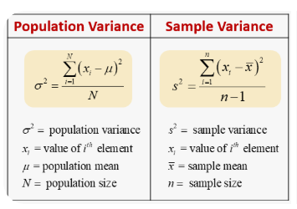
Standard Deviation |  | the square root of the variance | 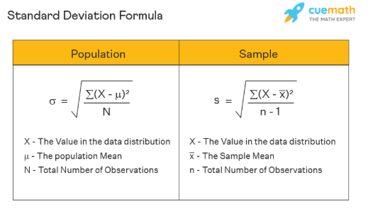
probability density function (PDF) |  | The probability that a random variable X falls between values a and b is given by the definite integral of the PDF
cumulative density function (CDF) |  | The CDF provides the area up to a given x-value for a given distribution
inverse cumulative density function - also called the PPF or quantile function |  | The Inverse Cumulative Distribution Function (ICDF), also known as the quantile function, is the mathematical inverse of a distribution's cumulative distribution function (CDF). While a CDF calculates the probability p that a random variable X is less than or equal to a value x, the ICDF calculates the value x for a given probability p.
Z-score |  | The z-score formula calculates how many standard deviations a data point is from the mean | 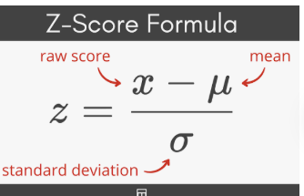
coefficient of variation |  | A helpful tool for measuring spread. It compares two distributions and quantifies how spread out each of them. Divide the standard deviation by the mean
confidence interval |  | a range calculation showing how confidently we believe a sample mean (or other parameter) falls in a range for the population mean. The larger n becomes, the narrower our confidence interval becomes | 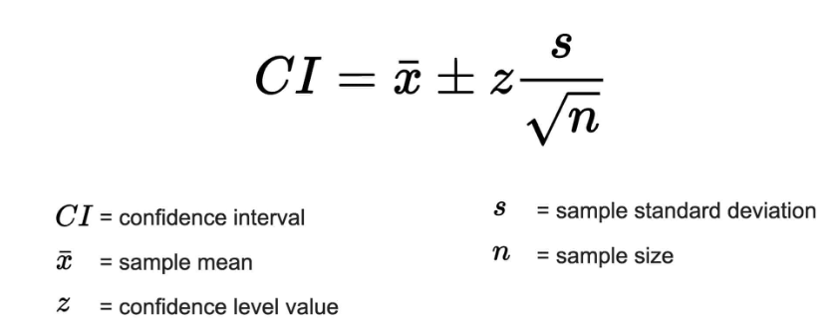
margin of error € |  | the range around the sample mean that contains the population mean at that level of confidence | 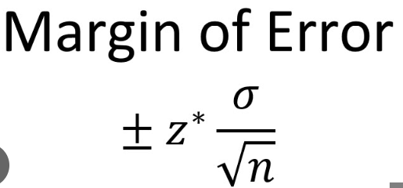
p-value |  | the probability of something occurring by chance rather than because of a hypothesized explanation There isn't a single "p-value formula," but rather a process that involves calculating a test statistic (like a Z-score or t-score) from your sample data and then finding the probability (p-value) of getting that statistic or a more extreme one, assuming the null hypothesis is true, using statistical tables or software | 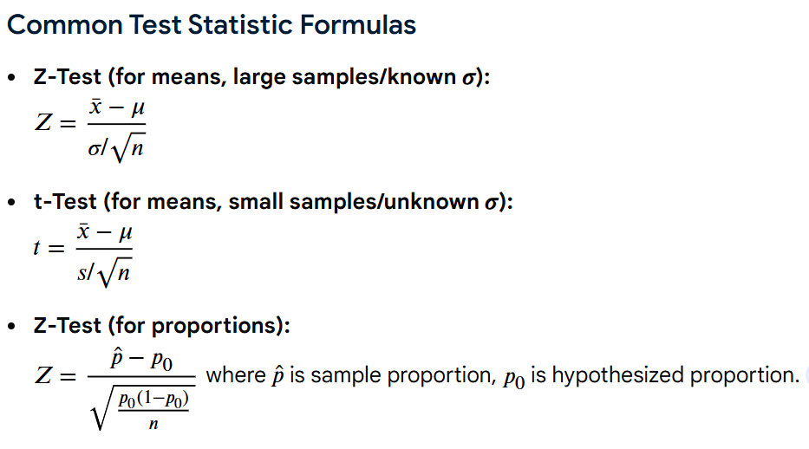 | # Calculate the p-value if test_value > 0: p_value = 1.0 -t(n-1).cdf(test_value) else: p_value = t(n-1).cdf(test_value) # Two-tailed test, so multiply the p-value by 2 p_value *= 2 print(f'P-value: {p_value:.9f}') # show first 9 decimal places Essential_Math_For_Data_Science pg 177
sample correlation coefficient ® |  | # Calculate the correlation coefficient numerator = n * sum(p.x * p.y for p in points) - \ sum(p.x for p in points) * sum(p.y for p in points) denominator = sqrt(n*sum(p.x**2 for p in points) - sum(p.x for p in points)**2) \ * sqrt(n*sum(p.y**2 for p in points) - sum(p.y for p in points)**2) r = numerator / denominator # correlation coefficient | 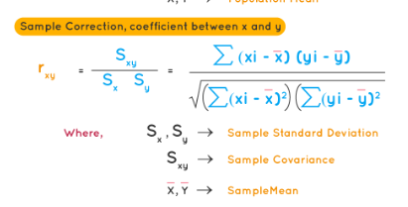 | Essential_Math_For_Data_Science pg 177
population correlation coefficient (ρ) (rho) |  |  | 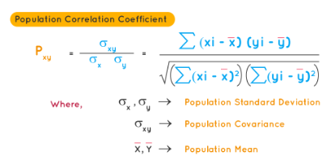 | Essential_Math_For_Data_Science pg 177
t-test for a correlation coefficient |  | # Perform the test test_value = r / sqrt((1-r**2)/(n-2)) if test_value < lower_cv or test_value > upper_cv: print(f'Correlation proven, reject the null hypothesis H0') else: print(f'Correlation not proven, failed to reject the null hypothesis H0') | 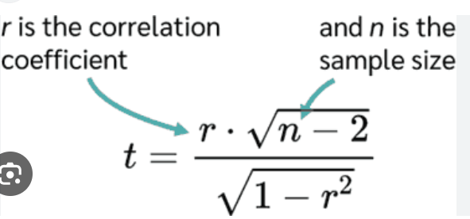 | Essential_Math_For_Data_Science pg 177
coefficient of determination (r-squared) |  | measures how much variation in one variable is explainable by the variation of the other variable. It is also the square of the correlation coefficient r. As r approaches a perfect correlation (-1 or 1), r-squared approaches 1. Essentially r-squared shows how much two variables interact with each other. Correlation is not causation | see Metric Formulas tab
prediction interval / margin of error |  | there is a confidence level around each y prediction t_value = t(n-2).ppf(0.975) residuals_squared = sum((p.y - (m*p.x+b))**2 for p in points) standard_error = sqrt(residuals_squared/(n-2)) margin_of_error = t_value*standard_error * \ sqrt(1 + (1/n) + (n*(x_0 - x_mean)**2) / \ (n * sum(p.x**2 for p in points) - \ sum(p.x for p in points)**2)) |  | Essential_Math_For_Data_Science pg 184

Time Series Formulas
Slides of forecasting information | GSA3HandoutsFull.pdf
Type | Use | Formula | Reference
Moving Averages | Moving averages in time series are a smoothing technique used to reduce short-term noise and highlight longer-term trends by averaging consecutive data points over a specific, rolling window. As new data becomes available, the window moves forward, dropping the oldest observation to calculate a new average. | Simple Moving Average (SMA): Calculates the unweighted mean of the previous data points. Weighted Moving Average (WMA): Assigns more importance (weight) to recent data points. Exponential Moving Average (EMA): Gives exponentially higher weight to recent data, making it more responsive to new information. | Modern_Time_Series_W_Python pg60
LOESS | The LOESS algorithm, which is locally weighted polynomial regression, was developed by Bill Cleveland from the 70s to the 90s. It is a non-parametric method that is used to fit a smooth curve onto a noisy signal. We use an ordinal variable that moves between the time series as the independent variable and the time series signal as the dependent variable. For each value in the ordinal variable, the algorithm uses a fraction of the closest points and estimates a smoothed trend using only those points to the point in question. This is given the highest weight and it decays as we move farther away from it. This gives us a very effective tool for modeling the smooth changes in the time series (trend) | LOESS is highly flexible, making it ideal for complex, nonlinear, or noisy data. It does not have a single, global formula, as the model coefficients change for every point in the dataset. | Modern_Time_Series_W_Python pg60
Period Adjusted Averages | Period adjusted averages in time series analysis are calculated averages—most commonly moving averages—that have been modified to remove or adjust for specific time-based variations, such as seasonality or trading days, to reveal underlying trends. They smooth raw data, creating a clearer "signal" by eliminating random noise and temporary fluctuations. | Simple Moving Average: Averages a set number of data points, giving them equal weight. Exponentially Weighted Moving Average (EWMA): Assigns higher weights to more recent data points to make the average more responsive to recent changes. | Modern_Time_Series_W_Python pg61
Fourier Series | A Fourier series decomposes a periodic function or signal into an infinite sum of simple sine and cosine waves, allowing complex periodic data to be analyzed as a combination of frequencies. It is mathematically expressed as a function of time to represent cycles, using coefficients determined by integration. A Fourier series is a way to represent a periodic function f(t) as an infinite sum of trigonometric functions (sines and cosines). |  | Modern_Time_Series_W_Python pg61

Baseline Models
Historic Average | Also known as mean method. Uses a simple average of all past observations. |  | statsforecast.models.HistoricAverage
Naïve | All forecasts have the value of the last observation |  | statsforecast.models.Naive
Random Walk With Drift | A variation of the naive method allows the forecasts to change over time. The amout of change, called drift, is the average change seen in the historical data. From the previous equation, we can see that this is equivalent to extrapolating a line between the first and the last observation. |  | statsforecast.models.RandomWalkWithDrift
Seasonal Naïve | A method similar to the naive, but uses the last known observation of the same period (e.g. the same month of the previous year) in order to capture seasonal variations. |  | statsforecast.models.SeasonalNaive
Window Average |  |  | statsforecast.models.WindowAverage
Seasonal Window Average |  |  | statsforecast.models.SeasonalWindowAverage

Exponential Smoothing
simple exponential smoothing (SES) | Simple Exponential Smoothing (SES) is a foundational, short-term forecasting method for univariate time series data that exhibits no clear trend or seasonal pattern. It works by calculating a weighted average of past observations, where the weights assigned to older data points decrease exponentially as they get further in the past, giving more weight to recent data. Simple exponential smoothing does not do well when there is a trend in the data. Exponential smoothing and moving average have similar defects of introducing a lag relative to the input data. |  | 7.1 Simple exponential smoothing | Forecasting: Principles and Practice (2nd ed)
double exponential smoothing (DES) | Double Exponential Smoothing (DES), often referred to as Holt’s Linear Trend Method, is a time series forecasting technique used to predict data that exhibits a linear trend but no clear seasonality. It extends Simple Exponential Smoothing (SES) by adding a second equation to account for trends in the data, using two smoothing constants: (alpha) for the level and (beta) for the trend. |  | Time-Series Methodologies — Part 4: Double Exponential Smoothing | by Roi Polanitzer | Medium
Holt-Winter' seasonal smoothing (HW) | Triple exponential smoothing, often known as the Holt-Winters method, is an advanced forecasting technique for time-series data exhibiting both trends and seasonality. It applies three separate exponential smoothing operations—level, trend, and seasonality—to produce highly accurate, smoothed, and projected forecasts. | 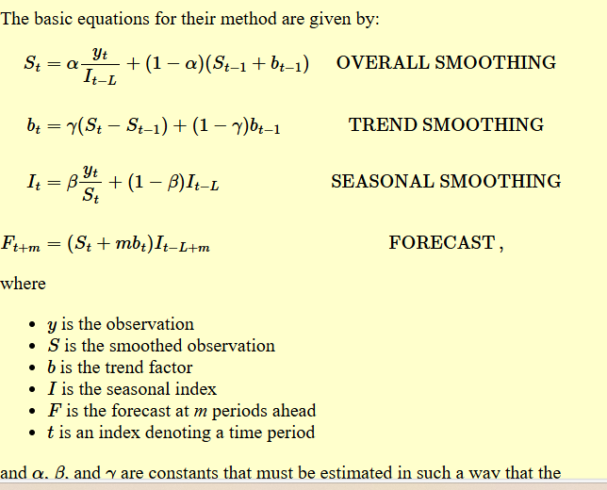 | 6.4.3.5. Triple Exponential Smoothing

Trends
additive trend | An additive trend in time series analysis describes a linear, constant, and independent long-term movement where fluctuations (seasonal or noise) remain consistent in magnitude over time, regardless of the trend's direction or level. It is modeled by adding components together, suitable when seasonal variations are stable. The trend line is straight, representing a consistent increase or decrease over time. Seasonal peaks and troughs do not grow or shrink with the trend, keeping a consistent amplitude.
additive damped trend | An additive damped trend is a forecasting method that extends Holt’s linear trend by introducing a parameter to dampen the slope of the forecast, causing it to flatten over time instead of increasing or decreasing indefinitely. It prevents over-forecasting by transforming a straight-line trend into a curve that approaches a constant value.
additive seasonality | Seasonal variation is constant (+10 units). Additive seasonality is a time-series model where seasonal fluctuations remain constant in magnitude over time, regardless of the overall trend level. It implies that the seasonal effect (e.g., +100 units every summer) is added to the trend rather than growing proportionally with it. The peaks and troughs of the seasonal, de-trended data do not change in amplitude as the underlying trend rises or falls. |  | Time-Series Methodologies — Part 5: Additive Seasonality With No Trend | by Roi Polanitzer | Medium
multiplicative seasonality | Seasonal variation scales with the trend ( X1.10 or 10%). Multiplicative seasonality is a time series component where the amplitude of seasonal fluctuations grows or shrinks proportionally with the trend, rather than remaining constant. As the overall data trend increases, the seasonal spikes also increase in magnitude. The peak-to-trough width changes over time (e.g., higher highs and lower lows). |  | Time-Series Methodologies — Part 6: Multiplicative Seasonality With No Trend | by Roi Polanitzer | Medium

ARIMA | AutoRegressive Integrated Moving Average (ARIMA)
autoregression (AR) | ARIMA (Autoregressive Integrated Moving Average) is a widely used statistical method for time series forecasting that predicts future values based on historical data. Suggests that the current value is linearly dependent on its own previous values (lags). | 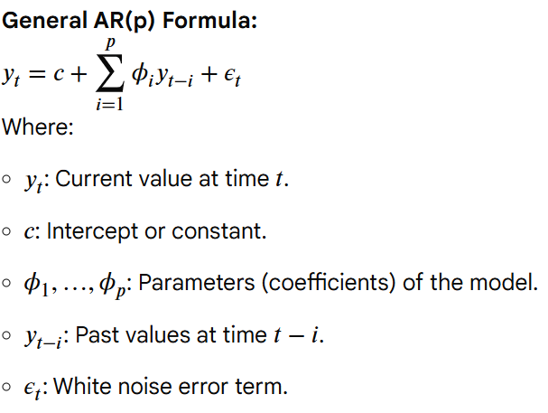 | Modern_Time_Series_W_Python pg88-90
integration (I) | In ARIMA modeling, "Integration" (the 'I' in ARIMA) refers to the differencing step used to transform a non-stationary time series into a stationary one. It addresses trends in the data, making the mean, variance, and autocorrelation consistent over time, which is a requirement for the Autoregressive (AR) and Moving Average (MA) components to function effectively. |  | Modern_Time_Series_W_Python pg88-90
Moving Averages | Moving averages in time series are a smoothing technique used to reduce short-term noise and highlight longer-term trends by averaging consecutive data points over a specific, rolling window. As new data becomes available, the window moves forward, dropping the oldest observation to calculate a new average. Models the dependency between an observation and residual errors from previous predictions | Simple Moving Average (SMA): Calculates the unweighted mean of the previous data points. Weighted Moving Average (WMA): Assigns more importance (weight) to recent data points. Exponential Moving Average (EMA): Gives exponentially higher weight to recent data, making it more responsive to new information. | Modern_Time_Series_W_Python pg60, 88-90
ARIMA | ARIMA (Autoregressive Integrated Moving Average) models are a class of statistical methods for analyzing and forecasting univariate time series data by combining autoregression, differencing to achieve stationarity, and moving average components. It uses past values and previous forecast errors to predict future points. | 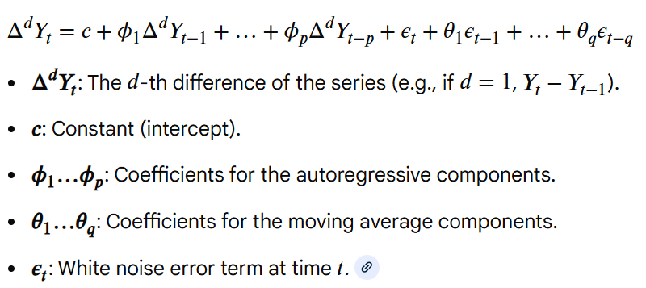 | Modern_Time_Series_W_Python pg88-90

Theta Forecast
Theta | The Theta method is a univariate time series forecasting approach that decomposes data into "theta lines" representing long-term trend and short-term curvature, typically using simple exponential smoothing (SES) to forecast them. | 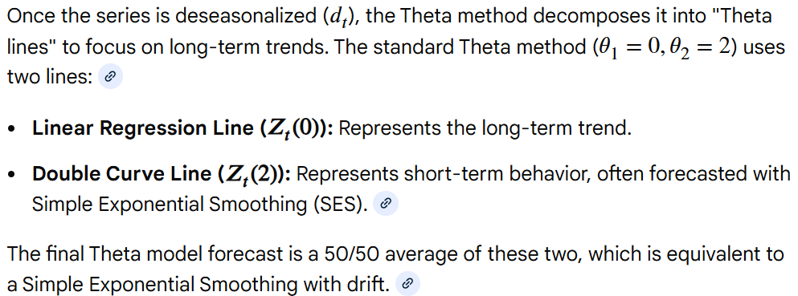 | Standard Theta Model - Nixtla

Multiple Seasonalities
TBATS | TBATS is an innovations state space model framework used for forecasting time series with multiple seasonalities o a non-integer seasonal period. It uses a Box-Cox tranformation, ARMA errors, and a trigonometric representation of the seasonal patterns based on Fourier series. The name TBATS is an acronym for the key features of the model: Trigonometric, Box-Cox transform, ARMA errors, Trend, and Seasonal components. Each seasonality is modeled by a trigonometric representation based on Fourier series. | very big formula (Box-Cox transformation, exponentially smoothed trend (LOESS), seasonal decomposition using Fourier series *trigonometric seasonality), AutoRegressive Moving Average (ARMA) | Forecasting Time Series with Multiple Seasonalities using TBATS in Python | by Grzegorz Skorupa | intive Developers | Medium
MSTL | The MSTL (Multiple Seasonal-Trend decomposition using LOESS) decomposes the time series in multiple seasonalities using LOESS. Then forecasts the trend using a custom non-seaonal model and each seasonality using a SeasonalNaive model.

Forecastability
coefficient of variation (CoV) | The coefficient of variation (CoV), also known as relative standard deviation (RSD), is a unitless, standardized measure of data dispersion, defined as the ratio of the standard deviation to the mean
residual variability (RV) | An improvement on the CoV. Residual variability (RV) in time series refers to the portion of data variation that remains unexplained after fitting a model. 1) Perform seasonal decomposition 2) Calculate the standard deviation of the residuals or the irregular component. 3) Divide the stand deviation by the mean of the original observed values (before decomposition) | RVn = σres / μy
entropy of a discrete random variable | The more spread out a probability distribution is, the more chaos is in the distribution, and thus more entropy. In the context of a times series, n is the total number of time series observations, and P(xi) is the probability for each symbol of the times series alphabet. A sharp distribution means that the time series values are concentrated on a small area and should be easier to predict. On the other hand, a wide or flat distribution means that the time series value can be equally likely across a wider range of values and hence is difficult to predict

Bias Formulas
Model | Use | Formula
Demographic parity | The equality of predicting a class, such as Ci, for different groups of a given attribute. Ex: The same acceptance rate for loan application between men and women Ex: The same likelihood of hospitalization between poor and rich neighborhoods | 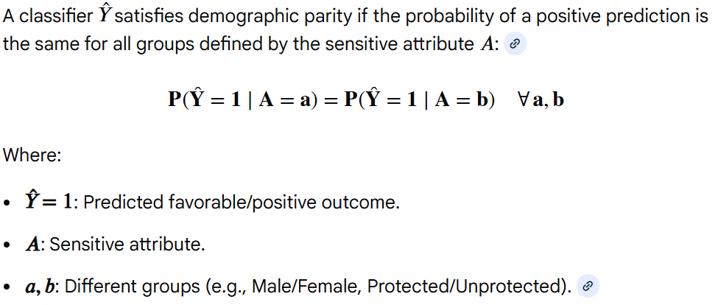 P(C=Ci|G=g1) = P(C=Ci|G=g2) | Debugging_Machine_Learning pg146
Disparate impact ratio (DIR) | A metric that quantifies the deviation from equality based on demographic parity | 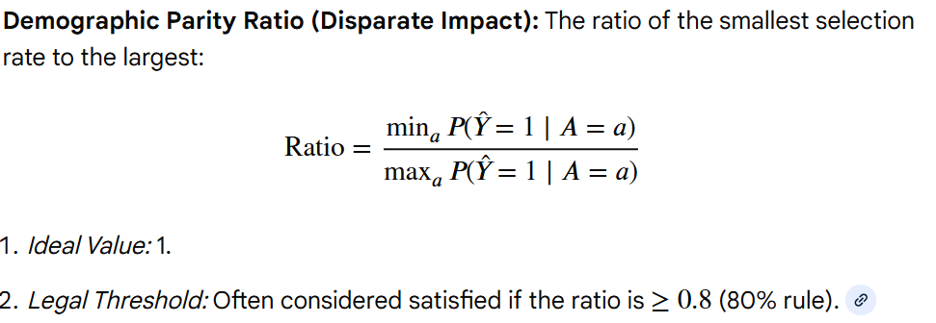 DIR = P(C=1|G=g1) / P(C=1|G=g2) | Debugging_Machine_Learning pg146
Equality of odds | Equalized odds is satisfied when a given prediction is independent of the group of a given sensitive attribute and the real output. Ensures the independence of predictions to a given sensitive attribute, such as ethnicity, sex, or race given a true output. Equalized Odds (EO) is a fairness metric in machine learning that requires a model's predictions (Y-hat) to be independent of a sensitive attribute (A, such as race or gender), conditional on the actual outcome (Y). It ensures that the model performs equally well for different groups, meaning the true positive rates and false positive rates are equal across all groups. | P(y-hat|y, G=g1) = P(y-hat|y, G=g2) = P(y-hat|y) | 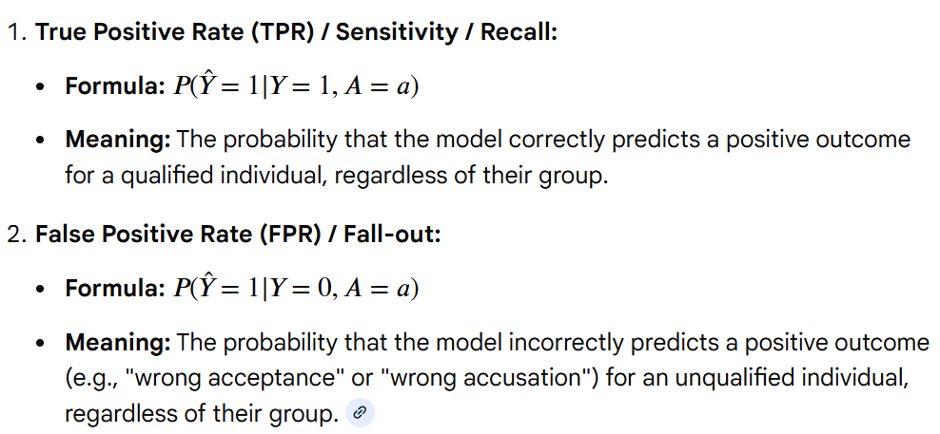 Debugging_Machine_Learning pg146
Equality of opportunity | Equality of opportunity in machine learning is a fairness metric ensuring that individuals who qualify for a desirable outcome (Y=1) have an equal chance of being correctly classified as such by a model, regardless of their membership in a protected group (A). It focuses on equalizing the True Positive Rate (TPR) across different groups. Usually the positive class is considered the target class and is representative of providing an opportunity for individuals, such as admission to school or having a high salary. | P(y-hat|y = , G=g1) = P(y-hat|y = 1, G=g2) = P(y-hat|y=1)

Probability Distributions
Greek | Name | Purpose | Variable Name In Python | Example | Reference
θ | theta | To denote angles | theta |  | Essential Math for Data Science pg5
β | beta | A parameter in linear regression | beta |  | Essential Math for Data Science pg5
Σ | sigma | summation | sum() | summation = sum(2*I for I in range(1,6)) | Essential Math for Data Science pg11

$$√$$
Statistics |  |  | Cannot exist with data and uses it to discover probability and provides tool to describe data |  | Essential Math for Data Science pg44

Probability Mass Function |  | from empiricaldist import Pmf | A function that maps from each possible outcome to its probability |  | Think_Bayes pg30
Prior distribution |  |  | A distribution that contains the prior probability for each hypothesis |  | Think_Bayes pg32
Likelihood |  |  | Likelihood of an occurrence |  | Think_Bayes pg32
Unnormalized posterior distribution |  |  | A distribution that contains the posterior probability for each hypothesis but is not normalized and thus will not add up to 1 |  | Think_Bayes pg32
Posterior distribution |  |  | A distribution that contains the posterior probability for each hypothesis and ads up to 1 |  | Think_Bayes pg33

Binomial Distribution |  | 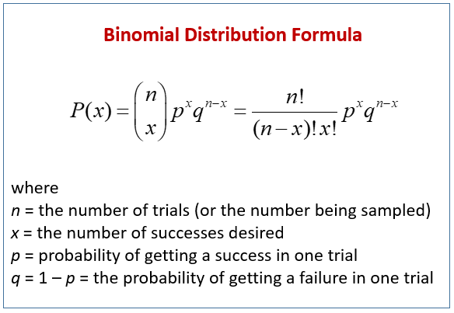 | the {n x) piece of the formula to the left signifies "n choose x"
 |  | 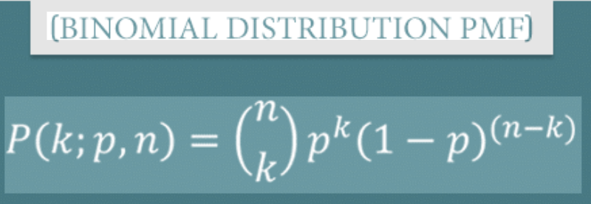 use scipy.binom.pmf() | Measures how likely k successes can happen out of n trials given a p probability Assumes discrete distributions Use binom.pfm function (probability mass function) | see SciPy excel folder | Essential Math for Data Science pg51 Practical Statistics for Data Scientists pg80 Think_Bayes pg44
 |  | use scipy.binom.cdf() | calculates the probability of getting up to a specific number of successes (x) in a set number of trials (n), given a constant probability (p) for success in each trial | see SciPy excel folder | Practical Statistics for Data Scientists pg80

Normal Distribution |  | A normal distribution function, or Gaussian function, describes the symmetric, bell-shaped "bell curve," defining the probability of a continuous variable occurring around a central mean (mu ), with spread determined by the standard deviation (sigma). | The norm.pdf(x, loc, scale) function will be used to calculate the probability density. The norm.pdf() function takes three parameters x : Scalar or Array of numbers loc : Sample mean scale : standard deviation
 |  | 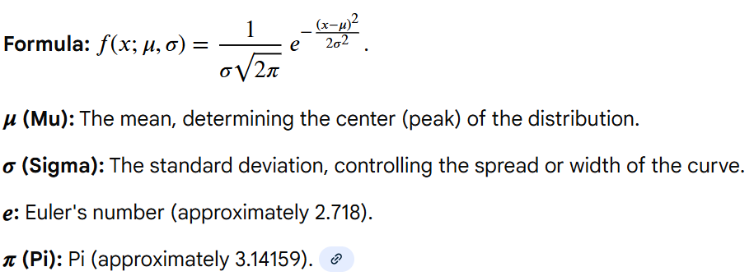 norm.pdf(x, loc, scale)
 |  | norm.cdf(x, loc, scale)
 |  | norm.ppf(x, loc, scale)

Discrete Uniform Distribution |  | A discrete uniform distribution describes a situation with a finite set of outcomes, where each outcome has an equal chance of occurring, like rolling a fair die (1/6 probability for each side).
 |  | uniform.pmf(k, loc, scale)
 |  | uniform.cdf(k, loc, scale)
 |  | uniform.ppf(x, loc, scale)

Beta Distribution |  |  | The Beta-Binomial distribution models the number of successes in a fixed number of trials (n) where the probability of success (p) isn't fixed but is itself a random variable drawn from a Beta distribution (parameters (alpha ,beta ), capturing overdispersion
 |  | 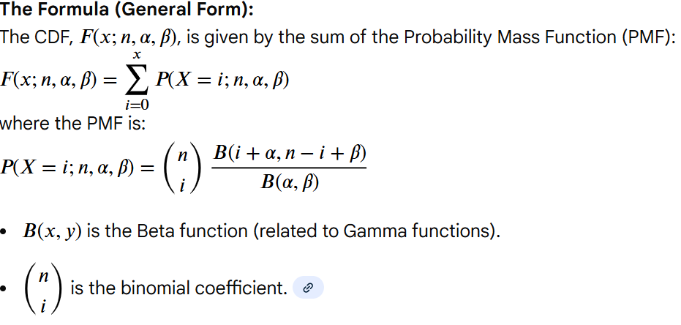 use scipy.beta.cdf() | The beta distribution allows us to see the likelihood of different underlying probabilities for an event to occur given alpha successes and beta failures Use beta.cdf (cumulative density function) This models the probability of a probability Assumes continuous distribution How the CDF Works (Conceptually): To find the Beta-Binomial CDF at a value x, you sum the individual probabilities (PMF) for getting 0, 1, 2, ..., up to x successes, considering the varying success probability. | see SciPy excel folder | Essential Math for Data Science pg53-59

Chi-Square Distribution |  | use scipy.chi2.xxx() Key Characteristics Family of Distributions: It's not a single curve but a family, with shape determined by degrees of freedom (df). Positive & Continuous: Values are always positive, and it's a continuous distribution. Skewness: Positively skewed, but becomes more symmetric (approaching normal) as df increases. Parameters: Defined by one parameter: degrees of freedom (df). Mean: Equal to its degrees of freedom (df). Variance: Twice its degrees of freedom (2 * df). | Assumes continuous distribution The statistic that measures the extent to which results depart from the null expectation of independence. For departures from expectations A chi-square (χ²) distribution is a theoretical, continuous probability distribution used primarily for statistical hypothesis testing. It represents the sum of the squares of independent standard normal random variables, with its shape determined by a parameter called degrees of freedom (k or df). The distribution is always non-negative, skewed to the right, and becomes more symmetric and bell-shaped as the degrees of freedom increase. Common uses include the chi-square goodness of fit test and the chi-square test of independence | 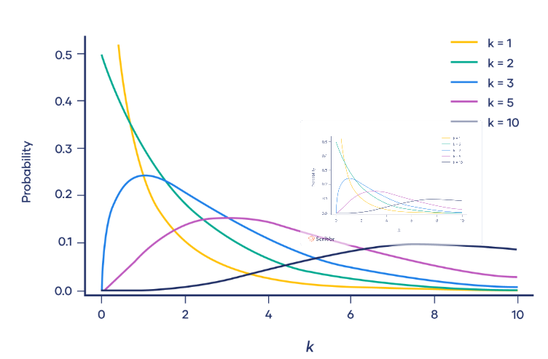 | Practical Statistics for Data Scientists pg80
 |  | scipy.stats.chi2.pdf(x, df) | calculates the probability density at a given value x for a Chi-Square distribution with df degrees of freedom.
 |  | scipy.stats.chi2.cdf(x, df) | calculates the cumulative probability up to a given value x. This represents the probability that a random variable from the distribution will be less than or equal to x

F-Distribution |  | use scipy.f.xxx() | Assumes continuous distribution An F-distribution is a continuous, right-skewed probability distribution that represents the ratio of two independent chi-square variables, each divided by its respective degrees of freedom. It is characterized by two parameters: numerator and denominator degrees of freedom, which determine its specific shape. The F-distribution is primarily used in statistical tests, especially in ANOVA (analysis of variance) to compare multiple means, and to test if two populations have equal variances. The graph of an F-distribution is always positively skewed to the right, with a minimum value of 0 and no maximum value. Its shape is determined by two degrees of freedom: one for the numerator (df1) and one for the denominator (df2). | 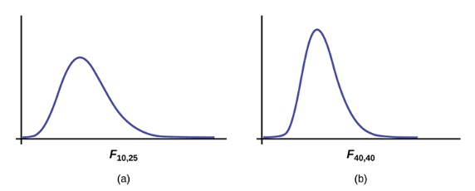 | Practical Statistics for Data Scientists pg82

Poisson Distributions |  | use scipy.poisson.xxx() | Assumes discrete distribution A Poisson distribution is a discrete probability distribution used to model the probability of a specific number of independent events occurring within a fixed interval of time or space, given a known average rate of occurrence. It applies when events happen at a constant average rate and are independent of each other, such as the number of calls to a call center in an hour or defects in a product per square meter. The distribution is defined by a single parameter, lambda (λ), which represents the average rate of events and also serves as both the mean and variance of the distribution The events being counted can only occur a whole number of times (e.g., 0, 1, 2, 3, etc.). There is no fixed sample size, so any number of events is theoretically possible, though less likely as it moves further from the mean. | 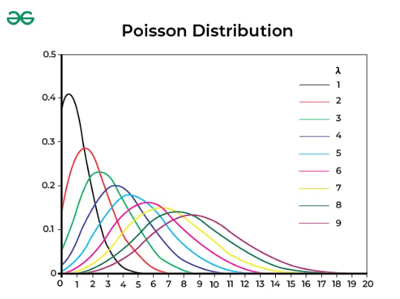 | Practical Statistics for Data Scientists pg83

Exponential Distributions |  | use scipy.expon.xxx() | Assumes continuous distribution An exponential distribution is a continuous probability distribution used to model the time until a specific event occurs, assuming events happen at a constant average rate and are independent of each other. It is characterized by a skewed, right-sided curve where small values are more common than large ones. Key applications include reliability engineering (e.g., time until a device fails) and queueing theory (e.g., time between customer arrivals) It answers questions like, "How long until the next event?". The expected future waiting time is independent of the time that has already passed. The distribution is skewed to the right, meaning there are more small waiting times and fewer very large ones. | 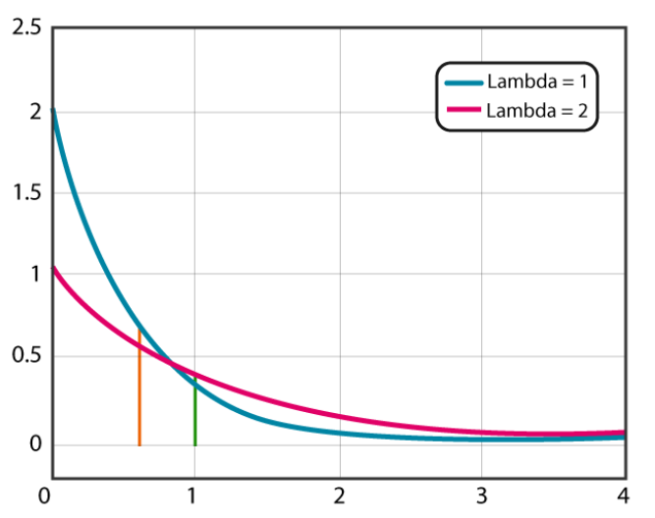 | Practical Statistics for Data Scientists pg84

Weibull Distribution |  | use scipy.weibull_min.xxx() use scipy.weibull_max.xxx() | Assumes continuous distribution The Weibull distribution is a flexible two or three-parameter probability distribution used primarily for reliability, lifetime, and failure analysis in engineering and other fields. It models the probability of a system or component failing over time and can take on characteristics of other distributions, such as the exponential and Rayleigh distributions, depending on its shape parameter. The shape parameter determines the failure rate, while the scale parameter determines the characteristic life. | 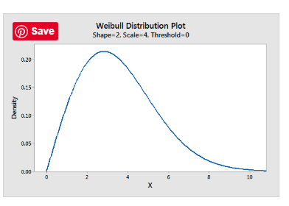 | Practical Statistics for Data Scientists pg85

Mean of the Posterior Distribution (Bayesian) |  | import numpy as np from empiricaldist import Pmf np.sum(posterior.ps * posterior.qs) #ps is the probabilities #qs is the quantities Think_Bayes pg58-59 | The mean of the posterior distribution in Bayesian statistics, often called the Bayes estimator or posterior mean, is the expected value of the parameter after updating prior beliefs with data; it's a weighted average of the prior mean and the sample mean, with more weight given to the more precise information (from the data as sample size grows). It summarizes the posterior distribution (our updated belief about a parameter) into a single best point estimate, minimizing expected squared error loss. Given a set of possible quantities (q) and their probabilities (p) the mean of the distirbution is mean = Σpq
Poisson PMF |  | 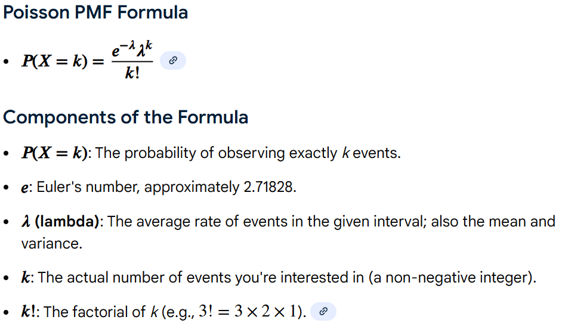 | Think Bayes pg 103
Kernel Density Estimation |  | How it Works (Intuition) Place Kernels: Imagine placing a small, identical "bump" (the kernel function K centered at each data point xi in your dataset.Scale by Bandwidth: The bandwidth h scales these bumps; a smaller h makes them narrower (spikier), while a larger h makes them wider (smoother).Sum & Normalize: At any given point x, you sum the contributions from all these individual bumps and then divide by n*h to ensure the total area under the curve equals one, making it a valid probability density function. Think_Bayes pg 114 | 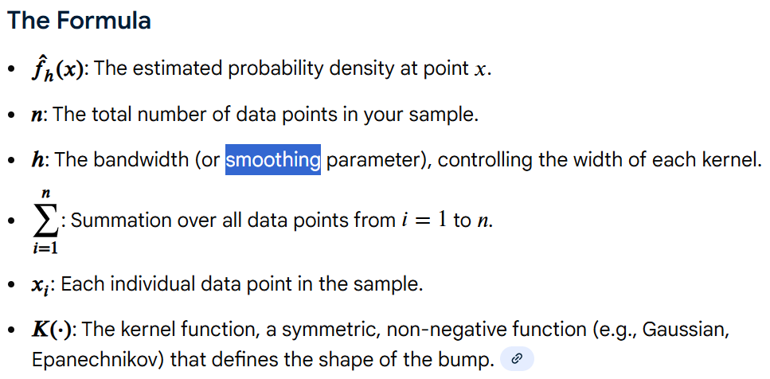
Joint Distiribution |  | Steps for Bayesian Joint Distribution: 1) Steps for Bayesian Joint Distribution 2) Define Prior Probabilities 3) Specify Conditional Probabilities 4) Construct Joint Distribution (Factorization): 5) Perform Inference (Update Beliefs): 6) Predict/Check: Use the posterior distribution for predictions or predictive checks (e.g., posterior predictive checks). def make_joint(pmf1, pmf2): """ Compute the outer produt of two Pmfs """ X, Y = np.meshgrid(pmf1, pmf2) return pd.DataFrame(X * Y, columns=pmf1.qs, index = pmf2.qs) Think_Bayes pg 148
Joint Likelihood |  | from scipy.stats import norm from empiricaldist import Pmf std = 7.7 ps = norm(mean, std).pdf(qs) prior = Pmf(ps, qs) prior.normalize() joint = make_joint(prior, prior) joint.shape x = joint.columns y = joint.index X, Y = np.meshgrid(x, y) A_taller = (X>Y) A_taller.dtype a = np.where(A_taller, 1, 0) likelihood = pd.DataFrame(a, index=x, columns=y)
Joint Posterior |  | posterior = joint * likelihood def normalize(joint): """ Normalize a joint distribution """ prob_data = joint.to_numpy().sum() joint /= prob_data return prob_data normalize(posterior)
Joint Marginal Distribution |  | def marginal(joint, axis): """ Compute a marginal distribution """ return Pmf(joint.sum(axis=axis)) marginal_A = marginal(posterior, axis=0) #x-axis marginal_B = marginal(posterior, axis=1) #y-axis

Feature Engineering
Model | Use | Formula
Min-max scaling | The formula for min-max scaling (also known as normalization) transforms an original data point to a new value within a specific range, typically between 0 and 1. | 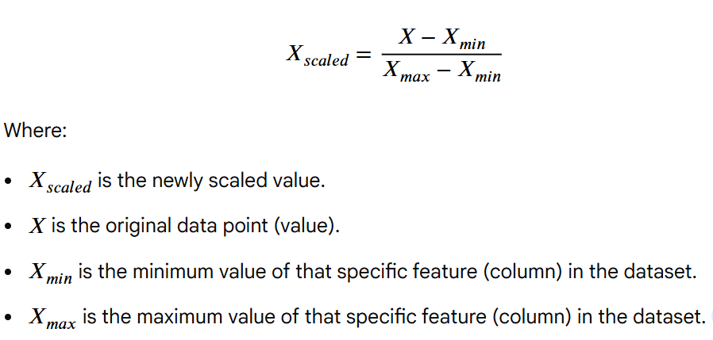
Z-score / Standarization / Variance Scaling | commonly known as Standardization or Z-score Normalization—is a technique that transforms data to have a mean (μ mu) of 0 and a standard deviation (σ sigma) of 1. | 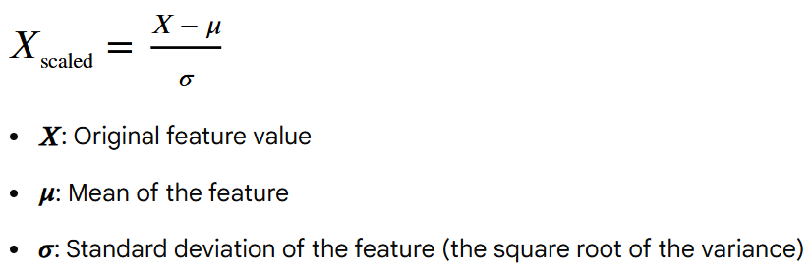
Box-Cox Transformation | The Box-Cox transform is a feature engineering technique used to stabilize variance and transform non-normal (skewed) data into a distribution that approximates a normal distribution. It is part of the power transform family, aimed at improving the performance of machine learning models—particularly linear models—that assume normally distributed data. | 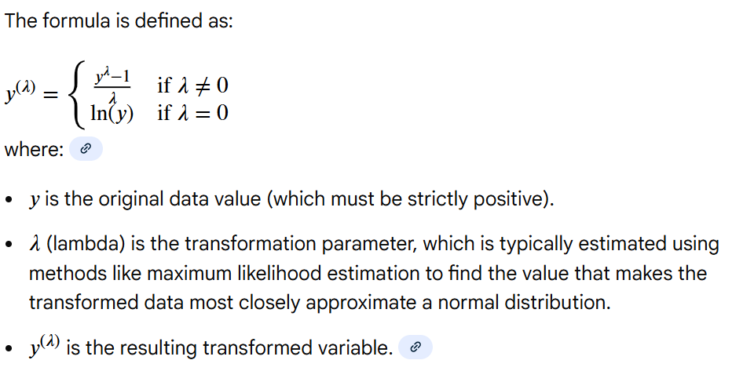 | 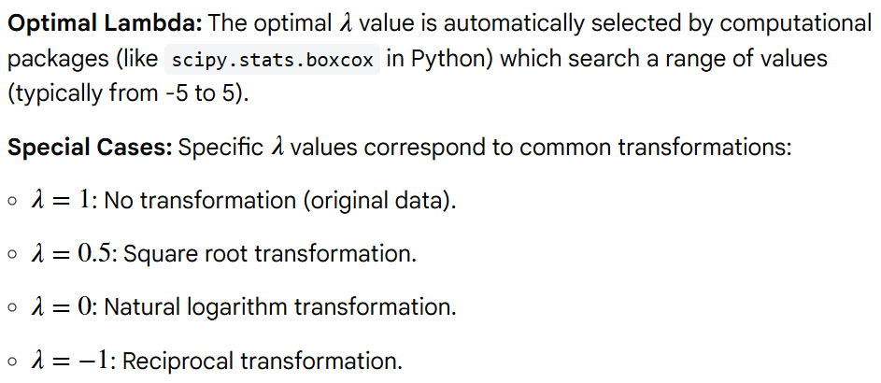
L1 Normalization | L1 Normalization (or L1 norm) is a preprocessing method that scales individual data samples so the sum of absolute values equals 1, focusing on sample magnitude. L1 Normalization adjusts input data scaling, whereas L1 Regularization is a penalty added to the loss function during training to prevent overfitting. L1 normalization (or Least Absolute Deviations) scales data by dividing each component by the sum of the absolute values of all components in a vector, ensuring the absolute values sum to 1. It promotes sparsity by driving irrelevant feature coefficients to zero, making it robust against outliers and useful for feature selection. | 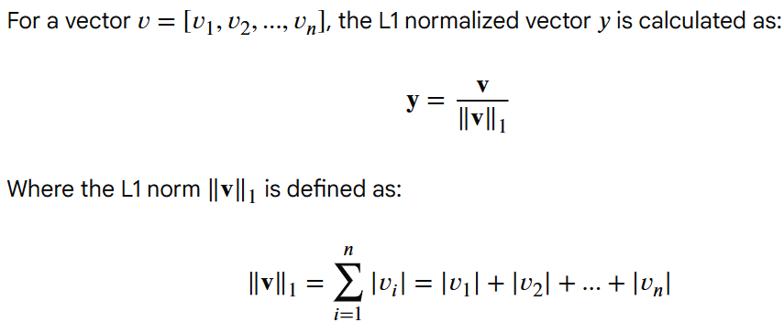 | 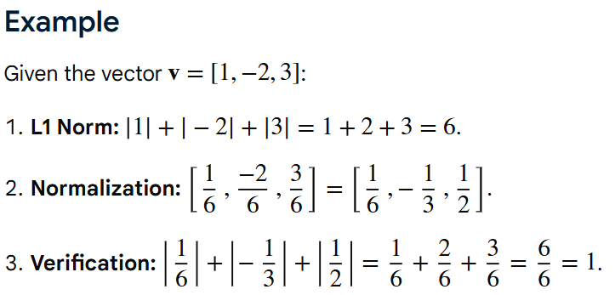
L2 Normalization | L2 normalization (also known as Euclidean normalization) in feature engineering scales individual samples (rows) to have a unit norm of 1, using the Euclidean distance formula. It focuses on the direction of the data rather than its magnitude. | 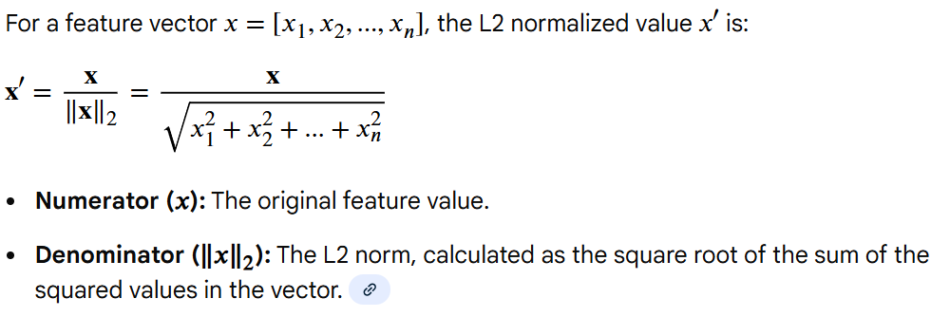 | 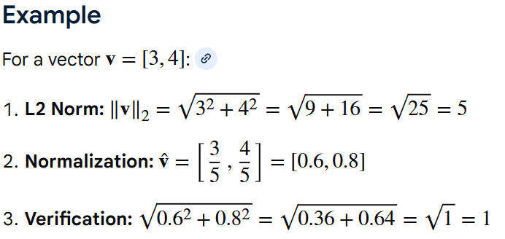
Tf-idf | term frequency document frequency (Tf-idf) looks at a normalized count where each word is divided by the number of documents this word appears in. Bow (w,d )= # times word w appears in document d tf-idf(w,d) = bow(w, d)*N / (# of documents in which word w appears) where N is the total number os documents in the dataset The fraction N / (# documents) is what's known as the inverse document frequency. If a word appears in many documents, then its inverse document frequency is close to 1. If a word is in just a few documents, then inverse document (frequency is much higher. Tf-idf makes rare words more prominent and effectively ignores common words | 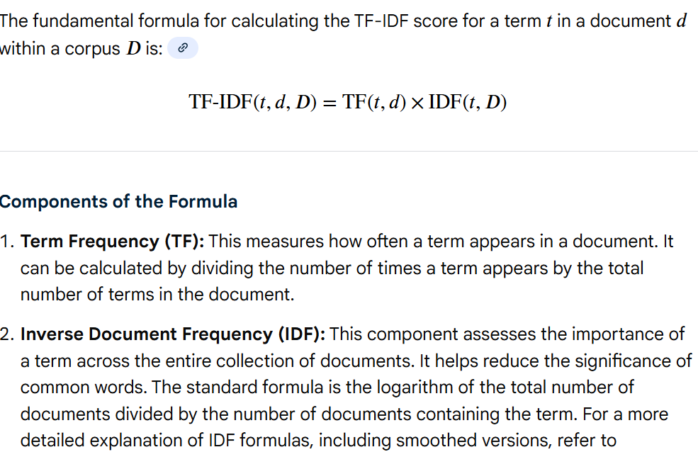 | Feature_Engineering pg 61-62

PCA
Projection coordinate | In PCA (Principal Component Analysis) and similar methods, the projected data (y) is obtained by multiplying the original, centered data matrix (X) by the projection matrix (eigenvectors V):
Vector of projection coordinates | Feature extraction using a vector of projection coordinates involves mapping high-dimensional data onto a lower-dimensional subspace (often defined by a vector \(\vec{b}\) or a set of basis vectors) to extract key structural information. | 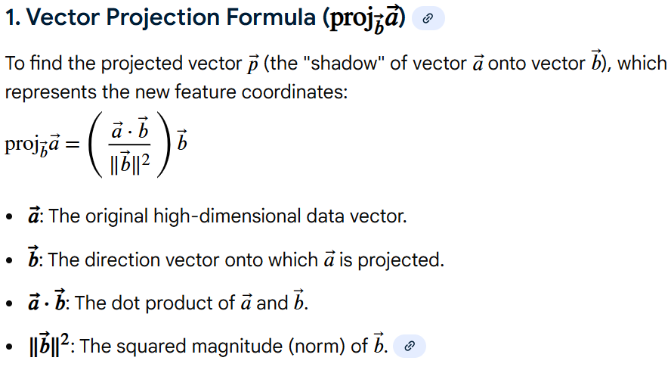
Variance of a random variable Z | The variance of a random variable Z measures its spread from the mean, calculated as the expected value of the squared difference from the mean. Crucial in feature extraction for understanding feature dispersion in datasets.
Covariance between two random variables | In feature extraction and statistics, covariance measures the joint variability of two random variables, \(X\) and \(Y\). A positive value indicates they move in the same direction, while a negative value indicates they move in opposite directions.
Empirical variance of Z based on observations z | the empirical variance of a feature Z (often representing projected data in techniques like PCA or LDA) based on n observations (z1,z2,...,zn) measures the spread of the feature values. |  | 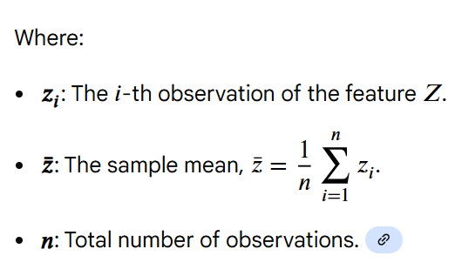
PCA: First Formulation (Part 1) | Feature extraction that maximizes the variance of the projected data is formally known as Principal Component Analysis (PCA). The goal is to find a linear transformation (projection) that transforms the data onto a new set of axes, where the first axis captures the maximum variance, the second axis captures the next highest variance, and so on
PCA: Matrix-Vector Formulation (Part 2) | Principal Component Analysis (PCA): Finds orthogonal vectors (principal components) that maximize variance, often using Eigen-decomposition. Transform: Project data onto eigenvectors of the covariance matrix. |  | 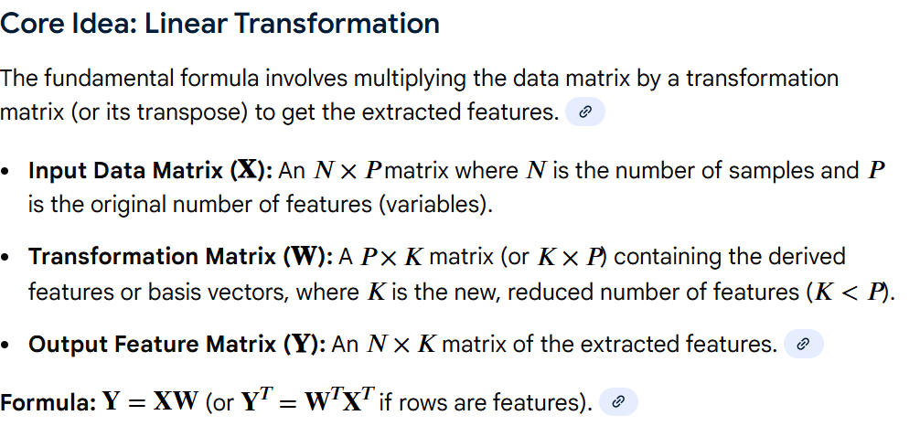
General Solution of PCA | Principal Component Analysis (PCA) is a feature extraction technique that reduces high-dimensional data into a lower-dimensional space by projecting it onto the directions of maximum variance (principal components). It converts a set of correlated variables into a smaller set of uncorrelated variables, known as principal components.
Simple PCA Transform | The formula for the Principal Component Analysis (PCA) feature transform is a linear operation that projects the data onto a new, lower-dimensional space defined by the principal components. | 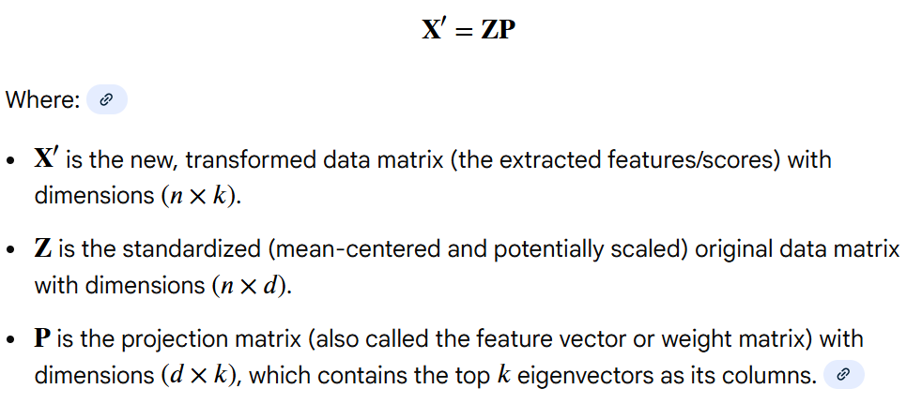

Hypothesis testing
Hypothesis Testing
Often the interest is not in the numerical value of the point estimate of the parameter, but in knowing the plausibility of a hypothesis about th population parameter by using sample data. Estimation is not enough to arrive at a conclusion in such cases
A hypothesis is a conjecture about the population parameter(s). The obejective of the hypothesis testing is to set a value for the parameter(s) and perform a statistical test to see whether that value is tenable in the light of the evidence gathered from the sample
Application of hypothesis testing; testing reseach hypothesis, testing the validity of a claim, testing the business decisions
Stating the hypothesis: null and alternative hypothesis. Two mutually excusive statements about the population parameter(s). Null Hypothesis (H0) is the presumed current state of the matter or status quo. Alternative Hypothesis (Ha) is the rival opinion or research hypothesis or an improvement target
A parameter is data that describes the entire population, while a statistic is data that describes a sample of that population | What are various types of population parameters???
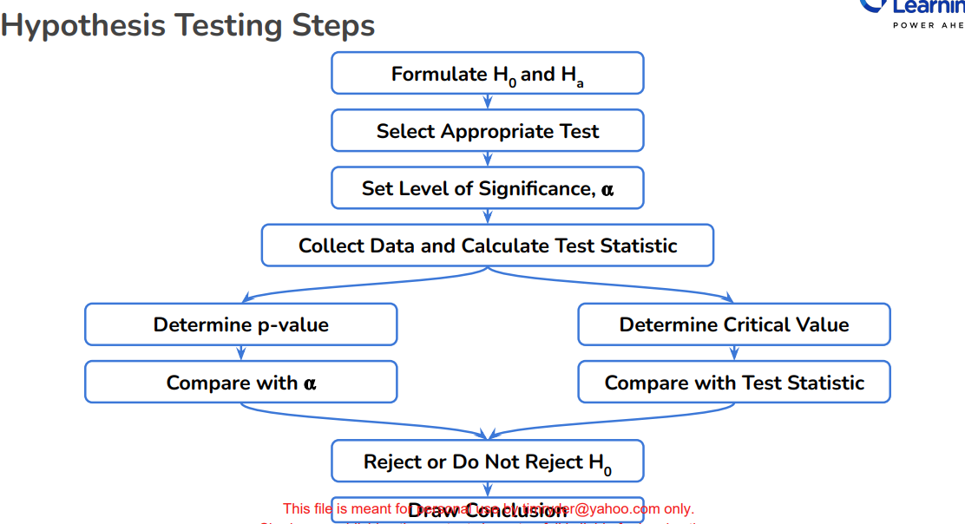
Population mean: H0: µ=8.5 Ha: µ<>8.5
Population proportion: H0: π=0.2 Ha: π>0.2
Null hypothesis is the negation of the research using values of =, >=, or <=
Alternative hypothesis is the research question to be proven using values of <>, >, or <
Null hypothesis is assumed to be true unless reasonably strong evidence to the contrary is found. Based on a random sample a decision is made whether there exists reasonably strong evidence against the null hypothesis. The technical term against the null hypothesis is to reject the null hypothesis in favour of the alternative hypothesis. If evidence is not strong, you fail to reject the null hypothesisin favour of the alternative hypothesis. Do Not say you accept the alternative hypothesis

The test statistic is calculated from the sample data and tested against the predetermined Decision Rule. The test statistic is a random variable that follows a standard distribution such as Normal, T, F, Chi-square, etc. Sometimes the tests are named after the test statistic. Since hypothesis testing is done on the basis of sampling distributionm the decision made are probabalistic. Hence, it is very important to understand the errors associated with hypothesis testing
Type 1 Error: Rejecting the null hypothesis when is it true. False positive. H0 is true and you incorrectly think Ha is good and reject H0 Type I Error Probability = α (alpha) - aka Level of Significance H0 is True and you reject H0 | 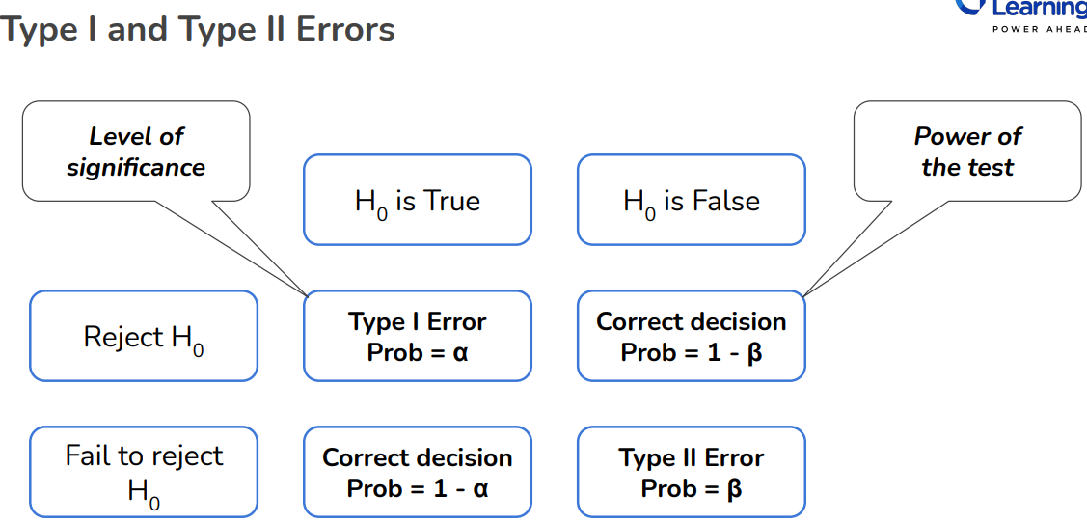
H0 is False and you reject H0. Correct decision Probability = 1β -aka the Power of the test
H0 is true and you fail to reject H0: Probability = 1-α
Type 2 Error: Failing to reject the null hypothesis when is it false. False negative. H0 is false(should be rejected in favor of Ha0) and you incorrectly think H0 is good and you fail to reject H0. Type II Error Probability = β (beta)

Hypothesis Testing Template
1) Identify the key question. What are you trying to answer
2) Establish the null and alternative hypothesis
3) Understand and prepare the data. What data do you have? Do you understand what it means? Can it be used directly?
4) Identify the right test. Choose the method for the testing based on the last 3 points
5) Check the assumptions. Ensure that the data satisfies the assumption for the test
6) Perform the test. Get to conclusion based on the results (p-value)

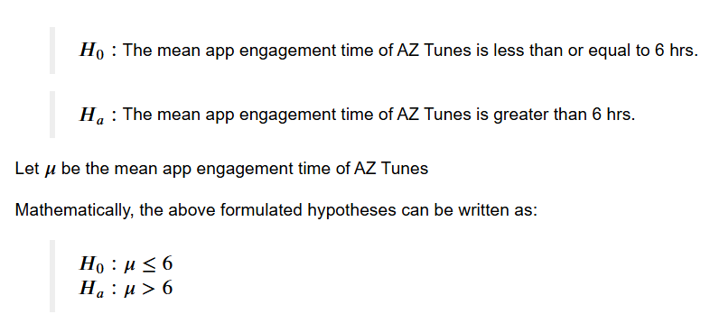
Performing a hypothesis test
Level of significance (α) - probability of rejecting the null hypothesis when it is true. Fixed (determine) BEFORE the hypothesis test. Type I Error. This is usually 5% in a business setting. This DOES NOT change with the data
p-value: probability of observing test statistic or more extreme results than the computed test statistic, under the null hypothesis. This depends on the sample data. Alpha is pre-fixed but p-value depends on the value of the test statistic.
Acceptance or Rejection Region: The total area under the distribution curve of the test statistic is partioned into acceptance and rejection region. Reject the null hypothesis when the test statistic lies in the rejection region. Else we fail to reject it.
Consider the following questions in hypothesis testing: 1) What are the null and alternative hypotheses? 2) What is an appropriate test statistic? 3) What is the preset level of significance? 4) How to check whether the data is giving significant eveidence against the null hypothesis or not?

Z-tests
The Z-test is a hypothesis test and the Z-score is a number representing the result of the Z-test. Assumptions of the Z-test: 1) Samples are drawn from a normal distribution. 2) If the sample size is > 30, the Central Limit Theorem states that the distribution of sample means will be normal. If the sample size was < 30, we could preform the z-test if we know that the population distribution was normal. 3) Observations are from a simple random sample. 4) Standard deviation is known.
T-tests
Test whether the T-test assumptions are satisfied or not: 1) Continuous data 2) Normally distributed population 3) Sample size < 30 4) Observations are independent of each other and made from a random sample 5) Population standard deviation is unknown

One Tail and Two Tailed Tests
The alternate hypothesis determines the test.
One-tailed: Greater than type: Ha : µ > µ0 Less than type: Ha : µ < µ0 critical_val = norm.ppf(0.05)
Two-tailed: Not equal type: Ha : µ ≠ µ0 critical_val1 = norm.ppf(1-(0.05/2)) critical_val2 = norm.ppf(0.05/2)
Test statistic does not change for one or two tailed tests. Only the critical value(s)/p-value associated with the test statistic changes. For two-tailed tests, divide the level of significance by 2. (i.e, 0.05/2)

Confidence Interval
The confidence interval contains all the values of µ0 for which the null hypothesis will not be rejected. Very often, if you get the confidence interval, you have automatically done a hypothesis test in a two-sided sense, because any parameter value, any null hypothesis value, that is outside the confidence interval will not be accepted or will be rejected in hypothesis testing terminology.

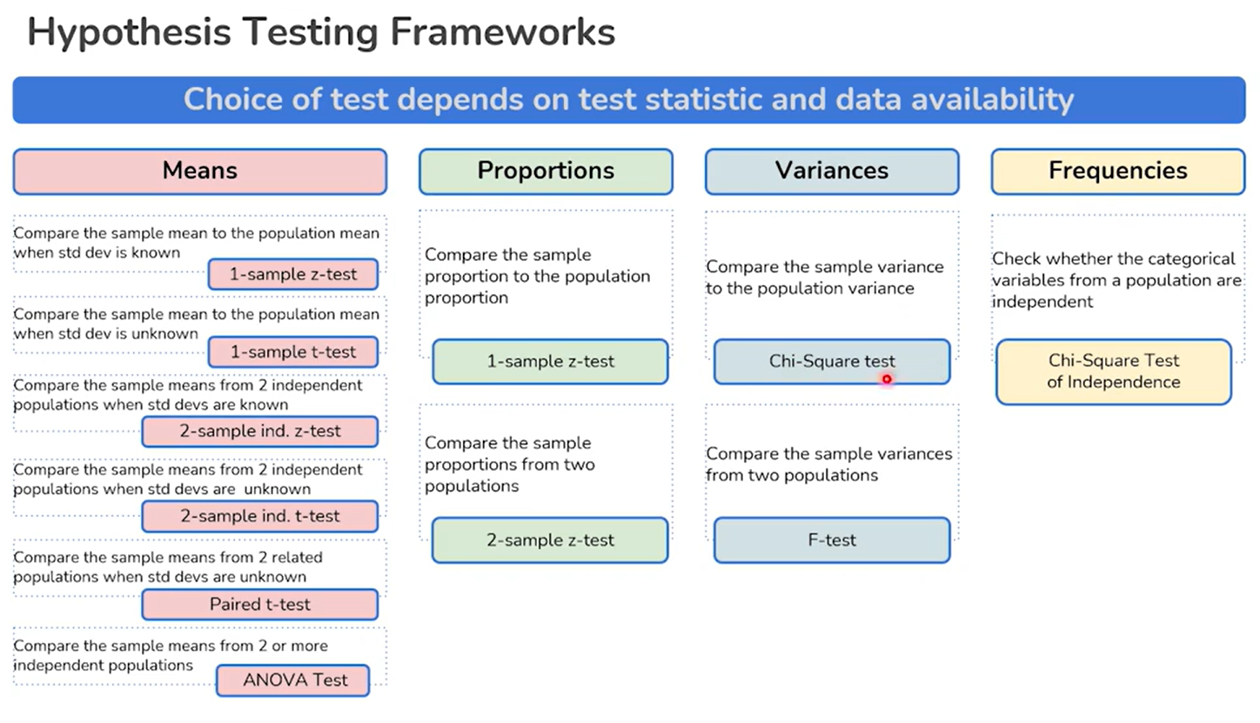 | 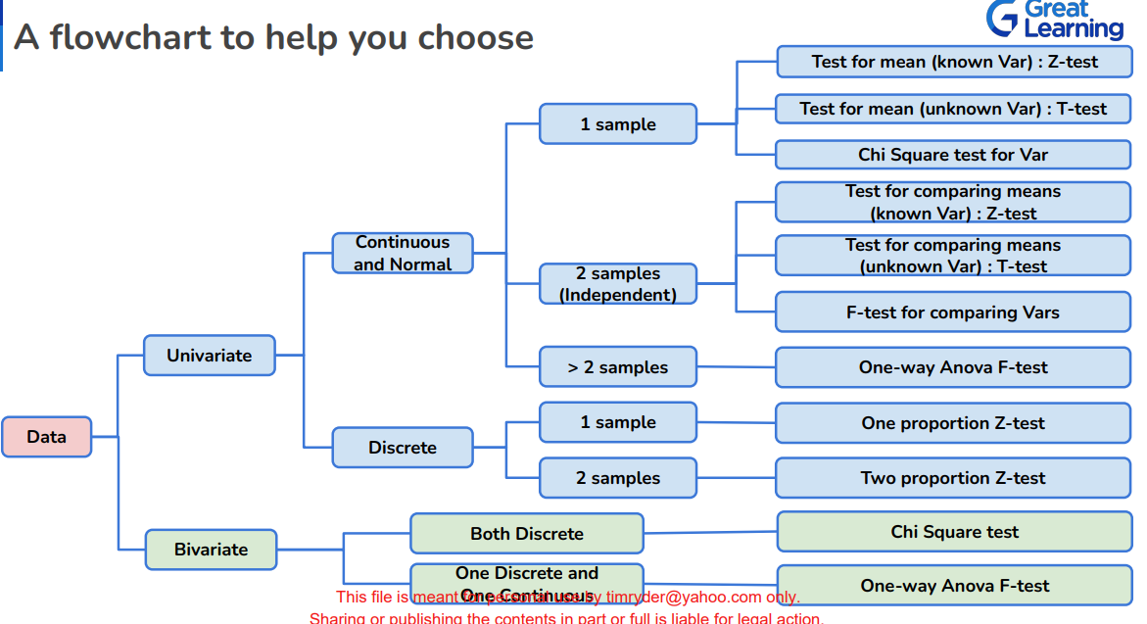

Means Testing
One Sample Z-test for Population Mean µ (1-sample z-test)
Compare the sample mean to the population mean when std deviation is known
Determine the null and alternative hypothesis: H0: µ = 5 Ha: µ>5
Test whether the Z-test assumptions are satisfied or not.
One sample Z-test - This can be used when the population standard deviation is known. It is rare that you will know the population standard deviation.
Calculate the z-statistic: test_stat = (x_bar - mu)/(sigma/sqrt(n)) or (sample mean - mu)/(sigma/sqrt(n)) Note: The result of the formula tells you how many standard deviations the sample mean is from the zero mean | -0.5933988764
Plot the z-test statistic
Calculate the probability of getting a higher number or equal to the test statistic value Note: prob_of_being_equal_or_higher_than_z_test = norm.sf(test_stat)
To conclude whether the evidence is significant enough to reject the null hypothesis in favor of alternate hypothesis or not use either the rejection region approach or the p-value approach
Rejection region approach: 1) Choose a value of level of significance (α) 2) Find the rejection region in the graph. To find this, find the value of Z (called the critical value) that gives an area of α to thte right end critical_val = norm.ppf(1-0.05) 3) Reject the null hypothesis if the test statistic falls in the rejection region. Note: This does not say anything about the strength of the evidence and is not the preferred method
P-value approach: 1) Choose the level of significance (α) 2) Calculate the p-value p_val = norm.sf(test_stat) 3) We reject the null hypothesis if p-value <= α Note: This does measure the strength of evidence against the null hypothesis. This p-value is the probability of finding the observed test statistic or more extreme results under the null hypothesis

One Sample T-Test for Population Mean (1-sample t-test)
Compare the sample mean to the population mean when the std deviation is unknown
Determine the null and alternative hypothesis: H0: µ = 40 Ha: µ>40
Test whether the T-test assumptions are satisfied or not.
Find the p-value. p-value: probability of observing test statistic or more extreme results than the computed test statistic, under the null hypothesis. This depends on the sample data. Alpha is pre-fixed but p-value depends on the value of the test statistic. | ### Step 2: Select Appropriate test
Use the ttest_1samp method in scipy to calculate the p-value and test statistic.
To conclude whether the evidence is significant enough to reject the null hypothesis in favor of alternate hypothesis or not use the p-value approach | * Categorical variables - Yes both the preferred language and conversion variables are categorical
P-value approach: 1) Choose the level of significance (α) 2) Calculate the p-value test_stat, p_value = ttest_1samp(fastfood['Time'], popmean = 40, alternative = 'greater') print('The p-value is ', p_value) 3) We reject the null hypothesis if p-value <= α Note: This does measure the strength of evidence against the null hypothesis. This p-value is the probability of finding the observed test statistic or more extreme results under the null hypothesis | * Expected value of the number of sample observations in each level of the variable is at least 5 - Yes, the number of observations in each level is greater than 5.
 | * Random sampling from the population - Yes, we are informed that the collected sample is a simple random sample.
Two Independent Sample Z-Tests for Equality of Means (2-sample ind. Z-test)
Compare the sample means from 2 independent populations when the std deviation is known | The test to perform is the Chi-Square test of independence
The two-sample (unpaired or independent) Z-test calculates if the means of two independent groups are equal or significantly different from each other. Unlike the t-test, Z-test is performed when the population means and standard deviation are known. | 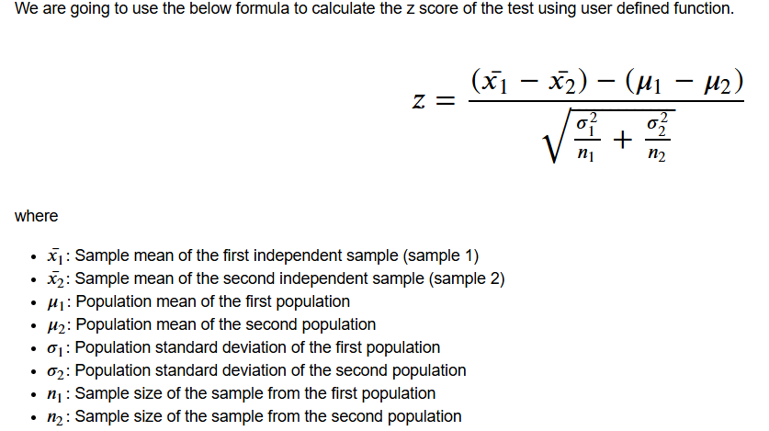
Test whether the Z-test assumptions are satisfied or not for both samples and populations
Find the p-value. p-value: probability of observing test statistic or more extreme results than the computed test statistic, under the null hypothesis. This depends on the sample data. Alpha is pre-fixed but p-value depends on the value of the test statistic.
Create a user defined function for this formula OR use the bioinfokit.analys tab for method to calculate the p-value
To conclude whether the evidence is significant enough to reject the null hypothesis in favor of alternate hypothesis or not use the p-value approach
P-value approach: 1) Choose the level of significance (α) 2) Calculate the p-value res.ztest(df=df, x='fact_A', y='fact_B', x_std=0.1, y=std=0.1, test_type=2) print(res.summary) 3) We reject the null hypothesis if p-value <= α Note: This does measure the strength of evidence against the null hypothesis. This p-value is the probability of finding the observed test statistic or more extreme results under the null hypothesis

Two Independent Sample T-Test For Equality of Means - Equal STD deviation (2-samples ind.t-test)
Compare the sample means from 2 independent populations when the std deviation is unknown
Determine the null and alternative hypothesis: H0: µ1 = µ2 Ha: µ1 ≠ µ2
Check whether the means are different in the sample data
Test whether the T-test assumptions are satisfied or not. - Include assumption of equal population standard deviations - Include populations are independent of each other
Find the p-value. p-value: probability of observing test statistic or more extreme results than the computed test statistic, under the null hypothesis. This depends on the sample data. Alpha is pre-fixed but p-value depends on the value of the test statistic.
Use the ttest_ind method in scipy to calculate the p-value and test statistic.
To conclude whether the evidence is significant enough to reject the null hypothesis in favor of alternate hypothesis or not use the p-value approach
P-value approach: 1) Choose the level of significance (α) 2) Calculate the p-value test_stat, p_value = ttest_ind(tvradio['Cable_TV'], tvradio['FM_Radio'], equal_var = True, alternative = 'two-sided') print('The p-value is ' + str(p_value)) 3) We reject the null hypothesis if p-value <= α Note: This does measure the strength of evidence against the null hypothesis. This p-value is the probability of finding the observed test statistic or more extreme results under the null hypothesis

Two Independent Sample T-Test For Equality of Means - Unequal STD deviation (2-samples ind.t-test)
Determine the null and alternative hypothesis: H0: µ1 = µ2 Ha: µ1 > µ2
Check whether the means are different in the sample data
Test whether the T-test assumptions are satisfied or not. - Include assumption of equal population standard deviations - Include populations are independent of each other
Find the p-value. p-value: probability of observing test statistic or more extreme results than the computed test statistic, under the null hypothesis. This depends on the sample data. Alpha is pre-fixed but p-value depends on the value of the test statistic.
Use the ttest_ind method in scipy to calculate the p-value and test statistic.
To conclude whether the evidence is significant enough to reject the null hypothesis in favor of alternate hypothesis or not use the p-value approach
P-value approach: 1) Choose the level of significance (α) 2) Calculate the p-value test_stat, p_value = ttest_ind(satscore['College'], satscore['High School'].dropna(), equal_var = False, alternative = 'greater') print('The p-value is ', p_value) 3) We reject the null hypothesis if p-value <= α Note: This does measure the strength of evidence against the null hypothesis. This p-value is the probability of finding the observed test statistic or more extreme results under the null hypothesis

Paired Sample Test for Equality of Means (Paired T-Test)
Compare the sample means from 2 related populations when std deviations are unknown
Determine the null and alternative hypothesis: H0: µ1 = µ2 Ha: µ1 < µ2
Check whether the means are different in the sample data
Test whether the T-test assumptions are satisfied or not. - - Include assumption of equal population standard deviations - The population standard deviations are unknown - Include populations are not independent of each other (they are related/dependent/matched) - Example: year 2022 and year 2023 of house prices - Example 2: Comparing two means calculated at different times from the same set of people, the two groups become related (dependent) | 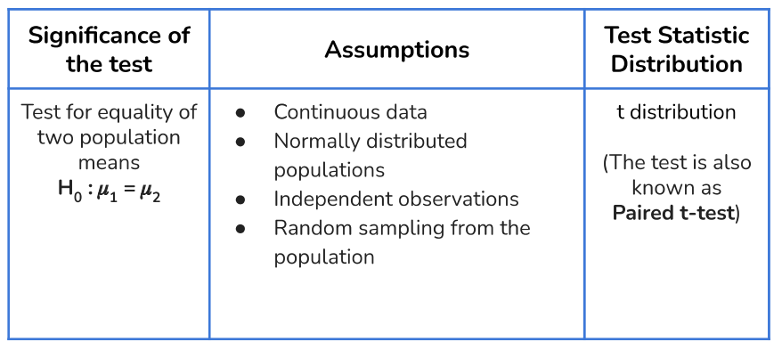
Find the p-value. p-value: probability of observing test statistic or more extreme results than the computed test statistic, under the null hypothesis. This depends on the sample data. Alpha is pre-fixed but p-value depends on the value of the test statistic.
Use the ttest_rel method in scipy to calculate the p-value and test statistic.
To conclude whether the evidence is significant enough to reject the null hypothesis in favor of alternate hypothesis or not use the p-value approach
P-value approach: 1) Choose the level of significance (α) 2) Calculate the p-value test_stat, p_value = ttest_rel(houseprice['Jan_2002'], houseprice['Jan_2003'], alternative = 'less') print('The p-value is ', p_value) 3) We reject the null hypothesis if p-value <= α Note: This does measure the strength of evidence against the null hypothesis. This p-value is the probability of finding the observed test statistic or more extreme results under the null hypothesis

One-Way Anaylsis of Variance Test (ANOVA Test) | what are the assumptions?
Compare the sample means from 2 or more independent populations
Determine the null and alternative hypothesis: H0: µ1 = µ2 = µ3 Ha: At least one level is different from the rest
Determine the mean of the different levels for the categorical column samples
Draw a boxplot of the means above for the different # mean of carbon emission at different levels of the fuel_type factor print(aovdata.groupby("fuel_type")["co_emissions"].mean()) # draw the boxplot for visualization fig, ax = plt.subplots(figsize = (6,6)) a = sns.boxplot(x= "fuel_type", y = 'co_emissions' , data = aovdata, hue = 'fuel_type') a.set_title("Carbon Emission w.r.t. Fuel type (3 levels)", fontsize=15) plt.show() | 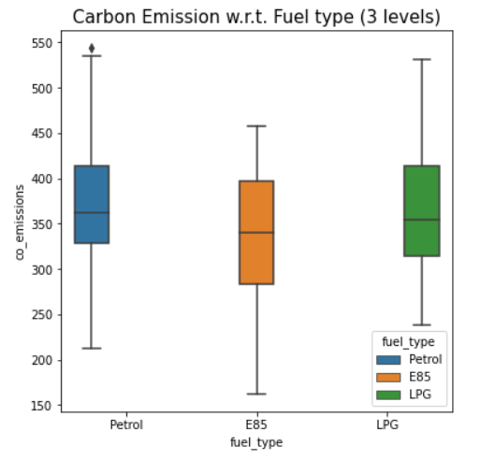
Check the normality and equality of variance assumptions:
For testing of normality, Shapiro-Wilk’s test is applied to the response variable. - perform null hypothesis test for this # Assumption 1: Normality # import the required function from scipy import stats # find the p-value w, p_value = stats.shapiro(aovdata['co_emissions']) print('The p-value is', p_value)
For equality of variance, Levene test is applied to the response variable - perform null hypothesis test for this #Assumption 2: Homogeneity of Variance #import the required function from scipy.stats import levene statistic, p_value = levene( aovdata['co_emissions'][aovdata['fuel_type']=="Petrol"], aovdata['co_emissions'][aovdata['fuel_type']=="E85"], aovdata['co_emissions'][aovdata['fuel_type']=="LPG"]) # find the p-value print('The p-value is', p_value)
Test whether the ANOVA assumptions have been met: 1) The populations are normally distributed (use Shapiro-Wilk's Test) 2) Samples are independent siple random samples 3) Population variances(std) are equal using the Levene's Test
Use the f-oneway method in scipy to calculate the p-value and test statistic.
To conclude whether the evidence is significant enough to reject the null hypothesis in favor of alternate hypothesis or not use the p-value approach
P-value approach: 1) Choose the level of significance (α) 2) Calculate the p-value # perform one-way anova test test_stat, p_value = f_oneway(aovdata.loc[aovdata['fuel_type'] == 'Petrol', 'co_emissions'], aovdata.loc[aovdata['fuel_type'] == 'E85', 'co_emissions'], aovdata.loc[aovdata['fuel_type'] == 'LPG', 'co_emissions']) print('The p-value is ' + str(p_value)) 3) We reject the null hypothesis if p-value <= α Note: This does measure the strength of evidence against the null hypothesis. This p-value is the probability of finding the observed test statistic or more extreme results under the null hypothesis
To identify which category level mean is different from the group, perform the multiple comparison test (Tukey HSD)
Determine the null and alternative hypothesis: H0: µ1 = µ2 and µ1= µ3 and µ2= µ3 Ha: µ1 ≠ µ2 or µ1≠ µ3 or µ2 ≠ µ3
Use the pairwise_tukeyhsd() method in statsmodels.api to calculate the p-value and which category level is rejected
#import the required function from statsmodels.stats.multicomp import pairwise_tukeyhsd # perform multiple pairwise comparison (Tukey HSD) m_comp = pairwise_tukeyhsd(endog = aovdata['co_emissions'], groups = aovdata['fuel_type'], alpha = 0.05) print(m_comp)
To conclude whether the evidence is significant enough to reject the null hypothesis in favor of alternate hypothesis or not use the p-value approach
P-value approach: 1) Choose the level of significance (α) 2) Calculate the p-value # perform multiple pairwise comparison (Tukey HSD) m_comp = pairwise_tukeyhsd(endog = aovdata['co_emissions'], groups = aovdata['fuel_type'], alpha = 0.05) print(m_comp) 3) We reject the null hypothesis if p-value <= α Note: This does measure the strength of evidence against the null hypothesis. This p-value is the probability of finding the observed test statistic or more extreme results under the null hypothesis
From the weeks notebook example: Insight As the p-values (refer to the p-adj column) for comparing the mean carbon emissions for the pair E85-LPG and E85-Petrol is less than the significance level, the null hypothesis of equality of all population means can be rejected. Thus, we can say that the mean carbon emission for Petrol and LPG is similar but emission for fuel type E85 is significantly different from LPG and Petrol.

Proportions Testing
One Proportion Z-Test (1-sample z-test)
Compare the sample proportion to the population proportion
The proportion test compares the sample's proportion to the population's proportion or compares the sample's proportion to the proportion of another sample. We use this test to check if the known proportion is statistically correct, based on the sample proportion and the sample size. The null hypothesis assumes that the known proportion is correct. The statistical decision will be based on the difference between the know proportion and the sample proportion.
Determine the null and alternative hypothesis: H0: p <= 0.5 Ha: p > 0.5
Test whether the Z-test assumptions are satisfied or not. - Binomally distributed population - Random sampling from the population - Can the binomial distribution approximated to normal distribution. The standard thing is to check whether np and n(1-p) are greater than or equal to 10. Here, n and p refer to the sample size and sample proportion respectively.
Find the p-value. p-value: probability of observing test statistic or more extreme results than the computed test statistic, under the null hypothesis. This depends on the sample data. Alpha is pre-fixed but p-value depends on the value of the test statistic.
Use the proportions_ztest method in statsmodel.api to calculate the p-value and test statistic.
To conclude whether the evidence is significant enough to reject the null hypothesis in favor of alternate hypothesis or not use the p-value approach
P-value approach: 1) Choose the level of significance (α) 2) Calculate the p-value test_stat, p_value = proportions_ztest(24, 90, value = 0.5, alternative = 'larger') print('The p-value is ' + str(p_value)) 3) We reject the null hypothesis if p-value <= α Note: This does measure the strength of evidence against the null hypothesis. This p-value is the probability of finding the observed test statistic or more extreme results under the null hypothesis

Two Proportion Z-Test (2-sample z-test)
Compare the sample proportions from two populations
We use this test to check if the proportion of group1 is the same as the proportion of group2. The tool's null hypothesis assumes that the known difference between the groups is zero (using only the pooled variance). Example: compares the proportion of good oranges between two fields, base on a sample from each group. H0 assumes the proportions are identical.
Determine the null and alternative hypothesis: H0: p1=p2 Ha: p1 ≠p2
Test whether the Z-test assumptions are satisfied or not. - Binomally distributed population - Random sampling from the population - Can the binomial distribution approximated to normal distribution. The standard thing is to check whether np and n(1-p) are greater than or equal to 10. Here, n and p refer to the sample size and sample proportion respectively.
Find the p-value. p-value: probability of observing test statistic or more extreme results than the computed test statistic, under the null hypothesis. This depends on the sample data. Alpha is pre-fixed but p-value depends on the value of the test statistic.
Use the proportions_ztest method in statsmodel.api to calculate the p-value and test statistic.
To conclude whether the evidence is significant enough to reject the null hypothesis in favor of alternate hypothesis or not use the p-value approach
P-value approach: 1) Choose the level of significance (α) 2) Calculate the p-value test_stat, p_value = proportions_ztest(defect_count, nobs) print('The p-value is ' + str(p_value)) 3) We reject the null hypothesis if p-value <= α Note: This does measure the strength of evidence against the null hypothesis. This p-value is the probability of finding the observed test statistic or more extreme results under the null hypothesis

Variance Testing
Variance tests are used for a comparison of variability(std), often as a predecessor for other tests. Let us take many samples of the same size from a normal population and find the sample variances. They follow a chi-square distribution which is dependent on the degrees of freedom.
One Variance Test (Chi-Square test)
Compare the sample variance to the population variance
Determine the null and alternative hypothesis: H0: σ2=22.42 Ha: σ2>22.42
Test whether the Chi-Square test assumptions are satisfied or not.
Find the p-value. p-value: probability of observing test statistic or more extreme results than the computed test statistic, under the null hypothesis. This depends on the sample data. Alpha is pre-fixed but p-value depends on the value of the test statistic.
#import the required function from scipy.stats import chi2 # user-defined function to get the test stat and p-value # To know more about the derivation of test statistic formula, please refer to the monographs and additional materials def chi_var(pop_var, sample_var, n): # calculate the test statistic test_stat = (n - 1) * sample_var / pop_var # calculate the p-value p_value = 1 - chi2.cdf(test_stat, n-1) return (test_stat, p_value) # set the value of sample size n = 32 # set the values of population and sample variance sigma_2, s_2 = 22.4**2, 26.4**2 test_stat, p_value = chi_var(sigma_2, s_2, n) print('The p-value is ', p_value) | 
To conclude whether the evidence is significant enough to reject the null hypothesis in favor of alternate hypothesis or not use the p-value approach
P-value approach: 1) Choose the level of significance (α) 2) Calculate the p-value test_stat, p_value = chi_var(sigma_2, s_2, n) print('The p-value is ', p_value) 3) We reject the null hypothesis if p-value <= α Note: This does measure the strength of evidence against the null hypothesis. This p-value is the probability of finding the observed test statistic or more extreme results under the null hypothesis

F-test for Equality of Variances (F-test)
Compare the sample variances from two populations
Determine the null and alternative hypothesis: H0: σ21=σ22 Ha: σ21≠σ22
Test whether the F test assumptions are satisfied or not.
Find the p-value. p-value: probability of observing test statistic or more extreme results than the computed test statistic, under the null hypothesis. This depends on the sample data. Alpha is pre-fixed but p-value depends on the value of the test statistic.
# import the required function from scipy.stats import f # user-defined function to perform F-test # To know more about the derivation of test statistic formula, please refer to the monographs and additional materials def f_test(x, y): x = np.array(x) y = np.array(y) test_stat = np.var(x, ddof=1)/np.var(y, ddof=1) #calculate F test statistic dfn = x.size-1 #define degrees of freedom numerator dfd = y.size-1 #define degrees of freedom denominator p = (1 - f.cdf(test_stat, dfn, dfd)) # find p-value of F test statistic p1 = p*2 # Converting one-tail to two-tail test return(print("The p_value is {}" .format(round(p,8)))) #perform F-test f_test(bagweight.dropna()['Machine 1'], bagweight.dropna()['Machine 2']) | 
To conclude whether the evidence is significant enough to reject the null hypothesis in favor of alternate hypothesis or not use the p-value approach
P-value approach: 1) Choose the level of significance (α) 2) Calculate the p-value see above 3) We reject the null hypothesis if p-value <= α Note: This does measure the strength of evidence against the null hypothesis. This p-value is the probability of finding the observed test statistic or more extreme results under the null hypothesis

Frequencies
Chi-Square Test of Independence (Chi-Square Test of Ind)
Check whether the categorical variables from a population are independent
Determine the null and alternative hypothesis: H0: Categorical value A is independent of categorical value B Ha: Categorical value A is dependent on categorical value B
Test whether the assumptions are satisfied or not. 1) Categorical variables 2) Expected value of the number of sample observations in each level of the variable(column) is at least 5 3) Random sampling from the population
Use the chi2_contingency method in scipy to calculate the p-value and test statistic.
To conclude whether the evidence is significant enough to reject the null hypothesis in favor of alternate hypothesis or not use the p-value approach
P-value approach: 1) Choose the level of significance (α) 2) Calculate the p-value chi, p_value, dof, expected = chi2_contingency(beverage.drop('Age', axis = 1)) print('The p-value is', p_value) 3) We reject the null hypothesis if p-value <= α Note: This does measure the strength of evidence against the null hypothesis. This p-value is the probability of finding the observed test statistic or more extreme results under the null hypothesis

Classification Model Formulas
Model | Use | Formula
Logistic Regression | Can be also written as log(y/1-y) = ax + b .... this is a linear function and sigmoid in shape. Use minimize "log loss" or minimize "cross entropy" to find the "a" and "b" coefficients Returns a probability value from this formula of an event or something occurring | 
Joint Likelihood (using logarithmic multiplication) | Product of individual likelihoods for all \(n\) observations (due to independence) b0 = -3.17576395 b1 = 0.69267212 def logistic_function(x): p = 1.0 / (1.0 + math.exp(-(b0+b1*x))) return p # calculate the joint likelihood joint_likelihood = 1.0 for p in patient_data: if p.y == 1.0: joint_likelihood *= logistic_function(p.x) elif p.y == 0.0: joint_likelihood *= (1.0 - logistic_function(p.x)) ------------------------------------ # Ex 6-5: Compressing the joint likelihood calculation without an if expression for p in patient_data: joint_likelihood *= logistic_function(p.x)**p.y* \ (1.0 - logistic_function(p.x))**(1-0-p.y) | 
Joint Likelihood (using logarithmic addition) | Computationally more efficient than using logarithmic multiplication b0 = -3.17576395 b1 = 0.69267212 def logistic_function(x): p = 1.0 / (1.0 + math.exp(-(b0+b1*x))) return p # Ex 6-6: Using logarithmic addition joint_likelihood = 0.0 for p in patient_data: joint_likelihood += math.lob(logistic_function(p.x)**p.y* \ (1.0 - logistic_function(p.x))**(1.0-p.y)) joint_likelihood = math.exp(joint_likelihood)
Gradient Descent for Logistic Regression | # Ex 6-8: Using gradient descent on logistic regression from sympy import * import pandas as pd points = list(pd.read_csv('https://tinyurl.com/y2cocoo7').itertuples()) b1, b0, i, n = symbols('b1 b0 i n') x, y = symbols('x y', cls=Function) joint_likelihood = Sum(log((1.0 / (1.0 + exp(-(b0+b1*x(i)))))**y(i) * \ (1.0 - (1.0 / (1.0 + exp(-(b0+b1*x(i))))))**(1-y(i))), (i,0,n)) # Partial derivative for m, with points substituted d_b1 = diff(joint_likelihood, b1).subs(n, len(points)-1).doit() \ .replace(x, lambda i: points[i].x) \ .replace(y, lambda i: points[i].y) # Partial derivative for b, with points substituted d_b0 = diff(joint_likelihood, b0).subs(n, len(points)-1).doit() \ .replace(x, lambda i: points[i].x) \ .replace(y, lambda i: points[i].y) | # Compile using lambdify for faster computation d_b1 = lambdify([b1, b0], d_b1) d_b0 = lambdify([b1, b0], d_b0) # Perform gradient descent b1 = 0.01 b0 = 0.01 L = 0.01 for i in range(10_000): b1 += d_b1(b1, b0)*L b0 += d_b0(b1, b0)*L print(b1, b0) ------- b0 = -3.17575 b1 = 0.692667
logit function | The logit equation, or logit function, transforms a probability (p) into the log-odds Transforms Probabilities: Maps probabilities (0 to 1) to the range of negative to positive infinity. Linearizes Relationships: Linearizes sigmoid (S-shaped) relationships, essential for logistic regression. Log-Odds: Represents the logarithm of the odds, useful for interpretation. |  
Probit Regression | Probit regression classification uses the cumulative standard normal distribution, Ф(z), to model the probability of a binary outcome (0 or 1) as P(Y=1|X)= Ф(β0+β1X1+...+ βkXk), where β0+ β1X1+... +βkXk is the "probit index" or z-score, estimating the likelihood of belonging to the positive category (e.g., success). The classification decision is made by predicting probabilities and assigning the class with the highest probability (often > 0.5), with coefficients indicating changes in the z-score. Use minimize "log loss" or minimize "cross entropy" to find the "a" and "b" coefficients
Bagging
Random Forest
AdaBoost |  | 
Gradient Boosting
XGB Boosting
Entropy | Entropy will be small when every pi is close to 0 or 1 (i.e., when most of the data is in a single class), and it will be larger when many of the pi's are not close to 0 (i.e, when the data is spread across multiple classes) from collections import Counter, defaultdict from functools import partial import math, random def entropy(class_probabilities): """given a list of class probabilities, compute the entropy""" return sum(-p * math.log(p, 2) for p in class_probabilities if p) def class_probabilities(labels): total_count = len(labels) return [count / total_count for count in Counter(labels).values()] def data_entropy(labeled_data): labels = [label for _, label in labeled_data] probabilities = class_probabilities(labels) return entropy(probabilities) |  We'd like some notion of the entropy that results from partioning a set of data in a certain way. We want a partition to have low entropy if it splits the data into subsets that themselves have low entropy, and high entropy if it contains subsets that have high entropy Data_science_from_scratch pg 203-205

Regression Model Formulas
Model | Use | Formula
Closed Form Equation | For a simple linear regression with only one input and one output variable, here are the closed form equations to calculate m and b |  a= ((Σy)/n) - m((Σx)/n)
inverse matrix techniques | This equation calculates a vector of coefficients b given a matrix of input variable values X and a vector of output variable values y. | The w in the formula is the vector of "b" coefficients
matrix decomposition | We take our matrix X, append an additional column of 1s to generate the intercept β0 just like before, and then decompose it into towo component matrices Q and R. Then use Q and R ro find the beta coefficient values in the matrix form b X = Q*R b = R-1*QT*y | 
gradient descent | an optimization technique that use derivatives and iterations to minimize/maximize a set of parameters against an objective # Performing stochastic gradient descent for i in range(epochs): idx = np.random.choice(n, sample_size, replace=False) x_sample = X[idx] y_sample = Y[idx] # The current predicted value of Y Y_pred = m*x_sample + b # d/dm derivative of loss function D_m = (-2 / sample_size) * sum(x_sample*(y_sample-Y_pred)) D_b = (-2 / sample_size) * sum(y_sample-Y_pred) m -= L * D_m b -= L* D_b |  see Essential_Math_for_Data_Science pg 165 and 170 for alternative formula
maximum likelihood estimation (MLE) | A Maximum Likelihood Estimate (MLE) is a parameter value that makes observed data most probable, found by maximizing the likelihood function (probability of data given parameters). In essence, you find the model parameters (like mean or variance) that best fit your data, essentially asking "what parameters would make the data I see the most likely outcome?". This is a powerful statistical method used for parameter estimation across many models, from simple normal distributions to complex machine learning models, often using calculus (derivatives) or numerical optimization to find the peak of the likelihood curve | see Data Science from Scratch pg 177 for alternative formula
logistic log gradient | def logistic_log_partial_ij(x_i, y_i, beta, j): """here i is the index of the data point, j the index of the derivative""" return (y_i - logistic(dot(x_i, beta))) * x_i[j] def logistic_log_gradient_i(x_i, y_i, beta): """the gradient of the log likelihood corresponding to the i-th data point""" return [logistic_log_partial_ij(x_i, y_i, beta, j) for j, _ in enumerate(beta)] def logistic_log_gradient(x, y, beta): return reduce(vector_add, [logistic_log_gradient_i(x_i, y_i, beta) for x_i, y_i in zip(x,y)]) | see Data Science from Scratch pg 194
stochastic gradient descent | def maximize_stochastic(target_fn, gradient_fn, x, y, theta_0, alpha_0=0.01): return minimize_stochastic(negate(target_fn), negate_all(gradient_fn), x, y, theta_0, alpha_0) def logistic_log_likelihood_i(x_i, y_i, beta): if y_i == 1: return math.log(logistic(dot(x_i, beta))) else: return math.log(1 - logistic(dot(x_i, beta))) def logistic_log_gradient_i(x_i, y_i, beta): """the gradient of the log likelihood corresponding to the i-th data point""" return [logistic_log_partial_ij(x_i, y_i, beta, j) for j, _ in enumerate(beta)] beta_0 = [1, 1, 1] beta_hat = maximize_stochastic(logistic_log_likelihood_i, logistic_log_gradient_i, x_train, y_train, beta_0)
ID3 decision tree for regression and classification | ID3 builds the tree recursively: Calculate dataset entropy. Calculate information gain for each attribute. Select the attribute with the highest information gain as the decision node. Split the dataset by the chosen attribute's values. Recursively apply the process to subsets. Stop when subsets are pure, no attributes remain, or subsets are empty.

Metric Formulas
Type | Metric | Use | Formula
Classification | Confusion Matrix | 
 | Accuracy | Use as a rough indicator of model training progress/convergence for balanced datasets. For model performance, use only in combination with other metrics. Avoid for imbalanced datasets. Consider using another metric.
 | Recall | Use when false negatives are more expensive than false positives.
 | False Positive Rate | Use when false positives are more expensive than false negatives.
 | Precision | Use when it's very important for positive predictions to be accurate.
 | Specificity (True Negative Rate) | In classification, the True Negative Rate (TNR), also known as Specificity, measures how well a model correctly identifies actual negative cases (no condition present) out of all actual negatives | TNR = TN / (TN + FP)
 | Balanced accuracy | Average fraction of positives and negatives that are truly predicted. The balanced accuracy in binary and multiclass classification problems to deal with imbalanced datasets. It is defined as the average of recall obtained on each class. The best value is 1 and the worst value is 0 when adjusted=False. | (Recall + Specificity)/2
 | Matthews correlation coefficient (MCC) | The Matthews correlation coefficient (MCC) is a highly reliable statistical rate for evaluating binary and multiclass classification models, producing a high score only if the model predicts good results across all four confusion matrix categories (TP, TN, FP, FN). It provides a balanced measure (between -1 and +1) even with imbalanced datasets, acting as a more informative metric than accuracy or F1 score.
 | Misclassification Rate | Also known as error rate and tells about how often our model is wrong | Misclassification Rate = (FP + FN) / (TP + TN + FP + FN)
 | Prevalence | how often yes condition really/actually occurs. | Prevalence = (TP + FN) / (TP + TN + FP + FN)
 | F1-Score | F1-Score is a harmonic mean between recall and precision. Its range is [0,1]. This metric usually tells us how precise (correctly classifies how many instances) and robust (does not miss any significant number of instances) our classifier is. For imbalanced datasets, consider using metrics like the F1-score. | F1-score = 2 * (precision * recall) / (precision + recall)
 | F-Beta Score | f-Beta score is a performance metric that balances the importance of precision and recall based on a user-defined parameter called Beta. It is a generalized form of the F1-score, where Beta controls the weight of precision and recall. When the Beta is equal to 1, F-Beta score is equivalent to F1-score. When Beta is greater than 1, recall is given more importance than precision, and when Beta is less than 1, precision is given more importance than recall. | F-Beta score = ((1 + Beta²) * (precision * recall)) / (Beta² * precision + recall)
 | Average Precision Score | The average_precision_score computes the area under the precision-recall curve. This curve visualizes the trade-off between precision and recall at various thresholds. The AP score provides a single value that summarizes the performance of a classifier across different thresholds | 
 | Log Loss (single instance) | Log loss, also known as logistic loss or cross-entropy loss, is a metric used to evaluate the performance of classification models, particularly those that output probabilities. It quantifies the dissimilarity between predicted probabilities and the actual class labels. Log loss values are non-negative, with 0 indicating a perfect model. Higher values indicate worse model performance. It is not restricted to the range between 0 and 1. Primarily used for classification problems where the model predicts probabilities for each class.
 | Log Loss (multiple instance) | Log loss, also known as logistic loss or cross-entropy loss, is a metric used to evaluate the performance of classification models, particularly those that output probabilities. It quantifies the dissimilarity between predicted probabilities and the actual class labels. Log loss values are non-negative, with 0 indicating a perfect model. Higher values indicate worse model performance. It is not restricted to the range between 0 and 1. Primarily used for classification problems where the model predicts probabilities for each class.
 | Log Loss Multi-Class | Log loss, also known as logistic loss or cross-entropy loss, is a metric used to evaluate the performance of classification models, particularly those that output probabilities. It quantifies the dissimilarity between predicted probabilities and the actual class labels. Log loss values are non-negative, with 0 indicating a perfect model. Higher values indicate worse model performance. It is not restricted to the range between 0 and 1. Primarily used for classification problems where the model predicts probabilities for each class. | 
 | Log Likelihood (Binary Classification) | The log-likelihood formula transforms the product of probabilities (likelihood) into a sum of logarithms, simplifying calculations, especially for independent events def logistic(x): return 1.0 / (1 + math.exp(-x)) def logistic_prime(x): return logistic(x) * (1 - logistic(x)) def logistic_log_likelihood_i(x_i, y_i, beta): if y_i == 1: return math.log(logistic(dot(x_i, beta))) else: return math.log(1 - logistic(dot(x_i, beta))) def logistic_log_likelihood(x, y, beta): return sum(logistic_log_likelihood_i(x_i, y_i, beta) for x_i, y_i in zip(x, y)) | 
 | Akaike Information Criterion (AIC) | In classification, AIC helps in comparing different models. It can be used to evaluate the performance of different algorithms or different configurations of the same algorithm, such as logistic regression. AIC helps select the model that best balances accuracy and complexity. Low AIC means model is good so by comparing different models we can select best fitting model. If 2 models have same AIC than one with fewer parameters can be taken as better-fit model. AIC uses concept of maximum likelihood. AIC is most useful when comparing models on the same dataset. | 
 | Bayesian Information Criterion (BIC) | The Bayesian Information Criterion (BIC) is a formula used for model selection, balancing the model's goodness of fit against its complexity to prevent overfitting | 
 | Residual Deviance | The residual deviance (and null deviance, for the intercept-only model) helps assess if adding predictors significantly improves the model fit, often using a chi-squared test.
 | Null Deviance | In classification (like logistic regression), the null deviance formula quantifies how poorly a model performs with only an intercept, comparing it to a perfect (saturated) model, where the null model predicts the overall sample proportion for every outcome, serving as a baseline for model improvement. It's essentially the difference in fit (times -2) between the saturated model (perfect fit) and the basic intercept-only model, showing how much better even a simple model is than nothing at all. If you have 30 successes (k) out of 100 trials (n), the null model predicts {p}=0.3 for everyone. The null deviance is then: -2* [(30*log (0.3))+(70*log (1-0.3))]
 | Cross Validation Score | sklearn.model_selection.cross_val_score() Can be used as an alternative to the train_test_split() function. Uses k-fold cross validation (cv)to split the training set in k folds then training the model k times, holding out a different fold each time for evaluation The scoring method is a parameter to input
 | Impurity Measures of Decision Trees | Gini Impurity - Used by the CART - Is a measure of how often a randomly chosen element from the set would be incorrectly labeled if it was randomly labeled according to the distribution of labels in the subset - Can be computed by summing the probability of an item with label 'i' being chosen (Pi), times the probability of a mistake (1 - Pi) in categorizing that item - Choose the split that maximizes the Gini gain | 
 | R-Squared | There is no really a consensus on the best way to calculate R-squared ona logistic regression, but a popular technique known as McFadden's Pseudo R-squared closely mimics the R-squared used in linear regression import pandas as pf from math import log, exp patient_data = list(pd.read_csv('https://bit.ly/33ebs2R', delimiter=',').itertuples()) b0 = -3.17576395 b1 = 0.69267212 def logistic_function(x): p = 1.0 / (1.0 + exp(-(b0 + b1*x))) return p log_likelihood_fit = sum(log(logistic_function(p.x)) * p.y + log(1.0-logistic_function(p.x)) * (1.0-p.y) for p in patient_data) likelihood = sum(p.y for p in patient_data) / len(patient_data) log_likelihood = sum(log(likelihood) * p.y + log(1.0 - likelihood)*(1.0-p.y) \ for p in patient_data) # Calculate R-Square r2 = (log_likelihood - log_likelihood_fit) / log_likelihood |  R2 = [(log likelihood)-(log likelihood fit)] / (log likelihood)
 | Chi-Squared Distribution (χ2) | The chi-square distribution function describes the distribution of sums of squared standard normal variables, used in statistical tests (like goodness-of-fit, independence) for categorical data and feature selection in ML, with shape determined by degrees of freedom, becoming more normal as the degrees of freedom increases, and its CDF/PDF functions are crucial for calculating p-values in hypothesis testing # calculate p-value chi2_input = 2 * (log_likelihood_fit - log_likelihood) p_value = chi2.pdf(chi2_input, 1) # 1 degree of freedom (n - 1) print(p_value) # 0.0016604875618753787 | (χ2) = 2((Log likelihood fit) - (log likelihood))
 | P-Value (from Chi-Squared Distribution) | A p-value from a chi-square test indicates the probability of observing your data (or more extreme) if the null hypothesis were true; you classify it by comparing it to a significance level (α), usually 0.05: a small p-value (e.g., < 0.05) suggests strong evidence against the null hypothesis (reject H0), while a large p-value (e.g., > 0.05) means insufficient evidence to reject the null (fail to reject H0). The chi-square distribution function calculates this p-value (the area to the right of your test statistic on the curve) given your calculated (χ2) value and degrees of freedom (df). # calculate p-value chi2_input = 2 * (log_likelihood_fit - log_likelihood) p_value = chi2.pdf(chi2_input, 1) # 1 degree of freedom (n - 1) print(p_value) # 0.0016604875618753787

Regression
 | Variance | Variance (Var(X)) - this is the measure of spread or the measure of risk
 | Covariance | Covariance (Cor(X,Y)) - the larger the positive covariance, the more positive the assocation is - the larget the negative covariance, the more negative the assocation is - the closer the covariance is to zero, the more the data has no linear association - Covariance between X and Y is the same as the covariance between Y and X - the covariance between a variable and itseld is the variance of the variable Cov(X, X) = Var(X) - this formula is similiar to the Variance formula - covariance does has its problems: - the unit size is important (km vs m vs cm) which can cause the result to be crazy high or crazy low just because of the unit of measure - it is not scale invariant
 | Mean Absolute Error (MAE) | The average distance between predicted and original values. It doesn't give any idea about the direction of the error which is whether we are under-predicting or over-predicting our data. MAE is less sensitive to outliers than MSE but may not adequately penalize large errors. MAE is less sensitive to outliers than MSE or RMSE, making it suitable for scenarios where occasional extreme values may distort the accuracy assessment. If the MAE is $5,000, it implies that, on average, the model’s predictions deviate from the true sales by $5,000.
 | Mean Bias Error (MBE) | Also known as prediction bias. Prediction bias is the difference between the mean of a model's predictions and the mean of actual (ground-truth) labels (rows) in the data. A model with zero prediction bias would, on average, predict outcomes that match the true distribution of the data. In the context of machine learning with scikit-learn, prediction bias refers to the systematic error in a model's predictions. It indicates a consistent tendency to over- or under-estimate the true values. Unlike MAE, MSE, and RMSE, scikit-learn does not have a direct function for MBE. MBE number is the average value the model tends to over or under predict (+/-) np.mean(np.array(y_pred) - np.array(y_true))
 | Mean Squared Error (MSE) | The Mean Squared Error (MSE) formula in regression calculates the average of the squared differences between your model's predicted values and the actual observed values
 | Root Mean Squared Error (RMSE) | RMSE is a metric that can be obtained by just taking the square root of the MSE value. As we know that the MSE metrics are not robust to outliers and so are the RMSE values. This gives higher weightage to the large errors in predictions. RMSE is preferred when the distribution of errors is not normal or when outliers are present, as it mitigates the impact of large errors. The lower the value, the better.
 | Root Mean Square Logarithmic Error (RMSLE) | There are times when the target variable varies in a wide range of values. And hence we do not want to penalize the overestimation of the target values but penalize the underestimation of the target values. For such cases, RMSLE is used as an evaluation metric which helps us to achieve the above objective. sklearn.metrics.mean_squared_log_error()
 |  | Log Transformation: log(value + 1): Applying the natural logarithm to both actual and predicted values (plus one) to handle zeros and scale errors, making it less sensitive to large outliers. | log(value + 1)
 |  | Squared Log Error (SLE):
 |  | Mean Squared Log Error (MSLE)
 | R2 - Score (Correlation coefficient, Pearson correlation) |  The coefficient of determination also called the R2 score is used to evaluate the performance of a linear regression model. It is the amount of variation in the output-dependent attribute which is predictable from the input independent variable(s). It is used to check how well-observed results are reproduced by the model, depending on the ratio of total deviation of results described by the model. R² ranges from 0 to 1, with higher values indicating a better fit of the model to the data. However, it does not provide information about the goodness of individual predictions. R² may artificially increase with more independent variables, and a high R² does not necessarily imply a good model fit. R² provides a straightforward interpretation of the proportion of variance explained by the model, facilitating communication and decision-making among stakeholders. Use when stakeholders prioritize interpretability and ease of understanding. An R² value of 0.80 means that the model explains 80% of the variability in actual data. sklearn.metrics.r2_score() statsmodels.regression.linear_model.OLSResults.rsquared() | n = len(points) numerator = n * sum(p.x * p.y for p in points) - \ sum(p.x for p in points) * sum(p.y for p in points) denominator = sqrt(n*sum(p.x**2 for p in points) - sum(p.x for p in points)**2) \ * sqrt(n*sum(p.y**2 for p in points) - sum(p.y for p in points)**2) corr = numerator / denominator
 | R2 Adj - Score | Adjusted R-squared is a modified version of R-squared that adjusts for the number of predictors in a model. It penalizes the addition of irrelevant variables, providing a more accurate measure of model fit, especially when dealing with multiple predictors. The adjusted R-squared will be lower than the R-squared if the new variables don't improve the model fit significantly. Adjusted R-squared penalizes model complexity, balancing capturing variance in the data and avoiding overfitting, thereby providing a more robust measure of goodness-of-fit. Use where balancing bias and variance is essential. statsmodels.regression.linear_model.OLSResults.rsquared_adj() For sklearn... # Calculate R-squared r2 = r2_score(y, y_pred) # Calculate adjusted R-squared n = len(y) p = X.shape[1] adjusted_r2 = 1 - ((1 - r2) * (n - 1) / (n - p - 1))
 | Mean Absolute Percentage Error (MAPE) | MAPE is used to express the error in terms of percentage. It is defined as the difference between the actual and predicted value. The error is then divided by the actual value. The results are then summed up and finally and we calculate the average. Smaller the percentage better the performance of the model. MAPE expresses prediction accuracy in percentage terms, making it suitable for assessing relative errors and comparing performance across different datasets or time periods. Use where relative errors are more critical than absolute errors. If the MAPE is 10%, it means, on average, the model’s predictions deviate from the true value by 10%. from sklearn.metrics import mean_absolute_percentage_error
 | Explained Variance Score | Best Possible Score (1.0): Indicates that the model perfectly explains all the variance in the target variable. Lower Values: Indicate that the model is less effective at explaining the variance. Negative Values: Possible when the model performs worse than simply predicting the mean of the target variable. Values near 0: Indicates that the model is not explaining much of the variance in the target variable. sklearn.metrics.explained_variance_score()
 | Het_goldfeldquandt | The het_goldfeldquandt function in Python, available through the statsmodels library, is used to perform the Goldfeld-Quandt test for heteroscedasticity. This test assesses whether the variance of the errors in a regression model is constant across different subsets of the data. To detect heteroscedasticity, which violates a key assumption of linear regression. A small p-value (typically less than 0.05) would lead you to reject the null hypothesis and conclude that heteroscedasticity is present. from statsmodels.stats.diagnostic import het_goldfeldquandt | 
 | Sum of squared error (SSE) OR Residual Sum of Squares (RSS) | measure the overall error of a linear regression. The Sum of Squared Errors (SSE), also called Residual Sum of Squares (RSS), measures a model's total error by summing the squares of the differences between observed data points and their predicted values from a model, indicating how well the model fits the data (lower SSE = better fit). It's crucial for evaluating regression models, forming the basis for metrics like R-squared, and helping find optimal model parameters by minimizing this error during training. In regression, the error variance (often denoted as σ2 ) estimates the variability of the true errors. Also known as Sum of Squared Errors (SSE)
 | Standard Error of the Estimate (SEE) (Se)
 | Regression Sum of Squares (SSR) | Measures variation explained by the regression line (how far predicted values are from the mean). | 
 | Het_breuschpagan | The statsmodels.stats.diagnostic.het_breuschpagan() function performs the Breusch-Pagan Lagrange Multiplier test for heteroscedasticity. It assesses whether the variance of the residuals in a regression model is constant (homoscedasticity) or varies with the independent variables (heteroscedasticity). The null hypothesis is that the residual variance is constant (homoscedasticity). If the p-value is below a chosen significance level (e.g., 0.05), then the null hypothesis is rejected, suggesting heteroscedasticity. statsmodels.stats.diagnostic.het_breuschpagan()
 | AIC | In regression, AIC helps determine the optimal model complexity. For example, when choosing the degree of a polynomial regression, AIC can guide the selection of the most appropriate degree. AIC is useful when dealing with small datasets or time series analysis, where cross-validation may not be feasible. Low AIC means model is good so by comparing different models we can select best fitting model. If 2 models have same AIC than one with fewer parameters can be taken as better-fit model. AIC uses concept of maximum likelihood. The higher the number the better the fit. A lower AIC score indicates a better model. When comparing models, the one with the lowest AIC is preferred. AIC is most useful when comparing models on the same dataset. |  AIC = 2p — 2 (log-likelihood) Here p is number of parameters and log-likelihood is a measure of model fit.
 | BIC | The Bayesian Information Criterion (BIC) is a model selection criterion that helps evaluate the relative quality of statistical models by balancing model fit against complexity. BIC penalizes model complexity more heavily than AIC (Akaike Information Criterion), especially for larger datasets. In regression, BIC is used to compare different models and select the one that best balances goodness of fit and model complexity. It penalizes models with more parameters, promoting simplicity. A lower BIC value indicates a better model. BIC is useful for feature selection, helping to identify the most relevant features for a model.
 | Standard Error / Deviation of the Coefficients | The "standard deviation of regression coefficients" usually refers to the Standard Error of the Coefficients, a measure of their precision, calculated using residuals, degrees of freedom, and predictor variable variance

Clustering
 | Homogeneity | measures how many data points within the same cluster are similar to each other. Higher values mean higher performance
 | Completeness | measures how similar the data points that are clustered together are. Higher values mean higher performance
 | V-measure (normalized information score) | measure both homogeneity and completeness at the same time. Higher values mean higher performance. V-measure is an external cluster evaluation metric that acts as the harmonic mean of homogeneity (clusters contain only one class) and completeness (all class members are in the same cluster). It requires ground truth labels to evaluate clustering quality, with a score of 1.0 indicating perfect clustering.
 | Mutual information | Mutual Information (MI) in clustering is an entropy-based, external evaluation metric that measures the agreement between predicted cluster labels and ground truth labels, with higher values indicating better alignment. It measures shared information, is independent of label permutations, but favors models with more clusters. Higher values are higher performance
 | Adjusted mutual information | Adjusted Mutual Information (AMI) is an external cluster validation metric that measures the agreement between two clusterings (e.g., predicted vs. ground truth) by adjusting raw Mutual Information for chance. It corrects for higher MI values often found in larger cluster numbers, ranging from 0 (random agreement) to 1 (perfect match). Higher values mean higher performance

Forecast Formulas
Forecast = Trendt-1 + Seasonalityt-1 + Cyclicalt-1 + Unexplained Variance where t=time | Demand_Forecasting | pg 53
Forecast = Trendt-1 + Seasonalityt-1 + Cyclicalt-1 + Causal Factor(s)t-1 + Unexplained Variance where t=time | Demand_Forecasting | pg 55
Forecast attainment = (Actuali / Forecasti) x 100 | Demand_Forecasting | pg 79
Error = et = At - Ft where et = error for time period t At = actual sales for time period t Ft = forecast for time period t | Demand_Forecasting | pg 81
Percentage Error = PE = ((At-Ft)/At) * 100 | Demand_Forecasting | pg 82
Mean Error = ME = 1/n (nΣt=1 [At-Ft]) where t = time period n = number of time periods At = actual sales for time period t Ft = forecast for time period t | Demand_Forecasting | pg 84
Mean Absolute Deviation (MAD) aka Mean Absolute Error (MAE) | Demand_Forecasting | pg 86
Mean Percent Error (MPE) = ME / At * 100 | Demand_Forecasting | pg 86
Mean Absolute Percent Error (MAPE) | Demand_Forecasting | pg 87
Weighted absolute percentage error (WAPE) | Demand_Forecasting | pg 89
Demand = f(trend/cycle + seasonality + unexplained error) where f = function of OR Yt = f(Tt, St, Et) | Demand_Forecasting | pg 104
Times series decomposition approaches: additive = Yt = Tt + St + Et multiplicative = Yt = Tt * St * Et | Demand_Forecasting | pg 105
Moving average = T2 = 1/3 * (W1 + W2 + W3) SMA = (Sum of Data Points over 'n' Periods) / n | Demand_Forecasting | pg 111
Single Exponential Smoothing = Ft+1 = Ft + ά(Yt-Ft) where α is a constant between 0 and 1. A value close to 1 will have an adjustent value that is substantial, making the forecasts more sensitive to swings in the past historical demand based on the previous period's error. When α is close to 0, the forecast will include very little adjustment, making it less sensitive to past swings in demand. Next Forecast = (1 - α) * Current Forecast + α * Actual Value | Demand_Forecasting | pg 116
Holt' 2 Parameter Method | Demand_Forecasting | pg 120
 Holts'-Winter's method:Level (Lt): The baseline value of the series at time t.Trend Tt: The rate of change (slope) in the series over time.Seasonal St: The cyclical, repeating pattern in the data.Smoothing Parameters alpha ,beta ,gamma: Weights (between 0 and 1) that control how much influence recent data has on level, trend, and seasonality updates.Seasonality Period (m): The number of periods in a season (e.g., 4 for quarterly, 12 for monthly). | Demand_Forecasting | pg 122
Adjusted (R-squared) = 1 - [(1 - (R^2)) * (n - 1) / (n - k - 1)] | Demand_Forecasting | pg 150
Mean Elasticity = β Coefficient * Xbart / Ybart | Demand_Forecasting | pg 151
Point Elasticity = β Coefficient * Xbart-1 / Ybart-1 | Demand_Forecasting | pg 151
Durbin-Watson | Demand_Forecasting | pg 155
 ARIMA where \(Y_{t}\) is the series, \(B\) is the backshift operator, \(\phi \) are AR coefficients, \(\theta \) are MA coefficients, \(d\) is the differencing order, \(c\) is a constant, and \(\epsilon _{t}\) is white noise error, allowing it to model trends and seasonality in data. | Demand_Forecasting | pg 165
 General UCM equation | Demand_Forecasting | pg 179
Simple averaging of several forecasting methods: ACF = (FM1 + FM2 + FM3) / 3 where ACF = average combined forecast FM = forecast method | Demand_Forecasting | pg 192
Weighted combined forecast (WCF): WCF = β1FM1 + β2FM2 + β3FM3 | Demand_Forecasting | pg 192

correlation coefficient = xj+1 = r*xj + sqrt(1-r2) * w where w is a random sample from a white noise distribution | Modern_Time_Series_Forecasting_In_Python | pg 9

Python Stats Module
Type
Binomial - The binomial distribution is a discrete probability distribution that calculates the likelihood an event will occur a specific number of times in a set number of opportunities. Use this distribution when you have a binomial random variable. These variables count how often an event occurs within a fixed number of trials. They have only two possible outcomes that are mutually exclusive. | Cumulative Distribution Function - Calculate the probability that X takes a value less than or equal to y | binom.cdf() | # What is the probability that two or fewer of the LED bulbs are defective? n = 10, p = 0.05 stats.binom.cdf(k=2, n=n, p=p) | GL_Stats_Wk1_Exercises
 | Probability Mass Function - Probability that X takes the value of y. Looks at a specific point. | binom.pmf() | # Eight of the ten are rated either outstanding or excellent n = 10, k = 8, p = 0.10 + 0.75 stats.binom.pmf(k=k, n=n, p=p) | GL_Stats_Wk1_Exercises
 | Survival Function - Calculate the probability that X takes the value greater than or equal to y | binom.sf() | # During an NBA game, a basketball player has two foul shots (free throw) and the conversion rate of free-throw shots is 93% # What is the probability that the player will convert at least one shot? k=0, n=2, p=0.93 # the k value is one less than what you are looking for stats.binom.sf(k=k, n=n, p=p) | Gl_Stats_Wk1_Exercises

Normal Distribution - A standard normal distribution is used to compare 2 normal distributions with different parameters(mu, sigma) The standard normal variable is denoted by Z and the distribution is also known as Z distribution. It always has a mean of 0 and standard deviation of 1 | Cumulative Distribution Function - Calculate the probability that X takes a value less than or equal to y | norm.cdf() | # What is the probability that the bottle content is below 1.9 liters or above 2.1 liters? mean = 2.0 std = 0.05 stats.norm.cdf(x=1.9, loc=mean, scale=std) + stats.norm.sf(x=2.1, loc=mean, scale=std) | Gl_Stats_Wk1_Exercises
 | Confidence Interval - Confidence interval with equal areas around the median. Loc = mean, scale = sigma/sqrt(n), confidence is the percent confidence. | norm.interval() | # set the values of sample mean and sigma x_bar, sigma = 110, 7 # set the value of sample size n = 50 # construct the confidence interval np.round(norm.interval(0.95, loc=x_bar, scale=sigma / np.sqrt(n)), 2) | GL_Stats_Wk2_Notebook
 | Probability Density Function - Like the probability mass function exept it is used for continuous distributions | norm.pdf() | mu=7 sigma=2.5 numberofrolls=1800 # calculate the number of rolls out of 1800 would result in a 2 stats.norm.pdf(2, mu, sigma)*numberofrolls # calculate the number of rolls out of 1800 would result in a 7 stats.norm.pdf(7, mu, sigma)* numberofrolls | Dive_into_Data_Science pg146
 | Percent Point Function - (inverse of cdf — percentiles). Can be used to find a specific number on the bell shaped curve based on a percentage | norm.ppf() | # 99% of the bottles contains at least what amount of soft drink in them? mean = 2.0 std = 0.05 stats.norm.ppf(0.01, loc=mean, scale=std) | Gl_Stats_Wk1_Notebook
 | Survival Function - Calculate the probability that X takes the value greater than or equal to y | norm.sf() | What is the probability that the bottle content is below 1.9 liters or above 2.1 liters? mean = 2.0 std = 0.05 stats.norm.cdf(x=1.9, loc=mean, scale=std) + stats.norm.sf(x=2.1, loc=mean, scale=std) | Gl_Stats_Wk1_Exercises


Uniform - A uniform continuous or discrete random variable. The uniform distribution is a symmetric probability distribution where all outcomes have an equal probability of occurring. All values in the distribution have a constant probability, making them uniformly distributed. This distribution is also known as the rectangular distribution because of its shape in probability distribution plots. | Cumulative Distribution Function - Calculate the probability that X takes a value less than or equal to y | uniform.cdf() | uniform.cdf(93, loc=90, scale=11) # this looked at 92 and less | Gl_Stats_Wk1_Additional_Content
 | Probability Density Function - Like the probability mass function except it is used for continuous distributions | uniform.pdf() | k = np.arange(90, 101) probs = uniform.pdf(k, loc=90, scale=11) | Gl_Stats_Wk1_Additional_Content
 | Percent Point Function - (inverse of cdf — percentiles). Can be used to find a specific number on the bell shaped curve based on a percentage | uniform.ppf() | uniform.ppf(0.5, loc=1, scale=4) | Gl_Stats_Wk1_Additional_Content
 | Survival Function - Calculate the probability that X takes the value greater than or equal to y | uniform.sf() | uniform.sf(96, loc=90, scale=11) uniform.sf(2, loc=1, scale=4) | Gl_Stats_Wk1_Additional_Content

Exponential - used for things with a lifetime distribution. Like how long will a light bulb last or how long will an electronig device last. Used in engineering a lot

 Multivariate Normal Distribution - a generalization of the one-dimensional (univariate) normal distribution to higher dimensions. Every linear combination of its k components has a univariate normal distribution | Probability Density Function - Like the probability mass function except it is used for continuous distributions | stats.multivariate_normal().pdf() | rv = multivariate_normal(mean, cov) CS = ax.contour(x, y, rv.pdf(pos), cmap=cm.GnBu, levels=50) ---------------------------------------------------- # classification model based on 2 sets of possible dice rolls types def classify(allpts, allmns, allvar): vars=[] for n in range(len(allmns)): vars.append(multivariate_normal(mean=allmns[n], cov=allvar[n])) classification=[] for point in allpts: this_classification=-1 this_pdf=0 for n in range(len(allmns)): if vars[n].pdf(point)>this_pdf: this_pdf=vars[n].pdf(point) this_classification=n+1 classification.append(this_classification) return classification | Practical_Statistics pg 312 Dive_into_Data_Science pg150

Poisson - The Poisson distribution tells us the distribution of events per unit of time r space when we sample many such units. It is useful when addressing queuing questions such as "How much capacity do we need to be 95% sure of fully processing the internet traffic that arrives on a server in any five second period". A variable follows a Poisson distribution when the following conditions are true: 1) Data are counts of events. 2) All events are independent. The average rate of occurrence does not change during the period of interest. A probability distribution that is used to show how many times an event is likely to occur over a specified period | Cumulative Distribution Function - Calculate the probability that X takes a value less than or equal to y | poisson.cdf()
 | Probability Mass Function - Probability that X takes the value of y. Looks at a specific point. | poisson.pmf()
 | Percent Point Function - (inverse of cdf — percentiles). Can be used to find a specific number on the bell shaped curve based on a percentage | poisson.ppf()
 | Survival Function - Calculate the probability that X takes the value greater than or equal to y | poisson.sf()

Python SymPy Module
SymPy
Type | Name | Arguments | Description | URL | Examples | Reference
Modules

Symbols
 | sympy.core.symbol.symbols() | sympy.core.symbol.symbols(names,*,cls=<class 'sympy.core.symbol.Symbol'>, **args,) | Transform strings into instances of Symbol class. symbols() function returns a sequence of symbols with names taken from names argument, which can be a comma or whitespace delimited string, or a sequence of strings: | Core - SymPy 1.14.0 documentation | # sympy example from sympy import * i,n = symbols('i n') # iterate each element i from 1 to n # then multiply and sum summation = Sum(2*i, (i,1,n)) # specify (substitute - subs) n as 5, # iterating the numbers 1 through 5 calculate the summation up_to_5 = summation.subs(n,5) print(up_to_5.doit()) # 30 -------------------------------- x = symbols('x') expr = x**2 / x**5 print(expr) # x**(-3) | Essential_Math_In_Data_Science pg13,15

Concrete
 | sympy.concrete.summations.Sum() | sympy.concrete.summations.Sum(function, *symbols, **assumptions) | Represents unevaluated summation. Explanation Sum represents a finite or infinite series, with the first argument being the general form of terms in the series, and the second argument being (dummy_variable, start, end), with dummy_variable taking all integer values from start through end. In accordance with long-standing mathematical convention, the end term is included in the summation. Finite Sums For finite sums (and sums with symbolic limits assumed to be finite) we follow the summation convention described by Karr [1], especially definition 3 of section 1.4. | Concrete - SymPy 1.14.0 documentation | # sympy example from sympy import * i,n = symbols('i n') # iterate each element i from 1 to n # then multiply and sum summation = Sum(2*i, (i,1,n)) # specify (substitute - subs) n as 5, # iterating the numbers 1 through 5 calculate the summation up_to_5 = summation.subs(n,5) print(up_to_5.doit()) # 30 | Essential_Math_In_Data_Science pg13

Basic
 | .doit() | doit(**hints) | Evaluate objects that are not evaluated by default like limits, integrals, sums and products. All objects of this kind will be evaluated recursively, unless some species were excluded via ‘hints’ or unless the ‘deep’ hint was set to ‘False’. | Core - SymPy 1.14.0 documentation | # sympy example from sympy import * i,n = symbols('i n') # iterate each element i from 1 to n # then multiply and sum summation = Sum(2*i, (i,1,n)) # specify (substitute - subs) n as 5, # iterating the numbers 1 through 5 calculate the summation up_to_5 = summation.subs(n,5) print(up_to_5.doit()) # 30 | Essential_Math_In_Data_Science pg13
 | .subs() | subs(old, new) | used to substitute a variable or expression with a specified value or another expression in a symbolic mathematical expression. It is part of the SymPy library, which provides functionality for symbolic mathematics in Python, allowing you to work with equations, polynomials, integrals, and more. | Python sympy.subs() method - GeeksforGeeks | # import sympy from sympy import * x, y = symbols('x y') exp = x**2 + 1 print("Before Substitution : {}".format(exp)) # Use sympy.subs() method res_exp = exp.subs(x, y) print("After Substitution : {}".format(res_exp)) ----------------------------------------- x, y, z = symbols('x y z') exp = x**2 + 7 * y + z print("Before Substitution : {}".format(exp)) # Use sympy.subs() method res_exp = exp.subs([(x, 2), (y, 4), (z, 1)]) print("After Substitution : {}".format(res_exp)) | URL example
 | .subs() continued… |  |  |  | # sympy example from sympy import * i,n = symbols('i n') # iterate each element i from 1 to n # then multiply and sum summation = Sum(2*i, (i,1,n)) # specify (substitute - subs) n as 5, # iterating the numbers 1 through 5 calculate the summation up_to_5 = summation.subs(n,5) print(up_to_5.doit()) # 30 -------------------------------------- # Ex: 1-20 Using the substitution feature in SymPy from sympy import * # Declare 'x' to SymPy x = symbols('x') # Now use Python syntax to declare function f = x**2 # Calculate the derivative of the function dx_f = diff(f) # Calculate the slope at x=2 print(dx_f.subs(x,2)) | Essential_Math_In_Data_Science pg13, 28

Plot
 | sympy.plotting.plot.plot() | sympy.plotting.plot.Plot( *args, title=None, xlabel=None, ylabel=None, zlabel=None, aspect_ratio='auto', xlim=None, ylim=None, axis_center='auto', axis=True, xscale='linear', yscale='linear', legend=False, autoscale=True, margin=0, annotations=None, markers=None, rectangles=None, fill=None, backend='default',size=None,**kwargs,) | Plots a function of a single variable as a curve. | Plotting - SymPy 1.14.0 documentation | from sympy import * x = symbols('x', positive=True) f = (1 / x) plot(f, (x, 0.1, 10), title='Plot of 1/x for positive x', xlabel='x', ylabel='1/x', show=False) # Show the plot p.show() | Essential_Math_In_Data_Science pg22 | 
 | sympy,plotting.plot.plot3d() | sympy.plotting.plot.plot3d(*args, show=True, **kwargs) | Plots a 3D surface plot. | Plotting - SymPy 1.14.0 documentation | # Ex: 1-21 Calculating partial derivatives with Sympy from sympy import * from sympy.plotting import plot3d # Declare x and y to SymPy x,y = symbols('x,y') # Now just use Python syntax to declare function f = 2*x**3 + 3*y**3 # Calculate the partial derivatives for x and y dx_f = diff(f, x) dy_f = diff(f, y) # plot the function plot3d(f) | Essential_Math_In_Data_Science pg29 | 

Series
 | sympy.series.limits.limit() | sympy.series.limits.limit(e, z, z0, dir='+') | Computes the limit of e(z) at the point z0. Parameters: e : expression, the limit of which is to be taken z : symbol representing the variable in the limit. Other symbols are treated as constants. Multivariate limits are not supported. z0 : the value toward which z tends. Can be any expression, including oo and -oo. dir : string, optional (default: “+”) The limit is bi-directional if dir="+-", from the right (z->z0+) if dir="+", and from the left (z->z0-) if dir="-". For infinite z0 (oo or -oo), the dir argument is determined from the direction of the infinity (i.e., dir="-" for oo). | Series Expansions - SymPy 1.14.0 documentation | # Ex 1-16 Using SymPy to calculate limits # as x approaches infinity ('oo'), the function 1/x ('f') approaches but never reaches what? from sympy import * x = symbols('x') f = 1/x result = limit(f, x, oo) print(result) --------------------------------- n = symbols('n') f = (1+(1/n))**n result = limit(f, n, oo) print(result) print(result.evalf()) # provide the value of E... 2.7182818 | Essential_Math_In_Data_Science pg23
 | sympy.series.limits.limit() continued… |  |  |  | # Ex 1-22 Using limits to calculate a slope from sympy import * # 'x' and step size "s" x, s = symbols('x s') # declare function f = x**2 # slope between two points with gap "s" # substitute into rise-over-run slope formula slope_f = (f.subs(x, x+s) - f) / ((x+s)-x) # substitute 2 for x slope_2 = slope_f.subs(x,2) # calculate slope at x=2 # infinitely approach step_size _s_ to 0 result = limit(slope_2, s, 0) print(result) | Essential_Math_In_Data_Science pg30
 | sympy.series.limits.limit() continued… |  |  |  | # Ex: 1-23 Using limits to calculate a derivative from sympy import * # "x" and step_Size = s x, s = symbols('x s') # declare function f = x**2 # slope between two points with gap "s" # substitute into rise-over-run formula slope_f = (f.subs(x, x+s) - f) / ((x+s)-x) # calculate the derivative function # infinitely approach step_size +s+ to 0 result = limit(slope_f, s, 0) print(result) | Essential_Math_In_Data_Science pg30
 | sympy.series.limits.limit() continued… |  |  |  | # Ex: 1-30 Using limits to calculate integrals from sympy import * # Declare variable to SymPy x, i, n = symbols('x i n') # Declare function and range f = x**2 + 1 lower, upper = 0, 1 # Calculate width and each rectangle height at index "i" delta_x = ((upper-lower)/n) x_i = (lower + delta_x*i) fx_i = f.subs(x, x_i) # Iterate all "n" rectangles and sum their areas n_rectangles = Sum(delta_x * fx_i, (i, 1, n)).doit() # Calculate the area by approaching the number # of rectanges "n" to infinity area = limit(n_rectangles, n, oo) print(area) | Essential_Math_In_Data_Science pg38

Core
 | sympy.core.function.diff() | sympy.core.function.diff(f, *symbols, **kwargs) | Differentiate f with respect to symbols. Explanation This is just a wrapper to unify .diff() and the Derivative class; its interface is similar to that of integrate(). You can use the same shortcuts for multiple variables as with Derivative. For example, diff(f(x), x, x, x) and diff(f(x), x, 3) both return the third derivative of f(x). You can pass evaluate=False to get an unevaluated Derivative class. Note that if there are 0 symbols (such as diff(f(x), x, 0), then the result will be the function (the zeroth derivative), even if evaluate=False. | Core - SymPy 1.14.0 documentation | # Ex: 1-18 Calculating a derivative using SymPy from sympy import * # Declare 'x' to SymPy x = symbols('x') # Now use Python syntax to declare function f = x**2 # Calculate the derivative of the function dx_f = diff(f) print(dx_f) ---------------------------------------------- # Ex: 1-21 Calculating partial derivatives with Sympy from sympy import * # Declare x and y to SymPy x,y = symbols('x,y') # Now just use Python syntax to declare function f = 2*x**3 + 3*y**3 # Calculate the partial derivatives for x and y dx_f = diff(f, x) dy_f = diff(f, y) | Essential_Math_In_Data_Science pg27,28
 | sympy.core.function.diff() continued… |  |  |  | # Ex: 1-25 Calculating the derivative dz/dx with and without the chain rule # but still getting the same answer from sympy import * x, y = symbols('x y') # derivative for first function # need to underscore y to prevent variable clash _y = x**+1 dy_dx = diff(_y) z = y**3-2 dz_dy = diff(z) # Calculate derivative with and without chain rule # substitute y function dz_dx_chain = (dy_dx*dz_dy).subs(y, _y) dz_dx_no_chain = diff(z.subs(y, _y)) # Prove chain rule by showing both are equal print(dz_dx_chain) print(dz_dx_no_chain) | Essential_Math_In_Data_Science pg33

Integrals
 | sympy.integrals.integrals.integrate() | integrate(*args,meijerg=None,conds='piecewise',risch=None, heurisch=None, manual=None, **kwargs,) | Compute definite or indefinite integral of one or more variables using Risch-Norman algorithm and table lookup. This procedure is able to handle elementary algebraic and transcendental functions and also a huge class of special functions, including Airy, Bessel, Whittaker and Lambert. | Integrals - SymPy 1.14.0 documentation | # Ex: 1-29 Using SymPy to perform integration from sympy import * # Declare 'x' to sympy x = symbols('x') # Now use Python syntax to declare function f = x**2 + 1 # Calculate the integral of the function with respect to x # for the area between x=0 and 1 area = integrate(f, (x, 0, 1)) print(area) | Essential_Math_In_Data_Science pg37

