Models
 | Model Data Cleanup | Unlike the statsmodels package, sklearn focuses less on inference and more on classification. Hence, the summary methods seen in statsmodels and our simplified version seen with summarize are not generally available for the classifiers in sklearn. |  |  | Multi-label classification differs from multi-class classification in that each instance can belong to multiple categories simultaneously, rather than being restricted to just one. You .predict multiple categories for a single instance | Do you need to put a OvR or OvO (OvA) wrappers around the model like the mutliouput wrapper model What method is the default method for a classifier: OvR or OvO (OvA) | Linear, Non-Linear, Decision Tree | Parametric models in Python are defined by a fixed set of parameters that determine the model's structure and behavior. These models make assumptions about the underlying data distribution, such as assuming the data follows a normal distribution or a linear relationship. Non-parametric do not make assumptions | Can use: cross-validation, grid search, and random search | "Rule of thumb": For linear models, at least 10 data points per parameter is suggested as a minimum. Although this is for linear models and not directly for GAMs, it provides a very basic starting point. |  | outlier impact AI | missing data impact AI | multicollinearity data impact AI | statsmodel = Y sklearn = N Only for regressions |  | scaling data? |  | industry uses |  | Examples of non-linear relationships include curvilinear, exponential, logarithmic, or polynomial relationships. Some tests, like the Box-Cox transformation, can help determine if a relationship is linear or non-linear. Discrete data is not inherently non-linear
Model Type | Model | Description | Package | Function | Multi-Label / Multi-Output - Allow multiple categories - The classes are not mutually exclusive | Multiclass (For classification only) - The classes are mutually exclusive | Core Type | Parametric / Non-parametric / Semi-parametric | Regularization Parameters (to prevent overfitting) - L1 (Lasso) - L2 (Ridge) - Other (patience, max iterations, tolerance, convergence, time limit, end of sequence) | Recommended Datasize | Uses | Remove Outliers? | Missing Data? | Remove multicollinearity? Combining correlated variables into a single variable can reduce multicollinearity | Needs Intercept Added? | Affected by Imbalanced Data? | Use A Scaler? (MinMax/Standard/Robust) It's good practice to integrate scaling within a Pipeline to prevent data leakage and ensure consistency between training and testing sets. | Important Parameters | Uses / Applications | Assumptions | Can handle nonlinear data? | Advantages | Disadvantages | URL | Example
Classification
1 | LightGBM Classifier | Serves as a gradient boosting framework based on decision tree algorithms, designed for classification tasks. It is known for its efficiency and scalability, particularly when handling large datasets with numerous features. LGBMClassifier employs techniques like Gradient-based One-Side Sampling (GOSS) and Exclusive Feature Bundling (EFB) to optimize training speed and memory usage. GOSS prioritizes instances with larger gradients, while EFB combines mutually exclusive features to reduce dimensionality. It supports various objectives, including binary and multiclass classification. Uses leaf-wise tree growth, histogram-based splits, exclusive feature bundling The algorithm starts by creating a single decision tree that predicts the target variable based on the input features. It then iteratively adds more decision trees to the model, with each tree attempting to correct the errors of the previous tree. Additionally, it has the option to use linear models at the leaves, further enhancing its ability to model complex patterns. | lightgbm | lightgbm.LGBMClassifier() | Doesn't have inherent support for multi-label classification as a built-in objective function Use with MultiOutputClassifier, OneVsRestClassifier, ClassifierChain, or skmultilearn package | For multi-class classification, it uses specific objective functions and evaluation metrics. | Decision Tree | Non-parametric | reg_alpha (L1 Regularization): Adds an L1 penalty to the objective function, which can lead to sparser models and potentially drive some feature weights to zero. reg_lambda (L2 Regularization): Adds an L2 penalty, which discourages large weights for features and helps shrink them towards zero. min_child_samples: Sets the minimum number of samples in a leaf node, helping prevent overly complex trees. min_child_weight: Specifies the minimum sum of instance Hessians needed to create a child split, controlling tree depth and preventing splits that don't significantly reduce loss. min_split_gain: Defines the minimum loss reduction required for a split to occur. | Small - No Large - Yes | .fit() | Generally robust to outliers due to its tree-based nature. However, outliers can still impact model performance, particularly in situations with extreme values or small datasets. LightGBM uses a histogram-based approach for finding split points. Extreme outliers can skew the histogram, potentially leading to less effective splits for the majority of the data. LightGBM's leaf-wise tree growth can be sensitive to outliers if not controlled. Outliers might cause the algorithm to create branches specifically for them, leading to overfitting, especially with smaller datasets. | LightGBM can handle missing values (NaNs) directly without imputation. It treats them as a separate category and learns the optimal split direction for missing values during training. | LightGBM, like other tree-based models, handles multicollinearity better than linear models because it selects the best feature to split on at each node, effectively ignoring redundant information from correlated features. However, severe multicollinearity can still pose challenges: | N/A | When the classes in a dataset are imbalanced, the model may be biased towards the majority class, leading to poor performance on the minority class. However, LightGBM provides several built-in parameters and techniques to handle imbalanced data effectively: is_unbalance parameter: Setting is_unbalance=True adjusts the class weights inversely proportional to class frequencies. This gives more importance to the minority class during training. scale_pos_weight parameter: This parameter is specifically for binary classification and allows you to set a custom weight for the positive class. It's useful when you want more fine-grained control over class weights. | LightGBM is not sensitive to feature scaling. Unlike algorithms like linear regression or k-nearest neighbors, it does not require features to be on the same scale. | num_leaves: Reduce the maximum number of leaves to prevent overfitting on outliers. max_depth: Limit the tree depth to avoid creating branches specifically for outliers. min_child_samples: min_data_in_leaf: Increase the minimum number of data points required in a leaf to avoid fitting to individual outlier points. learning_rate: as this gets smaller, increase the number of iterations boosting_type: objective: metric: LightGBM also offers the option to use linear models at the leaves instead of constant values. This can be enabled by setting the linear_tree parameter to True. | It is designed for efficiency, scalability, and high accuracy, particularly when dealing with large datasets. LightGBM shines in ranking tasks like predicting the relevance of search results in web search engines. Classification, regression and ranking problems Financial Services: credit risk assessment, likelihood of defaults, fraud detection, market prediction, predict market trends, stock prices, other financial indicators customer churn Healthcare: disease prediction based on patient data, patient segmentation Retail: Customer segmentation, predict demand and optimize inventory levels, product recommnedation based on purchases and browsing history Telecommunications: Churn prediction, network optimization Manufacturing: Fault detection in machinery and equipment, predict when equipment is likely to fail | LightGBM requires numerical input features. Categorical features should be explicitly encoded as integers or using LightGBM's built-in categorical feature handling.LightGBM can handle categorical features directly using the categorical_feature parameter. It automatically finds the optimal split points for categorical features without one-hot encoding, which can be more efficient and effective. While not a strict assumption, if there is prior knowledge about the monotonic relationship between a feature and the target variable, it can be incorporated as a constraint during training. This can improve model accuracy and interpretability. Like most supervised learning algorithms, LightGBM assumes that the errors in the data are independent of each other. | Handles non-linear relationships through the use of decision trees. Decision trees inherently model non-linearities by recursively partitioning the feature space into smaller regions. | Vs XGBoost: Faster training speed, improved effciency, lower memory usage, handling large data Choose when efficient categorical data processing and inference speed is important | Vs XGBoost: Less interpretable, prone to pverfitting | LGBMClassifier: A Getting Started Guide - KDnuggets | 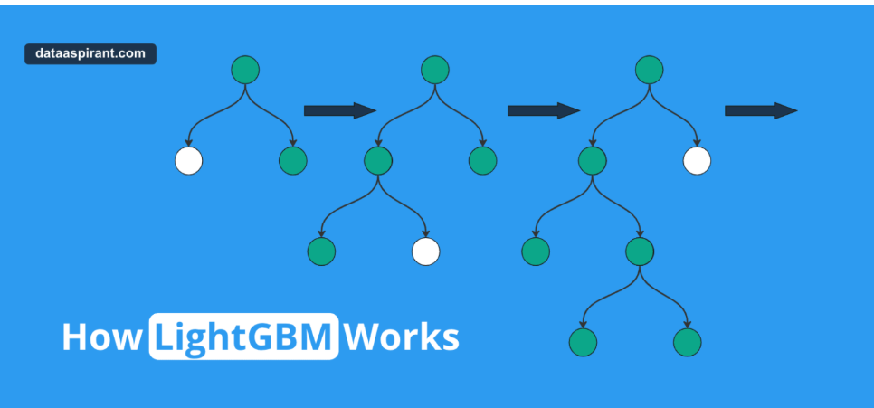 Machine_Learning_Pocket_Ref pg 144
2 | Logistic GAM | implements a Generalized Additive Model (GAM) specifically designed for binary classification problems. It utilizes a binomial error distribution and a logit link function to model the probability of a binary outcome. This class extends the functionality of generalized linear models by allowing for non-linear relationships between the features and the target variable through the use of smooth functions. The purpose of LogisticGAM() is to provide a flexible and interpretable approach to binary classification. It allows users to model complex relationships in the data while still being able to understand the individual contribution of each feature to the prediction. This is achieved by decomposing the model into additive components, each representing the effect of a single feature or interaction between features. May require a large amount of data to capture non-linear patters effectively GAMs extend generalized linear models by allowing non-linear functions of features while maintaining additivity. Since the model is additive, it is easy to examine the effect of each X_i on Y individually while holding all other predictors constant. GAMs, including LogisticGAM, allow for non-linear relationships. This is achieved by using spline functions for each feature. These functions can capture curves, bends, and other non-linear patterns. | pygam | pygam.pygam.LogisticGAM() | Doesn't have inherent support for multi-label classification as a built-in objective function Use with MultiOutputClassifier, OneVsRestClassifier, ClassifierChain, or skmultilearn package | N | Linear Non-Linear | Parametric | Tol: Tolerance for stopping criteria Naturally incorporate regularization to prevent overfitting and improve model generalization. This is primarily achieved by controlling the smoothness of the individual predictor functions using penalized basis splines. LogisticGAM models the log-odds of a binary outcome as a sum of smooth functions of each predictor variable. These functions are constructed using penalized B-splines. Regularization is applied through a penalty term associated with each smooth function, specifically the 2nd derivative in the case of spline terms, which encourages the functions to be smoother. The strength of this regularization is controlled by a parameter (e.g., lam (lambda) in pyGAM), which determines how much the model is penalized for "wiggliness". A larger value for lam leads to stronger regularization and smoother functions. | PyGAM memory limitations: The current pyGAM optimization algorithm may struggle with datasets larger than ~10,000 samples and ~100 features due to the size of the model matrix it generates. | .fit() | Extreme values can disproportionately influence the model. | Preprocess the missing data before fitting the model. Cannot handle missing values directly | Predictor variables are not highly correlated with each other. Multicollinearity can affect the models | N/A | When the classes in a dataset are imbalanced, the model may be biased towards the majority class, leading to poor performance on the minority class. | While not always strictly required, feature scaling can often improve the performance of Generalized Additive Models (GAMs) in Python, particularly with the pygam library | n_splines: This parameter controls the number of splines used in each smooth function. A higher value allows for more flexibility but can risk overfitting, while a lower value may oversimplify the relationships. Lam: This is the penalization term that controls the smoothness of the fitted function. A higher lam value enforces a stronger penalty, resulting in a smoother function, while a lower lam allows for more wiggliness. Gridsearch(): method to automatically tune the lam parameter. It searches over a grid of lam values and selects the one that minimizes the Generalized Cross-Validation (GCV) score. The user can specify a range of lam values or let pyGAM generate a default range. Tol: Tolerance for stopping criteria | For binary classification with a binomial distribution. In essence, Logistic GAMs are valuable tools for industries that need to make predictions based on binary outcomes (yes/no, true/false, etc.) when the relationships between factors are complex and potentially non-linear. They are particularly useful when more traditional linear models fail to capture the nuances of the data. Fraud detection, likelihood of an individual contracting a disease based on various factors, aiding in early intervention and prevention strategies, churn prediction, optical character recognition, mortality prediction, credit risk assessment, spam detection, medical diagnosis of diseases of a patients' test results | Homoscedasticity: The variance of the model residuals is constant across all values of predictor variables. Distribution of the response variable: GAMs build off the generalized linear model framework, which traditionally models data as draws from a distribution within the Exponential family of distributions. Independence of Observations: Data points are independent of each other. Extensions like GEEs, GLMMs, and GAMMs relax this assumption. Linearity in the Link Function: The relationship between the linear predictor and the mean of the response variable, as determined by the link function, is correctly specified. Additivity: The effects of predictor variables on the response variable are additive. While GAMs can incorporate interaction terms, they are generally more complex to define and interpret. | Handles non-linear relationships between the features and the log-odds of the target variable through the use of smooth functions. These smooth functions, often splines, allow the model to capture complex, non-linear patterns in the data without requiring the user to specify the exact functional form. | Flexibility: It models complex, non-linear relationships between predictors and the binary outcome, going beyond the limitations of linear models. Interpretability: Like other GAMs, LogisticGAM maintains interpretability by showing the individual contribution of each predictor through smooth functions, unlike black-box models. Regularization: Smoothing functions in LogisticGAM help prevent overfitting, especially with noisy data, by controlling the complexity of the fitted functions. Customization: Different smoothing techniques, like splines, can be applied to different predictors, allowing for tailored model fitting. Handles Non-linearity: It effectively captures non-linear relationships without needing pre-specified forms, unlike polynomial regression. Additivity: The additive nature simplifies interpretation as each predictor's effect can be examined separately. Feature insights: It allows examination of the partial relationships between the response variable and the predictors. | Complexity: The flexibility of GAMs can lead to increased model complexity, making them computationally intensive and sometimes difficult to tune. Selection of Smoothing Parameters: Choosing the appropriate smoothing parameters or basis functions can be challenging and requires expertise. Improper selection can lead to underfitting or overfitting. Scalability: GAMs may not scale well with very large datasets or with a large number of predictors due to their computational intensity. Additive Assumption: The assumption of additivity might be restrictive in some cases where interactions between predictors are important. While GAMs can include interaction terms, they are generally more complex to specify and interpret. Interpretation of Smoothing Terms: While GAMs are interpretable, the smoothing terms themselves can sometimes be difficult to explain, especially to stakeholders not familiar with the methodology. Software and Implementation: Implementing GAMs requires specialized statistical software and packages (e.g., mgcv in R), which might not be as widely understood or available as more standard linear or logistic regression models. | Building interpretable models with Generalized additive models in Python | by Ian SHEN | Just another data scientist | Medium | 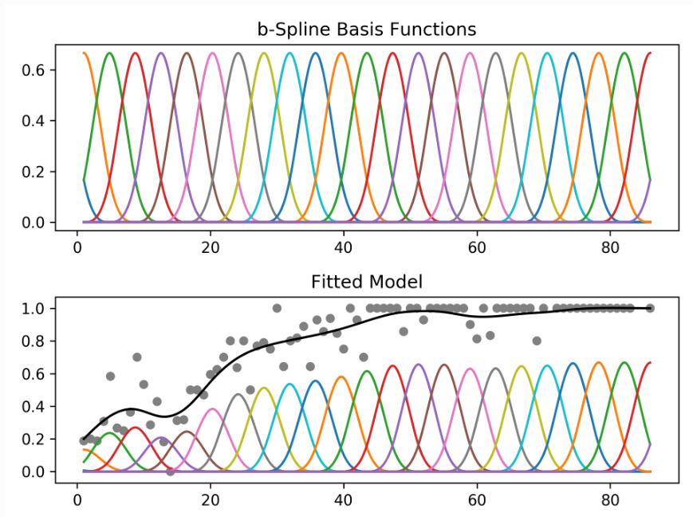 ISLP Ch7
3 | Linear Discriminant Analysis (LDA) | Linear Discriminant Analysis. A classifier with a linear decision boundary, generated by fitting class conditional densities to the data and using Bayes’ rule. The model fits a Gaussian density to each class, assuming that all classes share the same covariance matrix. The fitted model can also be used to reduce the dimensionality of the input by projecting it to the most discriminative directions, using the transform method. If we project the 2-D data points onto a line (1-D), out of all such lines, our goal is to find the one which maximizes the distance between the means of the 2 classes, after projection. If we could do that, we could achieve a good separation between the classes in 1-D. This is illustrated in the figure on the left and can be captured in the idea of maximizing the “between class covariance”. However, as we can see that this causes a lot of overlap between the projected classes. We want to minimize this overlap as well. To handle this, Fisher's LDA tries to minimize the “within-class covariance” of each class. Minimizing this covariance leads us to the projection in the figure on the right hand side, which has minimal overlap. | sklearn | sklearn.discriminant_analysis.LinearDiscriminantAnalysis() | Doesn't have inherent support for multi-label classification as a built-in objective function Use with MultiOutputClassifier, OneVsRestClassifier, ClassifierChain, or skmultilearn package | Y | Linear | Parametric | While LinearDiscriminantAnalysis in scikit-learn does not have a direct regularization parameter, techniques like shrinkage, RDA, dimensionality reduction, feature selection, and cross-validation can effectively regularize LDA and improve its performance. n_components parameter | LDA generally performs better with a larger number of samples per class. There is no strict rule for the recommended data size for LDA. However, having a sufficient number of samples per class, preprocessing the data, and using cross-validation are important for achieving good performance. | .fit() | Outliers can potentially affect the LDA results, as they can distort the estimation of class means and covariance matrices. | Preprocess the missing data before fitting the model. Cannot handle missing values directly | Linear Discriminant Analysis is less sensitive to multicollinearity, a common issue where predictor variables are highly correlated. Unlike some other classification algorithms, LDA can handle multicollinearity without compromising performance, making it a reliable choice for complex datasets. | N/A | When the classes in a dataset are imbalanced, the model may be biased towards the majority class, leading to poor performance on the minority class. | Feature scaling is important to ensure that features have a similar scale, as LDA is sensitive to the relative size of features. | solver: This parameter determines the algorithm used for optimization shrinkage: Regularization parameter to improve covariance matrix estimation, especially when the number of samples is less than the number of features. n_components: For dimensionality reduction, this sets the number of components to retain. It must be less than the number of classes. | Dimensionality Reduction Classification Text analysis, image recognition, genomics For NLP, topic modeling, sentiment analysis, document classification, spam detection For finance, analyze risk, segement markets, detect fraudulent transactions, bioinformatics researchers apply LDA to classify gene expression data, facilitating the identification of disease markers or the differentiation of various cell types Cybersecurity for anomaly detection and threat identification Healthcare for diagnostic processes from various sources (imaging, biomarkers, and electronic health records) | Normality: The data within each class is assumed to follow a normal or Gaussian distribution, meaning that if you plotted the data points for each feature, they would form a bell-shaped curve. Equal Covariance Matrices: LDA assumes that all classes have the same covariance matrix. This implies that the spread or variability of the data is similar across all classes. Linear Separability: It is assumed that the classes can be separated by a linear decision boundary. This means that a straight line (in 2D) or a hyperplane (in higher dimensions) can effectively divide the classes. Independence: The features are ideally assumed to be independent of each other. While not as critical as the other assumptions, high correlation between features can sometimes affect the performance of LDA Gaussian Distribution: LDA assumes that data within each class follows a Gaussian distribution. Overfitting: LDA can overfit data, especially when training data is limited or feature dimensionality is high. | LDA, by its very nature, is linear. If the classes in the data have a non-linear boundary, other techniques, such as kernel methods or neural networks, might be more suitable. | A key benefit of LDA is its unsupervised nature, which means it doesn't require pre-labeled categories or topics for your documents. LDA can independently identify potential topics in the data and determine the likelihood of each document pertaining to those topics. Effective for classification: Utilizes class information: Dimensionality reduction: Handles multicollinearity: Computational efficiency: LDA is computationally efficient, providing quick results, especially with the 'svd' solver, which is recommended for a large number of features Enhanced class separability: LDA creates a space where different classes are maximally separated, which is useful in tasks like facial recognition and bioinformatics. Improved interpretability: Simplifying the data with fewer features makes results easier to interpret, which is crucial in fields where transparency is essential. Suitable for high-dimensional data: LDA is effective when the number of features is larger than the number of training samples, making it valuable in applications like text analysis, image recognition, and genomics Can be more powerful than logistic regression: When its assumptions are met, LDA can be more powerful than logistic regression, especially with small sample sizes and equal sample sizes with homogeneity of variance/covariance. | Assumes linearity: LDA is a linear method and may not capture non-linear relationships within the data Sensitivity to outliers: Normality and equal covariance assumptions: LDA assumes that the data follows a normal distribution and that all classes have equal covariance matrices. If these assumptions are violated, the performance of LDA may suffer. Class imbalance: LDA can be biased towards the majority class if the number of observations in each class is significantly different. Singular covariance matrix: If the number of features is greater than the number of samples, the within-class scatter matrix becomes singular, making it impossible to compute its inverse Limited to C-1 dimensions: In a classification problem with C classes, LDA can only produce a maximum of C-1 discriminant functions. This can be a limitation if the data requires more dimensions to be properly separated. Not suitable for unlabeled data: LDA is a supervised method and requires labeled data for training. It cannot be used for unsupervised learning tasks. Curse of dimensionality: As the number of features or classes increases, the performance and complexity of LDA may deteriorate. Shared mean distributions: LDA struggles when class distributions share means, making it difficult to effectively discriminate between classes with overlapping statistical properties. | Ultimate Guide to Linear Discriminant Analysis (LDA) | 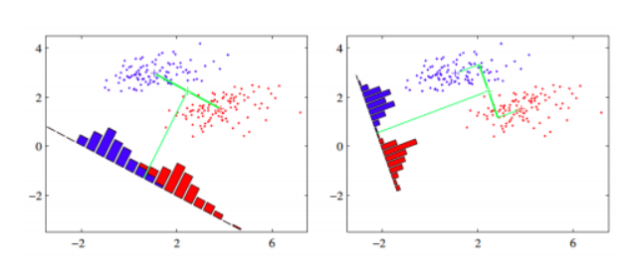 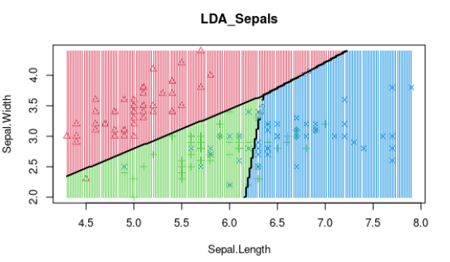 ISLP pg179
4 | Quadratic Discriminant Analysis (QDA) | Quadratic Discriminant Analysis. A classifier with a quadratic decision boundary, generated by fitting class conditional densities to the data and using Bayes’ rule. The model fits a Gaussian density to each class. Cannot be used as a dimensionality reduction technique. Non-linear decision boundary Quadratic discriminant analysis is quite similar to Linear discriminant analysis except we relaxed the assumption that the mean and covariance of all the classes were equal. Therefore, we required to calculate it separately. | sklearn | sklearn.discriminant_analysis.QuadraticDiscriminantAnalysis() | Doesn't have inherent support for multi-label classification as a built-in objective function Use with MultiOutputClassifier, OneVsRestClassifier, ClassifierChain, or skmultilearn package | Y | Non-Linear | Parametric | The reg_param in scikit-learn's QuadraticDiscriminantAnalysis provides a mechanism for regularizing the covariance matrices, which can improve the model's generalization performance, especially in cases with high dimensionality or limited data. reg_param = 0: No regularization is applied. The model uses the original covariance matrix. This can lead to overfitting if the covariance matrices are ill-conditioned or the number of samples is small. reg_param > 0: Regularization is applied. The covariance matrix is shrunk towards a diagonal matrix (identity matrix), effectively reducing the variance of the estimates. This can improve the model's generalization performance by reducing overfitting. | Quadratic Discriminant Analysis (QDA) requires a sufficient amount of data, specifically considering the relationship between the number of observations (n) and the number of features (p). General Guideline: A common rule of thumb is to use QDA on datasets where n >= 5 * p. Performance tends to decline as p approaches n. dependent variables (p). | .fit() | Can be sensitive to outliers because it estimates class-specific covariance matrices. Outliers can disproportionately influence these estimates, leading to inaccurate classification. Therefore, removing or handling outliers before applying QDA is often recommended. | Does not inherently handle missing data. If the dataset contains missing values, it will typically result in errors during the model fitting or prediction stages. | QDA assumes that the predictor variables follow a multivariate normal distribution within each class, and it estimates a covariance matrix for each class. When multicollinearity is present, it means that some predictor variables are highly correlated with each other. This can lead to several issues | N/A | Y | Scaling is not always necessary and can sometimes be detrimental. If the original features already have comparable ranges and variances, or if the differences in scales are meaningful for the classification task, scaling might not be needed. Additionally, if the data contains outliers, scaling might amplify their effect, potentially harming the model's performance. It's crucial to consider the characteristics of the data and the specific requirements of the problem when deciding whether to scale the data before applying QDA. If scaling is deemed necessary, it's important to apply the same scaling transformation to both the training and testing data to ensure consistency. | priors: This parameter allows setting the prior probabilities of each class. If not specified, classes are assumed to be equally likely. It can be tuned to reflect the actual class distribution in the data, especially when the classes are imbalanced. reg_param: This parameter regularizes the covariance matrix estimates by adding a value to the diagonal. It can improve the stability of the algorithm, especially when dealing with small sample sizes or highly correlated features. Tuning this parameter involves finding an optimal value that balances bias and variance. tol: Specifies the tolerance for singular value decomposition, used for inverting the covariance matrix. It determines the threshold below which singular values are considered zero. Tuning this parameter can affect the model's sensitivity to noise and collinearity. | Used for classification tasks, particularly when the assumption of equal covariance matrices among classes, as in Linear Discriminant Analysis (LDA), is not met. It fits a Gaussian density to each class and uses Bayes' rule to make predictions. QDA is suitable for datasets with potentially non-linear decision boundaries due to its capacity to model different covariance structures for each class. Finance: offers superior performance in predicting default probabilities compared to linear methods, risk segmentation to enhance making loan approvals and portfolio management Healthcare: disease diagnostic classification accuracy, treatment efficacy based on patient specific features Marketing customer segmentation: behaviorial segments based on spending habits and preferences, predictive targeting Image recognition and pattern analysis: Fraud detection: anolmaly detection, adaptive thresholding as fraud patterns evolve | Multivariate Normality: Data within each class is assumed to be drawn from a multivariate normal (Gaussian) distribution Independence of Observations: Observations are assumed to be independent of each other. Class-specific Covariance Matrices: Unlike Linear Discriminant Analysis (LDA), QDA assumes that each class has its own covariance matrix. This allows for more flexibility in modeling the data, but also requires more data to estimate the parameters accurately. Sufficient Sample Size: A sufficiently large sample size is needed to reliably estimate the covariance matrices for each class, especially when dealing with high-dimensional data. Uniformly Distributed Class Labels (in the training set): When computing the scatter matrices, it is assumed that class labels in the training set are uniformly distributed. | Yes, QDA is considered a non-linear classifier. | Handles non-linear decision boundaries: Unlike Linear Discriminant Analysis (LDA), which assumes a linear boundary between classes, QDA allows for quadratic decision boundaries. This makes it suitable for datasets where the relationship between features and classes is non-linear. Accommodates different covariance matrices: QDA does not assume that all classes have the same covariance matrix. This flexibility is beneficial when dealing with data where classes exhibit different variances or spreads. Effective for overlapping classes: Because QDA can model more complex decision boundaries, it often performs well in situations where classes overlap. It can capture the nuances of the data and make more accurate classifications. Works well with normally distributed data: QDA is based on the assumption that the data within each class follows a multivariate Gaussian distribution. When this assumption holds, QDA can be a very effective classification method. Closed-form solution: QDA has a closed-form solution, meaning it can be computed directly without iterative optimization. This makes it computationally efficient, especially for smaller datasets. | Sensitivity to small sample sizes: QDA estimates a separate covariance matrix for each class. When the number of samples per class is small, these estimates can be unreliable, leading to overfitting and poor generalization performance. Computational cost: Estimating and inverting multiple covariance matrices can be computationally expensive, especially with high-dimensional data. This can make QDA slower than LDA, which only estimates one covariance matrix. Risk of overfitting: The flexibility of QDA makes it prone to overfitting, particularly when the number of features is large compared to the number of samples. This can result in excellent performance on the training data but poor performance on unseen data. Assumption of normality: QDA, like LDA, assumes that the data within each class follows a Gaussian distribution. If this assumption is violated, the performance of QDA may be negatively affected. Singular covariance matrices: If a class has fewer samples than features, its covariance matrix will be singular and cannot be inverted. This prevents QDA from being applied directly and requires workarounds such as regularization or dimensionality reduction. Dimensionality issues: QDA may struggle in high-dimensional spaces, necessitating dimension reduction techniques before applying discriminant analysis. Interpretability: While QDA can achieve high accuracy, the resulting quadratic decision boundaries can be difficult to interpret, making it challenging to understand the relationships between features and classes. | Linear and Quadratic Discriminant Analysis: Tutorial | 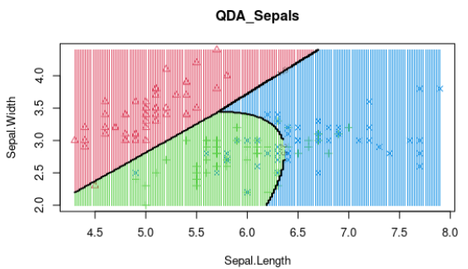 ISLP pg181
5 | Dummy Classifier | DummyClassifier makes predictions that ignore the input features. This classifier serves as a simple baseline to compare against other more complex classifiers. Do not use it for real problems. | sklearn | sklearn.dummy.DummyClassifier() | DummyClassifier can be applied to multilabel data, although it doesn't learn from the data. | Y | None | None | N/A | In short, you would use DummyClassifier() with the same dataset you use for your other regression models, regardless of its size. | .fit() | Outliers won't influence the model's parameters or predictions because the model does not learn any relationships from the input features. | Doesn't explicitly handle missing data (NaN values), its behavior is independent of input features, making it seemingly unaffected by missing data during prediction. However, the presence of missing data in the input to DummyClassifier can still lead to errors or unexpected behavior if not handled appropriately beforehand. The error arises not during the predict step, but rather during preprocessing or when the data is initially loaded. | Not directly affected by multicollinearity because it ignores the input features during prediction. It's recommended to drop one of the one-hot encoded columns for each categorical variable, which eliminates the perfect multicollinearity. While this step is unnecessary for DummyClassifier, it's good practice for data preprocessing, especially if other models are to be used later. | N/A | When working with imbalanced data, DummyClassifier can highlight the performance of a random or naive approach. Any effective classification model should outperform this baseline. | N | strategy: This parameter determines the prediction strategy random_state: (Optional, only applicable when strategy is "stratified" or "uniform") This parameter controls the randomness for the stratified and uniform strategies, ensuring reproducibility. constant: (Optional, required when strategy is "constant") Specifies the constant label to predict when the strategy is set to constant. | To establish a baseline performance level, useful for evaluating the effectiveness of other classification models. | None | Does not inherently support non-linear classification in the way that models like Support Vector Machines with non-linear kernels or neural networks do. | Simplicity: It is easy to understand and implement, requiring minimal code and no complex training procedures. Baseline Performance: It provides a baseline against which to compare the performance of more complex models. This helps to determine if a more sophisticated model is actually learning anything useful from the data. Overfitting Check: By comparing a complex model's performance to the DummyClassifier, it's possible to identify potential overfitting issues. If a complex model performs similarly to the dummy classifier, it might be overfitting the training data. Quick to Train and Predict: It requires minimal computational resources, making it very fast to train and predict. Handles Class Imbalance: It can be particularly useful for imbalanced datasets, where it provides a reference point for evaluating how well a model performs compared to random guessing or simply predicting the majority class. Different Strategies: It offers different strategies for making predictions | Limited Predictive Power: By design, it doesn’t learn from the data, so its predictions are often inaccurate. No Feature Importance: It doesn’t provide insights into which features are most important for predictions. Not Suitable for Complex Problems: In real-world scenarios with intricate patterns, dummy classifiers are too simplistic to be useful on their own. | Dummy Classifier Explained: A Visual Guide with Code Examples for Beginners | Towards Data Science | 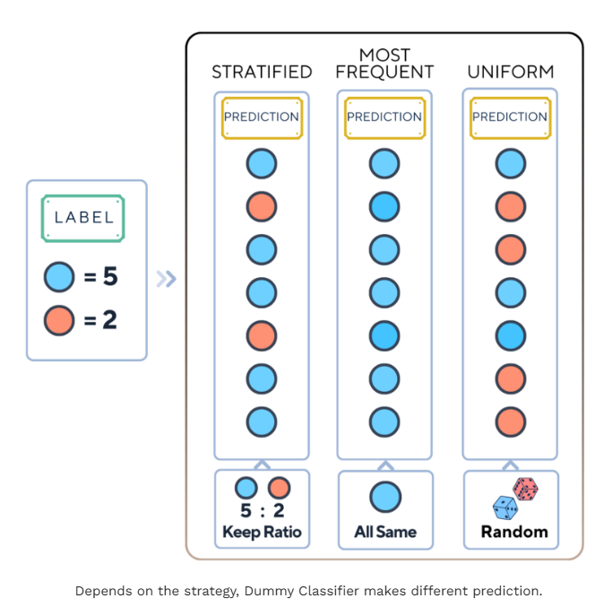 Machine_Learning_Pocket_Ref pg29
6 | AdaBoost Classifier | An AdaBoost classifier is a meta-estimator that begins by fitting a classifier on the original dataset and then fits additional copies of the classifier on the same dataset but where the weights of incorrectly classified instances are adjusted such that subsequent classifiers focus more on difficult cases. In AdaBoost, the predictions are made through majority vote, with the instances being classified according to which class receives the most votes from the weak learners. AdaBoost is generally more effective with simpler, nonlinear models like decision stumps. Using strong linear classifiers can defeat the purpose of ensemble learning. | sklearn | sklearn.ensemble.AdaBoostClassifier() | Doesn't have inherent support for multi-label classification as a built-in objective function Use with MultiOutputClassifier, OneVsRestClassifier, ClassifierChain, or skmultilearn package |  | Decision Tree | Non-parametric | n_estimators: learning_rate: This parameter controls the contribution of each weak learner to the final prediction. Use a smaller learning rate and increase the number of estimators if needed to achieve good performance without overfitting. | There isn't a minimum number of data points required. It will work even with small datasets, but performance might be limited. Generally, more data will lead to better performance, as with most machine learning algorithms. However, there is a point of diminishing returns. | .fit() | It is highly affected by outliers because it tries to fit each point perfectly. | Does not inherently handle missing data. This is because its default base estimator, DecisionTreeClassifier, also does not support missing values. If your data contains missing values, you will encounter an error. | Boosting algorithms are not affected by Multicollinearity | N/A | Works incredibly well in cases where you have imbalanced data | Although AdaBoost doesn’t rely as heavily on feature scaling as algorithms like gradient descent-based models, it’s good practice to scale features when dealing with large numerical ranges. | n_estimators: This controls how many weak learners (stumps) are combined to form the final model. The more estimators you add, the longer the training process, but this can also improve accuracy. learning_rate: This parameter controls how much each weak learner contributes to the final model. A smaller learning rate means each weak learner has a smaller influence, but you might need more estimators to compensate. base_estimator: | image classification, fraud detection, risk analysis, customer churn prediction. Something where class imbalance is a real issue. Medical diagnosis: used to enhance image classification for identifying tumors and other abnormalities Customer segmentation Image Classification: enhanced detection of objects in complex scenes, improvements in accuracy for facial recognition systems and surveillance technologies, a robust performance in environments with varying lighting and occlusion conditions. Text sentiment analysis: Identify and quantify sentiments with higher accuracy than traditional classifiers, Adaptively focus on ambiguous texts that standard methods misclassify, Help companies understand customer emotions and adjust their strategies accordingly | Weak Learners: AdaBoost relies on weak learners, classifiers that perform slightly better than random guessing. Decision trees with a single split (decision stumps) are commonly used. Iterative Correction: The algorithm assumes that errors made by previous weak learners can be corrected by subsequent learners. It adjusts the weights of misclassified instances, focusing on difficult cases in each iteration. Linear Separability: While not a strict requirement, AdaBoost performs best when the data is reasonably separable. It may struggle with highly complex, non-linear relationships. Data Quality: AdaBoost is sensitive to noisy data and outliers. These can disproportionately influence the weighting process and degrade performance. Sufficient Data: A sufficient amount of training data is needed to ensure that the weak learners can learn effectively and that the weighting process converges. Independence of Features: Like many machine learning algorithms, AdaBoost assumes that the features are reasonably independent of each other. High multicollinearity can negatively impact performance. Balanced Data: Although AdaBoost can handle imbalanced datasets to some extent through sample weighting, extreme imbalances may still pose challenges. Convergence: The algorithm assumes that the iterative process will converge, meaning that the error rate will decrease over time. However, overfitting can occur if the number of iterations is too high. Computational Resources: AdaBoost can be computationally expensive, especially with large datasets and a high number of estimators. | Can handle non-linear data through its ensemble approach. It combines multiple weak learners, typically decision trees with a single split (decision stumps), to create a strong classifier. While individual decision stumps are linear classifiers, AdaBoost iteratively adjusts the weights of data points, focusing on those misclassified by previous learners. This process allows the ensemble to learn complex, non-linear decision boundaries. | Easy to implement: AdaBoost is relatively straightforward to understand and implement. Iteratively corrects mistakes: It improves accuracy by sequentially correcting the errors of weak classifiers, focusing on misclassified instances in each iteration. Combines multiple weak classifiers: By combining several weak learners, AdaBoost creates a strong classifier with improved predictive power. Not prone to overfitting: AdaBoost often generalizes well to unseen data, especially when using simple base classifiers like decision stumps. Adaptive Learning: It adjusts to the data by giving more weight to misclassified instances, allowing it to focus on the most challenging examples. Built-in feature selection: AdaBoost naturally identifies important features by selecting the most useful ones in each boosting round. | Sensitive to noisy data and outliers: AdaBoost is highly affected by outliers and noise in the data, as it tries to correct every misclassification, which can lead to overfitting if the noise is significant. Slower compared to other algorithms: The sequential nature of AdaBoost can make it slower than other algorithms like XGBoost, as each classifier must be trained after the previous one. Requires quality data: Due to its sensitivity to noise, it's crucial to ensure the data is clean and preprocessed before applying AdaBoost. Can be computationally expensive: Training multiple classifiers sequentially can be computationally expensive, especially with large datasets or complex base classifiers. Not easily parallelizable: The sequential nature of the algorithm makes it difficult to parallelize, limiting its scalability. Potential for overfitting: While generally resistant to overfitting, AdaBoost can overfit if the weak classifiers are too complex or the number of boosting iterations is too high. Black box: It can be difficult to interpret the final model, as it is an ensemble of many weak learners. | AdaBoost Classifier Algorithms using Python Sklearn Tutorial | DataCamp | 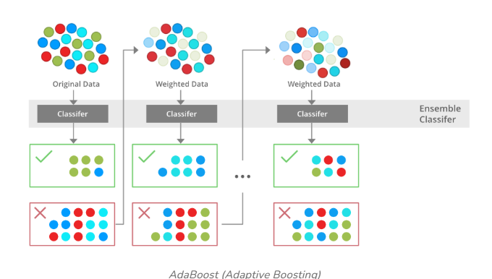 Gl_Hypertuning_Wk2_Additional_Case Gl_Hypertuning_Wk2_Supermarket
7 | Bagging Classifier | Purposed to implement the bagging (bootstrap aggregating) ensemble learning method for classification. It operates by training multiple instances of a base classifier on random subsets of the training data, and then aggregating their predictions to make a final prediction. This approach reduces variance and helps to prevent overfitting, often leading to improved accuracy and robustness compared to a single estimator. The final prediction in BaggingClassifier is made by majority voting among the predictions of all base models. The purpose of BaggingClassifier is to reduce variance and prevent overfitting, especially in models that are prone to these issues, such as decision trees. By training multiple models on different subsets of the data, bagging helps to smooth out the predictions and reduce the impact of noise or outliers in the training data. | sklearn | sklearn.ensemble.BaggingClassifier() | Doesn't have inherent support for multi-label classification as a built-in objective function Use with MultiOutputClassifier, OneVsRestClassifier, ClassifierChain, or skmultilearn package | Y | Decision Tree Linear | Non-parametric | This method reduces variance by averaging out the predictions of multiple models, making it less prone to overfitting the training data, which is a common issue with individual models, especially complex ones. base_estimator: n_estimators: max_samples: oob: | There is no specific minimum data size, but having enough data to create diverse subsets is crucial. | .fit() | Bagging is less sensitive to noisy data or outliers, as it uses various subsets of the training data for model training. | Handling missing data is crucial as the algorithm, like many others, cannot directly process datasets with NaN values | Multicollinearity, the presence of high correlation between predictor variables, can affect the performance and interpretability of statistical models. While it doesn't violate the assumptions of the BaggingClassifier in scikit-learn, it can still have implications. Since the default base estimator for BaggingClassifier is a decision tree, it's worth noting that tree-based models are generally less sensitive to multicollinearity compared to linear models. | N/A | the primary challenge is that the classifier may be biased towards the majority class. This is because, during the bootstrap sampling process, the majority class samples are likely to be over-represented, leading to a model that does not generalize well to the minority class. The BalancedBaggingClassifier from the imblearn library directly addresses the class imbalance problem. It ensures that each bootstrap sample is balanced, either by undersampling the majority class or oversampling the minority class. | It's crucial to scale data correctly to avoid data leakage. Since bagging involves sampling with replacement from the original dataset, scaling should occur after the sampling process, not before. Correct Approach: Split Data: Divide your data into training and testing sets. Bootstrap Sampling: Within each bagging iteration, create a bootstrap sample (randomly select data points with replacement) from the training set. Scale Sample: Scale the bootstrap sample using a scaler (e.g., StandardScaler, MinMaxScaler). Train Base Estimator: Train the base estimator (e.g., decision tree) on the scaled bootstrap sample. Repeat: Repeat steps 2-4 for the desired number of bagging iterations. Scale Test Data: Scale the test set using the scaler fitted on the entire training set (before any bagging). Evaluate: Evaluate the bagged model on the scaled test set. | estimator: The base classifier to be used (default is DecisionTreeClassifier). n_estimators: The number of base estimators to train (default is 10). max_samples: The number of samples to draw from the training data for each base estimator (default is 1.0, meaning all samples are used). max_features: The number of features to draw from the training data for each base estimator (default is 1.0, meaning all features are used). bootstrap: Whether to sample with replacement (default is True). random_state: Controls the randomness of the sampling and estimator training. n_jobs: The number of CPU cores to use for parallel training (default is None, meaning 1 core is used). | Bagging aims to improve the stability and accuracy of machine learning algorithms used in classification and regression. | Independent and Identically Distributed (IID) Data: Bagging assumes that the data points in the training set are independent of each other and drawn from the same probability distribution. This assumption ensures that each bootstrap sample is a representative subset of the original data. High Variance, Low Bias Base Estimators: Bagging is most effective when used with base estimators that have high variance and low bias, such as decision trees. The goal of bagging is to reduce the variance of these estimators by averaging their predictions. Uncorrelated Errors: Bagging assumes that the errors made by the base estimators are uncorrelated. This assumption is crucial for reducing variance, as averaging uncorrelated errors tends to cancel them out. Data Subsets (Bootstrap Samples): Bagging relies on creating multiple subsets of the original data through random sampling with replacement (bootstrapping). It assumes that these subsets are sufficiently diverse to capture different aspects of the data distribution. Majority Voting or Averaging: For classification tasks, BaggingClassifier aggregates the predictions of the base estimators through majority voting. It assumes that the majority vote will lead to a more accurate prediction than any individual estimator. | Can effectively handle non-linear data by leveraging the power of multiple base estimators. The use of decision trees as base estimators makes BaggingClassifier inherently capable of capturing non-linear relationships in the data. | Reduces overfitting: It can reduce the chance of an overfit model, resulting in improved model accuracy on unseen data. Decreases model cariance: Multiple models trained on different subsets of data average out their predictions, leading to lower variance than a single model. Improves stability: Changes in the training dataset have less impact on bagged models, making the overall model more stable. Handles high variability: Especially effective for algorithms like decision trees, which tend to have high variance. Parallelizable computation: Each model in the ensemble can be trained independently, allowing for parallel processing and efficient use of computational resources. Easy to understand and implement: The concept behind bagging is straightforward and can be implemented without complex modifications to the learning algorithm. Good with noisy data: The averaging process helps in reducing the noise in the final prediction. Handles imbalanced data: Bagging can help in scenarios where the dataset is imbalanced, improving the performance of the model in such situations. | Computational Cost: Training multiple models on different subsets of data can be computationally expensive and time-consuming, especially with large datasets or a high number of iterations. Loss of Interpretability: Bagging aggregates predictions from multiple models, making it harder to interpret the individual contributions of features and understand the model's decision-making process. Complexity: Combining multiple models can make the final model more complex and harder to implement compared to single models. Less Flexible: Bagging works best with unstable algorithms that have high variance. It may not significantly improve performance with stable algorithms or those with high bias. Increased data requirements: Bagging typically requires more training data than other machine learning techniques, as it needs enough data to train multiple models effectively. Risk of overfitting: Although bagging reduces overfitting, it can still occur if the base models are too complex or the number of iterations is too high. Not suitable for real-time applications: Due to its computational cost, bagging may not be suitable for real-time applications where quick predictions are needed. Sensitivity to outliers: Implementation complexity: Implementing bagging can be more complex than implementing single models, as it requires managing and combining multiple models. Difficulty in drawing precise business insights: Due to the averaging of predictions, it can be difficult to draw precise business insights from a bagging model compared to a single, more interpretable model. | A Guide to Bagging in Machine Learning: Ensemble Method to Reduce Variance and Improve Accuracy | DataCamp | 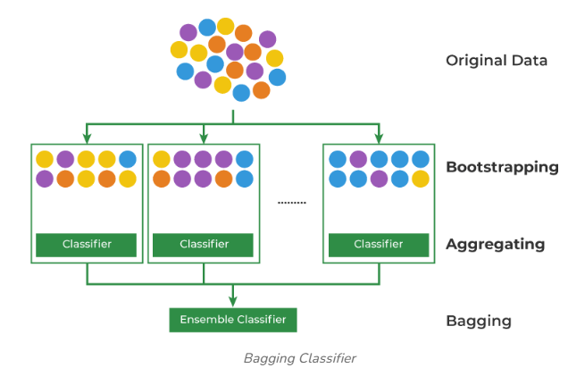 GL_Ensemble_Wk1_HandsOn Gl_Hypertuning_Wk2_Additional_Case
8 | Extra Trees Classifier |  | sklearn
9 | Gradient Boosting Classifier | Purposed for gradient boosting, an ensemble learning method used for classification tasks. It combines multiple weak learners, typically decision trees, to create a strong predictive model. The algorithm sequentially trains models, with each new model attempting to correct the errors made by its predecessor. This is achieved by minimizing a loss function, such as the cross-entropy loss, using gradient descent. Suppose the gradient is so large that instead of reaching the bottom, we shoot over and end up on top of another hill in a single step. Surprisingly, this happens a lot in gradient descent, so we introduce a parameter called step size, which controls the effects of the gradient. Before taking a step, we simply multiply the gradient by the step size, which lowers its magnitude. For example, if our gradient tells us to take a step of 3.56 downhill, a step size of 0.1 turns the distance into 0.356. It will take us longer to reach the bottom but now, we don’t run the risk of skipping it altogether. Step size is usually called learning rate in machine learning and typically takes values between 0.001 and 0.3. Most resources choose alpha or α (the Greek letter) to denote learning rate. Gradient boosting classifiers are the AdaBoosting method combined with weighted minimization, after which the classifiers and weighted inputs are recalculated. The objective of Gradient Boosting classifiers is to minimize the loss, or the difference between the actual class value of the training example and the predicted class value. In the case of Gradient Boosting Machines, every time a new weak learner is added to the model, the weights of the previous learners are frozen or cemented in place, left unchanged as the new layers are introduced. This is distinct from the approaches used in AdaBoosting where the values are adjusted when new learners are added. The trick is to keep fitting wrongly predicted datapoints with the new predictor till lesser predictions are wrong and | sklearn | sklearn.ensemble.GradientBoostingClassifier() | Doesn't have inherent support for multi-label classification as a built-in objective function Use with MultiOutputClassifier, OneVsRestClassifier, ClassifierChain, or skmultilearn package | Y | Decision Tree | Non-parametric | learning_rate: subsample: max_features: max_depth: min_samples_split: min_samples_leaf: max_leaf_nodes: n_estimators: l2_regularization: | Gradient boosting generally performs better with larger datasets. It can handle complex relationships in the data, but needs sufficient examples to learn them effectively. It's generally recommended to have at least several hundred samples, but for more complex problems, thousands or tens of thousands of samples are often needed. | .fit() | Generally robust to outliers due to its tree-based structure. Decision trees, and by extension, gradient boosting, handle outliers naturally by isolating them in their own branches. However, outliers can still impact model performance if they are extreme or numerous. Gradient Boosting can be sensitive to outliers because it aims to minimize all errors. This can lead to overemphasizing outliers and potentially overfitting the model to these extreme values. Many methods to mitigate outlier impact in gradient boosting | Does not natively handle missing data. This meant that datasets with NaN values needed preprocessing before being used to train the model. For HistGradientBoostingClassifier (scikit-learn v0.21+), missing values are handled natively during training. The algorithm learns how to direct samples with missing values at each split, sending them to the left or right child node based on which direction maximizes the gain. If no missing values are encountered for a feature during training, samples with missing values in that feature are assigned to the child node with the most samples. | The presence of high correlation between predictor variables, generally does not pose a significant problem for Gradient Boosting Classifiers. This is because decision tree-based methods, like Gradient Boosting, inherently handle multicollinearity well. | N/A | GradientBoostingClassifier allows assigning weights to each observation using the sample_weight parameter in the fit method. This approach is preferred over class weights, as it directly influences the learning process for individual samples. When using GradientBoostingClassifier with imbalanced data in Python, it's crucial to consider methods that address the bias towards the majority class. | Scaling data before using a GradientBoostingClassifier in Python is generally not required, but it can be beneficial in some cases. Gradient Boosting, being a tree-based model, is inherently insensitive to the scale of input features. If you are using regularization techniques like L1 or L2 regularization within your Gradient Boosting model, scaling can help Scaling can make feature importance scores more interpretable. If you plan to combine your Gradient Boosting model with other algorithms that are sensitive to feature scaling (e.g., linear models, neural networks), scaling the data beforehand ensures consistency and avoids issues caused by differing scales. | n_estimators: This specifies the number of trees (estimators) to be built. A higher value typically improves model performance but increases computation time. learning_rate: This is the shrinkage parameter. It scales the contribution of each tree. random_state: It ensures reproducibility of results. Setting a fixed value for random_state ensures that you get the same results every time you run the model. max_features: This parameter limits the number of features each tree can use for splitting. It helps prevent overfitting by limiting the complexity of each tree and promoting diversity in the model. loss: Specifies the loss function to be optimized. Options include 'deviance' (default) for logistic regression and 'exponential' for AdaBoost. max_depth: Limits the maximum depth of each tree, controlling model complexity. Values between 3 and 8 are common min_samples_split: Defines the minimum number of samples required to split an internal node. min_samples_leaf: Specifies the minimum number of samples required in a leaf node. subsample: Determines the fraction of samples used for fitting each tree, introducing randomness and reducing variance. criterion: Defines the function to measure the quality of a split. Options include 'friedman_mse' (default) and 'squared_error'. validation_fraction and n_iter_no_change: Used for early stopping to prevent overfitting. | It is particularly effective for complex datasets but is also prone to overfitting, | Data is IID (Independent and Identically Distributed): Gradient Boosting assumes that the data points are independent of each other and drawn from the same distribution. Violations of this assumption, such as time-series data with temporal dependencies, can affect the model's accuracy. Assumes predictions within training range: The prediction value will fall on a flat plane, within the bounds of the training data. W e need some conditions to stop our descent. Typically, these rules are used: Reaching a predetermined number of steps (max steps or iterations) The change in MSE becomes very small after each step (below a predefined threshold) The gradient becomes very close to zero (indicating we’re at or near the bottom of the hill) The MSE starts increasing instead of decreasing | Well-suited for handling non-linear data due to its ensemble of decision trees. Decision trees inherently model non-linear relationships by recursively partitioning the feature space. | High accuracy: It often outperforms other machine learning algorithms, making it a top choice in data science competitions. It excels at capturing complex relationships within data. Handles mixed data types: Gradient boosting can handle both numerical and categorical data without requiring extensive preprocessing. Feature importance: The algorithm provides insights into which features are most influential in making predictions. Robustness: It is relatively robust to outliers and can handle missing data without imputation. Flexibility: Gradient boosting can be used for both classification and regression problems. It also offers flexibility in terms of hyperparameter tuning and the choice of loss functions. Regularization: Techniques are incorporated to mitigate overfitting. User-friendly implementation: Gradient boosting algorithms are relatively easy to implement. Bias reduction: Boosting algorithms are effective at reducing bias. Faster training on large datasets: Boosting methods reduce the number of data attributes, creating computationally efficient models. Versatility: It can be combined with any machine learning algorithm and works well with multiple data types. | Computational Expense: Training can be slow and memory-intensive, especially with large datasets or deep trees, because trees are built sequentially. Overfitting: It is prone to overfitting if the model is too complex (e.g., too many trees or high learning rate) or not properly regularized. It can also overemphasize outliers. Hyperparameter Tuning: Requires careful tuning of hyperparameters such as learning rate, tree depth, and the number of trees, which can be time-consuming. Interpretability: It is often considered a "black box" model, making it difficult to understand the exact relationships between predictors and the outcome. Sensitivity to Outliers: Due to its attempt to correct errors of predecessors, it can be sensitive to noisy data and outliers. Scaling Limitations: It can be difficult to scale up due to its sequential nature. Potential for Bias: If the data is imbalanced, the model might be biased towards the majority class. | Gradient Boosting in ML | GeeksforGeeks | 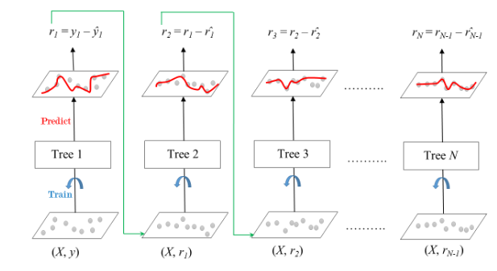 Gl_Hypertuning_Wk2_Additional_Case Gl_Hypertuning_Wk2_Supermarket | 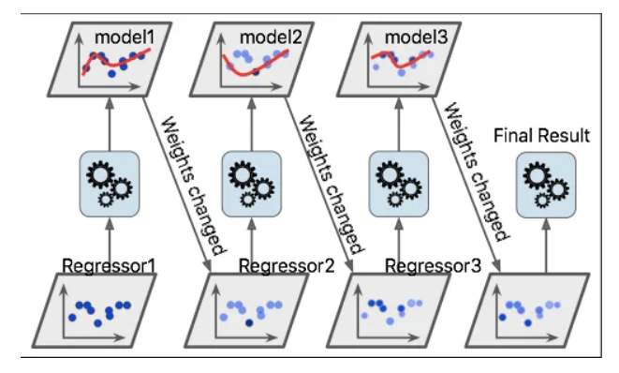
10 | Histogram Gradient Boosting Classifier | Implements a histogram-based gradient boosting algorithm for classification tasks. It is an advanced and efficient version of the traditional Gradient Boosting algorithm, designed to handle large datasets more effectively. Gradient Boosting is an ensemble machine learning technique that builds models sequentially, with each new model attempting to correct the errors made by the previous ones. It is widely used for both classification and regression tasks due to its high predictive accuracy. Histogram-based gradient boosting is a variant that improves the efficiency of the traditional gradient boosting algorithm by discretizing continuous input features into bins (histograms). This approach significantly reduces the computational complexity and memory usage making it feasible to train models on large datasets. By using histograms, the HistGradientBoostingClassifier can handle large datasets more efficiently than traditional gradient boosting methods. This is particularly beneficial when dealing with tens of thousands of samples. Ensemble Method: It combines multiple decision trees to create a strong predictive model. Gradient Boosting: It builds trees sequentially, with each tree correcting the errors of the previous ones. Histogram-Based: Instead of sorting data at each split, it bins the data into histograms, significantly speeding up the training process, especially with large datasets. | sklearn | sklearn.ensemble.HistGradientBoostingClassifier() | Doesn't have inherent support for multi-label classification as a built-in objective function Use with MultiOutputClassifier, OneVsRestClassifier, ClassifierChain, or skmultilearn package | For multiclass problems, HistGradientBoostingClassifier implicitly uses a one-vs-rest (also known as one-vs-all) approach. This means that for each class, the algorithm trains a separate binary classifier that distinguishes that class from all the others. During training, the model builds n_classes trees per iteration, where n_classes is the number of unique classes in the target variable. | Decision Tree | Non-parametric | It includes regularization techniques (L1 and L2) to prevent overfitting. It supports various loss functions, including 'log_loss', 'squared_error', 'gamma', 'poisson', and 'quantile'. l2_regularization: max_leaf_nodes: max_depth: min_samples_leaf: max_features: early_stopping: n_iter_no_change: tol: Sets an absolute tolerance for determining whether the score on the validation set has improved enough to avoid early stopping. | It is recommended to use this classifier with datasets having 10,000 samples or more. It is not recommended for very small datasets. | .fit() | Generally considered more robust to outliers compared to models like linear regression, because the tree splits focus on ranges of values rather than specific points, handling outliers can still potentially improve its performance and stability, especially in scenarios with extreme outliers or high data noise | It can handle missing values (NaNs) directly during training. The tree grower learns whether samples with missing values should go to the left or right child based on potential gain. | Generally, multicollinearity is not a major issue for prediction when using tree-based models like HistGradientBoostingClassifier. However, multicollinearity can impact interpretability. | N/A | HistGradientBoostingClassifier can be impacted by imbalanced data, where one class has significantly more instances than others. This imbalance can lead to a model that is biased towards the majority class, resulting in poor performance on the minority class. | Scaling data before using a HistGradientBoostingClassifier in Python is generally not required, but it can be beneficial in some cases. HistGradientBoostingClassifier, being a tree-based model, is inherently insensitive to the scale of input features. If you are using regularization techniques like L1 or L2 regularization within your HistGradientBoostingClassifier model, scaling can help Scaling can make feature importance scores more interpretable. If you plan to combine your HistGradientBoostingClassifier model with other algorithms that are sensitive to feature scaling (e.g., linear models, neural networks), scaling the data beforehand ensures consistency and avoids issues caused by differing scales. | loss: Specifies the loss function to be optimized. learning_rate: Controls the contribution of each tree to the final prediction. max_iter: Sets the maximum number of boosting iterations or trees to be built. max_leaf_nodes: max_depth: in_samples_leaf: l2_regularization: max_bins: Sets the maximum number of bins used for discretizing the features. class_weight: useful for imbalanced datasets. early_stopping: tol: Sets the tolerance for the early stopping criteria. verbose: | Designed to efficiently process datasets with a large number of samples (typically 10,000 or more). It is used in industries like finance, healthcare, e-commerce, and marketing for tasks such as fraud detection, medical diagnosis, customer segmentation, and predictive modeling. Finance: Fraud detection, credit risk assessment. Healthcare: Medical diagnosis, patient risk prediction. E-commerce: Customer segmentation, product recommendation. Marketing: Targeted advertising, churn prediction. Manufacturing: Predictive maintenance, quality control. | In summary, HistGradientBoostingClassifier is a powerful algorithm that doesn't impose stringent assumptions about your data's distribution or the relationships between features. Its native handling of categorical features and robustness to missing values make it a good choice for various datasets. | While the underlying trees are simple, the combination of multiple trees allows the model to capture complex, non-linear relationships in the data. | It can handle categorical features directly, without one-hot encoding. It can be parallelized for faster training on multi-core systems. It offers an early stopping option to prevent adding unnecessary trees. Provides a way to determine the importance of each feature in the model. It is well-suited for large datasets and high-performance computing environments. Improved Efficiency and Speed: Native Missing Value Support: Reduced Memory Usage: By binning data into a limited number of bins, memory usage is reduced compared to traditional gradient boosting methods that store all unique values for continuous features. | Handling Imbalanced Data: Lack of Feature Importance: May Require Tuning for Optimal Performance: Comparison to LightGBM: | HistGradientBoostingClassifier in Sklearn - GeeksforGeeks | 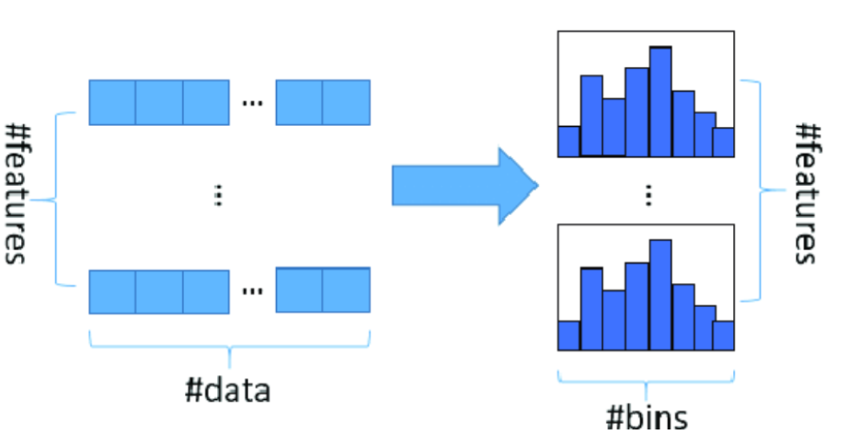 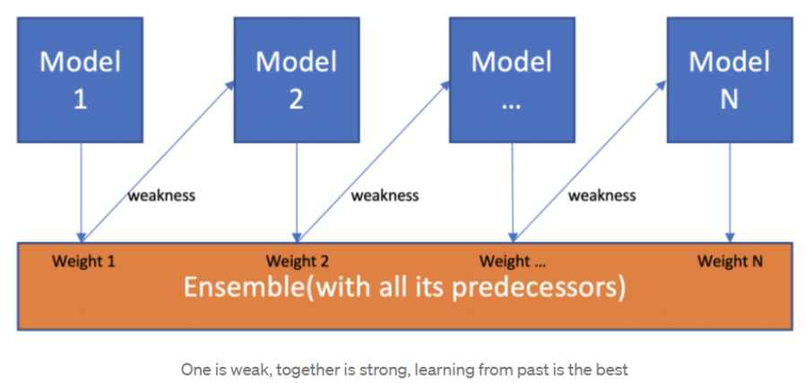
11 | Random Forest Classifier | Purposed for classification tasks using the random forest algorithm. It operates by constructing multiple decision trees on random subsets of the data and features, then aggregating their predictions to improve accuracy and control overfitting. This ensemble method enhances the robustness and generalization ability of the model compared to single decision trees. It can handle both numerical and categorical features, and it is less sensitive to outliers and noise in the data. Additionally, it provides insights into feature importance, which can be useful for feature selection and understanding the underlying data patterns. All of these trees are mapped to a single tree known as the CART model. (Classification and Regression Trees). | sklearn | sklearn.ensemble.RandomForestClassifier() | The RandomForestClassifier in scikit-learn can handle multilabel classification directly. It does this by treating each label as a separate binary classification problem. The algorithm builds multiple decision trees, each predicting the presence or absence of a specific label, and then aggregates the predictions. | The RandomForestClassifier in scikit-learn inherently supports multiclass classification. There is no special modification or separate class required to handle problems with more than two target classes. The algorithm automatically adapts to the number of unique classes present in the training data. | Decision Tree | Non-parametric | n_estimators: max_depth: min_samples_split: min_samples_leaf: max_features: max_leaf_nodes: Feature Selection: Selecting the most relevant features can reduce model complexity and improve generalization. Out-of-Bag Error Estimation: Using the out-of-bag samples to evaluate model performance can help fine-tune hyperparameters. In summary, while there aren't explicit regularization parameters like "alpha" or "lambda" in RandomForestClassifier, you can achieve regularization by fine-tuning hyperparameters that control the complexity of the trees and the ensemble. | However, a good rule of thumb is to start with a reasonable size and increase it gradually, while monitoring performance and memory usage. Experiment with different data sizes and parameters to find the optimal configuration for your specific problem. For very large datasets (millions of rows), consider using techniques like subsampling, dimensionality reduction, or alternative algorithms Tools like Dask can help you work with large datasets that don't fit into memory. | .fit() | Generally robust to outliers due to its tree-based structure and ensemble nature. Outliers have less impact on the model's overall performance because each decision tree considers only a subset of features and instances. However, extreme outliers or a high proportion of outliers can still affect the model Trimming or pruning trees: Some implementations allow trimming or pruning trees before adding them to the ensemble, which can make them more robust to outliers. Parameter tuning: Adjust hyperparameters like max_depth or min_samples_leaf to control the complexity of the trees and reduce overfitting to outliers. Winsorizing: Replacing extreme values with less extreme ones. | Does not inherently handle missing data (NaN values) in the same way some tree-based algorithms do. It requires that the input data be complete and without missing values. As of scikit-learn version 1.4, RandomForestClassifier and RandomForestRegressor can handle missing values natively. | Inherently handles multicollinearity to a significant extent. Multicollinearity, the presence of high correlation between predictor variables, can pose challenges for linear models. However, tree-based models like Random Forests are less susceptible due to their structure and methodology. | N/A | offers built-in mechanisms to handle imbalanced datasets. Here's how it addresses the issue: Class weighting: The class_weight parameter allows assigning different weights to classes. Setting it to balanced automatically adjusts weights inversely proportional to class frequencies. This makes the model pay more attention to the minority class during training. | Specifically the scikit-learn implementation, does not inherently require feature scaling. It is based on decision trees, which are not sensitive to the scale of input features. If features are on vastly different scales, it can sometimes make the interpretation of feature importance scores less straightforward. Scaling can help to put all features on a comparable footing. While not directly affecting the model's accuracy, scaling might help optimization algorithms or other preprocessing steps converge faster if they are used in conjunction with the random forest. | n_estimators: Number of trees in the forest. max_depth: Maximum depth of each tree. max_features: Number of features considered for splitting at each node. criterion: Function used to measure split quality (‘gini’ or ‘entropy’). min_samples_split: Minimum samples required to split a node. min_samples_leaf: Minimum samples required to be at a leaf node. bootstrap: Whether to use bootstrap sampling when building trees (True or False). | Finance: It is a preferred algorithm over others as it reduces time spent on data management and pre-processing tasks. It can be used to evaluate customers with high credit risk, to detect fraud, and option pricing problems. Healthcare: The random forest algorithm has applications within computational biology, allowing doctors to tackle problems such as gene expression classification, biomarker discovery, and sequence annotation. As a result, doctors can make estimates around drug responses to specific medications. E-commerce: It can be used for recommendation engines for cross-sell purposes. Banking to detect customers who are more likely to repay their debt on time. It’s also used to predict who will use a bank’s services more frequently. They even use it to detect fraud. Stock traders use Random Forest to predict a stock’s future behavior Random Forest can be used to analyze a patient’s medical history to identify diseases. Pharmaceutical scientists use Random Forest to identify the correct combination of components in a medication or predict drug sensitivity. Sometimes Random Forest is even used for computational biology and the study of genetics a popular choice in many natural language processing tasks | Independence of observations: Each data point should be independent of the others. This means that the value of one observation does not directly influence the value of another. Independent and identically distributed (i.i.d.) data: Data points are sampled independently from the same distribution. No strong multicollinearity: The algorithm performs best when there isn't a high correlation between features. Multicollinearity can lead to redundancy and reduce the model's efficiency. Non-linearity: The algorithm effectively handles complex, non-linear relationships within the data. Sufficient data: A large amount of data is needed to build diverse trees and achieve optimal performance. Balanced trees: Individual trees grow sufficiently deep to capture underlying patterns in the data. Randomness: Random feature selection and data sampling are crucial for the diversity of trees in the forest. Absence of systematic noise: While Random Forests can handle some noise, it assumes that the noise is randomly distributed and not systematic. | RandomForestClassifier can model complex, non-linear relationships. | High Accuracy and Robustness: It typically provides high prediction accuracy, often outperforming other algorithms, due to the use of multiple decision trees and ensemble learning techniques. By averaging the predictions of multiple trees, it reduces the impact of individual tree errors and outliers, making it robust to noisy data. Handles Large Datasets with High Dimensionality: It can efficiently handle large datasets with thousands of input variables without needing to delete variables. Manages Missing Data: It can handle missing values effectively without significantly compromising accuracy, using methods like median imputation or proximity-weighted averages. Reduces Overfitting: Combining multiple decision trees reduces the risk of overfitting, a common issue with single decision trees. This is because the model is less likely to memorize noise in the training data. Feature Importance: It provides a measure of feature importance, allowing users to identify which variables are most influential in the model. This can be useful for feature selection and understanding the underlying data relationships. Versatility: It can be used for both classification and regression tasks. It can also handle a mix of numerical and categorical features without requiring extensive preprocessing like one-hot encoding. Non-Parametric Nature: It does not make assumptions about the data distribution, making it suitable for a wide range of datasets. Parallelization: The training process can be easily parallelized, making it efficient for large datasets and complex models. Less Sensitive to Hyperparameter Tuning: Compared to some algorithms like neural networks, it is less sensitive to hyperparameter tuning, making it easier to use and implement. | Complexity and Computational Cost: Training can be computationally expensive and slow, especially with a large number of trees or high-dimensional data. Prediction can also be slower compared to simpler models. Interpretability: Due to the multitude of trees, it's harder to interpret compared to simpler models like linear regression or single decision trees. It acts somewhat like a "black box." Memory Usage: Storing numerous decision trees, especially for large datasets, requires significant memory resources. Overfitting: While Random Forests reduce overfitting compared to single decision trees, they can still overfit, particularly with noisy data or if the number of trees is excessively high. Sensitivity to Imbalanced Data: Performance may degrade if the dataset is highly imbalanced, where one class significantly outnumbers others. Not Suitable for Real-Time Predictions: The complexity can make it unsuitable for real-time prediction tasks, especially with a large number of trees. Bias with Categorical Variables: When dealing with categorical variables having varying numbers of levels, Random Forests can be biased toward those with more levels, potentially leading to unreliable variable importance scores. Potential for Poor Performance: If the relationships between dependent and independent variables are non-linear, it might not perform well. | Random Forest Classifier using Scikit-learn | GeeksforGeeks | 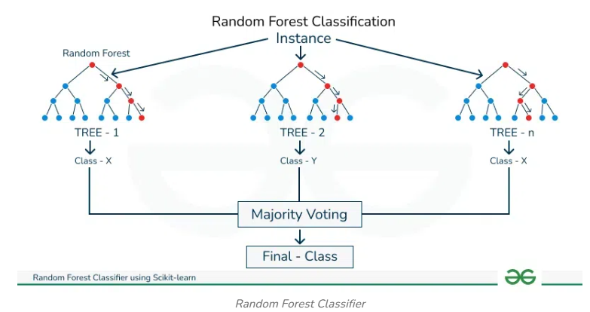 GL_Ensemble_Wk1_HandsOn
12 | Stacking Classifier | Serves the purpose of combining multiple classification models (base learners) into a single, more robust model using a meta-classifier. This technique, known as stacking, aims to improve prediction accuracy by leveraging the strengths of different models. It works by training several base classifiers on the data, then using their predictions as input features for a meta-classifier, which learns how to best combine these predictions to make a final prediction. | sklearn | sklearn.ensemble.StackingClassifier() | Doesn't have inherent support for multi-label classification as a built-in objective function Use with MultiOutputClassifier, OneVsRestClassifier, ClassifierChain, or skmultilearn package | Maybe | Linear Non-Linear Decision Tree | Non-parametric The meta-model (final estimator) can be either parametric or Non-parametric | Regularization of the final estimator: By choosing a final_estimator that supports regularization (e.g., Logistic Regression with L2 or L1 regularization), you can control the complexity of the stacking model and prevent overfitting. While the StackingClassifier itself doesn't have a direct regularization parameter, regularization is applied by choosing a final_estimator that supports it and tuning its regularization parameters. The cross-validation performed in stacking further contributes to improving the model's generalization performance. | While there's no magic number, ensure your dataset is large enough to train your base models and meta-learner effectively. Experiment with different dataset sizes and base model combinations to find what works best for your specific problem. | .fit() | Depends on models used in stacking | Depends on models used in stacking | Depends on models used in stacking | N/A | Depends on models used in stacking | Depends on models used in stacking | Depends on models used in stacking | Customer Churn Prediction: used in telecommunications, retail, and banking to predict customer churn Fraud Detection: Disease Detection: Drug Discovery: Stacking can help identify potential drug candidates and predict their effectiveness. Pollution Source Classification: Stacking can analyze different sources of pollution and weather features to predict their impact on PV panel efficiency, leading to better maintenance and power generation Predictive Maintenance: Stacking can analyze sensor data from equipment to predict potential failures, reducing downtime and maintenance costs Quality Control: Stacking can combine different quality inspection methods to improve the accuracy of defect detection in manufacturing Image and Video Analysis: Stacking can combine different computer vision models to improve the accuracy of image and video analysis tasks | Operates under the primary assumption that the base estimators are trained on the same target variable. This means that all base models and the meta-model are trained to predict the same outcome. While it is possible to use different feature sets for the base estimators, they must all correspond to the same target. Hinges on the diversity and skill of the base estimators. It is assumed that the base models make different types of errors, which the meta-model can learn to correct. If the base models are highly correlated or perform similarly, stacking may not lead to significant improvements. Assumes that the training data is representative of the problem domain. Like any supervised learning method, it relies on the quality and relevance of the training data to generalize well to unseen data. Overfitting can occur if the meta-model is too complex or the training dataset is not sufficiently large or diverse. | Depends on models used in stacking | Improved Predictive Accuracy: Stacking can achieve higher accuracy than individual models by combining diverse models and leveraging their strengths. Handling Complex Relationships: It can capture intricate relationships in data that might be challenging for individual models. Reduced Overfitting: The meta-model's ability to combine predictions can often lead to reduced overfitting. Flexibility: Stacking can combine diverse types of models, allowing for flexible ensemble designs. Leverages Model Diversity: By combining different types of models, stacking can capture a wide range of patterns in the data. | Depends on the models Different machine learning algorithms may be skilled at solving problems in different ways. If we had multiple algorithms working together to solve a problem, one algorithm’s strengths could potentially mask the other algorithm’s weaknesses and vice versa. This is the idea behind stacking. Computationally expensive | Stacking in Machine Learning | GeeksforGeeks | 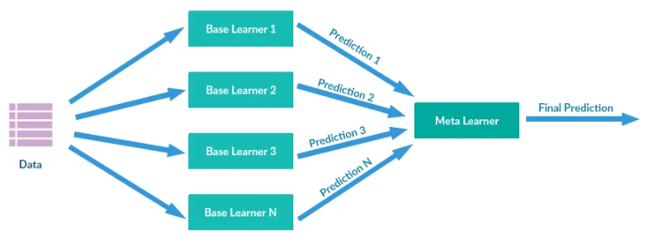 GL_Ensemble_Wk2_Wine
13 | Voting Classifier | A voting classifier is a machine learning model that gains experience by training on a collection of several models and forecasts an output (class) based on the class with the highest likelihood of becoming the output. To forecast the output class based on the largest majority of votes, it averages the results of each classifier provided into the voting classifier. The concept is to build a single model that learns from various models and predicts output based on their aggregate majority of votes for each output class, rather than building separate specialized models and determining the accuracy for each of them. There are primarily two different types of voting classifiers: Hard voting and soft voting In hard voting, the predicted output class is a class with the highest majority of votes In this, the average probabilities of the classes determine which one will be the final prediction. VotingClassifier itself is a framework, not a model with inherent parametric or Non-parametric assumptions about the data distribution. It's a way to combine the predictions of other models. The base models within the VotingClassifier can be either parametric or Non-parametric. For example, a VotingClassifier can include parametric models like Logistic Regression or Naive Bayes, or Non-parametric models like Decision Trees or K-Nearest Neighbors. | sklearn | sklearn.ensemble.VotingClassifier() | Doesn't have inherent support for multi-label classification as a built-in objective function Use with MultiOutputClassifier, OneVsRestClassifier, ClassifierChain, or skmultilearn package | It supports both binary and multiclass classification problems. | Linear Non-Linear Decision Tree | Parametric or Non-parametric | Hard Voting (Majority Voting): Soft Voting (Probability Averaging): weights: While VotingClassifier doesn't have built-in regularization parameters, the ensemble nature itself contributes to regularization. By combining multiple models, you reduce the likelihood of overfitting, as it's less likely that all base classifiers will overfit in the same way. The combined decision is more robust and generalizes better to unseen data. | Larger datasets generally improve performance: Diminishing returns with extremely large datasets: Computational costs with large datasets: Ensemble methods can be beneficial for smaller datasets: Plotting learning curves can help visualize how the VotingClassifier's performance changes with increasing dataset size. This can guide your decision on whether more data is needed. | .fit() | The impact of outliers on a VotingClassifier depends on the base classifiers used and the voting method (hard or soft). Linear Regression: Heavily impacted, as outliers can pull the decision boundary. Logistic Regression: Outliers far from the decision boundary may not be problematic, but outliers on the opposite side can impact accuracy. K Nearest Neighbors (KNN): Sensitive to outliers for small K values; larger K values are less susceptible. Linear SVM: Outliers close to the decision boundary can reduce the margin and affect performance. Decision Trees: Robust to outliers in independent variables, but outliers in the dependent variable can increase the depth of the tree and lead to overfitting. Random Forests: Generally robust to outliers due to sampling and aggregation. XGBoost: Can be sensitive to outliers in the dependent variable, as the algorithm might disproportionately focus on points with large residuals. | The VotingClassifier itself does not natively handle missing data; it relies on its base estimators to process the input. The VotingClassifier itself does not inherently handle missing data. You must preprocess your data to address missing values before using it with the VotingClassifier, typically through imputation or by using base estimators that support missing values | Multicollinearity usually doesn't significantly degrade the predictive power of a well-tuned VotingClassifier, especially when the goal is purely prediction. In VotingClassifier (and ensemble methods in general), multicollinearity can make it challenging to interpret the individual contribution of features, as correlated features might share importance or lead to inconsistent splitting decisions in tree-based models within the ensemble. | N/A | VotingClassifier can be impacted by imbalanced data, where one class has significantly more instances than others. This imbalance can lead to a model that is biased towards the majority class, resulting in poor performance on the minority class. Consequently, the model's ability to correctly identify and predict instances of the minority class is significantly reduced. Metrics like overall accuracy can be deceptive with imbalanced data, as a model might achieve high accuracy by simply predicting the majority class for most instances, while still failing miserably on the minority class. | In sklearn.ensemble.VotingClassifier, feature scaling is not a strict requirement for the VotingClassifier itself, as it's an ensemble method that combines the predictions of individual base classifiers. However, whether feature scaling is necessary depends on the base classifiers that make up the VotingClassifier. | estimators: voting: ('hard','soft') Default is hard weights: These weights are used when calculating the majority vote (hard voting) or averaging probabilities (soft voting). flatten_transform: verbose: n_jobs: use_clones: If True, clones the base classifiers before fitting. This avoids modifying the original classifier instances. If False, the original classifier instances will be refitted. Default is True. fit_base_estimators: If True, fits the base classifiers during the fit method call. If False, assumes that the classifiers are already fitted. Default is True. | Classification tasks: When you have many powerful classifiers and wish to aggregate their predictions to improve accuracy, use a voting classifier. Model Selection: A Voting Classifier can assist in locating the best model when you are unclear of which one to use for your problem. Model Diversity: Combining models with various advantages and disadvantages, such as a decision tree, a support vector machine, and a neural network, can produce reliable results. Finance: Predicting loan defaults, fraud detection, and stock price movements. Healthcare: Diagnosing diseases, predicting patient outcomes, and analyzing medical images. E-commerce: Recommending products, predicting customer churn, and personalizing user experiences. Marketing: Targeting advertising campaigns, segmenting customers, and predicting customer behavior. | Diversity of Base Models: Individual Accuracy: Benefit of Agreement and Disagreement: The underlying assumption is that when multiple models agree on a prediction, that prediction is more likely to be accurate. When they disagree, the diversity among the models helps compensate for individual weaknesses and reduces the risk of relying on a single flawed prediction. | It can be used effectively with non-linear data, although the choice of base classifiers and voting method is crucial. | Increased Accuracy: Improved Generalization: Reduced Overfitting: Handles Different Model Biases: Model Selection Assistance: It can help in finding the best model when you are unsure which one to use Stability: It can stabilize fluctuations caused by sensitive models by taking into account multiple viewpoints. Diversity in Predictions: Different models capture different aspects of the data, leading to better decision-making. | Experimentation Required: Finding the optimal weights for each model can require a lot of experimentation, as there is no set procedure for that. Lack of Feature Importance: No Defined Key Features: there is no defined way to check which features are key for the predictions. Complexity: Computational Cost: Potential for Reduced Performance: If the base classifiers are not diverse or if they are all poor performers, the VotingClassifier() may not improve accuracy. Weight Tuning: Weights may need to be tuned to achieve optimal performance. | Voting Classifier - GeeksforGeeks | 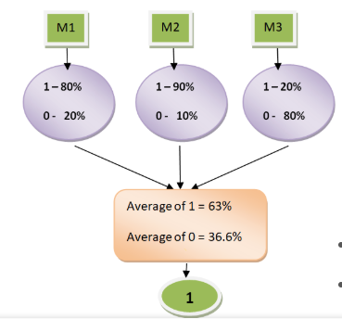 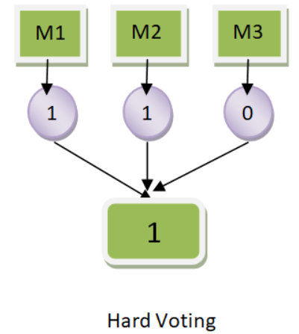
14 | Logistic Regression | Logistic Regression In statistics, A logistic model (or logit model) is a statistical model that models the log-odds of an event as a linear combination of one or more independent variables In logistic regression, we need the predicted probability p_i in the [0,1] interval. We know that the logistic function squishes inputs so that they take on values in the [0,1] interval. Logistic Regression is a classification algorithm used to predict the probability of a binary outcome. It models the relationship between a set of independent variables and a dependent variable that can take only two values, typically 0 or 1. While the core of logistic regression is linear, it can be adapted to handle non-linear relationships by adding polynomial features or using kernel methods. | statsmodels sklearn | statsmodels.discrete.discrete_model.Logit() statsmodels.api.Logit() sklearn.linear_model.LogisticRegression() | Doesn't have inherent support for multi-label classification as a built-in objective function Use with MultiOutputClassifier, OneVsRestClassifier, ClassifierChain, or skmultilearn package | Scikit-learn's LogisticRegression class inherently supports multiclass classification. You can choose between the 'ovr' (One-vs-Rest) or 'multinomial' (Softmax) strategies by setting the multi_class parameter. | Linear Non-Linear | Parametric | The penalty parameter of the LogisticRegression() class controls the type of regularization: penalty='l1': L1 regularization, penalty='l2': L2 regularization (default), penalty='elasticnet': Elastic Net regularization, and penalty='none': No regularization. The C parameter controls the strength of the regularization. Smaller values of C correspond to stronger regularization, and larger values correspond to weaker regularization. | Logistic regression can handle extremely large datasets that exceed the memory size of the computing system because it loads individual rows into memory. A minimum sample size of 100 + 50i, where 'i' is the number of independent variables (features) in your model, is often suggested. For example, if you have 5 features, you should have at least 350 samples. For observational studies, a minimum sample size of 500 is recommended to derive statistics that can represent the parameters in the targeted population One in Ten Rule: For every ten events (the smallest outcome category), you can study one predictive variable. | .fit() | While generally less sensitive to outliers than some other methods like Linear Regression, can still be affected by them, particularly extreme outliers or those that are influential | Missing data, often represented as NaN values, needs to be addressed. | This can cause problems in the model, such as unstable coefficient estimates and difficulty in interpreting the effects of individual predictors. | N/A | Yes. Standard Logistic Regression can be biased towards the majority class | Scaling data before applying Logistic Regression can be crucial for optimizing model performance. Feature scaling ensures that all features contribute equally to the model training process, preventing features with larger values from dominating those with smaller values. This is particularly important for algorithms like Logistic Regression that rely on distance calculations. | multi_class: Specifies the strategy to handle multiple classes solver: Algorithm to use in the optimization problem max_iter: Maximum number of iterations taken for the solvers to converge. C: Inverse of regularization strength; smaller values specify stronger regularization. | Logistic regression is widely used in credit scoring and it shows remarkable results. Disease Detection: a popular choice in many natural language processing tasks. First, the text preprocessing is performed, then features are extracted, and finally, logistic regression is used to make some claim about a text fragment. Toxic speech detection, topic classification for questions to support, and email sorting are examples where logistic regression shows good results. Hotels: Predict either user will change a journey date or not Gaming: In-game purchases are a good place to introduce a recommendation system. There are three types of recommendation systems. The collaborative system predicts what the user would like to buy based on ratings from users with similar preferences in previous purchases, and other activity. A content-based algorithm makes its decision based on properties specified in the item description and what the user indicated as interests in her profile. The third type is the hybrid and it is a combination of two previous types. | Binary or Ordinal Outcome: The dependent variable should be binary (two categories) or ordinal (ordered categories). Independence of Observations: Each data point should be independent of the others. No repeated measurements or matched data should be present. Linearity of the Logit: The independent variables should have a linear relationship with the log-odds (logit) of the dependent variable. Absence of Multicollinearity: Independent variables should not be highly correlated with each other. No Outliers: Extreme outliers can disproportionately influence the model and should be addressed. Large Sample Size: A sufficiently large sample size is generally needed for reliable results, often suggested as a minimum of 10 cases with the least frequent outcome for each independent variable. | To handle non-linear relationships with Logistic Regression in Python, feature engineering or kernel methods can be employed. Logistic Regression, in its basic form, is a linear classifier, but it can be adapted to model non-linear data. | Simplicity and Interpretability: It is easy to understand and implement, providing clear insights into the relationship between features and the target variable through its coefficients. Efficiency: It requires relatively low computational power and can be trained quickly, even with small datasets. Probability Scores: It provides probability scores for each class, offering more information than just a classification label. Handles Linearly Separable Data Well: It performs effectively when the data can be separated by a linear boundary. No Feature Scaling Required: Unlike some algorithms, it does not necessitate scaling features. Extensible to Multiclass Problems: It can be adapted for multiclass classification using techniques like multinomial logistic regression. Feature Importance: Model coefficients can be interpreted as indicators of feature importance. Fast Classification: It is very fast at classifying unknown records. | Linearity Assumption: It assumes a linear relationship between the independent variables and the log-odds of the dependent variable. This can be a significant limitation when dealing with non-linear data patterns. Sensitivity to Outliers: Logistic regression can be sensitive to outliers, which can disproportionately influence the model's coefficients and predictions. Multicollinearity: It struggles with multicollinearity, where independent variables are highly correlated, making it difficult to determine the individual impact of each variable. Overfitting: It is prone to overfitting, especially with a high number of predictor variables relative to the number of observations. Regularization techniques are often needed to mitigate this. Limited to Categorical Outcomes: Logistic Regression is fundamentally designed for binary classification problems. While it can be extended to handle multi-class problems, it may not be the most effective approach in such cases. Data Requirements: It requires a sufficiently large dataset to ensure reliable results. When the number of features is close to or exceeds the number of observations, the model can become unstable. Interpretation Challenges: While generally interpretable, the interpretation of coefficients as log-odds can be less intuitive than in some other models. Inability to Handle Missing Data: Logistic Regression cannot inherently handle missing data and requires preprocessing steps such as imputation or removal of incomplete records. Class Imbalance: It can perform poorly when dealing with imbalanced datasets where one class significantly outnumbers the other. Non-linear Separability: Logistic regression can only construct linear decision boundaries, making it unsuitable for datasets with complex, non-linear relationships between classes. | Python Logistic Regression Tutorial with Sklearn & Scikit | DataCamp | 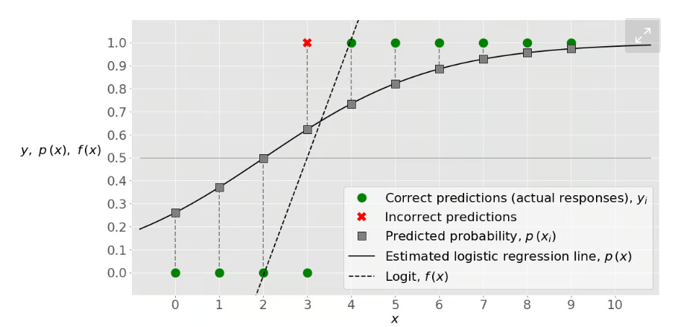 ISLP pg188 Class_Classification_Logistic_Regression_Pima | 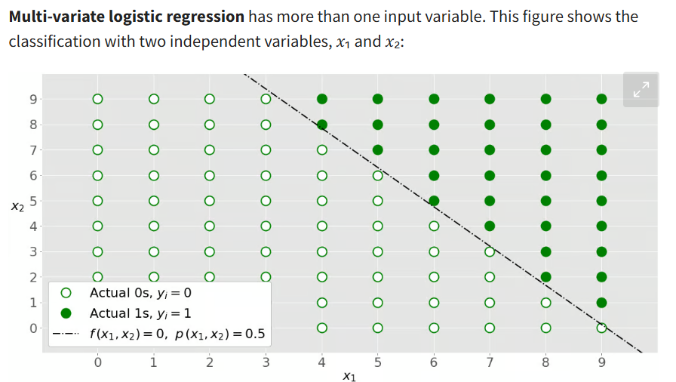
15 | Ridge Classifier (L2) | The RidgeClassifier in Python, specifically within the scikit-learn library, is a linear classifier that employs Ridge regression for classification tasks. Instead of directly predicting class labels, it transforms the classification problem into a regression one by converting target values into {-1, 1}. This approach leverages the strengths of regression techniques, especially when dealing with multi-class scenarios. This regularization term is also known as L2 regularization. This is done so as to avoid overfitting. Designed for multi-class classification tasks. By combining ideas from conventional classification techniques and Ridge Regression, it offers a distinct method for classifying data points. Stops overfitting by adding a penalty term that is managed by the hyperparameter alpha. This regularization aids in preserving equilibrium between managing model complexity and fitting the data. | sklearn | sklearn.linear_model.RidgeClassifier() | Doesn't have inherent support for multi-label classification as a built-in objective function Use with MultiOutputClassifier, OneVsRestClassifier, ClassifierChain, or skmultilearn package | RidgeClassifier uses a one-vs-all (also known as one-vs-rest) strategy to handle multi-class problems. This means that for each class, a separate binary classifier is trained to distinguish that class from all other classes. | Linear | Parametric | alpha(float, default=1.0): controls the regularization strength max_iter(int, default=None): tol(float, default=0.0001): class_weight(dict or 'balanced', default=None): solver(str, default='auto'): | Recommended when the number of features is comparable to, or even exceeds, the number of observations. RidgeClassifier is a good choice when you need a regularized linear model for classification, particularly when dealing with small datasets, multicollinearity, or high-dimensional data. | .fit() | The RidgeClassifier in Python, which uses Ridge regression for classification, is sensitive to outliers. Outliers can disproportionately influence the model, pulling the decision boundary toward them due to the least squares minimization used in the underlying Ridge regression. | When using RidgeClassifier, missing values can significantly impact model performance and lead to errors. | Ridge regularization is effective at handling cases where features are highly correlated. Designed to mitigate the impact of multicollinearity. This makes it a suitable choice when dealing with datasets that have highly correlated features. | The RidgeClassifier in scikit-learn has a parameter called fit_intercept which is set to True by default. This parameter controls whether an intercept (also known as bias) should be added to the model. When fit_intercept=True, the model will estimate and include an intercept term during training. This means that the decision boundary will not be forced to pass through the origin (0,0), allowing for more flexibility in fitting the data. | Like many classifiers, RidgeClassifier can be biased towards the majority class when the dataset is imbalanced. The model may underperform on the minority class, leading to low recall (sensitivity) or precision for that class. Accuracy alone can be a misleading metric when evaluating RidgeClassifier on imbalanced data. | Scaling your data is highly recommended, especially for features with different scales. | alpha: fit_intercept: copy_X: This boolean parameter determines whether to copy the input data X. If True (default), X will be copied; otherwise, it might be overwritten. class_weight: | Finance: Predicting Market Trends, Risk Assessment, Algorithmic Trading Time Series Analysis: Time Series Forecasting, Anomaly Detection Engineering: Signal Processing, System Identification Chemistry: Quantitative Structure-Activity Relationship (QSAR) Text Classification: Image Recognition: | Linearity: Independence of Errors: Constant Variance (Homoscedasticity): No Multicollinearity: Data Distribution: While not strictly required, it's often assumed that the input features have a Gaussian distribution. | RidgeClassifier() itself does not directly handle nonlinear relationships in the data. It assumes a linear relationship between features and the target variable. To use RidgeClassifier() for nonlinear data, you would typically need to perform feature engineering to transform the input data into a higher-dimensional space where the relationship becomes linear. | Handles Multicollinearity: Reduces Overfitting: Stability: Computational Efficiency: Can be faster than LogisticRegression with many classes because it computes the projection matrix only once. Good for High Dimensional Data: Works well with datasets that have a large number of features and a small number of training samples. Interpretability: Unlike principal component regression, RidgeClassifier retains original predictors, making results easier to interpret. Prevents Overfitting: | Bias-Variance Trade-off: Computational Complexity: Not Ideal for Sparse Data: No Feature Selection: Misinterpreting Coefficients: Parameter Sensitivity: Not a Probabilistic Classifier: Limited to Linear Relationships: All Predictors Included: Shrinks Coefficients: It is also important to note that RidgeClassifier() uses a penalized least squares loss, which is different from the cross-entropy loss used in Logistic Regression. | Ridge Classifier - GeeksforGeeks | 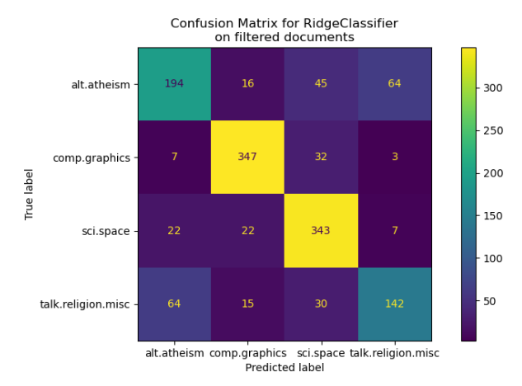
16 | Ridge Classifier CV (L2) | Uses Ridge regression with built-in cross-validation to determine the optimal regularization parameter alpha. It performs classification by first converting the target values into {-1, 1} and then treats the problem as a regression task. It uses Ridge regression, which adds a penalty term to the loss function to prevent overfitting. This penalty term is controlled by the regularization parameter alpha. It includes built-in cross-validation to automatically find the best alpha value for the given data. By default, it uses Generalized Cross-Validation, which is an efficient form of Leave-One-Out cross-validation. RidgeClassifierCV automatically selects the regularization parameter alpha using cross-validation, while RidgeClassifier requires the user to specify alpha. | sklearn | sklearn.linear_model.RidgeClassifierCV() | Doesn't have inherent support for multi-label classification as a built-in objective function Use with MultiOutputClassifier, OneVsRestClassifier, ClassifierChain, or skmultilearn package | For multiclass problems, RidgeClassifierCV uses a one-vs-rest approach. This means that for each class, it trains a separate Ridge regression model to distinguish that class from all other classes. | Linear | Parametric | RidgeClassifierCV applies L2 regularization, also known as Ridge regularization or Tikhonov regularization. alphas: Larger alpha values correspond to stronger regularization cv: Cross validation parameter. By default, it uses Leave-One-Out Cross-Validation (LOOCV) | For smaller datasets (fewer than ~10,000 training examples), RidgeClassifierCV is a good choice. In essence, RidgeClassifierCV is a strong option for moderate-sized datasets and scenarios where regularization and handling multicollinearity are crucial. | .fit() | It is not inherently robust to outliers. | Missing data in your input features (X) will significantly impact the performance of RidgeClassifierCV If you try to fit a RidgeClassifierCV model with input features containing NaN (Not a Number) or infinite values, you will likely encounter a ValueError. | Ridge regularization is effective at handling cases where features are highly correlated. Designed to mitigate the impact of multicollinearity. This makes it a suitable choice when dealing with datasets that have highly correlated features. | The RidgeClassifierCV in scikit-learn has a parameter called fit_intercept which is set to True by default. This parameter controls whether an intercept (also known as bias) should be added to the model. When fit_intercept=True, the model will estimate and include an intercept term during training. This means that the decision boundary will not be forced to pass through the origin (0,0), allowing for more flexibility in fitting the data. | Like many classifiers, RidgeClassifierVcan be biased towards the majority class when the dataset is imbalanced. The model may underperform on the minority class, leading to low recall (sensitivity) or precision for that class. Accuracy alone can be a misleading metric when evaluating RidgeClassifierCV on imbalanced data. | Scaling your data is highly recommended, especially for features with different scales. normalize: A flag indicating if the features should be normalized before fitting. | alpha: fit_intercept: cv: class_weight: scoring: This parameter specifies the metric used to evaluate the model during cross-validation. store_cv_results: A boolean flag indicating whether the cross-validation results for each alpha value should be stored in the cv_results_ attribute. | Finance and Risk Management: Credit Risk Assessment, Multicollinearity Management among financial variables Healthcare Analytics: Patient Outcome Prediction, Handling Correlated Predictors Environmental Science and Climate Modeling: Developing Climate Models, Multicollinearity in Climate Data Research and Development (including fields like fMRI analysis): Large-Scale Model Fitting, Voxel-wise fMRI data modeling | Linearity: No Multicollinearity (Ideally): Homoscedasticity: Independence of Errors: Error-free Predictor Variables: | RidgeClassifierCV() itself does not directly handle nonlinear relationships in the data. It assumes a linear relationship between features and the target variable. To use RidgeClassifierCV() for nonlinear data, you would typically need to perform feature engineering to transform the input data into a higher-dimensional space where the relationship becomes linear. | Reduces Overfitting: Handles Multicollinearity: Effective with High-Dimensional Data: Built-in Cross-Validation: Dimensionality Reduction: In essence, RidgeClassifierCV is a strong tool for classification problems when overfitting and multicollinearity are concerns. However, if feature selection and model interpretability are crucial, or if the data exhibits significant non-linearity, other models might be more suitable. | No Automatic Feature Selection: Can Be Less Interpretable: Can Struggle with Non-Linear Data: Requires Careful Consideration of Alpha: | Ridge Classifier - GeeksforGeeks
17 | Batch Gradient Descent Classifier (BGD) | Batch gradient descent operates on iteratively updating model parameters to minimise a given cost or loss function. In batch gradient descent, the loss for all the points in the training set are averaged, and the model (weight) is updated only after evaluating all the training examples in a single training iteration. To perform batch gradient descent with SGDClassifier in Python, configure it to mimic batch behavior. The SGDClassifier natively uses stochastic gradient descent (SGD), updating parameters for each sample or mini-batch. To achieve batch gradient descent, force it to process the entire dataset as a single batch. This can be done by setting batch_size equal to the number of samples in the training data and iterating only once. it fits a model with a fixed number of parameters (coefficients and intercept) to the data. | None | No module written for this. Can modify SGDClasifier() to do this sklearn.linear_model.SGDClassifier() | Doesn't have inherent support for multi-label classification as a built-in objective function Use with MultiOutputClassifier, OneVsRestClassifier, ClassifierChain, or skmultilearn package | Yes For multiclass classification, a common approach is to use the softmax function to obtain class probabilities and the cross-entropy loss as the loss function. Supports multi-class classification by combining multiple binary classifiers in a “one versus all” (OVA) scheme. | Linear | Parametric | alpha: This parameter controls the strength of regularization. A higher value means stronger regularization. The default value is 0.0001. penalty: This parameter specifies the type of regularization to apply ('l1', 'l2', or 'elasticnet'). | SGDClassifier is particularly well-suited for datasets with a large number of training samples, often exceeding 10,000. Its stochastic nature allows it to process data in small batches or even individual data points, making it memory-efficient and faster than methods that require the entire dataset to be loaded into memory. | .fit() | Sensitive to outliers due to its iterative update process, which relies on individual data points or small batches. Outliers can disproportionately influence the gradient calculation, leading to erratic updates and potentially hindering convergence. Distorted Gradient: Outliers can significantly skew the gradient calculation because SGD considers only a subset of data at each step. A single outlier with a large error can dominate the gradient, causing the model parameters to adjust drastically in the wrong direction. Oscillations and Instability: The noisy updates caused by outliers can lead to oscillations in the loss function and instability during training. The model might struggle to converge to the optimal solution as it gets pulled back and forth by the influence of outliers. Slower Convergence: Outliers can slow down the convergence of SGD. The algorithm may require more iterations to overcome the impact of outliers and find a stable minimum. | Ignoring rows/columns with missing values: Simplest approach, but can lead to significant data loss if missingness is prevalent Debiasing SGD: Modifying the SGD update rule to account for missing values, ensuring convergence even with incomplete data. This approach often involves adding a correction term to the gradient update. Imputation: Batch gradient descent assumes that there are no missing values in the dataset. Missing values need to be handled before training the model. | Multicollinearity can cause the cost function to be steep and elongated, making it difficult for SGD to navigate towards the minimum. This can result in slower convergence and require more iterations to reach an optimal solution. The gradients can become unstable and oscillate wildly due to multicollinearity, preventing SGD from settling down to a stable solution. In cases of severe multicollinearity, the calculations can become numerically unstable, leading to inaccurate updates and potentially causing the algorithm to diverge. However, SGD can still converge to the global minimum even in the presence of multicollinearity, although it might take longer and require careful tuning of hyperparameters like the learning rate. Regularization techniques, such as L1 or L2 regularization, can be used to mitigate the effects of multicollinearity and improve the stability and convergence of SGD. It is also crucial to scale the features before applying SGD, as it is sensitive to the scale of the input data. Stochastic: Randomly determined | N/A | SGD is sensitive to feature scaling, so it's crucial to scale your data. In SGDClassifier, use the class_weight parameter to penalize errors on the minority class more heavily. Options include balanced for automatically adjusting weights based on class frequencies or a custom dictionary. Adjust the learning rate during training. A decreasing learning rate can help stabilize convergence, especially with imbalanced data. Use regularization techniques (L1 or L2) to prevent overfitting, particularly if the minority class is small. Monitor the performance on a validation set and stop training when the performance plateaus or starts to degrade to avoid overfitting | SGD is sensitive to feature scaling, so it's crucial to scale your data. | loss: Specifies the loss function. Options include hinge (for linear SVM), log_loss (for logistic regression), and modified_huber. The choice depends on the specific problem and desired model behavior. penalty: Determines the regularization type: l1, l2, or elasticnet. Regularization helps prevent overfitting. alpha: Represents the regularization strength. Smaller values indicate weaker regularization. l1_ratio: When using elasticnet, this parameter controls the mix of L1 and L2 regularization. learning_rate: Sets the learning rate schedule, with options like constant, optimal, invscaling, and adaptive. The learning rate affects how quickly the model converges. eta0: The initial learning rate when learning_rate is constant, invscaling or adaptive. power_t: The exponent for inverse scaling learning rate. max_iter: Specifies the maximum number of iterations (epochs) over the training data. tol: Tolerance for the stopping criterion. Training stops if the loss does not improve by at least tol after n_iter_no_change consecutive epochs. shuffle: Whether or not to shuffle the training data after each epoch. early_stopping: Whether to use early stopping to terminate training when validation score is not improving. n_iter_no_change: Maximum number of epochs with no improvement to trigger early stopping. validation_fraction: Proportion of training data to set aside as validation set for early stopping. | In algorithmic trading, batch gradient descent helps optimize trading strategies by minimizing prediction errors in stock prices or market movements, using historical data. It's also used in risk management for credit scoring models and fraud detection systems. Batch gradient descent assists in training models for medical diagnosis, predicting patient outcomes, and optimizing treatment plans. It is employed in analyzing large datasets of patient records and medical images. It plays a role in optimizing production processes, predicting equipment failures, and improving quality control. By analyzing historical production data, it helps minimize defects and maximize efficiency In the energy sector, batch gradient descent is used for optimizing energy consumption, predicting energy demand, and managing smart grids. It aids in analyzing large datasets from sensors and meters. It is applied in recommendation systems, customer churn prediction, and optimizing marketing campaigns. Batch gradient descent is a fundamental tool in various research fields, including materials science, drug discovery, and climate modeling, for optimizing models and analyzing large datasets. It helps optimize delivery routes, manage inventory, and improve supply chain efficiency by analyzing historical data on transportation and warehousing. | The cost function, which measures the error of the model, must be differentiable. Ideally, the cost function should be convex, meaning it has a single global minimum. Batch gradient descent performs well on relatively smooth error manifolds. In such cases, it can move directly toward an optimum solution, whether local or global, with a properly tuned learning rate. Batch gradient descent requires access to the entire training dataset to calculate the gradient in each iteration. Selecting an appropriate learning rate is crucial. Feature scaling can improve the performance of batch gradient descent. The initial values of the model parameters can affect the convergence of batch gradient descent. Batch gradient descent is assumed to converge to a minimum, although it may not always be the global minimum, especially for non-convex cost functions. It's assumed that the distribution of the data remains constant throughout the training process. | It can be adapted for non-linear classification tasks using specific techniques. While SGDClassifier doesn't directly support kernel methods like SVC, you can approximate kernel mappings using techniques like PolynomialFeatures or RBFSampler from scikit-learn. These methods transform the input features into a higher-dimensional space where a linear boundary can represent a non-linear boundary in the original space. | The advantage of this method is that it gives a more accurate value for the gradient. By calculating the gradient using the entire dataset, batch gradient descent provides a more accurate and stable estimate of the gradient, leading to smoother convergence towards the minimum of the cost function. For convex cost functions, batch gradient descent is guaranteed to converge to the global minimum, assuming an appropriate learning rate is used. The computation in batch gradient descent can be efficiently vectorized and parallelized, especially when using libraries like NumPy in Python. This can significantly speed up the training process, particularly on hardware like GPUs. Because it considers all training examples, it provides a more accurate gradient, which can prevent convergence at suboptimal solutions. For the same initial conditions, it will always produce the same result, unlike stochastic methods. | One drawback of batch gradient descent is that the stable error gradient can sometimes lead to convergence at a suboptimal solution, failing to reach the best possible model performance.This is because it always moves in the direction of the average gradient, which may not lead to the global minimum. batch gradient descent can be computationally expensive and slow for large datasets, as it requires processing the entire dataset for each update. Due to the need to load the entire dataset into memory, batch gradient descent can be memory-intensive. This can be a significant limitation when working with datasets that exceed available memory. Because updates are only performed after processing the entire dataset, batch gradient descent can converge slowly, especially when the dataset is large and the loss function landscape is complex. Batch gradient descent is not suitable for online learning scenarios where data arrives sequentially, as it requires the entire dataset to be available at once. | 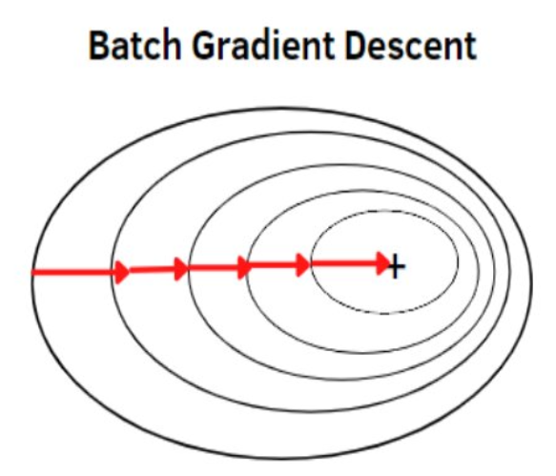 Batch Gradient Descent Made Simple & How To Tutorial In Python | from sklearn.linear_model import SGDClassifier import numpy as np # Generate sample data X = np.array([[1, 2], [1.5, 1.8], [5, 8], [8, 8], [1, 0.6], [9, 11]]) y = np.array([0, 0, 1, 1, 0, 1]) # Initialize SGDClassifier with batch_size equal to the number of samples and n_iter_no_change=len(y) clf = SGDClassifier(loss='log_loss', # or 'hinge' for linear SVM batch_size=len(y), max_iter=1, # One single iteration eta0=0.1, # Learning rate learning_rate='constant',random_state=42) # Perform one iteration over the entire dataset clf.fit(X, y) # Print learned coefficients and intercept print("Coefficients:", clf.coef_) print("Intercept:", clf.intercept_) | def train_batch_gradient_descent(X, y, num_epochs, step_size=0.1, plot_every=1): N, D = X.shape theta = initialize_theta(D) losses = [] for epoch in range(num_epochs): # Do some iterations ypred = linear_function(X, theta) # make predictions with current parameters loss = mean_squared_error(y, ypred) # Compute mean squared error grads = batch_gradient(X, y, theta) # compute gradients of loss wrt parameters theta = update_function(theta, grads, step_size) # Update your parameters with the gradients losses.append(loss) print(f"\nEpoch {epoch}, loss {loss}") return losses
18 | Mini-Batch Gradient Descent Classifier (MBGD) | This is balanced between batch gradient descent and stochastic gradient descent. Here the data is splitted into small batches and then compute loss for each. The weights are updated after each batch.' To perform batch gradient descent with SGDClassifier in Python, configure it to mimic batch behavior. The SGDClassifier natively uses stochastic gradient descent (SGD), updating parameters for each sample or mini-batch. To achieve batch gradient descent, force it to process the entire dataset as a single batch. This can be done by setting batch_size equal to the number of samples in the training data and iterating only once. The selection of an appropriate batch size is crucial for effective training. It depends on factors such as dataset size, model complexity, and available computational resources. Common batch sizes range from 32 to 256, but the optimal value often requires experimentation. | None | No module written for this. Can modify SGDClasifier() to do this sklearn.linear_model.SGDClassifier() | Doesn't have inherent support for multi-label classification as a built-in objective function Use with MultiOutputClassifier, OneVsRestClassifier, ClassifierChain, or skmultilearn package | Yes For multiclass classification, a common approach is to use the softmax function to obtain class probabilities and the cross-entropy loss as the loss function. Supports multi-class classification by combining multiple binary classifiers in a “one versus all” (OVA) scheme. | Linear | Parametric | alpha: This parameter controls the strength of regularization. A higher value means stronger regularization. The default value is 0.0001. penalty: This parameter specifies the type of regularization to apply ('l1', 'l2', or 'elasticnet'). | SGDClassifier is particularly well-suited for datasets with a large number of training samples, often exceeding 10,000. Its stochastic nature allows it to process data in small batches or even individual data points, making it memory-efficient and faster than methods that require the entire dataset to be loaded into memory. | .fit() | Sensitive to outliers due to its iterative update process, which relies on individual data points or small batches. Outliers can disproportionately influence the gradient calculation, leading to erratic updates and potentially hindering convergence. Distorted Gradient: Outliers can significantly skew the gradient calculation because SGD considers only a subset of data at each step. A single outlier with a large error can dominate the gradient, causing the model parameters to adjust drastically in the wrong direction. Oscillations and Instability: The noisy updates caused by outliers can lead to oscillations in the loss function and instability during training. The model might struggle to converge to the optimal solution as it gets pulled back and forth by the influence of outliers. Slower Convergence: Outliers can slow down the convergence of SGD. The algorithm may require more iterations to overcome the impact of outliers and find a stable minimum. | Ignoring rows/columns with missing values: Simplest approach, but can lead to significant data loss if missingness is prevalent Debiasing SGD: Modifying the SGD update rule to account for missing values, ensuring convergence even with incomplete data. This approach often involves adding a correction term to the gradient update. Imputation: | Multicollinearity can cause the cost function to be steep and elongated, making it difficult for SGD to navigate towards the minimum. This can result in slower convergence and require more iterations to reach an optimal solution. The gradients can become unstable and oscillate wildly due to multicollinearity, preventing SGD from settling down to a stable solution. In cases of severe multicollinearity, the calculations can become numerically unstable, leading to inaccurate updates and potentially causing the algorithm to diverge. However, SGD can still converge to the global minimum even in the presence of multicollinearity, although it might take longer and require careful tuning of hyperparameters like the learning rate. Regularization techniques, such as L1 or L2 regularization, can be used to mitigate the effects of multicollinearity and improve the stability and convergence of SGD. It is also crucial to scale the features before applying SGD, as it is sensitive to the scale of the input data. Stochastic: Randomly determined | N/A | SGD is sensitive to feature scaling, so it's crucial to scale your data. In SGDClassifier, use the class_weight parameter to penalize errors on the minority class more heavily. Options include balanced for automatically adjusting weights based on class frequencies or a custom dictionary. Adjust the learning rate during training. A decreasing learning rate can help stabilize convergence, especially with imbalanced data. Use regularization techniques (L1 or L2) to prevent overfitting, particularly if the minority class is small. Monitor the performance on a validation set and stop training when the performance plateaus or starts to degrade to avoid overfitting | SGD is sensitive to feature scaling, so it's crucial to scale your data. | loss: Specifies the loss function. Options include hinge (for linear SVM), log_loss (for logistic regression), and modified_huber. The choice depends on the specific problem and desired model behavior. penalty: Determines the regularization type: l1, l2, or elasticnet. Regularization helps prevent overfitting. alpha: Represents the regularization strength. Smaller values indicate weaker regularization. l1_ratio: When using elasticnet, this parameter controls the mix of L1 and L2 regularization. learning_rate: Sets the learning rate schedule, with options like constant, optimal, invscaling, and adaptive. The learning rate affects how quickly the model converges. eta0: The initial learning rate when learning_rate is constant, invscaling or adaptive. power_t: The exponent for inverse scaling learning rate. max_iter: Specifies the maximum number of iterations (epochs) over the training data. tol: Tolerance for the stopping criterion. Training stops if the loss does not improve by at least tol after n_iter_no_change consecutive epochs. shuffle: Whether or not to shuffle the training data after each epoch. early_stopping: Whether to use early stopping to terminate training when validation score is not improving. n_iter_no_change: Maximum number of epochs with no improvement to trigger early stopping. validation_fraction: Proportion of training data to set aside as validation set for early stopping. | Mini-batch gradient descent is fundamental in training complex models like Convolutional Neural Networks (CNNs) for computer vision tasks, Recurrent Neural Networks (RNNs) for natural language processing, and various deep learning architectures used in predictive modeling, image recognition, and speech recognition. It is used for optimizing model parameters in regression and classification tasks, especially when dealing with large datasets where batch gradient descent would be computationally expensive. In algorithmic trading and risk management, mini-batch gradient descent can be applied to train models for predicting market trends and assessing risks. It is utilized in medical image analysis, drug discovery, and personalized medicine to train models that can identify diseases, predict patient outcomes, and optimize treatment plans. Mini-batch gradient descent helps in optimizing production processes, predicting equipment failures, and improving quality control through machine learning models It is used in recommendation systems, fraud detection, and customer behavior analysis to enhance user experience and drive sales. | It assumes that each mini-batch is a reasonably representative sample of the overall training data distribution. Randomly shuffling the data before creating mini-batches helps to satisfy this assumption. The algorithm relies on the objective function (loss function) being differentiable. This allows for the calculation of gradients, which guide the optimization process. While not a strict requirement, mini-batch gradient descent often performs best when the underlying data distribution is relatively stationary. Significant shifts in the distribution during training can destabilize the learning process. While not a strict requirement, mini-batch gradient descent often performs best when the underlying data distribution is relatively stationary. Significant shifts in the distribution during training can destabilize the learning process. While mini-batch gradient descent can be robust to some outliers, extreme outliers can still negatively impact the training process. Preprocessing steps to handle outliers may be necessary. The algorithm assumes that the data points within a mini-batch are independent of each other. This assumption is important for the validity of the gradient estimates. Mini-batch gradient descent, like other gradient-based methods, is not guaranteed to find the global minimum of the objective function, especially if the function is non-convex. It may converge to a local minimum instead. | It can be adapted for non-linear classification tasks using specific techniques. While SGDClassifier doesn't directly support kernel methods like SVC, you can approximate kernel mappings using techniques like PolynomialFeatures or RBFSampler from scikit-learn. These methods transform the input features into a higher-dimensional space where a linear boundary can represent a non-linear boundary in the original space. | Computational Efficiency: By processing data in smaller batches, it significantly reduces the computation time per iteration compared to batch gradient descent, making it suitable for large datasets. Memory Management: It requires less memory as it processes only a subset of the data at a time, enabling the training of large models on limited hardware resources. Noise and Regularization: The inherent noise introduced by mini-batches can help the model escape local minima and prevent overfitting, leading to more robust and generalizable models. Smoother Convergence: Compared to stochastic gradient descent, mini-batch gradient descent provides a more stable convergence path due to the averaging of gradients over a batch. | A batch size too small can lead to noisy updates, resembling stochastic gradient descent and hindering convergence. Conversely, a batch size too large approaches batch gradient descent, increasing computational cost and slowing down the learning process. Mini-batch gradient descent typically requires more iterations to converge compared to batch gradient descent because it doesn't utilize the entire dataset in each update. Managing mini-batches adds complexity to the implementation, requiring careful organization and handling of data subsets. This can increase development effort and necessitate fine-tuning depending on the dataset. The updates in mini-batch gradient descent can sometimes lead to oscillations during training, especially if the batch size is small or the learning rate is high. Like other gradient descent methods, mini-batch gradient descent can get trapped in local minima, especially in non-convex optimization problems. The computational cost scales with the batch size and the number of iterations. Mini-batch gradient descent requires loading mini-batches of data into memory, which can be a limitation when working with very large datasets that cannot fit entirely in memory. The performance of mini-batch gradient descent is sensitive to the choice of hyperparameters, such as the learning rate and batch size. | 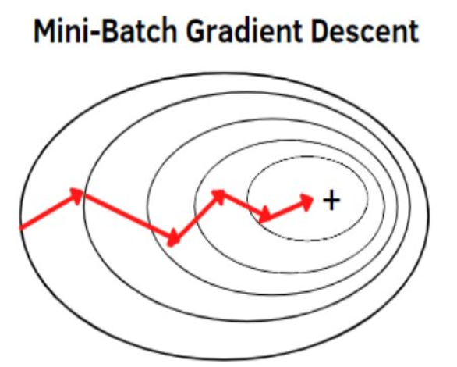 Gradient Descent From Scratch- Batch Gradient Descent, Stochastic Gradient Descent, and Mini-Batch Gradient Descent. | by Jaleel Adejumo | Medium | # Generate sample data X = np.random.rand(1000, 10) y = np.random.randint(0, 2, 1000) # Split data into training and testing sets X_train, X_test, y_train, y_test = train_test_split(X, y, test_size=0.2, random_state=42) # Define mini-batch size batch_size = 32 # Initialize SGDClassifier sgd_classifier = SGDClassifier(loss='log_loss', random_state=42) # Train the model using mini-batch gradient descent for epoch in range(10): # Number of epochs for i in range(0, len(X_train), batch_size): X_batch = X_train[i:i + batch_size] y_batch = y_train[i:i + batch_size] sgd_classifier.partial_fit(X_batch, y_batch, classes=np.unique(y)) # Make predictions on the test set y_pred = sgd_classifier.predict(X_test) # Calculate accuracy accuracy = accuracy_score(y_test, y_pred) print(f"Accuracy: {accuracy}") | def minibatch_gradient_descent(X, y, num_epochs, step_size=0.1, batch_size=3, plot_every=1): N, D = X.shape theta = initialize_theta(D) losses = [] num_batches = N//batch_size X, y = shuffle_data(X, y) # shuffle the data for epoch in range(num_epochs): # Do some iterations running_loss = 0.0 for batch_idx in range(0, N, batch_size): x_batch = X[batch_idx: batch_idx + batch_size] # select a batch of features y_batch = y[batch_idx: batch_idx + batch_size] # and a batch of labels ypred = linear_function(x_batch, theta) # make predictions with current parameters loss = mean_squared_error(y_batch, ypred) # Compute mean squared error grads = batch_gradient(x_batch, y_batch, theta) # compute gradients of loss wrt parameters theta = update_function(theta, grads, step_size) # Update your parameters with the gradients running_loss += (loss * x_batch.shape[0]) # loss is mean for a batch, dividing by N_batch gives # us a sum for the batch so we can average later by diving # by the full data size avg_loss = running_loss/ N losses.append(avg_loss) print(f"\nEpoch {epoch}, loss {avg_loss}") return losses
19 | Stochastic Gradient Descent Classifier (SGD) | Linear classifiers (SVM, logistic regression, etc.) with SGD training. This estimator implements regularized linear models with stochastic gradient descent (SGD) learning: the gradient of the loss is estimated each sample at a time and the model is updated along the way with a decreasing strength schedule (aka learning rate). SGD allows minibatch (online/out-of-core) learning via the partial_fit method. For best results using the default learning rate schedule, the data should have zero mean and unit variance. This implementation works with data represented as dense or sparse arrays of floating point values for the features. The model it fits can be controlled with the loss parameter; by default, it fits a linear support vector machine (SVM). Stochastic gradient descent (SGD) is a gradient descent algorithm used for learning weights/parameters/coefficients of the model, be it perceptron or linear regression. SGD updates parameters using a randomly selected training example per iteration. Strictly speaking, SGD is merely an optimization technique and does not correspond to a specific family of machine learning models. It is only a way to train a model. | sklearn | sklearn.linear_model.SGDClassifier() | Doesn't have inherent support for multi-label classification as a built-in objective function Use with MultiOutputClassifier, OneVsRestClassifier, ClassifierChain, or skmultilearn package | Yes For multiclass classification, a common approach is to use the softmax function to obtain class probabilities and the cross-entropy loss as the loss function. Supports multi-class classification by combining multiple binary classifiers in a “one versus all” (OVA) scheme. While Stochastic Gradient Descent (SGD) is primarily a binary classification algorithm, SGDClassifier handles multiclass scenarios by employing strategies like "one-versus-all" (OvA) or "one-versus-rest" (OvR) automatically. You do not need to explicitly wrap SGDClassifier in OneVsRestClassifier or OneVsOneClassifier for basic multiclass classification, as SGDClassifier handles this internally. | Linear | Parametric | alpha: This parameter controls the strength of regularization. A higher value means stronger regularization. The default value is 0.0001. penalty: This parameter specifies the type of regularization to apply ('l1', 'l2', or 'elasticnet'). | SGDClassifier is particularly well-suited for datasets with a large number of training samples, often exceeding 10,000. Its stochastic nature allows it to process data in small batches or even individual data points, making it memory-efficient and faster than methods that require the entire dataset to be loaded into memory. | .fit() | Sensitive to outliers due to its iterative update process, which relies on individual data points or small batches. Outliers can disproportionately influence the gradient calculation, leading to erratic updates and potentially hindering convergence. Distorted Gradient: Outliers can significantly skew the gradient calculation because SGD considers only a subset of data at each step. A single outlier with a large error can dominate the gradient, causing the model parameters to adjust drastically in the wrong direction. Oscillations and Instability: The noisy updates caused by outliers can lead to oscillations in the loss function and instability during training. The model might struggle to converge to the optimal solution as it gets pulled back and forth by the influence of outliers. Slower Convergence: Outliers can slow down the convergence of SGD. The algorithm may require more iterations to overcome the impact of outliers and find a stable minimum. | Ignoring rows/columns with missing values: Simplest approach, but can lead to significant data loss if missingness is prevalent Debiasing SGD: Modifying the SGD update rule to account for missing values, ensuring convergence even with incomplete data. This approach often involves adding a correction term to the gradient update. Imputation: | Multicollinearity can cause the cost function to be steep and elongated, making it difficult for SGD to navigate towards the minimum. This can result in slower convergence and require more iterations to reach an optimal solution. The gradients can become unstable and oscillate wildly due to multicollinearity, preventing SGD from settling down to a stable solution. In cases of severe multicollinearity, the calculations can become numerically unstable, leading to inaccurate updates and potentially causing the algorithm to diverge. However, SGD can still converge to the global minimum even in the presence of multicollinearity, although it might take longer and require careful tuning of hyperparameters like the learning rate. Regularization techniques, such as L1 or L2 regularization, can be used to mitigate the effects of multicollinearity and improve the stability and convergence of SGD. It is also crucial to scale the features before applying SGD, as it is sensitive to the scale of the input data. Stochastic: Randomly determined | N/A | SGD is sensitive to feature scaling, so it's crucial to scale your data. In SGDClassifier, use the class_weight parameter to penalize errors on the minority class more heavily. Options include balanced for automatically adjusting weights based on class frequencies or a custom dictionary. Adjust the learning rate during training. A decreasing learning rate can help stabilize convergence, especially with imbalanced data. Use regularization techniques (L1 or L2) to prevent overfitting, particularly if the minority class is small. Monitor the performance on a validation set and stop training when the performance plateaus or starts to degrade to avoid overfitting | SGD is sensitive to feature scaling, so it's crucial to scale your data. | loss: Specifies the loss function. Options include hinge (for linear SVM), log_loss (for logistic regression), and modified_huber. The choice depends on the specific problem and desired model behavior. penalty: Determines the regularization type: l1, l2, or elasticnet. Regularization helps prevent overfitting. alpha: Represents the regularization strength. Smaller values indicate weaker regularization. l1_ratio: When using elasticnet, this parameter controls the mix of L1 and L2 regularization. learning_rate: Sets the learning rate schedule, with options like constant, optimal, invscaling, and adaptive. The learning rate affects how quickly the model converges. eta0: The initial learning rate when learning_rate is constant, invscaling or adaptive. power_t: The exponent for inverse scaling learning rate. max_iter: Specifies the maximum number of iterations (epochs) over the training data. tol: Tolerance for the stopping criterion. Training stops if the loss does not improve by at least tol after n_iter_no_change consecutive epochs. shuffle: Whether or not to shuffle the training data after each epoch. early_stopping: Whether to use early stopping to terminate training when validation score is not improving. n_iter_no_change: Maximum number of epochs with no improvement to trigger early stopping. validation_fraction: Proportion of training data to set aside as validation set for early stopping. | Fraud Detection: Credit Risk Assessment: E-commerce Customer Churn Prediction: E-commerce Recommender Systems: Targeted Advertising: Sentiment Analysis: Network Intrusion Detection: Disease Prediction: Medical Image Analysis: Text Classification: Bioinformatics: | The objective function should be smooth and differentiable, ensuring the existence of a gradient. It is also often assumed to be bounded from below. The stochastic gradients, calculated on mini-batches or individual data points, are assumed to be unbiased estimates of the true gradient. This means that, on average, the stochastic gradients point in the same direction as the true gradient. The variance of the stochastic gradients should be bounded. This ensures that the updates are not excessively noisy and that the algorithm converges. A proper learning rate schedule is crucial for convergence. The learning rate typically starts high and gradually decreases over time, allowing for exploration in the early stages and fine-tuning in later stages. The data is assumed to be independently and identically distributed (i.i.d.). This ensures that each mini-batch or data point provides a representative sample of the overall data distribution. It's important to note that these assumptions may not always hold in practice. However, SGD often performs well even when these assumptions are violated to some extent. | It can be adapted for non-linear classification tasks using specific techniques. While SGDClassifier doesn't directly support kernel methods like SVC, you can approximate kernel mappings using techniques like PolynomialFeatures or RBFSampler from scikit-learn. These methods transform the input features into a higher-dimensional space where a linear boundary can represent a non-linear boundary in the original space. | Efficiency with Large Datasets: Handles large datasets without loading everything into memory, making it suitable for big data applications. Online Learning Capabilities: Adapts to streaming data, allowing for real-time model updates and predictions. Flexibility: Supports various loss functions and regularization techniques, enabling customization for different problems. In SGD, the gradient is computed for only one randomly selected partition of the shuffled dataset during each iteration, instead of using the entire dataset. This modification significantly reduces computational time. | Sensitivity to Learning Rate: SGD's performance is significantly influenced by the learning rate. Selecting an appropriate learning rate can be challenging, and an improper choice may lead to slow convergence or even divergence. Regularization and Iteration Parameters: Besides the learning rate, other hyperparameters like the regularization parameter and the number of iterations (or epochs) also require careful tuning for optimal performance. Impact of Feature Ranges: SGD is sensitive to the scaling of input features. Features with vastly different ranges can hinder convergence and lead to suboptimal results. Noisy Updates: The stochastic nature of SGD introduces randomness in parameter updates, leading to a noisy convergence path. It may produce noisier results. Linear Decision Boundary: As a linear classifier, SGDClassifier might not be suitable for datasets with complex, non-linear decision boundaries. Alternative Algorithms: For non-linear relationships, other algorithms like decision trees, kernelized Support Vector Machines (SVMs), or neural networks might be more appropriate. Potential for Suboptimal Solutions: While the randomness can help escape local minima, it can also lead to convergence to suboptimal solutions or slower convergence on some iterations. | 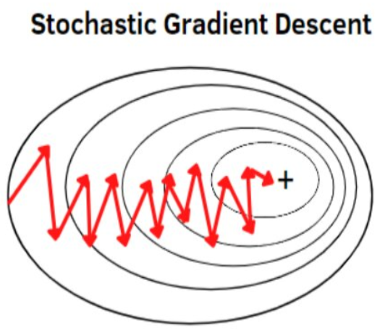 Stochastic Gradient Descent in Python: A Complete Guide for ML Optimization | DataCamp | 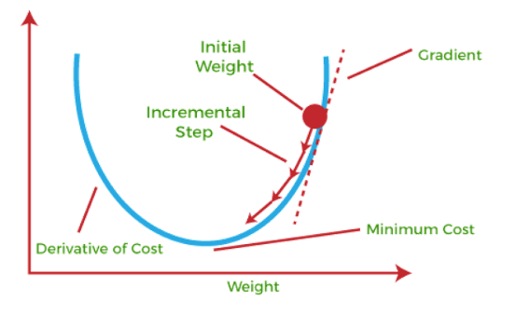 Hands_On_Scitkit_Keras_Tensorflow pg106 | 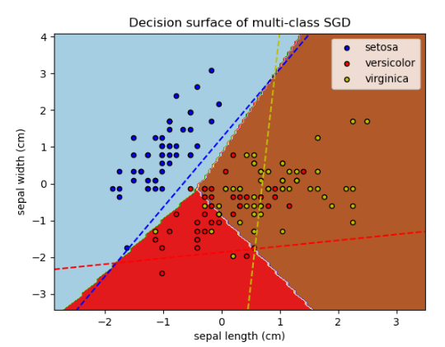 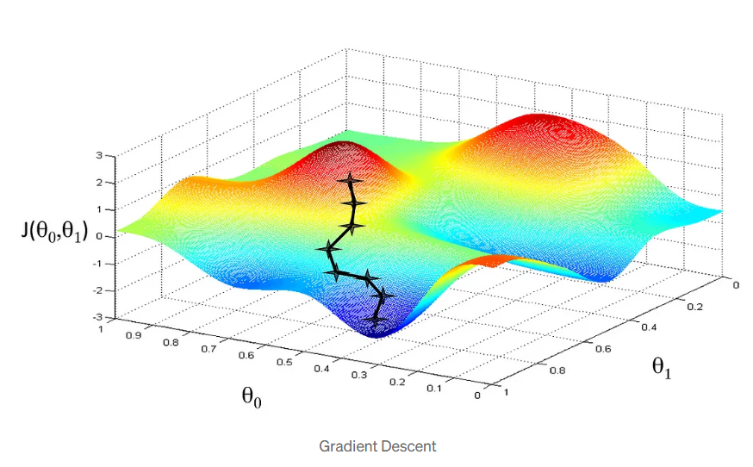
20 | OneVsRest Classifier | OneVsRestClassifier is a strategy for handling multi-class classification problems by decomposing them into multiple binary classification problems. It trains one binary classifier for each class. Each classifier is trained to distinguish one specific class from all the other classes combined. During prediction, the classifier with the highest confidence score determines the predicted class. A multi-class dataset with 'N' classes is transformed into 'N' binary datasets. Each dataset has one class as the positive label and all others as the negative label. A binary classifier is trained on each of these 'N' datasets. For a new data point, each of the 'N' classifiers predicts a probability or a score. The class corresponding to the classifier with the highest score is selected as the final prediction. It can use any binary classifier as its base estimator. It also supports multi-label classification where a sample can belong to multiple classes simultaneously. One-vs-Rest heuristic method for performing multi-class classification with binary classifiers | sklearn | sklearn.multiclass.OneVsRestClassifier() | OneVsRestClassifier is a strategy for handling multi-label classification problems by transforming them into multiple binary classification problems. | OneVsRestClassifier is a strategy for multiclass classification that involves training one classifier per class. For each classifier, the class is fitted against all the other classes. It is also known as one-vs-all. The OneVsRestClassifier transforms a multiclass classification problem into multiple binary classification problems. For each class, it trains a separate binary classifier to distinguish that class from all other classes. | Linear Non-Linear Decision Tree | The parametric or nonparametric nature is determined by the base estimator | Since OneVsRestClassifier is a meta-estimator, the regularization methods are applied to the base estimator you provide. The strength of the regularization is controlled by a parameter, often denoted by λ (lambda) or, more commonly in scikit-learn, by C for Logistic Regression. C is the inverse of the regularization strength, so smaller values of C specify stronger regularization. You can use methods like GridSearchCV to find the optimal value for C and other hyperparameters of your base estimator. | For large datasets (e.g., millions of training samples), using small batches during training can be beneficial for managing memory resources, especially with deep learning models. There's no universal "recommended data size" for OneVsRestClassifier itself. The appropriate data size is determined by the capabilities of the chosen base classifier and the complexity of your problem. | .fit() | In essence, if the base classifier within OneVsRestClassifier is sensitive to outliers, the overall OvR model's performance will likely be negatively impacted. Sensitivity of underlying classifiers: Distorted Data Distribution: Causes Overfitting: Influence on Metrics: | Missing data can significantly impact the performance and reliability of machine learning models, including those used within the OneVsRest strategy. This means you cannot directly train or make predictions using a dataset containing missing values with OneVsRestClassifier without first addressing them. | Multicollinearity, where independent variables are highly correlated, affects the stability and interpretability of the individual binary classifiers that make up the OneVsRestClassifier. Removing Correlated Features: Feature Engineering: Principal Component Analysis (PCA): Regularization Techniques: | The OneVsRestClassifier in scikit-learn does not have a direct parameter to add an intercept. Instead, the intercept is handled by the underlying estimator that you use with OneVsRestClassifier. | If your data has an imbalanced class distribution, balancing techniques like oversampling or undersampling should be applied to the dataset before training the OneVsRestClassifier. This is because each binary classifier within OneVsRestClassifier may face an imbalanced sub-problem, potentially leading to biased models. | OneVsRestClassifier itself does not mandate data scaling. It's a meta-estimator that handles multiclass classification by breaking down the problem into multiple binary classification subproblems. Depends primarily on the underlying classifier you are using within OneVsRestClassifier. | estimator: n_jobs: classes: This parameter is an array-like object that specifies the classes to be used. If not specified, it is inferred from the target variable y during the fit method. Unlike some binary classifiers, OneVsRestClassifier does not have a class_weight parameter. You can only use the class_weight parameter provided by the base binary classifier. | Use when: When you have a multi-class problem and want to leverage binary classification algorithms. When you want to understand the feature importance for each class separately. When your dataset has a large number of classes. Text categorization: Image recognition: Medical diagnosis: Predicting multiple tags for research articles: Using binary classifiers for multi-class problems: Multilabel learning: | Assumption of Binary Relevance: Treating Each Class Independently: Requires a Classifier with Probability-like Scores: Potential for Class Imbalance Issues: Applicability to Multilabel Classification: The OneVsRestClassifier assumes that a multi-class problem can be effectively solved by treating each class independently and training a separate binary classifier for each class. This simplifies the problem but can lead to issues with class imbalance. It is also suitable for multilabel classification. | To handle non-linear data when using OneVsRestClassifier, you'll need to employ a base classifier that can handle non-linear relationships, such as: Support Vector Machines (SVMs) with nonlinear kernels: Tree-based classifiers: Neural Networks: Other non-linear models: | Handles Multi-Class Classification: Interpretability: Computational Efficiency: Multilabel Classification Support: Can Use Any Binary Classifier: | Potential for Imbalance: May Not Be Suitable for Large Datasets (with many classes): Potential for Overlapping Classes: | One-vs-Rest strategy for Multi-Class Classification - GeeksforGeeks | 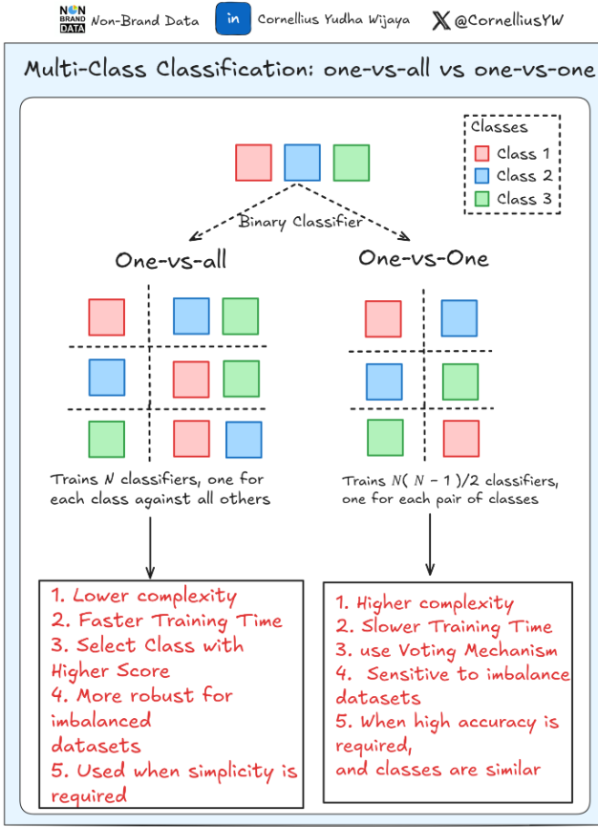
21 | Classifier Chain | ClassifierChain is a multi-label classification method that arranges binary classifiers in a chain. Each classifier in the chain predicts the label and uses the predictions of the preceding classifiers as additional features. This approach allows the model to capture the dependencies between labels. Here's how it works: Chain Creation: For a multi-label classification problem with N labels, N binary classifiers are created. The order of these classifiers forms a chain. ClassifierChain creates a chain of binary classifiers. Training: The first classifier in the chain is trained on the input features. Subsequent classifiers are trained on the input features and the predictions of all preceding classifiers in the chain. Prediction: During prediction, the first classifier makes a prediction based on the input features. This prediction is then fed as an additional feature to the next classifier in the chain, and so on. The final output is a set of predicted labels. This process allows the model to capture and exploit potential correlations between the labels, potentially improving predictive performance compared to independent classifiers. NOT what this is....Multiclass classification is a classification task with more than two classes. Each sample can only be labeled as one class. Classifier chains (see ClassifierChain) are a way of combining a number of binary classifiers into a single multi-label model that is capable of exploiting correlations among targets. For a multi-label classification problem with N classes, N binary classifiers are assigned an integer between 0 and N-1. These integers define the order of models in the chain. Each classifier is then fit on the available training data plus the true labels of the classes whose models were assigned a lower number. When predicting, the true labels will not be available. Instead the predictions of each model are passed on to the subsequent models in th | sklearn | sklearn.multioutput.ClassifierChain() | ClassifierChain is a method used for multi-label classification, where an instance can belong to multiple classes simultaneously. It addresses the challenge of label dependencies by creating a chain of binary classifiers. | ClassifierChain is a method in scikit-learn used for multi-label classification, where an instance can belong to multiple classes simultaneously. | Linear Non-Linear Decision Tree | Parametric | LogisticRegression with penalty='l1', penalty='l2', or penalty='elasticnet' and setting the C parameter to control the regularization strength. LinearSVC with penalty='l1' or penalty='l2' and the C parameter. | There's no magic number for data size. | .fit() | Classifier chains are sensitive to the order of the classifiers in the chain, and outliers can disproportionately affect model training. Outliers, being data points that deviate significantly from the rest of the data, can negatively impact the performance of individual classifiers within the chain, leading to error propagation and reduced overall accuracy. Before training the ClassifierChain, employ outlier detection techniques to identify and remove or adjust these data points. | ClassifierChain in scikit-learn does not natively handle missing data, represented as NaN. When using ClassifierChain, it is necessary to address missing values in the input data before fitting the model. | Multicollinearity, the presence of high correlation between predictor variables, can significantly affect the performance and interpretability of the ClassifierChain model ClassifierChain is a multi-label classification method that chains binary classifiers, where the prediction of one classifier becomes an input feature for the next. Multicollinearity among the original input features can affect the performance of the individual classifiers within the chain. Furthermore, if the predicted labels used as features in subsequent classifiers are highly correlated, this could also impact the chain's performance. | The ClassifierChain itself doesn't directly have an intercept. However, the base estimators used within the ClassifierChain might have an intercept depending on the specific classifier you choose. For example, if you use a LogisticRegression as the base estimator, you can control whether it fits an intercept using the fit_intercept parameter. | ClassifierChain models, like many other machine learning algorithms, can be significantly impacted by imbalanced data. The model may become biased towards the majority class, leading to poor predictive performance on the minority class. This is because the model is trained primarily on the majority class and does not have enough information to learn the patterns of the minority class. In a ClassifierChain, the prediction of each classifier depends on the predictions of the previous classifiers in the chain. If the initial classifiers in the chain are biased due to imbalanced data, this bias can propagate down the chain, leading to poor performance for the subsequent classifiers. The performance of the ClassifierChain may become unstable, with significant variations in performance depending on the specific data sample. This is because the model is highly sensitive to the distribution of the data and can be easily affected by imbalances. | Yes, it is generally recommended to scale your data before fitting a ClassifierChain model in Python, especially when using algorithms sensitive to feature scaling | estimator: This parameter specifies the base classifier that will be used within the chain. You can choose any scikit-learn compatible classifier order: This parameter controls the order in which the classifiers are chained together. cv: This parameter determines whether cross-validated predictions or true labels are used for the results of previous estimators in the chain. | Multi-label Classification: Unlike traditional classification where each data point belongs to a single category, multi-label classification allows for assigning multiple labels simultaneously. A classic example is classifying a news article, which might be relevant to both "Politics" and "Economics". Modeling Label Dependencies: Classifier Chains excel at capturing relationships and correlations between different labels. For example, if a movie is tagged with "Action," it's more likely to also be tagged with "Adventure". Medical Diagnosis: Predicting multiple diseases or conditions a patient might have based on their symptoms. Drug Discovery: Identifying multiple potential side effects of a new drug based on its chemical properties. Product Categorization: Assigning products to multiple relevant categories to improve search and browsing. Recommendation Systems: Suggesting items or content that aligns with a user's multiple interests or preferences. Sentiment Analysis: Content Tagging: Automatically tagging user-generated content with multiple relevant labels for content organization and discoverability. Fraud Detection: Identifying transactions that might be fraudulent across various types of fraudulent activities Risk Assessment: Gene Function Prediction: Predicting multiple functions a gene might have. Protein Function Prediction: Determining multiple functions of proteins based on their structure and sequence | CC assumes that the labels are not independent of each other and that there are relationships between them. It leverages these dependencies by using the predictions of previous labels as features for subsequent labels. CC assumes a sequential order in the occurrence of labels. The order in which the classifiers are chained can affect the performance of the model. CC assumes that the influence of earlier labels on later labels is transitive. This means that if label A influences label B and label B influences label C, then label A indirectly influences label C. CC can be sensitive to noisy or missing data, especially in the earlier stages of the chain The computational complexity of CC increases linearly with the number of labels. CC can be sensitive to class imbalance, especially if the minority class is predicted earlier in the chain Like many machine learning algorithms, CC assumes that the training and test data are drawn from the same distribution. If the distribution changes, the performance of the model may degrade. | To implement a non-linear ClassifierChain, a non-linear base estimator should be specified such as decision tree, SVM with nonlinear kernals, neural networks, KNN | ClassifierChain leverages dependencies and correlations between different labels. ClassifierChain is conceptually straightforward and relatively easy to implement compared to more complex multi-label classification methods. ClassifierChain works by transforming the multi-label problem into a series of binary classification problems. Potential for Improved Accuracy: You can experiment with different chain orders or even create ensembles of classifier chains with different orderings to find the best performing model for your specific problem. | Sensitivity to Label Ordering: Computational Cost: Error Propagation: Model Complexity: Debugging: Debugging and understanding the behavior of a chain of classifiers can be more challenging than working with a single model Potential for Overfitting: | 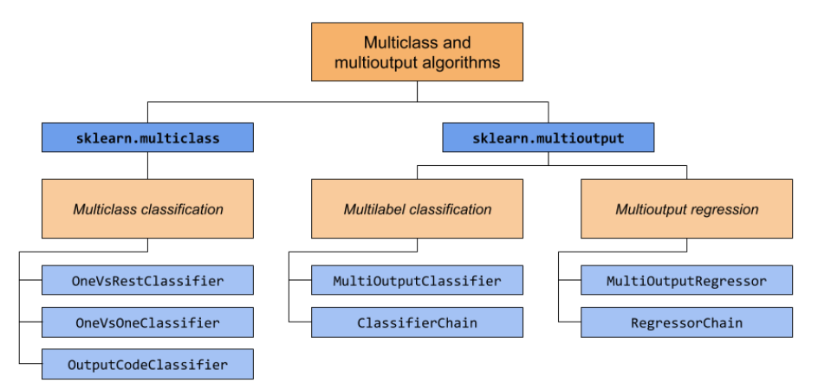 MultiClass and Multioutput Classification using scikit-learn - Naukri Code 360 | 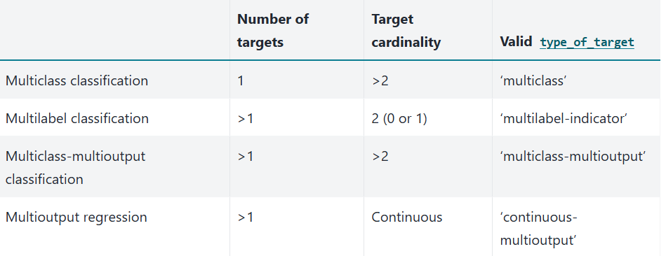 Hands_On_Scikit_Keras_Tensorflow pg127
22 | Multi Output Classifier | Enables the use of a single classifier to predict multiple target variables. This is particularly useful when dealing with multi-label or multi-output classification problems. It works by fitting one classifier per target variable. This means that, for each target, a separate model is trained. It allows the use of classifiers that don't natively support multi-target classification. For example, algorithms like RandomForestClassifier or LogisticRegression, which are designed for single-output problems, can be used for multi-output tasks with MultiOutputClassifier. Training can be parallelized across different target variables using the n_jobs parameter, which can significantly reduce training time. Each classifier is trained independently, without considering the relationships between the target variables. | sklearn | sklearn.multioutput.MultiOutputClassifier() | MultiOutputClassifier in Python's scikit-learn library is a meta-estimator that allows you to extend any single-output classifier to handle multi-label classification problems. In multi-label classification, each instance can have multiple labels simultaneously, which is different from multi-class classification where an instance belongs to only one class. | In summary, MultiOutputClassifier is a useful tool for extending single-output classifiers to handle multi-output problems, but it's important to consider whether it's the most appropriate method based on the relationships between the output variables. For multi-output binary classification, MLPClassifier might be a better choice as it can take into account the relationship between outputs. | Linear Non-Linear Decision Tree | The parametric or nonparametric nature is determined by the base estimator | The regularization methods you can apply are those available in the base estimator you use with MultiOutputClassifier, not specifically within the MultiOutputClassifier itself. | In summary, there is no fixed recommended data size for MultiOutputClassifier. You need to consider the scalability of your chosen base estimator and the characteristics of your dataset (size, number of features, and target variables) to determine if it's suitable. For large datasets, pay attention to the memory requirements and consider techniques like out-of-core learning (partial_fit) or choosing base estimators known to scale well with large amounts of data. | .fit() | Outliers, being data points significantly different from others, can indeed impact the performance of MultiOutputClassifier Outliers in any of the feature variables can influence the training process of the underlying classifiers. | In summary, addressing missing data is crucial for accurate and reliable multi-output classification using MultiOutputClassifier | Multicollinearity, where independent variables are highly correlated, affects the stability and interpretability of the individual binary classifiers that make up the MultiOutputClassifier. Removing Correlated Features: Feature Engineering: Principal Component Analysis (PCA): Regularization Techniques: | The MultiOutputClassifier in scikit-learn does not have a direct parameter to add an intercept. Instead, the intercept is handled by the underlying estimator that you use with MultiOutputClassifier. | When using MultiOutputClassifier() in Python with imbalanced data, the model's performance can be significantly impacted, leading to biased predictions. | In summary, while not always a strict requirement, scaling your data is generally a good practice when using MultiOutputClassifier in scikit-learn, especially with certain base estimators, to potentially improve model performance and speed up convergence. | estimator: n_jobs: | Healthcare: Disease Diagnosis and Prediction, Treatment Prediction, Incident Reporting Analysis Image and Video Analysis: Image Classification, Post-Disaster Reconnaissance Natural Language Processing (NLP): Text Classification, Sentiment Analysis Manufacturing and Supply Chain: Packaging Planning, Predictive Maintenance Recommender Systems Predicting Multiple Properties of an Object: | Independence of outputs: It assumes that the relationships between the target variables are either not important or can be adequately captured by the individual classifiers trained separately. If there are strong interdependencies between the output variables, a native multi-label classifier or a different multi-task learning approach might be more suitable. In situations where there are strong relationships between the target variables, you might consider: Native multi-label classifiers: Some algorithms are designed to handle multi-label classification natively, potentially taking the relationships between labels into account during the training process. Multi-task learning: This approach involves training a single model that learns multiple functions (i.e., classifying multiple labels) while sharing some or all parameters between tasks, which can help capture the relationships between the output variables. | If your data exhibits nonlinear relationships between input features and target labels, you can use the MultiOutputClassifier with a nonlinear base estimator to handle this complexity | Simplicity: Flexibility: Parallelization: The training of each individual classifier can be parallelized, which can speed up the process, especially for large datasets. Easy implementation: It's easy to set up and use within your existing scikit-learn pipelines. | Ignores label correlations: The main drawback is that it treats each output variable independently, neglecting any potential relationships or dependencies between them. Potential for slower performance: Can be computationally expensive: | Calmcode - scikit meta: Multi Output | 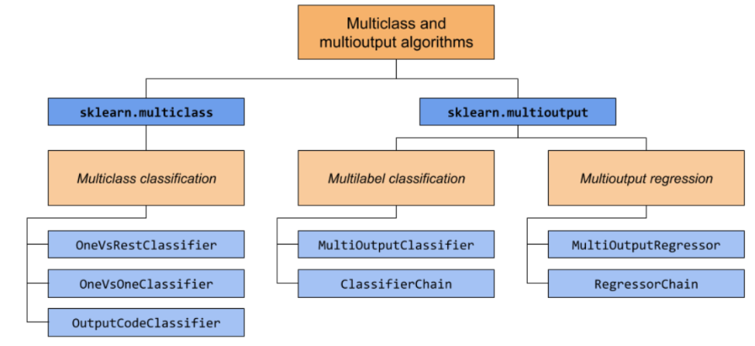
23 | GaussianNB | Gaussian Naive Bayes (GaussianNB). A probabilistic classifier that assumes independence between the features of the data. It is popular for text classification applications, such as catching spam. It can train on a small number of samples. It cannot capture the interactions between features. This simple model can also work with data that has many features. As such, it serves as a good baseline model. Gaussian Naive Bayes is a machine learning classification technique based on a probabilistic approach that assumes each class follows a normal distribution. It assumes each parameter has an independent capacity of predicting the output variable. It is able to predict the probability of a dependent variable to be classified in each group. The two most important features of the normal distribution are the mean (μ) and standard deviation (σ). The mean is the average value of a distribution, and the standard deviation is the “width” of the distribution around the mean. Naive Bayes classifiers are a group of supervised learning algorithms based on applying Bayes’ Theorem with a strong (naive) assumption that every feature in the dataset is independent of every other feature. In simpler terms, Naive Bayes assumes that the presence of a particular feature in a class is unrelated to the presence of any other feature, given the class variable. They also assume each feature plays an equal role in contributing to a model’s output, so they cannot discern the most important features in a model. If the class-conditional variance matrices differ across classes, the decision boundary becomes quadratic, which is a type of nonlinearity. | sklearn | sklearn.naive_bayes.GaussianNB() | Doesn't have inherent support for multi-label classification as a built-in objective function Use with MultiOutputClassifier, OneVsRestClassifier, ClassifierChain, or skmultilearn package | Y | Linear Non-Linear | Generally Parametric | var_smoothing: By default, var_smoothing is set to 1e-9. Increasing var_smoothing adds more to the variance, which effectively reduces the influence of features with extremely low variance. This can prevent the model from overfitting to noise in the training data, hence it functions as a form of regularization. Unlike models that use L1 or L2 regularization, GaussianNB does not have parameters to directly control the complexity of the model. Its simplicity is one of the reasons for its efficiency and ease of use. | There's no magic number for data size. | .fit() | Y | essential to preprocess the data, including handling missing values | Data must be independent so remove any multicollinearity | N/A | The algorithm may struggle with imbalanced data, where one class significantly outnumbers the others | Sometimes | priors: This parameter allows setting the prior probabilities of each class. If not specified, classes are assumed to be equally likely. It can be tuned to reflect the actual class distribution in the data, especially when the classes are imbalanced var_smoothing: Portion of the largest variance of all features that is added to variances for calculation stability | Text Classification: GNB is commonly used in spam email detection, sentiment analysis, and document categorization. It works well with text data represented as bag-of-words or TF-IDF vectors. Medical Diagnosis: GNB can be used in healthcare for diagnosing diseases based on symptoms and medical test results. It’s effective when the features are continuous and follow a normal distribution. Credit Scoring: GNB can help in credit risk assessment by predicting whether a customer is likely to default on a loan based on various financial attributes. Recommendation Systems: GNB can be used in recommendation systems to classify user preferences and suggest items or content that are likely to be of interest to them. Anomaly Detection: GNB can be used to detect anomalies in data, such as fraudulent transactions in banking or network intrusion detection in cybersecurity. Predictive Maintenance: GNB can be used in predictive maintenance to predict equipment failure based on sensor data, helping to reduce downtime and maintenance costs. Face Recognition: GNB can be used in facial recognition systems for classifying facial features and identifying individuals. Biometric Authentication: GNB can be used in biometric authentication systems for verifying individuals based on their biometric data, such as fingerprints or iris scans. | assumes that features follow a Gaussian distribution If the mean, median and mode are equal, then the data fits a Gaussian distribution. You can also plot the data points, and they should form the shape of a symmetrical bell curve. | Can handle some non-linearity: While not designed for complex non-linear relationships, GNB can perform surprisingly well on datasets with some non-linearity, especially if the features are somewhat normally distributed within each class. Limitations: GNB may struggle with highly complex and non-linear datasets where the assumption of feature independence is significantly violated. Data Transformation: If data doesn't follow a Gaussian distribution, transformations like log, square root, or Box-Cox can make it more Gaussian-like. Hybrid Approaches: Combining GNB with other models like Random Forest or SVM can leverage their strengths to handle non-linearity. | Simple yet effective: Despite its simplicity, Gaussian Naive Bayes often performs well in practice, especially on small datasets. Efficient: It requires a small amount of training data to estimate the parameters necessary for classification. Handles continuous data: It works well with continuous features, making it suitable for a wide range of applications. Effective in solving a multiclass problem which makes it perfect for identifying Sentiment. Whether it belongs to the positive class or the negative class. Easy to obtain the estimated probability for a prediction. This can be obtained by calculating the mean, for example, print(result.mean()). It performs well in case of text analytics problems. It can be used for multiple class prediction problems where we have more than 2 classes. | Independence Assumption: The assumption of feature independence may not hold true in real-world data, impacting the model’s performance. Sensitivity to Outliers: Outliers can skew the mean and variance calculations, affecting the classification results. Performance on Imbalanced Datasets: The algorithm may struggle with imbalanced data, where one class significantly outnumbers the others. Not ideal for data sets with a large number of numerical attributes. If the number of attributes is larger then there will be high computation cost and it will suffer from the Curse of dimensionality. If a category is not captured in the training set and appears in the test data set then the model is assign 0 (zero) probability which leads to incorrect calculation. This phenomenon is referred to as ‘Zero frequency’ and to overcome ‘Zero frequency’ phenomena you will have to use smoothing techniques. | 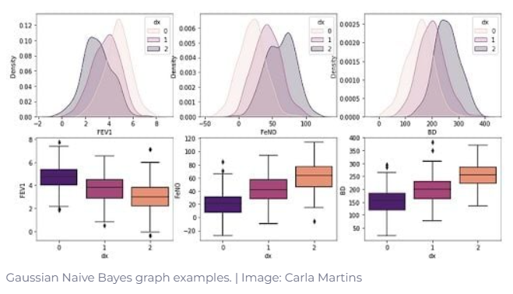 Gaussian Naive Bayes: Understanding the Basics and Applications | by Kashishdafe | Medium | 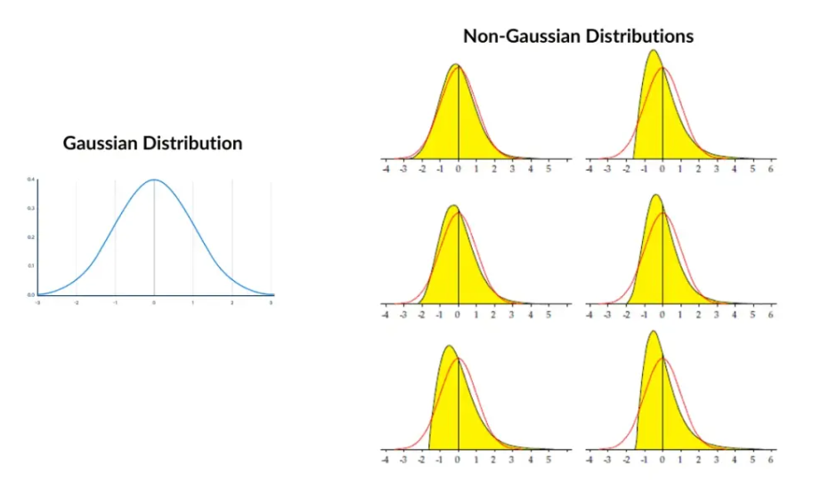 Machine_Learning_Pocket_Ref_pg 30, 112 ISLP pg182
24 | Multinomial NB | Implements the Multinomial Naive Bayes algorithm, which is specifically designed for classification tasks with discrete features. It operates on the principle of Bayes' theorem, assuming independence between features. This algorithm is particularly well-suited for applications where the data can be represented as counts or frequencies, such as in text classification, where features represent word counts. The core purpose of MultinomialNB is to learn the probability distributions of features for each class from the training data. During prediction, it calculates the probability of a given data point belonging to each class based on these learned distributions and Bayes' theorem, assigning the data point to the class with the highest probability. The main difference between Gaussian Naive Bayes and Multinomial Naive Bayes is the types of data they work with. Gaussian Naive Bayes works with continuous data — data that forms a constant sequence, meaning it can take any value within a range. Multinomial Naive Bayes works with discrete data — data that has spaces between values. Discrete data is counted rather than measured, while continuous data is measured but not countable. This is another variant which is an event-based model that has features as vectors where sample(feature) represents frequencies with which certain events have occurred. In order to learn the multinomial probability parameters for each class, we simply sum the training set along features, and divide the result by the sum of that vector. This provides for estimations of the probabilities. Using a smoothing term takes care for empty features ("atrocious" never appear in positive reviews for example). To predict the class of a new sample, we use the probability mass function of multinomial distribution, and compute all probabilities in a "log-space" in order to avoid underflow and ridiculously small numbers our computer wouldn’t handle. | sklearn | sklearn.naive_bayes.MultinomialNB() | Doesn't have inherent support for multi-label classification as a built-in objective function Use with MultiOutputClassifier, OneVsRestClassifier, ClassifierChain, or skmultilearn package | Y | Linear | Parametric | MultinomialNB in scikit-learn doesn't directly implement L1 or L2 regularization in the same way as models like Linear Regression or Logistic Regression, which penalize the magnitude of coefficients. However, the alpha parameter provides a form of regularization specifically tailored to the characteristics of Naive Bayes and its handling of feature probabilities. | No Strict Minimum: MNB can work with relatively small datasets, but performance generally improves with more data. Rule of Thumb: For text classification, aim for at least a few hundred samples per class. Keep in mind that you may need 5x to 10x the memory for your data when using libraries like Pandas. | .fit() | Skewing Probability Estimates: Outliers, especially rare words occurring disproportionately in one class, can skew the probability estimates of word occurrences within each class, impacting prediction accuracy. Zero-Frequency Problem: If a word encountered during testing wasn't present in the training data, its probability will be zero in all classes. This leads to a zero overall probability for the document, affecting classification. Model Sensitivity: Outliers can make the model more sensitive to noisy data and rare events, potentially leading to underestimation of probabilities. Addressing Outliers in MNB: Laplace Smoothing: This technique adds a small value (alpha) to the word counts, ensuring no zero probabilities. It effectively handles unseen words during testing and reduces the influence of rare words, making the model more robust. Feature Selection: Removing high and low-frequency words (which might be outliers or irrelevant) can improve model performance. Data Cleaning: Pre-processing the data to remove noise, correct errors, and handle missing values can reduce the impact of outliers. Robust MNB: Techniques like using robust estimators or modified MNB algorithms, such as Complement Naive Bayes (CNB), which is designed to handle imbalanced datasets, can help address outliers. | essential to preprocess the data, including handling missing values | Data must be independent so remove any multicollinearity | N/A | The algorithm may struggle with imbalanced data, where one class significantly outnumbers the others | Yes | you'll primarily focus on the alpha parameter, which controls the smoothing (Laplace/Lidstone). Hyperparameter tuning methods like GridSearchCV and RandomizedSearchCV from scikit-learn can help identify the best alpha value and other relevant parameters alpha (Smoothing Parameter): This is the most important parameter to tune in MultinomialNB. It adds a small value to the counts of each word in each class to prevent zero probabilities when encountering unseen words. A higher alpha value means more smoothing. fit_prior: Determines whether to learn class prior probabilities from the training data or use a uniform prior. If set to False, all classes are assumed to have equal probability, class_prior: Allows you to specify fixed prior probabilities for each class if fit_prior is False. The default value of the fit_prior parameter is True. This means that by default the initial relative frequencies of the predictor variable counts are computed based on the data, as shown in Figure 2. If you specify fit_prior=False, then all initial values are assumed to be equal. For example, if there was a course type = chemistry with a total of 100 students, each of the five grades would have an initial frequency of 5 / 100 = 0.0500. | Text Classification: GNB is commonly used in spam email detection, sentiment analysis, and document categorization. It works well with text data represented as bag-of-words or TF-IDF vectors. Medical Diagnosis: GNB can be used in healthcare for diagnosing diseases based on symptoms and medical test results. It’s effective when the features are continuous and follow a normal distribution. Credit Scoring: GNB can help in credit risk assessment by predicting whether a customer is likely to default on a loan based on various financial attributes. Recommendation Systems: GNB can be used in recommendation systems to classify user preferences and suggest items or content that are likely to be of interest to them. Anomaly Detection: GNB can be used to detect anomalies in data, such as fraudulent transactions in banking or network intrusion detection in cybersecurity. Predictive Maintenance: GNB can be used in predictive maintenance to predict equipment failure based on sensor data, helping to reduce downtime and maintenance costs. Face Recognition: GNB can be used in facial recognition systems for classifying facial features and identifying individuals. Biometric Authentication: GNB can be used in biometric authentication systems for verifying individuals based on their biometric data, such as fingerprints or iris scans. | In summary, the Multinomial Naive Bayes classifier assumes feature independence and a multinomial distribution of features, along with an equal contribution of each feature to the outcome. These assumptions, while "naive," enable efficient computation and often lead to good classification performance in tasks like text classification Laplace Smoothing: MNB commonly employs smoothing techniques (e.g., Laplace smoothing) to handle the zero-frequency problem, where a word appears in the test data but not in the training data. Zero Probabilities: Without smoothing, MNB would assign a zero probability to documents containing unseen words, leading to classification issues. | MNB is a linear classifier suitable for discrete data and often performs well in text classification, but it might not be the best choice for datasets with inherent non-linear relationships. Explore feature engineering techniques to introduce non-linearity or consider using alternative non-linear algorithms if your data exhibits complex non-linear patterns. | Simple yet effective: Despite its simplicity, Gaussian Naive Bayes often performs well in practice, especially on small datasets. Efficient: It requires a small amount of training data to estimate the parameters necessary for classification. Handles discrete data: It works well with discrete features, making it suitable for a wide range of applications. We can double-check a Gausian distribution by building a QQ plot If your data doesn't fit into memory, you can use partial_fit() to train the model incrementally in batches. | Independence Assumption: The assumption of feature independence may not hold true in real-world data, impacting the model’s performance. Sensitivity to Outliers: Outliers can skew the mean and variance calculations, affecting the classification results. Performance on Imbalanced Datasets: The algorithm may struggle with imbalanced data, where one class significantly outnumbers the others. | 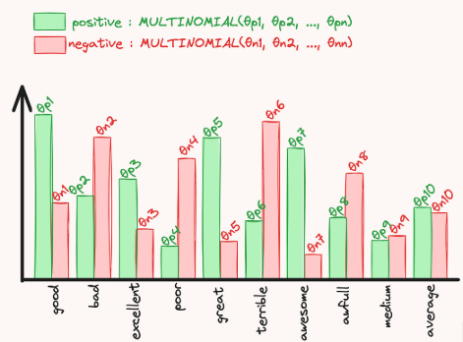 Multinomial Naive Bayes Classification Using the scikit Library -- Visual Studio Magazine | 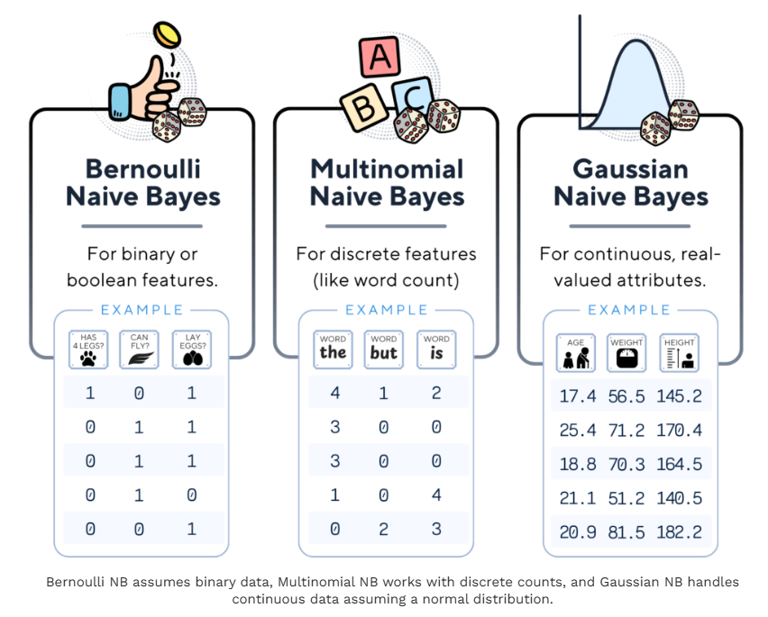 Practical_Statistics pg 200
25 | KNeighborsClassifier | Classifier implementing the k-nearest neighbors vote. The KNN algorithm classifies based on distance to some number (k) of training samples. The algorithm family is called instance-based learning as there are no parameters to learn. This model assumes that distance is sufficient for inferences; otherwise iyt makes no assumptions about the underlying data or its distributiions The tricky part is selecting the appropriate k value. Also, the curse of dimensionality can hamper distance metrics as there is little difference in high dimensions between nearest and farthest neighbor The K-Means Clustering Algorithm is a popular unsupervised machine learning technique used to partition data into distinct groups, or clusters, based on feature similarity. This algorithm is widely employed in various fields, such as marketing, image processing, and social network analysis, to discover inherent patterns within datasets KNeighborsClassifier() in Python's scikit-learn library is a non-parametric and non-linear classification algorithm. Non-parametric , meaning they don't make assumptions about the data distribution. KNeighborsClassifier doesn't assume a linear relationship between features and the target variable. KNeighborsClassifier, being a "lazy learner," doesn't build a model during training but makes predictions during the testing phase by examining the 'k' nearest neighbors. | sklearn | sklearn.neighbors.KNeighborsClassifier() | By combining KNeighborsClassifier with MultiOutputClassifier or using dedicated multi-label KNN implementations, you can effectively address multi-label classification problems in Python | Y | Non-Linear | Non-parametric | While KNeighborsClassifier does not have explicit regularization parameters, its behavior can be controlled by carefully selecting the number of neighbors, weighting scheme, and distance metric. These parameters indirectly manage model complexity and help prevent overfitting. n_neighbors: weights: metric: p: | Memory Requirements: KNN is considered a "lazy learner" because it stores the entire training dataset in memory. This can lead to memory errors or crashes when dealing with very large datasets, especially if your machine has limited RAM. Generally, KNN works best with smaller datasets. A dataset size of around maximum 100K rows is often cited as a general guideline. For much larger datasets, other algorithms might be more suitable. In summary: While there's no strict rule for the "perfect" dataset size, KNN is generally better suited for datasets that are not excessively large in terms of both samples and features. For larger datasets, consider alternative algorithms or techniques to improve KNN's performance, such as dimensionality reduction and using optimized data structures. | .fit() | The KNeighborsClassifier algorithm, a popular instance-based learning method, is sensitive to outliers, especially when using a low value for 'k' Outliers can significantly distort the decision boundaries formed by the KNeighborsClassifier. Since the algorithm relies on the proximity of data points to make predictions, an outlier close to a query point can pull the decision boundary towards it, leading to misclassification. This effect is more pronounced with smaller values of 'k' because fewer neighbors are considered, giving more weight to the potentially outlier neighbor To mitigate: Increase the value of 'k': Using a larger 'k' can reduce the influence of individual outliers by considering more neighbors in the decision-making process. Weighting neighbors: Assigning higher weights to closer neighbors and lower weights to farther ones can reduce the impact of distant outliers. | The KNeighborsClassifier can be modified to handle missing values. Although it is not designed to handle NaN values, it can function effectively if the data has been preprocessed to account for missing values. | KNN is a non-parametric, instance-based learning algorithm that doesn't explicitly calculate feature coefficients like regression models. Therefore, KNN is generally considered less sensitive to multicollinearity compared to regression models. However, multicollinearity can still indirectly affect KNN's performance, particularly in distance calculations Distance calculations: KNN relies on distance metrics to find the nearest neighbors. When features are highly correlated, they essentially provide similar information, potentially leading to: Overweighting of correlated features: The distance calculation might be disproportionately influenced by the correlated features, as they contribute similar information multiple times. Reduced accuracy: The skewed distance calculations may result in the selection of incorrect neighbors, ultimately impacting the model's accuracy. Increased computational cost: Processing redundant information from correlated features can lead to longer training and prediction times. Reduced interpretability: Understanding the importance of individual features becomes challenging when they're highly correlated Remove any high correlations | N/A | May not perform well on imbalanced datasets. With fewer minority class samples, KNN might not learn the characteristics of the minority class effectively, resulting in misclassifications. The algorithm's reliance on proximity might cause minority class instances to be overshadowed by the abundance of majority class neighbors. KNN's distance-based approach can be affected by imbalanced data distribution. Minority class samples might be sparse and scattered, leading to higher distances between them and potentially inaccurate neighbor selection. | Feature scaling significantly impacts the performance of KNeighborsClassifier, a machine learning algorithm that relies on distance calculations to classify data points. When features have drastically different scales, the KNN algorithm can be skewed by features with larger scales, leading to inaccurate predictions. Scaling ensures that all features contribute equally to the distance calculations, leading to more reliable and accurate classifications. | n_neighbors: number of K neighbors weights: This parameter determines how neighbors' votes are weighted during classification. Distance weighting is generally preferred as it makes KNN more robust to outliers improves accuracy. algorithm: This parameter selects the algorithm used for efficient nearest neighbor searches. Start with auto and let the algorithm pick the best option. p: This parameter is relevant if you use the minkowski distance metric. Use p=2 (Euclidean distance) as a good starting point. Consider p=1 (Manhattan distance) for high-dimensional data or if feature independence is assumed. metric: Defines the distance metric to use (e.g., Euclidean, Manhattan, cosine) leaf_size: Parameter for ball_tree and kd_tree, affecting tree construction and query performance n_jobs: Determines the number of parallel jobs to use when computing neighbors Consider using GridSearchCV or RandomizedSearchCV for efficient hyperparameter optimization | Credit scoring Fraud Detection Medical Diagnosis Gene Expression Analysis E-commerce Recommendation Systems Customer Segmentation Image Recognition Facial Recognition Crop Recommendation for Cultivation Precision Agriculture Spam Detection Intrusion Detection on Networks Pattern Recognition: handwritten characters, speech patterns, or customer purchase behavior, enabling various applications such as handwriting recognition, speech recognition, and market segmentation. | KNN is based on the fundamental assumption that instances (data points) that are close to each other in the feature space are likely to be similar and belong to the same class. KNN is a supervised learning algorithm, which means it requires labeled training data. Since KNN uses distance metrics to determine neighbors, feature scaling or normalization is often a crucial step. KNN's performance relies on a well-chosen distance metric to measure the similarity between data points. Common distance metrics include Euclidean, Manhattan, Minkowski, and Hamming distances. The choice of metric depends on the nature of the data and the specific problem being addressed. For example, Euclidean distance is often used for numerical features, while Hamming distance might be more appropriate for categorical data. A small 'k' can make the model sensitive to noise and outliers, leading to high variance and potential overfitting. A large 'k' can smooth the decision boundary and lead to underfitting, potentially ignoring local patterns. Curse of dimensionality | In essence, while KNN has the flexibility to adapt to non-linear data, its performance can be influenced by the complexity of the decision boundaries and the choice of hyperparameters. For highly non-linear problems, other specialized algorithms might be more appropriate | Simple and easy to understand and implement. Versatile, can be used for classification and regression. No explicit training phase (lazy learner). | Can be computationally expensive for large datasets, especially with high dimensionality. Sensitive to irrelevant features and the choice of 'k' and distance metric. May not perform well on imbalanced datasets. | MultiClass Classification Using K-Nearest Neighbours | Towards Data Science | 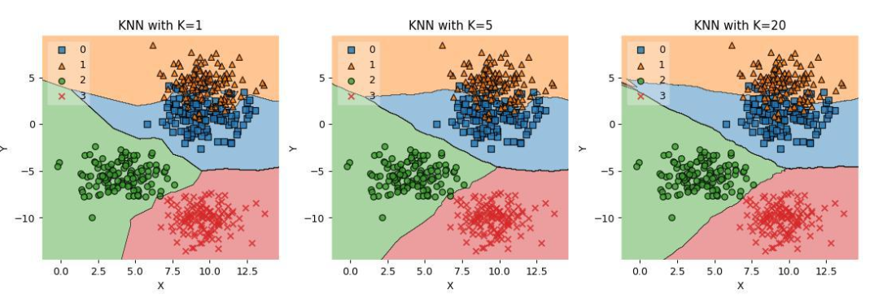 Machine_Learning_Pocket_Ref_pg 30, 117 Dive_into_Data_Science pg137 ISLP pg187
26 | Linear Support Vector Classifier (LSVC) | LinearSVC is a linear Support Vector Classification implementation in scikit-learn, primarily used for binary and multi-class classification tasks. It aims to find the optimal hyperplane that separates data points into different classes with the maximum margin. Unlike SVC, which can use various kernels (linear and non-linear), LinearSVC is specifically designed for linear classification, leveraging the liblinear library for efficiency, especially with large datasets. It only supports linear kernels, meaning it finds a linear decision boundary. It typically handles multi-class classification using a one-vs-rest approach (training a separate classifier for each class against all others). Generally faster than SVC (another SVM implementation) for large datasets with many samples, but it is not recommended for non-linear problems. | sklearn | sklearn.svm.LinearSVC() | Doesn't have inherent support for multi-label classification as a built-in objective function Use with MultiOutputClassifier, OneVsRestClassifier, ClassifierChain, or skmultilearn package | LinearSVC in Python can handle multiclass classification using the one-vs-rest (OvR) or one-vs-one (OvO) strategies. By default, LinearSVC uses the OvR strategy. LinearSVC is a solid choice for linear multiclass classification problems in Python using scikit-learn. Remember its One-vs-the-rest approach and its inability to directly provide probability estimates, which can be addressed using CalibratedClassifierCV if needed. | Linear | Parametric | The penalty parameter of the LogisticRegression() class controls the type of regularization: penalty='l1': L1 regularization, penalty='l2': L2 regularization (default), penalty='elasticnet': Elastic Net regularization, and penalty='none': No regularization. The C parameter controls the strength of the regularization. Smaller values of C correspond to stronger regularization, and larger values correspond to weaker regularization. Loss: Specifies the loss function. 'hinge' (default): Standard SVM loss function. 'squared_hinge': Square of the hinge loss. In summary: LinearSVC() uses regularization, primarily through the C parameter and l2 penalty, to control model complexity and improve generalization. The choice of C is crucial and often determined by techniques like cross-validation. | Large Datasets: LinearSVC is well-suited for datasets with a large number of samples and features, as it can handle them efficiently. For datasets with over 200,000 samples, linear models like LinearSVC are a good choice. For extremely large datasets, consider using SGDClassifier, which can be configured to have similar behavior as LinearSVC but with better performance. | .fit() | Can be sensitive to outliers LinearSVC uses a regularization parameter C that controls the trade-off between maximizing the margin and minimizing the classification error. A smaller C value increases regularization, which can make the model less sensitive to outliers. However, it's crucial to tune C appropriately, as excessive regularization can lead to underfitting. | LinearSVC from scikit-learn, like many other machine learning algorithms, cannot directly handle missing data (NaN values). If your data contains missing values, you'll need to address them before training your LinearSVC model. | Unstable Coefficients: Multicollinearity can inflate the variance of the coefficient estimates, making them sensitive to small changes in the data or model, leading to unreliable interpretations of feature importance. Difficult Interpretation: With highly correlated features, it becomes harder to isolate the individual contribution of each feature to the model's decision-making, hindering the interpretability of the model. No Impact on Prediction: While multicollinearity impacts the model's coefficients, it may not severely affect the model's predictive performance on unseen data, | The intercept can be accessed after fitting the model using the intercept_ attribute. If fit_intercept is set to False during the initialization of LinearSVC, the intercept will be zero, and the model will not learn an intercept term. | The class_weight parameter in LinearSVC can automatically adjust weights inversely proportional to class frequencies. Setting class_weight='balanced' will assign higher weights to the minority class, forcing the model to pay more attention to it. | Scaling data is crucial for LinearSVC because it is sensitive to the magnitude of feature values. If features have vastly different scales, those with larger values might dominate the learning process, leading to suboptimal performance. Scaling ensures that all features contribute equally, allowing LinearSVC to learn effectively. | C (Regularization Parameter): C controls the trade-off between maximizing the margin and minimizing the classification error. A high C value leads to a smaller margin and potentially fewer misclassifications on the training data, potentially overfitting. A low C value results in a larger margin and more tolerance for misclassifications, potentially underfitting. Finding the optimal C is usually done through cross-validation. loss: It specifies the loss function. It can be 'hinge' (standard SVM) or 'squared_hinge'. The default is 'squared_hinge'. penalty: It specifies the norm used for penalization. It can be 'l1' or 'l2'. The 'l2' penalty is standard for SVC, while 'l1' can lead to sparse coefficient vectors. The default is 'l2'. dual: It selects the algorithm to solve either the dual or primal optimization problem. When the number of samples is greater than the number of features, it is preferable to set dual to False. The default is True. tol: It specifies the tolerance for the stopping criteria. fit_intercept: It is a boolean that specifies whether to calculate the intercept for the model. The default is True. intercept_scaling: When fit_intercept is True, it acts as a value for a dummy feature used to calculate the intercept. multi_class: It determines the multi-class strategy if there are more than two classes. It can be 'ovr' (one-vs-rest) or 'crammer_singer'. The default is 'ovr'. max_iter: It sets the maximum number of iterations. | Text Classification: In natural language processing, LinearSVC is employed for tasks like sentiment analysis, spam detection, and topic categorization. Its speed and accuracy make it suitable for processing large volumes of text data. Image Recognition: While deep learning methods are more prevalent, LinearSVC can be effective for image classification tasks, particularly when dealing with a limited number of classes or when computational resources are constrained. Bioinformatics: LinearSVC can be used for classifying biological data, such as gene expression data or protein sequences. Financial Analysis: In finance, LinearSVC can assist in tasks like credit risk assessment, fraud detection, and stock price prediction Marketing: LinearSVC can be applied to customer segmentation, targeted advertising, and churn prediction. Manufacturing: In manufacturing, LinearSVC can be used for quality control, predictive maintenance, and process optimization Manufacturing: In manufacturing, LinearSVC can be used for quality control, predictive maintenance, and process optimization Medical Diagnosis: LinearSVC can be used for disease diagnosis, prognosis, and treatment planning. It helps in analyzing medical data and identifying patterns that are indicative of specific health conditions. | Linearity: Independence: No Multicollinearity: Homoscedasticity: Outliers: Feature Scaling: Balanced Data: Sufficient Data: | SVC can handle non-linear data by using kernels like polynomial or RBF (Radial Basis Function). These kernels implicitly map the data into a higher-dimensional space where a linear separation is possible. | Efficiency with large datasets: LinearSVC scales well to large datasets, both in terms of the number of samples and features. Effective in high dimensional spaces: Flexibility in penalty and loss functions: LinearSVC offers more flexibility in the choice of penalties (L1 and L2 regularization) and loss functions (squared hinge loss by default, but can be changed to hinge loss) Linear decision boundary: When data is linearly separable, LinearSVC can efficiently find a linear decision boundary to separate the classes. Memory efficiency: LinearSVC uses a subset of training points (support vectors) in the decision function, making it memory efficient. | it unsuitable for datasets where the relationship is non-linear. Sensitivity to outliers: Parameter tuning: LinearSVC has several parameters that need to be tuned, such as the regularization parameter C, which can be computationally expensive. Computational cost: For large datasets, the training time for LinearSVC can be significant. Limited kernel options: LinearSVC only supports linear kernels, unlike SVC which offers a variety of non-linear kernels, limiting its flexibility. Difference from SVC: LinearSVC and SVC with a linear kernel can produce different results due to differences in their mathematical formulations and optimization techniques. LinearSVC also regularizes the intercept, which can be problematic if the data is not centered. Not suitable for very large datasets: Although faster than SVC, it can still be slow with datasets containing more than a couple of 10,000 samples. Issue with unbalanced data and sample weights: There have been reported issues with LinearSVC not handling sample weights correctly in unbalanced datasets. Can perform poorly if data is not scaled: | Linear SVC using sklearn in Python - The Security Buddy | from sklearn.svm import LinearSVC iris = load_iris(as_frame=True) X = iris.data[["petal length (cm)", "petal width (cm)"]].values y = (iris['target']==2) svm_clf = make_pipeline(StandardScaler(), LinearSVC(C=1, dual=True, random_state=42)) svm_clf.fit(X,y) scaler = StandardScaler() svm_clf1 = LinearSVC(C=1, max_iter=10_000, dual=True, random_state=42) svm_clf2 = LinearSVC(C=100, max_iter=10_000, dual=True, random_state=42) scaled_svm_clf1 = make_pipeline(scaler, svm_clf1) scaled_svm_clf2 = make_pipeline(scaler, svm_clf2) | 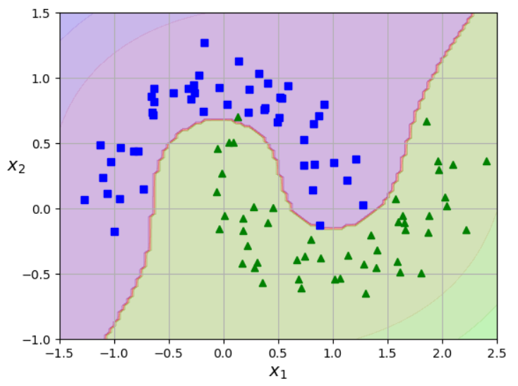 Handson_Scikit_Keras_Tensorflow pg177
27 | Support Vector Classifier (SVC) | For Support Vector Classification, a supervised machine learning algorithm used for both binary and multi-class classification tasks. It seeks to find an optimal hyperplane that maximizes the margin between different classes in the data. When data is not linearly separable, SVC can employ kernel functions to map the data into a higher-dimensional space where linear separation is possible. In this, the data is divided into different classes by finding a particular line (hyperplane), which separates the data set into multiple classes. The Support Vector Machine Algorithm tries to find the hyperplane that maximizes the distance between the classes (known as margin maximization). The key idea behind the SVM algorithm is to find the hyperplane that best separates two classes by maximizing the margin between them. This margin is the distance from the hyperplane to the nearest data points (support vectors) on each side. The best hyperplane, also known as the "hard margin," is the one that maximizes the distance between the hyperplane and the nearest data points from both classes. This ensures a clear separation between the classes. So, from the above figure, we choose L2 as hard margin. The SVM algorithm has the characteristics to ignore the outlier and finds the best hyperplane that maximizes the margin. SVM is robust to outliers. A soft margin allows for some misclassifications or violations of the margin to improve generalization. The SVM optimizes the following equation to balance margin maximization and penalty minimization: Objective Function=(1/margin)+λ∑penalty The penalty used for violations is often hinge loss, which has the following behavior: If a data point is correctly classified and within the margin, there is no penalty (loss = 0). If a point is incorrectly classified or violates the margin, the hinge loss increases proportionally to the distance of the violation. | sklearn | sklearn.svm.SVC() | Doesn't have inherent support for multi-label classification as a built-in objective function Use with MultiOutputClassifier, OneVsRestClassifier, ClassifierChain, or skmultilearn package | SVC handles multi-class classification by decomposing the problem into a series of binary classification tasks. It natively cannot handle multiple classes | Linear Non-Linear | Non-parametric | The penalty parameter of the LogisticRegression() class controls the type of regularization: penalty='l1': L1 regularization, penalty='l2': L2 regularization (default), penalty='elasticnet': Elastic Net regularization, and penalty='none': No regularization. The C parameter controls the strength of the regularization. Smaller values of C correspond to stronger regularization, and larger values correspond to weaker regularization. | SVC is well-suited for small to medium-sized datasets. It is generally recommended to use SVC for datasets with less than 10,000 samples. SVC's training time scales more than quadratically with the number of samples, making it computationally expensive for large datasets. The kernel matrix, used in SVC, can become very large with more data points, potentially requiring significant memory. For example, 100K data points can lead to an 80GB matrix. For datasets larger than a few 10,000 samples, consider alternative algorithms such as LinearSVC or stochastic gradient descent (SGD) classifiers. | .fit() | Known to be sensitive to outliers. Employ outlier detection techniques before training the SVC: Z-score Analysis, Isolation Forests, Local Outlier Factor (LOF) Support Vector Dependence: SVCs rely on support vectors – the data points closest to the decision boundary – to define the optimal hyperplane that separates classes. Outlier Influence: Outliers, being data points far from the norm, can significantly influence the placement of this hyperplane. Skewed Hyperplane: Outliers might pull the decision boundary towards themselves, leading to a model that doesn't generalize well to unseen data and potentially misclassifies regular data points How outliers affect SVC: Altered Margin: Outliers can cause the margin (the space between the decision boundary and support vectors) to shrink or expand unexpectedly. Poor Class Separation: The hyperplane can shift, resulting in misclassification of legitimate data points. Increased Model Complexity: Outliers might lead to a more complex model with a larger number of support vectors, potentially including the outliers themselves. | As a margin classi er, the SVM has a natural robustness to missing data when compared to other prediction and classi cation methods. Only missingness among the support vectors and observations that would be miss-classi ed have the potential to impact the SVM solution. If the missingness is di erential between outcome classes, then a complete case solution may be biased. Unfortunately, the missing data mechanism is not discoverable from the data, so we recommend implementing a missing data strategy when the percentage of observations with missing covariates is large. | Increased Computational Complexity: Multicollinearity, particularly with a high number of correlated features, can increase the computational burden during training, according to Medium. Potential for Reduced Accuracy (in some cases): While SVMs are generally robust to multicollinearity, the presence of many correlated features can sometimes affect the ability of the model to find the optimal separating hyperplane, potentially leading to a decrease in classification accuracy, according to Medium. If multicollinearity is a concern, consider the following strategies: Feature Selection/Reduction: Identify and remove or combine highly correlated features using techniques like VIF (Variance Inflation Factor), PCA (Principal Component Analysis), or domain expertise. Regularization: Fine-tune the regularization parameter (C) in SVC to control model complexity and potentially reduce the impact of multicollinearity. | N/A | SVMs perform poorly in imbalanced datasets. There are two more well-attributed reasons [2] for this. The first being the weakness of the soft margin optimization problem. This results in the hyperplanes being skewed to the minority class when imbalanced data is used for training. The second reason arises from the issue of an imbalanced support vector ratio, i.e. the ratio between the positive and negative support vectors becoming imbalanced and as a result, datapoints at the decision boundaries of the hyperplanes have a higher chance of being classified as negative. There are however approaches to reduce this impact. One of the more commonly used approaches is to introduce class weights, so the magnitude of the positive support will be proportionately higher than that of the negative support vector. Class weights are used in other machine learning algorithms as well, when training with imbalanced datasets. | It is crucial to scale the data before training the SVM model to ensure meaningful feature importance scores | C (Regularization Parameter): C controls the trade-off between maximizing the margin and minimizing the classification error. A high C value leads to a smaller margin and potentially fewer misclassifications on the training data, potentially overfitting. A low C value results in a larger margin and more tolerance for misclassifications, potentially underfitting. Finding the optimal C is usually done through cross-validation. Kernel: The kernel determines how the data is projected into a higher dimensional space, influencing the shape of the decision boundary. Common kernels include: Linear: For linearly separable data. Polynomial: For non-linear relationships, with the degree parameter controlling the polynomial's complexity. RBF (Radial Basis Function): A versatile kernel that can capture complex decision boundaries. The gamma parameter determines the influence of a single training example. Sigmoid: Similar to a neural network activation function. Gamma (Kernel Coefficient for RBF, Polynomial, and Sigmoid) Degree (Polynomial Kernel) Coef0 (Independent Term in Kernel Function): Influences the decision boundary, especially in polynomial and sigmoid kernels. It's a parameter to tune along with others like C and gamma. class_weight: Adjusts weights inversely proportional to class frequencies to handle imbalanced datasets. probability: Enables probability estimates, which can be computationally expensive. decision_function_shape: For multi-class classification, determines whether to use one-vs-one or one-vs-rest strateg` | a popular choice in many natural language processing tasks. First, the text preprocessing is performed, then features are extracted, and finally, logistic regression is used to make some claim about a text fragment. Toxic speech detection, topic classification for questions to support, and email sorting are examples where logistic regression shows good results. Image Classification: object detection, image retrieval, image tampering detection, facial detection, surface texture classification, Cybersecurity: anomaly detection, threat classification Fraud detection and credit risk Disease diagnosis, classify and predict the effects of drugs on specific diseases Real estate price prediction Market segmentation, NLP, bioinformatics, handwriting recognition, speech recognition, | The core assumption of a linear SVC is that the data can be separated by a hyperplane (a line in 2D, a plane in 3D, etc.). In simpler terms, it's assumed that you can draw a straight line (or a hyperplane in higher dimensions) to cleanly divide the different classes. If the data isn't linearly separable in the original feature space, SVC often uses the "kernel trick" to implicitly map the data into a higher-dimensional space where it might be linearly separable. SVC assumes that a larger margin between the separating hyperplane and the closest data points (support vectors) leads to better generalization. SVC focuses on the data points that lie closest to the decision boundary (the support vectors It assumes that these support vectors are the most informative and critical data points for determining the optimal hyperplane. Data points further away from the boundary are considered less relevant in defining the separation. When dealing with non-linearly separable data, SVC uses kernel functions to transform the data implicitly. | can handle nonlinear data by using kernel functions to transform the data into a higher-dimensional space where it becomes linearly separable | Effective in High-Dimensional Spaces Flexibility with Kernel Functions Outlier Resilience Binary and Multiclass Support Memory Efficiency Robustness and Generalization Sparse Solutions: SVMs can often find sparse solutions, meaning they rely on only a subset of the training data points to make decisions. This can make the model more efficient and easier to interpret. | SVMs are not suitable for large datasets SVMs perform poorly in imbalanced datasets SVMs with the ‘wrong’ kernel: using the linear kernel when the data are not linearly separable results in the algorithm performing poorly. However, choosing the ‘right’ kernel is another problem on its own, which among the techniques used, popular ones include varying the kernel function in the hyperparameter search. When there is just too much noise in the data | All You Need to Know About Support Vector Machines | 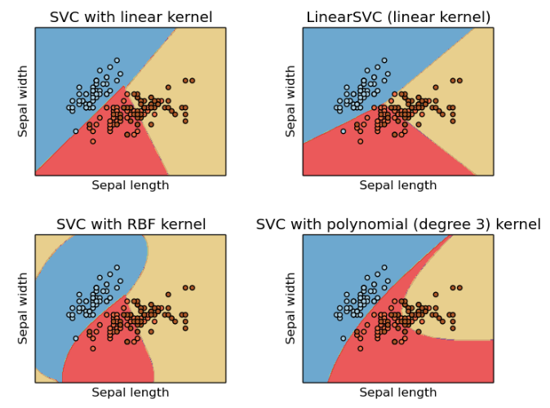 Machine_Learning_Pocket_Ref_pg 30, 114 Handson_Scikit_Keras_Tensorflow pg180, 182 | 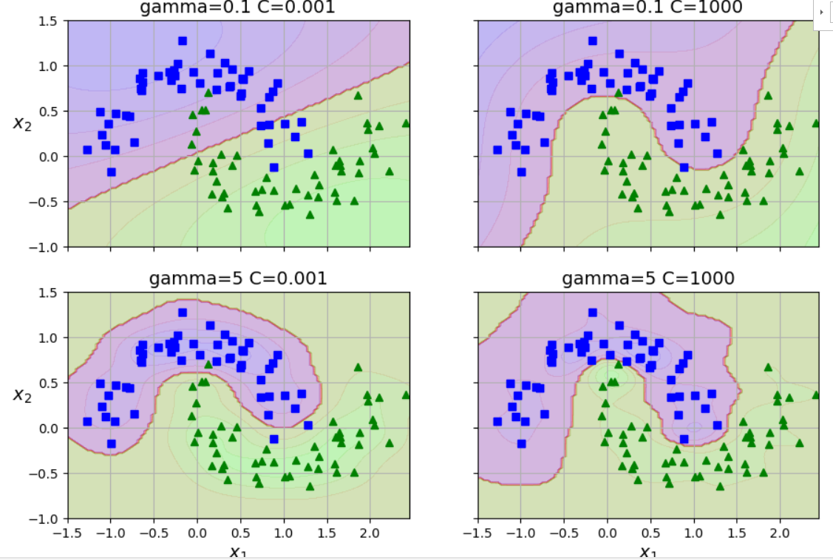
28 | Decision Tree Classifier | For building decision tree models that classify data points by recursively partitioning the feature space. It operates by learning decision rules inferred from the data features. These rules take the form of a tree structure, where internal nodes represent decisions based on feature values, branches represent the outcomes of these decisions, and leaf nodes represent the final classification outcomes. The algorithm can handle multi-class classification problems. It utilizes metrics such as Gini impurity or entropy to determine the best splits at each node, aiming to maximize information gain or minimize impurity. Regularization parameters, such as max_depth, min_samples_leaf, and max_features, can be tuned to prevent overfitting and control the complexity of the tree. | sklearn | sklearn.tree.DecisionTreeClassifier() | Doesn't have inherent support for multi-label classification as a built-in objective function Use with MultiOutputClassifier, OneVsRestClassifier, ClassifierChain, or skmultilearn package | Y | Decision Tree | Non-parametric | max_depth: min_samples_split: min_samples_leaf: max_features: ccp_alpha: min_impurity_decrease: max_leaf_nodes: | Small Datasets (≤ 1,000 samples): A maximum depth of 5-10 for the tree is often suitable. Medium Datasets (1,000 - 10,000 samples): A maximum depth of 10-15 might be appropriate. Large Datasets (> 10,000 samples): Use pruning techniques or constraints to avoid overfitting. | .fit() | Decision Trees are quite robust to the presence of outliers in the data. This is true for both training and prediction. However, care needs to be taken to ensure the Decision Tree has been adequately regularised. An overfitted Decision Tree will show sensitivity to outliers. | Decision trees handle missing data by either ignoring instances with missing values, imputing them using statistical measures, or creating separate branches. During prediction, the tree follows the training strategy, applying imputation or navigating a dedicated branch for instances with missing data If a data point has a missing value for the selected attribute, the decision tree algorithm will consider the available data to make the split | While decision trees can handle multicollinearity better than linear models, it's still good practice to be aware of it. If interpretability and feature importance are critical, consider addressing multicollinearity before training a decision tree. For pure prediction tasks, the impact of multicollinearity on decision trees is often minimal. | N/A | Decision trees, in their standard form, tend to prioritize the majority class during training, leading to a bias that can result in poor performance on the minority class Accuracy, a common metric, can be misleading in imbalanced datasets, as the model might achieve high accuracy due to correctly classifying the majority class while failing to identify the minority class The model may struggle to learn the characteristics of the minority class, leading to a higher misclassification rate for this class. | Scaling features like standardization or normalization generally won't significantly change the structure or predictive power of a decision tree. Therefore, you generally don't need to worry about scaling numerical features when using a DecisionTreeClassifier Ensemble Methods: If you're using ensemble methods like Random Forests or Gradient Boosting, which combine multiple decision trees, the impact of scaling might be slightly more pronounced. Regularization: In gradient boosting models where regularization techniques like L1 (Lasso) or L2 (Ridge) are applied, scaling might be beneficial to ensure that the regularization penalty is applied fairly across features | max_depth: This parameter controls the maximum depth of the decision tree min_samples_split: This specifies the minimum number of samples required to split an internal node min_samples_leaf: This parameter sets the minimum number of samples required to be at a leaf node max_leaf_nodes: This parameter limits the maximum number of leaf nodes in the tree max_features: This parameter determines the maximum number of features to consider when looking for the best split at each node criterion: This parameter specifies the function to measure the quality of a split ccp_alpha: This parameter controls the cost-complexity pruning, a post-pruning technique. A higher ccp_alpha increases the number of nodes pruned, leading to a simpler tree and potentially preventing overfitting. Each has recommendation levels | Healthcare: Diagnosia, prognosis, treatment planning, risk assessment Finance: Credit scoring, fraud deetection, investment decisions Marketing: customer segmentation, churn prediction, targeted market campaigns Manufacturing: Quality control, predictive maintenance E-commerce recommendation systems Transporation route optimization and traffic prediction Predict education student performance and outcomes | The main assumption is that the data can be split into subsets based on the input variables from the data features. The split can stand alone and is able to maximize information gain These splits are binary and this means each split is formed into two subsets from a single input feature | A non-linear classifier that can effectively model complex relationships in data. | It’s simple to learn and implement It can perform functions on both categorical and numerical data, making it versatile Adding new features is straightforward. it requires minimal data preprocessing since it’s robust against outliers In conjunction with ensemble methods, it can be used to build more larger classifiers. It doesn’t require scaling of data It doesn’t require the normalization of data | A small change in the data can cause a large change in the decision tree structure causing instability. For a Decision tree sometimes calculation can go far more complex compared to other algorithms. Decision tree often involves more time to train the model. Prone to over-fitting Require some kind of measurement as to how well they are doing Can create biased learned trees if some classes dominate | 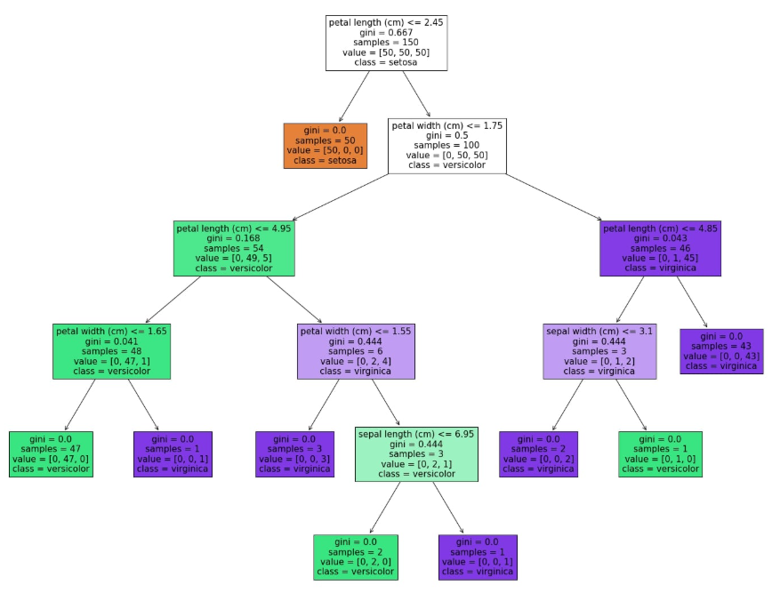 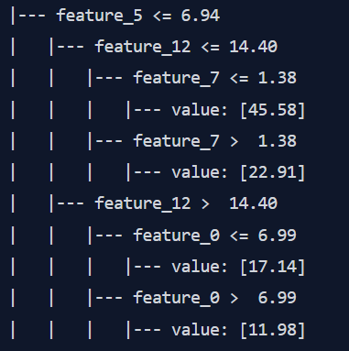 Decision Tree Classifier with Scikit-Learn from Python | by Changhyun Kim | Medium | 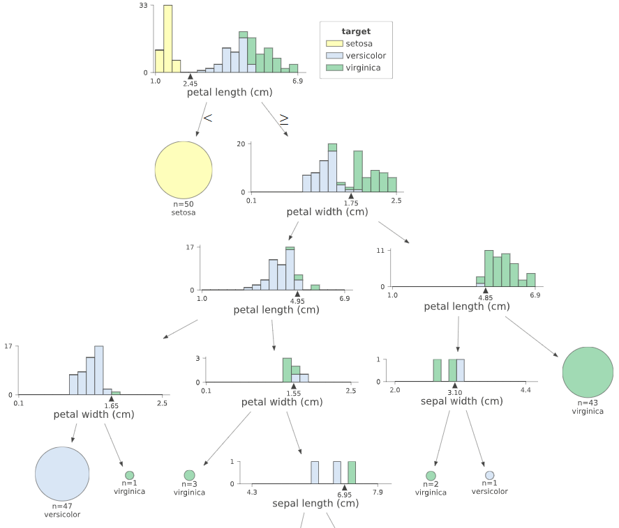 GL_Classification_Wk2_Loan_Delinquent GL_Hypertuning_Wk2_Supermarket
29 | Generalized Linear Model (classification) | Generalized Linear Model A flexible generalization of ordinary linear regression. The GLM generalizes linear regression by allowing the linear model to be related to the response variable via a link function and by allowing the magnitude of the variance of each measurement to be a function of its predicted value. Can be used for classification tasks, particularly binary classification, by specifying the appropriate family and link function. sm.family=sm.families.Binomial() (for logistic regression) They consist of three main components: A random component (the probability distribution of the response variable). A systematic component (a linear predictor that combines explanatory variables). A link function (connecting the mean of the response variable to the linear predictor). It is more flexible than linear regression because: GLM works when the output variables are not continuous or unbounded. GLM allows changes in unconstrained inputs to affect the output variable on an appropriately constrained scale At the heart of GLMs are three core components that define their structure and functionality: the error distribution, the linear predictor, and the link function. Maximum Likelihood Estimation is a method used to estimate the parameters of a statistical model. In the context of GLMs, MLE seeks to find the parameter values (β) that maximize the likelihood function, which represents the probability of observing the given data under the assumed model. | statsmodels | statsmodel.formula.api.glm() | Doesn't have inherent support for multi-label classification as a built-in objective function Use with MultiOutputClassifier, OneVsRestClassifier, ClassifierChain, or skmultilearn package | Y For multiclass classification, the family is sm.families.Multinomial() and the default link function is the "softmax" function. When the response variable has more than two categories, a multinomial GLM is used model = sm.MNLogit(y, X) | Linear | Parametric | Provides the GLM.fit_regularized() method for fitting GLMs with elastic net regularization. The method parameter is set to 'elastic_net', and the alpha parameter controls the regularization strength. | A general rule of thumb is to have at least 10-20 observations per predictor variable in your model. For example, if you have 5 predictors, you should aim for at least 50-100 observations. statsmodels can handle moderately sized datasets (tens of thousands of observations). For very large datasets, consider using columnar data containers like Apache Parquet or bcolz. If your dataset is too large to fit in memory, you can divide it into smaller chunks and process them individually. | .fit() | Outlier detection in GLMs, including Generalized Additive Models (GAMs), is crucial because outliers can significantly influence the model's fit and predictions. | Missing values can lead to biased or inefficient estimates if not handled properly | Multicollinearity in generalized linear models (GLMs) refers to a situation where predictor variables in the model are highly correlated with each other. This can lead to unstable and unreliable estimates of regression coefficients, inflated standard errors, and difficulty in interpreting the individual effects of the predictors. While not a violation of GLM assumptions (unless perfect collinearity exists), multicollinearity can hinder model interpretation and prediction | N/A | Yes Assign different weights to the classes during model training. Libraries like statsmodels allow specifying class weights, giving higher weight to the minority class. This makes the model pay more attention to the under-represented class. Oversampling: Increase the number of minority class samples. Methods include random oversampling or SMOTE (Synthetic Minority Over-sampling Technique). Undersampling: Reduce the number of majority class samples. Be cautious as it may lead to information loss. Hybrid methods: Combine oversampling and undersampling techniques. Penalized GLM: . Apply regularization techniques (L1 or L2) to handle multicollinearity and improve model generalization, which can indirectly help with imbalanced data. Ensemble Methods: . Algorithms like boosting (e.g., AdaBoost, XGBoost) can handle imbalanced data effectively by adjusting weights during training. | Sometimes Using a scaler can be beneficial for GLMs, particularly when the independent variables have significantly different scales, potentially improving model convergence and stability. It's important to note that if the dependent variable is scaled, the predictions from the model will also be in the scaled units. To obtain predictions in the original units, the inverse transform of the scaler should be applied. | endog: the dependent variable, or the response variable being modeled exog: This is the independent variable(s), or the design matrix family: This parameter specifies the distribution family for the response variable. It defaults to Gaussian. Other options include: sm.families.Binomial() for binary outcomes. sm.families.Poisson() for count data. sm.families.Gamma() for positive continuous data. Each family can take a link function as an argument to relate the linear predictor to the mean of the response variable (e.g., sm.families.Binomial(link=sm.families.links.logit)). link: This parameter specifies the link function, which transforms the expected value of the response variable to a linear predictor. The choice of link function depends on the distribution family. Common link functions include: sm.families.links.identity(): the default link for the Gaussian family. sm.families.links.logit(): the default link for the Binomial family (logistic regression). sm.families.links.log(): a common link for the Poisson and Gamma families. sm.families.links.inverse(): a common link for the Gamma family. | Insurance: pricing policies and predicting claims. Poisson regression (a type of GLM) can model the number of claims, while gamma regression can model claim amounts. Marketing: GLMs help analyze customer behavior, predict campaign responses, and segment customers. Logistic regression, a GLM, is commonly used for binary outcomes like purchase/no purchase. Finance: GLMs are applied in credit risk modeling, predicting loan defaults, and analyzing financial time series data. Healthcare: GLMs model count data (e.g., number of hospital visits) or binary outcomes (e.g., presence of a disease). E-commerce: GLMs are used for pricing, demand forecasting, and predicting customer churn Manufacturing: GLMs can model defect rates or predict equipment failures. Environmental Science: GLMs can analyze ecological data, model species distribution, and assess environmental impacts Actuarial Science: GLMs are fundamental for modeling insurance risks and setting premiums Banking: GLMs are used in risk management, fraud detection, and customer relationship management. | Independence: Observations should be independent of each other. Distribution: The response variable's distribution belongs to the exponential family (e.g., normal, binomial, Poisson, gamma). It does not need to be normally distributed. Linearity: The linear predictor (independent variables) is linearly related to the link function of the expected value of the response variable. Link Function: The chosen link function appropriately models the relationship between the mean of the response variable and the linear predictor. No Multicollinearity: Predictor variables are not highly correlated with each other. Exogeneity: Predictors are not correlated with the error term. It's important to note that GLMs do not assume normality of residuals or homoscedasticity (constant variance), which are assumptions of ordinary linear regression. | Non-linear Link Functions: Concept: GLMs model the relationship between predictors and the expected value of the response variable through a link function. Non-linearity: The link function itself can be non-linear, allowing for a non-linear relationship between the linear predictor (weighted sum of features) and the response. Example: In logistic regression (a GLM with a binomial family), the logit link function is non-linear and transforms the probability of success into a log-odds, which is linearly related to the predictors. Concept: While the core GLM structure involves a linear predictor, you can introduce non-linearities by transforming your predictor variables before fitting the GLM. GLMs can accommodate different error distributions besides the Gaussian distribution, allowing you to model various types of response variables. Choosing a non-Gaussian family (e.g., Poisson for count data, Gamma for positive continuous data) | Handles Non-Normal Data: GLMs do not assume that the response variable follows a normal distribution Flexibility with Link Functions: Robustness to Outliers: Efficiency: GLMs use Maximum Likelihood Estimation (MLE), which often provides more precise parameter estimates than the least-squares method used in OLS regression Unified Framework: GLMs provide a unified framework for various types of regression models, such as linear regression, logistic regression, and Poisson regression. This simplifies the analysis, as multiple models can be implemented using a single function. Model Checking and Inference: GLMs benefit from asymptotic normal and chi-square distributions, which are useful for inference tools and model checking, such as Wald and Likelihood ratio tests, deviance, residuals, confidence intervals, and overdispersion. Suitable for Complex Datasets: GLMs can be used for large datasets and complex models due to efficient algorithms for model fitting and prediction. No Need to Transform Response: GLMs do not require transforming the response variable to achieve a normal distribution, unlike some traditional methods. Traditional regression methods like ordinary least squares regression assume that the error terms (residuals) are normally distributed and that the response variable has a linear relationship with the predictors. If these assumptions aren't met, transformations of the response variable might be needed to achieve normality or to linearize the relationship. | Assumptions: If these assumptions are violated, the model's results might be biased or unreliable Model Specification: Choosing the correct underlying probability distribution and link function for a GLM can be challenging and requires careful consideration. An incorrect specification can lead to inaccurate predictions and biased results. Overfitting: Like many other statistical models, GLMs are susceptible to overfitting, especially if the model is too complex (i.e., has too many predictor variables relative to the amount of data). Limited Flexibility: While more flexible than traditional linear regression, GLMs may not be able to capture very complex relationships in the data, such as non-linear relationships or interactions between predictor variables. Data Requirements: GLMs typically require a sufficient amount of data to estimate model parameters accurately. They might not perform well with small datasets or imbalanced datasets (where one category of the response variable is much more frequent than others). Computational Resources: Some GLMs, particularly those with complex distributions or large datasets, can be computationally expensive. Interpretation with non-identity link functions: Interpreting the coefficients in a GLM can be more complex when a link function other than the identity link is used. | A Comprehensive Introduction to Generalized Linear Models | by Sahin Ahmed, Data Scientist | Medium | 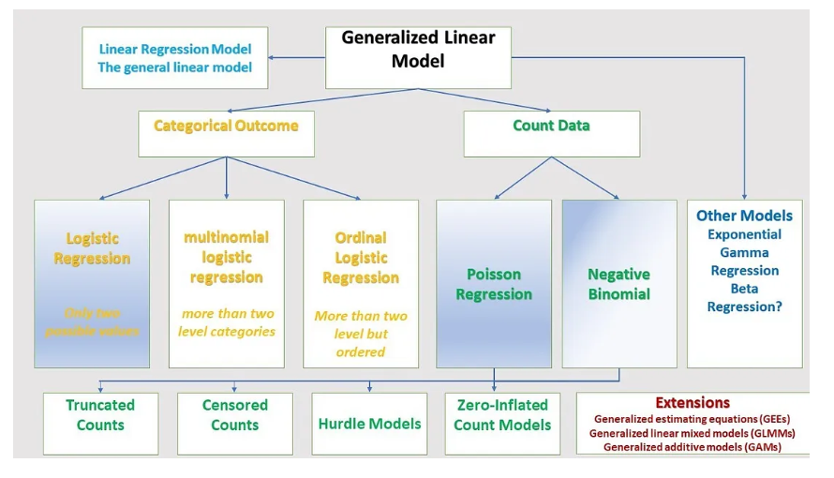 ISLP pg175
30 | Generalized Additive Models (GAM) | GAMs extend generalized linear models (GLMs) by allowing non-linear relationships between the response variable and predictor variables through smooth functions. This flexibility makes GAMs suitable for modeling complex data where linear assumptions may not hold. The purpose of GLMGam() is to estimate and analyze these non-linear relationships while retaining the framework of GLMs. Common families include: sm.family=sm.families.Binomial() (for logistic regression) May require a large amount of data to capture non-linear patters effectively GAMs are much more flexible than GLMs, and hence need more care in their use. With greater power comes greater responsibility. Non-parametric: does not require a predefined functional form. GAMs produce smooth functions for each predictor variable, showing how they influence the response variable. These functions are often displayed graphically and represent the estimated relationships. Mathematically, the relationship in a GAM looks like this: g(EY(y|x))=β0+f1(x1)+f2(x2)+…+fp(xp) The formula is similar to the GLM formula with the difference that the linear term βjxj is replaced by a more flexible function fj(xj) . | statsmodels | statsmodels.gam.generalized_additive_model.GLMGam() | Doesn't have inherent support for multi-label classification as a built-in objective function Use with MultiOutputClassifier, OneVsRestClassifier, ClassifierChain, or skmultilearn package | Y | Non-Linear | Non-parametric | The fit_regularized method currently only supports the 'elastic_net' method. The alpha parameter controls the strength of the regularization penalty. model.fit_regularized(method='elastic_net', alpha=0.1) GAM uses an L2 penalty on the entire smooth component. | While there is no single magic number, the more complex your GAM (more smooth terms, covariates, intricate relationships), the more data you will likely need for reliable results. Consider the factors above and use available research and examples as a starting point | .fit() | Outlier detection in GLMs, including Generalized Additive Models (GAMs), is crucial because outliers can significantly influence the model's fit and predictions. | Missing values can lead to biased or inefficient estimates if not handled properly Tolerant of missing data and can handle it effectively. Address any missing values in your dataset. GAMs can accommodate missing data points, but handling them appropriately through imputation or modeling strategies is essential. | Unstable and Difficult to Interpret Coefficient Estimates: Multicollinearity inflates the variance of the estimated regression coefficients, making them unstable and hard to interpret. The standard errors of the coefficients increase, leading to wider confidence intervals and less precise estimates. It becomes challenging to determine the individual contribution of each predictor variable to the response variable and make reliable inferences about their effects. The coefficients can fluctuate wildly depending on which other independent variables are in the model. 2. Reduced Statistical Power: The increased standard errors due to multicollinearity reduce the statistical power of your model. This means that it becomes harder to detect statistically significant effects of predictor variables on the response variable | N/A | When the classes in a dataset are imbalanced, the model may be biased towards the majority class, leading to poor performance on the minority class. | Standardize or scale numeric features to ensure the model treats them fairly. Common scaling methods include z-score standardization or min-max scaling. | endog: the dependent variable, or the response variable being modeled exog: This is the independent variable(s), or the design matrix family: This parameter specifies the distribution family for the response variable. It defaults to Gaussian. Other options include: sm.families.Binomial() for binary outcomes. sm.families.Poisson() for count data. sm.families.Gamma() for positive continuous data. Each family can take a link function as an argument to relate the linear predictor to the mean of the response variable (e.g., sm.families.Binomial(link=sm.families.links.logit)). smoother: This parameter specifies the smoothing function to be used for the non-parametric components of the model. It is an instance of a smoother class, such as BSplines or CyclicCubicSplines, which are available in statsmodels.gam.smooth_basis. df: Degrees of freedom for the spline basis. degree: Degree of the spline functions. | Predicting patient outcomes based on medical variables. Analyzing the effects of environmental factors on public health Modeling financial risk and predicting market trends. Credit scoring and assessing loan default risks Studying climate change and its impact on ecosystems Analyzing air and water quality data to identify trends. Optimizing advertising campaigns by modeling customer response Predicting customer churn and segmenting customer populations Modeling species distribution and habitat suitability Studying the impact of environmental factors on biodiversity. Predictive maintenance to reduce equipment downtime. Quality control and defect detection in production processes Analyzing survey data to study social trends and behaviors. Assessing the impact of educational interventions on student performance. | Flexible; no assumption of linearity between predictors and the response variable. | Handles non-linear relationships between the features and the log-odds of the target variable through the use of smooth functions. These smooth functions, often splines, allow the model to capture complex, non-linear patterns in the data without requiring the user to specify the exact functional form. Well-suited for capturing non-linear relationships between predictors and the response. | Flexibility: It models complex, non-linear relationships between predictors and the binary outcome, going beyond the limitations of linear models. Interpretability: Like other GAMs, LogisticGAM maintains interpretability by showing the individual contribution of each predictor through smooth functions, unlike black-box models. Regularization: Smoothing functions in LogisticGAM help prevent overfitting, especially with noisy data, by controlling the complexity of the fitted functions. Customization: Different smoothing techniques, like splines, can be applied to different predictors, allowing for tailored model fitting. Handles Non-linearity: It effectively captures non-linear relationships without needing pre-specified forms, unlike polynomial regression. Additivity: The additive nature simplifies interpretation as each predictor's effect can be examined separately. Feature insights: It allows examination of the partial relationships between the response variable and the predictors. Visualization: The smooth functions in GAMs can be visually represented, aiding in model interpretation. Generally less computationally intensive than some deep learning methods. | Complexity: The flexibility of GAMs can lead to increased model complexity, making them computationally intensive and sometimes difficult to tune. Sensitivity to Smoothing Parameters: Choosing the appropriate smoothing parameters or basis functions can be challenging and requires expertise. Improper selection can lead to underfitting or overfitting. Scalability: GAMs may not scale well with very large datasets or with a large number of predictors due to their computational intensity. Additive Assumption: The assumption of additivity might be restrictive in some cases where interactions between predictors are important. While GAMs can include interaction terms, they are generally more complex to specify and interpret. Interpretation of Smoothing Terms: While GAMs are interpretable, the smoothing terms themselves can sometimes be difficult to explain, especially to stakeholders not familiar with the methodology. Software and Implementation: Implementing GAMs requires specialized statistical software and packages (e.g., mgcv in R) Limited to Regression and Classification: GAMs are primarily suited for regression and classification tasks and may not be suitable for more complex tasks like image recognition. | 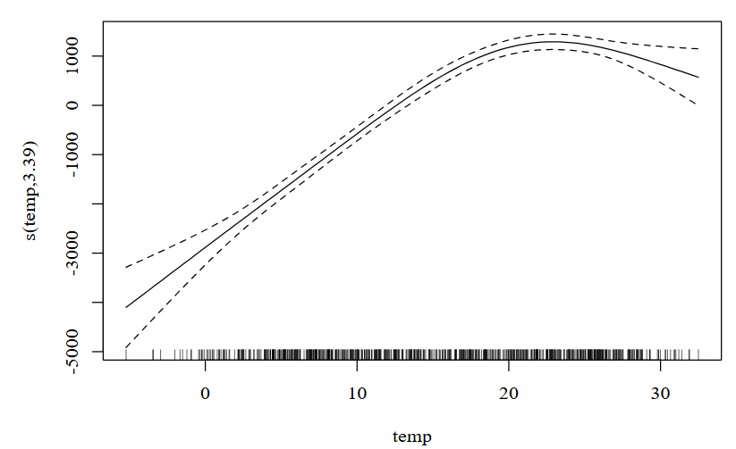 Guide to Generalized Additive Models (GAMs)- Analytics Vidhya | 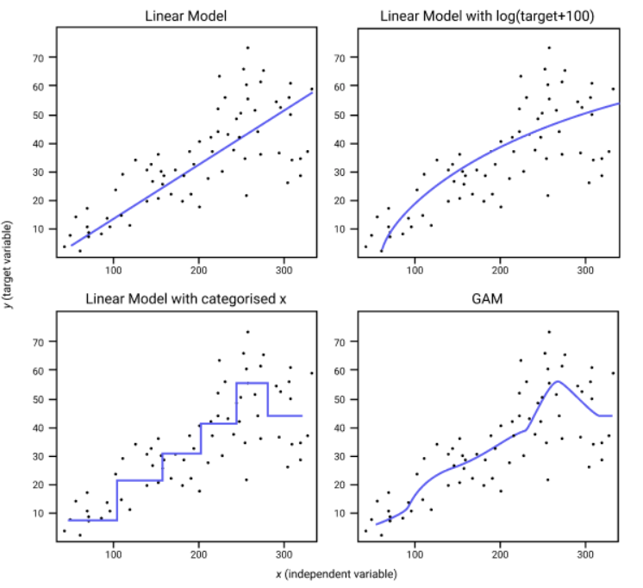 Practical_Statistics pg192
31 | TPOT Classifier | Serves the purpose of automating the machine learning pipeline creation and optimization for classification tasks. It leverages genetic programming to search through a vast space of possible pipeline configurations, including data preprocessing steps, feature selection methods, and classification algorithms, to identify the pipeline that best fits a given dataset. This automated approach eliminates the need for manual trial-and-error in model selection and hyperparameter tuning, saving time and potentially leading to more effective models. The TPOTClassifier() function, part of the TPOT (Tree-based Pipeline Optimization Tool) library in Python, is used in industry to automate the process of building machine learning classification models. TPOT can include linear models like Logistic Regression, Linear Support Vector Machines (LinearSVC), and others in its search space. TPOT can explore tree-based models like Decision Trees, Random Forests, Gradient Boosting Machines (e.g., XGBoost, LightGBM), and others. TPOT can also include other non-linear models such as Support Vector Machines with non-linear kernels (e.g., RBF kernel), k-Nearest Neighbors, | tpot | tpot.TPOTClassifier() | Some sources state that TPOTClassifier does not support multi-label classification, only multi-class problems. However, other sources, specifically comments on GitHub issues, suggest that it might be possible to use TPOT with multi-label data. | Y TPOT Classifier can handle multiclass classification problems. It automatically searches for the best machine learning pipeline, which includes preprocessing, feature selection, and classification algorithms, suitable for the given dataset. When dealing with multiclass data, TPOT will evaluate pipelines that are capable of handling more than two classes. | Linear Non-Linear Decision Tree | Parametric or Non-parametric | In essence, you don't explicitly set a regularization parameter for TPOTClassifier() itself, but TPOT will find the optimal regularization strength for the regularization-supporting models it selects within its search. | 3,000 to 30,000 data points. Is a suggested range, depending on the number of classes and features in your dataset | .fit() | The TPOTClassifier is an automated machine learning tool that uses genetic programming to find the best machine learning pipeline for a classification problem. While it doesn't have built-in mechanisms specifically designed to handle outliers during pipeline optimization, you can address outliers as part of your data preprocessing steps before feeding the data to TPOTClassifier. | requires handling missing data before it can be used effectively | Multicollinearity can affect the performance of TPOT, potentially leading to unstable or less accurate pipelines. For instance, if highly correlated features are included in the final pipeline, the model may be overfit | N/A | Imbalanced data, where one class has significantly more samples than others, can lead to biased models that favor the majority class | It's important to fit the scaler only on the training data to avoid data leakage. The fitted scaler is then used to transform both the training and testing data. If scaling is required, it needs to be implemented manually before passing the data to TPOTClassifier | max_time_mins: parameter can be used to limit the runtime. generations: This integer determines the number of iterations TPOT will run while trying to optimize the pipeline. More generations usually lead to better results, but also longer run times. The default is 100 population_size: This integer specifies the number of pipeline configurations TPOT will maintain in each generation. A larger population size allows TPOT to explore a wider range of possibilities, but it also increases the computational cost. The default is 100. cv: This integer or cross-validation object determines the cross-validation strategy used to evaluate the performance of each pipeline configuration. An integer specifies the number of folds in k-fold cross-validation. The default is 5. mutation_rate: This float between 0 and 1 sets the probability of randomly changing parts of a pipeline configuration during mutation. A higher mutation rate encourages exploration of new pipeline configurations. scoring: This string specifies the metric used to evaluate the performance of each pipeline configuration during optimization. Common options include 'accuracy', 'f1', 'roc_auc', etc. The default is 'accuracy'. verbosity: This integer controls the amount of information TPOT prints during the optimization process. 0 for no output, 1 for minimal output, 2 for more detailed output, and 3 for full output, including error messages. The default is 0. | Data science: Accelerated Model Development:, Exploratory Data Analysis, Benchmarking Performance Finance: Fraud detection, risk assessment, algorithmic trading Telecommunications: Customer churn prediction, network optimization Manufacturing: PRedictive maintenance, quality control, supply chain optimization Healthcare: Disease prediction and diagnosis, personalized medicine, patient risk stratification Agriculture: Crop yield prediction, pest and disease detection Marketing: TPOT can assist in building models for customer segmentation, targeted advertising, and personalized marketing campaigns. Energy: TPOT can help develop predictive models for energy demand and optimize energy distribution. Retail: TPOT can be used to build models for demand forecasting and inventory management. | No Automatic Data Cleaning: Assumes Correct Data Types: Preprocessing Can Be Enabled: If you set preprocessing=True during initialization, TPOT will automatically impute missing values, one-hot encode categorical features, and then standardize numerical features Preprocessing Fitted on Entire Training Set (Default): By default, when preprocessing=True, the imputation, encoding, and standardization steps are fitted and transformed on the entire training set before splitting for cross-validation. This can introduce data leakage and should be considered carefully. Assumes Operators Can Handle Data: Convergence Not Guaranteed: Due to the stochastic nature of the search and the vast space of pipelines, TPOT might not find the absolute best pipeline within a given time limit, meaning different runs could yield different results. Assumes Relevant Metric: | Nonlinear data can significantly influence the performance and pipeline selection by TPOTClassifier() If your data exhibits nonlinear relationships between features and the target variable, linear models like logistic regression may not perform well. In essence, with nonlinear data, you can expect TPOTClassifier() to: Explore and potentially select nonlinear models if they are beneficial. Include relevant preprocessing techniques, including feature engineering, to capture nonlinear relationships. Potentially result in more complex pipelines than those for linear data. Potentially require more time and resources to find the optimal pipeline. | Automated Machine Learning Pipeline Optimization: TPOTClassifier automates the process of finding the best machine learning pipeline for a given classification problem. It uses genetic programming to explore a vast space of possible pipelines, including different algorithms, preprocessing steps, and feature selection methods. Model Selection and Hyperparameter Tuning: TPOTClassifier automatically selects the best classification algorithm (e.g., Random Forest, SVM, Logistic Regression) and optimizes its hyperparameters. This eliminates the need for manual model selection and tedious hyperparameter tuning, saving time and effort. Feature Preprocessing and Selection: TPOTClassifier can automatically perform feature preprocessing steps like scaling, normalization, and dimensionality reduction. It also incorporates feature selection techniques to identify the most relevant features for the classification task Ease of Use: TPOTClassifier follows the scikit-learn API, making it easy to integrate into existing machine learning workflows. It requires minimal code to set up and run, making it accessible to both beginners and experienced machine learning practitioners. Competitive Performance: TPOTClassifier can find machine learning pipelines that achieve competitive performance compared to manually crafted pipelines. It can often discover pipelines and configurations that might not be considered through manual exploration. TPOTClassifier allows users to export the best discovered pipeline as Python code, enabling reproducibility and deployment in other environments | Computationally Expensive and Time-Consuming: TPOT explores numerous combinations of preprocessing steps, feature selection methods, machine learning algorithms, and their hyperparameters. This extensive search can take a considerable amount of time, especially for larger datasets, potentially hours or even days. The default TPOT settings evaluate thousands of pipeline configurations. May Produce Different Results on Repeated Runs: Due to its stochastic optimization algorithm, which involves randomness, TPOT might not always find the exact same optimal pipeline on repeated runs. This variability can occur if the search doesn't converge due to insufficient time or if multiple pipelines perform similarly. Limited to Supervised Learning: TPOT currently only supports supervised learning tasks (classification and regression) and cannot handle unsupervised learning problems. Potential Difficulty with Multiclass Data: While TPOT should work with multiclass data, some users have reported issues or errors, potentially due to data formatting problems or incorrect settings. Can Produce Complex Pipelines: TPOT can sometimes produce complex machine learning pipelines involving multiple steps and algorithms, which may be harder to interpret and understand compared to simpler, manually constructed models. | TPOT for Automated Machine Learning in Python - MachineLearningMastery.com | 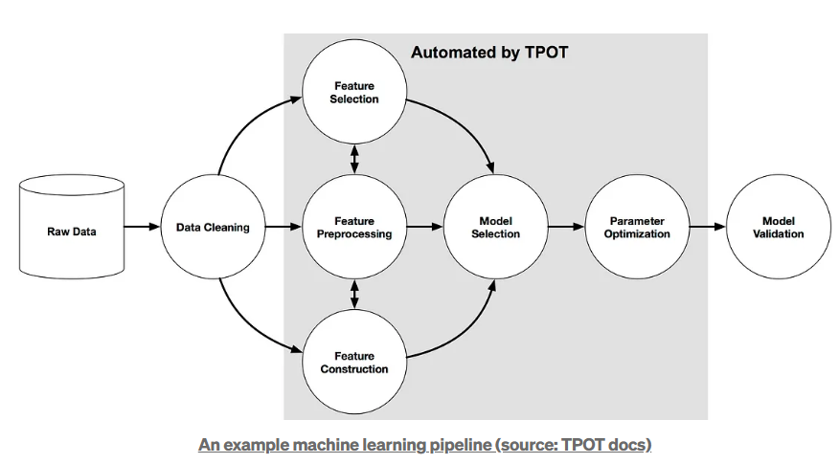 Machine_Learning_Pocket_Ref pg 148
32 | XGBoost Classifier | Serves as a classifier within the XGBoost library, which is an optimized gradient boosting framework. It is designed for supervised learning tasks, specifically for classification problems where the goal is to predict a categorical outcome. XGBoost is known for its efficiency and performance, utilizing techniques such as regularization to prevent overfitting, handling sparse or missing data, cross-validation, and parallel processing to speed up computation. The XGBClassifier builds trees in a level-wise manner, evaluating splits at every possible point to minimize the objective function, thereby improving the model's accuracy. It is commonly used in various applications, including text classification, optical character recognition, and handling imbalanced datasets. XGBoost builds a series of weak learners (decision trees), where each learner tries to correct the errors made by the previous ones. It uses gradient descent to minimize errors iteratively, with each new learner improving the accuracy of the overall model. XGBoost, being a tree-based algorithm, is less sensitive to outliers compared to algorithms like linear regression, where outliers can heavily influence the regression line. XGBoost is a gradient boosting algorithm, which means it can adapt its learning rate depending on the amount of noise in the data, making it robust to outliers XGBoost incorporates regularization techniques The leading machine learning library for regression, classification, and ranking problems. With XGBoost, trees are built in parallel CPU-powered machine learning tasks with XGBoost can literally take hours to run. That’s because creating highly accurate, state-of-the-art prediction results involves the creation of thousands of decision trees and the testing of large numbers of parameter combinations. Graphics processing units, or GPUs, with their massively parallel architecture consisting of thousands of small efficient cores, can launch thousands of parallel t | xgboost | xgboost.XGBClassifier() | Doesn't have inherent support for multi-label classification as a built-in objective function Use with MultiOutputClassifier, OneVsRestClassifier, ClassifierChain, or skmultilearn package | XGBoost can handle multiclass classification problems, where the goal is to assign an instance to one of several predefined classes. When dealing with more than two classes, it's crucial to configure XGBoost appropriately for multiclass settings. | Linear Non-Linear Decision Tree | Non-parametric | L1: Lasso - Controlled by the reg_alpha (or alpha) parameter. L2: Ridge - Controlled by the reg_lambda (or lambda) parameter. max_depth: min_child_weight: Sets the minimum sum of instance weights needed in a child node. Higher values result in more conservative models. gamma: Minimum loss reduction required to make a further partition on a leaf node. Higher values lead to more conservative models. subsample: Controls the fraction of the training data used for each boosting iteration. Can be set to as low as 0.1 without loss of model accuracy. Setting it to 0.5 means that XGBoost would randomly sample half of the training data prior growing trees. colsample_bytree: colsample_bylevel: colsample_bynode: learning_rate (eta): Controls the step size at each boosting iteration. Smaller values lead to more robust models but may require more trees. n_estimators: | XGBoost can work with relatively small datasets, but performance may be limited. XGBoost shines with large datasets, leveraging its ability to handle high dimensionality and complex relationships. Avoid small batch sizes like 32 samples per batch, as this can severely hurt performance in gradient boosting. Ensure your system has enough RAM to load the data and train the model. For large datasets, consider using external memory versions of XGBoost. A good starting point for CPU is to set batch size to 10GB per batch if you have 64GB of memory. | .fit() | XGBoost is generally considered robust to outliers, but it's not entirely immune to their effects. | XGBoost has a built-in mechanism to handle missing values. If all values for a feature are missing, XGBoost will ignore that feature as it provides no information. | XGBoost is remarkably resilient to correlated input features (multi-collinearity), maintaining strong predictive performance even when faced with this common data challenge | N/A | Imbalanced datasets, where one class significantly outnumbers another, can negatively impact XGBoost's performance, especially for the minority class. XGBoost, like many classifiers, tends to be biased towards the majority class during training. This can lead to lower precision and recall for the minority class, even if the overall accuracy looks good | XGBoost, being a tree-based model, generally does not require feature scaling. If XGBoost is used in an ensemble with models that are sensitive to feature scaling (e.g., linear models or neural networks), scaling might be necessary for those other models. While XGBoost is not directly affected by feature scaling, strong regularization might interact with the feature scales. In such cases, scaling could help to ensure that the regularization is applied more evenly across features. Some optimization algorithms used within XGBoost might converge faster with scaled data, although this is less common. | max_depth: objective: multi:softmax: This objective produces a 1D array of predicted class labels. multi:softprob: This objective outputs a 2D array of predicted probabilities for each class. num_class: This parameter specifies the number of classes in the target variable. eval_metric: learning_rate: as this gets smaller, increase the number of iterations General parameters: Relate to the overall functioning of XGBoost, including the type of booster used (tree or linear model). Booster parameters: Depend on the chosen booster and control its behavior. For tree boosters, these parameters can be further grouped into tree complexity, sampling, and regularization parameters. Task parameters: Define the learning scenario, such as regression or classification, and specify the evaluation metrics. | XGBoost is often the top choice for fraud detection Finance: Risk Assessment, Fraud Detection, Stock Price Prediction, Algorithmic Trading. XGBoost can be used to predict stock price movements or identify potential investment opportunities. XGBoost can be used to build and optimize trading strategies Healthcare: Disease Prediction, Patient Segmentation, Drug Discovery, Medical Image Analysis Online Advertising: Click-Through Rate (CTR) Prediction, Ad Ranking, Recommendation Systems XGBoost can be used to predict sales, optimize inventory, and personalize customer experiences. XGBoost can be used to predict churn, improve network performance, and optimize customer service. XGBoost can be used to predict equipment failures, optimize production processes, and improve quality controll. XGBoost can be used to predict energy demand, optimize power grids, and improve renewable energy production. XGBoost can be used to predict traffic flow, optimize routes, and improve public transportation. XGBoost can be used to detect malicious software, identify security vulnerabilities, and protect against cyberattacks. XGBoost can be used to predict player behavior, optimize game difficulty, and personalize game experiences. XGBoost can be used for tasks like sentiment analysis, topic modeling, and machine translation. XGBoost can be used for tasks like sentiment analysis, topic modeling, and machine translation. XGBoost can be used for influencer marketing, content optimization, and social media campaign performance. | XGBoost assumes that the encoded integer values for each input variable have an ordinal relationship. XGBoost requires numerical input features. XGBoost is a non-linear model and can capture complex relationships between features and the target variable. It does not assume a linear relationship like linear regression. XGBoost assumes the objective function is continuous, differentiable, and convex. XGBoost is based on decision trees. It combines multiple weak learners (trees) to create a strong learner. XGBoost can handle sparse data efficiently. XGBoost uses regularization techniques to prevent overfitting, controlled by hyperparameters like gamma, lambda, and alpha. It is important to tune the hyperparameters of XGBoost to achieve optimal performance and avoid overfitting. Key hyperparameters include max_depth, min_child_weight, and learning_rate. | XGBoost is a non-linear model and can capture complex relationships between features and the target variable. It does not assume a linear relationship like linear regression. | Vs LightGBM: Model simplicity, generalizability, easy interface, large community Choose when developer productivity and model generalizability are most important XGBoost can handle missing values inherently. It learns the best direction to go at each split in a tree when a value is missing during training. High Performance and Accuracy: Scalability and Speed: XGBoost is designed to handle large datasets efficiently and can be run on distributed computing environments. It uses parallel processing and hardware optimization techniques, such as GPU acceleration, to speed up training Flexibility: It supports various data types and objectives, including regression, classification, and ranking problems. It can also handle missing data Regularization: incorporates L1 and L2 regularization Interpretability: It provides feature importance scores, which help understand the influence of different features on the model's predictions. Handles Missing Values: Tree Pruning: XGBoost stops splitting a node when it encounters a negative loss, preventing overfitting by pruning unnecessary branches Built-in Cross-Validation: Continue on Existing Model: Users can start training an XGBoost model from its last iteration of a previous run, saving time and resources. Handles Class Imbalance: | Vs LightGBM: Slower, less memory efficient Complexity: Parameter tuning: Overfitting: It is prone to overfitting, especially with small datasets or when using too many trees Computational cost: Interpretability: Data limitations: It may not perform as well with high-dimensional sparse data or unstructured data like text or images. Memory consumption: Sensitivity to outliers: As a boosting method, it can be sensitive to outliers, as each tree attempts to correct errors from previous trees. Scalability issues: It might encounter memory and parallelization issues with very large datasets Limited output range: Predictions are limited to a range determined by the training data. Categorical data handling: While XGBoost can handle categorical data, it might not be as efficient as methods designed specifically for high cardinality categorical features, potentially requiring one-hot encoding or other transformations Risk of bias: | Learn XGBoost in Python: A Step-by-Step Tutorial | DataCamp | 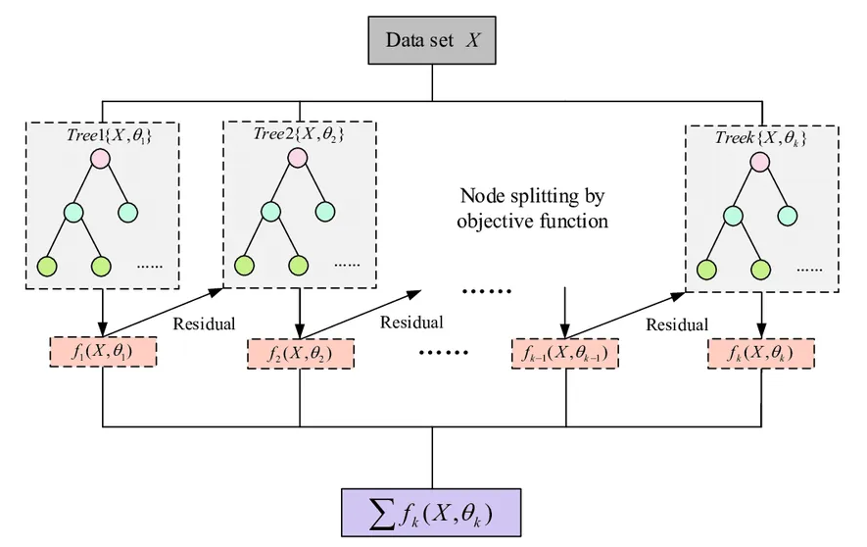 Gl_Hypertuning_Wk2_Additional_Case

 | Probit Regression
 | BalancedRandomForestClassifier |  |  |  |  |  |  |  |  |  |  |  |  |  |  |  |  |  |  |  |  |  |  | Popular Bagging Algorithms Which Most Data Scientists Miss Out
 | RotationForestClassifier |  |  |  |  |  |  |  |  |  |  |  |  |  |  |  |  |  |  |  |  |  |  | Popular Bagging Algorithms Which Most Data Scientists Miss Out
 | RobustSupportVectorMachines (robust to outliers)
 | MLP Classifier

Regression
1 | LightGBM Regressor | Serves as a gradient boosting framework designed for regression tasks. It constructs an ensemble of decision trees sequentially, where each tree aims to correct the errors made by its predecessors. This approach enhances prediction accuracy and model robustness. LightGBM incorporates techniques like Gradient-based One-Side Sampling (GOSS) and Exclusive Feature Bundling (EFB) to optimize training speed and reduce memory consumption, making it efficient for handling large datasets. It is commonly used in various applications, including time series forecasting, and is known for its high performance and accuracy in regression problems. While LGBMRegressor primarily uses traditional decision trees, it also supports the use of linear trees as an option. This means that instead of splitting nodes based on feature values, the splits are based on linear functions of the features. | lightgbm | lightgbm.LGBMRegressor() | Doesn't have inherent support for multi-label regression as a built-in objective function Use with MultiOutputRegressor or RegressorChain | N/A | Decision Tree | Non-parametric | reg_alpha (L1 Regularization): Adds a penalty based on absolute feature values, promoting sparsity and potentially driving less important feature weights towards zero. Higher values increase the strength of L1 regularization. reg_lambda (L2 Regularization): Adds a penalty based on the squared values of feature weights, helping to prevent overfitting by shrinking weights towards zero. | Small - No Large - Yes | .fit() | Generally robust to outliers due to its tree-based nature. However, outliers can still impact model performance, particularly in situations with extreme values or small datasets. LightGBM uses a histogram-based approach for finding split points. Extreme outliers can skew the histogram, potentially leading to less effective splits for the majority of the data. LightGBM's leaf-wise tree growth can be sensitive to outliers if not controlled. Outliers might cause the algorithm to create branches specifically for them, leading to overfitting, especially with smaller datasets. | LGBMRegressor can handle missing values (NaNs) directly without imputation. It treats them as a separate category and learns the optimal split direction for missing values during training. | LightGBM, like other tree-based models, handles multicollinearity better than linear models because it selects the best feature to split on at each node, effectively ignoring redundant information from correlated features. However, severe multicollinearity can still pose challenges Multicollinearity can distort feature importance scores. Highly correlated features might share importance, making it difficult to identify the true drivers of the target variable. Small changes in the data can result in large changes in the model structure. Multicollinearity can contribute to overfitting, as the model might learn complex relationships based on redundant information. | Y | when dealing with imbalanced regression problems, the issue is more about the distribution of the target variable and potentially outliers. Imbalanced regression data can manifest as a skewed distribution of the target variable, where the majority of values are concentrated in a specific range, with a small number of values lying far outside that range. This imbalance can lead the model to be biased toward the majority values and perform poorly on the minority values. | LightGBM is not sensitive to feature scaling. Unlike algorithms like linear regression or k-nearest neighbors, it does not require features to be on the same scale. | num_leaves: Reduce the maximum number of leaves to prevent overfitting on outliers. max_depth: Limit the tree depth to avoid creating branches specifically for outliers. min_child_samples: min_data_in_leaf: Increase the minimum number of data points required in a leaf to avoid fitting to individual outlier points. learning_rate: as this gets smaller, increase the number of iterations boosting_type: Type of boosting algorithm to use: objective: Defines the learning task and the objective function. metric: Evaluation metric(s) to be used during training reg_alpha: L1 regularization term on weights (default: 0.0). reg_lambda: L2 regularization term on weights (default: 0.0). | Finance and Banking: Credit scoring, fraud detection, risk assessment, stock price prediction E-commerce and retail: sales forecasting, customer segmentation, demand forecasting, personalized recommendations Healthcare: disease prediction, patient risk stratification, healthcare analytics Marketing and advertising: Customer churn prediction, ad targeting Insurance: predicting claims and setting premiums Manufacturing; predictive maintenance by predicting equipment failure based on sensor data and maintenance history Transportation: Optimizing logistics and predicting delivery times Real estate: predicting property values and market trends | LightGBM requires numerical input features. Categorical features should be explicitly encoded as integers or using LightGBM's built-in categorical feature handling.LightGBM can handle categorical features directly using the categorical_feature parameter. It automatically finds the optimal split points for categorical features without one-hot encoding, which can be more efficient and effective. While not a strict assumption, if there is prior knowledge about the monotonic relationship between a feature and the target variable, it can be incorporated as a constraint during training. This can improve model accuracy and interpretability. Like most supervised learning algorithms, LightGBM assumes that the errors in the data are independent of each other. | Handles non-linear relationships through the use of decision trees. Decision trees inherently model non-linearities by recursively partitioning the feature space into smaller regions. | Speed and Efficiency: LightGBM is known for its fast training speed and low memory consumption, which makes it suitable for large datasets. Accuracy: It often achieves state-of-the-art results in various machine learning tasks Scalability: It can handle large-scale data efficiently, which is essential for many real-world applications Handling of Categorical Features: It can handle categorical features directly without requiring one-hot encoding, which simplifies the data preprocessing. Feature Importance Analysis: It provides tools for understanding which features are most important in making predictions. | Overfitting: Hyperparameter sensitivity: Finding the right combination of parameters like learning rate, number of leaves, tree depth, and regularization terms can be challenging and time-consuming Interpretability: LightGBM models are generally considered less interpretable compared to simpler models like linear regression. Techniques like SHAP values or partial dependence plots can be used to gain some insights into the model's behavior. Memory Consumption: Although LightGBM is generally memory-efficient, its leaf-wise growth can still be memory-intensive, particularly with very large datasets and deep trees Sensitivity to Noisy Data and Outliers: Limited Applicability to Unstructured Data: It's not the best choice for tasks involving unstructured data like text or images, where deep learning methods often excel. | Regression using LightGBM | GeeksforGeeks | 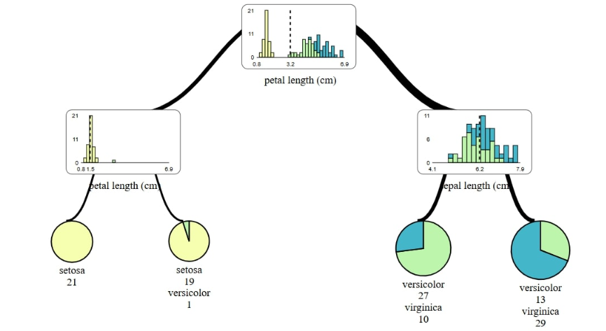 Machine_Learning_Pocket_Ref pg 219
2 | Linear GAM | Serves to construct and utilize Generalized Additive Models (GAMs) for regression tasks. It models the relationship between a dependent variable and multiple independent variables through a linear combination of smooth functions of the independent variables. This allows for capturing non-linear relationships while maintaining additivity, making the model interpretable. Specifically, LinearGAM assumes an identity link function and a normal distribution for the error term. This means that the expected value of the dependent variable is directly modeled as the sum of smooth functions of the independent variables plus an intercept term. The smoothness of these functions is controlled by regularization parameters, which can be tuned to prevent overfitting. In essence, LinearGAM provides a flexible and interpretable approach to regression modeling, suitable for cases where the relationships between variables are not strictly linear. These functions, known as splines, can automatically capture non-linear relationships without requiring manual transformations. | pygam | pygam.pygam.LinearGAM() | Doesn't have inherent support for multi-label regression as a built-in objective function Use with MultiOutputRegressor or RegressorChain | N/A | Linear Non-Linear | Semi-parametric | regularization is primarily achieved through smoothing penalties applied to the non-linear terms (splines). Effect of lam (lambda): A larger value of lam increases the penalty, promoting smoother functions and preventing overfitting. Conversely, a smaller lam leads to less smoothing and a more flexible function. | Larger datasets generally lead to more robust models: More data allows for a more accurate estimation of the underlying relationships between variables and the outcome. This is particularly true for complex models like GAMs, which can capture non-linear relationships using smoothing splines. | .fit() | Extreme values can disproportionately influence the model. Common methods for outlier detection and handling in the context of LinearGAM are: Residual Analysis, Cook's Distance, Leverage Points, Visualization | Preprocess the missing data before fitting the model. Cannot handle missing values directly Dropping rows with missing data: Imputing missing data: Using fillna(): Pandas fillna() method can be used for replacing NaN values with a specified value. | Predictor variables are not highly correlated with each other. Multicollinearity can affect the models A common method to detect multicollinearity is by calculating the Variance Inflation Factor (VIF) for each predictor variable. | N | When the classes in a dataset are imbalanced, the model may be biased towards the majority class, leading to poor performance on the minority class. While LinearGAM() is a powerful tool for modeling non-linear relationships, it's important to be aware of the challenges posed by imbalanced datasets. Consider using resampling techniques, class weights, or a combination of these approaches to handle the imbalance before or during the training of your LinearGAM model Pay close attention to your evaluation metrics to ensure your model performs well on the minority class, which is often the class of interest in imbalanced data scenarios | While not always strictly required, feature scaling can often improve the performance of Generalized Additive Models (GAMs) in Python, particularly with the pygam library | n_splines: This parameter controls the number of splines used in each smooth function. A higher value allows for more flexibility but can risk overfitting, while a lower value may oversimplify the relationships. Lam: This is the penalization term that controls the smoothness of the fitted function. A higher lam value enforces a stronger penalty, resulting in a smoother function, while a lower lam allows for more wiggliness. Gridsearch(): method to automatically tune the lam parameter. It searches over a grid of lam values and selects the one that minimizes the Generalized Cross-Validation (GCV) score. The user can specify a range of lam values or let pyGAM generate a default range. distribution: This parameter specifies the distribution of the response variable. It can take values like normal, binomial, poisson, gamma, and inv_gauss. The default is normal link: This parameter specifies the link function that relates the linear predictor to the expected value of the response variable constraints: This parameter allows you to specify constraints on the smooth functions, such as monotonicity or concavity. weights: This parameter allows you to specify weights for each data point. This can be useful if some data points are more important than others. | Marketing: Analysis of the impact of marketing channels, prediction of customer lifetime value, and optimization of marketing campaign targeting. Finance: Credit risk modeling, fraud detection, and the prediction of stock prices. Insurance: Actuarial modeling, insurance policy pricing, claim frequency prediction, and analysis of customer behavior. Healthcare: Analysis of patient characteristics and treatment outcomes, prediction of patient readmission rates, and modeling of disease progression. Environmental Science: Analysis of the impact of environmental factors, prediction of air and water quality, and modeling of climate change effects. E-commerce: Prediction of customer churn, personalization of product recommendations, and optimization of pricing strategies. Manufacturing: Quality control, predictive maintenance, and optimization of manufacturing processes. | Independence of Observations: Data points are independent of each other. Extensions like GEEs, GLMMs, and GAMMs relax this assumption. Linearity in the Link Function: The relationship between the linear predictor and the mean of the response variable, as determined by the link function, is correctly specified. Additivity: The effects of predictor variables on the response variable are additive. While GAMs can incorporate interaction terms, they are generally more complex to define and interpret. Smoothness: The relationship between each feature and the target variable is smooth. This is enforced by penalizing the wiggliness of the feature functions during model fitting. Distributional assumptions: The error term (difference between actual and predicted values) follows a specific distribution. Large sample size: Confidence intervals and statistical tests rely on asymptotic results, which are more accurate with larger sample sizes. No multicollinearity: Correct model specification: The model assumes that the chosen features and functional forms (e.g., linear or spline) adequately capture the true relationships in the data. | While LinearGAM itself maintains an additive structure, the smooth functions allow it to model non-linear relationships between individual features and the target. To use LinearGAM for non-linear relationships, you can employ spline functions within the model. Splines are piecewise polynomial functions that can capture complex, non-linear patterns in the data. By incorporating splines, LinearGAM can effectively model non-linear relationships while preserving the interpretability of an additive model. | Interpretability: GAMs offer a balance between predictive power and interpretability, which makes them easier to understand than more complex models. Non-linear Relationships: They can capture non-linear relationships between predictors and the response variable, which linear models often miss. Flexibility: Different term types can be included (splines, linear, factors) to tailor the model to specific data and problems. Feature Importance: The individual contributions of each feature and its non-linear effect on the response variable can be examined. c | Complexity: The flexibility of GAMs can lead to increased model complexity, making them computationally intensive and sometimes difficult to tune. Selection of Smoothing Parameters: Choosing the appropriate smoothing parameters or basis functions can be challenging and requires expertise. Improper selection can lead to underfitting or overfitting. Scalability: GAMs may not scale well with very large datasets or with a large number of predictors due to their computational intensity. Additive Assumption: The assumption of additivity might be restrictive in some cases where interactions between predictors are important. While GAMs can include interaction terms, they are generally more complex to specify and interpret. Interpretation of Smoothing Terms: While GAMs are interpretable, the smoothing terms themselves can sometimes be difficult to explain, especially to stakeholders not familiar with the methodology. Software and Implementation: Implementing GAMs requires specialized statistical software and packages (e.g., mgcv in R), which might not be as widely understood or available as more standard linear or logistic regression models. Potential for Overfitting: | Fit Non-Linear Relationship Using Generalized Additive Model | Towards Data Science | 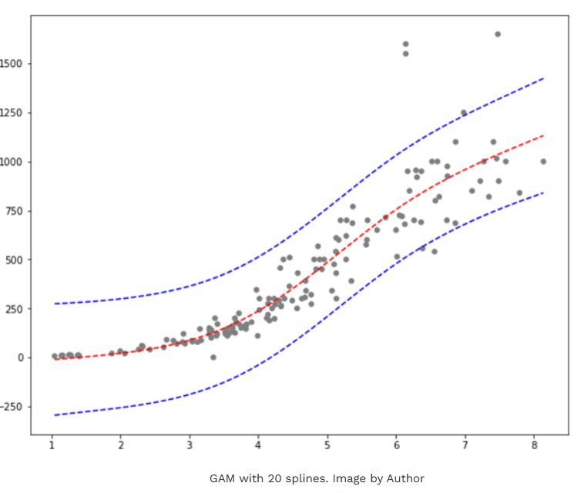 ISLP Ch7
3 | Linear Regression | Ordinary least squares Linear Regression. LinearRegression fits a linear model with coefficients w = (w1, …, wp) to minimize the residual sum of squares between the observed targets in the dataset, and the targets predicted by the linear approximation. | scipy | scipy.stats.linregress() | You'll need to use other tools like scikit-learn or statsmodels for multiple linear regression with multiple independent variables | N/A | Linear | Parametric | The linregress() function in Python's SciPy library does not directly support regularization. | In summary: While there is no fixed rule, a minimum of 10 data points is a good starting point for simple linear regression, but the actual requirement can vary significantly depending on the specific characteristics of your data and the desired accuracy of your model. | .fit() | Outliers can significantly impact linear regression results, potentially skewing the model and leading to inaccurate predictions. Identify by residual analysis, Cook's distance, leverage, IQR Handle by removal, transformation, robust regression, winsorizing | The linregress function does not handle NaN values directly and will return an error if they are present in the input data. | Multicollinearity occurs in linear regression when two or more predictor variables are highly correlated, making it difficult to isolate the individual effect of each predictor on the response variable. It inflates the standard errors of regression coefficients, leading to unstable and unreliable estimates. | N | The model's performance can be significantly affected, leading to biased and inaccurate predictions. | While scaling isn't strictly required when solving linear regression analytically using the normal equation, it can aid in interpreting the coefficients. Scaled coefficients provide a clearer reflection of each feature's relative importance. | x, y: x represents the independent variable (predictor), and y represents the dependent variable (response). Both arrays must have the same length alternative (optional): This parameter specifies the alternative hypothesis for the p-value calculation. It can be 'two-sided' (default), 'less', or 'greater'. It is relevant for hypothesis testing on the slope. | Finance: Predicting stock prices, analyzing market trends, assessing risk, and forecasting financial performance. Sales and Marketing: Forecasting sales, evaluating marketing campaign effectiveness, and understanding customer behavior. Real Estate: Predicting property values based on location, size, and other factors. Healthcare: Analyzing relationships between patient characteristics and treatment outcomes. Manufacturing: Optimizing production processes and predicting product quality. Science and Engineering: Analyzing experimental data and modeling physical phenomena. Sports: Predicting game outcomes and player performance. Aviation: Predicting flight times and airfare prices. Insurance: Estimating credit health of policy holders and predicting the number of claims. | Linearity: A linear relationship exists between the independent and dependent variables. Independence of Errors: Residuals (the differences between observed and predicted values) are independent of each other. Homoscedasticity: The variance of the residuals is constant across all levels of the independent variable. Normality of Residuals: The residuals are normally distributed. No Multicollinearity: In multiple regression, the independent variables are not highly correlated with each other. No Autocorrelation: Residuals are not correlated with each other, especially relevant in time series data. | Nonlinear relationships can be addressed using alternative methods in Python. Here's how: Polynomial Regression: Transform the input features by adding polynomial terms (e.g., x2, x3, etc.). Use numpy.polyfit to fit a polynomial curve to the data. For more control and flexibility, consider sklearn.preprocessing.PolynomialFeatures to generate polynomial features, followed by sklearn.linear_model.LinearRegression. | Simplicity and Interpretability: Computational Efficiency: Linear regression is computationally efficient, even with large datasets, making it suitable for quick analysis and prototyping. Predictive Ability: Foundation for Other Models: Linear regression serves as a building block for more advanced techniques like logistic regression and neural networks. Versatility: It can be applied to various types of data and for different purposes, making it a versatile tool in data analysis. Feature Selection: Linear regression can help identify important features by examining the coefficients of the model. Larger coefficients indicate a stronger influence on the dependent variable. Error Detection: It can be used to identify potential errors in a dataset by spotting outliers or unexpected values. Handling of Continuous Variables: Basis for Comparison: It serves as a good baseline model to compare against more complex models. If more advanced models do not significantly outperform linear regression, their added complexity may not be justified. Constant Term: A constant term (y-intercept) can easily be added to the model, allowing it to fit data that does not necessarily pass through the origin. Efficiency in Calculation: Ridge regression, a variant of linear regression, can be computed very efficiently, with minimal additional cost compared to standard linear regression. | Linearity Assumption: Sensitivity to Outliers: Multicollinearity Issues: Homoscedasticity Assumption: Independence Assumption: Not Suitable for Classification: Overfitting and Underfitting: Limited Feature Importance Determination: Inefficient Estimates with Heteroscedasticity: Assumption-heavy: Prone to noise: Limited use due to several assumptions: Over-simplification: Time dependency issues: Regression assumes that the dependent variable should be independent of time. In most cases, while forecasting, time series data is used, which is highly dependent on time. Therefore, regression will lead to low reliability and high inconsistency in the forecasts. | Linear Regression in Python – Real Python | 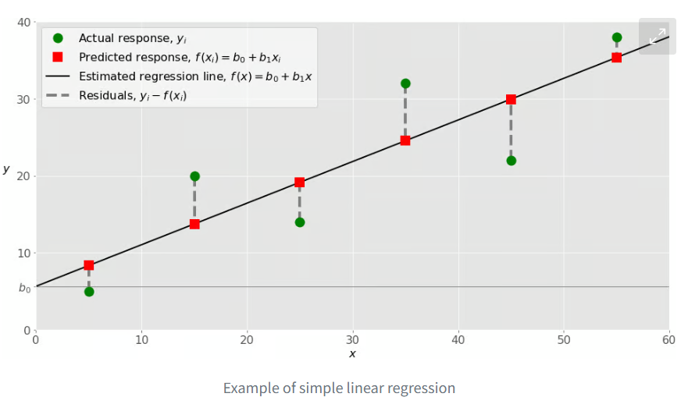 Practical_Statistics pg179
4 | Partial Least Squares Regression | Performing Partial Least Squares Regression (PLS). PLS is a technique used to find the fundamental relations between two data matrices, X and Y, by projecting them into a new space of latent variables. It is particularly useful when dealing with multicollinearity in predictors or when the number of predictors is greater than the number of observations. PLSRegression can handle both single and multiple target variables, referred to as PLS1 and PLS2, respectively. It maximizes the covariance between the latent variables of X and Y, making it suitable for predictive modeling and feature extraction. This is mainly used when there are many interrelated independent variables. It is more commonly used in regression and latent variable modelling. PLS is employed to uncover the underlying relationships between two matrices (X and Y). The reduced features obtained from PLSRegression can be used as input for non-linear models, such as: Decision Trees: These models can capture complex non-linear relationships. Support Vector Regression (SVR): SVR can model non-linear relationships using kernel functions. Polynomial Regression: By adding polynomial features to the input, PLSRegression can be used to model non-linear relationships. | sklearn | sklearn.cross_decomposition.PLSRegression() | The sklearn.cross_decomposition.PLSRegression class in Python's scikit-learn library is designed to handle multi-label regression problems directly. | N/A | Linear | Parametric | Does not inherently include explicit regularization methods like L1 (Lasso) or L2 (Ridge) regularization in the same way as linear regression models. Instead, PLS regression is a dimensionality reduction technique that implicitly addresses multicollinearity and overfitting by projecting the data onto a lower-dimensional space of latent variables. The number of components (n_components parameter) acts as a regularization parameter, controlling the complexity of the model. Cross-validation is used to tune the n_components parameter. | The "10-times rule" (primarily for PLS-SEM): This heuristic suggests the sample size should be at least ten times the maximum number of paths (connections) pointing to any latent variable in your model. However, this rule has limitations and can sometimes lead to inaccurate estimates. A "weak" rule of thumb: Similar to multiple regression, some suggest using a multiplier of five instead of ten in the formula mentioned above. | .fit() | Identifying and handling outliers is crucial in Partial Least Squares Regression (PLSR) to ensure model robustness and accuracy. Several methods can be employed to detect outliers in PLSR: Hotelling's T2 statistic: Q-residuals (SPE): Standardized residuals: Cook's distance: Visual inspection: Z-score: | The algorithm cannot directly process datasets containing NaN values | Partial Least Squares Regression (PLSR) is a technique that effectively handles multicollinearity in data. Here's how PLSR handles multicollinearity: Dimensionality Reduction: PLSR reduces the number of predictor variables by creating a smaller set of latent variables. These latent variables are linear combinations of the original predictors, but they are uncorrelated with each other. Focus on Covariance: PLSR focuses on the covariance between X and Y, ensuring that the latent variables are relevant for predicting the target variable. This helps to filter out noise and irrelevant information, which can be exacerbated by multicollinearity. Stable Coefficient Estimates: By using uncorrelated latent variables, PLSR avoids the problem of unstable coefficient estimates that can occur in traditional regression models when multicollinearity is present. | N | Problems Caused by Imbalanced Data: Bias towards the Majority Class: PLS regression, like many machine learning algorithms, can be biased towards the majority class in an imbalanced dataset. This is because the algorithm is trained to minimize overall prediction error, and the majority class dominates the error calculation. Poor Prediction Performance for the Minority Class: As a result of the bias, predictions for the minority class (the class with fewer samples) tend to be less accurate. This can be a serious problem if the minority class is the class of interest (e.g., identifying rare diseases or fraudulent transactions). Unreliable Model Calibration: Imbalanced data can also lead to poor model calibration, meaning that the predicted probabilities may not reflect the true likelihood of belonging to a particular class. | In Python's PLSRegression, the scale parameter determines whether the data is scaled before applying PLS. By default, scale is set to True, meaning the data is scaled to unit variance and zero mean. This is generally recommended as it can improve the performance and stability of the algorithm. If scale is set to False, the data is not scaled. | n_components: scale: A boolean value indicating whether to scale the data before applying PLS max_iter: This integer sets the maximum number of iterations for the iterative algorithm used to estimate the PLS model. tol: A float specifying the tolerance for convergence of the iterative algorithm. It defines the minimum change in the model parameters required to continue iterating. copy: A boolean that dictates whether the input data (X and Y) should be copied or modified in place. Setting it to True ensures that the original data remains unchanged. The default is True. | Partial Least Squares Regression (PLSR) is used across various industries for its ability to handle multicollinearity and high-dimensional data. Chemical, Pharmaceutical, Food, and Plastics Industries: PLSR is frequently employed to model relationships between spectral measurements (NIR, IR, UV) and chemical composition or physical-chemical properties. It helps in quality control, process monitoring, and predicting product attributes. Spectroscopy: PLSR is a staple in chemometrics, particularly for analyzing near-infrared (NIR) spectroscopy data. Manufacturing: In batch manufacturing, PLSR is used for process monitoring, quality control, and predicting product properties. Bioinformatics: PLSR is applied in analyzing biological data, such as gene expression data and metabolomics data, to identify relationships between variables and predict outcomes. Environmental Science: PLSR can be used to analyze environmental data, such as air and water quality data, to identify sources of pollution and predict environmental changes. Finance: Although less common, PLSR can be used in finance for risk management, portfolio optimization, and predicting financial outcomes. | Linearity: The relationship between the independent and dependent variables is assumed to be linear. Homogeneity: The system being analyzed should exhibit homogeneity throughout the analytical process. Latent Variables: The system is assumed to be driven by a few underlying latent variables. Measurement Error in X: PLSR is more tolerant of measurement error in the predictor variables (X) compared to OLS. Xs need not be independent: PLS handles multicollinearity, the situation where the predictor variables are correlated among themselves. Normality: While not strictly required, PLSR often performs better when the data is approximately normally distributed, especially for hypothesis testing and confidence intervals. Latent variables, also known as hidden variables, are variables that are not directly observed but are inferred through a mathematical model from other observed variables. They represent underlying constructs or factors that influence the observed data. Intelligence cannot be directly observed or measured, but it can be inferred through measurable indicators such as performance on tests, problem-solving skills, or decision-making abilities. Intelligence, in this case, is a latent variable. | Partial Least Squares Regression (PLSR) is fundamentally a linear technique. However, it can be adapted to model non-linear relationships through several approaches: Polynomial Features: Transforming the original features by adding polynomial terms (e.g., squaring or cubing the features) allows PLSR to capture non-linear relationships. This approach increases the dimensionality of the feature space, enabling the model to fit more complex curves. | Handling Multicollinearity: Dimensionality Reduction: PLSRegression reduces the number of predictor variables by projecting the original high-dimensional data into a lower-dimensional subspace of latent variables or components. Improved Prediction Accuracy: Flexibility: PLSRegression can handle situations with multiple response variables, making it suitable for complex multivariate scenarios. Noise Reduction: PLS tends to focus on capturing the common variance between predictor and response variables, which can help in reducing the impact of noisy or irrelevant variables, leading to a more robust model High-Dimensional data: High-dimensional data means when the predictors are more than the number of observations. This Is common in fields like “Genomics” or “Spectroscopy”. Small Sample Size: If the number of observations is limited, PLS can provide stable results. It is less Prone to overfitting compared to traditional regression models. Simultaneous Modelling of Multiple Dependent Variables: PLS can be used to simulate predictions for multiple dependent variables. If there are multiple dependent and independent variables, then PLS allows for the simultaneous analysis of relationships between dependent and independent variables. | Complexity: Model Tuning: Requires careful selection of the number of components to avoid overfitting, which can be a complex and iterative process. Overfitting: Need for Cross-Validation: Data Preprocessing: PLS can be sensitive to the scaling of the predictor variables, and appropriate preprocessing steps like scaling or normalization are often needed. Impact of Outliers: PLS can be sensitive to outliers in the data, which can negatively affect the model. Latent Variables: The extracted latent variables in PLS might not always have a clear or intuitive interpretation, making it harder to understand the underlying relationships between predictors and responses Comparison to OLS: Unlike Ordinary Least Squares (OLS) regression where the coefficients directly represent the impact of each predictor, PLS involves latent variables which makes direct interpretation of coefficients more challenging. Performance Compared to PCR: In some cases, PLS might not perform significantly better than other dimensionality reduction techniques like Principal Component Regression (PCR) or even simpler methods like ridge regression. Need for Careful Comparison: It's important to compare PLS with other appropriate regression and feature transformation techniques to determine the best approach for a given problem | Partial Least Squares Regression (PLSRegression) using Sklearn | GeeksforGeeks | 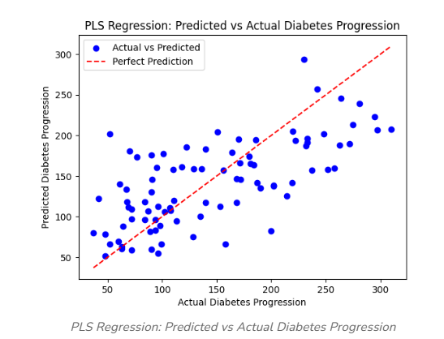 ISLP pg282
5 | Dummy Regressor | Regressor that makes predictions using simple rules. This regressor is useful as a simple baseline to compare with other (real) regressors. Do not use it for real problems. | sklearn | sklearn.dummy.DummyRegressor() | DummyRegressor can be applied to multilabel data, although it doesn't learn from the data. | N/A | None | None | N/A | In short, you would use DummyRegressor() with the same dataset you use for your other regression models, regardless of its size. | .fit() | Outliers won't influence the model's parameters or predictions because the model does not learn any relationships from the input features. | The DummyRegressor in scikit-learn, by design, does not handle missing data (NaNs) directly. If the input data contains NaNs, it will result in an error. To use DummyRegressor with data containing missing values, preprocessing steps are necessary. | DummyRegressor, by design, is unaffected by multicollinearity in the input features. | N/A | Using DummyRegressor from scikit-learn with imbalanced data, especially in regression tasks, requires careful consideration as it's a baseline regressor and doesn't inherently address imbalance issues. In essence, DummyRegressor is a valuable starting point for evaluating more sophisticated models, but it doesn't address the challenges of imbalanced regression directly. You'll need to consider specialized techniques like resampling, weighted loss functions, or robust regression models to effectively handle imbalanced data in regression tasks | No, you typically don't need to scale your data when using DummyRegressor in scikit-learn. | strategy: This parameter determines the prediction strategy random_state: (Optional, only applicable when strategy is "stratified" or "uniform") This parameter controls the randomness for the stratified and uniform strategies, ensuring reproducibility. constant: (Optional, required when strategy is "constant") Specifies the constant label to predict when the strategy is set to constant. | To establish a baseline performance level, useful for evaluating the effectiveness of other classification models. | None | DummyRegressor in scikit-learn does not inherently handle non-linear relationships. It always predicts a constant value based on the training data (mean, median, a specific quantile, or a user-provided constant). Therefore, it is fundamentally a linear model in its prediction behavior. | Simplicity: It is easy to understand and implement, requiring minimal code and no complex training procedures. Baseline Performance: It provides a baseline against which to compare the performance of more complex models. This helps to determine if a more sophisticated model is actually learning anything useful from the data. Overfitting Check: By comparing a complex model's performance to the DummyClassifier, it's possible to identify potential overfitting issues. If a complex model performs similarly to the dummy classifier, it might be overfitting the training data. Quick to Train and Predict: It requires minimal computational resources, making it very fast to train and predict. Handles Class Imbalance: It can be particularly useful for imbalanced datasets, where it provides a reference point for evaluating how well a model performs compared to random guessing or simply predicting the majority class. Different Strategies: It offers different strategies for making predictions | Limited Predictive Power: By design, it doesn’t learn from the data, so its predictions are often inaccurate. No Feature Importance: It doesn’t provide insights into which features are most important for predictions. Not Suitable for Complex Problems: In real-world scenarios with intricate patterns, dummy classifiers are too simplistic to be useful on their own. | Dummy Regressor, Explained: A Visual Guide with Code Examples for Beginners | Towards Data Science | Machine_Learning_Pocket_Ref pg 194
6 | AdaBoost Regressor | For regression tasks using the AdaBoost (Adaptive Boosting) ensemble learning method. It combines multiple weak learners, typically decision trees, to create a strong regressor. AdaBoost works by sequentially training these weak learners, with each learner focusing on the mistakes of its predecessors. It adjusts the weights of training instances, giving more importance to those that were incorrectly predicted in previous iterations. The final prediction is a weighted average of the predictions from all weak learners. | sklearn | sklearn.ensemble.AdaBoostRegressor() | Doesn't have inherent support for multi-label regression as a built-in objective function Use with MultiOutputRegressor or RegressorChain | N/A | Decision Tree | Non-parametric | n_estimators: learning_rate: This parameter controls the contribution of each weak learner to the final prediction. base_estimator: The choice of base estimator, such as a DecisionTreeRegressor, also affects the model's complexity. For instance, limiting the max_depth of the decision trees used as base estimators can help prevent overfitting. loss: The loss function used to calculate the error Use a smaller learning rate and increase the number of estimators if needed to achieve good performance without overfitting. | There isn't a minimum number of data points required. It will work even with small datasets, but performance might be limited. Generally, more data will lead to better performance, as with most machine learning algorithms. However, there is a point of diminishing returns. If you're dealing with very large datasets, explore more efficient alternatives or consider strategies like sampling or distributed computing if AdaBoost's computational demands become prohibitive. | .fit() | It is highly affected by outliers because it tries to fit each point perfectly. Outliers, by their nature, are often mispredicted, leading AdaBoost to assign them disproportionately large weights. This can cause the model to focus excessively on these outliers, potentially leading to overfitting and a decrease in generalization performance on unseen data. | Does not inherently handle missing data. This is because its default base estimator, DecisionTreeClassifier, also does not support missing values. If your data contains missing values, you will encounter an error. | Multicollinearity, the presence of high correlation between predictor variables, can impact the performance and interpretability of regression models, including AdaBoostRegressor. While AdaBoost, as a tree-based method, is generally less sensitive to multicollinearity compared to linear models, it's still important to consider its potential effects. | N/A | The AdaBoost Regressor algorithm, while powerful, can be impacted by imbalanced datasets in regression problems. Bias Towards Majority Range: AdaBoost, like many regression algorithms, aims to minimize overall prediction error. With imbalanced data, it may prioritize fitting the majority data well, neglecting the minority range where fewer data points exist. Poor Performance on Minority Range: Consequently, the model's accuracy tends to be higher in the majority range but significantly lower in the minority range, which might be the area you are most interested in predicting accurately. Misleading Accuracy: The overall model accuracy might appear acceptable because it is dominated by the performance on the majority data, while it might be failing to predict the minority data effectively. | Although AdaBoost doesn’t rely as heavily on feature scaling as algorithms like gradient descent-based models, it’s good practice to scale features when dealing with large numerical ranges. No direct impact on scaling: If the base estimator is a Decision Tree, scaling the input features might not have a significant direct impact on the AdaBoost Regressor's performance. May be important: If you use a base estimator that is sensitive to feature scaling (e.g., linear regression, Support Vector Machines), scaling the input features before training the AdaBoost regressor can be important. | n_estimators: This controls how many weak learners (stumps) are combined to form the final model. The more estimators you add, the longer the training process, but this can also improve accuracy. learning_rate: This parameter controls how much each weak learner contributes to the final model. A smaller learning rate means each weak learner has a smaller influence, but you might need more estimators to compensate. estimator: type of model (i.e. decition tree) loss: It specifies the loss function to be optimized during the boosting process. The possible values are 'linear', 'square' and 'exponential'. The default is 'linear'. | Finance: Involves predicting stock prices, forecasting market trends, and assessing risk. Energy: Used for predicting energy consumption, optimizing grid management, and forecasting renewable energy production. Manufacturing: Applied in predictive maintenance to forecast equipment failures, optimize production processes, and improve quality control. Environmental Science: Helps in predicting air and water quality, forecasting weather patterns, and modeling climate change impacts. Transportation: Used for predicting traffic flow, optimizing logistics and supply chains, and forecasting travel demand. Healthcare: Applied in predicting patient outcomes, forecasting disease outbreaks, and optimizing treatment plans. Its effectiveness with noisy data is beneficial Its ability to handle diverse data types Its ability to handle non-linear relationships | Weak Learners: AdaBoost relies on weak learners, classifiers that perform slightly better than random guessing. Decision trees with a single split (decision stumps) are commonly used. Iterative Correction: The algorithm assumes that errors made by previous weak learners can be corrected by subsequent learners. It adjusts the weights of misclassified instances, focusing on difficult cases in each iteration. Linear Separability: While not a strict requirement, AdaBoost performs best when the data is reasonably separable. It may struggle with highly complex, non-linear relationships. Data Quality: AdaBoost is sensitive to excessive noisy data and all outliers. These can disproportionately influence the weighting process and degrade performance. Sufficient Data: A sufficient amount of training data is needed to ensure that the weak learners can learn effectively and that the weighting process converges. Independence of Features: Like many machine learning algorithms, AdaBoost assumes that the features are reasonably independent of each other. High multicollinearity can negatively impact performance. Balanced Data: Although AdaBoost can handle imbalanced datasets to some extent through sample weighting, extreme imbalances may still pose challenges. Convergence: The algorithm assumes that the iterative process will converge, meaning that the error rate will decrease over time. However, overfitting can occur if the number of iterations is too high. Computational Resources: AdaBoost can be computationally expensive, especially with large datasets and a high number of estimators. | Can handle non-linear data through its ensemble approach. It combines multiple weak learners, typically decision trees with a single split (decision stumps), to create a strong classifier. While individual decision stumps are linear classifiers, AdaBoost iteratively adjusts the weights of data points, focusing on those misclassified by previous learners. This process allows the ensemble to learn complex, non-linear decision boundaries. By iteratively focusing on difficult instances and combining multiple weak models, AdaBoost can approximate complex, non-linear functions. The degree of non-linearity that AdaBoost can capture depends on the complexity of the weak learners and the number of boosting rounds. Using more complex weak learners or increasing the number of boosting rounds can potentially lead to overfitting, so it is important to tune these parameters appropriately. | Improved accuracy: AdaBoost combines multiple weak learners to create a strong learner, resulting in higher prediction accuracy compared to individual weak learners. Versatility: It can be used with various base regression algorithms. Reduced overfitting: By focusing on misclassified instances, AdaBoost can reduce overfitting, especially when using simpler base models. Handles different data types: It works well with various types of data. Less hyperparameter tuning: AdaBoost often requires less hyperparameter tuning compared to other complex algorithms. Fast training speed: It is relatively fast and scalable, especially when using simple weak learners. Effective with strong learners: While typically used with weak learners, AdaBoost can also effectively combine strong learners for even greater accuracy. Adaptability: It adapts to the errors of previous models by adjusting the weights of instances, focusing on difficult cases. | Sensitive to noisy data and outliers: AdaBoost is highly affected by outliers and noise in the data, as it tries to correct every misclassification, which can lead to overfitting if the noise is significant. Slower compared to other algorithms: The sequential nature of AdaBoost can make it slower than other algorithms like XGBoost, as each classifier must be trained after the previous one. Requires quality data: Due to its sensitivity to noise, it's crucial to ensure the data is clean and preprocessed before applying AdaBoost. Can be computationally expensive: Training multiple classifiers sequentially can be computationally expensive, especially with large datasets or complex base classifiers. Not easily parallelizable: The sequential nature of the algorithm makes it difficult to parallelize, limiting its scalability. Potential for overfitting: While generally resistant to overfitting, AdaBoost can overfit if the weak classifiers are too complex or the number of boosting iterations is too high. Black box: It can be difficult to interpret the final model, as it is an ensemble of many weak learners. | 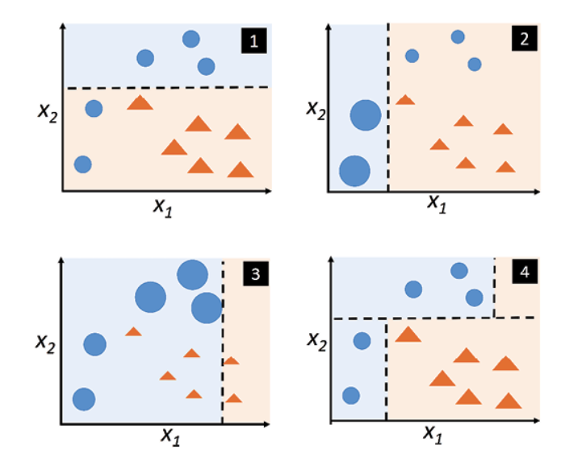 AdaBoost: Practical Introduction With How To Python Tutorial |  Class_Ensemble_Case_Study_Bike_Sharing_Regressions | 
7 | Bagging Regressor | Serves the purpose of implementing the bagging (bootstrap aggregating) ensemble method for regression tasks. It operates by training multiple base regressors on random subsets of the training data, with replacement (bootstrapping), and then averaging their predictions to produce a final prediction. This technique is used to reduce overfitting and improve the stability and accuracy of regression models. The core function of BaggingRegressor involves: Random Subsampling: Creating multiple subsets of the original dataset by randomly sampling with replacement. Base Model Training: Training a separate instance of the specified base regressor (e.g., DecisionTreeRegressor) on each of these subsets. Prediction Aggregation: Averaging the predictions from all the base models to generate the final prediction. | sklearn | sklearn.ensemble.BaggingRegressor() | Doesn't have inherent support for multi-label regression as a built-in objective function Use with MultiOutputRegressor or RegressorChain | N/A | Linear Decision Tree | Parametric or Non-parametric | This method reduces variance by averaging out the predictions of multiple models, making it less prone to overfitting the training data, which is a common issue with individual models, especially complex ones. base_estimator: n_estimators: max_samples: oob: | There is no specific minimum data size, but having enough data to create diverse subsets is crucial. | .fit() | Bagging is less sensitive to noisy data or outliers, as it uses various subsets of the training data for model training. | Handling missing data is crucial as the algorithm, like many others, cannot directly process datasets with NaN values | Multicollinearity, the presence of high correlation between predictor variables, can affect the performance and interpretability of statistical models. While it doesn't violate the assumptions of the Bagging Regressor in scikit-learn, it can still have implications. Since the default base estimator for Bagging Regressor is a decision tree, it's worth noting that tree-based models are generally less sensitive to multicollinearity compared to linear models. Unstable Coefficient Estimates: Multicollinearity inflates the variance of regression coefficients, making them unstable and sensitive to minor changes in the data or model Difficulty in Variable Interpretation: It becomes challenging to determine the individual impact of each predictor on the response variable when predictors are highly correlated. Reduced Statistical Power: Multicollinearity can reduce the statistical power of the analysis, potentially leading to insignificant p-values, even when the variables are genuinely important | N/A | the primary challenge is that the classifier may be biased towards the majority class. This is because, during the bootstrap sampling process, the majority class samples are likely to be over-represented, leading to a model that does not generalize well to the minority class. Can be impacted by imbalanced data, particularly when dealing with imbalanced regression problems. | It's crucial to scale data correctly to avoid data leakage. Since bagging involves sampling with replacement from the original dataset, scaling should occur after the sampling process, not before. Correct Approach: Split Data: Divide your data into training and testing sets. Bootstrap Sampling: Within each bagging iteration, create a bootstrap sample (randomly select data points with replacement) from the training set. Scale Sample: Scale the bootstrap sample using a scaler (e.g., StandardScaler, MinMaxScaler). Train Base Estimator: Train the base estimator (e.g., decision tree) on the scaled bootstrap sample. Repeat: Repeat steps 2-4 for the desired number of bagging iterations. Scale Test Data: Scale the test set using the scaler fitted on the entire training set (before any bagging). Evaluate: Evaluate the bagged model on the scaled test set. | estimator: The base classifier to be used (default is DecisionTreeClassifier). n_estimators: The number of base estimators to train (default is 10). max_samples: The number of samples to draw from the training data for each base estimator (default is 1.0, meaning all samples are used). max_features: The number of features to draw from the training data for each base estimator (default is 1.0, meaning all features are used). bootstrap: Whether to sample with replacement (default is True). random_state: Controls the randomness of the sampling and estimator training. n_jobs: The number of CPU cores to use for parallel training (default is None, meaning 1 core is used). oob_score: This parameter enables out-of-bag (OOB) score estimation. When set to True, the OOB score is calculated, which is an estimate of the model's performance on unseen data. | Finance: Predicting stock prices, forecasting financial risk, and estimating real estate values. Healthcare: Predicting patient outcomes, forecasting hospital resource needs, and modeling disease progression Manufacturing: Predicting equipment failure, optimizing production processes, and forecasting demand Energy: Forecasting energy consumption, predicting renewable energy output, and optimizing energy grid management. The method's ability to handle time-series data and complex relationships is valuable in the energy sector Retail: Predicting sales, optimizing inventory management, and understanding customer behavior Environmental Science: Predicting air and water quality, forecasting weather patterns, and modeling climate change impacts. The method's ability to handle large and complex datasets is crucial in environmental modeling. | Base Estimator Choice: BaggingRegressor works best with base estimators that have high variance and low bias. Decision trees are a common and effective choice because of their inherent high variance No Requirement on Data Distribution: Bagging itself doesn't make strong assumptions about the underlying distribution of your data. The effectiveness of the base estimator might depend on the data, but the bagging process doesn't inherently assume a specific data distribution. Independence of Base Estimators: Ideally, the base estimators should be as independent as possible given the data subsets they are trained on. Errors are Uncorrelated: Bagging assumes that the errors of the base models are uncorrelated, meaning that the models' errors shouldn't systematically align with each other. Aggregation of Predictions: The final prediction is obtained by averaging (or voting for classification) the predictions of all the base estimators. Computational Cost: Training multiple base estimators increases computational cost compared to training a single model. Interpretability: Bagging can decrease the interpretability of the model because it combines predictions from multiple models, making it harder to understand the decision-making process compared to a single, simple model. | Can effectively handle non-linear data by leveraging the power of multiple base estimators. The use of decision trees as base estimators makes it inherently capable of capturing non-linear relationships in the data. | Reduces overfitting: It can reduce the chance of an overfit model, resulting in improved model accuracy on unseen data. Decreases model variance: Multiple models trained on different subsets of data average out their predictions, leading to lower variance than a single model. Improves stability: Changes in the training dataset have less impact on bagged models, making the overall model more stable. Handles high variability: Especially effective for algorithms like decision trees, which tend to have high variance. Parallelizable computation: Each model in the ensemble can be trained independently, allowing for parallel processing and efficient use of computational resources. Ease of Use: Scikit-learn provides a straightforward implementation of BaggingRegressor, making it easy to use and integrate into existing machine learning workflows. Good with noisy data: The averaging process helps in reducing the noise in the final prediction. | Computational Cost: Training multiple models on different subsets of data can be computationally expensive and time-consuming, especially with large datasets or a high number of iterations. Loss of Interpretability: Bagging aggregates predictions from multiple models, making it harder to interpret the individual contributions of features and understand the model's decision-making process. Less Flexible: Bagging works best with unstable algorithms that have high variance. It may not significantly improve performance with stable algorithms or those with high bias. Difficulty in drawing precise business insights: Due to the averaging of predictions, it can be difficult to draw precise business insights from a bagging model compared to a single, more interpretable model. Potential for High Bias: While bagging is primarily designed to reduce variance (overfitting), it doesn't inherently address bias. If the base estimators are inherently biased (e.g., underfit the data), bagging might not significantly improve overall performance and might even worsen the bias. Less Effective with Stable Models: Bagging tends to be more beneficial for unstable models (high variance, low bias) like decision trees because it can reduce their tendency to overfit. | How to Develop a Bagging Ensemble with Python - MachineLearningMastery.com | 
8 | Extra Trees Regressor
9 | Gradient Boosting Regresssor | Purposed for regression tasks, utilizing gradient boosting, an ensemble learning method. It builds an additive model in a forward stage-wise manner, optimizing differentiable loss functions. In each stage, a regression tree is fit on the negative gradient of the loss function, aiming to correct errors made by previous trees. This sequential correction of errors makes the model strong and progressively reduces prediction errors. It's part of the boosting family of algorithms and is suitable for complex regression problems. | sklearn | sklearn.ensemble.GradientBoostingRegressor() | Doesn't have inherent support for multi-label regression as a built-in objective function Use with MultiOutputRegressor or RegressorChain | N/A | Decision Tree | Non-parametric | learning_rate: subsample: max_features: max_depth: min_samples_split: min_samples_leaf: max_leaf_nodes: n_estimators: n_iter_no_change: validation_fraction: The proportion of the training data to set aside as validation for early stopping. l2_regularization: | Gradient boosting generally performs better with larger datasets. It can handle complex relationships in the data, but needs sufficient examples to learn them effectively. It's generally recommended to have at least several hundred samples, but for more complex problems, thousands or tens of thousands of samples are often needed. For datasets with over 10,000 samples, HistGradientBoostingRegressor is generally recommended as a much faster and more efficient alternative. Large Datasets (~1 million rows): For very large datasets, adjusting parameters like min_samples_split and min_samples_leaf to higher values (e.g., around 50 or more) can help prevent overfitting. | .fit() | Squared Error Sensitivity: The default 'squared_error' loss function penalizes larger errors more heavily due to the squaring operation. This means outliers, which have larger residuals (errors), disproportionately influence the model, potentially leading to overfitting and skewed predictions. Boosting Focus: Gradient boosting builds each new tree to correct the errors (residuals) of the previous trees. Outliers with large residuals get more attention, causing the model to prioritize fitting them, possibly at the expense of fitting the rest of the data well. | Does not natively handle missing data. This meant that datasets with NaN values needed preprocessing before being used to train the model. For HistGradientBoostingRegresor (scikit-learn v0.21+), missing values are handled natively during training. The algorithm learns how to direct samples with missing values at each split, sending them to the left or right child node based on which direction maximizes the gain. If no missing values are encountered for a feature during training, samples with missing values in that feature are assigned to the child node with the most samples. | The presence of high correlation between predictor variables, generally does not pose a significant problem for Gradient Boosting Regressors. This is because decision tree-based methods, like Gradient Boosting, inherently handle multicollinearity well. | N/A | GradientBoostingRegressor allows assigning weights to each observation using the sample_weight parameter in the fit method. This approach is preferred over class weights, as it directly influences the learning process for individual samples. When using GradientBoostingRegressor with imbalanced data in Python, it's crucial to consider methods that address the bias towards the majority class. | Scaling can significantly impact the performance of GradientBoostingRegressor. Gradient boosting is sensitive to the scale of input features, and scaling can help to improve its convergence and accuracy. | n_estimators: This specifies the number of trees (estimators) to be built. A higher value typically improves model performance but increases computation time. learning_rate: This is the shrinkage parameter. It scales the contribution of each tree. random_state: It ensures reproducibility of results. Setting a fixed value for random_state ensures that you get the same results every time you run the model. max_features: This parameter limits the number of features each tree can use for splitting. It helps prevent overfitting by limiting the complexity of each tree and promoting diversity in the model. loss: Specifies the loss function to be optimized. Options include 'deviance' (default) for logistic regression and 'exponential' for AdaBoost. max_depth: Limits the maximum depth of each tree, controlling model complexity. Values between 3 and 8 are common min_samples_split: Defines the minimum number of samples required to split an internal node. min_samples_leaf: Specifies the minimum number of samples required in a leaf node. subsample: Determines the fraction of samples used for fitting each tree, introducing randomness and reducing variance. criterion: Defines the function to measure the quality of a split. Options include 'friedman_mse' (default) and 'squared_error'. validation_fraction and n_iter_no_change: Used for early stopping to prevent overfitting. | Finance: Stock price prediction, credit risk assessment, fraud detection Healthcare: Disease diagnosis and prognosis, patient outcome prediction, hospital readmission prediction Retail and marketing: Demand forecassting, customer segmentation, personalized recommendations Energy: Energy consumption forecasting Predicting house prices Predicting customer churn | Differentiable Loss Function: The Gradient Boosting Regressor relies on gradient descent to minimize the loss function. Therefore, the chosen loss function must be differentiable. Weak Learners: Gradient boosting is an ensemble method that combines multiple weak learners, typically decision trees. Additive Model: The algorithm builds the model in an additive manner, sequentially adding new trees to correct the errors of the previous ones. It assumes that the true relationship between features and the target variable can be approximated by this additive process. Continuous Features: Gradient boosting works best with continuous features. No Multicollinearity: While not a strict assumption, high multicollinearity can increase the variance of the estimated parameters and make the model less stable. Homoscedasticity: Gradient Boosting Regressor implicitly assumes homoscedasticity (constant variance of errors). If heteroscedasticity is present (errors vary with the value), alternative loss functions or data transformations might be considered. Independence of Errors: The assumption of independence of errors is generally beneficial for the stability and generalization of the model. Sufficient Data: Gradient boosting models, especially with a large number of trees, can be prone to overfitting if the training data is limited. A sufficient amount of data is needed to train a robust model. Convergence: The algorithm assumes that the iterative process of adding trees will eventually converge to a good solution, minimizing the loss function. The learning rate parameter controls the step size in this process. No Perfect Fit: Gradient boosting aims to reduce bias and variance, but it doesn't assume that a perfect fit to the training data is achievable or desirable. It seeks a balance between model complexity and gener | Well-suited for handling non-linear data due to its ensemble of decision trees. Decision trees inherently model non-linear relationships by recursively partitioning the feature space. | High accuracy: It often outperforms other machine learning algorithms, making it a top choice in data science competitions. It excels at capturing complex relationships within data. Handles mixed data types: Gradient boosting can handle both numerical and categorical data without requiring extensive preprocessing. Feature importance: The algorithm provides insights into which features are most influential in making predictions. Robustness: It is relatively robust to outliers and can handle missing data without imputation. Flexibility: Gradient boosting can be used for both classification and regression problems. It also offers flexibility in terms of hyperparameter tuning and the choice of loss functions. Regularization: Techniques are incorporated to mitigate overfitting. User-friendly implementation: Gradient boosting algorithms are relatively easy to implement. Bias reduction: Boosting algorithms are effective at reducing bias. Faster training on large datasets: Boosting methods reduce the number of data attributes, creating computationally efficient models. Versatility: It can be combined with any machine learning algorithm and works well with multiple data types. | Computational Expense: Training can be slow and memory-intensive, especially with large datasets or deep trees, because trees are built sequentially. Overfitting: It is prone to overfitting if the model is too complex (e.g., too many trees or high learning rate) or not properly regularized. It can also overemphasize outliers. Hyperparameter Tuning: Requires careful tuning of hyperparameters such as learning rate, tree depth, and the number of trees, which can be time-consuming. Interpretability: It is often considered a "black box" model, making it difficult to understand the exact relationships between predictors and the outcome. Sensitivity to Outliers: Due to its attempt to correct errors of predecessors, it can be sensitive to noisy data and outliers. Scaling Limitations: It can be difficult to scale up due to its sequential nature. Potential for Bias: If the data is imbalanced, the model might be biased towards the majority class. Memory Usage: Gradient boosting can be memory-intensive, especially when using deeper and more numerous trees. | A Guide to The Gradient Boosting Algorithm | DataCamp |  Class_Ensemble_Case_Study_Bike_Sharing_Regressions
10 | Histogram Gradient Boosting Regressor | HistGradientBoostingRegressor is a class in the scikit-learn library that implements a gradient boosting algorithm for regression tasks. It is designed to be faster and more efficient than the traditional GradientBoostingRegressor, especially for large datasets with many samples. Instead of sorting the data at each split, HistGradientBoostingRegressor bins the input features into histograms. This significantly reduces the number of split points to consider, leading to faster training times. This approach allows the algorithm to leverage integer-based data structures, making it more memory-efficient and faster, especially for datasets with over 10,000 samples. | sklearn | sklearn.ensemble.HistGradientBoostingRegressor() | Doesn't have inherent support for multi-label regression as a built-in objective function Use with MultiOutputRegressor or RegressorChain | N/A | Decision Tree | Non-parametric | l2_regularization: max_depth: max_leaf_nodes: min_samples_leaf: learning_rate: early_stopping: n_iter_no_change: scoring: | Designed to be efficient for large datasets, especially those with tens of thousands of samples or more. Consider adjusting min_samples_leaf for very small datasets. | .fit() | Target outliers: HistGradientBoostingRegressor is generally sensitive to outliers in the target variable, but this can be addressed by choosing a more robust loss function. Feature outliers: The tree-based nature of the model and its histogram binning make it relatively robust to outliers in the input features. Consider using robust loss functions like Huber or absolute error if you suspect or identify significant outliers in your target variable. | It has built-in support for missing values, which avoids the need for an imputer. | Tree-based models, including gradient boosting algorithms like HistGradientBoostingRegressor, are generally less sensitive to multicollinearity compared to linear models. If causal inference is the goal, consider methods specifically designed to handle multicollinearity. | N/A | Using HistGradientBoostingRegressor() with imbalanced data can pose challenges and impact model performance. Bias towards Majority Class: Insufficient Signal for Minority Class: Suboptimal Performance on Minority Classes: Misleading Evaluation Metrics: | Generally, HistGradientBoostingRegressor does not require feature scaling. | loss: Specifies the loss function to be optimized during training. learning_rate: max_iter: max_depth: min_samples_leaf: l2_regularization: early_stopping: validation_fraction: Specifies the fraction of the training data to be used for early stopping. categorical_features: Allows specifying which features should be treated as categorical, enabling native handling of categorical variables | Time Series Forecasting: Financial Modeling: Its speed and ability to handle large datasets make it suitable for tasks like stock price prediction or building high-frequency trading signals. Real Estate Price Prediction: Well-suited for a wide range of regression problems in various industries where accurate and efficient predictions are required. | In summary, while HistGradientBoostingRegressor doesn't require the strict assumptions of linear models, it's important to understand the model's behavior and the impact of outlier handling based on the chosen loss function. You may also want to be aware of the effects of multicollinearity if feature interpretation is critical. | Powerful tool for modeling non-linear relationships in data | It can handle categorical features natively without needing one-hot encoding, further simplifying data preparation. Speed and Efficiency: Handles Missing Values: Categorical Feature Support: Early Stopping: Monotonic Constraints: Flexibility: | Potential for Overfitting: Interpretability: Slight Loss in Accuracy: May be Slower than XGBoost: While faster than standard Gradient Boosting, XGBoost often demonstrates superior training speed, particularly on larger datasets. | Histogram-Based Gradient Boosting Ensembles in Python - MachineLearningMastery.com | 
11 | Random Forest Regressor | Serves the purpose of performing regression tasks by utilizing an ensemble of decision trees. It is a supervised learning algorithm that predicts continuous values by averaging the predictions of multiple decision trees, each trained on a random subset of the data and features. This approach improves predictive accuracy and controls overfitting. The key steps involved in how it works are: Bootstrap Sampling: Random rows of data are selected with replacement to create different training datasets for each tree. Feature Sampling: Only a random subset of features is used to build each tree, which ensures diversity among the trees. Tree Building: Decision trees are constructed on each of the bootstrapped datasets using the randomly selected features. Prediction Aggregation: For a given input, each tree makes a prediction, and the final prediction is obtained by averaging the predictions of all the trees. | sklearn | sklearn.ensemble.RandomForestRegressor() | The RandomForestRegressor in scikit-learn natively supports multi-output regression, which is closely related to multi-label problems but specifically for continuous target variables. Can use with MultiOutputRegressor or RegressorChain | N/A | Decision Tree | Non-parametric | max_depth: min_samples_split: min_samples_leaf: max_features: Typical values include sqrt(n_features) or log2(n_features). n_estimators: Typical values range from 100 to 1000 or more. Does not have a direct regularization parameter like those found in linear models (e.g., L1 or L2 regularization) | Larger datasets are generally better: Random forests benefit from more data to learn complex relationships and reduce overfitting. If your dataset is too large to fit in memory, you can use a random subset of your data for training (mini-batch training). Random forests may not be the best choice for very small datasets. Simpler models like linear regression might be more appropriate. If memory is an issue, use subsampling techniques. | .fit() | Generally robust to outliers due to its tree-based structure and ensemble nature. Outliers have less impact on the model's overall performance because each decision tree considers only a subset of features and instances. However, extreme outliers or a high proportion of outliers can still affect the model Trimming or pruning trees: Some implementations allow trimming or pruning trees before adding them to the ensemble, which can make them more robust to outliers. Parameter tuning: Adjust hyperparameters like max_depth or min_samples_leaf to control the complexity of the trees and reduce overfitting to outliers. Winsorizing: Replacing extreme values with less extreme ones. | While RandomForestRegressor can handle missing values natively, preprocessing can still lead to better results. | Inherently handles multicollinearity to a significant extent. Multicollinearity, the presence of high correlation between predictor variables, can pose challenges for linear models. However, tree-based models like Random Forests are less susceptible due to their structure and methodology. However, multicollinearity can still impact the interpretability of the model. It can make it difficult to determine the true importance of individual features, as the importance may be split between correlated features. | N/A | offers built-in mechanisms to handle imbalanced datasets. Here's how it addresses the issue: Class weighting: The class_weight parameter allows assigning different weights to classes. Setting it to balanced automatically adjusts weights inversely proportional to class frequencies. This makes the model pay more attention to the minority class during training. | Specifically the scikit-learn implementation, does not inherently require feature scaling. It is based on decision trees, which are not sensitive to the scale of input features. If features are on vastly different scales, it can sometimes make the interpretation of feature importance scores less straightforward. Scaling can help to put all features on a comparable footing. While not directly affecting the model's accuracy, scaling might help optimization algorithms or other preprocessing steps converge faster if they are used in conjunction with the random forest. | n_estimators: Number of trees in the forest. max_depth: Maximum depth of each tree. max_features: Number of features considered for splitting at each node. criterion: Function used to measure split quality (‘gini’ or ‘entropy’). min_samples_split: Minimum samples required to split a node. min_samples_leaf: Minimum samples required to be at a leaf node. bootstrap: Whether to use bootstrap sampling when building trees (True or False). oob_score: When set to True, this parameter enables out-of-bag scoring, which estimates the model's performance using data not seen by individual trees during training. | Finance: Predicting stock prices, assessing credit risk, and detecting fraudulent transactions. Healthcare: Forecasting patient recovery times, identifying risk factors for diseases, and optimizing treatment plans. E-commerce: Estimating customer lifetime value, predicting product demand, and personalizing recommendations. Manufacturing: Predicting equipment failures (predictive maintenance), optimizing production processes, and ensuring quality control. Energy: Forecasting energy consumption, predicting renewable energy output, and optimizing grid management. Environmental Science: Predicting weather patterns, modeling climate change impacts, and forecasting natural disasters. Real Estate: Estimating property values, predicting rental rates, and identifying investment opportunities. Marketing: Predicting campaign performance, optimizing advertising spend, and targeting potential customers. | Independence of observations: Each data point should be independent of the others. This means that the value of one observation does not directly influence the value of another. Independent and identically distributed (i.i.d.) data: Data points are sampled independently from the same distribution. No strong multicollinearity: The algorithm performs best when there isn't a high correlation between features. Multicollinearity can lead to redundancy and reduce the model's efficiency. Non-linearity: The algorithm effectively handles complex, non-linear relationships within the data. Sufficient data: A large amount of data is needed to build diverse trees and achieve optimal performance. Balanced trees: Individual trees grow sufficiently deep to capture underlying patterns in the data. Randomness: Random feature selection and data sampling are crucial for the diversity of trees in the forest. Absence of systematic noise: While Random Forests can handle some noise, it assumes that the noise is randomly distributed and not systematic. Each Tree Makes Independent Decisions: Each tree in the forest makes its predictions independently, without relying on other trees. The final prediction is obtained by averaging the predictions of all trees. Homoscedasticity: While not a strict requirement, the performance of the model can be affected by heteroscedasticity (unequal variance of errors across different levels of the predictor variables). | RandomForestClassifier can model complex, non-linear relationships. | High Accuracy and Robustness: It typically provides high prediction accuracy, often outperforming other algorithms, due to the use of multiple decision trees and ensemble learning techniques. By averaging the predictions of multiple trees, it reduces the impact of individual tree errors and outliers, making it robust to noisy data. Handles Large Datasets with High Dimensionality: It can efficiently handle large datasets with thousands of input variables without needing to delete variables. Manages Missing Data: It can handle missing values effectively without significantly compromising accuracy, using methods like median imputation or proximity-weighted averages. Reduces Overfitting: Combining multiple decision trees reduces the risk of overfitting, a common issue with single decision trees. This is because the model is less likely to memorize noise in the training data. Feature Importance: It provides a measure of feature importance, allowing users to identify which variables are most influential in the model. This can be useful for feature selection and understanding the underlying data relationships. Versatility: It can be used for both classification and regression tasks. It can also handle a mix of numerical and categorical features without requiring extensive preprocessing like one-hot encoding. Non-Parametric Nature: It does not make assumptions about the data distribution, making it suitable for a wide range of datasets. Parallelization: The training process can be easily parallelized, making it efficient for large datasets and complex models. Less Sensitive to Hyperparameter Tuning: Compared to some algorithms like neural networks, it is less sensitive to hyperparameter tuning, making it easier to use and implement. | Complexity and Computational Cost: Training can be computationally expensive and slow, especially with a large number of trees or high-dimensional data. Prediction can also be slower compared to simpler models. Interpretability: Due to the multitude of trees, it's harder to interpret compared to simpler models like linear regression or single decision trees. It acts somewhat like a "black box." Memory Usage: Storing numerous decision trees, especially for large datasets, requires significant memory resources. Overfitting: While Random Forests reduce overfitting compared to single decision trees, they can still overfit, particularly with noisy data or if the number of trees is excessively high. Sensitivity to Imbalanced Data: Performance may degrade if the dataset is highly imbalanced, where one class significantly outnumbers others. Not Suitable for Real-Time Predictions: The complexity can make it unsuitable for real-time prediction tasks, especially with a large number of trees. Bias with Categorical Variables: When dealing with categorical variables having varying numbers of levels, Random Forests can be biased toward those with more levels, potentially leading to unreliable variable importance scores. Potential for Poor Performance: If the relationships between dependent and independent variables are non-linear, it might not perform well. Extrapolation Limitations: Predictions are confined to the range of the training data, hindering the model's ability to extrapolate beyond observed values. It cannot identify trends and extrapolate values outside the training set range. Feature Importance Ambiguity: |  Random Forest Regression in Python | GeeksforGeeks |  Machine_Learning_Pocket_Ref pg208 Dive_into_Data_Science pg129, 134 Class_Ensemble_Case_Study_Bike_Sharing_Regressions
12 | Stacking Regressor | Serves the purpose of combining multiple regression models into a single, more powerful meta-model. It operates by training several base regressors on the full dataset and then training a final meta-regressor on the predictions of these base models. This approach aims to leverage the strengths of different algorithms and potentially achieve higher prediction accuracy than any individual model. The final estimator is trained using cross-validated predictions of the base estimators. | sklearn | sklearn.ensemble.StackingRegressor() | Doesn't have inherent support for multi-label regression as a built-in objective function Use with MultiOutputRegressor or RegressorChain | N/A | Linear Non-Linear Decision Tree | Parametric or Non-parametric The base estimators and meta-model (final estimator) can be either parametric or Non-parametric | Regularization in Base Estimators: The base models within the StackingRegressor can be regularized individually. For instance, if you include a Ridge or Lasso model as a base estimator, you can set their respective regularization parameters (alpha for Ridge and Lasso). Regularization in the Final Estimator: The final_estimator parameter of StackingRegressor allows you to specify the meta-model that combines the predictions of the base models. You can choose a regularized model like RidgeCV, LassoCV or ElasticNetCV as the final_estimator. By default, StackingRegressor uses RidgeCV as its final estimator, which already incorporates a form of regularization through cross-validation. | A case study using a dataset of 100,000 rows and ten features demonstrated significant performance gains with the StackingClassifier (which shares similar principles with StackingRegressor). This suggests that datasets of this magnitude can benefit from stacking techniques. There is no strict minimum data size for using StackingRegressor, but ensure your dataset is large enough to train individual base models effectively. The more data you have, the better performance you can expect from stacking, but also consider the potential increase in computational cost. | .fit() | Depends on models used in stacking | Depends on models used in stacking | Depends on models used in stacking | N/A | Depends on models used in stacking | Depends on models used in stacking | Depends on models used in stacking | Finance: Involves predicting stock prices, forecasting market trends, and assessing credit risk. Healthcare: Used for predicting patient outcomes, diagnosing diseases, and forecasting hospital resource needs Retail: It helps forecast sales, optimize inventory management, and understand customer behavior Manufacturing: It is applied in predictive maintenance, quality control, and process optimization. By combining different models, StackingRegressor can predict equipment failures, optimize production processes, and improve product quality. Energy: Used for forecasting energy consumption, predicting renewable energy output, and optimizing grid management Environmental Science: It can be used for predicting air and water quality, forecasting weather patterns, and modeling climate change impacts Marketing: Used for predicting customer churn, targeting advertising campaigns, and personalizing customer experiences | In essence, StackingRegressor does not impose assumptions on data distribution or underlying relationships like some individual models do. However, its effectiveness relies on the following: Base models are diverse and perform reasonably well. Meta-model is appropriately chosen. Cross-validation is used for meta-model training. | Depends on models used in stacking | Improved Predictive Accuracy: Stacking can achieve higher accuracy than individual models by combining diverse models and leveraging their strengths. Handling Complex Relationships: It can capture intricate relationships in data that might be challenging for individual models. Reduced Overfitting: The meta-model's ability to combine predictions can often lead to reduced overfitting. Flexibility: Stacking can combine diverse types of models, allowing for flexible ensemble designs. Leverages Model Diversity: By combining different types of models, stacking can capture a wide range of patterns in the data. Robustness: Stacking can reduce variance and prevent overfitting, leading to more stable and robust predictions. Can be used with any type of base model: StackingRegressor is not limited to specific types of base models and can be used with any regression model. Ability to optimize the weights of base models: StackingRegressor can learn the optimal weights for each base model, which can lead to further improvements in prediction accuracy. | Depends on the models Different machine learning algorithms may be skilled at solving problems in different ways. If we had multiple algorithms working together to solve a problem, one algorithm’s strengths could potentially mask the other algorithm’s weaknesses and vice versa. This is the idea behind stacking. Computationally expensive Increased Complexity: Reduced Interpretability: Risk of Overfitting: Garbage In, Garbage Out: The performance of the stacked model is highly dependent on the performance of the base models. If the base models are weak or not diverse enough, the stacked model may not show significant improvement. Not Guaranteed to Improve: Stacking is not guaranteed to result in improved performance in all cases and may lead to only minor improvements compared to well-tuned single models. Overkill for Simpler Problems: For simpler problems, the added complexity of stacking might not justify the potential gains in performance. | Stacking Ensemble Machine Learning With Python - MachineLearningMastery.com |  Class_Ensemble_Case_Study_Bike_Sharing_Regressions
13 | Voting Regressor | VotingRegressor is an ensemble meta-estimator in scikit-learn that combines the predictions of multiple regression models to produce a more robust and accurate final prediction. It takes a list of different regression models as input (e.g., Linear Regression, Random Forest Regressor, Gradient Boosting Regressor). Each base regressor is trained on the entire dataset. When making predictions, each base regressor predicts on the input data. The final prediction is obtained by averaging the predictions of all the base regressors. A common practice is to combine models like GradientBoostingRegressor, RandomForestRegressor, and LinearRegression within a VotingRegressor. This allows you to leverage the strengths of each model type for a more comprehensive prediction. | sklearn | sklearn.ensemble.VotingRegressor() | Doesn't have inherent support for multi-label regression as a built-in objective function Use with MultiOutputRegressor or RegressorChain | N/A | Linear Non-Linear Decision Tree | Parametric or Non-parametric | The scikit-learn VotingRegressor itself does not have built-in regularization parameters like alpha that directly control its own regularization strength. Use regularization in the ensemble models | There's no fixed recommended data size. Its performance depends on the individual base regressors it combines and the diversity of those models. | .fit() | The VotingRegressor, by combining predictions from multiple models, can offer some inherent robustness to outliers. However, its effectiveness in this regard is largely determined by the robustness of its constituent models and the degree of outlier influence in the data. | Many base regression models within the VotingRegressor cannot handle missing values directly. | Multicollinearity, while not directly addressed by the VotingRegressor itself, can indirectly impact the performance of the ensemble model by affecting the individual base regressors, especially those sensitive to correlated features, such as linear regression models. | The VotingRegressor in scikit-learn does not have a direct parameter to add an intercept like some individual regressors. However, the intercept is handled by the base estimators you include in the VotingRegressor. | Imbalanced data can still significantly impact its performance, particularly if the base regressors are sensitive to skewed distributions. | It's important to understand that while the VotingRegressor in scikit-learn doesn't intrinsically require data scaling for its operation, the individual base regressors it uses might benefit or even require scaling. | estimators: weights: n_jobs: verbose: | Medical Waste Prediction: Stock Price Prediction: | Diverse Base Models: Combining Predictions (Averaging): While a VotingRegressor doesn't strictly have the same data distribution assumptions as some individual regression models (like linear regression), it's still essential to have a diverse set of well-performing base models for optimal results. | When dealing with non-linear data, VotingRegressor can be effective if the individual regressors within the ensemble are capable of capturing non-linear relationships. | Improved Accuracy: Combining models with different approaches can lead to better overall predictions. Reduced Variance: Averaging predictions helps reduce the variance of the ensemble compared to individual models. Robustness: The combination of models can make the ensemble less sensitive to the characteristics of the dataset. Flexibility: Simplicity: | Computational Cost: Potential for Subpar Performance: May Not Perform Well with High-Dimensional Sparse Data: | Voting Regressor - GeeksforGeeks | 
14 | Elastic Net Regression | Elastic Net regression is a linear regression model that combines L1 (Lasso) and L2 (Ridge) regularization techniques. It addresses the limitations of both methods, particularly in situations with multicollinearity (high correlation between predictor variables) and when the number of predictors exceeds the number of observations. Implements a linear regression model with both L1 (Lasso) and L2 (Ridge) regularization. It aims to minimize the cost function, which is the sum of squared errors plus a penalty term that combines the absolute values and squared values of the coefficients. This combination allows Elastic Net to perform feature selection (like Lasso) and handle multicollinearity (like Ridge) simultaneously. The l1_ratio parameter controls the mixing between L1 and L2 penalties, where 0 corresponds to Ridge regression and 1 corresponds to Lasso regression. Elastic Net addresses the limitations of Ridge and Lasso by combining their penalties. Elastic Net is a go-to regression technique for situations where Ridge and Lasso fall short individually Elastic Net is particularly effective in scenarios such as: Multicollinearity: Elastic Net distributes the penalty more evenly when predictors are highly correlated, unlike Lasso. High-Dimensional Data: With more predictors than observations, Elastic Net can perform robust feature selection while preventing overfitting. | sklearn | sklearn.linear_model.ElasticNet() | Doesn't have inherent support for multi-label regression as a built-in objective function Use with MultiOutputRegressor or RegressorChain MultiTaskElasticNet: Use the MultiTaskElasticNet model, also available in scikit-learn. This model is designed for situations where the target variables are correlated. It uses a mixed L1/L2 norm as a regularizer, encouraging sparsity across all tasks (target variables) while also considering the relationships between them. | N/A | Linear | Parametric | Elastic Net adds a penalty term to the linear regression cost function. This penalty is a combination of the L1 and L2 norms of the coefficients. The balance between L1 and L2 penalties is controlled by a parameter called l1_ratio (also known as rho in some implementations), which ranges from 0 to 1. l1_ratio = 0 means only L2 penalty (Ridge). l1_ratio = 1 means only L1 penalty (Lasso). 0 < l1_ratio < 1 means a mix of both. alpha: controls the overall strength of the regularization | Elastic Net is particularly useful for datasets with a large number of features, especially when some of them are highly correlated. Elastic Net is particularly well-suited for cases where the number of predictors (p) is greater than the number of observations (n). Studies suggest that for accurate inference in regression, especially with high variance in the data, a minimum sample size of 25 or more is recommended. No strict rule for the optimal data size for Elastic Net | .fit() | Elastic Net, a linear regression model combining L1 (Lasso) and L2 (Ridge) regularization, can be affected by outliers. Outliers can disproportionately influence the model's coefficients, potentially leading to a suboptimal fit. However, the L1 regularization component in Elastic Net offers some inherent robustness to outliers due to its feature selection property. | When using ElasticNet() in Python with scikit-learn, missing data needs to be handled before fitting the model. ElasticNet() itself cannot handle missing values (NaNs). | The model effectively addresses multicollinearity. | The intercept is controlled by the fit_intercept parameter. By default, fit_intercept is set to True, which means that the model will calculate an intercept term. If fit_intercept is set to False, the model will not calculate an intercept, and it is assumed that the data is already centered. The intercept is not regularized during the model fitting process. | When using ElasticNet with imbalanced data in Python, it's crucial to consider techniques to handle the imbalance, as ElasticNet, like other linear models, can be biased towards the majority class. | Scaling data is crucial before using ElasticNet() in Python because it ensures that all features contribute equally to the model training process. ElasticNet combines L1 (Lasso) and L2 (Ridge) regularization, which are sensitive to the scale of the features. If features are not scaled, those with larger values might dominate the penalty term, leading to biased coefficient estimates. | alpha: This parameter controls the overall strength of the regularization. A higher alpha leads to stronger regularization, shrinking the coefficients towards zero. When alpha is 0, ElasticNet is equivalent to a linear regression model. l1_ratio: This parameter determines the mixing ratio between L1 and L2 penalties. It ranges from 0 to 1. fit_intercept: A boolean parameter that specifies whether to calculate the intercept for the model max_iter: This parameter defines the maximum number of iterations for the solver to converge. tol: The tolerance for the optimization. Once the updates are smaller than this number, the optimization is considered converged. selection: If set to 'random', a random coefficient is updated every iteration rather than looping over features sequentially. This (setting) often leads to significantly faster convergence especially when tol is higher than 1e-4. precompute: A boolean or array-like parameter that determines whether to use a precomputed Gram matrix to speed up calculations copy_X: A boolean parameter that specifies whether to copy the input data. positive: When set to True, forces the coefficients to be positive. warm_start: When set to True, reuses the solution of the previous call to fit as initialization, otherwise, just erases the previous solution. | Finance: It is employed for risk management, portfolio optimization, and predicting stock prices by handling multicollinearity in financial data. Healthcare: Elastic Net aids in identifying relevant biomarkers for disease prediction and prognosis, as well as in drug discovery and personalized medicine. Bioinformatics: Used for gene selection and predicting gene expression levels Marketing: Elastic Net helps in customer segmentation, predicting customer churn, and optimizing marketing campaigns by identifying key factors influencing customer behavior. Manufacturing: It assists in quality control and predictive maintenance Environmental Science: Predict environmental phenomena such as air and water quality, and climate change impacts Retail: It helps in demand forecasting, inventory management, and optimizing pricing strategies. Energy: Elastic Net is used for predicting energy consumption and optimizing energy production and distribution. Data Science and Machine Learning: It is a fundamental tool for feature selection, regularization, and building predictive models in various applications with high-dimensional data. | Linearity: The relationship between the independent variables and the dependent variable is assumed to be linear Independence of Errors: The errors (residuals) of the model are assumed to be independent of each other Homoscedasticity: The variance of the errors is assumed to be constant across all levels of the independent variables. Normality of Errors: The errors are assumed to be normally distributed. This assumption is less critical for large sample sizes due to the central limit theorem but can be important for smaller datasets. Multicollinearity: Elastic Net is particularly useful when dealing with multicollinearity, a situation where independent variables are highly correlated. While it doesn't strictly assume the absence of multicollinearity, it is designed to handle it effectively by combining the penalties of Ridge and Lasso regression. | It does not inherently model nonlinear relationships. However, it can be adapted to handle nonlinear data through feature engineering or by using kernel methods. One approach to model nonlinear relationships with ElasticNet is to introduce nonlinear features. This involves creating new input features that are transformations of the original features. For example, polynomial features or interaction terms Another approach is to use kernel methods, which implicitly map the data into a higher-dimensional space where the relationships may be linear. Kernel ElasticNet is not directly available in scikit-learn, but it can be implemented using the sklearn.kernel_ridge.KernelRidge class with a linear kernel and then adding the L1 regularization term to the loss function. However, this approach is more complex and less common. | Handles multicollinearity: Feature selection: Balances bias and variance: More stable than Lasso: Suitable for high-dimensional data: | Complexity in tuning: Computational cost: Less straightforward interpretation: Not guaranteed to outperform Lasso or Ridge: Requires careful tuning: Potential for overfitting: May not be suitable for all datasets: In cases where multicollinearity is not a major issue, or feature selection is not desired, simpler models like Ridge or OLS might be more appropriate |   Elastic Net Made Simple & How To Tutorial |  ISLP pg274
15 | Elastic Net CV Regression | Used for linear regression with combined L1 and L2 regularization, with built-in cross-validation to find the optimal regularization parameters. It is similar to ElasticNet, but automates the process of selecting the best alpha (regularization strength) and l1_ratio (mixing parameter between L1 and L2 penalties) through cross-validation. The purpose of ElasticNetCV is to find the best linear model that balances between minimizing the residual sum of squares and penalizing large coefficients, while automatically handling the selection of optimal regularization parameters. This makes it a robust and convenient tool for linear regression tasks, especially when dealing with multicollinearity or high-dimensional data. | sklearn | sklearn.linear_model.ElasticNetCV() | Doesn't have inherent support for multi-label regression as a built-in objective function Use with MultiOutputRegressor or RegressorChain | N/A | Linear | Parametric | The ElasticNetCV class performs cross-validation to find the optimal values for alpha and l1_ratio. l1_ratio = 0 means only L2 penalty (Ridge). l1_ratio = 1 means only L1 penalty (Lasso). 0 < l1_ratio < 1 means a mix of both. alpha: controls the overall strength of the regularization | Generally, as the number of features increases, you need more data points. A common rule of thumb is to have at least 10 observations per variable in regression analysis. Avoid extremely small datasets More data is generally better, but always consider the balance between data size, model complexity, and computational resources | .fit() | ElasticNetCV() is not inherently outlier-resistant, although its L1 component makes it more robust than models solely relying on L2 regularization. Addressing outliers before model training is crucial for better model performance and stability. Consider combining ElasticNetCV() with preprocessing or robust regression techniques if your data contains significant outliers. | Handling missing data when using ElasticNetCV() in Python requires addressing the missing values before fitting the model. ElasticNetCV() from scikit-learn, like most machine learning algorithms, cannot handle missing data directly. | The model effectively addresses multicollinearity. | The intercept is controlled by the fit_intercept parameter. By default, fit_intercept is set to True, which means that the model will calculate an intercept term. If fit_intercept is set to False, the model will not calculate an intercept, and it is assumed that the data is already centered. The intercept is not regularized during the model fitting process. | When using ElasticNetCV with imbalanced data in Python, it's crucial to consider techniques to handle the imbalance, as ElasticNet, like other linear models, can be biased towards the majority class. | Scaling data is crucial before using ElasticNetCV() in Python because it ensures that all features contribute equally to the model training process. ElasticNet combines L1 (Lasso) and L2 (Ridge) regularization, which are sensitive to the scale of the features. If features are not scaled, those with larger values might dominate the penalty term, leading to biased coefficient estimates. | alpha: This parameter controls the overall strength of the regularization. It specifies the list of alpha values to try. Alpha controls the strength of regularization. If None, the class will automatically generate its own alpha values. cv: It determines the cross-validation splitting strategy. It can be an integer (number of folds), a cross-validation object, or an iterable. l1_ratio: This parameter determines the mixing ratio between L1 and L2 penalties. It ranges from 0 to 1. fit_intercept: A boolean parameter that specifies whether to calculate the intercept for the model max_iter: This parameter defines the maximum number of iterations for the solver to converge. tol: The tolerance for the optimization. Once the updates are smaller than this number, the optimization is considered converged. eps: Length of the path. eps=1e-3 means that alpha_min / alpha_max = 1e-3. n_alphas: Number of alphas along the regularization path positive: When set to True, forces the coefficients to be positive. warm_start: When set to True, reuses the solution of the previous call to fit as initialization, otherwise, just erases the previous solution. | Finance: It is employed for risk management, portfolio optimization, volatility forecasting, and predicting stock prices by handling multicollinearity in financial data. Healthcare: Elastic Net aids in identifying relevant biomarkers for disease prediction and prognosis, as well as in drug discovery and personalized medicine. Bioinformatics: Used for gene selection and predicting gene expression levels Marketing: Elastic Net helps in customer segmentation, predicting customer churn, and optimizing marketing campaigns by identifying key factors influencing customer behavior. Manufacturing: It assists in quality control and predictive maintenance Environmental Science: Predict environmental phenomena such as air and water quality, and climate change impacts Retail: It helps in demand forecasting, inventory management, and optimizing pricing strategies. Energy: Elastic Net is used for predicting energy consumption and optimizing energy production and distribution. Data Science and Machine Learning: It is a fundamental tool for feature selection, regularization, and building predictive models in various applications with high-dimensional data. Agriculture: Elastic Net can be used to predict crop yields by analyzing correlated weather, soil, and management practices | Linearity: The relationship between the independent variables and the dependent variable is assumed to be linear Independence of Errors: The errors (residuals) of the model are assumed to be independent of each other Homoscedasticity: The variance of the errors is assumed to be constant across all levels of the independent variables. Normality of Errors: The errors are assumed to be normally distributed. This assumption is less critical for large sample sizes due to the central limit theorem but can be important for smaller datasets. Multicollinearity: Elastic Net is particularly useful when dealing with multicollinearity, a situation where independent variables are highly correlated. While it doesn't strictly assume the absence of multicollinearity, it is designed to handle it effectively by combining the penalties of Ridge and Lasso regression. Data Suitability: Elastic Net assumes the data is suitable for linear regression, which may not be true for all datasets, especially those with non-linear relationships or more features than samples | It does not inherently model nonlinear relationships. However, it can be adapted to handle nonlinear data through feature engineering or by using kernel methods. One approach to model nonlinear relationships with ElasticNet is to introduce nonlinear features. This involves creating new input features that are transformations of the original features. For example, polynomial features or interaction terms Another approach is to use kernel methods, which implicitly map the data into a higher-dimensional space where the relationships may be linear. Kernel ElasticNet is not directly available in scikit-learn, but it can be implemented using the sklearn.kernel_ridge.KernelRidge class with a linear kernel and then adding the L1 regularization term to the loss function. However, this approach is more complex and less common. | Cross-validation for Optimal Parameters: ElasticNetCV automates the process of finding the best hyperparameters (alpha and l1_ratio) for your model using cross-validation. Reduced Manual Effort: Instead of manually trying different hyperparameter combinations, ElasticNetCV efficiently searches for the optimal values, saving time and effort. Improved Model Performance: Cross-validation helps to select hyperparameters that generalize well to unseen data, potentially leading to a model with better predictive accuracy. Efficient Parameter Search: ElasticNetCV computes the regularization path for different alpha values using an efficient algorithm, allowing it to quickly evaluate the model's performance for various regularization strengths. Finding the Best Regularization Strength: By evaluating the model's performance across the regularization path, ElasticNetCV can identify the optimal alpha value that balances model complexity and prediction accuracy. Convenience and Ease of Use: Handling Multicollinearity: Directly Usable Model: Once ElasticNetCV completes the cross-validation process, it automatically fits the model on the entire training set using the best-found hyperparameters, making the resulting model ready for prediction | Complexity in tuning: Computational cost: Less straightforward interpretation: Not guaranteed to outperform Lasso or Ridge: Requires careful tuning: Potential for overfitting: May not be suitable for all datasets: In cases where multicollinearity is not a major issue, or feature selection is not desired, simpler models like Ridge or OLS might be more appropriate Saturating with many variables: When the number of predictors is very high, the model can include all predictors until a saturation point, which may not be ideal for feature selection. Handling Multicollinearity: While Elastic Net addresses some multicollinearity issues better than Lasso by not arbitrarily dropping one of the correlated features, it may still struggle with severe multicollinearity. | Linear regression with elastic net: implementation in Python | ISLP pg277
16 | Lasso Linear Model (L1) | Implements Lasso Regression, a linear model that incorporates L1 regularization. Its primary purpose is to estimate sparse coefficients, effectively performing feature selection by shrinking the coefficients of less important features to zero. This makes it particularly useful when dealing with datasets with a large number of features, some of which may be irrelevant. Lasso helps in building simpler, more interpretable models and can improve prediction accuracy by reducing overfitting. It achieves this by adding a penalty term to the ordinary least squares cost function, based on the absolute values of the coefficients. Lasso regression, short for Least Absolute Shrinkage and Selection Operator, is a linear regression technique used for models with multiple variables. | sklearn | sklearn.linear_model.Lasso() | Doesn't have inherent support for multi-label regression as a built-in objective function Use MultiTaskLasso instead | N/A | Linear | Parametric | alpha=1.0 controlling regularization strength tol=0.0001 The tolerance for the optimization | Larger datasets tend to produce more robust and reliable models. Lasso is particularly useful when dealing with high-dimensional data where many features might be irrelevant. It is advisable to have a dataset with more samples than features | .fit() | Lasso is considered more robust to outliers because it applies L1 regularization, which penalizes the absolute values of the coefficients. This can shrink the coefficients of less important features to zero, effectively removing their influence on the model, even if they are associated with outliers. Outlier removal: Identify and remove or adjust extreme values using methods like the Z-score or IQR. Robust scaling: Use RobustScaler from scikit-learn to scale data, which is less sensitive to outliers than standard scaling. | Missing data needs to be addressed before fitting the model. Lasso() cannot handle missing values (NaNs) directly and will result in an error | Lasso regression, utilizing L1 regularization, addresses multicollinearity by shrinking the coefficients of less important features to zero, effectively performing feature selection. While Lasso can handle some degree of multicollinearity, severe cases may lead to arbitrary dropping of correlated features. It is recommended to assess multicollinearity using Variance Inflation Factor (VIF) or correlation matrices before applying Lasso. A VIF greater than 5 or 10 typically indicates significant multicollinearity. If multicollinearity is detected, strategies include: Removing highly correlated variables, Combining them, and Using dimensionality reduction techniques like Principal Component Analysis (PCA). | Lasso regression, by default, includes an intercept term in its model. The inclusion of the intercept can be controlled using the fit_intercept parameter in the Lasso class from the scikit-learn library. By default, fit_intercept is set to True, which means that the intercept will be calculated. | When dealing with imbalanced data in the context of Lasso regression, it's crucial to consider that Lasso, by itself, doesn't inherently handle class imbalance. If one class significantly outweighs others, the model might be biased towards the majority class | Scaling data is crucial before applying Lasso regression because Lasso penalizes the absolute value of the coefficients. If features are on different scales, those with larger scales might be penalized more heavily, skewing the results. Scaling ensures all features contribute equally to the regularization process, leading to a more accurate and reliable model. | alpha: This parameter controls the overall strength of the regularization. It specifies the list of alpha values to try. Alpha controls the strength of regularization. If None, the class will automatically generate its own alpha values. fit_intercept: A boolean parameter that specifies whether to calculate the intercept for the model copy_X: A boolean value determining whether the input data matrix X should be copied max_iter: This parameter defines the maximum number of iterations for the solver to converge. tol: The tolerance for the optimization. Once the updates are smaller than this number, the optimization is considered converged. positive: When set to True, forces the coefficients to be positive. warm_start: When set to True, reuses the solution of the previous call to fit as initialization, otherwise, just erases the previous solution. selection: This parameter determines how coefficients are updated during the optimization process. It can be set to 'cyclic' to loop through features sequentially or 'random' to update them randomly. 'random' can be more efficient for large datasets. | Finance: It can be used for predicting stock prices, assessing credit risk, and detecting fraud by identifying key financial indicators from a large set of potential factors. Economics: Lasso regression helps in forecasting economic trends and analyzing the impact of different variables on economic outcomes, such as corporate bankruptcy prediction. Bioinformatics: In genomics and proteomics, it is used to identify relevant genes or proteins associated with diseases, aiding in drug discovery and personalized medicine. Marketing: Lasso regression assists in customer segmentation, predicting consumer behavior, and optimizing marketing campaigns by selecting the most influential factors. Retail: It can be applied to sales forecasting, inventory management, and understanding factors influencing product sales, such as store location and promotions. Manufacturing: Lasso regression helps in quality control, predictive maintenance, and process optimization by identifying critical parameters affecting production outcomes. Environmental Science: It is used for modeling and predicting environmental phenomena, such as air and water quality, by selecting relevant environmental variables. | Feature Scaling: Lasso is sensitive to the scale of predictor variables. It's crucial to standardize or normalize features Handling Multicollinearity: Consider alternative methods like Elastic Net if severe multicollinearity exists. Linearity: The relationship between the independent variables and the dependent variable is assumed to be linear Independence of Errors: The errors (residuals) of the model are assumed to be independent of each other Homoscedasticity: The variance of the errors is assumed to be constant across all levels of the independent variables. Standardized Features: Lasso regression is sensitive to the scale of the features. Therefore, it is generally assumed that the features are standardized or normalized before applying Lasso. This ensures that no single feature dominates the penalty term due to its scale. Irrepresentable Condition: For the Lasso to perform effective feature selection and produce sparse solutions, it is assumed that the non-zero predictors are not too correlated with the zero predictors. In simpler terms, the important variables should not be highly correlated with the unimportant ones. | Can be adapted for nonlinear regression problems. It achieves this by incorporating basis functions or feature engineering to transform the input data, allowing the linear model to capture nonlinear relationships. | High-Dimensional Data: Lasso excels when dealing with high-dimensional data, where the number of features is larger than the number of observations. Sparsity: Lasso promotes sparsity by shrinking the coefficients of less important variables to zero, effectively eliminating them from the model. Interpretability: By reducing the number of predictors, Lasso enhances model interpretability, making it easier to understand the relationships between variables. Feature Selection: Lasso's inherent feature selection capability makes it ideal when dealing with a large number of potential predictors, including irrelevant or redundant ones. Regularization: By adding an L1 penalty to the loss function, Lasso helps to prevent overfitting, especially in high-dimensional datasets. Handles multicollinearity: Lasso can mitigate the effects of multicollinearity, where independent variables are highly correlated. Computational efficiency: Lasso is computationally efficient and can handle a large number of features, making it suitable for high-dimensional datasets. Improved model performance: By focusing on the most significant predictors, Lasso can improve the model's performance and generalization ability. Simplicity: Lasso yields simpler models that are easier to understand and explain, which is valuable in fields like healthcare and finance. | Variable Selection Bias: In the presence of highly correlated features, Lasso tends to arbitrarily select only one feature from the group, potentially ignoring other relevant variables. This can lead to a biased and unstable model. Sensitivity to Scale: Lasso is sensitive to the scale of features. Features with larger scales can disproportionately influence the regularization process, affecting the model's accuracy. Impact of Outliers: Outliers in the data can significantly impact Lasso regression, leading to overfitting of the coefficients. Model Instability: When dealing with many correlated variables, Lasso can be unstable, selecting different features with small changes in the data. Limited Number of Selected Features: In datasets where the number of features (p) exceeds the number of data points (n), Lasso can select at most n variables. Tuning Parameter Selection: Choosing the optimal value for the regularization parameter (alpha or lambda) can be challenging and often requires cross-validation. Bias-Variance Tradeoff: While Lasso reduces variance by shrinking coefficients, it can introduce bias if important predictors are mistakenly set to zero. Assumption of Linearity: Lasso assumes a linear relationship between the independent and dependent variables. If this assumption is violated, the model's performance may be compromised. Not Suitable for All Situations: Lasso might not be the best choice for datasets with complex relationships or when all features are important. In such cases, Ridge regression or Elastic Net might be more appropriate. Random Selection: The variable selection process in Lasso can sometimes be random, especially with correlated predictors. This can lead to inconsistent results and may not align with domain knowledge. | How to Develop LASSO Regression Models in Python - MachineLearningMastery.com |  HypertuningWk1_Ridge_Lasso_Regression
17 | Lasso Lars CV (L1) | Used for fitting a linear model with L1 regularization (Lasso) using the Least Angle Regression (LARS) algorithm to compute the Lasso path and cross-validation to select the optimal regularization parameter. It efficiently computes the solution path for various alpha values and chooses the best one based on cross-validation performance. This is particularly useful when dealing with multicollinearity or when the number of features is large compared to the number of samples. However, for high-dimensional datasets with many collinear regressors, LassoCV might be preferred, while LassoLarsCV can be faster if the number of samples is very small compared to the number of observations. | sklearn | sklearn.linear_model.LassoLarsCV() | Doesn't have inherent support for multi-label regression as a built-in objective function Use with MultiOutputRegressor or RegressorChain | N/A | Linear | Parametric | cv: for the number of cross-validation folds eps: for the length of the path. The LassoLarsCV() function automatically selects an optimal alpha value through cross-validation. It is a type of linear regression that uses L1 regularization to shrink the coefficients of less important features to zero, effectively performing feature selection and preventing overfitting. | When n_samples is very small compared to n_features: LassoLarsCV is generally more efficient than LassoCV. This is because the Lars algorithm, which LassoLarsCV is based on, finds the relevant alpha values automatically and efficiently computes the full regularization path. When n_features is very large and you expect only a small number of features to be selected: LassoLarsCV is efficient because of the nature of the Lars algorithm, which is particularly good at finding sparse solutions (solutions with many zero coefficients). LassoLarsCV can be more fragile compared to LassoCV. If your dataset has highly correlated features, you might need to be cautious. In summary, LassoLarsCV is well-suited for datasets where the number of samples is small compared to features, and you expect a sparse solution. | .fit() | Can be sensitive to outliers L1 Regularization and Sparsity: LassoLars uses L1 regularization, which encourages sparsity in the model by driving some coefficients to exactly zero. This can make the model more interpretable and less prone to overfitting. Sensitivity to Extreme Values: While L1 regularization provides a degree of robustness against irrelevant features, it's still sensitive to the magnitude of outliers. Outliers can disproportionately influence the model, as they are large errors and Lasso tries to reduce all the errors. Coefficient Shrinkage: LassoLars penalizes the absolute values of the coefficients. Outliers can lead to some coefficients being shrunk more aggressively than they should be, potentially impacting the model's accuracy on the non-outlier data Outlier removal: Identify and remove or adjust extreme values using methods like the Z-score or IQR. Robust scaling: Use RobustScaler from scikit-learn to scale data, which is less sensitive to outliers than standard scaling. | Missing data needs to be addressed before fitting the model. LassoLarsCV() cannot handle missing values (NaNs) directly and will result in an error | Lasso regression, utilizing L1 regularization, addresses multicollinearity by shrinking the coefficients of less important features to zero, effectively performing feature selection. While Lasso can handle some degree of multicollinearity, severe cases may lead to arbitrary dropping of correlated features. It is recommended to assess multicollinearity using Variance Inflation Factor (VIF) or correlation matrices before applying Lasso. A VIF greater than 5 or 10 typically indicates significant multicollinearity. If multicollinearity is detected, strategies include: Removing highly correlated variables, Combining them, and Using dimensionality reduction techniques like Principal Component Analysis (PCA). | Lasso regression, by default, includes an intercept term in its model. The inclusion of the intercept can be controlled using the fit_intercept parameter in the Lasso class from the scikit-learn library. By default, fit_intercept is set to True, which means that the intercept will be calculated. | When dealing with imbalanced data in the context of Lasso regression, it's crucial to consider that Lasso, by itself, doesn't inherently handle class imbalance. If one class significantly outweighs others, the model might be biased towards the majority class Bias towards the majority class: Misleading evaluation metrics: Potential for overfitting: | Scaling data is crucial before applying Lasso regression because Lasso penalizes the absolute value of the coefficients. If features are on different scales, those with larger scales might be penalized more heavily, skewing the results. Scaling ensures all features contribute equally to the regularization process, leading to a more accurate and reliable model. | cv: This parameter controls the cross-validation strategy fit_intercept: A boolean parameter that specifies whether to calculate the intercept for the model n_alphas: An integer specifying the number of alpha values to try during cross-validation. eps: This parameter is the tolerance for the stopping condition of the Lars algorithm. It determines how close to the optimal solution the algorithm needs to get before stopping. precompute: Can be set to True to use a precomputed Gram matrix to speed up calculations. Set to False to not precompute, which can save memory. It can also take 'auto', which will decide automatically. positive: When set to True, forces the coefficients to be positive. copy_X: A boolean value determining whether the input data matrix X should be copied verbose: Controls the verbosity of the output during the fitting process. An integer value will specify the level of verbosity. normalize: This boolean parameter controls whether the regressors are normalized before regression. | Finance: It can be used for predicting stock prices, assessing credit risk, and detecting fraud by identifying key financial indicators from a large set of potential factors. Economics: Lasso regression helps in forecasting economic trends and analyzing the impact of different variables on economic outcomes, such as corporate bankruptcy prediction. Bioinformatics: In genomics and proteomics, it is used to identify relevant genes or proteins associated with diseases, aiding in drug discovery and personalized medicine. Marketing: Lasso regression assists in customer segmentation, predicting consumer behavior, and optimizing marketing campaigns by selecting the most influential factors. Retail: It can be applied to sales forecasting, inventory management, and understanding factors influencing product sales, such as store location and promotions. Manufacturing: Lasso regression helps in quality control, predictive maintenance, and process optimization by identifying critical parameters affecting production outcomes. Environmental Science: It is used for modeling and predicting environmental phenomena, such as air and water quality, by selecting relevant environmental variables. | Feature Scaling: Lasso is sensitive to the scale of predictor variables. It's crucial to standardize or normalize features Handling Multicollinearity: Consider alternative methods like Elastic Net if severe multicollinearity exists. Linearity: The relationship between the independent variables and the dependent variable is assumed to be linear Independence of Errors: The errors (residuals) of the model are assumed to be independent of each other Homoscedasticity: The variance of the errors is assumed to be constant across all levels of the independent variables. Standardized Features: Lasso regression is sensitive to the scale of the features. Therefore, it is generally assumed that the features are standardized or normalized before applying Lasso. This ensures that no single feature dominates the penalty term due to its scale. Irrepresentable Condition: For the Lasso to perform effective feature selection and produce sparse solutions, it is assumed that the non-zero predictors are not too correlated with the zero predictors. In simpler terms, the important variables should not be highly correlated with the unimportant ones. | Can be adapted for nonlinear regression problems. It achieves this by incorporating basis functions or feature engineering to transform the input data, allowing the linear model to capture nonlinear relationships. One approach involves transforming the input features to create new, nonlinear features. For instance, polynomial features can be added to the model. | Automatic Alpha Selection: The built-in cross-validation automatically determines the optimal regularization strength, simplifying the model building process. Feature Selection: Lasso's inherent feature selection capability makes it ideal when dealing with a large number of potential predictors, including irrelevant or redundant ones. Handles multicollinearity: Lasso can mitigate the effects of multicollinearity, where independent variables are highly correlated. Efficient Path Following: The underlying LARS (Least Angle Regression) algorithm efficiently computes the solution path for all possible values of the regularization parameter alpha. Cross-validation for Optimal Alpha: LassoLarsCV incorporates cross-validation to automatically determine the optimal value of the alpha parameter, which controls the strength of regularization High-Dimensional Data: Lasso excels when dealing with high-dimensional data, where the number of features is larger than the number of observations. Sparsity: Lasso promotes sparsity by shrinking the coefficients of less important variables to zero, effectively eliminating them from the model. Regularization: By adding an L1 penalty to the loss function, Lasso helps to prevent overfitting, especially in high-dimensional datasets. Improved model performance: By focusing on the most significant predictors, Lasso can improve the model's performance and generalization ability. | Sensitivity to Multicollinearity: May Not Converge to OLS Solution: LassoLarsCV utilizes the Least Angle Regression (LARS) algorithm. Under certain conditions, particularly when a sparse solution is not expected, the LARS algorithm might not converge to the ordinary least squares (OLS) solution, even for small alpha values. This means LassoLarsCV is most effective when a sparse solution (many coefficients equal to zero) is expected. Path Computation: While LARS is generally efficient, computing the full regularization path can become computationally expensive, especially with a large number of features or samples. Coordinate descent-based Lasso methods, like LassoCV, might be faster for high-dimensional data when the number of grid points for alpha is smaller than the number of kinks in the LARS path. Outlier Sensitivity (Less than Ridge, but still present): Feature Selection: While feature selection is often a benefit, Lasso's tendency to aggressively shrink coefficients can sometimes make it difficult to fully interpret the relationships between all the original features and the target variable. | Understanding LARS Lasso Regression | GeeksforGeeks | HypertuningWk1_Ridge_Lasso_Regression
18 | Linear Regression | Implements ordinary least squares linear regression. It serves to model the relationship between one or more independent variables and a continuous dependent variable by fitting a linear equation to observed data. The goal is to find the line that minimizes the sum of the squared differences between the predicted values and the actual values. This model can then be used to predict new values based on the learned relationship. | sklearn | sklearn.linear_model.LinearRegression() | Doesn't have inherent support for multi-label regression as a built-in objective function Use with MultiOutputRegressor or RegressorChain | N/A | Linear | Parametric | It doesn't directly include regularization parameters like Ridge or Lasso regression To apply regularization techniques like L1 (Lasso) or L2 (Ridge) regularization, you should use the dedicated classes provided by scikit-learn: Ridge, Lasso, ElasticNet | A common guideline suggests having at least 10 times more data points than the number of features in your dataset. For very large datasets that don't fit into memory, consider using algorithms that support partial_fit(), allowing you to train your model in batches. | .fit() | Outliers can significantly impact linear regression results, potentially skewing the model and leading to inaccurate predictions. Identify by residual analysis, Cook's distance, leverage, IQR Handle by removal, transformation, robust regression, winsorizing | The function does not handle NaN values directly and will return an error if they are present in the input data. | Multicollinearity occurs in linear regression when two or more predictor variables are highly correlated, making it difficult to isolate the individual effect of each predictor on the response variable. It inflates the standard errors of regression coefficients, leading to unstable and unreliable estimates. | The intercept is controlled by the fit_intercept parameter. By default, fit_intercept is set to True, which means that the model will calculate an intercept term. If fit_intercept is set to False, the model will not calculate an intercept, and it is assumed that the data is already centered. The intercept is not regularized during the model fitting process. | The model's performance can be significantly affected, leading to biased and inaccurate predictions. | While scaling isn't strictly required when solving linear regression analytically using the normal equation, it can aid in interpreting the coefficients. Scaled coefficients provide a clearer reflection of each feature's relative importance. | fit_intercept: A boolean parameter that specifies whether to calculate the intercept for the model positive: When set to True, forces the coefficients to be positive. copy_X: A boolean value determining whether the input data matrix X should be copied n_jobs: Specifies the number of parallel jobs to use for computation. | Finance: Predicting stock prices, analyzing market trends, assessing risk, and forecasting financial performance. Sales and Marketing: Forecasting sales, evaluating marketing campaign effectiveness, and understanding customer behavior. Real Estate: Predicting property values based on location, size, and other factors. Healthcare: Analyzing relationships between patient characteristics and treatment outcomes. Manufacturing: Optimizing production processes and predicting product quality. Science and Engineering: Analyzing experimental data and modeling physical phenomena. Sports: Predicting game outcomes and player performance. Aviation: Predicting flight times and airfare prices. Insurance: Estimating credit health of policy holders and predicting the number of claims. | Linearity: A linear relationship exists between the independent and dependent variables. Independence of Errors: Residuals (the differences between observed and predicted values) are independent of each other. Homoscedasticity: The variance of the residuals is constant across all levels of the independent variable. Normality of Residuals: The residuals are normally distributed. No Multicollinearity: In multiple regression, the independent variables are not highly correlated with each other. | Nonlinear relationships can be addressed using alternative methods in Python. Here's how: Polynomial Regression: Transform the input features by adding polynomial terms (e.g., x2, x3, etc.). Use numpy.polyfit to fit a polynomial curve to the data. For more control and flexibility, consider sklearn.preprocessing.PolynomialFeatures to generate polynomial features, followed by sklearn.linear_model.LinearRegression. | Simplicity and Interpretability: Computational Efficiency: Linear regression is computationally efficient, even with large datasets, making it suitable for quick analysis and prototyping. Predictive Ability: Foundation for Other Models: Linear regression serves as a building block for more advanced techniques like logistic regression and neural networks. Versatility: It can be applied to various types of data and for different purposes, making it a versatile tool in data analysis. Feature Selection: Linear regression can help identify important features by examining the coefficients of the model. Larger coefficients indicate a stronger influence on the dependent variable. Error Detection: It can be used to identify potential errors in a dataset by spotting outliers or unexpected values. Handling of Continuous Variables: Basis for Comparison: It serves as a good baseline model to compare against more complex models. If more advanced models do not significantly outperform linear regression, their added complexity may not be justified. Constant Term: A constant term (y-intercept) can easily be added to the model, allowing it to fit data that does not necessarily pass through the origin. Efficiency in Calculation: Ridge regression, a variant of linear regression, can be computed very efficiently, with minimal additional cost compared to standard linear regression. | Linearity Assumption: Sensitivity to Outliers: Multicollinearity Issues: Homoscedasticity Assumption: Independence Assumption: Not Suitable for Classification: Overfitting and Underfitting: Limited Feature Importance Determination: Inefficient Estimates with Heteroscedasticity: Assumption-heavy: Prone to noise: Limited use due to several assumptions: Over-simplification: Time dependency issues: Regression assumes that the dependent variable should be independent of time. In most cases, while forecasting, time series data is used, which is highly dependent on time. Therefore, regression will lead to low reliability and high inconsistency in the forecasts. | P05 The Regression Pipeline - Training and Testing Ans | PDF | Teaching Methods & Materials |  ddp 165-168 HypertuningWk1_Ridge_Lasso_Regression
19 | Multi Task Lasso (L1) | Used for performing multi-task linear regression with L1 regularization. It is designed to solve multiple regression problems simultaneously, enforcing the selected features to be the same across all tasks. It fits multiple regression models jointly, assuming that the relevant features are shared across all tasks. It uses L1 regularization (also known as Lasso regularization) to perform feature selection, driving less important features to have coefficients equal to zero. It minimizes a cost function that includes the sum of squared errors for all tasks, plus a penalty term based on the L1 norm of the coefficient matrix. The L1 penalty promotes sparsity in the coefficient matrix, meaning many coefficients will be zero, effectively selecting the most relevant features. Situations where you have multiple related regression tasks and want to enforce that the selected features are the same across all tasks. Multitask Lasso regression is often used in multi-output or multi-task learning scenarios, where the goal is to predict multiple related target variables at once. Examples include predicting multiple time series simultaneously, or predicting different outcomes for the same set of inputs. | sklearn | sklearn.linear_model.MultiTaskLasso() | Designed for multi-task regression, where multiple regression problems are solved simultaneously, | N/A | Linear | Parametric | alpha=1.0 controlling regularization strength tol=0.0001 The tolerance for the optimization | General guidelines for regression problems suggest that a minimum of 100 samples is often needed to get meaningful results. no hard-and-fast rule for the exact number of samples needed | .fit() | In summary, while MultiTaskLasso might offer some resilience to outliers due to its L1 regularization, it's not entirely immune. The presence of significant outliers can still lead to inaccuracies in coefficient estimation and potentially impact the feature selection process. | Missing data can have a significant impact on the performance | While MultiTaskLasso can perform feature selection, multicollinearity can still impact its performance and the interpretation of the model. Addressing multicollinearity through techniques like variable selection, regularization tuning, or using alternative methods like MultiTaskElasticNet or PCA can improve the model's stability and interpretability. | The MultiTaskLasso model in scikit-learn, by default, includes an intercept. This means that the model automatically learns a bias term that is added to the linear combination of features. The fit_intercept parameter of the MultiTaskLasso class is set to True by default. | When dealing with imbalanced data in the context of Lasso regression, it's crucial to consider that Lasso, by itself, doesn't inherently handle class imbalance. If one class significantly outweighs others, the model might be biased towards the majority class | It is recommended to scale your data before using sklearn.linear_model.MultiTaskLasso Sensitivity to scaling: Lasso regression, including its multi-task version, is sensitive to the scaling of the features. Gradient Descent Optimization: If your model is trained using gradient descent optimization, feature scaling can improve the convergence speed and stability by ensuring that the algorithm takes more balanced steps towards the minimum of the loss function. | alpha: fit_intercept: max_iter: tol: selection: This parameter determines how the coefficients are updated. It can be set to either 'cyclic' or 'random'. 'cyclic' updates features sequentially, while 'random' updates a random coefficient at each iteration, which can lead to faster convergence, especially with a higher tolerance. The default value is 'cyclic'. | Finance: Asset Allocation Genomics: Genomic Prediction, eQTL Detection, Genome-Wide Association Studies (GWAS) Neuroimaging: Brain-Wide Association Studies Environmental Science: Predicting Microbial Fuel Cell Performance, Wind Speed Prediction, Modeling Chemical Properties Estimating Stellar Spectra Parameters: Drug Discovery: | Shared Feature Selection: It assumes that the tasks are related and share a common set of relevant features. Joint Regression Problems: MultiTaskLasso is designed to handle multiple regression problems simultaneously. Mixed L1/L2 Regularization: Linear Model: It is a linear model, similar to Lasso regression, that estimates sparse coefficients for multiple regression problems. | Can be adapted for nonlinear regression problems. It achieves this by incorporating basis functions or feature engineering to transform the input data, allowing the linear model to capture nonlinear relationships. | It performs feature selection jointly across multiple tasks, leading to more stable and consistent feature selection. It can be useful when you have multiple related regression problems where you expect some overlap in the relevant features. Joint Feature Selection: Improved Stability: Potential for Better Performance: Reduced Overfitting: | Strong Constraint: Enforcing the same features across all tasks might be a strong constraint and could hinder performance if the tasks are not closely related or require different feature sets. Task Affinity Consideration: The effectiveness of MultiTaskLasso depends on the relationship between the tasks. If the tasks are not well-aligned, the forced sharing of features might be detrimental. Not Suitable for Highly Distinct Tasks: If the tasks are very different and require entirely separate sets of features, MultiTaskLasso may not be the best choice. | Joint Feature Selection with multi-task Lasso in Scikit Learn - GeeksforGeeks
20 | Ridge Regression Model (L2) | Implements Ridge Regression, a linear regression technique that incorporates L2 regularization to prevent overfitting. It adds a penalty term to the ordinary least squares loss function, shrinking the coefficients of less important features towards zero, thus simplifying the model and improving its generalization ability. The strength of the regularization is controlled by the alpha parameter, with higher values leading to stronger regularization. It is particularly useful when dealing with multicollinearity or high-dimensional data. | sklearn | sklearn.linear_model.Ridge() | When you apply Ridge regression to a multilabel problem, it essentially fits a separate Ridge model for each target variable. It learns the relationships between the input features and each individual target label. Your target data (y) should also be a 2D array or matrix where each row corresponds to a data point, and each column represents a target variable. | N/A | Linear | Parametric | alpha (also sometimes denoted as λ) -lambda. It controls the strength of the regularization. Higher alpha: Stronger regularization, which shrinks coefficients more aggressively towards zero. This can lead to a simpler model that is less prone to overfitting but may also underfit if alpha is too high. Lower alpha: Weaker regularization, which allows the coefficients to vary more freely. This makes the model more complex and potentially more prone to overfitting, but it can also capture more complex patterns in the data. alpha = 0: Ridge regression becomes equivalent to ordinary least squares (OLS) regression, with no regularization. Cross-validation is the best way to find the optimal value for your specific dataset. | A dataset with a few hundred samples and a few dozen features is a good starting point to explore the effects of Ridge regression. If you have a large number of features, it is beneficial to use as many data points as possible to ensure a robust model. | .fit() | Outliers can disproportionately influence the model's coefficients because the squared error loss function used in ridge regression gives more weight to larger errors. This means that even with the regularization penalty, extreme values can still pull the regression line towards them. | When handling missing data with Ridge Regression in Python, it's crucial to address the missing values before training the model. Ridge Regression, as implemented in libraries like scikit-learn, cannot directly handle missing values. | Ridge regression, implemented in Python, is a linear regression technique used to address multicollinearity, a condition where independent variables in a regression model are highly correlated. Ridge regression mitigates this issue by adding a penalty term to the ordinary least squares (OLS) objective function. This penalty term, the L2 norm of the coefficient vector, shrinks the coefficients towards zero, reducing the model's sensitivity to multicollinearity | The intercept is controlled by the fit_intercept parameter. By default, fit_intercept is set to True, which means that the model will calculate an intercept term. If fit_intercept is set to False, the model will not calculate an intercept, and it is assumed that the data is already centered. The intercept is not regularized during the model fitting process. | When dealing with imbalanced data in the context of ridge regression, the primary concern shifts from classification accuracy to ensuring that the model adequately captures the patterns in the minority class. Ridge regression, by itself, doesn't inherently handle imbalanced data. | Scaling data is crucial for Ridge Regression because it is sensitive to the magnitude of features. Features with larger scales can disproportionately influence the model, leading to suboptimal results. Scaling ensures that all features contribute equally, preventing any single feature from dominating the learning process. | alpha: This parameter controls the overall strength of the regularization. It specifies the list of alpha values to try. Alpha controls the strength of regularization. If None, the class will automatically generate its own alpha values. fit_intercept: A boolean parameter that specifies whether to calculate the intercept for the model solver: This parameter specifies the optimization algorithm to use. Options include 'auto', 'svd', 'cholesky', 'lsqr', 'sparse_cg', 'sag', and 'saga'. max_iter: This parameter defines the maximum number of iterations for the solver to converge. tol: The tolerance for the optimization. Once the updates are smaller than this number, the optimization is considered converged. positive: When set to True, forces the coefficients to be positive. copy_X: A boolean value determining whether the input data matrix X should be copied | Finance: It is used in portfolio optimization to predict asset returns, manage risk, and stabilize predictions when dealing with correlated financial indicators. Healthcare and Medical Imaging: Ridge regression helps identify key predictors from high-dimensional and noisy medical data, which is crucial for personalized medicine and diagnostic tool development. Marketing Analytics: Marketing firms use ridge regression to predict consumer behavior by integrating diverse data from online interactions, purchase histories, and social media trends. Environmental Science: It is applied to predict climate change and air quality indexes, providing reliable forecasts for policy-making and environmental management. Genomics and Bioinformatics: Ridge regression assists in extracting meaningful relationships from high-dimensional genetic datasets. Econometrics: It is used to improve parameter estimates and prediction accuracy in models with multicollinearity, benefiting fields like finance, real estate, labor economics, and policy analysis. | Linearity: A linear relationship exists between the independent and dependent variables. Independence of Errors: Residuals (the differences between observed and predicted values) are independent of each other. Homoscedasticity: The variance of the residuals is constant across all levels of the independent variable. Normality of Residuals: The residuals are normally distributed. No Multicollinearity: In multiple regression, the independent variables are not highly correlated with each other. | can be adapted for non-linear data through several strategies: Polynomial Features, Kernel Ridge Regression (KRR), Regularization For highly non-linear data, consider other algorithms such as Support Vector Regression (SVR), neural networks, or decision tree-based methods. | Handles multicollinearity: Reduces overfitting: Improves prediction accuracy: Stable coefficient estimates: Computational efficiency: All features remain in the model: Ridge regression ensures that all predictor variables remain in the model, albeit with shrunken coefficients. This can be beneficial when all features are expected to contribute to the prediction process. Useful with many predictors: Ridge regression is particularly effective when the number of predictors is high compared to the number of observations Always standardize or normalize your features before applying Ridge regression. | No feature selection: Ridge regression does not perform feature selection; it retains all predictors in the model. Bias introduction: By adding a regularization term, ridge regression introduces bias into the model. While this bias helps to reduce variance and prevent overfitting, it can also lead to underestimation of the true effects of the predictors, particularly if the regularization parameter is set too high. Parameter tuning: Selecting the optimal regularization parameter is critical for ridge regression's performance, and it can be a challenging and computationally intensive task Interpretability issues: The coefficients obtained from ridge regression can be less intuitive to interpret compared to those from ordinary least squares regression. Sensitivity to scaling: Not ideal for correlated features: Limited sparsity: Ridge regression does not encourage sparsity in the model, meaning that it does not reduce the number of features by driving some coefficients to exactly zero. This can be a limitation when dealing with a large number of irrelevant features. | Ridge Regression Implementation in Python | by Amit Yadav | Biased-Algorithms | Medium | HypertuningWk1_Ridge_Lasso_Regression
21 | Ridge CV Regression Model (L2) | RidgeCV() is a function in Python's scikit-learn library that performs Ridge Regression with built-in cross-validation to select the optimal regularization parameter, alpha. The alpha value that minimizes the cross-validation error is selected. Ridge Regression adds an L2 penalty to the linear regression cost function, which shrinks the magnitude of the coefficients, preventing overfitting. By default, it uses an efficient form of Leave-One-Out cross-validation, which is computationally faster than standard k-fold cross-validation. When you want to prevent overfitting in linear regression models. | sklearn | sklearn.linear_model.RidgeCV() | When you apply RidgeCV regression to a multilabel problem, it essentially fits a separate RidgeCV model for each target variable. It learns the relationships between the input features and each individual target label. Your target data (y) should also be a 2D array or matrix where each row corresponds to a data point, and each column represents a target variable. multi-label regression predicts a vector of values. | N/A | Linear | Parametric | alphas: array-like of shape (n_alphas,), default=(0.1, 1.0, 10.0) alpha_per_target: Flag indicating whether to optimize the alpha value (picked from the alphas parameter list) for each target separately (for multi-output settings: multiple prediction targets). When set to True, after fitting, the alpha_ attribute will contain a value for each target. When set to False, a single alpha is used for all targets. | There's no hard minimum or maximum data size. | .fit() | While it is more robust than ordinary least squares regression, it is still sensitive to outliers Consider using robust regression methods like Huber regression, which are less sensitive to outliers. | RidgeCV() itself does not handle missing data. You must preprocess the data before using it. | RidgeCV() is a valuable tool for handling multicollinearity in regression models. It stabilizes coefficient estimates, improves model reliability, and allows for better interpretation of results. The automatic cross-validation feature makes it a convenient choice for optimizing the model's performance. | The RidgeCV() function in Python's scikit-learn library, by default, includes an intercept term in the model. To explicitly control whether the intercept is included, you can use the fit_intercept parameter: | Can be affected by imbalanced data, especially in the context of imbalanced regression problems where certain ranges of target values are significantly less represented than others. | Benefits significantly from scaled data. | alphas: fit_intercept: normalize: if set to True, normalizes the regressors before regression. scoring: Specifies the scoring metric used to evaluate the models during cross-validation. cv: It can be an integer (number of folds), a cross-validation generator, or an iterable. gcv_mode: Specifies the mode for Generalized Cross-Validation. Options include None, 'auto', 'svd', and 'eigen'. The default 'auto' mode picks the cheaper option based on data shape. | Financial Forecasting: Healthcare and Medical Imaging: Marketing Analytics: Environmental Modeling: Aviation: Applied in tasks like optimizing aircraft weight and predicting noise. Genomics and Bioinformatics: House Price Prediction: Credit Scoring: | Linearity: Independence of Errors: Homoscedasticity: Normality of Errors: Predictor Variables are Error-Free: The regularization strength parameter (alpha) is automatically tuned using cross-validation, which helps in selecting the best model that balances bias and variance. Ridge regression does not perform feature selection, as it shrinks coefficients towards zero but does not set them exactly to zero. | Can be adapted for nonlinear regression problems. It achieves this by incorporating basis functions or feature engineering to transform the input data, allowing the linear model to capture nonlinear relationships. | Handles multicollinearity: Prevents overfitting: Automatic hyperparameter tuning: Computationally efficient: Keeps all features: Stable estimates: Generalized cross-validation (GCV): RidgeCV leverages GCV which is computationally efficient and helps in model selection by avoiding overfitting Warm-starting: RidgeCV can reuse precomputed results from previous cross-validation steps, leading to faster computation. Improves MSE: | No feature selection: Less interpretable: Bias introduction: Not ideal for sparse data: Hyperparameter tuning: Does not produce sparse models: Sensitive to outliers: | Ridge Regression Implementation in Python | by Amit Yadav | Biased-Algorithms | Medium | 
22 | Batch Gradient Descent Regressor (GD) | Batch Gradient Descent: Computes the gradient using the entire training dataset in each iteration. | numpy | None - Must create your own | Doesn't have inherent support for multi-label regression as a built-in objective function Use with MultiOutputRegressor or RegressorChain | N/A | Linear | Parametric | Same as SGD regressor below | Same as SGD regressor below | None | Same as SGD regressor below | Same as SGD regressor below | Same as SGD regressor below | Same as SGD regressor below | Same as SGD regressor below | Same as SGD regressor below | Same as SGD regressor below | Same as SGD regressor below | Same as SGD regressor below | Same as SGD regressor below | Stable Convergence:By considering all data points, the updates to the model's parameters are more stable and less noisy compared to other methods like Stochastic Gradient Descent, leading to a smoother convergence towards the minimum of the cost function. Accurate Gradient Estimation: Using the entire dataset provides a more accurate estimate of the gradient, which can be particularly beneficial for convex cost functions, guaranteeing convergence to the global minimum if the learning rate is appropriately chosen. Effective for Smaller Datasets: Batch Gradient Descent is well-suited for small to medium-sized datasets where the computational cost of processing the entire dataset is not excessively high. Exploits Vectorization: The computation in Batch Gradient Descent can be efficiently vectorized and parallelized, potentially speeding up the process, especially when using libraries like NumPy in Python. | Computational Expense: Memory Intensive: Slow Convergence: Susceptible to Local Minima: Inefficient for Online Learning: Learning Rate Sensitivity: Requires Feature Scaling: Not Suitable for Non-Convex Problems: Difficult to Parallelize: Noisy Updates: |  How to implement a gradient descent in Python to find a local minimum ? | GeeksforGeeks | Hands_On_Scitkit_Keras_Tensorflow pg143 eta = 0.1 # learning rate n_epochs = 1000 m = len(X_b) # number of rows np.random.seed(42) theta = np.random.randn(2,1) for epoch in range(n_epochs): gradients = 2/m*X_b.T @ (X_b @ theta-y) theta = theta-eta*gradients | 
23 | Mini-Batch Gradient Descent Regressor (MBGD) | Mini-Batch Gradient Descent: Computes the gradient using a small batch of data points in each iteration. | sklearn | sklearn.linear_model.SGDRegressor() | Doesn't have inherent support for multi-label regression as a built-in objective function Use with MultiOutputRegressor or RegressorChain | N/A | Linear | Parametric | Same as SGD regressor below | Same as SGD regressor below | .fit() | Same as SGD regressor below | Same as SGD regressor below | Same as SGD regressor below | Same as SGD regressor below | Same as SGD regressor below | Same as SGD regressor below | Same as SGD regressor below | Same as SGD regressor below | Use partial_fit instead of fit Linearity: Independence of errors: Normality of errors: Homoscedasticity: No multicollinearity | Same as SGD regressor below | It is easier to fit in allocated memory. It is computationally efficient. It produces stable gradient descent convergence. Computational Efficiency: Mini-batching allows for processing multiple data points simultaneously, leveraging vectorized operations and potentially parallel processing on GPUs. This results in faster updates compared to processing data points individually as in stochastic gradient descent. Reduced Memory Usage: Instead of loading the entire dataset into memory like in batch gradient descent, mini-batch gradient descent processes data in smaller chunks. This is particularly beneficial when working with large datasets that cannot fit into memory. Smoother Convergence: By averaging the gradient over a mini-batch, the updates are less noisy than in stochastic gradient descent, which can lead to a more stable and smoother convergence path. Faster Convergence: Mini-batch gradient descent often converges faster than batch gradient descent because it updates the model parameters more frequently. Even though the updates might be noisier, the increased number of updates per epoch can accelerate learning. Better Utilization of Parallel Computing Resources: Modern hardware like GPUs and TPUs are optimized for batch operations. Mini-batch gradient descent aligns well with these optimizations, speeding up gradient calculations through vectorized computations. High Throughput: Mini-batch processing allows for processing a large number of input examples per second, which is particularly useful when using GPUs. A too-small batch size can lead to noisy updates and slow convergence, while a too-large batch size can negate the benefits of mini-batching and increase memory usage. The optimal batch size often requires experimentation and depends on the specific dataset and problem. | Choice of Batch Size: Selecting an appropriate mini-batch size is critical. If the batch size is too small, the updates can be noisy, resembling stochastic gradient descent. Conversely, a large batch size approaches batch gradient descent, losing computational efficiency. Requires more epochs: Because mini-batch gradient descent doesn't use the entire dataset at once, it may require more epochs to converge compared to batch gradient descent. Complexity: Managing mini-batches adds complexity to the implementation, particularly in deep learning frameworks, and may require tuning depending on the dataset. Potential for oscillations: The updates, while more stable than stochastic gradient descent, can still oscillate, especially with a large learning rate or small batch size, potentially hindering convergence. Sensitivity to feature scaling: Risk of getting stuck in local minima: Hyperparameter tuning: Less stable than batch GD: While more stable than SGD, it can still be less stable than Batch Gradient Descent, especially if the mini-batch size is too small Potential for Suboptimal Mini-Batch Sizes: Selecting an inappropriate mini-batch size can lead to suboptimal performance and convergence issues. | Stochastic and Mini-Batch Gradient Descent | by Arun Kumar | Medium | Hands_On_Scitkit_Keras_Tensorflow pg148 from sklearn.linear_model import SGDRegressor # Define mini-batch size batch_size = 2 sgd_reg_mini = SGDRegressor(tol=1e-5, penalty=None, eta0=0.01, n_iter_no_change=100, random_state=42) # Train the model using mini-batch gradient descent for epoch in range(500): # Number of epochs for i in range(0, len(X), batch_size): X_batch = X[i:i + batch_size] y_batch = y[i:i + batch_size] sgd_reg_mini.partial_fit(X_batch, y_batch.ravel())
24 | Stochastic Gradient Descent Regressor (SGD) | Linear model fitted by minimizing a regularized empirical loss with SGD. SGD stands for Stochastic Gradient Descent: the gradient of the loss is estimated each sample at a time and the model is updated along the way with a decreasing strength schedule (aka learning rate). The regularizer is a penalty added to the loss function that shrinks model parameters towards the zero vector using either the squared euclidean norm L2 or the absolute norm L1 or a combination of both (Elastic Net). If the parameter update crosses the 0.0 value because of the regularizer, the update is truncated to 0.0 to allow for learning sparse models and achieve online feature selection. This implementation works with data represented as dense numpy arrays of floating point values for the features. A key optimization technique for training models in deep learning and machine learning is stochastic gradient descent (SGD). Using a single randomly selected data point (or a small batch of data) at each iteration, SGD changes the model's parameters in contrast to classic gradient descent methods, which compute the gradient of the loss function by taking into account the entire dataset. As a result, there is some stochasticity introduced, which speeds up and strengthens the optimization process against noisy data. Steps: 1) Define the cost function: loss 2) Initialize the parameters: alpha: regularization strength [0.0, inf] eta0: starting point of the learning rate learning_rate: default 'invscaling' 3) Compute the gradient: Calculate the gradient of the cost function with respect to the parameters. This indicates the direction of the steepest ascent of the cost function. 4) Update parameter: Adjust the parameters in the opposite direction of the gradient, using a learning rate (a small value that controls the step size) NewParameter = OldParameter - LearningRate * Gradient 5) Repeat steps 3 and 4 until the cost function stop | sklearn | sklearn.linear_model.SGDRegressor() | Doesn't have inherent support for multi-label regression as a built-in objective function Use with MultiOutputRegressor or RegressorChain | N/A | Linear | Parametric | penalty: 'l1','l2','elasticnet','none' alpha: A higher value of alpha results in stronger regularization. l1_ratio: This parameter is only used when penalty is set to 'elasticnet' | SGDRegressor is most effective with datasets containing a large number of training samples, typically greater than 10,000. It is well-suited for datasets that may not fit entirely into memory, as it processes data in batches. While SGDRegressor can be used with smaller datasets, it may not perform as well as other regression models like Ridge, Lasso, or ElasticNet. | .fit() | Sensitive to outliers due to its iterative update process, which relies on individual data points or small batches. Outliers can disproportionately influence the gradient calculation, leading to erratic updates and potentially hindering convergence. Distorted Gradient: Outliers can significantly skew the gradient calculation because SGD considers only a subset of data at each step. A single outlier with a large error can dominate the gradient, causing the model parameters to adjust drastically in the wrong direction. Oscillations and Instability: The noisy updates caused by outliers can lead to oscillations in the loss function and instability during training. The model might struggle to converge to the optimal solution as it gets pulled back and forth by the influence of outliers. Slower Convergence: Outliers can slow down the convergence of SGD. The algorithm may require more iterations to overcome the impact of outliers and find a stable minimum. By selecting an appropriate loss function and regularization technique, it's possible to make SGDRegressor more robust to outliers and improve its generalization performance. | Before using SGDRegressor, you need to handle missing values by either deleting them or, preferably, imputing them using a suitable technique. Ignoring rows/columns with missing values: Simplest approach, but can lead to significant data loss if missingness is prevalent Debiasing SGD: Modifying the SGD update rule to account for missing values, ensuring convergence even with incomplete data. This approach often involves adding a correction term to the gradient update. Imputation: | Multicollinearity can cause the cost function to be steep and elongated, making it difficult for SGD to navigate towards the minimum. This can result in slower convergence and require more iterations to reach an optimal solution. The gradients can become unstable and oscillate wildly due to multicollinearity, preventing SGD from settling down to a stable solution. In cases of severe multicollinearity, the calculations can become numerically unstable, leading to inaccurate updates and potentially causing the algorithm to diverge. However, SGD can still converge to the global minimum even in the presence of multicollinearity, although it might take longer and require careful tuning of hyperparameters like the learning rate. Regularization techniques, such as L1 or L2 regularization, can be used to mitigate the effects of multicollinearity and improve the stability and convergence of SGD. It is also crucial to scale the features before applying SGD, as it is sensitive to the scale of the input data. Stochastic: Randomly determined To use regularization with SGDRegressor, set the penalty parameter to 'l1', 'l2', or 'elasticnet'. The strength of the regularization can be controlled using the alpha parameter. | The SGDRegressor automatically fits an intercept term by default. This behavior can be controlled using the fit_intercept parameter, which is set to True by default. | SGD is sensitive to feature scaling, so it's crucial to scale your data. In SGDRegressor, use the class_weight parameter to penalize errors on the minority class more heavily. Options include balanced for automatically adjusting weights based on class frequencies or a custom dictionary. Adjust the learning rate during training. A decreasing learning rate can help stabilize convergence, especially with imbalanced data. Use regularization techniques (L1 or L2) to prevent overfitting, particularly if the minority class is small. Monitor the performance on a validation set and stop training when the performance plateaus or starts to degrade to avoid overfitting Explore using the Huber loss function within SGDRegressor (by setting loss="huber"). Huber loss is less sensitive to outliers than squared error and might lead to a more robust model when the target variable is skewed. | SGD is sensitive to feature scaling, so it's crucial to scale your data. | loss: Specifies the loss function. Common options include 'squared_error' (default, for ordinary least squares), 'huber' (robust to outliers), and 'epsilon_insensitive' (for support vector regression). penalty: Determines the regularization type: l1, l2, or elasticnet. Regularization helps prevent overfitting. alpha: Represents the regularization strength. Smaller values indicate weaker regularization. l1_ratio: When using elasticnet, this parameter controls the mix of L1 and L2 regularization. learning_rate: Sets the learning rate schedule, with options like constant, optimal, invscaling, and adaptive. The learning rate affects how quickly the model converges. eta0: The initial learning rate when learning_rate is constant, invscaling or adaptive. power_t: The exponent for inverse scaling learning rate. max_iter: Specifies the maximum number of iterations (epochs) over the training data. tol: Tolerance for the stopping criterion. Training stops if the loss does not improve by at least tol after n_iter_no_change consecutive epochs. shuffle: Whether or not to shuffle the training data after each epoch. early_stopping: Whether to use early stopping to terminate training when validation score is not improving. n_iter_no_change: Maximum number of epochs with no improvement to trigger early stopping. validation_fraction: Proportion of training data to set aside as validation set for early stopping. | Finance: Predicting stock prices, modeling risk, and forecasting financial trends by analyzing large volumes of market data. E-commerce: Estimating customer spending, forecasting sales, and optimizing pricing strategies using customer and transaction data. Energy: Predicting energy consumption, optimizing energy distribution, and forecasting renewable energy generation. Manufacturing: Predicting machine failure, optimizing production processes, and ensuring quality control. Transportation: Forecasting traffic flow, optimizing delivery routes, and predicting travel times. Real Estate: Predicting property prices, estimating rental yields, and assessing investment risks. Healthcare: Predicting patient outcomes, optimizing treatment plans, and forecasting disease outbreaks. Marketing: Predicting customer churn, optimizing advertising campaigns, and personalizing marketing messages. SGDRegressor is effective when data is constantly updated, such as in stock price prediction or real-time system monitoring. | Linearity: Independence of errors: Normality of errors: Homoscedasticity: No multicollinearity: | Addressing Nonlinearity with SGDRegressor: Polynomial Features: One common approach is to add polynomial features to the input data. This transformation creates new features that are polynomial combinations of the original features, allowing the model to capture nonlinear patterns. Other Nonlinear Feature Transformations: Besides polynomial features, other transformations like logarithmic, exponential, or trigonometric functions can be applied to the features before fitting the model, depending on the nature of the nonlinearity Kernel Methods (Alternative Models): For complex nonlinear relationships, consider using kernel-based methods like Support Vector Regression (SVR) or Gaussian Process Regression, which are designed to handle nonlinearity more effectively. | Efficiency with Large Datasets: Handles large datasets without loading everything into memory, making it suitable for big data applications. Online Learning Capabilities: Adapts to streaming data, allowing for real-time model updates and predictions. Regularization: SGDRegressor easily accommodates various regularization techniques like L1 (Lasso), L2 (Ridge), and Elastic Net, which help improve model generalization and prevent overfitting. Robustness to Noise: Compared to batch gradient descent, SGDRegressor can be more resilient to noisy data due to its stochastic nature, which helps the model escape local minima and converge to a satisfactory solution. Online Learning: SGDRegressor allows for online learning, meaning it can update the model in real-time as new data becomes available, which is beneficial for dynamic environments. Speed: It often converges faster than batch gradient descent, especially on large datasets, due to more frequent updates to the model parameters. Suitable for Non-convex Problems: SGD is typically faster and better for large datasets and non-convex problems In SGD, the gradient is computed for only one randomly selected partition of the shuffled dataset during each iteration, instead of using the entire dataset. This modification significantly reduces computational time. | Sensitivity to Learning Rate: SGD's performance is significantly influenced by the learning rate. Selecting an appropriate learning rate can be challenging, and an improper choice may lead to slow convergence or even divergence. Regularization and Iteration Parameters: Besides the learning rate, other hyperparameters like the regularization parameter and the number of iterations (or epochs) also require careful tuning for optimal performance. Impact of Feature Ranges: SGD is sensitive to the scaling of input features. Features with vastly different ranges can hinder convergence and lead to suboptimal results. Noisy Updates: The stochastic nature of SGD introduces randomness in parameter updates, leading to a noisy convergence path. It may produce noisier results. Linear Decision Boundary: As a linear classifier, SGDClassifier might not be suitable for datasets with complex, non-linear decision boundaries. Convergence Issues: Due to its stochastic nature, it can exhibit slower convergence or even fail to converge if the hyperparameters are not appropriately set. It might get trapped in local minima instead of finding the global minimum of the loss function. Data Order Sensitivity: The order of data points during training can impact the model's performance. Shuffling the data is crucial, but the specific shuffle can still influence the result, making the outcome less reproducible if the random seed is not fixed. Alternative Algorithms: For non-linear relationships, other algorithms like decision trees, kernelized Support Vector Machines (SVMs), or neural networks might be more appropriate. Potential for Suboptimal Solutions: While the randomness can help escape local minima, it can also lead to convergence to suboptimal solutions or slower convergence on some iterations. | Stochastic Gradient Descent Regressor | GeeksforGeeks | Hands_On_Scitkit_Keras_Tensorflow pg146
25 | Multi Output Regressor | MultiOutputRegressor is a class in scikit-learn that allows you to perform multi-output regression. It works by training a separate model for each target variable. This is useful when you have multiple dependent variables that you want to predict simultaneously. It wraps a single-output regressor (like LinearRegression, DecisionTreeRegressor, or RandomForestRegressor) and trains one such regressor for each target variable. Each target variable is treated independently; the models are not aware of each other. | sklearn | sklearn.multioutput.MultiOutputRegressor() | The MultiOutputRegressor works by training one regressor for each target variable. It essentially wraps a base estimator (like RandomForestRegressor, LinearRegression, etc.) and creates multiple instances of this estimator, each trained on a different target variable. | N/A | Linear Non-Linear Decision Tree | The base estimator you provide determines whether it's operating in a parametric or nonparametric fashion for each target variable. | It doesn't inherently implement regularization methods itself. However, you can use MultiOutputRegressor with base estimators that support regularization. | In summary, there is no fixed number of samples required for MultiOutputRegressor. Instead, it depends on the specifics of your problem. Start with a reasonable amount of data, monitor performance, and increase data size as needed. | .fit() | Depends on the chosen base regressors | Depends on the chosen base regressors | Multicollinearity among the features can pose challenges. Each regressor in MultiOutputRegressor is fitted independently, so multicollinearity affects each model individually. The choice of the base regressor is important. Some regressors, like linear regression, are more sensitive to multicollinearity than others. Regularized regressors are generally preferred. | MultiOutputRegressor itself does not have a fit_intercept parameter. Instead, it wraps a single-output regressor and fits one instance of that regressor for each target variable. To ensure your multi-output model includes intercepts, the base estimator you provide to MultiOutputRegressor must be configured to calculate and include an intercept. | Imbalanced data can significantly impact the performance of MultiOutputRegressor, a meta-estimator that fits one regressor per target variable. This impact arises because the underlying regressors are trained independently on each output variable. | Scaling data (features) before using MultiOutputRegressor in scikit-learn is generally a good practice and can be beneficial, but not always strictly required. Remember to fit the scaler on the training data and then transform both training and test data using the fitted scaler to prevent data leakage. | estimator: n_jobs: verbose: check_inverse: This boolean parameter specifies whether to check if the estimator has an inverse property. It's mainly used when the inverse of the estimator is needed. estimator_params: This parameter allows you to pass additional parameters to the base estimator during its initialization. It takes a dictionary where keys are parameter names, and values are the parameter values. estimators_: A list of fitted estimator objects. Each estimator corresponds to a target variable. | Suitable when target variables are not strongly correlated or when you want to train individual models for each output. Environmental Modeling: Predicting multiple environmental variables like temperature, humidity, and pollution levels at once. Financial Forecasting: Energy Consumption: Robotics: Predicting multiple joint angles or forces for robot control. Manufacturing: Predicting multiple product quality parameters based on process variables. Medical Diagnosis: Geospatial Analysis: Predicting multiple geographical features like elevation, vegetation, and population density. Natural Language Processing: Predicting multiple aspects of text, like sentiment and topic. Chemical Engineering: Predicting multiple chemical properties or reaction outcomes. | Independence of Outputs: Base Regressor Assumptions: No Interaction Between Outputs: It assumes that the prediction of one output doesn't directly influence the prediction of another output. Each output is modeled separately using the same input features. | When dealing with nonlinear data, the base regressor you choose within MultiOutputRegressor becomes crucial. Some regressors are better suited for capturing nonlinear relationships than others. Here are some popular options: Support Vector Regression (SVR): Random Forest Regressor: Decision Tree Regressor: Neural Networks: | It can be used with any regressor that can handle single-output regression. Simplifies Multi-Target Regression: It provides a convenient framework for predicting multiple outputs without manually writing loops or managing separate models for each target. Leverages Existing Regressors: You can use any single-output regressor that supports fitting and predicting with MultiOutputRegressor Potential for Parallel Processing: The n_jobs parameter allows you to distribute the training of the individual models across multiple processors, potentially speeding up the training process. | Doesn't Exploit Target Correlations: A key limitation of MultiOutputRegressor is that it treats each target variable independently. It doesn't inherently learn or leverage the relationships or correlations between the different target variables. This can lead to suboptimal performance compared to models specifically designed for multi-target regression that account for these correlations, such as RegressorChain. Evaluation Challenges: Evaluating the performance of a multi-output model can be complex because you have multiple output variables, each with its own performance. You may need to calculate metrics for each output individually and then aggregate them (e.g., averaging) or use metrics that consider the errors across all outputs. Computational Overhead (with Parallelism): | Multioutput Regression in Machine Learning - GeeksforGeeks | 
26 | Regressor Chain | RegressorChain is a multi-output regression method that arranges individual regression models into a chain. In this approach, each model predicts a target label based on all available input features and the predictions of previous models in the sequence. The core idea is to create a sequence of regressors. Each regressor in the chain predicts one output variable, using the original input features and the predictions of the regressors that came before it in the chain as additional features. The order in which the target variables are predicted is determined by the order parameter. If order is not specified, the order is inferred from the order of the target variables. The base_estimator is the regression model used to make predictions for each target. This model is cloned repeatedly, and each clone is fitted using the input features and the predictions of the previously fitted models. The first model in the chain is trained using the input features and the first target variable. The second model is trained using the input features and the predictions of the first model, along with the second target variable. This process continues for each subsequent model in the chain. During prediction, the models are used in the same order. The predictions of each model are fed as input to the next model in the chain. | sklearn | sklearn.multioutput.RegressorChain() | RegressorChain is a method for multi-label regression where multiple regression models are linked in a chain. Each model in the chain predicts one target variable, and the predictions of previous models are used as input features for subsequent models. This approach is useful when the target variables are correlated. | N/A | Linear Non-Linear Decision Tree | RegressorChain itself is not inherently parametric or nonparametric. | When using RegressorChain in scikit-learn for multi-output regression, you can implement regularization not directly within the RegressorChain itself, but rather within the base estimator that you use to build the chain. | The performance of scikit-learn's RegressorChain is not tied to a specific data size or rule of thumb, but rather the characteristics of your dataset and the base regressor used. The required dataset size will depend on the complexity of the underlying relationship between your input features and output variables. | .fit() | It's important to handle outliers because they can negatively impact the model's performance. | Handling missing data is crucial for accurate model training and prediction. | Can significantly impact the performance and interpretation | You don't directly add an intercept to the RegressorChain itself. Instead, the RegressorChain relies on its base_estimator to handle the intercept calculation. | By carefully considering the impact of imbalanced data and applying appropriate techniques, you can improve the performance and robustness of your RegressorChain model. Use evaluation metrics that are less sensitive to imbalance, such as median absolute error or metrics that focus on the performance on the minority values. | Scaling your data can be very beneficial and is often recommended, though not always strictly required depending on the chosen base estimator. | base_estimator: order: This parameter is a list that specifies the order in which the target variables are predicted. If set to None, the order is inferred from the order of the target variables in the input data. The order can significantly affect the performance of the model. fit_params: While not directly a parameter of RegressorChain itself, it's important to note that RegressorChain doesn't directly support fit parameters. This is a known limitation, and it means that you cannot pass parameters like sample_weight or early stopping parameters directly to the underlying estimators. However, it is possible to pass parameters to the underlying estimator using the base_estimator__parameter_name notation when using methods like grid search. | Multi-step time series forecasting, where each predicted value depends on prior values. Situations where output variables have dependencies and a chained approach can improve accuracy. Environmental Modeling: Financial Modeling: Healthcare: Predicting multiple health outcomes, such as blood pressure, cholesterol levels, and heart rate, where one condition can affect others. Manufacturing: Optimizing multiple process parameters like temperature, pressure, and speed, where these factors are interconnected and impact product quality. Energy: Predicting energy consumption across different sectors or regions, where energy usage in one area might influence another. | Assumption of Dependency between Target Variables: RegressorChain assumes that there are dependencies or correlations between the target variables that can be leveraged to improve prediction accuracy. Chain Order Matters: The order in which the regressors are chained can significantly impact the performance. The model at a given step in the chain relies on the predictions of the preceding models. Base Estimator Assumptions: RegressorChain itself doesn't impose specific assumptions about the data beyond those of the underlying base regressors being used. For instance, if you use a Linear Regression model as the base estimator within RegressorChain, the assumptions of Linear Regression (linearity, no multicollinearity, etc.) would apply to each model in the chain. | Choose Non-Linear Base Regressors: Feature Engineering: Pipeline: Use scikit-learn's Pipeline to combine feature engineering steps with the RegressorChain. This helps to keep the code clean and prevent data leakage. | Handles multi-output regression: Captures relationships between output variables: Flexibility: You can use any regression algorithm as the base estimator within the chain, allowing you to tailor the model to your specific problem. | Order dependency: Error propagation: Errors from earlier regressors in the chain can propagate to subsequent regressors, potentially impacting overall performance. Computational cost: Training multiple regressors in a chain can be computationally more expensive than training a single multi-output model or independent regressors. Complexity: Interpreting the relationships learned by the chain can be more challenging compared to simpler models. | Chained multi-output regression solution with Scikit-Learn | Towards Data Science
27 | KNeighbors Regressor | Purposed for regression tasks using the k-nearest neighbors algorithm. It predicts the value of a new data point by averaging the values of its k nearest neighbors in the training data. This method is useful when the relationship between features and the target variable is complex and non-linear. It operates under the assumption that similar inputs will have similar outputs. The algorithm calculates distances between the new data point and all points in the training set, selects the k closest points, and averages their target values to make the prediction. | sklearn | sklearn.neighbors.KNeighborsRegressor() | KNeighborsRegressor can be adapted for multilabel regression, also known as multi-output regression, where each data point is associated with multiple target variables. Target Variables (y): Your target variables should be in the form of a matrix where each row corresponds to a sample and each column corresponds to a different target variable. | N/A | Non-Linear | Non-parametric | The KNeighborsRegressor in scikit-learn is a non-parametric model, meaning it doesn't learn a fixed set of parameters from the data during training. Therefore, it doesn't directly support traditional regularization techniques like L1 (Lasso) or L2 (Ridge) regularization which penalize the magnitude of learned model coefficients. weights: This parameter determines how the neighbors' target values are weighted when making a prediction. distance: | Its practical performance and scalability can be impacted by large datasets due to its nature as a lazy algorithm. As a lazy learner, KNN needs to store the entire training dataset in memory to perform predictions, which can be memory-intensive for large datasets. Large Datasets: As the dataset size (n) and the number of features (d) increase, the computational cost grows significantly, making it time-consuming or even impractical for very large datasets. Alternative Algorithms: For very large datasets, consider algorithms that scale better with data size, such as tree-based models (like Decision Trees or Random Forests) or neural networks. | .fit() | Yes, the KNeighborsRegressor in scikit-learn can be sensitive to outliers in your data, similar to how KNN classification can be affected by outliers. Distance-Based: KNN relies on calculating distances to find the nearest neighbors. Outliers, by definition, are far from most data points. This can skew the neighborhood and influence the prediction. Averaging Predictions: KNN regression predicts a target value by averaging the values of its nearest neighbors. If an outlier is a close neighbor, its extreme value can significantly affect the average, leading to a less accurate prediction. Decision Boundaries: Outliers can distort the decision boundaries in the feature space. In regression, this translates to impacting how the model fits the data and predicts new values, especially in areas close to outliers Outlier Detection Algorithms: Consider using specialized outlier detection algorithms like LOF (Local Outlier Factor) or Isolation Forest | KNeighborsRegressor from scikit-learn does not natively handle missing data (NaNs). If your dataset contains missing values, you will encounter an error. | While multicollinearity is a significant concern in linear regression, its impact on K-Nearest Neighbors Regression (KNNR) isn't as direct or severe. Distance Calculation Issues: KNN relies on distance metrics to determine the nearest neighbors. Multicollinearity, where features are highly correlated, can distort the distance calculations. Redundant Information: Highly correlated features provide redundant information. This redundancy can confuse the algorithm, potentially leading to less accurate predictions. Increased Computational Cost: With many correlated features, KNN might repeatedly process similar information, increasing the computational burden and slowing down predictions. | The KNeighborsRegressor in scikit-learn, unlike linear regression models, does not have an explicit intercept term | Using KNeighborsRegressor with imbalanced data in Python requires careful consideration as the algorithm can be biased towards the majority class, leading to poor predictions for minority classes or ranges | it's crucial to consider scaling your data, especially if your features have different scales or units | n_neighbors: This integer parameter specifies the number of neighbors to consider when making a prediction. A smaller value can lead to overfitting, while a larger value can lead to underfitting. weights: This parameter determines how much influence each neighbor has on the prediction algorithm: This parameter specifies the algorithm used to compute the nearest neighbors leaf_size: This integer parameter affects the speed and memory usage of the ball_tree or kd_tree algorithms. It specifies the number of points at which to switch to brute-force search. p: This parameter determines the distance metric to use. When p = 1, it is equivalent to using manhattan_distance (l1), and euclidean_distance (l2) when p = 2. With an arbitrary p, minkowski_distance (l_p) is used. metric: This parameter specifies the distance metric to use. It can be a string identifying a built-in metric (e.g., "euclidean", "manhattan", "minkowski") or a callable function. metric_params: This parameter allows you to pass additional arguments to the distance metric function. n_jobs: This integer parameter specifies the number of parallel jobs to run for neighbor search. -1 means using all processors. | Finance: Stock price prediction, credit scoring Marketing: Customer segmentation, marketing mix modeling Healthcare: Disease prediction and diagnosis, gene expression analysis E-commerce: Product recommendation, customer churn prediction Real estate valuation Environmental science | Similarity and Proximity No Underlying Distribution Assumption Distance Metric: KNN relies heavily on a distance metric to determine the "closeness" between data points. Number of Neighbors (k) Feature Scaling: KNN regression is sensitive to the scale of the features. Therefore, it's essential to scale or normalize features before applying KNN regression Computational Cost: KNN regression can be computationally expensive | Is inherently capable of modeling non-linear relationships. This is because it's a non-parametric algorithm, meaning it doesn't assume a specific functional form for the relationship between the features and the target variable. Instead, it relies on the proximity of data points to make predictions. | Simplicity and ease of implementation: Versatility: No training phase: KNN is a lazy learning algorithm, meaning it doesn't have a separate training phase. It uses the entire dataset during prediction, which can be advantageous when new data is continuously added. Adaptability: The model adapts easily to new data since all training data is stored in memory. Interpretability: Works well with multiple classes: Improved accuracy: Adaptability to the local structure of the data: Few assumptions about the data: | Computational Cost & Efficiency: High prediction cost, slow with large datasets, memory intensive Curse of Dimensionality: KNN's performance can degrade in high-dimensional spaces Sensitivity to Noise and Outliers: Feature Scaling and Irrelevant Features: Determining the Optimal 'k' Value: Choosing the optimal number of neighbors (k) requires experimentation because it has a significant impact on the model's performance. A small k can lead to overfitting, while a large k can lead to underfitting. |  K-Nearest Neighbors (KNN) Regression with Scikit-Learn | GeeksforGeeks |  Machine_Learning_Pocket_Ref_pg201 Dive_into_Data_Science pg126,127,128
28 | Multi-Layer Perceptron (MLP) Regressor | Implements a multi-layer perceptron (MLP) for regression tasks. It learns a non-linear function by training on data where the desired output is a continuous value. This model is suitable for complex regression problems where linear models are insufficient. It uses backpropagation to adjust the network's weights and biases to minimize the error between predicted and actual values. The optimization can be done using algorithms like L-BFGS or stochastic gradient descent. An MLPRegressor, or Multi-layer Perceptron regressor, is a type of neural network. Unlike simple linear regression, it can handle complex, nonlinear relationships in data. MLPRegressor is well-suited for problems where you suspect a non-linear relationship between your input features and the target variable. | sklearn | sklearn.neural_network.MLPRegressor() | MLPRegressor from scikit-learn can be used for multilabel regression. It works by training a neural network to learn the relationships between input features and multiple output variables. Your target data (y) should be a NumPy array or a Pandas DataFrame where each row contains the multiple target values for the corresponding input sample. | N/A | Linear Non-Linear | Parametric | alpha: Typical values to experiment with are often on a logarithmic scale, such as 0.00001, 0.0001, 0.001, 0.01, 0.1, and 1. It only uses L2 regularization controlled by the alpha parameter. If you want to use L1 regularization, you would need to use other libraries such as PyTorch or scikit-neuralnetwork (sknn). the key regularization parameter for MLPRegressor is alpha, which controls the strength of the L2 penalty. | Begin with a smaller dataset and gradually increase it while monitoring performance. Implement early stopping to prevent the model from training for too long and overfitting the data. The best data size is often found through experimentation. Try different data sizes and evaluate the performance on a validation set. A common rule of thumb is to have at least ten times more samples than the number of features. However, this is just a starting point. | .fit() | Using MLPRegressor() with outliers in your data can be tricky, as neural networks can be sensitive to these unusual data points. Skewing Results: Outliers, being extreme values, can disproportionately influence the training process. The model might overfit to these outliers, leading to inaccurate predictions on new data. Distorting the Model: Outliers can distort the learned relationships in the data, potentially causing the regression line to be pulled towards them, resulting in a model that doesn't accurately reflect the underlying trends in the majority of the data. Increased Error: Outliers can inflate the error terms used in the loss function, potentially leading to a model that prioritizes fitting the outliers over the majority of the data | MLPRegressor from scikit-learn does not inherently handle missing data. If your data contains NaN values, MLPRegressor will raise a ValueError | Multicollinearity, the presence of high correlation between predictor variables, can impact the performance and interpretability of the MLPRegressor model in scikit-learn. While MLPRegressor itself doesn't have built-in mechanisms to directly handle multicollinearity, several strategies can be employed to mitigate its effects | The MLPRegressor in scikit-learn, by default, includes an intercept term (also known as bias) in its model. This intercept represents the expected value of the target variable when all input features are zero. The presence or absence of the intercept is controlled by the fit_intercept parameter in the MLPRegressor constructor. | Using MLPRegressor() from scikit-learn with imbalanced data presents challenges, particularly when certain target ranges are much more frequent than others. Visualize: Plotting the distribution of your target variable helps identify the nature and severity of the imbalance Analyze: Determine if the imbalance is inherent to the problem or a result of data collection biases. | MLPRegressor, like many neural network models, benefits significantly from data scaling. Scaling the input features and target variable can improve the training process and the model's performance | hidden_layer_sizes: This parameter defines the architecture of the neural network. It is a tuple where each element represents the number of neurons in the corresponding hidden layer. activation: This parameter specifies the activation function for the hidden layers. Common options include 'relu', 'tanh', and 'logistic' solver: This parameter determines the optimization algorithm used for training. Options include 'lbfgs', 'sgd', and 'adam'. alpha: This parameter controls the L2 regularization term, which helps prevent overfitting learning_rate_init: This parameter sets the initial learning rate for the optimization algorithm. It is only used when the solver is set to 'sgd' or 'adam'. max_iter: This parameter specifies the maximum number of training iterations (epochs). batch_size: This parameter defines the size of the mini-batches used during training. It is only used when the solver is set to 'sgd' or 'adam'. early_stopping: This parameter enables early stopping, which can help prevent overfitting by monitoring the performance on a validation set and stopping the training when it no longer improves. validation_fraction: This parameter specifies the fraction of the training data to use as a validation set when early_stopping is enabled. n_iter_no_change: This parameter sets the number of iterations with no improvement on the validation set before early stopping is triggered. | It is used in finance for stock price prediction, risk assessment, and algorithmic trading. In healthcare, it assists in disease diagnosis, patient outcome prediction, and drug discovery. Manufacturing utilizes it for predictive maintenance, quality control, and process optimization. Energy companies leverage MLPRegressor for forecasting energy consumption and optimizing grid management. Additionally, it's employed in environmental science for predicting air and water quality, and in marketing for customer behavior analysis and sales forecasting. | Feature Scaling: MLPRegressor is sensitive to the scale of input features Hidden Layer Sizes: The number and size of hidden layers significantly affect model complexity and performance Data Requirements: MLPs generally require a substantial amount of labeled training data to learn effectively, especially for complex tasks. Early Stopping: Consider using early stopping to prevent overfitting and save training time. There is no single perfect set of assumptions or best practices for all scenarios. The best approach often involves experimentation and careful hyperparameter tuning guided by a strong understanding of the data and the problem at hand | MLPRegressor in Python, part of the scikit-learn library, models nonlinear relationships using a multi-layer perceptron, a type of artificial neural network | Capability to model complex non-linear relationships: Multi-output regression support: It can handle regression problems where a single input can have multiple target values. Flexibility in architecture: Regularization to prevent overfitting: Versatile activation functions: Iterative training: It trains iteratively using backpropagation, allowing it to refine its weights and improve accuracy over time. Scalability: It can work with both dense and sparse data, making it suitable for a variety of datasets. Feature scaling insensitivity: | Overfitting: It can easily overfit the training data, especially with small datasets or excessive model complexity. Sensitivity to hyperparameters: Performance heavily relies on tuning hyperparameters like the number of layers, neurons, learning rate, and activation functions. Computational cost Non-convex loss function: The model's loss function is non-convex, meaning it can get stuck in local minima, leading to inconsistent results depending on the initialization. Feature scaling: It is sensitive to feature scaling, requiring careful preprocessing of the input data. Lack of interpretability: As a black-box model, it's difficult to interpret the relationships between input features and predictions. No GPU support: Limited customization: It offers less flexibility compared to other neural network libraries like Keras or TensorFlow Trouble fitting simple data: MLPRegressor may have trouble fitting simple data. Inaccurate results: MLPRegressor may give inaccurate results. Inconsistent results: MLPRegressor prediction results may change and be inconsistent. | Regression Using a scikit MLPRegressor Neural Network -- Visual Studio Magazine |  Dive_into_Data_Science pg129, 134 Data_Preprocessing_in_Python pg318
29 | Linear Support Vector Regressor (LSVR) | A Linear Support Vector Machine (SVM) is a type of support vector machine that uses a linear kernel function. It is used for data that can be divided into two classes using a single straight line (or hyperplane in higher dimensions), also known as linearly separable data. The goal of a linear SVM is to find the optimal hyperplane that maximizes the margin between the two classes LinearSVR() itself is not designed to handle non-linear relationships in the data directly. LinearSVR() is optimized for linear relationships and scales well to large datasets. It's implemented using liblinear. | sklearn | sklearn.svm.LinearSVR() | Doesn't have inherent support for multi-label regression as a built-in objective function Use with MultiOutputRegressor or RegressorChain | N/A | Linear | Parametric | C: This parameter controls the strength of the regularization epsilon: This parameter specifies the epsilon-tube within which no penalty is associated in the loss function. It affects the model's tolerance to errors. loss: This parameter specifies the loss function used. Options include 'epsilon_insensitive' (standard SVR) and 'squared_epsilon_insensitive' tol: This parameter sets the tolerance for the stopping criteria during optimization. LinearSVR supports both dense and sparse input data. The choice between dual and primal optimization depends on the dataset size. Prefer dual=False when the number of samples is greater than the number of features. Other parameters include intercept_scaling, verbose, random_state, and max_iter. | LinearSVR is well-suited for large datasets where a linear relationship is expected between the input features and the target variable. Alternative for large datasets: For very large datasets where the standard SVR is slow (impractical beyond tens of thousands of samples), LinearSVR or SGDRegressor are recommended alternatives. Complexity of Model: LinearSVR assumes a linear relationship. If your data requires a complex, non-linear model, SVR with a kernel function might be necessary, even if it's slower. | .fit() | Linear SVMs can be sensitive to outliers, as they aim to find the optimal hyperplane that maximizes the margin between classes Regularization (Tuning the C parameter): The C parameter controls the trade-off between maximizing the margin and minimizing the training error. A smaller C value allows for more misclassifications (or margin violations), making the model more robust to outliers. A larger C forces the model to classify all training examples correctly, which can lead to overfitting and increased sensitivity to outliers. | Linear SVM, like most machine learning algorithms, cannot directly handle missing data. It requires complete feature vectors for training and prediction. | While Linear SVMs are generally less sensitive to multicollinearity compared to linear regression, addressing it can still improve model performance and interpretability | In Python's scikit-learn library, the LinearSVC and SVC classes, used for linear Support Vector Machines, include an intercept term by default. The intercept is a scalar value that represents the bias in the decision function. It's the point where the decision boundary crosses the y-axis when all other features are zero. To access the intercept after training a linear SVM model, you can use the intercept_ | Most SVM implementations, including scikit-learn's LinearSVC and SVC, allow assigning different weights to classes. Setting class_weight='balanced' automatically adjusts weights inversely proportional to class frequencies. This makes the SVM pay more attention to the minority class during training. | Scaling data is crucial for Linear SVM because it relies on distance calculations | C (Regularization parameter): This parameter controls the penalty for misclassifying training examples. A large C value assigns a high penalty to misclassifications, forcing the model to fit the training data closely. This can lead to overfitting, where the model performs well on the training data but poorly on new data. A small C value assigns a lower penalty, allowing the model to tolerate some misclassifications. This results in a simpler decision boundary that may generalize better. class_weight (for imbalanced datasets): It's important to note that other parameters like loss, penalty, and tol exist | Finance: Credit risk assessment, Fraud detection, Stock Price Prediction Healthcare: Medical diagnosis, Predicting Patient Outcomes, Drug Dosage Prediction Manufacturing: Predictive Maintenance, Quality Control, Process Optimization E-commerce and Marketing: Customer churn, Personalize marketing campaigns, Sales Forecasting | Linearity: Independence of errors: Homoscedasticity: Normality of residuals: No multicollinearity: | LinearSVR itself is inherently linear, as it seeks to find a linear relationship between the input features and the target variable. However, it can be adapted for nonlinear regression through the use of kernel methods, similar to how SVR handles nonlinearity. | Scalability: It handles large datasets more efficiently compared to the standard SVR, which relies on the libsvm library. This is because liblinear is optimized for linear problems and can leverage techniques that are not suitable for non-linear kernels. Flexibility in penalty and loss functions: LinearSVR allows for more flexibility in choosing the penalty (regularization) and loss functions compared to standard SVR. This enables fine-tuning the model to specific requirements and data characteristics. Computational efficiency: Due to its linear nature and the use of liblinear, LinearSVR is generally faster to train, especially on large datasets. This makes it suitable for applications where speed is critical Interpretability: Effective in high-dimensional spaces: Like other SVMs, LinearSVR performs well in high-dimensional spaces, even when the number of dimensions exceeds the number of samples Memory efficiency: It utilizes a subset of training points (support vectors) in the decision function, making it memory efficient. | Sensitivity to Outliers: Difficulty Handling Non-linear Data: Potential for Overfitting: If you have a high number of features relative to the number of samples, LinearSVR can be prone to overfitting, especially if the C parameter is large. Regularization techniques (like tuning the C parameter) can help mitigate this issue. Limited Flexibility: LinearSVR is less flexible than SVR with non-linear kernels, which can adapt to more complex data patterns Interpretability: While linear models are generally more interpretable than non-linear ones, the specific implementation of LinearSVR (using liblinear) can sometimes be less straightforward to interpret compared to simple linear regression. This is due to the dual formulation used in liblinear and the potential for intercept regularization Need for Careful Feature Engineering: |  Support Vector Machines: A mathematical guide — Part 3 | by Chamuditha Kekulawala | Medium | 
30 | Support Vector Regressor (SVR) | Implements Support Vector Regression (SVR). It is used for regression tasks, where the goal is to predict a continuous target variable. SVR aims to find a function that approximates the relationship between input features and the target variable, allowing for a certain tolerance for errors. This tolerance is defined by a margin, and the objective is to minimize the deviation from the true values while controlling the model's complexity through regularization. SVR can handle non-linear relationships by using a non-linear kernel, such as a polynomial or radial basis function (RBF) kernel. This can be achieved using the SVR class in scikit-learn, by specifying the kernel parameter. SVR() can handle both linear and non-linear relationships through different kernels. It's implemented using libsvm. | sklearn | sklearn.svm.SVR() | Doesn't have inherent support for multi-label regression as a built-in objective function Use with MultiOutputRegressor or RegressorChain | N/A | Linear Non-Linear | Non-parametric | C (Penalty parameter): A smaller C leads to a wider margin, allowing more errors on the training data (stronger regularization). C must be strictly positive and can range from 0 to infinity. epsilon: epsilon = 0: Penalizes every point not exactly on the regression line. epsilon > 0: Allows a margin where deviations are not counted as errors. epsilon can range from 0 to infinity. kernel: 'linear', 'poly', 'rbf', 'sigmoid', 'precomputed'. gamma:Kernel coefficient for 'rbf', 'poly', and 'sigmoid' kernels. It defines the influence of a single training example. A smaller gamma value means a wider influence, while a larger gamma value means a narrower influence. degree: Degree of the kernel function, significant only in 'poly' kernel. coef0: Independent term in kernel function, significant only in 'poly' and 'sigmoid' kernels. | For smaller datasets (up to a few thousand samples), SVR is a good choice. For very large datasets, consider linear alternatives or kernel approximation methods to address scalability issues. For time series problems, consider having more observations than parameters, and having at least as many observations as the period of the maximum expected seasonality. | .fit() | Support Vector Regression (SVR) can be influenced by outliers, but it also possesses mechanisms to mitigate their impact. SVR aims to find a function that deviates from the actual values by at most epsilon (ε) for all training points. Data points outside the ε-tube are penalized, but the penalty is capped, making SVR less sensitive to outliers than some other regression methods. Handling Outliers in SVR Epsilon Parameter (ε): The ε parameter defines a margin of tolerance where no penalty is given to errors. A larger ε makes the model more robust to outliers, as it effectively ignores points within a wider tube. However, a very large ε can lead to underfitting. Regularization Parameter (C): The C parameter controls the trade-off between minimizing training error and model complexity. A smaller C allows for more tolerance of errors, which can help in the presence of outliers. However, a very small C can also lead to underfitting. Kernel Choice: The choice of kernel (e.g., linear, polynomial, RBF) can influence how outliers affect the model. For instance, RBF kernels can be more flexible in fitting complex data, potentially accommodating outliers better than linear kernels. | When using SVR() in scikit-learn with Python, missing data, typically represented as NaN values, must be handled before fitting the model. SVR() does not natively support missing values and will raise an error if they are present in the input data. | Unstable Coefficient Estimates: Multicollinearity can lead to unstable and unreliable estimates of the coefficients or weights assigned to each predictor variable. Small changes in the data can result in large fluctuations in the estimated coefficients. Difficulty in Interpretation: When predictors are highly correlated, it becomes challenging to determine the true relationship between each predictor and the target variable. It obscures the individual impact of each predictor. Reduced Model Accuracy: While multicollinearity may not always significantly reduce the predictive accuracy of the SVR model, it can lead to overfitting and poor generalization to new data, especially if the model is used for extrapolation. If multicollinearity is a concern, consider the following strategies: Feature Selection/Reduction: Identify and remove or combine highly correlated features using techniques like VIF (Variance Inflation Factor), PCA (Principal Component Analysis), or domain expertise. Regularization: Fine-tune the regularization parameter (C) in SVR to control model complexity and potentially reduce the impact of multicollinearity. Calculate the correlation coefficients between all pairs of predictors. High correlation coefficients (e.g., > 0.8) indicate potential multicollinearity. | In the sklearn.svm.SVR implementation in Python, the intercept term, often denoted as 'b', represents the bias in the model. It is a scalar value that shifts the prediction line or hyperplane up or down, similar to the y-intercept in a linear regression. The intercept is automatically included in the SVR model unless explicitly disabled. To exclude the intercept, the fit_intercept parameter of the SVR class should be set to False during model initialization. By default, fit_intercept is True, meaning the intercept will be calculated and used. | When applying Support Vector Regression (SVR) to imbalanced datasets, the model's performance can be skewed towards the majority class. Several strategies can be employed to mitigate this issue. Strategies for Handling Imbalanced Data with SVR: Assign different error costs to different classes. Increase the penalty for misclassifying the minority class. In scikit-learn, this can be achieved by adjusting the C parameter, where a higher C for the minority class emphasizes its importance. | To use SVR with scikit-learn in Python, you need to scale your data, especially if you're using a non-linear kernel like RBF | C (Regularization Parameter): It controls the trade-off between achieving a low error on the training data and minimizing the norm of the weights. Larger values of C lead to more complex models that may overfit. The default is 1.0. Kernel: The kernel determines how the data is projected into a higher dimensional space, influencing the shape of the decision boundary. Common kernels include: Linear: For linearly separable data. Polynomial: For non-linear relationships, with the degree parameter controlling the polynomial's complexity. RBF (Radial Basis Function): A versatile kernel that can capture complex decision boundaries. The gamma parameter determines the influence of a single training example. Sigmoid: Similar to a neural network activation function. Gamma (Kernel Coefficient for RBF, Polynomial, and Sigmoid): It defines how much influence a single training example has. Small gamma values mean a larger radius of influence, while large values mean a smaller radius. If gamma is 'scale' (default), it uses 1 / (n_features * X.var()) as value of gamma, if 'auto', uses 1 / n_features. Degree (Polynomial Kernel): Degree of the polynomial kernel function ('poly'). It is ignored by other kernels. The default is 3 Coef0 (Independent Term in Kernel Function): Influences the decision boundary, especially in polynomial and sigmoid kernels. It's a parameter to tune along with others like C and gamma. epsilon: Specifies the epsilon-tube within which no penalty is associated with errors. It affects the number of support vectors and the flatness of the predicted values. The default is 0.1. | Finance: Times series forecasting, risk management, Energy: Load forecasting , renewable energy prediction Environmental Science: Air quality prediction, water resource management Manufacturing: Medical diagnosis, drug discovery Transportation: Traffic flow prediction, logistics optimization | Linearity in Feature Space: SVR aims to find a linear relationship between the input features and the target variable in a high-dimensional feature space. This is achieved through the use of kernel functions, which implicitly map the original data into this higher-dimensional space. Epsilon-Insensitive Loss: SVR uses an epsilon-insensitive loss function, which means that it does not penalize errors within a certain threshold (epsilon). This creates a margin of tolerance around the predicted values, allowing the model to focus on minimizing larger errors Normality of Errors: While not a strict requirement, SVR often performs better when the errors are normally distributed. This assumption is related to the underlying optimization process used to train the model. Independence of Observations: SVR assumes that the observations in the dataset are independent of each other. This means that the value of one observation does not influence the value of another observation. Sparsity of Solution: SVR aims to find a sparse solution, meaning that only a subset of the training data points (support vectors) are used to define the regression function. This can lead to more efficient predictions, especially for large datasets. | Support Vector Regression (SVR) can model nonlinear relationships using kernel functions. These functions implicitly map the input data into a higher-dimensional space where a linear relationship can be found. Common kernel types include: Radial Basis Function (RBF): Often the default kernel, it's suitable for many nonlinear problems. Polynomial: Useful for capturing polynomial relationships in the data. Sigmoid: Similar to a neural network activation function, it can model certain types of nonlinearities. To use a nonlinear kernel in SVR(), specify it using the kernel parameter: | Effective in High-Dimensional Spaces Flexibility with Kernel Functions Memory Efficiency Robustness to outliers: Versatility: Different Kernel functions can be specified for the decision function, allowing SVR to handle both linear and non-linear data. Common kernel functions include linear, polynomial, radial basis function (RBF), and sigmoid Handles non-linear data: Regularization: Sparse Solutions: SVMs can often find sparse solutions, meaning they rely on only a subset of the training data points to make decisions. This can make the model more efficient and easier to interpret. | Computational Expense: SVR models have a time complexity of O(n^3) and a space complexity of O(n^2), where n is the number of training samples. This makes them slow and memory-intensive for large datasets. For datasets with more than 10,000 rows, it is recommended to use a linear SVR instead of the default RBF kernel Parameter Tuning: Sensitivity to Noise and Outliers: Not Suitable for Large Datasets: Limited Interpretability: Feature Scaling Sensitivity: Doesn't Naturally Provide Probability Estimates: SVR models do not directly provide probability estimates, which can limit their use in certain applications. Probability estimates can be calculated using cross-validation, but this is computationally expensive Overfitting: SVR models can be prone to overfitting, especially if the number of features is much greater than the number of samples. It is crucial to choose the right kernel and regularization term to avoid overfitting. Not Ideal for High-Dimensional Data: |   Support Vector Regression (SVR) using Linear and Non-Linear Kernels in Scikit Learn | GeeksforGeeks |   Machine_Learning_Pocket_Ref_pg198 | 
31 | Decision Tree Regressor | Builds a decision tree model to predict continuous numerical values. The tree consists of nodes that represent decisions based on feature values, branches that represent the outcomes of those decisions, and leaves that represent the predicted values. The algorithm works by recursively partitioning the data into subsets based on the feature that best reduces the variance or mean squared error (MSE) in the target variable. This process continues until a stopping criterion is met, such as reaching a maximum depth, minimum number of samples per leaf, or minimum improvement in error reduction. DecisionTreeRegressor can capture non-linear relationships in the data and handle both numerical and categorical features. However, it is prone to overfitting, especially with deep trees. To address this, regularization techniques like limiting the tree depth, setting minimum samples per leaf, or pruning can be applied If a tree is allowed to grow too deep, it can overfit the training data, including the outliers. This results in a model that performs well on the training set but poorly on unseen data. To prevent this, it's crucial to tune the tree's hyperparameters, such as max_depth and min_samples_leaf, to control its complexity In essence, each leaf node in the tree acts as its own local model, with the prediction being the average of the training samples within that region of the feature space. | sklearn | sklearn.tree.DecisionTreeRegressor() | DecisionTreeRegressor from scikit-learn can be used for multilabel regression, where each instance has multiple target variables. This model natively supports multi-output regression, meaning it can predict multiple continuous values simultaneously. Prepare your data with features in a matrix X and target variables in a matrix y where y has shape (n_samples, n_outputs). Each column in y represents a different target variable. DecisionTreeRegressor handles multi-output regression by building a single tree that predicts all outputs simultaneously. | N/A | Decision Tree | Non-parametric | max_depth: min_samples_split: min_samples_leaf: max_leaf_nodes: min_impurity_decrease: Only allows splits that significantly reduce impurity, preventing less informative splits. splitter: Options are "best" (chooses the best split) and "random" (chooses the best random split). criterion: For regression, the default is 'squared_error' which calculates the mean squared error. | The optimal data size is often found through experimentation. Start with a reasonable size and increase it if the model's performance is insufficient. It is often suggested that you should have at least 5-10 times more data points than features. A deeper tree (controlled by max_depth) can capture more intricate patterns but requires more data to avoid overfitting. Each additional level roughly doubles the sample size needed. | .fit() | Outliers, if genuine, are often isolated in their own nodes during the tree-building process, which limits their influence on the rest of the model. Decision Tree Regressors can be used for outlier detection. By analyzing the structure of the tree and the paths data points take, it's possible to identify data points that are significantly different from the rest. However, other methods like Isolation Forests or Local Outlier Factor might be more effective for dedicated outlier detection tasks. | Missing data, often represented as NaN values, is crucial. DecisionTreeRegressor has built-in support for NaN values. The tree will evaluate splits by sending all missing values to the left node or to the right node, choosing the split that maximizes information gain However, it is important to know that this functionality is activated only when splitter='best' and criterion is one of squared_error, friedman_mse or poisson. If you want to use another splitter or criterion you will need to handle missing values before training the model | DecisionTreeRegressor handles multicollinearity implicitly through its feature selection process. When building the tree, the algorithm selects the most relevant feature to split the data at each node, effectively mitigating the impact of correlated features. If features are highly correlated, the decision tree will likely choose one of them, and the others might not be used, or their importance will be reduced. | Decision Tree Regressors, unlike linear regression models, do not have a global intercept. Instead, they operate by recursively partitioning the data into subsets based on feature values. The prediction for a given data point is the average of the target variable values of the training samples that fall into the same leaf node. This means that the "intercept" is essentially localized to each leaf node and represents the mean value of the dependent variable within that node. | Decision Tree Regressor models can be negatively affected by imbalanced data in regression tasks, although the impact is less direct compared to classification. Imbalanced data in regression occurs when the target variable's distribution is skewed, with some values or ranges being much more frequent than others. Biased predictions: The model may become biased towards the majority values, leading to inaccurate predictions for less frequent values. Increased error: The overall error metrics can be inflated by the model's poor performance on the minority values, masking the good performance on the majority values Unfair importance: The model may not effectively learn the relationships between features and less frequent target values, resulting in these values being underrepresented in the final model. | Decision Tree Regressor models, as implemented in scikit-learn, do not require feature scaling If you are using a pipeline that includes a Decision Tree Regressor along with other models that are sensitive to feature scaling (e.g., linear regression, support vector machines, or neural networks), then scaling the data beforehand might be necessary for those other models to perform optimally. If you are using a modified version of the Decision Tree Regressor that incorporates regularization techniques or distance-based metrics, scaling might be needed to ensure that all features contribute equally to the calculations. | criterion: Specifies the function to measure the quality of a split. splitter: Determines the strategy used to choose the split at each node. max_depth: Sets the maximum depth of the tree. min_samples_split: Specifies the minimum number of samples required to split an internal node. min_samples_leaf: Sets the minimum number of samples required to be at a leaf node. max_features: Defines the number of features to consider when looking for the best split. max_leaf_nodes: Limits the maximum number of leaf nodes in the tree. min_impurity_decrease: A node will be split if this split induces a decrease of the impurity greater than or equal to this value. ccp_alpha: Complexity parameter used for Minimal Cost-Complexity Pruning. The subtree with the largest cost complexity that is smaller than ccp_alpha will be chosen | Finance: Predicting stock prices, forecasting financial risk, and estimating loan default probabilities Real Estate: Estimating property values based on features like size, location, and age. Healthcare: Predicting patient recovery time, forecasting hospital occupancy rates, and estimating medical treatment costs. Manufacturing: Optimizing production processes, predicting equipment failure, and forecasting product demand Marketing: Predicting customer lifetime value, estimating the effectiveness of marketing campaigns, and forecasting sales. Energy: Predicting energy consumption, forecasting renewable energy output, and optimizing energy grid management Environmental Science: Predicting air and water quality, forecasting weather patterns, and estimating the impact of climate change. E-commerce: Predicting product prices, forecasting demand, and estimating shipping times. | Data can be split into subsets based on features: Binary Splits: Feature Importance: Piecewise Constant Relationships: Decision trees implicitly assume that the relationship between features and the target variable can be approximated by piecewise constant functions. The prediction within a leaf node is based on the average or a similar statistic of the target values within that node, which represents a constant value over the feature space corresponding to that leaf. Data Availability: Requiring both input features and corresponding target values to train the model. While decision trees don't impose strong statistical assumptions like normality or linearity (unlike linear regression), they are sensitive to data quality and may overfit if not properly tuned. | Here's how DecisionTreeRegressor handles nonlinearity: Recursive Partitioning: The algorithm recursively splits the data into subsets based on feature values. Each split forms a decision node, and the process continues until a stopping criterion is met (e.g., maximum depth, minimum samples per leaf). Piecewise Constant Approximation: Within each leaf node, the prediction is a constant value (the average of the target variable for the samples in that leaf). The tree, therefore, creates a piecewise constant approximation of the underlying function. Nonlinear Decision Boundaries: Unlike linear models, decision trees create decision boundaries that are not straight lines. These boundaries are formed by the series of splits based on feature values, resulting in a flexible model that can adapt to nonlinear patterns in the data. | Interpretability: Non-Linearity: Handling Different Data Types: Decision trees can handle both numerical and categorical features without requiring extensive preprocessing like one-hot encoding or feature scaling. Feature Importance: Robustness to Outliers: Handling Missing Values: Minimal Data Preparation:Decision trees do not require feature scaling or normalization, which simplifies data preparation and saves time. Decision trees are non-parametric models, which means they don't make assumptions about the underlying data distribution. | Overfitting: Instability: Small changes in the data can lead to significantly different tree structures. Limited smoothness: Bias towards splits with more levels: Features with more unique values can dominate splits, potentially biasing the model. Computational cost: Greedy algorithm: Decision trees are built using a greedy algorithm that makes locally optimal decisions at each node. This approach does not guarantee a globally optimal tree. Extrapolation limitations: Uncertain outcomes: Inaccuracy: Decision trees can often be relatively inaccurate compared to other models. |  Decision Tree Regression using sklearn – Python | GeeksforGeeks |  Machine_Learning_Pocket_Ref pg202 Dive_into_Data_Science pg129, 134 Class_Ensemble_Case_Study_Bike_Sharing_Regressions
32 | Generalized Linear Model (GLM) | Generalized Linear Model A flexible generalization of ordinary linear regression. The GLM generalizes linear regression by allowing the linear model to be related to the response variable via a link function and by allowing the magnitude of the variance of each measurement to be a function of its predicted value. Common families include: sm.families.Gaussian() (default, for linear regression), sm.families.Poisson() (for Poisson regression) | statsmodels | statsmodel.formula.api.glm() | GLMs are not inherently designed for multilabel regression Some libraries, like glmnet-python, offer multivariate GLM implementations that can directly model multiple response variables. Another option is to transform the multilabel problem into a single-label one. For example, one could create a new target variable representing the combined outcome of multiple targets, although this might lose information. | N/A | Linear | Parametric | Provides the GLM.fit_regularized() method for fitting GLMs with elastic net regularization. The method parameter is set to 'elastic_net', and the alpha parameter controls the regularization strength. | A general rule of thumb is to have at least 10-20 observations per predictor variable in your model. For example, if you have 5 predictors, you should aim for at least 50-100 observations. statsmodels can handle moderately sized datasets (tens of thousands of observations). For very large datasets, consider using columnar data containers like Apache Parquet or bcolz. If your dataset is too large to fit in memory, you can divide it into smaller chunks and process them individually. | .fit() | Outliers can significantly impact Generalized Linear Models (GLMs), potentially leading to biased parameter estimates, inflated standard errors, and misleading conclusions. Their influence stems from the way GLMs handle data and how outliers deviate from the assumed error distribution. Distorted Relationships: Inflated Error: Skewed Parameter Estimates: Increased Standard Errors: | Missing data can significantly impact the results of a Generalized Linear Model (GLM) Reduced Statistical Power: Biased Parameter Estimates: Loss of Information: | Can lead to unstable and unreliable estimates of regression coefficients, inflating their standard errors and making it difficult to determine the individual effect of each predictor on the response variable. While multicollinearity doesn't inherently prevent prediction, it hinders the interpretability of the model | To include it, one needs to explicitly add a constant to the predictor variables. This can be done using the add_constant function from the statsmodels.api module. | Imbalanced data can significantly impact the model's performance, particularly in classification tasks. Bias Towards Majority Class Poor Prediction of Minority Class: The model may consistently predict the majority class, leading to high accuracy on the majority class but very poor recall and precision on the minority class. Misleading Evaluation Metrics: Accuracy alone is not a reliable metric for imbalanced data. A model that always predicts the majority class can still achieve high accuracy, even though it's practically useless. | Scaling your features is crucial for optimal performance In the statsmodels implementation of Generalized Linear Models (GLM) in Python, the scale parameter refers to the dispersion or scale parameter of the model's error distribution. It is not a parameter that is set a priori but rather estimated during the model fitting process. The interpretation of the scale parameter depends on the specific distribution family used in the GLM. | endog: This parameter represents the dependent variable exog: This parameter denotes the independent variables family: This crucial parameter specifies the distribution of the error term and the link function connecting the linear predictor to the expected value of the response variable. link: Specifies the relationship between the linear predictor and the mean of the distribution offset: Allows for the inclusion of a known component in the linear predictor, which is not estimated by the model. It is often used to adjust for exposure or prior information. exposure: Represents the amount of exposure or time at risk for each observation. It is used to adjust for varying observation periods. var_weights: This parameter allows for the specification of weights for each observation, which can be used to account for heteroscedasticity or varying precision in the data. p: Specific to the Tweedie family and represents the power parameter of the variance function. alpha: This parameter is used in the Negative Binomial family to model overdispersion scale: This parameter represents the dispersion parameter of the error distribution. missing: This parameter specifies how to handle missing values in the data. start_params: This parameter allows for the provision of initial values for the model parameters, which can be helpful for improving convergence. method: Specifies the optimization algorithm used to estimate the model parameters. maxiter: This parameter sets the maximum number of iterations for the optimization algorithm. tol: This parameter defines the tolerance for convergence of the optimization algorithm. score_kwds: Allows for the passing of additional keyword arguments to the score function. cov_kwds: For the passing of extra keyword arguments to the covariance matrix estimation. use_t: Specifies whether to use the t-distribution for inference, when the sample size is small. | Insurance: Pricing and ratemaking, risk modeling, reserving and underwriting Finance: Credit scoring, risk management, fraud detection Marketing: Customer segmentation, campaign , optimization, churn prediction Healthcare: Disease modeling, survival analysis, healthcare cost analysis Retail: Sales forecasting, inventory management, customer behavior analysis Operations management: Demand forecasting, process optimization, quality control Flexibility, interpretability, efficiency | Independence: Observations must be independent of each other Distributional assumption: The response variable should follow a distribution from the exponential family, such as normal, binomial, Poisson, or gamma Linear predictor: The relationship between the independent variables and the link function of the expected value of the response variable should be linear. No multicollinearity: Homoscedasticity: While not always a strict requirement, especially with non-normal distributions, it's often assumed that the variance of the residuals is constant across all levels of the predictor variables. This assumption is more relevant for GLMs with a normal distribution. Sufficiently large sample size: A sufficiently large sample size is needed to ensure accurate parameter estimation and reliable statistical inference. The required sample size depends on the complexity of the model and the variability of the data. | To model a nonlinear relationship with a GLM in Python, one can: Transform the predictor variables Use a link function Consider other nonlinear regression techniques Nonlinear Least Squares: Use scipy.optimize.curve_fit to fit a custom nonlinear function to the data Generalized Additive Models (GAMs): Use the pygam library to model nonlinear relationships with smooth functions Machine learning models: Algorithms like Random Forests or Support Vector Regression can handle complex nonlinear relationships. | Flexibility: Interpretability: Efficiency: Regularization: Robustness: GLMs can be robust to outliers and data irregularities due to the flexibility in choosing the error distribution Handling Categorical Variables: GLMs can efficiently handle categorical predictors, often performing better than methods that require one-hot encoding. Scalability: GLMs can handle large datasets efficiently Statistical Inference: GLMs benefit from well-established statistical inference tools, allowing for hypothesis testing, confidence intervals, and model diagnostics Overfitting Avoidance: | GLMs are susceptible to overfitting, especially with complex models or numerous predictor variables, leading to poor generalization on new data. GLMs might struggle with complex relationships like intricate interactions or non-linear effects. Alternative models such as GAMs or machine learning models might be better suited for datasets with non-linearities. GLMs need sufficient data for accurate parameter estimation and predictions. GLMs can be sensitive to outliers, GLMs assume independent observations. Correlated observations can affect the model's accuracy, and techniques like GEEs or mixed-effects models may be more appropriate in such cases. | Generalized Linear Regression in Python - DataSpoof | 
33 | Ordinary Least Squares Regression (OLS) | Used to perform Ordinary Least Squares (OLS) regression. OLS is a statistical method for estimating the unknown parameters in a linear regression model. The goal of OLS is to minimize the sum of the squared differences between the observed values and the values predicted by the linear model. In simpler terms, statsmodels.regression.linear_model.OLS() finds the line of best fit for a given set of data points. It takes two main arguments: endog: This is the dependent variable, or the variable you are trying to predict. exog: This is the independent variable(s), or the variable(s) you are using to make predictions. statsmodels.api.OLS: This approach requires you to manually specify the dependent and independent variables as separate arrays or data structures. It is more suitable when you have already preprocessed your data and have it in the desired format for modeling. Additionally, it does not automatically include an intercept term, so you need to add it manually using sm.add_constant() if required. # Add constant for intercept X = sm.add_constant(X) # Fit the model model = sm.OLS(y, X).fit() This approach allows you to specify the model using a formula string, similar to how it's done in R. It is more convenient when you want to define the model directly from a DataFrame, as it handles the variable selection and intercept inclusion automatically. # Fit the model using formula model = smf.ols('y ~ x', data=df).fit() statsmodels.regression.linear_model.OLS() This is the core function for performing OLS regression. It requires you to explicitly provide the dependent variable (endog) and the independent variables (exog) as separate arrays. It does not automatically include a constant (intercept) term in the model; you must add it manually using statsmodels.api.add_constant(). | statsmodels | statsmodel.formula.api.ols() statsmodel.api.ols() statsmodels.regression.linear_model.OLS() # use this one | Treating each target variable independently: You can apply OLS to each dependent variable separately. This involves creating a separate OLS model for each target variable, using the same set of independent variables (features) OLS is designed for single-output regression, you can apply it to each target variable individually for multilabel regression. For multivariate linear regression, which is handled by statsmodels.multivariate.multivariate_ols._MultivariateOLS, the endog argument should be a 2-dimensional array where each column represents a dependent variable, and the exog argument should be a 2-dimensional array representing the independent variables. | N/A | Linear | Parametric | Statsmodels' OLS() function does not directly include regularization parameters within its primary fitting method (fit()). However, it does offer a separate method, fit_regularized(), to incorporate regularization into the Ordinary Least Squares regression. alpha: This parameter determines the overall strength of the regularization penalty. A higher value of alpha will result in more regularization. If a scalar value is given, the same penalty is applied to all variables. If a vector is given, each coefficient will have its own penalty. L1_wt: This parameter controls the mix between L1 and L2 penalties. It ranges from 0 to 1. A value of 0 indicates pure L2 (Ridge) regularization, while 1 indicates pure L1 (Lasso) regularization. Values between 0 and 1 represent a combination of both. | You need more observations than predictors. A common rule of thumb is to have at least 10-20 observations per predictor. For datasets with a few hundred observations, the OLS model may provide acceptable results if the assumptions are met. Tens of thousands of observations are generally considered a good size for OLS, allowing for more robust estimates. statsmodels can handle large datasets, but performance may be affected by memory limitations. Consider using techniques like chunking to process very large datasets. | .fit() | Outliers can significantly impact the results of an OLS regression model. They can skew the regression line, leading to incorrect conclusions about the relationship between variables. Statsmodels provides tools to detect and assess the influence of outliers Detecting outliers: Studentized residuals, outlier_test, get_influence, leverage values | The missing argument is used to specify how missing values should be treated. By default, missing='none', meaning no checks for missing data are performed. This can lead to errors or unexpected results if your data contains NaN values. The available options for the missing argument are: 'none': No missing data handling is performed. 'drop': Observations with any NaN values are dropped. 'raise': A MissingDataError is raised if NaN values are present. | This can cause problems in the estimation of the regression coefficients, making them unstable and difficult to interpret. Methods to find: VIF, Condition _number, Eigenvalues of the correlation matrix where low eigenvalues of the correlation matrix suggest multicollinearity | Yes manually use statsmodels.api.add_constant() | Isn't directly affected by imbalanced predictor data, it can be impacted by imbalances in the target variable's distribution, which can lead to issues with model assumptions and potentially less reliable results. Impact of Target Variable Imbalance: Skewed Distribution and Outliers: If the target variable has a skewed distribution (e.g., a long tail) or contains outliers, it can violate the OLS assumption of normally distributed errors, potentially affecting the accuracy and reliability of the model's results, especially in predicting extreme values. Violation of Homoscedasticity: An imbalanced target variable might lead to heteroscedasticity, where the variance of the errors is not constant across the range of predictor variables, which violates another OLS assumption. While resampling and reweighting methods are often used for imbalanced classification problems, their direct application to regression might not always be straightforward and could potentially introduce bias if not handled carefully. | It's a crucial preprocessing step to consider for improving model performance and interpretability, especially when dealing with features that have vastly different scales. Data scaling ensures that no single feature dominates the model due to its magnitude | endog: This is the dependent variable, usually a 1-D array-like object. It represents the variable being predicted. exog: This is the independent variable(s), usually a 2-D array-like object. It represents the predictor variables. It's crucial to add a constant term to exog if the model needs an intercept. This can be done using statsmodels.tools.add_constant. hasconst: This parameter specifies whether the exogenous variables already include a constant. If True, statsmodels will not add a constant. If False, statsmodels will add a constant. The default is None, in which case statsmodels will automatically check if a constant is already included in the exogenous variables. missing: This parameter determines how missing values are handled. Available options are 'none', 'drop', and 'raise'. If 'none', no NaN checking is done. If 'drop', any observations with NaNs are dropped. If 'raise', an error is raised. The default is 'none The fit() method, which estimates the model parameters, also has important parameters: method: Specifies the method for computing the inverse of the design matrix. Options include "pinv" (Moore-Penrose pseudoinverse) and "qr" (QR factorization). The default is "pinv". cov_type: Specifies the covariance matrix estimator. The default depends on the model, but common options include 'nonrobust', 'HC0', 'HC1', etc. use_t: A flag indicating whether to use the Student's t-distribution when computing p-values. The default behavior depends on cov_type | Finance: Predicting stock prices, analyzing market trends, and assessing risk factors. Economics: Modeling economic growth, forecasting inflation, and analyzing consumer behavior. Marketing: Evaluating the effectiveness of advertising campaigns, predicting sales, and understanding customer preferences. Healthcare: Analyzing patient data, predicting disease risk, and evaluating treatment outcomes. Manufacturing: Optimizing production processes, predicting product quality and managing inventory. Energy: Forecasting energy demand, analyzing energy consumption patterns, and optimizing energy production. Social Sciences: Studying social trends, analyzing survey data, and understanding human behavior. Real Estate: Predicting property values, analyzing market trends, and assessing investment opportunities. Agriculture: Predicting crop yields, optimizing resource allocation, and analyzing the impact of climate change. | Linearity: The relationship between the independent variables and the dependent variable is linear. Independence of errors: The errors (residuals) are independent of each other Homoscedasticity: The variance of the errors is constant across all levels of the independent variables. No multicollinearity: Normality of errors: The errors are normally distributed. This assumption is primarily needed for hypothesis testing and confidence interval estimation. | It can be adapted for non-linear relationships by transforming the variables or including polynomial terms. For inherently non-linear models, statsmodels suggests using GLM (Generalized Linear Models) or LMFIT for non-linear least squares. To use OLS with non-linear data: Transform variables: Apply functions like log, square root, or exponential to the independent or dependent variables to linearize the relationship. Polynomial regression: Add polynomial terms (e.g., x^2, x^3) as independent variables to model curves. | Detailed statistical analysis: Flexibility in model specification: It supports various model specifications, including models with or without a constant term, and allows for handling categorical variables using dummy encoding. Different covariance matrix estimators: It offers options for robust covariance matrix estimators to address heteroscedasticity and autocorrelation issues in the data. Goodness-of-fit measures: It provides various goodness-of-fit measures, such as R-squared and adjusted R-squared, to assess the model's explanatory power Diagnostic tools: It includes diagnostic tools for checking model assumptions, such as normality of residuals and multicollinearity. Prediction and forecasting: Provides confidence intervals for the predictions Integration with other statsmodels modules: It integrates well with other modules in the statsmodels library, such as those for time series analysis and generalized linear models. Ease of use: Well-documented: Open source: | Sensitivity to Outliers: Assumption of Linearity: Assumption of Independence: Assumption of Homoscedasticity: Assumption of Normality: Multicollinearity: Omitted Variable Bias: Limited to Linear Relationships: Requires Numerical Input: Goodness-of-fit Measures Limited to Training Data: Measures like R-squared, AIC, and BIC are primarily applicable to the training data and may not generalize well to unseen data Lack of Built-in Regularization: Computational Cost: For very large datasets, the computation can be intensive. No direct support for prediction intervals: While confidence intervals for coefficients are provided, obtaining prediction intervals requires additional calculations Potential for Misinterpretation: The statistical output requires careful interpretation, and it is possible to draw incorrect conclusions if the assumptions and limitations are not fully understood. | Ordinary Least Squares (OLS) using statsmodels | GeeksforGeeks | 
34 | Generalized Additive Models (GAM) | GAMs extend generalized linear models (GLMs) by allowing non-linear relationships between the response variable and predictor variables through smooth functions. This flexibility makes GAMs suitable for modeling complex data where linear assumptions may not hold. The purpose of GLMGam() is to estimate and analyze these non-linear relationships while retaining the framework of GLMs. Common families include: sm.families.Gaussian() (default, for linear regression), sm.families.Poisson() (for Poisson regression) | statsmodels | statsmodels.gam.generalized_additive_model.GLMGam() | Based on the documentation, GLMGam doesn't inherently support a direct "multilabel" or "multivariate" regression scenario where you have multiple dependent variables. The most straightforward approach is to train separate GLMGam models for each dependent variable. For example, if you have two dependent variables, Y1 and Y2, you would build one GLMGam model for Y1 as a function of your explanatory variables and a separate GLMGam model for Y2 as a function of the same explanatory variables. For multivariate models, consider using statsmodels.multivariate.MultivariateOLS. | N/A | Non-Linear | Semi-parametric | The fit_regularized method currently only supports the 'elastic_net' method. The alpha parameter controls the strength of the regularization penalty. model.fit_regularized(method='elastic_net', alpha=0.1) GAM uses an L2 penalty on the entire smooth component. | While there is no single magic number, the more complex your GAM (more smooth terms, covariates, intricate relationships), the more data you will likely need for reliable results. Consider the factors above and use available research and examples as a starting point | .fit() | Outliers can disproportionately influence the smooth functions fit by a GAM, potentially leading to a poor model fit and inaccurate predictions. You might encounter outliers in the response variable, predictor variables (both linear and smooth terms), or in the overall model fit (observations with high residuals) Identifying Outliers: residual plots, standardized residuals, cook's distance, leverage, visualization | Handles missing data through the missing argument. By default, missing='none', meaning it doesn't check for missing values, potentially leading to errors if present. To manage missing data, you can set missing to either 'drop' or 'raise'. | Multicollinearity can affect GLMGam models in statsmodels similarly to other regression models One method... Center the predictor variables: If multicollinearity is caused by interaction terms or polynomial terms, centering the predictor variables (subtracting the mean) can help to reduce the correlation between these terms. | In statsmodels.gam.GLMGam, an intercept is included by default in the model. To remove the intercept, it needs to be explicitly excluded in the model formula or when defining the design matrix. When using the formula interface, the intercept can be removed by adding 0 + or -1 in the formula | While GAMs (Generalized Additive Models) are flexible and can model non-linear relationships, they are not inherently designed to handle imbalanced data. If the target variable in a regression context (or the outcome in a classification context if using a GLM within the GAM framework) is imbalanced, the GAM might struggle to accurately model the relationship with the predictor variables for the underrepresented values. | scaling the data can have a significant impact, particularly on the model's performance and interpretation Scaling predictors, especially when they have vastly different ranges, can improve the numerical stability and convergence speed of the optimization algorithms used to fit the GLMGam. The penalization parameter alpha in GLMGam controls the smoothness of the fitted functions. The optimal value for alpha is often data-dependent, and scaling the data can influence the effective strength of the penalty. If features are on different scales, the penalty might disproportionately affect some features more than others. Scaling can make the coefficients and smooth functions more interpretable, as they will be on a comparable scale. This is particularly useful when comparing the effects of different predictors. If regularization techniques like L1 or L2 are applied, scaling becomes crucial. Regularization methods are sensitive to the scale of the predictors, and unscaled data can lead to biased results. | endog: The response variable. exog: Explanatory variables treated linearly (optional, for partial linear models). smoother: An instance of an additive smoother class like BSplines or CyclicCubicSplines to model non-linear effects. alpha: Penalization weights for smooth terms. It can be a single float or a list with the same length as the number of smooth terms. family: A GLM family instance (e.g., sm.families.Gaussian(), sm.families.Poisson()). offset: An offset variable. exposure: An exposure variable. missing: Missing data handling method (currently only 'none' is supported). | Finance: Credit risk modeling, predicting loan defaults, and setting interest rates. Marketing: Demand forecasting, analyzing customer behavior, and predicting sales. Operations: Optimizing processes related to inventory management and supply chain efficiency. Insurance: Predicting claim frequencies and modeling insurance risk. Environmental science: Analyzing air quality data and modeling species distribution. Healthcare: Predicting patient outcomes and modeling disease prevalence. | Link function: The relationship between the linear predictor and the expected value of the response variable is correctly specified by the link function. Additivity: The effects of the predictor variables on the response variable are additive. Correct additive smooth structure: The smooth functions used to model non-linear relationships are correctly specified Independent errors: The errors are independent of each other Distribution of the response variable: The response variable follows a distribution from the exponential family. It's important to note that GAMs relax the linearity assumption of GLMs, allowing for non-linear relationships between the predictors and the response variable through the use of smooth functions. | Facilitates the modeling of nonlinear relationships through Generalized Additive Models (GAMs). GAMs extend generalized linear models (GLMs) by allowing the linear predictor to depend on smooth functions of the predictor variables, thus capturing nonlinear effects To use GLMGam for nonlinear modeling, one specifies smooth functions using classes like BSplines or CyclicCubicSplines from statsmodels.gam.api. These create basis functions that allow the model to fit flexible, nonlinear shapes. The GLMGam model then estimates coefficients for these basis functions, effectively fitting the nonlinear relationships. | Handles Non-linear Relationships: Flexibility: It allows combining different smoothing methods like regression splines, smoothing splines, and local regression within the same model, providing flexibility in modeling various types of relationships. Interpretability: Regularization: Feature Selection: It supports regularization techniques like elastic net, which can automatically select relevant features and simplify the model. Model Evaluation: It provides tools for model evaluation, including metrics like GCV, AIC, and BIC, which can be used to select the optimal model complexity. | Computational cost: Risk of overfitting: Convergence issues: The optimization process in GLMGam may converge to a local optimum, requiring different starting parameters or optimization methods to find a better solution. Limited prediction capabilities: Choice of smoothing parameters: Potential for local optima: Uncertainty with penalization: Experimental status: The implementation of GLMGam in statsmodels is still considered experimental, and the API or defaults might change in the future. Model complexity: Data requirements: GAMs may require more data than linear models to accurately estimate the non-linear relationships. Multicollinearity: Sensitive Limitations with high-dimensional data: Handling very large or high-dimensional datasets can be problematic, potentially leading to overfitting or requiring substantial computational resources. Inability to capture all data features: GAMs might not capture all the intricacies of the data, such as outliers, clusters, or heterogeneity, necessitating alternative modeling approaches Uncertainty handling: GAMs might not fully account for all sources of uncertainty or variability in the data, such as measurement error or missing data, requiring additional methods or assumptions. | Generalized Additive Models (GAM) — Introduction to Regression Models |   Practical_Statistics pg192
35 | XGBoost Regressor | Serves as a regression model utilizing the XGBoost (Extreme Gradient Boosting) algorithm. It is designed for supervised learning tasks where the goal is to predict continuous target variables. XGBoost is an efficient and scalable implementation of gradient boosted decision trees, known for its performance and flexibility. It combines multiple weak learners (decision trees) to create a strong predictive model, minimizing errors iteratively. Non-parametric models like XGBoost are flexible and can adapt to various data patterns. They don't require assumptions about the underlying data distribution. | xbgoost | xgboost.XGBRegressor() | To perform multivariate regression with XGBRegressor, the target variable y should be a NumPy array or Pandas DataFrame with multiple columns, where each column represents a different target variable. The fit and predict methods will then handle all target variables simultaneously. | N/A | Linear Non-Linear Decision Tree | Non-parametric | L1: Lasso - Controlled by the reg_alpha (or alpha) parameter. L2: Ridge - Controlled by the reg_lambda (or lambda) parameter. max_depth: min_child_weight: Sets the minimum sum of instance weights needed in a child node. Higher values result in more conservative models. gamma: Minimum loss reduction required to make a further partition on a leaf node. Higher values lead to more conservative models. subsample: Controls the fraction of the training data used for each boosting iteration. Can be set to as low as 0.1 without loss of model accuracy. Setting it to 0.5 means that XGBoost would randomly sample half of the training data prior growing trees. colsample_bytree: colsample_bylevel: colsample_bynode: learning_rate (eta): Controls the step size at each boosting iteration. Smaller values lead to more robust models but may require more trees. n_estimators: | Small datasets (<500 rows): XGBoost may overfit. Consider simpler models or use techniques to augment the data. Medium datasets (hundreds to thousands of rows): XGBoost can perform well, but careful hyperparameter tuning is important. Large datasets (tens of thousands to millions of rows): XGBoost is designed to handle these effectively, and can be scaled up with techniques such as external memory. Avoid small batch sizes like 32 samples per batch, as this can severely hurt performance in gradient boosting. Ensure your system has enough RAM to load the data and train the model. For large datasets, consider using external memory versions of XGBoost. A good starting point for CPU is to set batch size to 10GB per batch if you have 64GB of memory. | .fit() | Inherently robust to outliers due to its tree-based structure and gradient boosting framework. However, outliers can still impact model performance, and several strategies can be employed to manage them. Impact of Outliers Tree-based structure: Trees split data based on feature values, and outliers, if not extreme, might simply end up in their own branches without significantly affecting the overall tree structure. Gradient boosting: The boosting process iteratively corrects errors, and while outliers can initially lead to larger errors, subsequent iterations can mitigate their impact. | By default, XGBRegressor treats NaN as a missing value, but this can be customized using the missing parameter. If a value for missing is specified, any values in the input data equal to that value will be treated as missing. | Multicollinearity can affect the feature importance scores generated by XGBoost. If two features are highly correlated, XGBoost might arbitrarily choose one over the other for splitting, potentially leading to one feature appearing more important than its correlated counterpart. XGBoost, being a tree-based model, is generally robust to multicollinearity and can often maintain good predictive performance even with correlated features. XGBoost is relatively robust to multicollinearity, but it's not completely immune. Multicollinearity can affect feature importance scores and, in some cases, model stability. Use regularization, column sampling, feature selection, and engineering to mitigate the effects of multicollinearity if needed | The intercept is referred to as base_score. It represents the initial prediction before any boosting iterations are performed. By default, base_score is set to 0.5, but it can be adjusted. It is also possible to disable the automatic estimation of base_score by setting it to a constant value. To access or modify the base_score, you can use the set_params method of the XGBRegressor object: | ImpactL Skewed predictions, poor generalization, challenges with performance metrics Analyze the Data: Before applying any techniques, thoroughly analyze the target variable's distribution and the relationship between input features and the target. Iterate and Experiment: Different strategies may work better depending on the dataset. Try different approaches and evaluate their impact on model performance. Beware of Oversampling/Undersampling: Oversampling and undersampling are usually applied to the target variable in the context of classification, which are not directly applicable to regression problems. However, techniques like SMOTE for regression (SMOTER) exist but are less common and might introduce noise. Focus on the Problem: Make sure your model is well specified, the features are representative and that you have enough training data to address the regression problem effectively. | While XGBRegressor is theoretically robust to feature scaling due to its tree-based nature, scaling your data can still be beneficial in certain scenarios. It can help prevent numerical instability, especially when features have vastly different ranges, and potentially speed up convergence during training. | objective: Defines the loss function to be minimized during training n_estimators: Specifies the number of boosting rounds or trees to build learning_rate: Controls the step size at each boosting iteration. Smaller values generally improve robustness but require more trees max_depth: Limits the maximum depth of each tree, controlling model complexity min_child_weight: Sets the minimum sum of instance weights needed in a child node. It helps to prevent overfitting by ensuring that splits lead to meaningful gains. subsample: Determines the fraction of training instances randomly sampled for each tree colsample_bytree: Specifies the fraction of features randomly sampled for each tree gamma: Sets the minimum loss reduction required to make a further partition on a leaf node of the tree reg_alpha: L1 regularization term on weights, increasing model sparsity reg_lambda: L2 regularization term on weights, preventing large weights n_jobs: Controls the number of parallel threads used for training. Setting it to -1 uses all available cores. | Finance: Credit risk modeling, algorithmic thinking, fraud detection Healthcare: Disease prediction and diagnosis, drug discovery Insurance: Demand forecasting, customer churn prediction Retail and E-commerce: Demand forecasting, customer churn prediction Energy: Energy consumption prediction, renewable energy forecasting Manufacturing and supply chain: Supply chain optimization, predictive maintenance Environmental monitoring Sports Analytics: The algorithm can predict player performance, game outcomes, and optimize team strategies. | Data should be in a tabular format: Features should be independent: While not a strict requirement, performance is often better when features are not highly correlated The relationship between features and target should be learnable by decision trees: Absence of severe outliers: Sufficient data: Stationarity: If you are working with time-series data, XGBoost assumes that the underlying statistical properties of the data do not change significantly over time. If this assumption is violated, the model's performance might degrade Encoded Categorical Features: XGBoost assumes that categorical features are preprocessed and encoded. Data Distribution: XGBoost, like most machine learning algorithms, assumes that the training and test data are drawn from the same probability distribution Loss Function: XGBoost requires the selection of an appropriate loss function that aligns with the nature of the regression problem | capable of modeling nonlinear relationships between features and the target variable. This capability stems from its foundation in gradient boosting and decision trees. | High Performance: Scalability: Flexibility: Regularization: Interpretability: The model provides feature importance scores Handling Missing Values: Tree Pruning: Efficiency: XGBoost is computationally efficient Open Source: Feature Importance: | Numerous Hyperparameters: XGBoost has many hyperparameters that need to be carefully tuned to achieve optimal performance. Complex Tuning Process: Finding the best combination of hyperparameters can be a challenging and time-consuming process, requiring expertise and computational resources. Risk of Suboptimal Performance: Inadequate tuning can lead to suboptimal model performance or overfitting. Susceptible to Overfitting: Despite its robustness, XGBoost can overfit, especially when not properly tuned or when used with small datasets Requires Careful Regularization: To prevent overfitting, techniques like regularization and early stopping need to be implemented and tuned Potential for High Variance: Overfitting can lead to a model that performs well on training data but poorly on unseen data Computational Cost: Limited to Numeric Features: Less Effective with Sparse Data: Sensitivity to Outliers: Challenging to Interpret: Black Box Nature: | XGBoost for Regression - MachineLearningMastery.com |  Machine_Learning_Pocket_Ref pg 212
36 | Gradient Boosted Regression Trees | Gradient Boosted Trees (GBTs) are an ensemble method using sequential decision trees, with popular implementations like XGBoost, LightGBM, and CatBoost offering specific optimizations (speed, categories, regularization); they build strong models by iteratively correcting errors, suitable for classification and regression on tabular data, outperforming simpler trees but requiring careful tuning

Deep Learning - Neural Networks |  | ini
 | Artificial Neural Networks Algorithm(ANN) | An Artificial Neural Network (ANN) is a computational model inspired by the human brain used for various tasks including classification and regression. ANNs consist of interconnected nodes (neurons) organized in layers which process input data to produce outputs. a machine learning algorithm inspired by the human brain, used for tasks like pattern recognition and data classification. It consists of interconnected layers of neurons that process input data and make predictions based on learned patterns. In Python, libraries like TensorFlow, Keras, or PyTorch can be used to implement and train ANNs. | Artificial Neural Networks (ANNS) in TensorFlow - GeeksforGeeks
 | convolutional neural network (CNN) | Used for image recognition such as recognizing handwritten digits and characters, and recognizing objects in images and video. They are also used in non-vision applications, such as natural language processing (NLP) and recommender systems. CNNs (convnets) often have many concolution and pooling layers. The Kera team's convnets tend to double the number of filters in subsequent convolutional layers to enable the model to learn more relationships between the features.
 | feedforward neural network (FNN) | Means we are simply imputing a color into the neural network and seeing what it outputs. A Feedforward Neural Network (FNN) is a basic type of artificial neural network where information moves in only one direction—from the input layer, through one or more hidden layers, to the output layer, without any cycles or loops, making it ideal for pattern recognition and classification tasks like image recognition, speech processing, and fraud detection, using weights and activation functions to learn complex patterns from data.
 | Long Short-Term Memory Networks (LSTM) | Long Short-Term Memory Networks (LSTM) are a type of recurrent neural network (RNN) designed to effectively learn and remember from sequences of data, making them particularly well-suited for tasks such as time series forecasting, natural language processing, and speech recognition. They address the vanishing gradient problem that traditional RNNs face, allowing them to retain information over extended periods. LSTMs can be implemented in Python using libraries like TensorFlow and Keras. Used for predicting time series | Long short-term memory (LSTM) RNN in Tensorflow - GeeksforGeeks
 | recurrent neural network (RNN) | Used for text-to-speech applications. Recurrent Neural Networks (RNNs) are a class of artificial neural networks designed for sequential or time-series data, featuring feedback loops that allow them to utilize internal memory to process variable-length inputs. Unlike feedforward networks, RNNs update their hidden state based on current input and past information.

Model Metrics
Type | Metric | Use
Classification | Accuracy | Use as a rough indicator of model training progress/convergence for balanced datasets. For model performance, use only in combination with other metrics. Avoid for imbalanced datasets. Consider using another metric. from sklearn.metrics import accuracy_score
 | Recall | Use when false negatives are more expensive than false positives. from sklearn.metrics import recall_score
 | False Positive Rate | Use when false positives are more expensive than false negatives. | new
 | Precision | Use when it's very important for positive predictions to be accurate. from sklearn.metrics import precision_score
 | True Negative Rate | TNR = TN / (TN + FP) In classification, the True Negative Rate (TNR), also known as Specificity, measures how well a model correctly identifies actual negative cases (no condition present) out of all actual negatives | new
 | Misclassification Rate | Misclassification Rate = (FP + FN) / (TP + TN + FP + FN) it is also known as error rate and tells about how often our model is wrong | new
 | Prevalence | Prevalence = (TP + FN) / (TP + TN + FP + FN). how often yes condition really/actually occurs. | new
 | F1-Score | F1-Score is a harmonic mean between recall and precision. Its range is [0,1]. This metric usually tells us how precise (correctly classifies how many instances) and robust (does not miss any significant number of instances) our classifier is. For imbalanced datasets, consider using metrics like the F1-score. F1-score = 2 * (precision * recall) / (precision + recall) from sklearn.metrics import f1_score
 | F-Beta Score | f-Beta score is a performance metric that balances the importance of precision and recall based on a user-defined parameter called Beta. It is a generalized form of the F1-score, where Beta controls the weight of precision and recall. When the Beta is equal to 1, F-Beta score is equivalent to F1-score. When Beta is greater than 1, recall is given more importance than precision, and when Beta is less than 1, precision is given more importance than recall. F-Beta score = (1 + Beta²) * ((precision * recall) / (Beta² * precision + recall)) from sklearn.metrics import fbeta_score | new
 | AUC-ROC | The probability that the model, if given a randomly chosen positive and negative example, will rank the positive higher than the negative - TPR is x axis (True Positive Rate) = True Positive Rate (TPR) = True Positives / (True Positives + False Negatives) - FPR is y axis (False Positive Rate) = False Positive Rate (FPR) = False Positives / (False Positives + True Negatives) A perfect model, which at some threshold has a TPR of 1.0 and a FPR of 0.0 ROC (Receiver Operating Characteristic). For imbalanced datasets, consider using metrics like the F1-score or area under the ROC curve (AUC) instead of accuracy from sklearn .metrics import roc_auc_score from sklearn.metrics import roc_curve, auc
 | AUC-PR | Precision-recall curves are created by plotting precision on the y-axis and recall on the x-axis across all thresholds. Compute precision-recall pairs for different probability thresholds. Can use the average_precision_score instead sklearn.metrics.precision_recall_curve() | new
 | Average Precision Score | The average_precision_score computes the area under the precision-recall curve. This curve visualizes the trade-off between precision and recall at various thresholds. The AP score provides a single value that summarizes the performance of a classifier across different thresholds This metric is particularly useful in binary classification and multilabel classification scenarios. sklearn.metrics.average_precision_score()
 | Classification Report | Used to evaluate the performance of a classification model. It provides a detailed report of key metrics for each class, as well as overall averages. Provides precision, recall, F1-score, and support for each class, along with overall accuracy, macro average, and weighted average. Suitable for a high-level overview of a model's performance. Allows you to specify target_names to rename classes in the report. Can output a dictionary instead of a string if output_dict=True. Use classification_report when you want a quick, readable summary of your model's performance. sklearn.metrics.classification_report()
 | Precision Recall F1 Score Support | The precision_recall_fscore_support function in Python's scikit-learn library is primarily used for evaluating the performance of classification models, not regression models. It calculates precision, recall, F1-score, and support for each class in a classification task. Returns these metrics as separate arrays. Returns numerical values, not a formatted report. Useful when you need to access the raw metric values for further calculations or comparisons. Readability is low. Use precision_recall_fscore_support when you need the numerical values of the metrics for further analysis or comparison. sklearn.metrics.precision_recall_fscore_support() | new
 | Log Loss (LL) | Log loss, also known as logistic loss or cross-entropy loss, is a metric used to evaluate the performance of classification models, particularly those that output probabilities. It quantifies the dissimilarity between predicted probabilities and the actual class labels. Log loss values are non-negative, with 0 indicating a perfect model. Higher values indicate worse model performance. It is not restricted to the range between 0 and 1. Primarily used for classification problems where the model predicts probabilities for each class. sklearn.metrics.log_loss()
 | Confusion Matrix |  It is recommend to use from_estimator or from_predictions to create a ConfusionMatrixDisplay. All parameters are stored as attributes. sklearn.metrics.confusion_matrix() | array([[53892, 687], [ 1891, 3530]])
 | Confusion Matrix Display | It is recommend to use from_estimator or from_predictions to create a ConfusionMatrixDisplay. All parameters are stored as attributes. sklearn.metrics.ConfusionMatrixDisplay() | 
 | AIC | In classification, AIC helps in comparing different models. It can be used to evaluate the performance of different algorithms or different configurations of the same algorithm, such as logistic regression. AIC helps select the model that best balances accuracy and complexity. Low AIC means model is good so by comparing different models we can select best fitting model. If 2 models have same AIC than one with fewer parameters can be taken as better-fit model. AIC uses concept of maximum likelihood. AIC = 2p — 2 (log-likelihood) Here p is number of parameters and log-likelihood is a measure of model fit. The higher the number the better the fit. A lower AIC score indicates a better model. When comparing models, the one with the lowest AIC is preferred. AIC is most useful when comparing models on the same dataset. from sklearn.linear_model import LassoLarsIC lasso_lars_aic = make_pipeline(StandardScaler(), LassoLarsIC(criterion="aic")) | new
 | BIC | The Bayesian Information Criterion (BIC) is a model selection criterion that helps evaluate the relative quality of statistical models by balancing model fit against complexity. BIC penalizes model complexity more heavily than AIC (Akaike Information Criterion), especially for larger datasets. Similarly, in classification, BIC helps in selecting the best model by considering both its fit to the data and its complexity. It is often used with logistic regression models, where the goal is to predict the probability of a binary outcome BIC is useful for feature selection, helping to identify the most relevant features for a model. from sklearn.linear_model import LassoLarsIC lasso_lars_aic = make_pipeline(StandardScaler(), LassoLarsIC(criterion="bic")) | new
 | Residual Deviance | Classifier implementing the k-nearest neighbors vote. The KNN algorithm classifies based on distance to some number (k) of training samples. The algorithm family is called instance-based learning as there are no parameters to learn. This model assumes that distance is sufficient for inferences; otherwise iyt makes no assumptions about the underlying data or its distributiions The tricky part is selecting the appropriate k value. Also, the curse of dimensionality can hamper distance metrics as there is little difference in high dimensions between nearest and farthest neighbor The K-Means Clustering Algorithm is a popular unsupervised machine learning technique used to partition data into distinct groups, or clusters, based on feature similarity. This algorithm is widely employed in various fields, such as marketing, image processing, and social network analysis, to discover inherent patterns within datasets KNeighborsClassifier() in Python's scikit-learn library is a non-parametric and non-linear classification algorithm. Non-parametric , meaning they don't make assumptions about the data distribution. KNeighborsClassifier doesn't assume a linear relationship between features and the target variable. KNeighborsClassifier, being a "lazy learner," doesn't build a model during training but makes predictions during the testing phase by examining the 'k' nearest neighbors. The residual deviance (and null deviance, for the intercept-only model) helps assess if adding predictors significantly improves the model fit, often using a chi-squared test. | new |  | Non-Linear
 | Null Deviance | LinearSVC is a linear Support Vector Classification implementation in scikit-learn, primarily used for binary and multi-class classification tasks. It aims to find the optimal hyperplane that separates data points into different classes with the maximum margin. Unlike SVC, which can use various kernels (linear and non-linear), LinearSVC is specifically designed for linear classification, leveraging the liblinear library for efficiency, especially with large datasets. It only supports linear kernels, meaning it finds a linear decision boundary. It typically handles multi-class classification using a one-vs-rest approach (training a separate classifier for each class against all others). Generally faster than SVC (another SVM implementation) for large datasets with many samples, but it is not recommended for non-linear problems. | new
 | Cross-Validation Score | sklearn.model_selection.cross_val_score() Can be used as an alternative to the train_test_split() function. Uses k-fold cross validation (cv)to split the training set in k folds then training the model k times, holding out a different fold each time for evaluation The scoring method is a parameter to input
 | Dummy Classifier Score | sklearn.dummy.DummyClassifier() Build a dummy classifier to get a baseline. The scores from this are essentially related to guessing
 | Cross-Validation Predict with Confusion Matrix | sklearn.model_selection.cross_val_predict() Can be used as an alternative to the train_test_split() function. Uses k-fold cross validation (cv)to split the training set in k folds then training the model k times, holding out a different fold each time for evaluation. This returns a prediction value (i.e. y_train_pred) This prediction is then used to build a confusion matrix from sklearn.metrics import confusion_matrix cm = confusion_matrix(y_train, y_train_pred)

 |  |  |  | statsmodel.formula.api.glm()
Regression | Mean Absolute Error (MAE) | The average distance between predicted and original values. It doesn't give any idea about the direction of the error which is whether we are under-predicting or over-predicting our data. MAE is less sensitive to outliers than MSE but may not adequately penalize large errors. MAE is less sensitive to outliers than MSE or RMSE, making it suitable for scenarios where occasional extreme values may distort the accuracy assessment. If the MAE is $5,000, it implies that, on average, the model’s predictions deviate from the true sales by $5,000. from sklearn.metrics import mean_absolute_error
 | Mean Bias Error (MBE) | Also known as prediction bias. Prediction bias is the difference between the mean of a model's predictions and the mean of actual (ground-truth) labels (rows) in the data. A model with zero prediction bias would, on average, predict outcomes that match the true distribution of the data. In the context of machine learning with scikit-learn, prediction bias refers to the systematic error in a model's predictions. It indicates a consistent tendency to over- or under-estimate the true values. Unlike MAE, MSE, and RMSE, scikit-learn does not have a direct function for MBE. MBE number is the average value the model tends to over or under predict (+/-) np.mean(np.array(y_pred) - np.array(y_true)) | new
 | Mean Squared Error (MSE) | Serves the purpose of automating the machine learning pipeline creation and optimization for classification tasks. It leverages genetic programming to search through a vast space of possible pipeline configurations, including data preprocessing steps, feature selection methods, and classification algorithms, to identify the pipeline that best fits a given dataset. This automated approach eliminates the need for manual trial-and-error in model selection and hyperparameter tuning, saving time and potentially leading to more effective models. The TPOTClassifier() function, part of the TPOT (Tree-based Pipeline Optimization Tool) library in Python, is used in industry to automate the process of building machine learning classification models. TPOT can include linear models like Logistic Regression, Linear Support Vector Machines (LinearSVC), and others in its search space. TPOT can explore tree-based models like Decision Trees, Random Forests, Gradient Boosting Machines (e.g., XGBoost, LightGBM), and others. TPOT can also include other non-linear models such as Support Vector Machines with non-linear kernels (e.g., RBF kernel), k-Nearest Neighbors, |  | tpot.TPOTClassifier() | Linear Non-Linear Decision Tree
 | Root Mean Squared Error (RMSE) | RMSE is a metric that can be obtained by just taking the square root of the MSE value. As we know that the MSE metrics are not robust to outliers and so are the RMSE values. This gives higher weightage to the large errors in predictions. RMSE is preferred when the distribution of errors is not normal or when outliers are present, as it mitigates the impact of large errors. The lower the value, the better. from sklearn.metrics import mean_absolute_error rmse = mean_squared_error(y_true=Y_test, y_pred=Y_pred, squared=False) OR np.sqrt(mean_squared_error(y_train, model.predict(X_train))) OR sklearn.metrics.root_mean_squared_error()
 | Root Mean Square Logarithmic Error (RMSLE) | There are times when the target variable varies in a wide range of values. And hence we do not want to penalize the overestimation of the target values but penalize the underestimation of the target values. For such cases, RMSLE is used as an evaluation metric which helps us to achieve the above objective. sklearn.metrics.mean_squared_log_error()
 | R2 - Score | The coefficient of determination also called the R2 score is used to evaluate the performance of a linear regression model. It is the amount of variation in the output-dependent attribute which is predictable from the input independent variable(s). It is used to check how well-observed results are reproduced by the model, depending on the ratio of total deviation of results described by the model. R² ranges from 0 to 1, with higher values indicating a better fit of the model to the data. However, it does not provide information about the goodness of individual predictions. R² may artificially increase with more independent variables, and a high R² does not necessarily imply a good model fit. R² provides a straightforward interpretation of the proportion of variance explained by the model, facilitating communication and decision-making among stakeholders. Use when stakeholders prioritize interpretability and ease of understanding. An R² value of 0.80 means that the model explains 80% of the variability in actual data. sklearn.metrics.r2_score() statsmodels.regression.linear_model.OLSResults.rsquared()
 | R2 Adj - Score | Adjusted R-squared is a modified version of R-squared that adjusts for the number of predictors in a model. It penalizes the addition of irrelevant variables, providing a more accurate measure of model fit, especially when dealing with multiple predictors. The adjusted R-squared will be lower than the R-squared if the new variables don't improve the model fit significantly. Adjusted R-squared penalizes model complexity, balancing capturing variance in the data and avoiding overfitting, thereby providing a more robust measure of goodness-of-fit. Use where balancing bias and variance is essential. statsmodels.regression.linear_model.OLSResults.rsquared_adj() For sklearn... # Calculate R-squared r2 = r2_score(y, y_pred) # Calculate adjusted R-squared n = len(y) p = X.shape[1] adjusted_r2 = 1 - ((1 - r2) * (n - 1) / (n - p - 1))
 | Mean Absolute Percentage Error (MAPE) | MAPE is used to express the error in terms of percentage. It is defined as the difference between the actual and predicted value. The error is then divided by the actual value. The results are then summed up and finally and we calculate the average. Smaller the percentage better the performance of the model. MAPE expresses prediction accuracy in percentage terms, making it suitable for assessing relative errors and comparing performance across different datasets or time periods. Use where relative errors are more critical than absolute errors. If the MAPE is 10%, it means, on average, the model’s predictions deviate from the true value by 10%. from sklearn.metrics import mean_absolute_percentage_error
 | Explained Variance Score | Best Possible Score (1.0): Indicates that the model perfectly explains all the variance in the target variable. Lower Values: Indicate that the model is less effective at explaining the variance. Negative Values: Possible when the model performs worse than simply predicting the mean of the target variable. Values near 0: Indicates that the model is not explaining much of the variance in the target variable. sklearn.metrics.explained_variance_score()
 | Het_goldfeldquandt | The het_goldfeldquandt function in Python, available through the statsmodels library, is used to perform the Goldfeld-Quandt test for heteroscedasticity. This test assesses whether the variance of the errors in a regression model is constant across different subsets of the data. To detect heteroscedasticity, which violates a key assumption of linear regression. A small p-value (typically less than 0.05) would lead you to reject the null hypothesis and conclude that heteroscedasticity is present. from statsmodels.stats.diagnostic import het_goldfeldquandt
 | Het_breuschpagan | The statsmodels.stats.diagnostic.het_breuschpagan() function performs the Breusch-Pagan Lagrange Multiplier test for heteroscedasticity. It assesses whether the variance of the residuals in a regression model is constant (homoscedasticity) or varies with the independent variables (heteroscedasticity). The null hypothesis is that the residual variance is constant (homoscedasticity). If the p-value is below a chosen significance level (e.g., 0.05), then the null hypothesis is rejected, suggesting heteroscedasticity. statsmodels.stats.diagnostic.het_breuschpagan()
 | AIC | In regression, AIC helps determine the optimal model complexity. For example, when choosing the degree of a polynomial regression, AIC can guide the selection of the most appropriate degree. AIC is useful when dealing with small datasets or time series analysis, where cross-validation may not be feasible. Low AIC means model is good so by comparing different models we can select best fitting model. If 2 models have same AIC than one with fewer parameters can be taken as better-fit model. AIC uses concept of maximum likelihood. AIC = 2p — 2 (log-likelihood) Here p is number of parameters and log-likelihood is a measure of model fit. The higher the number the better the fit. A lower AIC score indicates a better model. When comparing models, the one with the lowest AIC is preferred. AIC is most useful when comparing models on the same dataset. from sklearn.linear_model import LassoLarsIC lasso_lars_aic = make_pipeline(StandardScaler(), LassoLarsIC(criterion="aic")) statsmodels.regression.linear_model.OLSResults.aic | new
 | BIC | The Bayesian Information Criterion (BIC) is a model selection criterion that helps evaluate the relative quality of statistical models by balancing model fit against complexity. BIC penalizes model complexity more heavily than AIC (Akaike Information Criterion), especially for larger datasets. In regression, BIC is used to compare different models and select the one that best balances goodness of fit and model complexity. It penalizes models with more parameters, promoting simplicity. A lower BIC value indicates a better model. BIC is useful for feature selection, helping to identify the most relevant features for a model. from sklearn.linear_model import LassoLarsIC lasso_lars_aic = make_pipeline(StandardScaler(), LassoLarsIC(criterion="bic")) statsmodels.regression.linear_model.OLSResults.bic | new

Multilabel Classification |  | Multilabel metrics are different from multiclass metrics, use appropriate metrics like accuracy_score, hamming loss, precision, recall, and F1-score.

Hypothesis testing
 | ttest_ind | Comparing Model Performance: Comparing the performance metrics of two different models: If you're comparing two distinct models (e.g., Logistic Regression vs. Support Vector Machine) on the same dataset, and you have performance metrics (like accuracy, F1-score, etc.) calculated across multiple runs or test sets, you can use ttest_ind to determine if the difference in their average performance is statistically significant. A/B testing for model versions: When deploying updated versions of a model, you might want to compare the performance of the new version against the existing one. You could collect metrics for both versions on independent samples of data and use ttest_ind to see if the new version is significantly better. Feature Selection: Identifying relevant features: In feature selection, you might use a t-test to assess the relevance of individual features for distinguishing between two groups (e.g., classifying data based on two categories). If a feature has a statistically significant difference in its mean value between the two groups, it suggests it's a potentially important feature for your model. Evaluating the impact of a model change: Assessing the impact of hyperparameter tuning: If you've tuned hyperparameters of a model and want to know if the tuning significantly improved performance, and you're comparing the model before and after tuning using independent data splits, ttest_ind can help you determine the statistical significance of the observed improvement. This is a parametric test: It has assumptions behind the distribution of the data
 | mannwhitneyu | Comparing Model Performance: Comparing the performance metrics of two different models: If you're comparing two distinct models (e.g., Logistic Regression vs. Support Vector Machine) on the same dataset, and you have performance metrics (like accuracy, F1-score, etc.) calculated across multiple runs or test sets, you can use mannwhitneyu to determine if the difference in their average performance is statistically significant. A/B testing for model versions: When deploying updated versions of a model, you might want to compare the performance of the new version against the existing one. You could collect metrics for both versions on independent samples of data and use mannwhitneyu to see if the new version is significantly better. Feature Selection: Identifying relevant features: In feature selection, you might use mannwhitneyu to assess the relevance of individual features for distinguishing between two groups (e.g., classifying data based on two categories). If a feature has a statistically significant difference in its mean value between the two groups, it suggests it's a potentially important feature for your model. Evaluating the impact of a model change: Assessing the impact of hyperparameter tuning: If you've tuned hyperparameters of a model and want to know if the tuning significantly improved performance, and you're comparing the model before and after tuning using independent data splits, mannwhitneyu can help you determine the statistical significance of the observed improvement. This is a nonparametric test: It has fewer assumptions behind the distribution of the data The test is appropriate for data that can be ranked, whether it's ordinal (like ratings or rankings) or continuous but not normally distributed. Data distribution is not normal
 | A/B power testing | Calculate the power for the A/B test. Power is the probability that a correctly run A/B test will reject a false null hypothesis. Power should be 80% or higher to proceed analysis = TTestIndPower() alpha = 0.05 nobs=45 effectsize=0.5 power = analysis.solve_power(effectsize, nobs1=nobs, alpha=alpha)
 | Calculate number of observations need to get 80% power | # calculate the number of observations needed to get to an 80% power analysis = TTestIndPower() alpha=0.05 power=0.8 effectsize=0.5 observations = analysis.solve_power(effect_size=effectsize, power=power, alpha=alpha)

Regression Outlier and Field Influences (detecting outliers and data points that have high influence on the model) | OLSInflunce | statsmodels.stats.outliers_influence.OLSInfluence() Run this after build the OLS model in statsmodel. This will be used to provide various information about the model --------------------------------------------------------------------------------- house_98105 = house.loc[house['ZipCode'] == 98105, ] predictors = ['SqFtTotLiving', 'SqFtLot', 'Bathrooms', 'Bedrooms', 'BldgGrade'] outcome = 'AdjSalePrice' house_outlier = sm.OLS(house_98105[outcome], house_98105[predictors].assign(const=1)) result_98105 = house_outlier.fit() influence = OLSInfluence(result_98105)
 | Resid_studentized_internal | This measure is useful for identifying outliers in a linear regression model. Large absolute values of studentized residuals indicate observations that are poorly fit by the model and may be considered outliers. ---------------------------------------------------------------------------------- sresiduals = influence.resid_studentized_internal # Return the outlier record based on the sresiduals.idxmin() value above outlier = house_98105.loc[sresiduals.idxmin(),:] print("AdjSalePrice", outlier[outcome]) print(outlier[predictors])
 | Hat_matrix_diag | statsmodels.stats.outliers_influence.OLSInfluence().hat_matrix_diag Each value in the leverage array corresponds to the leverage of a specific data point. Higher leverage values indicate data points that have more influence on the regression line. A common measure of leverage is the hat-value; values above 2(P+1)/n indicates a high-leverage data value. P is the number of independent features n is the sample size ---------------------------------------------------------------------------------- influence = OLSInfluence(result_98105) fig, ax = plt.subplots(figsize=(5,5)) ax.axhline(-2.5, linestyle='--', color='C1') ax.axhline(2.5, linestyle='--', color='C1') ax.scatter(influence.hat_matrix_diag, influence.resid_studentized_internal, s=1000 * np.sqrt(influence.cooks_distance[0]), alpha=0.5) ax.set_xlabel('hat values') ax.set_ylabel('studentized residuals')
 | Cooks_distance | statsmodels.stats.outliers_influence.OLSInfluence().cooks_distance Points with a Cook's distance greater than 0.5 might be influential and should be investigated. A value greater than 1 indicates a very influential point. Cook's distance combines leverage and residual information to assess influence. It helps identify outliers or influential points that may distort the regression model. --------------------------------------------------------------------------------- influence = OLSInfluence(result_98105) fig, ax = plt.subplots(figsize=(5,5)) ax.axhline(-2.5, linestyle='--', color='C1') ax.axhline(2.5, linestyle='--', color='C1') ax.scatter(influence.hat_matrix_diag, influence.resid_studentized_internal, s=1000 * np.sqrt(influence.cooks_distance[0]), alpha=0.5) ax.set_xlabel('hat values') ax.set_ylabel('studentized residuals') ----------------------------------------------------------------------------------- # Show the records that are influencing the housing data regression model mask = [dist > 0.08 for dist in influence.cooks_distance[0]] house_98105.loc[mask]
 | Component-Component Plus Residual (CCRP) | statsmodel.graphics.regressionplots_plot_ccpr() This type of plot is used to assess the impact of a single regressor on the response variable, while accounting for the influence of other independent variables within a regression model. Called partial residual plot ---------------------------------------------------------------------------------- fig, ax = plt.subplots(figsize=(5,5)) fig = sm.graphics.plot_ccpr(result_98105, "SqFtTotLiving", ax=ax)

Model Reporting
Performance Reports of the machine learning model must be computed on the independent test data |  | Machine_Learning_Design_Pattern pg 6

Feature Selection | Plot mutal information between the features and the target - sklearn.feature_selection - It is used for feature selection based on mutual information, which measures the statistical dependence between two random variables. | Machine_Learning pg96 | 
Feature Selection | Variance Inflation Factor (VIF)

Regression | At some point, review Machine_Learning Ch 16. A few different type of reports not seen
 | If model is 2d, scatterplot the data against the determined linear line plt.scatter(carsales['period'],carsales['sales']) plt.plot(x_extended,extended_prediction,'r--') plt.title("Car Sales by Month") plt.xlabel("Month") plt.ylabel("Sales") | Dive_Into_Data_Science Ch2, pg39 Hands_On_Scikit Ch4 pg136 |  | 
 | If model is 2d, plot the data as a line plot import matplotlib.pyplot as plt plt.plot(carsales['period'],carsales['sales']) plt.title('Car Sales by Month') plt.xlabel('Month') plt.ylabel('Sales') | Dive_Into_Data_Science Ch2, pg48 |  | This indicates a trigonometric sine or cosine curve and a transformation could be used
 | Gradient Descent plots | Hands_On_Scikit Ch4 pg144 | 
 | Stochastic Gradient Descent | Hands_On_Scikit Ch4 pg147 | 
 | Stochastic, Mini-Batch, Batch Gradient Descent plots | Hands_On_Scikit Ch4 pg149 | 
 | Polynomial regression model prediction | Hands_On_Scikit Ch4 pg151 | 
 | High degree polynomial polynomial regression model predictions | Hands_On_Scikit Ch4 pg152 | 
 | Plot learning curves - under/overfitting test - Plots the model's training error and validations error as a function of the training iteration The lower the RMSE value, the better - Trains and evaluates a model usinig cross validation | Hands_On_Scikit Ch4 pg153, 154 |  This was underfitting |  This was overfitting
 | Plot scatter plot of 2d arrays. Add a regression line to plot to help determine the linearity of the model seaborn.regplot() fig, ax, = plt.subplots(figsize=(5,5)) sns.regplot(x=result_98105.fittedvalues, y=np.abs(result_98105.resid), scatter_kws={"alpha":0.25}, ci = 95, # shows the confidence interval range line_kws={"color":"C1"}, #lowess=True # smoothes out the line but will not show the confidence #interval if populated #ax=ax) ax.set_xlabel("Predicted") ax.set_ylabel("Abs(residual)") | Practical_Stastics pg183 | 
 | Partial residual plots (CCRP). Can be used to determine if a variable may not be linear and require a polynomial/spline/other transformation fig, ax = plt.subplots(figsize=(5,5)) fig = sm.graphics.plot_ccpr(result_98105, "SqFtTotLiving", ax=ax) | Practical_Stastics pg187 | 
 | Partial residual plots for polynomial # Uses a partialResidualPLot function see Ch4 fig, ax = plt.subplots(figsize=(5, 5)) partialResidualPlot(result_poly, house_98105, 'AdjSalePrice', 'SqFtTotLiving', ax) | Practical_Stastics pg189 | 
 | Partial residual plots for spline # Uses a partialResidualPLot function see Ch4 fig, ax = plt.subplots(figsize=(5,5)) partialResidualPlot(result_spline, house_98105, "AdjSalePrice", "SqFtTotLiving", ax) | Practical_Stastics pg191 | 
 | KNN Plot nbrs = knn.kneighbors(newloan) maxDistance = np.max(nbrs[0][0]) sns.scatterplot(data=loan200, x = "payment_inc_ratio", y="dti", style="outcome", hue="outcome", alpha=0.3, ax=ax) sns.scatterplot(data=pd.concat([loan200.loc[0:0,:],loan200.loc[nbrs[1][0]+1,:]]), x = "payment_inc_ratio", y = "dti", style="outcome", hue="outcome", ax=ax, legend=False) ellipse = Ellipse(xy=newloan.values[0], width=2 * maxDistance, height=2 * maxDistance, edgecolor='black', fc='None', lw=1) ax.add_patch(ellipse) ax.set_xlim(3,16) ax.set_ylim(15,30) | Practical_Stastics pg240 | 
 | Ridge Regression - Effects of changing alpha values | Hands_On_Scikit_Ch4 pg157 |  | 
 | Lasso Regression - Effects of changing alpha values | Hands_On_Scikit_Ch4 pg159 |  | 
 | LassoLarsCV - Regression Coefficients Progression for Lasso Paths of Changing Alpha - from sklearn.linear_model import LassoLarsCV - model = LassoLarsCV(cv=10, max_n_alphas=10).fit(X_train, y_train) - To show how changing the alpha value for Lasso shrinks the coefficient values - Lasso can shrink coefficients to zero | Practical_Stastics pg191 | 
 | Early Stopping - Alternative regularization method - Stop training model as soon as the validation error reaches a minimum | Hands_On_Scikit_Ch4 pg162 | 
 | Logistic Regression Evaluation - Estimated probabilities and decision boundary | Hands_On_Scikit_Ch4 pg168 | 
 | Linear Regression Evaluation - Estimated decision boundary | Hands_On_Scikit_Ch4 pg169 | 
 | Softmax / Multinomial Logistic Regression - Estimated decision boundary | Hands_On_Scikit_Ch4 pg173 | 
 | Linear SVM Regression - Effects of changing epsilon value | Hands_on_Scikit_Ch5 pg184 | 
 | Linear SVM Polynomial Kernel Regression - Effects of changing epsilon value | Hands_on_Scikit_Ch5 pg185 | 
 | Feature Importance - from yellowbrick.model_selection.importances import FeatureImportances - For multiple variables - fig, ax = plt.subplots(figsize=(6,4)) fi_viz = FeatureImportances(lr2, labels=bos_X.columns) fi_viz.fit(bos_sX, bos_y) fi_viz.poof() | Machine_Learning pg197 | 
 | Decision Tree Regression Plot - sklearn.tree.export_graphviz() export_graphviz( tree_clf, out_file=str(IMAGES_PATH / "iris_tree.dot"), feature_names=["petal length (cm)", "petal width (cm)"], class_names = iris.target_names, rounded=True, filled=True) | Machine_Learning pg206 Hands_On_Scikit pg204 |  | 
 | Decision Tree Text Plot - sklearn.tree.export_text() | Machine_Learning pg206
 | Gradient Boosting Regressor - Effects of changing learning rate and estimators | Hands_on_Scikit_Ch7 pg229 | 
 | XGBoost Regressorr feature importance plot - import xgboost as xgb fig, ax = plt.subplots(figsize=(6,4)) xgb.plot_importance(xgr, ax=ax) | Machine_Learning pg215 | 
 | XGBoost Regresssor decision tree and text diagram - from xgboost import XGBRegressor xgr = XGBRegressor(random_state=42) xgr.fit(bos_X_train, bos_y_train) booster = xgr.get_booster() print(booster.get_dump()[0]) | Machine_Learning pg216
 | Light GBM feature importance plot - from lightgbm import LGBMRegressor lgr = LGBMRegressor(random_state=42) lgr.fit(bos_X_train, bos_y_train) from lightgbm import plot_importance fig, ax = plt.subplots(figsize=(6,4)) plot_importance(lgr, ax=ax) | Machine_Learning pg222 | 
 | Light GBM tree plot - from lightgbm import create_tree_digraph create_tree_digraph(lgr) | Machine_Learning pg223
 | Residual Plot - yellowbrick.regressor.ResidualsPlot() rfr = RandomForestRegressor(random_state=42, n_estimators=100) fig, ax = plt.subplots(figsize=(6,4)) rpv = ResidualsPlot(rfr) rpv.fit(bos_X_train, bos_y_train) rpv.score(bos_X_test, bos_y_test) rpv.poof() | Machine_Learning pg226 | 
 | Normal Residuals - Used to check for normality - rfr = RandomForestRegressor(random_state=42, n_estimators=100) fig, ax = plt.subplots(figsize=(6,4)) resids = bos_y_test - rfr.predict(bos_X_test) pd.Series(resids, name="residuals").plot.hist( bins=20, ax=ax, title="Residual Histogram") | Machine_Learning pg228 | 
 | Probability Plot (QQ Plot) - from scipy import stats fig, ax = plt.subplots(figsize=(6,4)) _ = stats.probplot(resids, plot=ax) | Machine_Learning pg229 | 
 | Prediction Error Plot - from yellowbrick.regressor import PredictionError fig, ax = plt.subplots(figsize=(6,6)) pev = PredictionError(rfr) pev.fit(bos_X_train, bos_y_train) pev.score(bos_X_test, bos_y_test) pev.poof() | Machine_Learning pg230 | 

Classification | At some point, review Machine_Learning Ch13, A few different type of reports not seen
 | Plot a decision boundary of the calculated probabilities of a classification model center = np.mean(loan_lda.means_, axis=0) slope = -loan_lda.scalings_[0] / loan_lda.scalings_[1] intercept = center[1] - center[0] * slope x_0 = (0-intercept)/slope x_20 = (20 - intercept)/slope lda_df = pd.concat([loan3000, pred['default']],axis=1) fig, ax = plt.subplots(figsize=(4,4)) g = sns.scatterplot(x = "borrower_score", y = "payment_inc_ratio", hue = "default", data=lda_df, palette=sns.diverging_palette(240, 10, n=9, as_cmap=True), ax=ax, legend=False) ax.set_xlim(0.15, 0.8) ax.set_ylim(0,20) ax.plot((x_0, x_20), (0, 20), linewidth=3) ax.plot(*loan_lda.means_.transpose()) | Practical_Stastics pg206, 265, 274 | 
 | Plot predicted outcomes from random forest applied to the y label data predictions = X.copy() predictions['prediction'] = rf.predict(X) fig, ax = plt.subplots(figsize=(4,4)) predictions.loc[predictions.prediction=="paid off"].plot( x="borrower_score", y="payment_inc_ratio",style=".", markerfacecolor="none", markeredgecolor="C1", ax=ax) predictions.loc[predictions.prediction=="default"].plot( x="borrower_score", y="payment_inc_ratio", style="o", markerfacecolor="none",markeredgecolor="C0", ax=ax) ax.legend(["paid off", "default"]); ax.set_xlim(0,1) ax.set_ylim(0,25) ax.set_xlabel("borrower_score") ax.set_ylabel("payment_inc_ratio") | Practical_Stastics pg264 | 
 | Predict the log probabilities of a model, place it in a dataframe, and then describe the dataframe pred = pd.DataFrame(logit_reg.predict_log_proba(X), columns=logit_reg.classes_) # Describe the pred dataframe to get characteristics of the predictions print(pred.describe().T) | Practical_Stastics pg212
 | Predict the probabilities of a model, place it in a dataframe, and then describe the dataframe pred = pd.DataFrame(logit_reg.predict_proba(X), columns=logit_reg.classes_) print(pred.describe().T) | Practical_Stastics pg212
 | Partial residual plots for GLM with spline # Uses a function called partialResidualPlot see book for function code or Ch5 fig, ax = plt.subplots(figsize=(5, 5)) partialResidualPlot(results, loan_data, 'outcome', 'payment_inc_ratio', fig, ax) ax.set_xlim(0, 25) ax.set_ylim(-2.5, 2.5) | Practical_Stastics pg218 | 
 | Decision Tree Plot - sklearn.tree.export_graphviz() | Practical_Stastics pg251
 | Decision Tree Text Plot - sklearn.tree.export_text() | Practical_Stastics pg252
 | Plot recursive partioning algorithm for Decision Tree - Code is very long for this and not really reproducible | Practical_Stastics pg253 | 
 | Plot of accuracy, entropy , and gini impurity values for Decision Tree def entropyFunction(x): if x == 0: return 0 return -x * math.log(x, 2) - (1 - x) * math.log(1 - x, 2) def giniFunction(x): return x * (1 - x) x = np.linspace(0, 0.5, 50) # Create a dataframe from a dictionary impure = pd.DataFrame({"x":x, "Accuracy": 2 * x, "Gini": [giniFunction(xi) / giniFunction(0.5) for xi in x], "Entropy": [entropyFunction(xi) for xi in x]}) fig, ax = plt.subplots(figsize=(4,4)) # Plot lines showing the accuracy, entropy and gini lines impure.plot(x="x", y="Accuracy", ax=ax, linestyle="solid") impure.plot(x="x", y="Entropy", ax=ax, linestyle="--") impure.plot(x="x", y="Gini", ax=ax, linestyle=":") | Practical_Stastics pg255 | 
 | Plot the out-of-bag (OOB) value from a random forest classifier n_estimator = list(range(20,510,5)) oobScores = [] for n in n_estimator: rf = RandomForestClassifier(n_estimators=n, criterion="entropy", max_depth=5, random_state=1, oob_score=True).fit(X,y) oobScores.append(rf.oob_score_) pd.DataFrame({ 'n': n_estimator, 'oobScore': oobScores}).plot(x='n', y='oobScore') | Practical_Stastics pg263 | 
 | Plot feature importances for Random Forest Classifer using: - Accuracy Decrease, Gini Decrease, Entropy Decrease importances = rf_all.feature_importances_ df = pd.DataFrame({"feature": X.columns, "Accuracy decrease": [np.mean(scores[column]) for column in X.columns], "Gini decrease": rf_all.feature_importances_, "Entropy decrease": rf_all_entropy.feature_importances_ }) df = df.sort_values("Accuracy decrease") fig, axes = plt.subplots(ncols=3, figsize=(8,5)) ax = df.plot(kind="barh", x = "feature", y = "Accuracy decrease", legend=False, ax=axes[0]) ax.set_ylabel("") ax = df.plot(kind="barh", x = "feature", y = "Gini decrease", legend=False, ax=axes[1]) ax.set_ylabel("") ax.get_yaxis().set_visible(False) ax = df.plot(kind="barh", x = "feature", y = "Entropy decrease",legend=False,ax=axes[2]) ax.set_ylabel("") ax.get_yaxis().set_visible(False) | Practical_Stastics pg267 Hands_On_Scikit_Ch7 pg222 |  | 
 | Plot the error rate of model based on training and testing sets results = [] for ntree_limit in range(1, 250): iteration_range = [1, ntree_limit + 1] train_default = xgb_default.predict_proba(train_X, iteration_range=iteration_range)[:, 1] train_penalty = xgb_penalty.predict_proba(train_X, iteration_range=iteration_range)[:, 1] pred_default = xgb_default.predict_proba(valid_X, iteration_range=iteration_range)[:, 1] pred_penalty = xgb_penalty.predict_proba(valid_X, iteration_range=iteration_range)[:, 1] results.append({ 'iterations': ntree_limit, 'default train': np.mean(abs(train_y - train_default) > 0.5), 'penalty train': np.mean(abs(train_y - train_penalty) > 0.5), 'default test': np.mean(abs(valid_y - pred_default) > 0.5), 'penalty test': np.mean(abs(valid_y - pred_penalty) > 0.5), }) results = pd.DataFrame(results) ax = results.plot(x="iterations", y="default test") results.plot(x='iterations', y="penalty test", ax=ax) results.plot(x="iterations", y="default train", ax=ax) results.plot(x="iterations", y="penalty train", ax=ax) | Practical_Stastics pg278 | 
 | ROC-AUC Curve - sklearn.metrics.roc_auc_score - By measuring the area under the curve, we can get a metric to compare different classifiers - May be overly optimistic for imbalanced classes - Shows the true positive rate against the false positive rate - The further is bulges, the better - An AUC closer to 1 is better. Below 05 is poor | Practical_Stastics pg227 Machine_Learning pg37, 166 Hands_On_Scikit pg116 |  |  
 | Precision-Recall Curve - sklearn.metrics.average_precision_score - As recall goes up, precision usually goes down and vice versa | Machine_Learning pg167 | 
 | Precision-Recall Curve from sklearn.metrics import precision_recall_curve precisions, recalls, thresholds = precision_recall_curve(y_train_5, y_scores) idx = (thresholds >= threshold).argmax() threshold = 3000 plt.figure(figsize=(6,5)) plt.plot(recalls, precisions, linewidth=2,label = 'Precision/Recall Curve') # plot the vertical line where the recall meets the threshold plt.plot([recalls[idx], recalls[idx]], [0,precisions[idx]], 'k:') # plot the horizontal line where the precision meets the threshold plt.plot([0, recalls[idx]], [precisions[idx],precisions[idx]], 'k:') # add dot to where the threshold meets the precision/recall line plt.plot([recalls[idx]], [precisions[idx]], 'ko', label='Point at threshold 3,000') plt.xlabel("Recall") plt.ylabel("Precision") plt.axis([0, 1, 0, 1]) plt.grid() plt.legend(loc="lower left") | Hands_On_Scikit pg114 | 
 | Precision-Recall Curve comparing 2 models (Random Forest / SGD Classifier - Long code - see book or Ch3 | Hands_On_Scikit pg118 | 
 | Precision-Recall vs the decision threshold Scikit-learn does not let you set the threshold directly, but it does give you access to the decision scores that it uses to make predictions. from sklearn.metrics import precision_recall_curve precisions, recalls, thresholds = precision_recall_curve(y_train_5, y_scores) plt.figure(figsize=(8,4)) plt.plot(thresholds, precisions[:-1],'b--', label='Precision', linewidth=2) plt.plot(thresholds, recalls[:-1], 'g--', label='Recall', linewidth=2) plt.vlines(threshold, 0, 1.0, 'k', 'dotted', linewidth=2) idx = (thresholds >= threshold).argmax() # add a blue dot to where threshold equals precision plt.plot(thresholds[idx], precisions[idx],"bo") # add a green dot to where threshold equals recall plt.plot(thresholds[idx], recalls[idx],"go") plt.axis([-50000, 50000, 0, 1]) # to shrink the axis size plt.grid() plt.xlabel('Threshold') plt.legend(loc='center right') | Hands_On_Scikit pg112 | 
 | Cumulative Gains Plot - It models the true positive rate against the support rate (fraction of positive preditions) - A common use is for determining customer response - The x-axis is the postitive prediction rate - The y-axis is the gain (true positive rate) - In general, a model that is to the left and above another model is a better model - The best models are lines that go up to the top - If the plot is below the baseline, we would do better to randomly assign labels to model | Machine_Learning pg 169 | 
 | Lift Curve - A plot similar to the cumulative gains plot - The lift is how much bettwe we are doing than the baseline model | Machine_Learning pg 171 | 
 | Learning Curve - from yellowbrick.model_selection import LearningCurve - Used to tell if we have enough training data - If the cross-validation score continues to climb, then we might need to add more data - If there is variability ( a large shaded area) in the training score, then the model suffers from bias error and is too simple (underfit) - If there is variability in the cross-validated score, then the model from variance error and is too complicated (overfit) - If the performance of the validation set is much worse than the training set then it is overfitting | Machine_Learning pg38, 156 | 
 | XGBoost Classifier feature importance plot - import xgboost as xgb fig, ax = plt.subplots(figsize=(6,4)) xgb.plot_importance(xgb_class, ax=ax) | Machine_Learning pg137 | 
 | XGBoost Classifier decision tree diagram - xgb_class = xgb.XGBClassifier(random_state=42, early_stopping_rounds=10) booster = xgb_class.get_booster() print(booster.get_dump()[0]) | Machine_Learning pg138
 | Light GBM feature importance plot - import lightgbm as lgb lgbm_class = lgb.LGBMClassifier(random_state=42) lgbm_class.fit(X_train, y_train) fig, ax = plt.subplots(figsize=(6,4)) lgb.plot_importance(lgbm_class, ax=ax) | Machine_Learning pg146 | 
 | Light GBM Classifier decision tree diagram - import lightgbm as lgb lgbm_class = lgb.LGBMClassifier(random_state=42) lgbm_class.fit(X_train, y_train) fig, ax = plt.subplots(figsize=(6,4)) lgb.plot_tree(lgbm_class, tree_index=0, ax=ax) | Machine_Learning pg147 | 
 | Validation Curve - A plot that shows how the model performance responds to changes in the hyperparameter's - The chart shows both training and validation data - Typically choose a hyperparameter that maximizes the validation score | Machine_Learning pg154 | 
 | Learning Curve - from yellowbrick.model_selection import LearningCurve - Used to tell if we have enough training data - If the cross-validation score continues to climb, then we might need to add more data | Machine_Learning pg156 | 
 | Descrimination Threshold - yellowbrick.classifier.DiscriminationThreshold - A plot to show how changing the threshold value for a classifier impacts the results | Machine_Learning pg176 | 
 | Multiclass Confusion Matrix Display | Hands_On_Scikit pg123 |  | 
 | SVM - Soft Margin Classification - Effects of changing the 'C' regularization value | Hands_on_Scikit_Ch5 pg177 | 
 | Nonlinear SVM Polynomial Kernel Classification - Effects of changing degree, coef, C regulatization | Hands_on_Scikit_Ch5 pg180 | 
 | Nonlinear SVM RBF Kernel Classification - Effects of changing gamma and C regulatization | Hands_on_Scikit_Ch5 pg182 |  | 
 | Decision Tree Classification Plot - from sklearn.tree import DecisionTreeClassifier tree_clf = DecisionTreeClassifier(max_depth=2, random_state=42) tree_clf.fit(X_iris,y_iris) from sklearn.tree import export_graphviz export_graphviz( tree_clf, out_file=str(IMAGES_PATH / "iris_tree.dot"), feature_names=["petal length (cm)", "petal width (cm)"], class_names = iris.target_names, rounded=True, filled=True) | Hands_On_Scikit pg196 | 
 | Decision Tree Classification - Effects of regularization | Hands_On_Scikit pg203 | 

Model choosing

If you have a training set with millions of features you can use Stochastic Gradient Descent or Mini-batch Gradient Descent, and perhaps Batch Gradient Descent if the training set fits in memory. But you cannot use the Normal Equation or the SVD approach because the computational complexity grows quickly (more than quadratically) with the number of features

For non-linear classification, you would typically use models like: Decision Trees or Random Forests (tree-based). Kernel SVMs (non-linear SVMs). Neural Networks (can model complex non-linear relationships).

Concepts
insensitive loss vs sensitive loss | In the context of machine learning, especially Support Vector Regression (SVR), "insensitive loss" refers to a loss function that ignores small errors within a certain margin (epsilon). "Sensitive loss" refers to more traditional loss functions like Mean Squared Error (MSE) where even small errors are penalized. This difference impacts model robustness and generalization to new data. | Insensitive Loss (Epsilon-Insensitive Loss): Focus: This loss function, used in SVR, focuses on large prediction errors, ignoring errors that fall within a specified margin (epsilon) around the true value. Impact: This allows the model to generalize better by not being overly sensitive to minor variations in the training data Example: If the true value is 10, and the model predicts 9.5 (within epsilon), the error is not penalized by the insensitive loss | Sensitive Loss (Standard Loss Functions): Focus: These loss functions penalize all errors, even small ones, often with greater emphasis on larger errors. Impact: Can lead to models that are more sensitive to noise in the training data and may not generalize well to new data. Examples: Mean Squared Error (MSE), Mean Absolute Error (MAE), etc. | Key Differences and Implications: Model Robustness: Insensitive loss can make the model more robust by ignoring minor errors and focusing on significant deviations Generalization: By focusing on larger errors, the model can learn a more generalizable relationship between inputs and outputs, potentially leading to better performance on unseen data. Trade-off: There's a trade-off between minimizing insensitive loss and minimizing sensitive loss. A larger value of the regularization parameter "C" in SVR, for example, will prioritize minimizing the insensitive loss, potentially leading to a simpler model. | Imagine you're trying to estimate the price of a house. Sensitive loss: If your model predicts a price that's only slightly off (e.g., within a few hundred dollars), a sensitive loss function might penalize it, even if the price is still close to the true value. Insensitive loss: If your model predicts a price that's within a reasonable range (e.g., within a certain percentage), an insensitive loss function might ignore that error, focusing on larger discrepancies.
dot product | The dot product of two vectors is the sum of the products of their corresponding components. In Python, it can be calculated using a loop, list comprehension, or the NumPy library The dot product is an operation that takes two equal-length sequences of numbers (usually coordinate vectors) and returns a single number. This number is obtained by multiplying corresponding entries and summing those products. In Python, the dot product can be calculated using the numpy.dot() function or the @ operator, both of which are part of the NumPy library | # Define two vectors as NumPy arrays vector_a = np.array([1, 2, 3]) vector_b = np.array([4, 5, 6]) # Calculate the dot product using np.dot() dot_product_1 = np.dot(vector_a, vector_b) print(f"Dot product using np.dot(): {dot_product_1}") Dot product using np.dot(): 32
Radial Basis Function (RBF) kernel | The Radial Basis Function (RBF) kernel, also known as the Gaussian kernel, is one of the most widely used kernel functions. It operates by measuring the similarity between data points based on their Euclidean distance in the input space. Kernel Function is used to transform n-dimensional input to m-dimensional input, where m is much higher than n then find the dot product in higher dimensional efficiently. The main idea to use kernel is: A linear classifier or regression curve in higher dimensions becomes a Non-linear classifier or regression curve in lower dimensions. |  | Support Vector Machines (SVMs): In SVMs, the RBF kernel is commonly used to map data points into a higher-dimensional space where a linear decision boundary can be constructed to separate classes. Kernelized Ridge Regression: In regression tasks, the RBF kernel can be used to perform kernelized ridge regression, allowing the model to capture nonlinear relationships between features and target variables Clustering: The RBF kernel can also be employed in kernelized clustering algorithms such as spectral clustering, where it helps in capturing the local structure of the data for grouping similar data points together. Dimensionality Reduction: In manifold learning and nonlinear dimensionality reduction techniques like t-Distributed Stochastic Neighbor Embedding (t-SNE), the RBF kernel is used to define the similarity between data points in the high-dimensional space.
Kernals | Kernels: SVR can use different types of kernels, which are functions that determine the similarity between input vectors. A linear kernel is a simple dot product between two input vectors, while a non-linear kernel is a more complex function that can capture more intricate patterns in the data. The choice of kernel depends on the data's characteristics and the task's complexity. | # create an SVR model with a linear kernel svr = SVR(kernel='poly') # create an SVR model with a linear kernel svr = SVR(kernel='linear') # create an SVR model with a linear kernel svr = SVR(kernel='rbf')
Similarity Features | Similarity features in Python refer to techniques used to quantify the resemblance between data points. These techniques are crucial in various applications, including: Natural Language Processing (NLP): Measuring the similarity documents or words. Recommender Systems: Identifying similar items or users. Image Recognition: Comparing images based on visual content. Data Mining: Clustering similar data points. | Several methods are commonly used to calculate similarity features in Python: Cosine Similarity: Jaccard Similarity: Euclidean Distance: Manhattan Distance: Pearson Correlation: Jaro Similarity: Python libraries like scikit-learn, NumPy, and spaCy provide functions for calculating these similarity measures efficiently. The choice of similarity metric depends on the nature of the data and the specific application. | Similarity Functions in Python. Similarity functions are used to… | by Ashutosh Kumar | Medium
Linear vs Nonlinear With Multiple Variables | Linear Relationships: In a linear relationship, the change in the dependent variable is directly proportional to the change in the independent variables. This means that the relationship can be represented by a straight line in a multi-dimensional space. A linear equation with multiple variables takes the form: In a nonlinear relationship, the change in the dependent variable is not directly proportional to the change in the independent variables. This means the relationship cannot be represented by a straight line. Nonlinear equations can take various forms. Non-linear relationships involve more complex patterns, where the rate of change is not constant. Polynomial regression, support vector machines with non-linear kernels, and neural networks are examples of models used to capture these relationships. | Key Differences Form of the equation: Linear equations are additive and can be represented by a straight line, while nonlinear equations involve curves or more complex shapes. Effect of variables: In linear relationships, the effect of one independent variable on the dependent variable is constant, regardless of the values of other variables. In nonlinear relationships, the effect of one variable can change depending on the values of other variables. Complexity: Nonlinear relationships are generally more complex to model and interpret than linear relationships. To decide between linear and non-linear models, it is useful to visualize the data using scatter plots to identify any patterns. If a linear relationship is observed, a linear model can be used. If the relationship is non-linear, a non-linear model is more appropriate. It's also important to check if transformations or interactions of variables can make the data suitable for a linear model. | Linear Regression: Advantages: Simplicity and ease of appropriateness. Efficient computation. Perfect for ideally linear relationship data. Disadvantages: For a small feature space only. Very sensitive to outliers. Non-linear Regression: Advantages: Relations that are complex can be modeled. Makes it flexible in handling several data patterns. Disadvantages: It speaks in very computational-type terms. It might require some kind of iterative technique, possibly with careful initialization. Interpretation can be hard to do. |   The Difference between Linear Regression and Nonlinear Regression Models | GeeksforGeeks
Parametric vs Nonparametric | Think of a parametric model like learning the rules of a game and then being able to play the game independently. A nonparametric model is more like learning the game by constantly referencing examples and demonstrations. | Parametric models in Python are defined by a fixed set of parameters that determine the model's structure and behavior. These models make assumptions about the underlying data distribution, such as assuming the data follows a normal distribution or a linear relationship. Nonparametric do not make assumptions | Parametric models: make assumptions about the underlying data distribution and have a fixed number of parameters to learn. Examples include linear regression and logistic regression. Non-parametric models: do not make strong assumptions about the data distribution and their complexity can grow with the size of the training data.
Multilabel Classification | Multi-label processing in Python involves dealing with datasets where each sample can be associated with multiple labels simultaneously. This is different from multi-class classification, where each sample belongs to only one class. Many multi-label approaches transform the problem into multiple binary or multi-class classification problems. OneVsRestClassifier: Trains a separate classifier for each label, treating it as a binary classification problem (label present or not). ClassifierChain: Trains classifiers in a chain, where each classifier predicts a label based on the input features and the predictions of previous classifiers in the chain. Scikit-learn: Provides tools for multi-label binarization, OneVsRestClassifier, and basic multi-label evaluation metrics. Scikit-multilearn: A library specifically for multi-label classification, offering more algorithms and evaluation metrics. | Multilabel classification can be achieved by adapting the problem. Here are common approaches: Binary Relevance: Treat each label as an independent binary classification problem. Train a separate LGBMClassifier for each label. For prediction, each classifier predicts the presence or absence of its corresponding label. Classifier Chains: Train classifiers sequentially. The prediction of the first classifier is used as an input feature for the second, the second for the third, and so on. This method captures dependencies between labels. Problem Transformation: Transform the multilabel problem into a multiclass problem by creating unique classes for each combination of labels. This can lead to a large number of classes. | Evaluation Metrics: Hamming Loss: Measures the fraction of labels incorrectly predicted. Precision, Recall, F1-score: Can be calculated for each label individually and then averaged (micro or macro averaging). Other metrics: Such as Jaccard score, subset accuracy.
Elastic Net | Combination of L1 and L2 regularization
Association Rules and High Lift | Lift > 1.25: Often considered a reasonably strong positive association. Lift > 2: Indicates a significant association, where the items are much more likely to appear together than by chance. Lift > 3: Suggests a very strong association, potentially indicating a highly actionable rule. | Lift = 1: The items are independent; there is no association between them. Lift > 1: The items are positively correlated. The higher the lift, the stronger the association. Lift < 1: The items are negatively correlated, meaning the presence of one item decreases the likelihood of the other. | Used in building recommendation systems based on the association rules

Statistical Power
Distribution types | normal, binomial, Poisson, or gamma
Data size - what is large?
Eigen values of a correlation matrix
Ols Regression Results explanation of terms
L1 (alpha) and L2 (lambda)
Selection of proper loss function
OvO vs OvR
Gamma, alpha, C

Linear models include: These have issues with outliers Perceptron Linear + Logistic Regression Neural Networks KNN

PyMC: A library for Bayesian statistical modeling and probabilistic programming, useful for implementing complex latent variable models.
causalnex: A library for causal inference, which includes tools for working with latent variables in causal models.
rflvm: A library for random feature latent variable models.

What is considered to be lots of outliers?
What is considered to be lots of missing data?
What is considered to be a large data set?

