Feature Engineering
Transformations | Package | Example | Reference

Square Root | Numpy | # Create square root features X_sqrt = np.sqrt(X) # Use ** method result = 25 ** 0.5 # Output: 5.0

Trigonometric | Sine Transformations | carsales_man_poly['sin_period'] = carsales_man_poly['period'].apply(lambda x: math.sin(x*2*math.pi/12)) | Dive_Into_Data_Science Ch2, pg49
 | Cosine Transformations | carsales_man_poly['cos_period'] = carsales_man_poly['period'].apply(lambda x: math.cos(x*2*math.pi/12)) | Dive_Into_Data_Science Ch2, pg49

Log | Log | # Create a new column of log transformation of the 2020 column country_df['log_2020']= np.log(country_df['2020']) # Create a line plot of the log_2020 attribute plt.figure(figsize=(6,3)) country_df.log_2020.sort_values().plot() plt.xticks(rotation=90) | Data_Preprocessing_Ch14 pg471 | 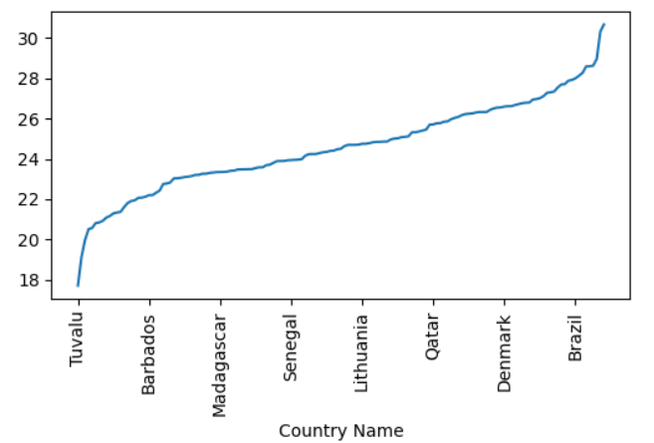
 | Log10 | np.log10(df['review_count']+1

FDA Smoothing | Kernel Regression | # Use KernelReg to smooth the Signal attribute from statsmodels.nonparametric.kernel_regression import KernelReg x = np.linspace(0,50,50) y = signal_df.Signal.iloc[:50] plt.plot(x, y, '+') kr = KernelReg(y,x,'c') y_pred, y_std = kr.fit(x) plt.plot(x, y_pred) | Data_Preprocessing_Ch14 pg476 | 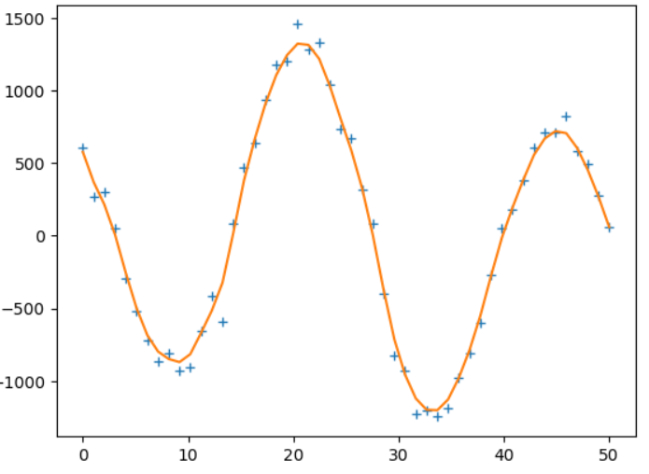

Rolling Data Smoothing | Moving average | # PLot the signal data signal_df.Signal.plot(figsize=(15,5), label='Signal') # Plot a 5 day moving average of signal data signal_df.Signal.rolling(window=5).mean().plot(label='Moving Average Smoothed') plt.legend() | Data_Preprocessing_Ch14 pg477 | 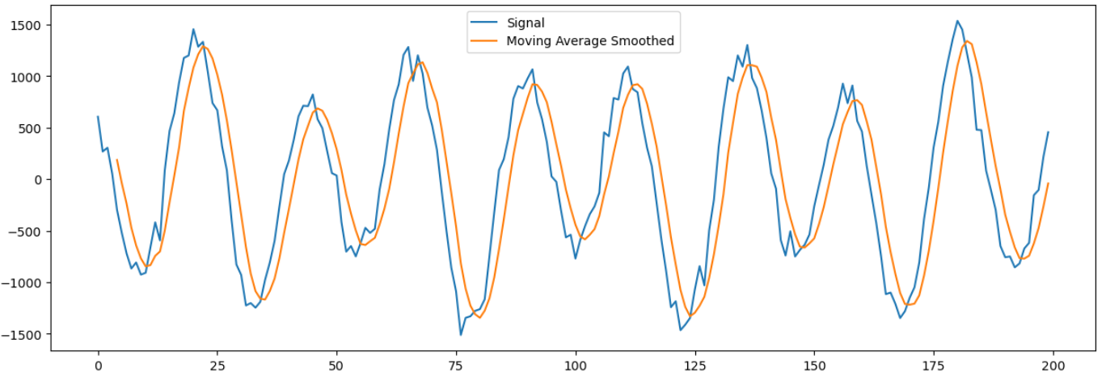
 | Exponential Smoothing | # Create function for exponential smoothing def ExpSmoothing(v): a=0.2 yhat=v.iloc[0] for i in range(len(v)): yhat = a*v.iloc[i] + (1-a)*yhat return yhat # Plot the exponential smoothing data signal_df.Signal.rolling(window=5).apply( ExpSmoothing).plot(label = 'Exponential Smoothing') plt.legend() | Data_Preprocessing_Ch14 pg479 | 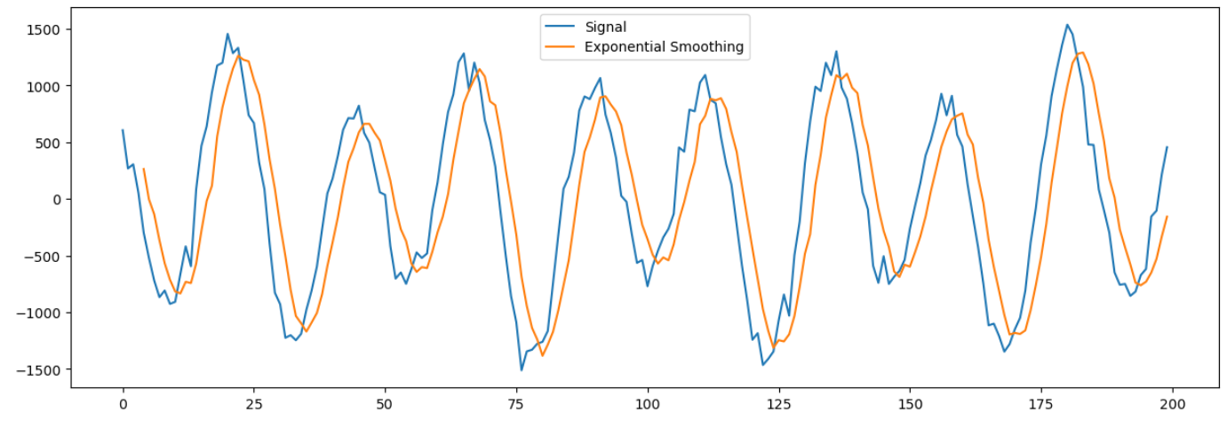

Binning | Cut Binning | # Binn the age into 10 buckets adult_df['age_binned']=pd.cut(adult_df.age,10) adult_df.age_binned.value_counts().sort_index().plot.bar() | Data_Preprocessing_Ch14 pg482
 | Binarization | list_count[2] = 1
 | Quantizing
 | Fixed-width Binning | np.floor_divide(small_counts, 10) np.floor(np.log10(large_counts))
 | Quantile Binning | pandas.DataFrame.quantile pandas.qcut

Categorical Variables | Add additional feature for interept term (bias) | sklearn.preprocessing.add_dummy_feature()
 | Transform non-numerical into numerical values | sklearn.preprocessing.LabelEncoder()
 | Plain one-hot encoding | sklearn.preprocessing.OneHotEncoder()
 | Transfor ordinal text to numerical feature | sklearn.preprocessing.OrdinalEncoder()
 | Dummy coding | pandas.get_dummies(df, prefix=['column_name'], drop_first=True)
 | Effect coding | Not normally used. Have to code the -1 values manually after using pd.get_dummies()

Large Categorical Values in a Feature | Feature hashing | # Display the unique business id values m = len(review_df['business_id'].unique()) print(m) # Feature hashing of the business_id column from sklearn.feature_extraction import FeatureHasher h = FeatureHasher(n_features=m, input_type='string') f = h.transform([[x] for x in review_df['business_id']]) # Show the first 3 rows f.toarray()[:3]
 | Signed Feature Hashing
 | Bin counting | Use conditional property,odds ratio log-odds ration, and any other derivative of probability | Feature Engineering pg89-90
Rare Categories | Back-off
 | Count-min sketch |  | Feature Engineering pg92

 | sklearn.preprocessing.FunctionTransformer()

Feature Scaling or Normalization | Min-Max Scaling | from sklearn.preprocessing import MinMaxScaler #Min-max scaling mms = MinMaxScaler().fit_transform(df[['n_tokens_content']]) | Preprocessing book pg414 Feature Engineering pg30
 | Robust Scaling | sklearn.preprocessing.RobustScaler()
 | Stardization / Variance Scaling (aka Z-score normalization) | from sklearn.preprocessing import StandardScaler # Use Standard Scaler ss = StandardScaler().fit_transform(df[['n_tokens_content']]) df['standardized'] = ss | Preprocessing book pg414 Feature Engineering pg31
 | Polynomial Features | from sklearn.preprocessing import PolynomialFeatures # Use PolynomialFeatures to create the polynomials features = ['period','quadratic','cubic'] poly = PolynomialFeatures(degree=3, include_bias=False) X_poly = poly.fit_transform(carsales[['period']]) X_poly_df = pd.DataFrame(X_poly, columns = features) X_poly_df.drop(columns='period', inplace=True) # Create new dataset carsales_sklearn_poly by concatenating carsales and the polynomials carsales_sklearn_poly = pd.concat([carsales, X_poly_df], axis=1) carsales_sklearn_poly.head() ----------------------------- # Create the polynomial transformations of the features X2 = PolynomialFeatures(include_bias = False).fit_transform(X) | Dive_Into_Data_Science Ch2 iypnb (manual) Feature Engineering pg37
 | L2 Normalization | from sklearn.preprocessing import Normalizer l2_norm =Normalizer().fit_transform(df['n_tokens_content']]) df['l2_normalized'] = l2_norm | Feature Engineering pg34

Power Transform | Box-Cox Transform | from scipy import stats rc_bc, bc_params = stats.boxcox(df['review_count']) | Feature Engineering pg26

Text | Bag-of-Words (BoW) | from sklearn.feature_extraction.text import CountVectorizer # Instantiate a CountVectorizer # (?u) enables Unicode support # \\b matches a word boundary. Only words are captured # \\w+ matches one or more workd characters bow_converter = CountVectorizer(token_pattern='(?u)\\b\\w+\\b') # Fit and transform the review_df text feature X = bow_converter.fit_transform(review_df['text']) # Return the vocabulary size of the bow_converter words = bow_converter.get_feature_names_out() | Feature Engineering pg44
 | Examine feature vectors | Examining feature vectors is crucial because they numerically represent real-world data (like images, text, or sounds) as lists of numbers, allowing machine learning models to understand, compare, and learn from them for tasks like classification, prediction, and similarity search, essentially bridging raw data to intelligent algorithms. By transforming complex data into a mathematical format, we can analyze patterns, identify similarities (e.g., similar images or documents), and build effective AI systems that would otherwise struggle with non-numerical inputs.
 | Bag-of-n-grams | from sklearn.feature_extraction.text import CountVectorizer from sklearn.feature_extraction.text import CountVectorizer # Instantiate a CountVectorizer # (?u) enables Unicode support # \\b matches a word boundary. Only words are captured # \\w+ matches one or more workd characters #Instantiate a bigram CounterVectorize bigram_converter = CountVectorizer(ngram_range=(2,2), token_pattern='(?u)\\b\\w+\\b') # Fit and transform the review_df text feature X2 = bigram_converter.fit_transform(review_df['text']) # Return the vocabulary size of the bigram converter words2 = bigram_converter.get_feature_names_out() print(f'Bigam vocabulary size: {len(words2)}') | Feature Engineering pg45-46

Filtering Text | Stop Words
 | Frequency Words
 | Rare Words
 | Stemming | import ntlk stemmer = nltk.stem.porter.PorterStemmer() stemmer.stem('flowers') | Feature Engineering pg51
 | Parsing
 | Tokenization

Collocation | Collocation
 | Frequency-based methods
 | Hypothesis testing for collocation extraction (likelihood ratio test) | Feature Engineering pg54
 | Chunking anad part-of-speech tagging

Text Scaling or Normalization | tf-idf

Class Imbalance | downsample

Text Classification | 1) Build dataset
 | 2) Balance any imbalanced dataset
 | 3 ) Split data into training and test datasets
 | 4) Scaling text data | - BoW using CountVectorizer()
 |  | - BoW using CounterVectorizer() and Tf-idf using TfidTransformer()
 |  | - BoW using CountVectorizer() and L2 normalization using preproc.normalize()
 | 5) Logistic Regression (Classification)
 | 6) Test the model(s)
 | 7) Add test results to a dataframe | Example: search_results = pd.DataFrame.from_dict({ 'bow': bowsearch.cv_results_['mean_test_score'] })
 | 7) Plot the results | Use boxplot to compare the test results

Linear Dimensionality Reduction | Dimensionality Reduction
 | Singular Value Decomposition (SVD) of a Matrix | Feature Engineering pg102
 | Principal component analysis (PCA) | from sklearn.decomposition import PCA pca_transformer = PCA(n_components=0.8) pca_images = pca_transformer.fit_transform(image_data) | Feature Engineering pg103-107
 |  | 1) Center the data matrix | Feature Engineering pg106
 |  | 2 ) Compute the SVD
 |  | 3) Find the principal components
 |  | 4) Transform the data
 | Whitening | Feature Engineering pg108
 | zero-phase component analysis (ZCA) | Feature Engineering pg109

Nonlinear Dimensionality Reduction | K-means clustering | from sklearn.cluster import Kmeans kmeans = Kmeans(n_clusters=3, random_state=11) | Intro_To_Python pg650
 | t-distributed Stochastic Neighbor Embedding (t-SNE) | from sklearn.manifold import TSNE tsne = TSNE(n_components=2, random_state=11) | Intro_To_Python pg640
 | DBSCAN | sklearn.cluster import import DBSCAN | Intro_To_Python pg653
 | MeanShift | sklearn.cluster import MeanShift | Intro_To_Python pg653
 | SpectralClustering | sklearn.cluster import SpectralClustering | Intro_To_Python pg653
 | AgglomerativeClustering | sklearn.cluster import AgglomerativeClustering | Intro_To_Python pg653
 | Fcluster | scipy.cluster.hierarchy.fcluster
 | Dendogram | scipy.cluster.hierarchy.dendrogram
 | Linkage | scipy.cluster.hierarchy.linkage

Feature Engineering Rpts
Transformation | Transforming a feature to make it closer to a Gaussian distribution fig, axs = plt.subplots(1, 2, figsize=(8, 3), sharey=True) housing["population"].hist(ax=axs[0], bins=50) housing["population"].apply(np.log).hist(ax=axs[1], bins=50) axs[0].set_xlabel("Population") axs[1].set_xlabel("Log of population") axs[0].set_ylabel("Number of districts") | Hands_On_Scikit pg76 | 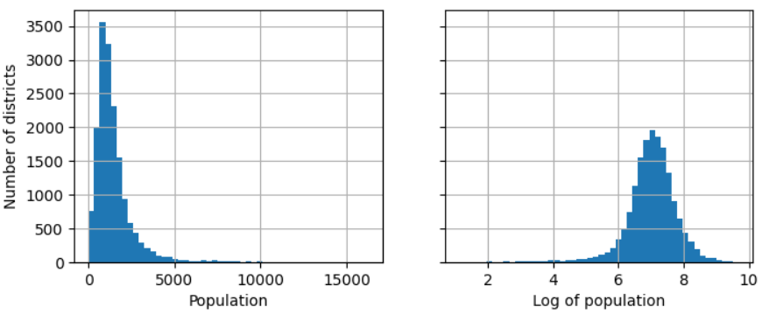
Transformation | Plot a similarity measure for a particular mode. Use for possible transformation when a feature has a multimodal distribution (with 2 or more clear peaks). Similarity is usually measured using radial basis function (rbf) - any function that depends only on the distance between the input value and a fixed point (mode). The most commonly used RBF is the Gaussian RBF, whose output value decays exponentially as the input value moves away from the fixed point. from sklearn.metrics.pairwise import rbf_kernel age_simil_35 = rbf_kernel(housing[['housing_median_age']],[[35]], gamma=0.1) ages = np.linspace(housing["housing_median_age"].min(), housing["housing_median_age"].max(), 500).reshape(-1, 1) gamma1 = 0.1 gamma2 = 0.03 rbf1 = rbf_kernel(ages, [[35]], gamma=gamma1) rbf2 = rbf_kernel(ages, [[35]], gamma=gamma2) fig, ax1 = plt.subplots() ax1.set_xlabel("Housing median age") ax1.set_ylabel("Number of districts") ax1.hist(housing["housing_median_age"], bins=50) ax2 = ax1.twinx() # create a twin axis that shares the same x-axis color = "blue" ax2.plot(ages, rbf1, color=color, label="gamma = 0.10") ax2.plot(ages, rbf2, color=color, label="gamma = 0.03", linestyle="--") ax2.tick_params(axis='y', labelcolor=color) ax2.set_ylabel("Age similarity", color=color) | Hands_On_Scikit pg78 | 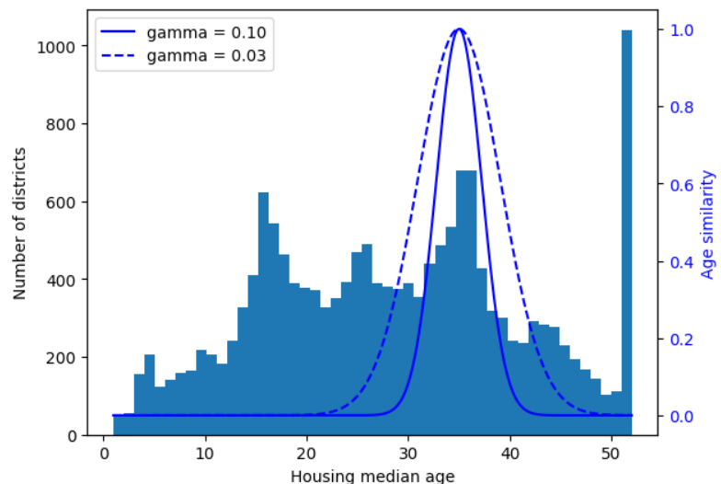
Transformation | A probability plot, or probplot, is an easy way to visually compare an empirical distribution of data against a theoretical distribution. This is essentially a scatter plot of observed versus theoretical quantiles. Since the observed data is strictly positive and the Gaussian can be negattive, the quantiles could never be match up on the negative end. Thus, out focus is on the positive side. rc_log = boxcox(biz_df['review_count'], lmbda=0) rc_bc, bc_params = boxcox(biz_df['review_count']) # Add the rc_bc and rc__log features to the biz_df dataset biz_df['rc_bc']=rc_bc biz_df['rc_log']=rc_log # Plot the probability plots of original, log, and Box-Cox against a normal-distribution fig, (ax1, ax2, ax3) = plt.subplots(3,1, figsize=(10,14)) prob1 = probplot(biz_df['review_count'], dist=norm, plot=ax1) ax1.set_title('Probplot againstt normal distribution') prob2 = probplot(biz_df['rc_log'], dist=norm, plot=ax2) ax2.set_title('Probplot after log transform') prob3 = probplot(biz_df['rc_bc'], dist=norm, plot=ax3) ax3.set_xlabel('Theoretical Quantiles') ax3.set_title('Probplot after Box-Cox transform') plt.tight_layout() plt.show() | Feature_Engineering pg 28 | 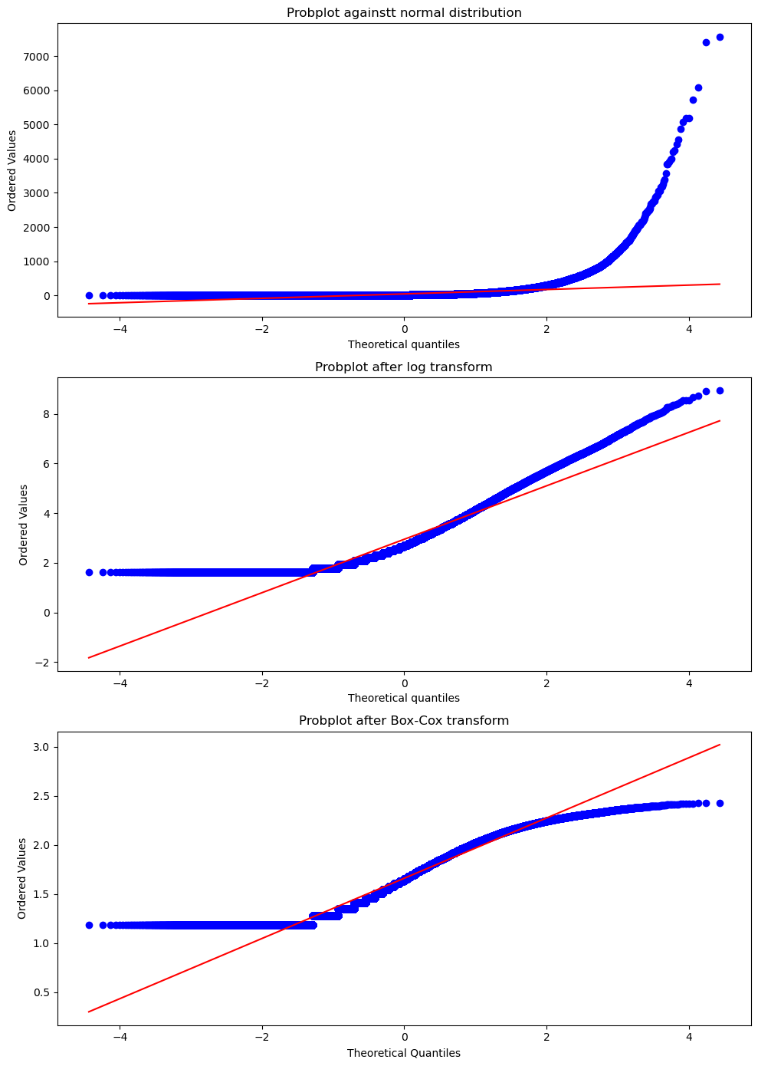
Transformation | The Box-Cox transform is a feature engineering technique used to stabilize variance and transform non-normal (skewed) data into a distribution that approximates a normal distribution. It is part of the power transform family, aimed at improving the performance of machine learning models—particularly linear models—that assume normally distributed data. rc_log = boxcox(biz_df['review_count'], lmbda=0) rc_bc, bc_params = boxcox(biz_df['review_count']) # Add the rc_bc and rc__log features to the biz_df dataset biz_df['rc_bc']=rc_bc biz_df['rc_log']=rc_log # Plot the original review count histogram ax1 = biz_df['review_count'].hist(ax=ax1, bins=100) ax1.set_yscale('log') # Plot the log10 transformation of the review counts ax2 = biz_df['rc_log'].hist(ax=ax2, bins=100) ax2.set_yscale('log') ax2.set_xlabel('Log10(Review Count)') # Plot the box-cox transformation of the review counts ax3 = biz_df['rc_bc'].hist(ax=ax3, bins=100) ax3.set_yscale('log') ax3.set_xlabel('Box-Cox Transformed Counts Histogram') | Feature_Engineering pg 27 | 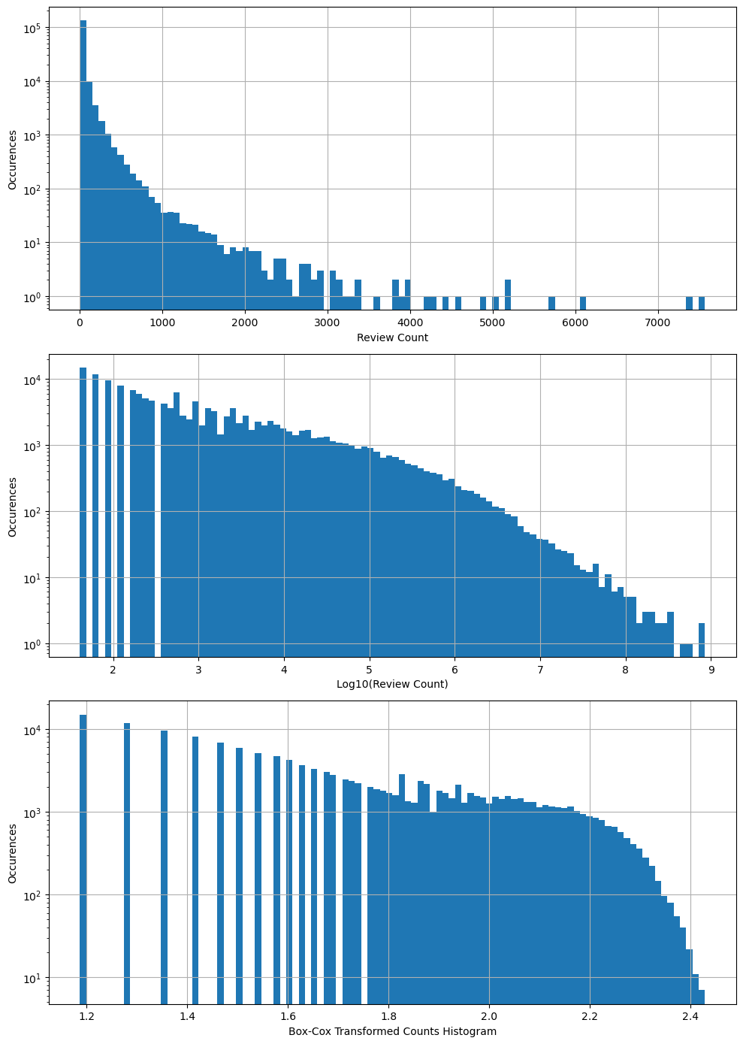
Transformation | # Create a new feature on the log10 of the n_tokens_content feature df['log_n_tokens_content'] = np.log10(df['n_tokens_content']+1) # News Data fig, (ax1, ax2) = plt.subplots(2,1) ax1.scatter(df['n_tokens_content'], df['shares']) ax1.set_xlabel('Number of Words in Article', fontsize=10) ax1.set_ylabel('Number of Articles',fontsize=10) ax1.grid(True) ax2.scatter(df['log_n_tokens_content'], df['shares']) ax2.tick_params(labelsize=10) ax2.set_xlabel('Log of Number of Words', fontsize=10) ax2.set_ylabel('Number of Articles', fontsize=10) ax2.grid(True) | Feature_Engineering pg 21 | 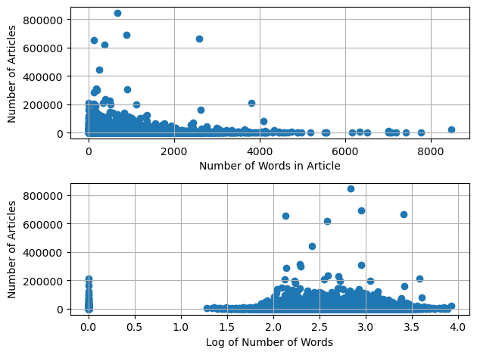

Feature Selection Rpts
Principal Component Analysis (PCA) - For numerical data - For categorical use CA | Plot screeplot of explained_variances_ of a PCA model components sp_pca=PCA() sp_pca.fit(top_sp) # Create a dataframe of the explained variances of the PCA model explained_variance = pd.DataFrame(sp_pca.explained_variance_) # Create a bar plot of the first 10 components containing the explaining the variances ax = explained_variance.head(10).plot.bar( legend=False, figsize=(4,4)) ax.set_xlabel("Component") | Practical_Stastics pg289, 321 | 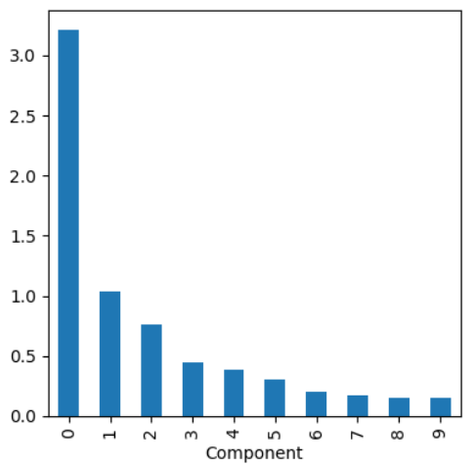
 | Plot the variable column loadings for each principal component # Plot the loadings of the first five principal components maxPC = 1.01 * loadings.loc[0:5, :].abs().to_numpy().max() f, axes = plt.subplots(5, 1, figsize=(5,5), sharex=True) for i, ax in enumerate(axes): pc_loadings = loadings.loc[i,:] colors = ["C0" if l > 0 else "C1" for l in pc_loadings] ax.axhline(color='#888888') pc_loadings.plot.bar(ax=ax, color=colors) ax.set_ylabel(f"PC{i+1}") ax.set_ylim(-maxPC, maxPC) | Practical_Stastics pg291 | 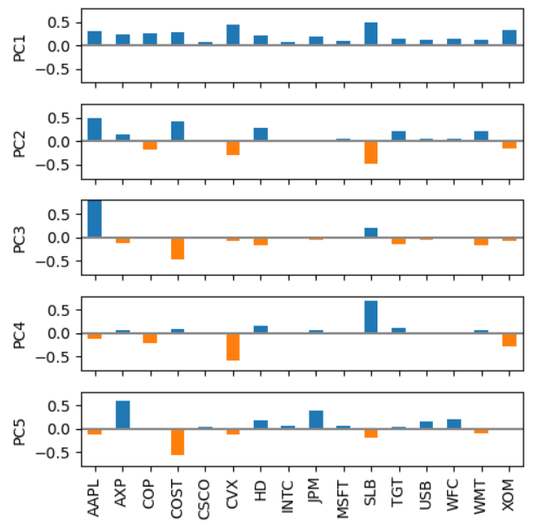
 | Plot screeplot of explained_variances ration of PCA model components - from sklearn.decomposition import PCA pca = PCA(random_state=42) X_pca = pca.fit_transform(StandardScaler().fit_transform(X)) pca.explained_variance_ratio_ fig, ax = plt.subplots(figsize=(6,4)) ax.plot(pca.explained_variance_ratio_) ax.set( xlabel="Component", ylabel="Percent of Explained Variance", title="Scree Plot", ylim=(0,1)) | Machine_Learning pg242 | 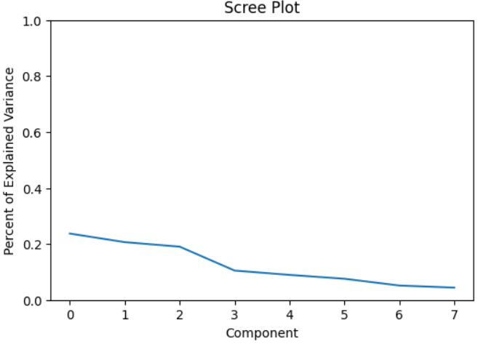
 | Cumulative plot of of explained variance ratio of model components - from sklearn.decomposition import PCA pca = PCA(random_state=42) X_pca = pca.fit_transform(StandardScaler().fit_transform(X)) pca.explained_variance_ratio_ fig, ax = plt.subplots(figsize=(6,4)) ax.plot( np.cumsum(pca.explained_variance_ratio_)) ax.set( xlabel = "Component", ylabel="Percent of Explained Variance", title="Cumulative Variance", ylim=(0,1)) | Machine_Learning pg243 | 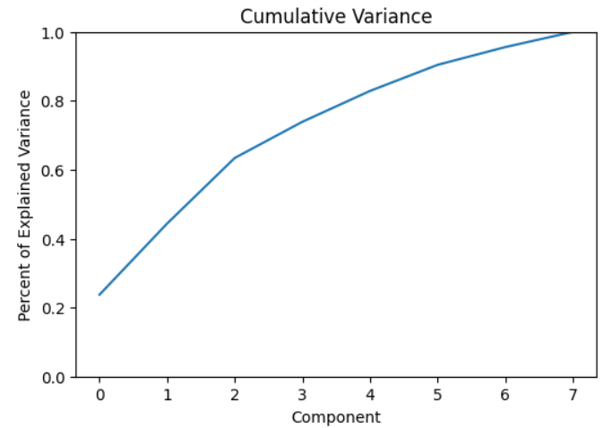
 | PCA features in components (heatmap) - How much do features impact components - fig, ax = plt.subplots(figsize=(6,4)) plt.imshow( pca.components_.T, cmap="Spectral", vmax=1) plt.yticks(range(len(X.columns)), X.columns) plt.xticks(range(8), range(1,9)) plt.xlabel("Principal Component") plt.ylabel("Contribution") plt.title("Contribution of Features to Components") plt.colorbar() | Machine_Learning pg244 | 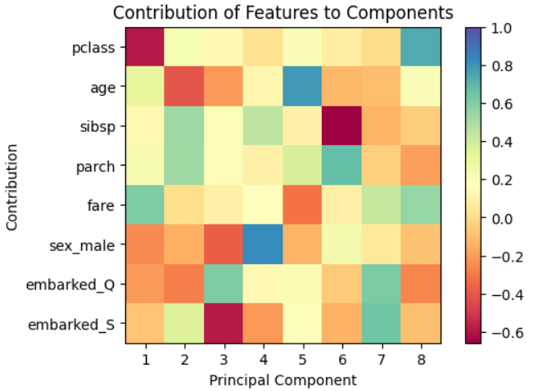
 | PCA features in components (bar plot) - fig, ax = plt.subplots(figsize=(8,4)) pd.DataFrame( pca.components_, columns=X.columns ).plot(kind="bar", ax=ax).legend( bbox_to_anchor=(1,1)) | Machine_Learning pg245 | 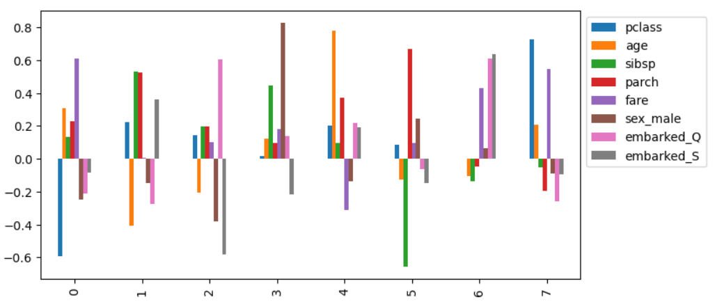
 | Principal component plot of 2D - import seaborn as sns fig, ax = plt.subplots(figsize=(6,4)) pca_df = pd.DataFrame( X_pca, columns = [f"PC{i+1}" for i in range(X_pca.shape[1])]) pca_df["status"] = [("deceased","survived")[i] for i in y] evr = pca.explained_variance_ratio_ ax.set_aspect(evr[1] / evr[0]) sns.scatterplot(x="PC1", y="PC2", hue="status", data=pca_df, alpha=0.5,ax=ax) | Machine_Learning pg248 | 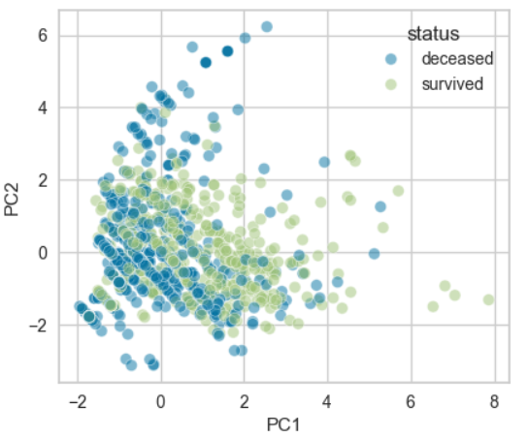
 | PCA biplot with scatter plot and loading plot - seaborn report | Machine_Learning pg251 | 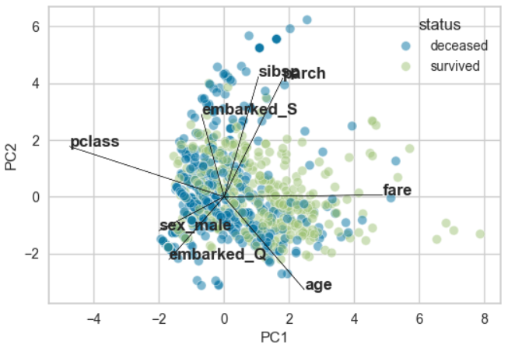

Kmeans Clustering | Plot the clusters with the cluster centeres for a 2D model # Create a scatterplot of the XOM vs CVX data # Change the color of the datapoints based on the cluster number fig, ax = plt.subplots(figsize=(4,4)) ax = sns.scatterplot(x="XOM", y="CVX", hue="cluster", style="cluster", ax = ax, data=df) ax.set_xlim(-3,3) ax.set_ylim(-3,3) # Plot the cluster centers centers.plot.scatter(x="XOM", y="CVX", ax=ax, s=50, color = "black") | Practical_Stastics pg298 | 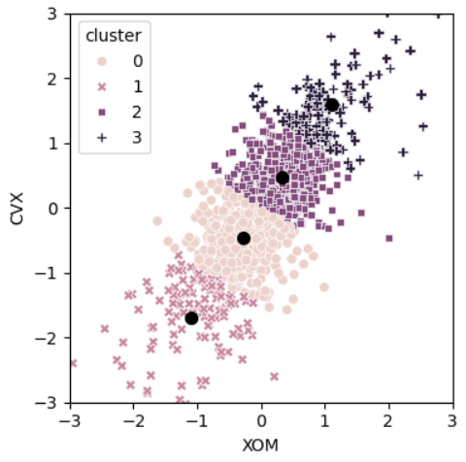
 | Plot the clusters with the cluster centeres for a 2D model - Long code - see book or Hands_On_Scikit Ch2 | Hands_On_Scikit pg82 | 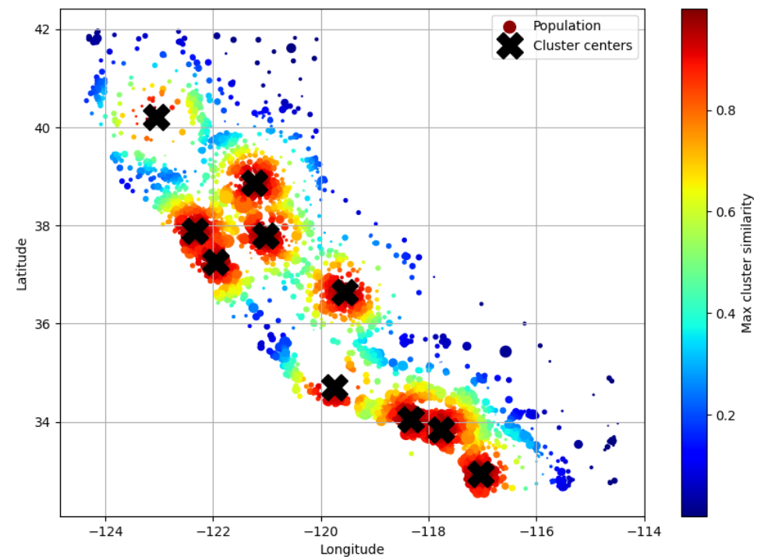
 | Plot the means of the variables in each cluster centers = pd.DataFrame(kmeans.cluster_centers_, columns=syms) f, axes = plt.subplots(5,1,figsize=(5,5), sharex = True) for i, ax in enumerate(axes): center = centers.loc[i,:] maxPC = 1.01*np.max(np.max(np.abs(center))) colors = ["C0" if l > 0 else "C1" for l in center] ax.axhline(color="#888888") center.plot.bar(ax=ax, color=colors) ax.set_ylabel(f"Cluster {i+1}") ax.set_ylim(-maxPC, maxPC) | Practical_Stastics pg301 | 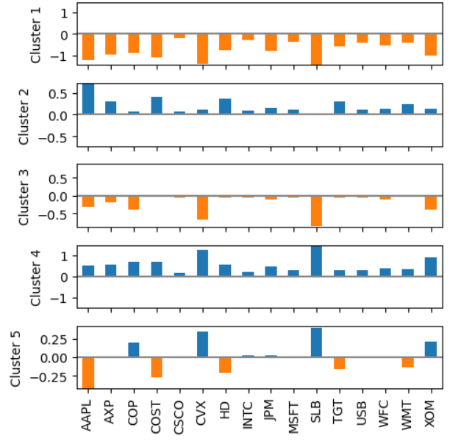
 | Plot the elbow of the Kmeans to help determine the number of clusters to use - inertia = [] for n_clusters in range(2,15): kmeans = KMeans(n_clusters=n_clusters, random_state=0, n_init="auto").fit(top_sp) inertia.append(kmeans.inertia_ / n_clusters) inertias = pd.DataFrame({"n_clusters": range(2,15), "inertia": inertia}) ax = inertias.plot(x="n_clusters", y="inertia") plt.xlabel("Number of clusters(k)") plt.ylabel("Average Within-Cluster Squared Distances") plt.ylim((0, 1.1 * inertias.inertia.max())) ax.legend().set_visible(False) - import matplotlib.pyplot as plt inertias = [] sizes = range(2,12) for k in sizes: k2 = KMeans(random_state=42, n_clusters=k) k2.fit(X_std) inertias.append(k2.inertia_) fig, ax = plt.subplots(figsize=(6,4)) pd.Series(inertias, index=sizes).plot(ax=ax) ax.set_xlabel("K") ax.set_ylabel("Inertia") | Practical_Stastics pg302 Machine_Learning pg276 | 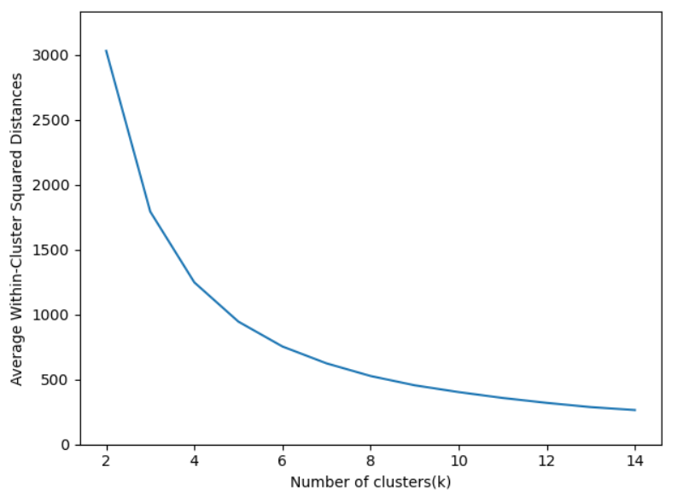 | 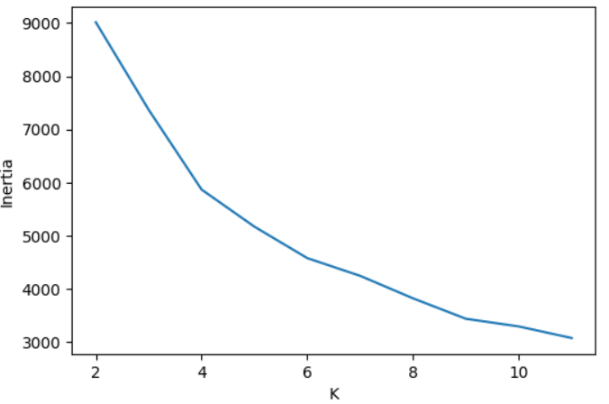
 | Calculate and plot the following clustering metrics: - Inertia - Look for where the curve bedns like an elbow - Silhouette Coefficient - the higher the score the better - Calinski-Harabasz Index - the higher the score the better - Davis-Bouldin Index - The lower the score the better | Machine_Learning pg278 | 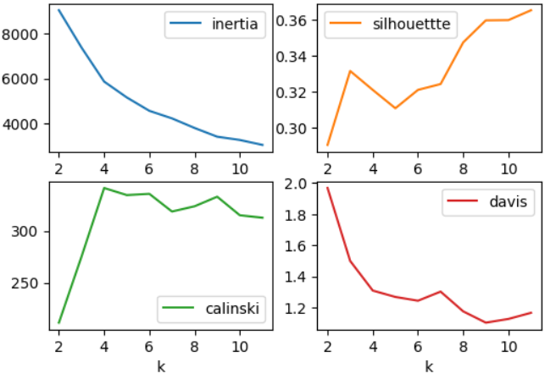
 | Silhouette Clustering Report - from yellowbrick.cluster.silhouette import SilhouetteVisualizer fig, axes = plt.subplots(2,2, figsize=(12,8)) axes = axes.reshape(4) for i, k in enumerate(range(2,6)): ax = axes[i] sil = SilhouetteVisualizer( KMeans(n_clusters=k, random_state=42), ax=ax) sil.fit(X_std) sil.finalize() ax.set_xlim(-0.2,0.8) | Machine_Learning pg280 | 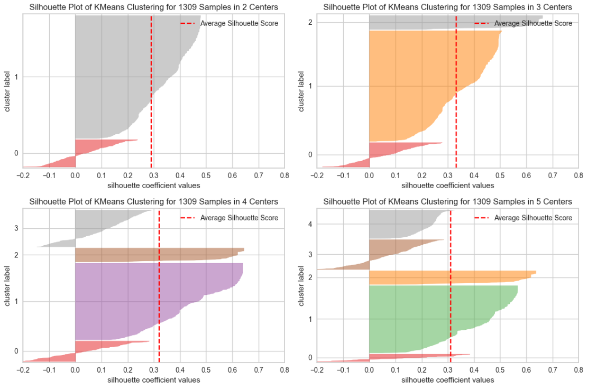
 | Centroid Analysis dimensions = ['Life_Ladder','Log_GDP_per_capita','Social_support', \ 'Healthy_life_expectancy_at_birth','Freedom_to_make_life_choices', \ 'Generosity','Perceptions_of_corruption','Positive_affect','Negative_affect'] Xs = report2019_df[dimensions] Xs = (Xs-Xs.min())/(Xs.max()-Xs.min()) kmeans = KMeans(n_clusters=3) kmeans.fit(Xs) clusters = ['Cluster {}'.format(i) for i in range(3)] Centroids = pd.DataFrame(0.0, index=clusters, columns=Xs.columns) for i,clst in enumerate(clusters): BM = kmeans.labels_ == i Centroids.loc[clst] = Xs[BM].median(axis=0) sns.heatmap(Centroids, linewidth=0.5, annot=True,cmap='binary') | Data_Preprocessing_Ch8, 14 pg205, 453 | 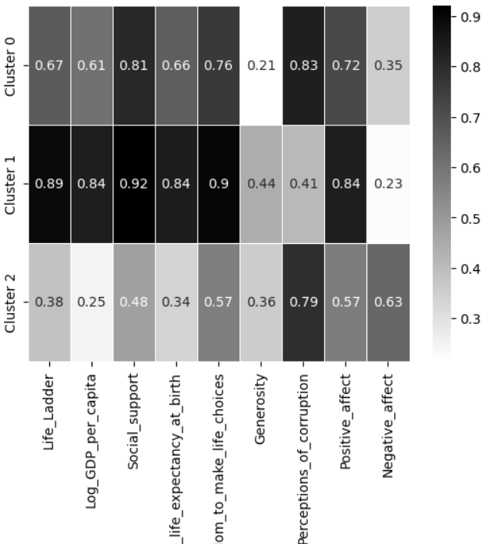 | 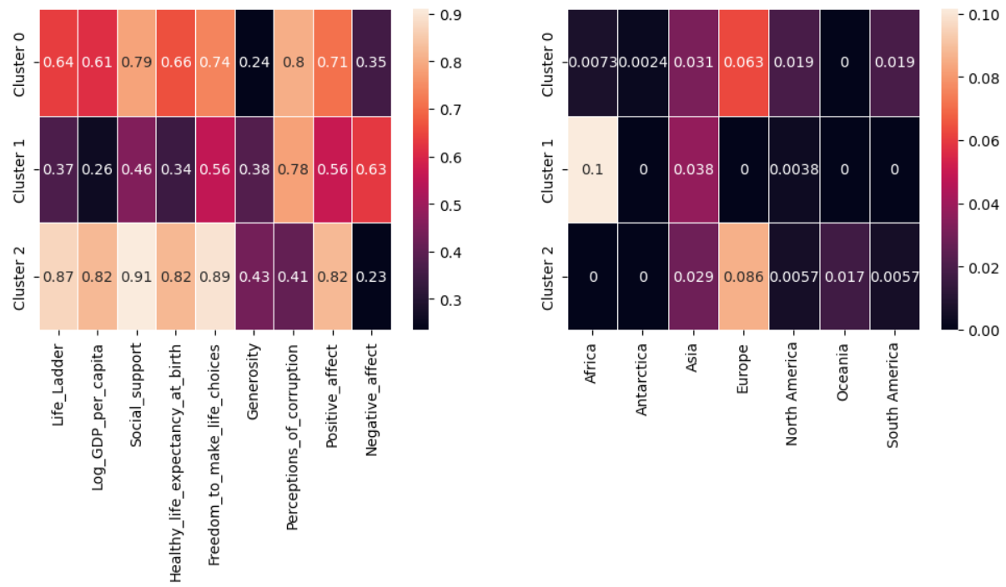

Hierarchical clustering | Create a dendrogram of a hierarchical cluster - scipy.cluster.hierarchy.dendrogram() fig, ax = plt.subplots(figsize=(5,5)) dendrogram(Z, labels=list(df.index),color_threshold=0) plt.xticks(rotation=90) ax.set_ylabel("ditance") - from scipy.cluster import hierarchy fig, ax = plt.subplots(figsize=(6,4)) dend= hierarchy.dendrogram( hierarchy.linkage(X_std, method="ward"), truncate_mode = "lastp", p=20, show_contracted=True) | Practical_Stastics pg306 Machine_Learning pg280 | 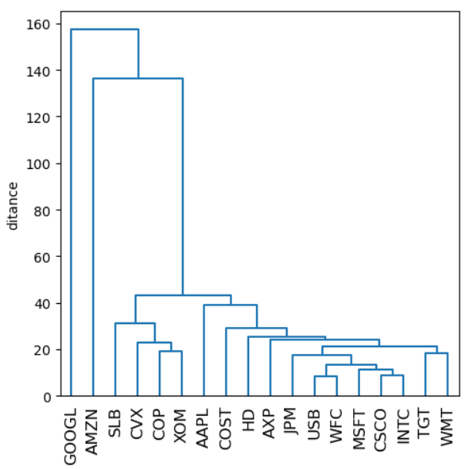 | 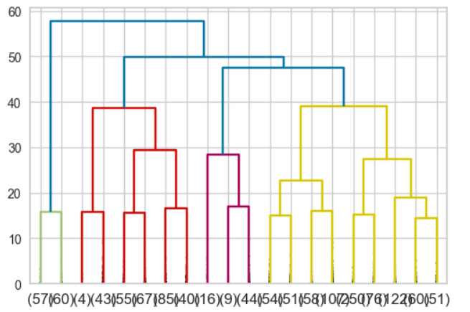
 | Plot various linkage methods (dissimilarity methods) df = sp500_px.loc[sp500_px.index >= '2011-01-01', ['XOM','CVX']] fig, axes = plt.subplots(nrows=2, ncols=2, figsize=(5,5)) for i, method in enumerate(['single','average','complete','ward']): ax = axes[i//2, i%2] Z = linkage(df, method=method) colors = [f'C{c+1}' for c in fcluster(Z, 4, criterion='maxclust')] # Creater scatterplots of the clustering based on the linkage method ax = sns.scatterplot(x='XOM', y='CVX', hue=colors, style=colors, size=0.5, ax=ax, data=df, legend=False) ax.set_xlim(-3,3) ax.set_ylim(-3,3) ax.set_title(method) | Practical_Stastics pg310 | 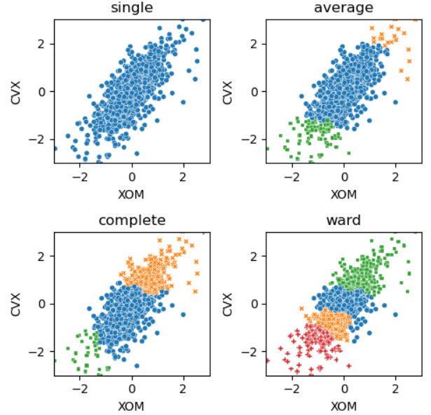
 | Plot cluster mean(average) values - km = KMeans(n_clusters=2).fit(X_std) labels = km.predict(X_std) (X.assign(cluster=labels, survived=y).groupby("cluster").agg(["mean","var"]).T) fig, ax = plt.subplots(figsize=(6,4)) (X.assign(cluster=labels, survived=y).groupby("cluster").mean().T.plot.bar(ax=ax)) | Machine_Learning pg284 | 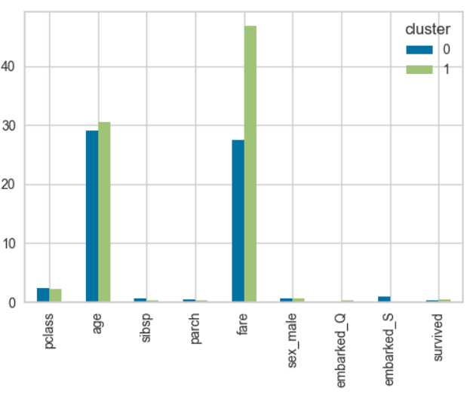
 | PCA plot of clusters - import seaborn as sns from sklearn.decomposition import PCA from sklearn.preprocessing import (StandardScaler) fig, ax = plt.subplots(figsize=(6, 4)) pca = PCA(random_state=42) X_pca = pca.fit_transform(StandardScaler().fit_transform(X)) sns.scatterplot(x="PC1", y="PC2", data=X.assign(PC1=X_pca[:, 0], PC2=X_pca[:, 1], cluster=labels,), hue="cluster", alpha=0.5, ax=ax) | Machine_Learning pg285 | 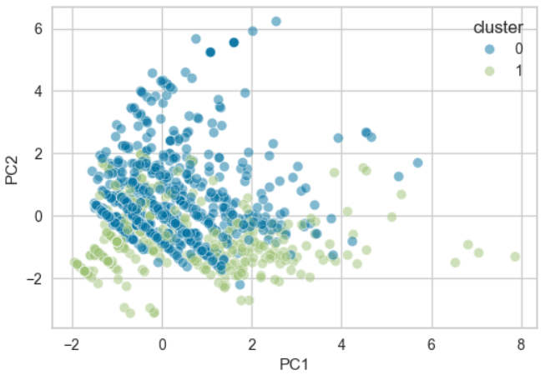

Model Based Clustering | Plot the probability contours of a 2D normal distribution # Create lists of probability information mean = [0.5, -0.5] cov = [[1,1], [1,2]] probability = [0.5, 0.75, 0.95, 0.99] def probLevel(p): D=1 return (1-p)/ (2*math.pi * D) levels = [probLevel(p) for p in probability] # Plot the probability contours for a 2D normal distribution fig, ax = plt.subplots(figsize=(4,4)) x, y = np.mgrid[-2.8:3.8:0.01, -5:4:0.01] pos = np.empty(x.shape + (2,)) pos[:, :, 0] = x; pos[:,:,1] = y rv = multivariate_normal(mean, cov) CS = ax.contour(x, y, rv.pdf(pos), cmap=cm.GnBu, levels=50) ax.contour(CS, levels=levels, colors=["black"]) ax.plot(*mean, color="black", marker='o') | Practical_Stastics pg312 | 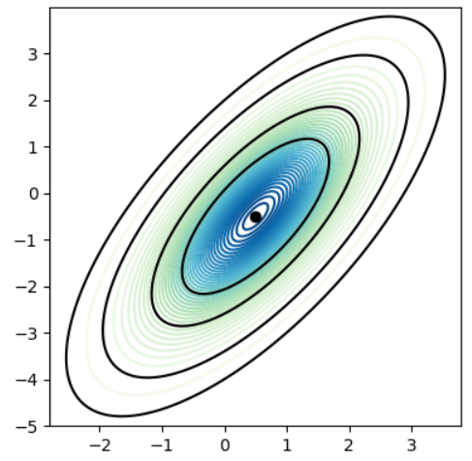
 | Plot a 2D scatterplot of the data points with colors based on cluster assignment mclust = GaussianMixture(n_components=2).fit(df) fig, ax = plt.subplots(figsize=(4,4)) colors = [f"C{c}" for c in mclust.predict(df)] df.plot.scatter(x='XOM', y='CVX', c=colors, alpha=0.5, ax=ax) ax.set_xlim(-3, 3) ax.set_ylim(-3, 3) | Practical_Stastics pg314 | 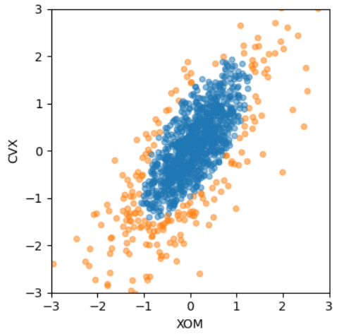

Discretization Clustering | Discretization with equal width # Create a bar plot of 'equal width' columns using .cut() function plt.figure(figsize=(4,2)) pd.cut(adult_df.age, bins=5).value_counts().sort_index().plot.bar() | Data_Preprocessing_Ch14 pg 458 | 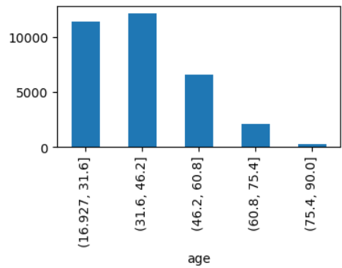
 | Discretization with equal frequency # Create a bar plot of 'equal frequency' columns using .qcut() function plt.figure(figsize=(4,3)) pd.qcut(adult_df.age, q=5, duplicates='drop').value_counts().sort_index().plot.bar() | Data_Preprocessing_Ch14 pg 459 | 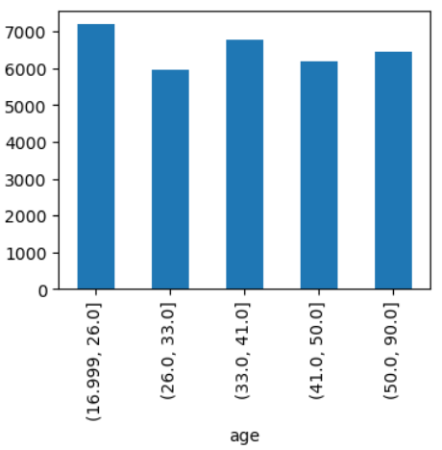

EDA Reporting
Dataframe | Import pandas_profiling pandas_profiling.ProfileReport(df) | Machine_Learning pg18
Missing Data | Create a heatmap showing which cells in the dataframe have missing values - sns.heatmap(df.isna()) - import missingno as msno ax = msno.matrix(orig_df.sample(500)) - look for any patterns in the heatmap to show randomness or nonrandomness | Machine_Learning pg43 Data_Preprocessing_Ch11 pg288 | 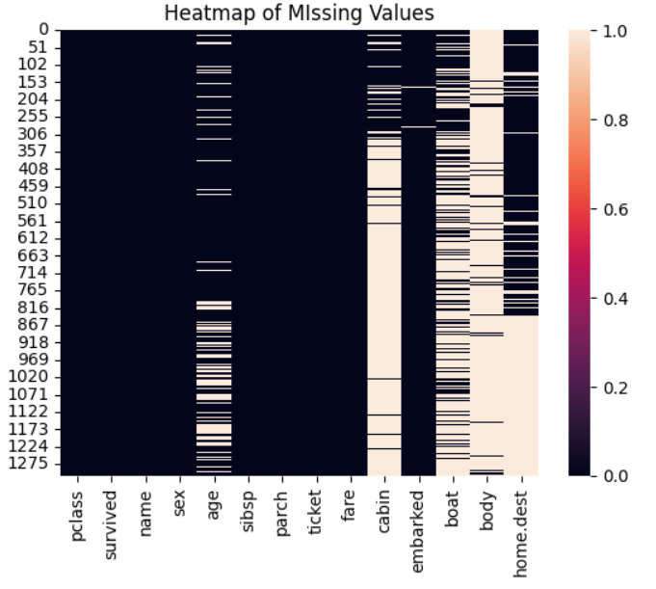 | 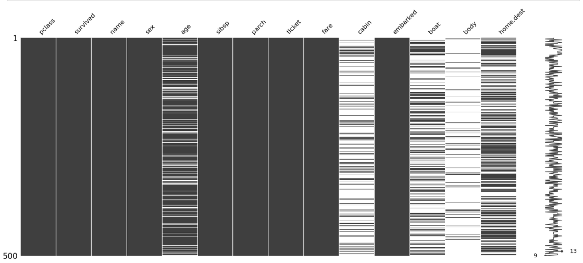
Missing Data | Create bar plot of missing data - fig, ax = plt.subplots(figsize=(6,4)) (1-df.isnull().mean()).abs().plot.bar(ax=ax) | Machine_Learning pg44 | 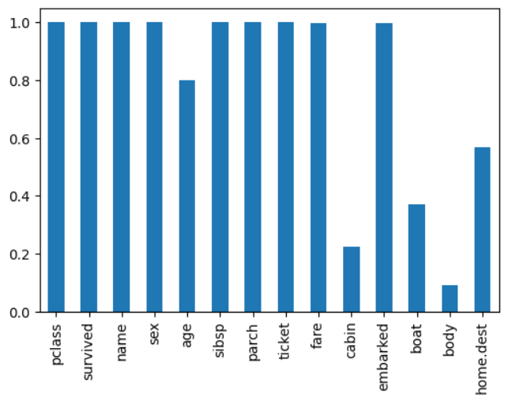
Missing Data | Create heatmap showing if there are correlations where data is missing - import missingno as msno ax = msno.heatmap(df, figsize=(6,6)) | Machine_Learning pg45 | 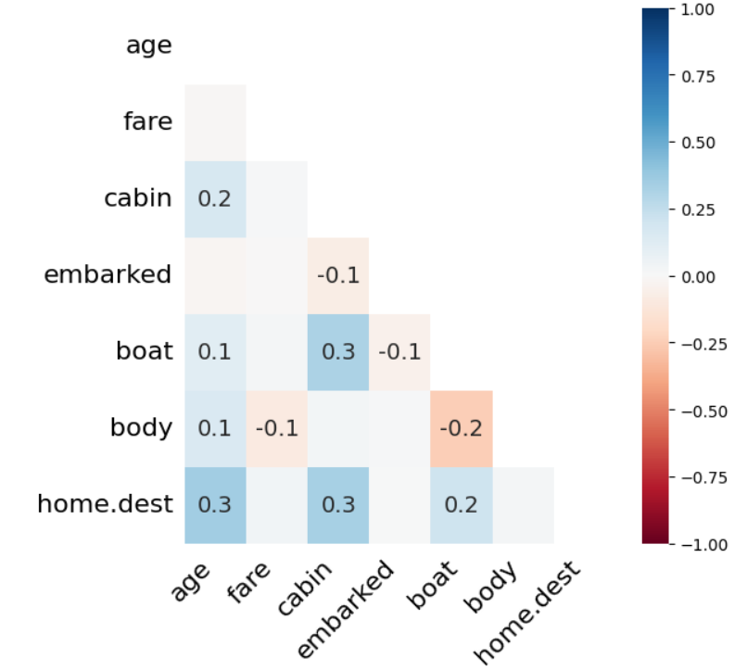
Missing Data | Create dendogram showing the clusterings of where the data is missing - import missingno as msno ax = msno.dendrogram(df) - Leaves that are as the same level predict one another's presence (empty or filled) - The vertical arms are used to indicate how different clusters are - Short arms mean that branches are similar | Machine_Learning pg46 | 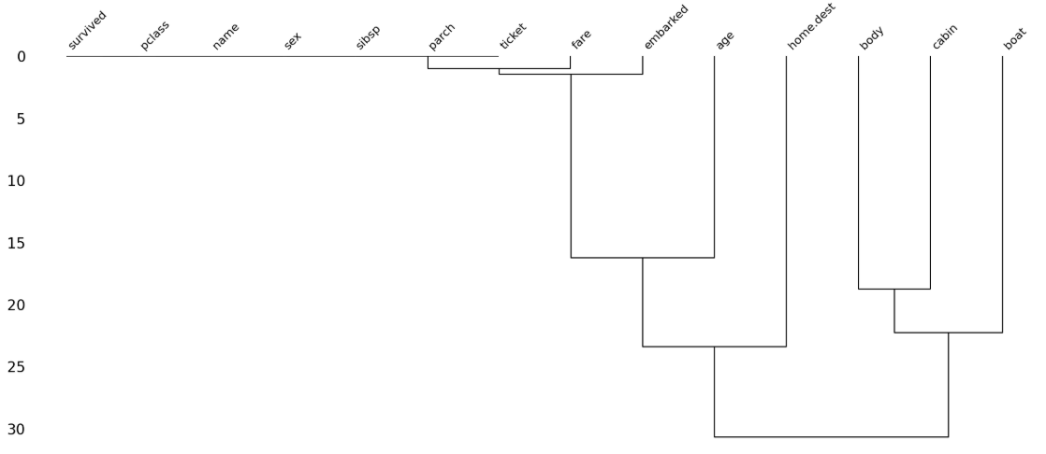
Missing Data | Outliers - Missing Values - Univariate - Boxplot # Diagnosing missing values in NO2_Location_A field based on temperature BM_MV = air_df.NO2_Location_A.isna() MV_Labels = ['With Missing Values','Without Missing Values'] box_sr = pd.Series('',index = BM_MV.unique()) for poss in BM_MV.unique(): BM = BM_MV == poss box_sr[poss] = air_df[BM]['Temperature'] plt.boxplot(box_sr, vert=False) plt.yticks([1,2], MV_Labels) | Data_Preprocessing_Ch11 pg265 | 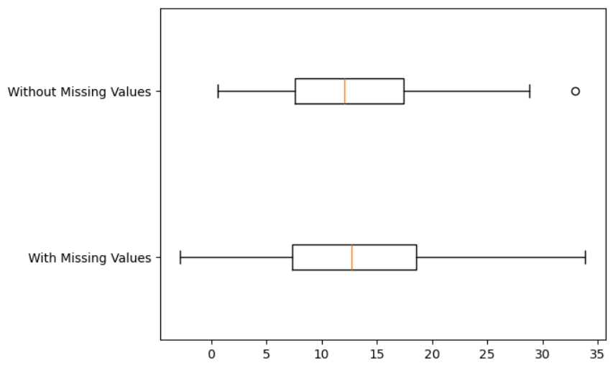
Missing Data | Outliers - Missing Values - Univariate - Histogram BM_MV = air_df.NO2_Location_A.isna() temp_range = (air_df['Temperature'].min(), air_df['Temperature'].max()) MV_labels = ['With Missing Values','Without Missing Values'] plt.figure(figsize=(10,4)) for i, poss in enumerate(BM_MV.unique()): plt.subplot(1,2,i+1) BM = BM_MV == poss air_df[BM]['Temperature'].hist() plt.xlim = temp_range plt.title(MV_labels[i]) | Data_Preprocessing_Ch11 pg266 | 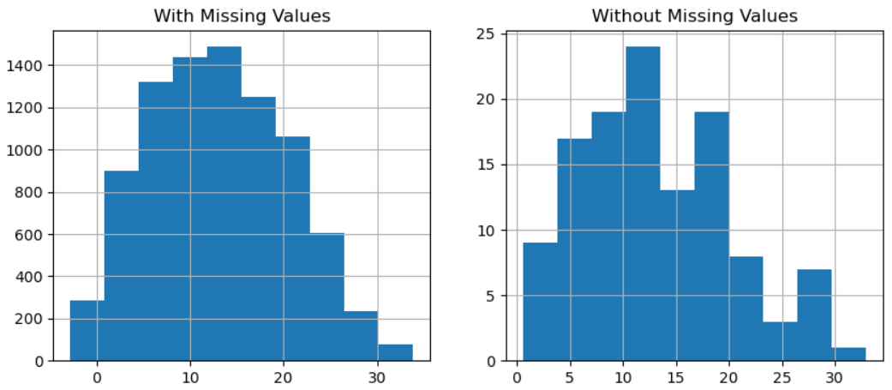
Missing Data | Outliers - Missing Values Numerical - Univariate - Boxplot, Histogram, and Ttest from scipy.stats import ttest_ind def Diagnose_MV_Numerical(df, str_att_name, BM_MV): (see code for details) numerical_attributes = ['Temperature','Humidity','Wind_Speed','Wind_Direction'] BM_MV = air_df['NO2_Location_A'].isna() for att in numerical_attributes: print('Diagnosis Analysis of Missing Values for {}:'.format(att)) Diagnose_MV_Numerical(air_df, att, BM_MV) print('- - - - - - - - - - - - - divider - - - - - - - - - - - - ') # None of the numerical fields appears to impact the missing values of the NO2_Location_A field # None of the p-values are less than 0.05 which would indicate an impacting numerical attribute | Data_Preprocessing_Ch11 pg268 | 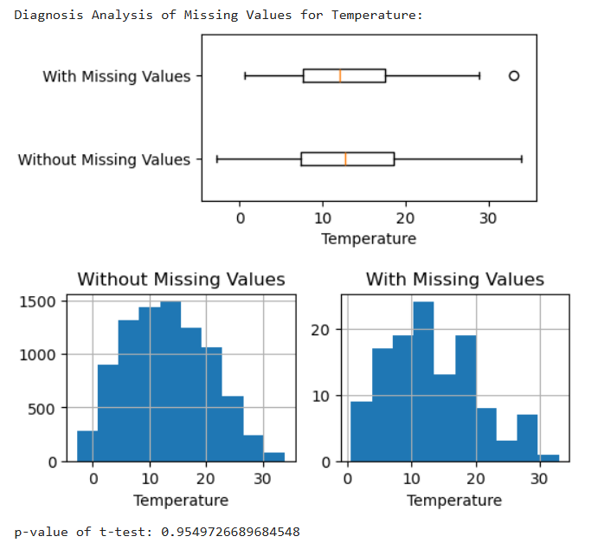
Missing Data | Outliers - Missing Values Categorical - Univariate - Boxplot, Histogram, and Ttest from scipy.stats import chi2_contingency def Diagnose_MV_Categorical(df, str_att_name, BM_MV): MV_labels = {True:'With Missing Values', False: 'Without Missing Values'} plt.figure(figsize=(10,2)) for i, poss in enumerate(BM_MV.unique()): plt.subplot(1,2,i+1) BM = BM_MV == poss df[BM][str_att_name].value_counts().plot.bar() plt.title(MV_labels[poss]) plt.show() contingency_table = pd.crosstab(BM_MV, df[str_att_name]) p_value = chi2_contingency(contingency_table)[1] print('P-value of Chi_squared test: {}'.format(p_value)) if p_value < 0.05: print(f'{att.capitalize()} is influencing the tendency of missing values') else: print(f'{att.capitalize()} is not influencing the tendency of missing values') categorical_attributes = ['month','day','hour','weekday'] BM_MV = air_df.NO2_Location_A.isna() for att in categorical_attributes: print('Diagnosis Analysis for {}:'.format(att)) Diagnose_MV_Categorical(air_df, att, BM_MV) print('- - - - - - - - - - divider - - - - - - - - -') | Data_Preprocessing_Ch11 pg272 | 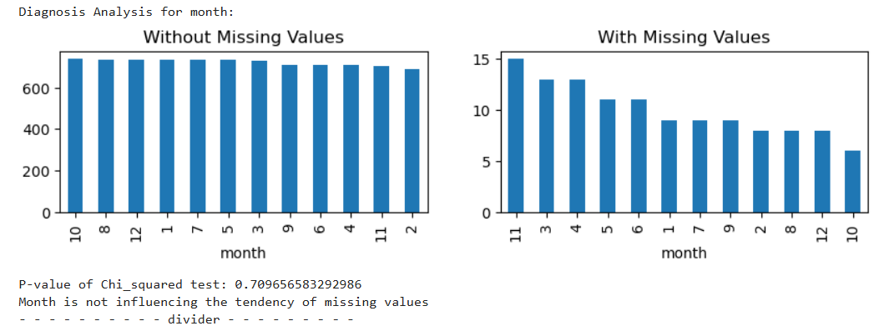
EDA | Distribution plot for classification models - Include the hue and kde to separate the the y values from the X vraiables - import seaborn as sns plt.figure(figsize=(12,8)) sns.displot(X_train, x = "fare", hue = y_train, kde=True) | Machine_Learning pg58 | 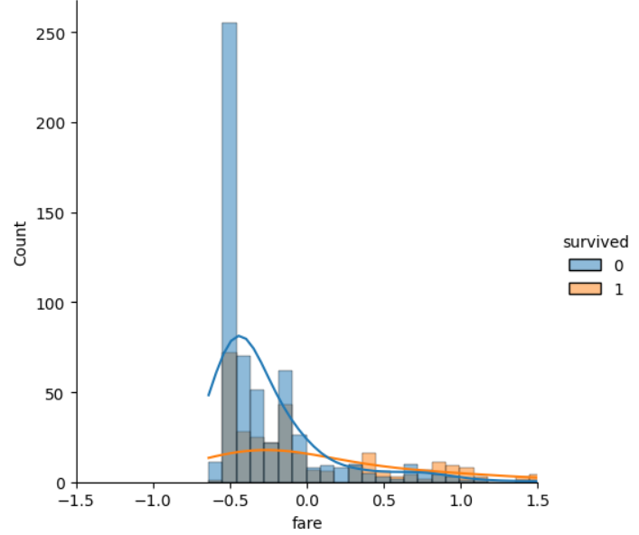
EDA | Multidimensional Viewing - RadViz - from pandas.plotting import radviz - Shows each sample in a circle with the features on the circumference - Radviz primarily works with numerical features - It helps in identifying clusters and relationships between data points. - Radviz allows for the visualization of high-dimensional data in a 2D space. - Spring Metaphor: Each data point is visualized as being attached to each of these anchors by springs. The stiffness of each spring is proportional to the value of the corresponding dimension for that data point. | Machine_Learning pg71 | 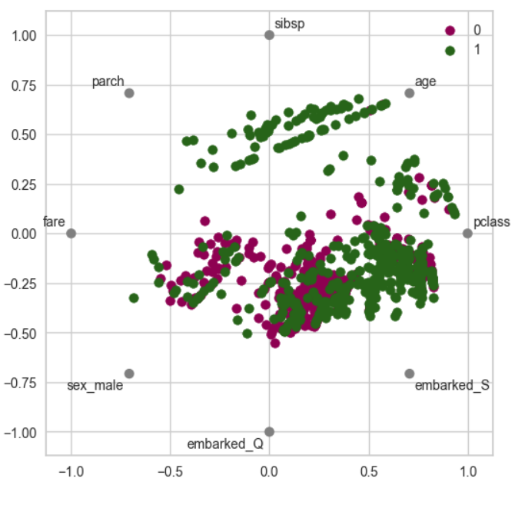
EDA | Multidimensional Viewing - Parallel Coordinates - from pandas.plotting import parallel_coordinates - By plotting all data points as polylines, patterns and relationships between variables become apparent. For example, if lines tend to cross at a particular point, it may indicate a correlation between those variables. - Each data point (or observation) is represented by a line that traverses all the axes. The position of the line on each axis corresponds to the value of that variable for the data point. - Anomaly Detection: Parallel coordinate plots can highlight anomalies and outliers that may not be evident in individual variable plots. Patterns that deviate from the norm can stand out in a PCP. | Machine_Learning pg74 | 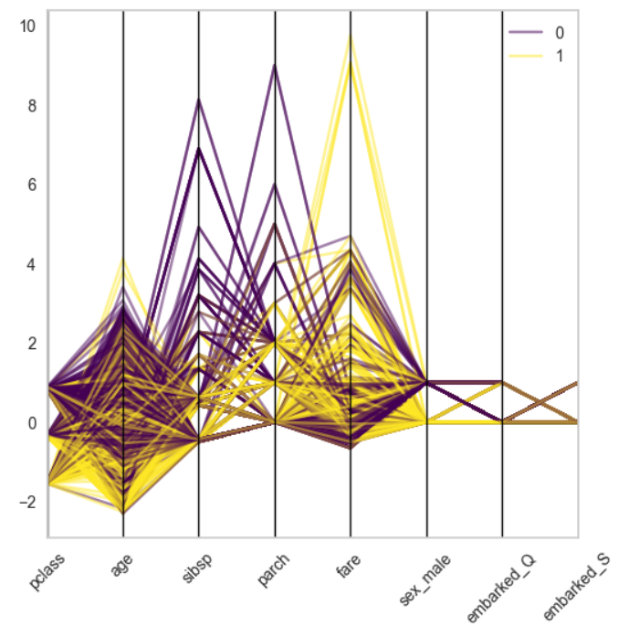
EDA | Create scatterplot of 2 variables to look for overlap depth # adding alpha in gives the initial values more transparency # when the values overlap, the overlap area gets darker showing higher density # 1 is complete opacity, 0 is complete invisibility housing.plot(kind='scatter',x='longitude', y='latitude', grid=True, alpha=0.2) ----------------------------------------------- housing.plot(kind='scatter', x='longitude', y='latitude', grid=True, s = housing['population'] / 100, label='population', c = housing['median_house_value'], cmap = 'jet', colorbar=True, legend=True, sharex=False, figsize=(10,7)) | Hands_On_Scikit pg61, 63 | 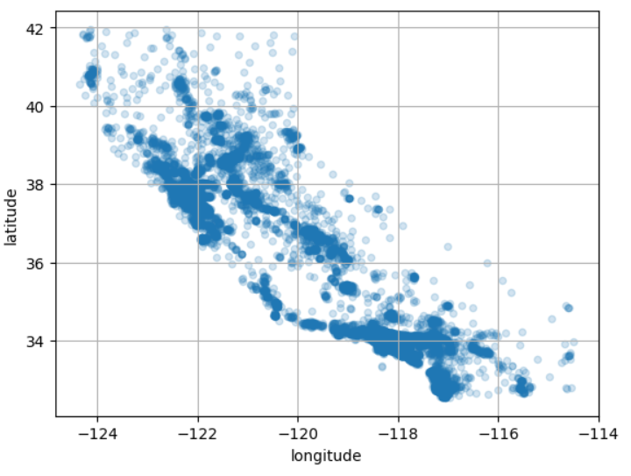 | 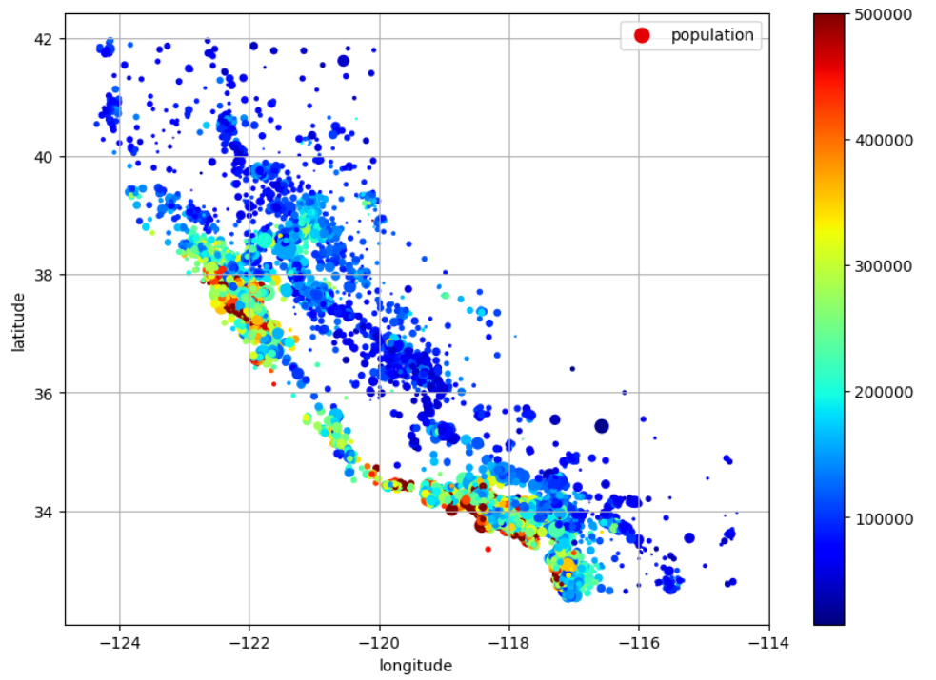
EDA | Scatter matrix / pairplot of columns from pandas.plotting import scatter_matrix attributes = ['median_house_value', 'median_income', 'total_rooms', 'housing_median_age'] scatter_matrix(housing[attributes],figsize=(12,8)) -------------------------------------------- sns.pairplot(uni_df) | Hands_On_Scikit pg64 Data_Preprocessing_Ch5 pg136 | 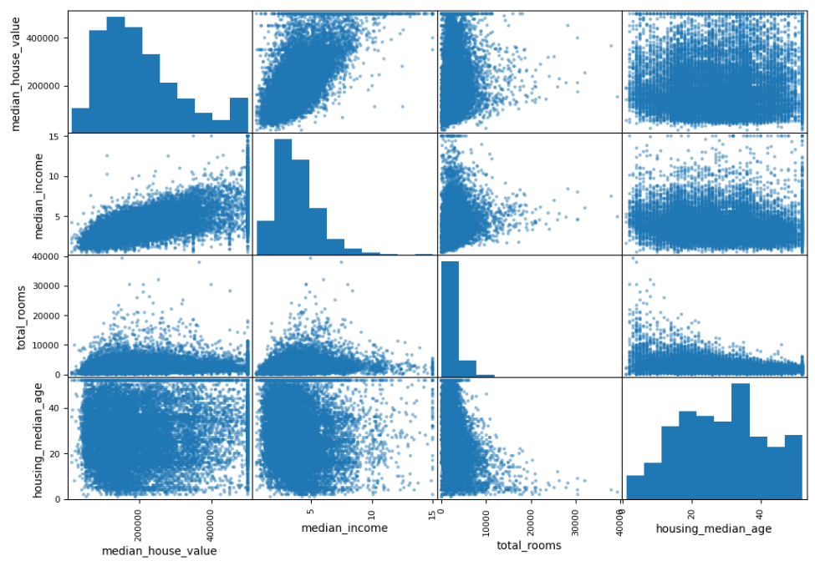 | 
EDA | Multivariate categorical contingency table between 2 binary attributes probability_tbl = contingency_tbl/contingency_tbl.sum() sns.heatmap(probability_tbl, annot=True, center=0.5, cmap='Greys') | Data_Preprocessing_Ch5 pg138 | 
EDA | Multivariate categorical contingency table between 2 non-binary attributes contingency_tbl = pd.crosstab(adult_df['occupation'], adult_df['race']) probability_tbl = contingency_tbl/contingency_tbl.sum() sns.heatmap(probability_tbl, annot=True, center=0.5, cmap='Greys') | Data_Preprocessing_Ch5 pg139 | 
EDA | Multivariate relationship between a numerical attribute and a categorical attribute using a heatmap age_discretized = pd.cut(adult_df.age, bins=5) contingency_tbl = pd.crosstab(age_discretized, adult_df.race) probability_tbl = contingency_tbl/contingency_tbl.sum() sns.heatmap(probability_tbl, annot=True) | Data_Preprocessing_Ch5 pg141 | 
EDA | Multivariate relationship between a numerical attribute and a categorical attribute using a scatterplot adult_df.plot.scatter(x='age', y='education-num') | Data_Preprocessing_Ch5 pg143 | 
EDA | Multivariate relationship of 3 attributes. plt.figure(figsize=(15,8)) year_poss = country_df['year'].unique() for i, yr in enumerate(year_poss): BM = country_df['year']== yr x = country_df[BM]['Healthy_life_expectancy_at_birth'] y = country_df[BM]['Log_GDP_per_capita'] plt.subplot(2,5,i+1) plt.scatter(x,y) plt.title(yr) plt.xlim([30,80]) plt.ylim([6,12]) | Data_Preprocessing_Ch5 pg147 | 
EDA | Multivariate line plot of time series data country_df = pd.read_csv('WH Report_preprocessed.csv') continent_poss = country_df['Continent'].unique() byContinentYear = country_df.groupby(['Continent','year'])['Perceptions_of_corruption'].mean() marker_options = ['o','^','P','8','s','p','*'] for i,c in enumerate(continent_poss): plt.plot([2010,2019], byContinentYear.loc[c,[2010,2019]], label=c, marker=marker_options[i]) plt.xticks([2010,2019]) plt.legend(bbox_to_anchor=(1.05, 1)) plt.title('Aggregated values per each continent in 2010 and 2019') plt.ylabel('Perceptions_of_corruption') | Data_Preprocessing_Ch5 pg155 | 
EDA | Numerical attributes using histogram and boxplot adult_df= pd.read_csv('adult.csv') numerical_attributes = ['age','fnlwgt','education-num', 'capitalGain','capitalLoss','hoursPerWeek'] for att in numerical_attributes: plt.figure(figsize=(10,3)) plt.subplot(1,2,1) adult_df[att].plot.hist() plt.subplot(1,2,2) adult_df[att].plot.box(vert=False) | Data_Preprocessing_Ch5 pg123
EDA | Category attributes using bar plot categorical_attributes = ['workclass','education','marital-status','occupation', 'relationship','race','sex','nativeCountry','income'] for att in categorical_attributes: adult_df[att].value_counts().plot.barh() plt.title(att) | Data_Preprocessing_Ch5 pg125 | 
EDA | Multivariate boxplots - 2D income_possibilities = adult_df['income'].unique() box_sr = pd.Series('',index = income_possibilities) for poss in income_possibilities: BM = adult_df.income == poss box_sr[poss] = adult_df[BM]['education-num'] plt.boxplot(box_sr, vert=False) plt.yticks([1,2], income_possibilities) | Data_Preprocessing_Ch5 pg126 | 
EDA | Multivariate boxplots - 3D select_columns = ['Call_Failure','Subscription_Length','Seconds_Of_Use', 'Frequency_of_use','Frequency_of_SMS','Distinct_Called_Numbers'] churn_possibilities = customer_df['Churn'].unique() plt.figure(figsize=(15,5)) for i, sc in enumerate(select_columns): for poss in churn_possibilities: BM = customer_df['Churn'] == poss box_sr[poss] = customer_df[BM][sc].values plt.subplot(2,3,i+1) plt.boxplot(box_sr, vert=False) plt.yticks([1,2],['Not Churn','Churn']) plt.title(sc) | Data_Preprocessing_Ch10 pg242
EDA | Multivariate boxplots - 3D select_attributes = ['Gender','Age','Experience','Weight'] for i, att in enumerate(select_attributes): plt.subplot(2,2,i+1) sns.boxplot(data = performance_df, y='Average_read', x=att -------------------------------------------- sns.boxplot(data = performance_df, y='Average_read', x='Experience', hue = 'Technique_id') | Data_Preprocessing_Ch12 pg353, 354 |  | 
EDA | Multivariate histograms overlapping income_possibilities = adult_df['income'].unique() for poss in income_possibilities: BM = adult_df.income == poss plt.hist(adult_df[BM]['education-num'], label=poss, histtype='bar') plt.legend() | Data_Preprocessing_Ch5 pg129 | 
EDA | Multivariate stacked bar chart adult_df.groupby(['race','income']).size().unstack().plot.barh(stacked=True) plt.legend(loc=4) | Data_Preprocessing_Ch5 pg134 | 
EDA | Multivariate scatterplot # Create scatterplot of the data using both hue and style with attributes sns.scatterplot(data = person_df, x='Height', y='Weight', hue = 'Condition', style = 'Gender') plt.legend(bbox_to_anchor=(1.05,1)) | Data_Preprocessing_Ch14 pg462 | 
EDA | Multivariate scatterplot # Create new field called Random to separate out the data more visually. # Has no other value than for separate points out more visually person_df['Random'] = np.random.random(len(person_df)) # Create a scatterplot of the BMI values by condition plt.figure(figsize=(12,2.5)) sns.scatterplot(data = person_df, x='BMI', y='Random', hue='Condition') plt.ylim([-0.25,1.25]) plt.xticks(np.linspace(10,80,15)) plt.yticks([]) plt.grid() plt.legend(bbox_to_anchor=(1.01, 1)) | Data_Preprocessing_Ch14 pg463
EDA | Multivariate Time Series Bar Chart W Legend import matplotlib.pyplot as plt column_order = vis_df.sum().sort_values(ascending=False).index row_order = speech_df.sort_values('Date')['Y_M'].unique() vis_df[column_order].loc[row_order].plot.bar(figsize=(10,4)) plt.legend(['vote','tax','campaign','economy'], ncol=2) plt.xlabel('Year_Month') plt.ylabel('Average Word Frequency') -------------------------------------------------------------- # Compare average NO2 per hour by location A, B, and C air_df.groupby(['hour'])[['NO2_Location_A','NO2_Location_B','NO2_Location_C']].mean().plot.bar() plt.show() | Data_Preprocessing_Ch10,11 pg229, 286 |  | 
Correlations | Create heatmap of variables corr_matrix = housing.corr(numeric_only=True) sns.heatmap(corr_matrix, annot=True, fmt='0.2f') | Machine_Learning pg69 Hands_On_Scikit pg63 |  | 
Outliers | Bivariate Outlier Detection - 2 numerical attributes response_df.plot.scatter(x='Height',y='Weight', figsize=(3,3)) | Data_Preprocessing_Ch11 pg297 | 
Outliers | Bivariate Outlier Detection - 2 categorical attributes # create heatmap of contingency table to look for outliers between 2 categories contingency_table = pd.crosstab(response_df['Education'],response_df['God']) sns.heatmap(contingency_table, annot=True, center=0.5, cmap="Blues") | Data_Preprocessing_Ch11 pg298 | 
Outliers | Bivariate Outlier Detection - 1 numerical and 1 categorical attributes fig = sns.boxplot(x=response_df['Age'], y=response_df['Education']) | Data_Preprocessing_Ch11 pg299 | 
Data Redundancy | Check for data redundancy among numerical attributes plt.figure(figsize=(20,20)) sns.heatmap(data=songIntegrate_df[df_num_list].corr(), annot=True, vmax=1, vmin=-1) | Data_Preprocessing_Ch12 pg374 | 
Data Redundancy | Check for data redundancy among numerical and catergorical attributes from scipy.stats import ttest_ind for n_att in df_num_list: sns.boxplot(data=songIntegrate_df, y=n_att, x='Explicit') plt.show() BM = songIntegrate_df['Explicit'] == True print(f"P-value: {ttest_ind(songIntegrate_df[BM][n_att],songIntegrate_df[~BM][n_att])[1]}") print('-----------------divide-------------------') | Data_Preprocessing_Ch12 pg375 | 
Attribute Relationships | Looking for relationship patterns between target and variable attributes from scipy.stats import ttest_ind for n_att in df_num_list: sns.boxplot(data=songIntegrate_df, y=n_att,x='Top_song') plt.show() BM = songIntegrate_df.Top_song == True print(f"P-value: {(ttest_ind(songIntegrate_df[BM][n_att],songIntegrate_df[~BM][n_att])[1])}") dic = {'not Top Song Median': songIntegrate_df[~BM][n_att].median(), 'Top Song Median': songIntegrate_df[BM][n_att].median()} print(dic) print('-----------------divide-------------------') | Data_Preprocessing_Ch12 pg377 | 

Functional Data Analysis (FDA) | Linear function of FDA def linearfunction(t,a,b): y = a + b*t return y for i, row in country_df.iterrows(): for h_i in happiness_index: x_data = range(10) y_data = row[h_i] p,c = curve_fit(linearfunction, x_data, y_data) fit_y = linearfunction(x_data, p[0], p[1]) rS = r2_score(y_data, fit_y) r_Squared_df.at[i,h_i] = rS sns.boxplot(data=r_Squared_df) plt.xticks(rotation=90) | Data_Preprocessing_Ch13 pg423 | 
 | Linear function of FDA def linearfunction(t,a,b): y = a + b*t return y # Create the a,b linear regression values for all countries and all happiness index values # a,b are the y = a + bx values # Determine the fitted y values bsed on the the linear functions # Create a boxplot for all the happiness index values of the countries for i, row in country_df.iterrows(): for h_i in happiness_index: x_data = range(10) y_data = row[h_i] p,c = curve_fit(linearfunction, x_data, y_data) fit_y = linearfunction(x_data, p[0], p[1]) rS = r2_score(y_data, fit_y) r_Squared_df.at[i,h_i] = rS plt.figure(figsize=(4,4)) sns.boxplot(data=r_Squared_df) plt.xticks(rotation=90, fontsize=7) | Data_Preprocessing_Ch13 pg425 | 
 | Exponential function of FDA # Create an exponential function def exponential(x, a, b): y = a*np.exp(b*x) return y # Create the x and y arrays y_data = price_df['Price'] x_data = range(len(y_data)) # Fit the x and y data to the exponential function using curve_fit p,c = curve_fit(exponential, x_data, y_data, p0=[50,0]) # Predict the fit_y values using the exponential function and intercept and coefficient fit_y = exponential(x_data, p[0], p[1]) # PLot the predicted results (fit_y) against the actual data plt.plot(x_data, y_data, label='Google Stock Price Data') plt.plot(x_data, fit_y, '--', label='fit') plt.xticks(np.linspace(1, len(y_data), 15), y_data.iloc[1::300].index,rotation=90) plt.legend() plt.show() # Print the r2 score print("r2_score:", r2_score(y_data, fit_y)) | Data_Preprocessing_Ch13 pg429 | 
 | Fourier function of FDA # Create a fourier function def fourier(x, a0, a1, b1, w): y = a0 + a1*np.cos(x*w) + b1*np.sin(x*w) return y # Create the x and y arrays y_data = noise_df.Signal x_data = range(len(y_data)) # Fit the x and y data to the fourier function using curve_fit p,c = curve_fit(fourier, x_data, y_data, p0=[10,1000,-400,0.3]) # Predict the fit_y values using the fourier function and intercept and coefficient fit_y = fourier(x_data, p[0], p[1], p[2], p[3]) # PLot the predicted results (fit_y) against the actual data plt.figure(figsize=(15,4)) plt.plot(x_data, y_data, label='Noise Data') plt.plot(x_data, fit_y, '--', label='fit') plt.legend() plt.show() # Print the r2 score print("r2_score:", r2_score(y_data, fit_y)) | Data_Preprocessing_Ch13 pg431
 | Sinusoidal function of FDA # Create a sinusoidal function def sinusoidal(x, a1, b1, c1): y = a1*np.sin(b1*x+c1) return y # Create the x and y arrays y_data = noise_df.Signal x_data = range(len(y_data)) # Fit the x and y data to the sinusoidal function using curve_fit p,c = curve_fit(sinusoidal, x_data, y_data, p0=[1000,0.25, 2.5]) # Predict the fit_y values using the sinusoidal function and intercept and coefficient fit_y = sinusoidal(x_data, p[0], p[1], p[2]) # PLot the predicted results (fit_y) against the actual data plt.figure(figsize=(15,4)) plt.plot(x_data, y_data, label='Noise Data') plt.plot(x_data, fit_y, '--', label='fit') plt.legend() plt.show() # Print the r2 score print("r2_score:", r2_score(y_data, fit_y)) | Data_Preprocessing_Ch13 pg432
 | Gaussian function of FDA # Create the gaussian function def gaussian(x,a1,b1,c1): y= a1*np.exp(-((x-b1)**2/2*c1**2)) return y # Create the x and y arrays y_data = covid_day_df.loc['2020-10-15':'2021-05-03'] x_data = range(len(y_data)) # Fit the x and y data to the gaussian function using curve_fit p,c = curve_fit(gaussian, x_data, y_data) # Predict the fit_y values using the gaussian function and intercept and coefficient fit_y = gaussian(x_data, p[0], p[1], p[2]) # PLot the data plt.plot(x_data, y_data, label='Hospitalization Data') plt.plot(x_data, fit_y, '--', label='fit') plt.legend() plt.show() # Print the r2 score print("r2_score:", r2_score(y_data, fit_y)) | Data_Preprocessing_Ch13 pg435 | 

Correspondence Analysis (CA) - For categorical data - For numerical use PCA | Plot the correspondence analysis with 2 components from adjustText import adjust_text # Load housetasks data housetasks = pd.read_csv('housetasks.csv', index_col=0) # Build a correspondence model with 2 components ca = prince.CA(n_components=2) ca = ca.fit(housetasks) # Plot the row coordinates ax = ca.row_coordinates(housetasks).plot.scatter(x=0, y=1, figsize=(5,5)) # Plot the column coordinates ca.column_coordinates(housetasks).plot.scatter(x=0, y=1, ax=ax, c="C1") texts=[] for idx, row in ca.row_coordinates(housetasks).iterrows(): texts.append(plt.text(row[0],row[1],idx)) for idx, row in ca.column_coordinates(housetasks).iterrows(): texts.append(plt.text(row[0], row[1], idx, color="C1")) adjust_text(texts, only_move={"points":"y", "texts":"y"}) | Practical_Stastics pg293 | 

