visualization choices
Choose the Right Chart Type for Your Data - Tableau
Chart suggestion as a thought-starter

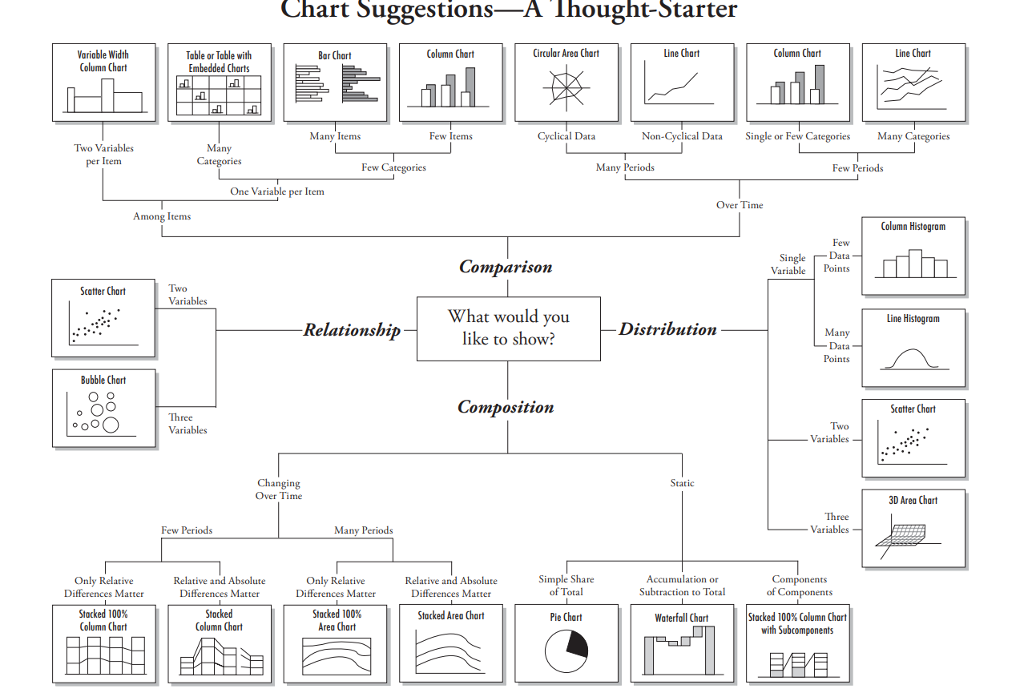

Univariate Data Visualizations
Analyzing one variable
Univariate Data Visualization: Understanding Matplotlib & Seaborn (analyticsvidhya.com) |  |  |  | Univariate data refers to a type of data in which each observation or data point corresponds to a single variable. In other words, it involves the measurement or observation of a single characteristic or attribute for each individual or item in the dataset.
Univariate, Bivariate and Multivariate data and its analysis - GeeksforGeeks
Univariate Data Exploration with Matplotlib & Seaborn | by Tristen Wallace | Medium
 | Univariate Enumerative Plots: | Line Plot | plt.plot()
 |  |  | sns.lineplot() | A line chart reveals trends or changes over time. Line charts can be used to show associations within a continuous data set and can be applied to a wide variety of categories, including a daily number of customers to a shop or variations in gold prices.
 |  | Scatter Plot | plt.scatter() | Scatter charts are essentially used for correlation and distribution analysis. Good for showing the relationship between two separate variables where one correlates to another (or doesn’t). Scatter charts can also show the data distribution or clustering trends and help you identify anomalies or outliers.
 |  |  | sns.scatterplot() | Scatter charts are essentially used for correlation and distribution analysis. Good for showing the relationship between two separate variables where one correlates to another (or doesn’t). Scatter charts can also show the data distribution or clustering trends and help you identify anomalies or outliers.
 |  | Strip Plot | sns.stripplot()
 |  | Swarm Plot | sns.swarmplot()
 | Univariate Summary Plots: | Box Plots | plt.boxplot()
 |  |  | sns.boxplot()
 |  | Density Plots | df.plot(kind='density')
 |  |  | sns.kdeplot()
 |  | Histograms | plt.hist()
 |  |  | sns.distplot() | The distplot() function of seaborn library was earlier mentioned under rug plot section. This function combines the matplotlib hist() function with the seaborn kdeplot() and rugplot() functions. A kernel density estimate can be plotted along with the rugs which can provide a better understanding of the data. Sns.distplot(df['sepal.length'], rug=True, hist=False
 |  |  | sns.histplot()
 |  | Rug Plot | sns.rugplot()
 |  | Sns.distplot | sns.distplot()
 |  | Violin Plots | plt.violinplot()
 |  |  | sns.violinplot()
 | Categorical Variables: | Bar Charts | plot.bar() | A column chart is used to show a comparison among different items, or it can show a comparison of items over time. Use stacked column charts to show a composition. Do not use too many composition items (not quite three or four) and confirm that. composing parts are relatively similar in size. It can get messy very quickly. A bar chart, basically a horizontal column chart, should be used to avoid clutter when one data label is long or if you have got more than 10 items to match/differentiate. This type of visualization can also be used to display negative numbers.
 |  |  | sns.countplot() | Visualize the distributions of categorical variable
 |  |  | plt.bar() | A column chart is used to show a comparison among different items, or it can show a comparison of items over time. Use stacked column charts to show a composition. Do not use too many composition items (not quite three or four) and confirm that. composing parts are relatively similar in size. It can get messy very quickly. A bar chart, basically a horizontal column chart, should be used to avoid clutter when one data label is long or if you have got more than 10 items to match/differentiate. This type of visualization can also be used to display negative numbers.
 |  | Pie Chart | plt.pie() | Pie charts are used to show segments of an entity(whole). A pie chart illustrates numbers in percentages, and the total sum of all the divided sections equals 100 per cent.

Bivariate Data Visualizations |  |  |  | Bivariate data involves two different variables, and the analysis of this type of data focuses on understanding the relationship or association between these two variables
 | Categorical vs Numerical Qualitative vs Quantitative |  |  | To be able to visualize the relationship between a categorical attribute and a numeric attribute, one of the attributes has to be transformed into the other type of attribute. Almost always, it is best to transform the numerical attribute into a categorical one, and then use a contingency table to examine the relationship between the two attributes If the categorical attribute is ordinal (1,2,3...) and not nominal (blue, brown, black), the categorical attribute can be made numerical by using the default method called ranking transformation | ddp pg141-143
 |  | Bar Plot | sns.barplot(x=data[categorical], y=data[numerical]) | A column chart is used to show a comparison among different items, or it can show a comparison of items over time. Use stacked column charts to show a composition. Do not use too many composition items (not quite three or four) and confirm that. composing parts are relatively similar in size. It can get messy very quickly. A bar chart, basically a horizontal column chart, should be used to avoid clutter when one data label is long or if you have got more than 10 items to match/differentiate. This type of visualization can also be used to display negative numbers.
 |  | Box Plot | plt.boxplot() | To check specifically for outliers
 |  |  | sns.boxplot() | To check specifically for outliers
 |  | Violin Plot | plt.violinplot() | To check specifically for outliers
 |  |  | sns.violinplot() | To check specifically for outliers
 | Numerical vs Numerical Quantitative vs Quantitative |  |  | Best tool for analyzing 2 numerical attributes is the scatter plot. A scatter matrix can analyze multiple numerical attributes at once | ddp pg135
 |  | Heat Maps | sns.heatmap(data.corr(), annot=True) | Correlate the numerical data first and then create the heatmap using the correlated data
 |  | Pair Plot | sns.pairplot() | Investigate the relationship between 2 attributes when there are multiple numerical attributes in the data | ddp pg135
 |  | Scatter Plot | sns.scatterplot(x=data[numerical], y=data[numerical]) | Scatter charts are essentially used for correlation and distribution analysis. Good for showing the relationship between two separate variables where one correlates to another (or doesn’t). Scatter charts can also show the data distribution or clustering trends and help you identify anomalies or outliers.
 |  |  | plt.scatter() | Scatter charts are essentially used for correlation and distribution analysis. Good for showing the relationship between two separate variables where one correlates to another (or doesn’t). Scatter charts can also show the data distribution or clustering trends and help you identify anomalies or outliers.
 | Categorical vs Categorical Qualitative sv Qualitative |  |  | The best visual tool for examining the relationship between two categorical attributes is the color-coded contingency table. A contingency table is a matrix that shows the frequency of data objects in all the possible value combinations of two attributes.
 |  | Heat Maps | contingency_tbl = pd.crosstab(adult_df.income, adult_df.sex) probability_tbl = contingency_tbl/contingency_tbl.sum() sns.heatmap(probability_tbl, annot=True, center=0.5, cmap='Greys') | Create a contingency table from the categorical data. Then create a probability table to put things into numbers for a heatmap | 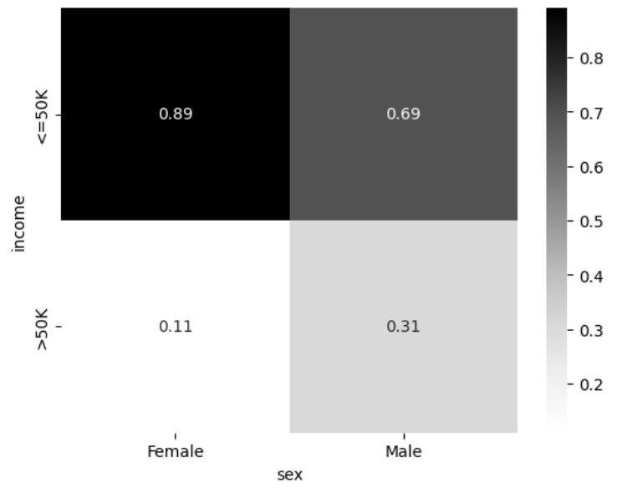 ddp pg137-138
 |  | Bar Chart | sns.countplot(df[category1], hue=df[category2]) | A column chart is used to show a comparison among different items, or it can show a comparison of items over time. Can also create a clustered bar chart (assign a categorical variable to hue) or a stacked bar chart (2 bar plots with different colors) Use stacked column charts to show a composition. Do not use too many composition items (not quite three or four) and confirm that. composing parts are relatively similar in size. It can get messy very quickly. A bar chart, basically a horizontal column chart, should be used to avoid clutter when one data label is long or if you have got more than 10 items to match/differentiate. This type of visualization can also be used to display negative numbers.
 |  | Clustered Bar Chart |  | A column chart is used to show a comparison among different items, or it can show a comparison of items over time. Can also create a clustered bar chart (assign a categorical variable to hue) or a stacked bar chart (2 bar plots with different colors) Use stacked column charts to show a composition. Do not use too many composition items (not quite three or four) and confirm that. composing parts are relatively similar in size. It can get messy very quickly. A bar chart, basically a horizontal column chart, should be used to avoid clutter when one data label is long or if you have got more than 10 items to match/differentiate. This type of visualization can also be used to display negative numbers.
 | add pairplot()
 | add jointplot()
 | add lmplot() – Scatter plot with a best fit line
 | add stripplot() |  |  | Scatter plot across a categorical variable (also helps in checking for outliers)
 | add swarmplot() |  |  | Scatter plot across a categorical variable (also helps in checking for outliers)
 | add lineplot() |  |  | Best when looking at trends (Time-related variable along the x-axis). Best way to visualie time series data | ddp pg153
 | add catplot() |  |  | Analysing a quantitative variable across 2 categorical variables with one variable having a high number of categories
 | add factorplot() |  |  | Analysing a quantitative variable across 2 categorical variables with one variable having a high number of categories

Multivariate Analysis |  |  |  | When dealing with three or more variables, the data is specifically categorized as multivariate.
 |  | PCA | sns.scatterplot(x= , y=, hue=)
 |  | HeatMap | sns.heatmap(data.corr(), annot=True)
 | corr() – Correlation matrix followed by
 | heatmap() – Visualize the correlation matrix
 | pairplot() – Combination of Scatter plots and individual histogram plots for all numerical

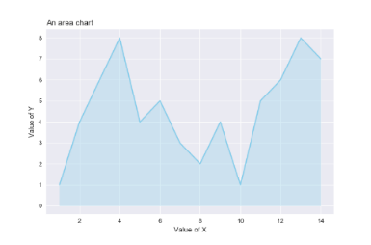
f) Area Charts
An area chart is essentially a line chart, but the space between the x-axis and the line is filled up with a colour or pattern.
It is useful for showing part-to-whole associations, like showing individual sales reps' contribution to total sales for a year.
It helps you analyze both overall & individual trend details.

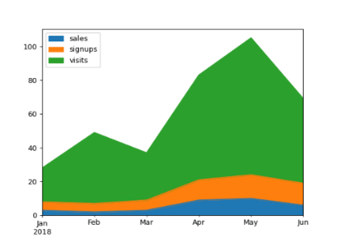

g) Stacked Area
Stacked area charts are best used to show changes in information over time.
A good example would be the changes in market share among top players or revenue shares by product line over a period of time.
Stacked area charts might be colourful and fun, but you should use them with attention because they can quickly become a mess.
Don’t stack together more than three to five categories.

Data Visualization do's and don'ts - A general diagnosis
Time axis. When applying time in charts, set it on the horizontal axis. Time should run from left to right. Do not pass over values (time periods), even if there are no values.
Proportional values. The numbers in a chart (displayed as bar, area, or other physically measured elements in the chart) should be directly proportional to the numerical quantities presented.
Data-Ink Ratio. Remove any excess details, lines, colours, and text from a chart that does not add value.
Sorting. For column and bar charts, to enable easier differentiation/comparison, sort your data in ascending or descending order by the value, not alphabetically. This applies also to pie charts.
You don’t need a legend if you have got only one data category.
Labels. Use labels directly on the line, column, bar, pie, etc., whenever possible, to keep away from indirect look-up.
Colours. In any chart, don’t use more than six-seven colours.
Colours. For differentiating the same value at different time periods, use the same colour in a different intensity (from light to dark).
Colours. For distinct categories, use different colours. The most widely used colours are white, black, red, green, blue, and yellow.
Colours. Retain the same colour palette or style for all charts in the series, and the same axes and labels for similar charts to make your charts consistent and easy to compare.
Examine how your charts would look when printed out in grey-scale. If you cannot identify colour differences, you should change the hue and saturation of colours.
Seven to ten percent of male have a colour deficiency. Keep that in mind when creating charts, making sure they are readable for colour-blind people.
Data Complexity. Don’t add too much detail to a single chart. If required, split data into two charts, use highlighting, simplify colours, or change the chart type.

Axes Plots
Matplotlib.pyplot
Type | Name | Arguments | Description | URL | Examples
Axes Plots | matplotlib.axes.Axes.plot | Axes.plot(self, *args, scalex=True, scaley=True, data=None, **kwargs)[source] | Plot y versus x as lines and/or markers. Usually used for time series data When a line plot is first introduced, you eithr explicitly introduct the x-axis to the plt.plot() function, or the function assumes the integer values starting from zero to the number values inputted for plotting minus one | matplotlib.axes.Axes.plot — Matplotlib 3.1.0 documentation | fix, ax = plt.subplots(figsize=(8,8)) ax.plot(auto['horsepower'], auto['mpg'], 'o'); --------------------------------------------------- df.groupby("K_means_segments").mean().plot.bar(figsize=(15, 6)) _______________________________________ fig, ax = plt.subplots(figsize=(6,4)) resids = bos_y_test - rfr.predict(bos_X_test) pd.Series(resids, name="residuals").plot.hist( bins=20, ax=ax, title="Residual Histogram") | islp pg 61 GL_Unsupervised_Wk1_Engineering Machine_Learning_Pocket_Ref pg228
 | matplotlib.axes.Axes.add_patch() | Axes.add_patch(p) | Add a Patch to the Axes; return the patch. | matplotlib.axes.Axes.add_patch — Matplotlib 3.10.0 documentation | ellipse = Ellipse(xy=newloan.values[0], width=2 * maxDistance, height=2 * maxDistance, edgecolor='black', fc='None', lw=1) ax.add_patch(ellipse) | Practical_Statistics pg240-241
 | matplotlib.axes.Axes.boxplot | Axes.boxplot(self, x, notch=None, sym=None, vert=None, whis=None, positions=None, widths=None, patch_artist=None, bootstrap=None, usermedians=None, conf_intervals=None, meanline=None, showmeans=None, showcaps=None, showbox=None, showfliers=None, boxprops=None, labels=None, flierprops=None, medianprops=None, meanprops=None, capprops=None, whiskerprops=None, manage_ticks=True, autorange=False, zorder=None, *, data=None) | Make a box and whisker plot for each column of x or each vector in sequence x. The box extends from the lower to upper quartile values of the data, with a line at the median. The whiskers extend from the box to show the range of the data. Flier points are those past the end of the whiskers. | matplotlib.axes.Axes.boxplot — Matplotlib 3.1.0 documentation | fig, ax = plt.subplots(figsize=(8,8)) auto.boxplot('mpg', by='cylinders', ax=ax); | islp pg 62
 | matplotlib.axes.Axes.countour() | Axes.contour(self, *args, data=None, **kwargs) | contour and contourf draw contour lines and filled contours, respectively. Except as noted, function signatures and return values are the same for both versions. | matplotlib.axes.Axes.contour — Matplotlib 3.1.0 documentation | mean = [0.5, -0.5] cov = [[1,1], [1,2]] probability = [0.5, 0.75, 0.95, 0.99] def probLevel(p): D=1 return (1-p)/ (2*math.pi * D) levels = [probLevel(p) for p in probability] fig, ax = plt.subplots(figsize=(4,4)) x, y = np.mgrid[-2.8:3.8:0.01, -5:4:0.01] pos = np.empty(x.shape + (2,)) pos[:, :, 0] = x; pos[:,:,1] = y rv = multivariate_normal(mean, cov) CS = ax.contour(x, y, rv.pdf(pos), cmap=cm.GnBu, levels=50) ax.contour(CS, levels=levels, colors=["black"]) ax.plot(*mean, color="black", marker='o') plt.tight_layout() plt.show() | Practical_Statistics pg312 | 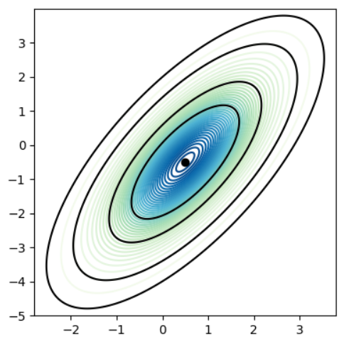
 | matplotlib.axes.Axes.countourf() | Axes.contourf(self, *args, data=None, **kwargs) | contour and contourf draw contour lines and filled contours, respectively. Except as noted, function signatures and return values are the same for both versions. | matplotlib.axes.Axes.contourf — Matplotlib 3.1.0 documentation | mean = [0.5, -0.5] cov = [[1,1], [1,2]] probability = [0.5, 0.75, 0.95, 0.99] def probLevel(p): D=1 return (1-p)/ (2*math.pi * D) levels = [probLevel(p) for p in probability] fig, ax = plt.subplots(figsize=(5,5)) x, y = np.mgrid[-2.8:3.8:0.01, -5:4:0.01] pos = np.empty(x.shape + (2,)) pos[:, :, 0] = x; pos[:,:,1] = y rv = multivariate_normal(mean, cov) CS = ax.contourf(x, y, rv.pdf(pos), cmap=cm.GnBu, levels=50) ax.contour(CS, levels=levels, colors=["black"]) ax.plot(*mean, color="black", marker='o') plt.tight_layout() plt.show() | Practical_Statistics pg312 | 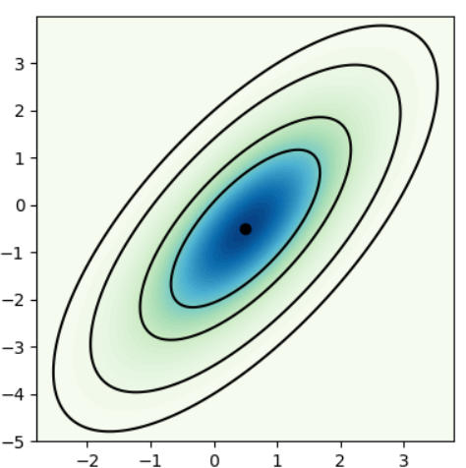
 | matplotlib.axes.Axes.hist() | Axes.hist(self, x, bins=None, range=None, density=None, weights=None, cumulative=False, bottom=None, histtype='bar', align='mid', orientation='vertical', rwidth=None, log=False, color=None, label=None, stacked=False, normed=None, *, data=None, **kwargs) | Compute and draw the histogram of x. The return value is a tuple (n, bins, patches) or ([n0, n1, ...], bins, [patches0, patches1,...]) if the input contains multiple data. See the documentation of the weights parameter to draw a histogram of already-binned data. Multiple data can be provided via x as a list of datasets of potentially different length ([x0, x1, ...]), or as a 2-D ndarray in which each column is a dataset. Note that the ndarray form is transposed relative to the list form. | matplotlib.axes.Axes.hist — Matplotlib 3.1.0 documentation | import matplotlib.ticker as ticker salaries = [1215, 1221, 1263, 1267, 1271, 1274, 1275, 1318, 1320, 1324, 1324, 1326, 1337, 1346, 1354, 1355, 1364, 1367, 1372, 1375, 1376, 1378, 1378, 1410, 1415, 1415, 1418, 1420, 1422, 1426, 1430, 1434, 1437, 1451, 1454, 1467, 1470, 1473, 1477, 1479, 1480, 1514, 1516, 1522, 1529, 1544, 1547, 1554, 1562, 1584, 1595, 1616, 1626, 1717] fig, ax = plt.subplots() fig.set_size_inches(5.6, 4.2) ax.hist(salaries, bins=np.arange(1100,1900,50), edgecolor='black', linewidth=1.2) formatter = ticker.FormatStrFormatter('$%1.0f') ax.xaxis.set_major_formatter(formatter) plt.title("Monthly Salaries in the Sales Department") plt.xlabel("Salary (bin size=$50)") plt.ylabel("Frequency") | Python_for_Data_Science pg134 | 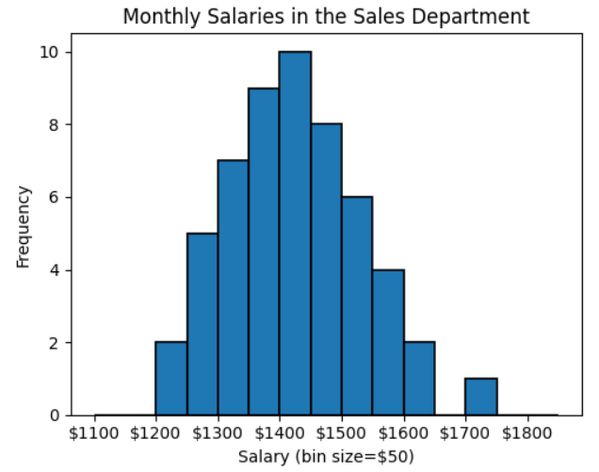
 | Hist() continued |  |  |  | fig, ax = plt.subplots(figsize=(6,4)) ax.hist(dicesum, bins=range(2,14), align="left") mu=7 sigma=2.5 x=np.linspace(mu-2*sigma, mu+2*sigma, 100)*1 plt.plot(x, stats.norm.pdf(x,mu,sigma)*numberofrolls, linewidth=5) plt.show() --------------------------------------------------- dicesumboth=dicesum+dicesum12 fig, ax = plt.subplots(figsize=(6,4)) ax.hist(dicesumboth,bins=range(2,32),align="left") mu=np.mean(dicesum12) sigma=np.std(dicesum12) x=np.linspace(mu-2*sigma, mu+2*sigma,100)*1 plt.plot(x, stats.norm.pdf(x,mu,sigma)*numberofrolls, linewidth=5) mu=np.mean(dicesum) sigma=np.std(dicesum) x=np.linspace(mu-2*sigma, mu+2*sigma,100)*1 plt.plot(x, stats.norm.pdf(x,mu,sigma)*numberofrolls, linewidth=5) plt.show() | Python_for_Data_Science pg145, 148 | 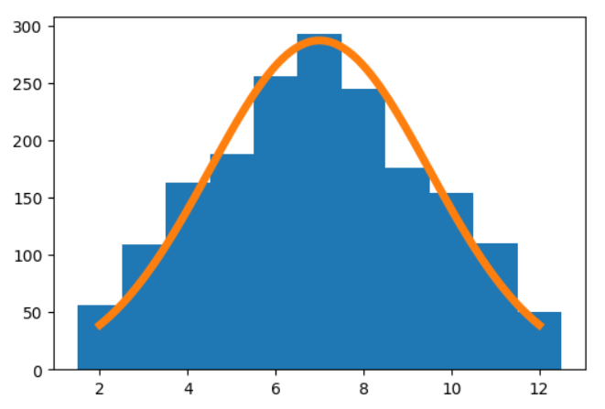 | 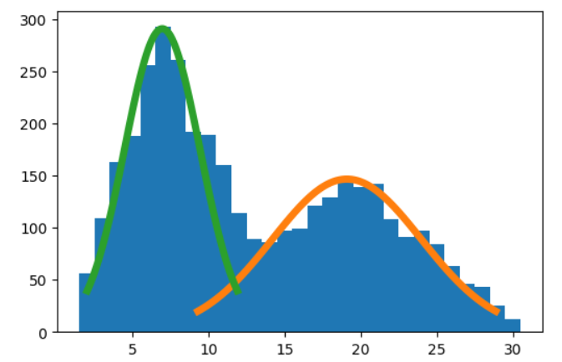
 | matplotlib.axes.Axes.scatter | Axes.scatter(self, x, y, s=None, c=None, marker=None, cmap=None, norm=None, vmin=None, vmax=None, alpha=None, linewidths=None, verts=None, edgecolors=None, *, plotnonfinite=False, data=None, **kwargs) | A scatter plot of y vs x with varying marker size and/or color | matplotlib.axes.Axes.scatter — Matplotlib 3.1.0 documentation | ax = auto.plot.scatter('horsepower','mpg', marker='x'); # create 3 subplots fig, axes = plt.subplots(ncols=3, figsize=(15,3)) # create a scatterplot on the third plot auto.plot.scatter('horsepower','mpg', ax=axes[2]); --------------------------------------------------------------- infl = results.get_influence() ax = subplots(figsize=(8,8))[1] ax.scatter(np.arange(x.shape[0]), infl.hat_matrix_diag) ax.set_xlabel('Index') ax.set_ylabel('Leverage') np.argmax(infl.hat_matrix_diag) | islp pg 61, islp 122

Figure
Matplotlib.pyplot
Type | Name | Arguments | Description | URL | Examples
Figure Layout | matplotlib.figure.Figure() | matplotlib.figure.Figure(figsize=None, dpi=None, *, facecolor=None, edgecolor=None, linewidth=0.0, frameon=None, subplotpars=None, tight_layout=None, constrained_layout=None, layout=None, **kwargs) | The top level container for all the plot elements. Figsize=(x,x) numbers used are based on inches The default value for figsize is(6,4) | matplotlib.figure.Figure — Matplotlib 3.9.0 documentation | plt.figure(figsize=(20,7)) | GL_Wk3_Visualizations
 | matplotlib.figure.Figure.colorbar() | Figure.colorbar(mappable, cax=None, ax=None, use_gridspec=True, **kwargs) | Add a colorbar to a plot. | matplotlib.figure.Figure.colorbar — Matplotlib 3.9.0 documentation | plt.colorbar(); # adds a separate axis indicating the color scale in this plot | GL_Wk3_Visualizations | 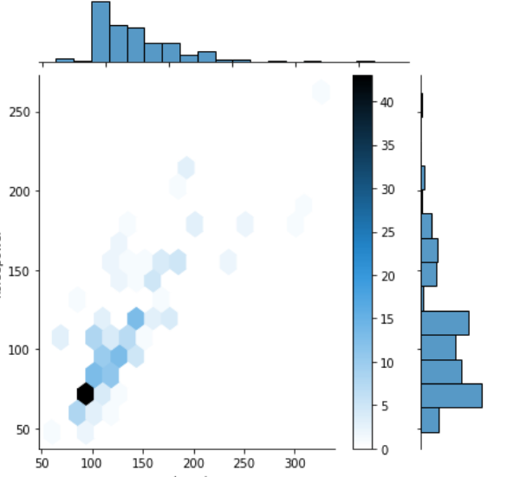
 | matplotlib.figure.Figure.legend() | Figure.legend(*args, **kwargs) | Place a legend on the figure. | matplotlib.figure.Figure.legend — Matplotlib 3.9.0 documentation | plt.legend(bbox_to_anchor=[1, 1]); #another way to change the legend's location in the plot ax.legend([]) # takes list of the legend values plt.legend(loc=___) upper left', 'upper right', 'lower left', 'lower right', 'center', 'best', etc. -------------------------------------------------------------------------- plt.plot(amz_df.Close, label='Amazon') # the label must be added for the legend plt.plot(apl_df.Close, label='Apple') # the label must be added for the legend plt.title('Line plots of Amazon and Apple stock prices from 2000 to 2020') plt.ylabel('Closing Price') plt.legend() # must have the label values added to the plot lines plt.show() | GL_Wk3_Visualizations dpp pg61
 | matplotlib.figure.Figure.savefig() | savefig(fname, dpi=None, facecolor='w', edgecolor='w', orientation='portrait', papertype=None, format=None, transparent=False, bbox_inches=None, pad_inches=0.1, frameon=None, metadata=None) | Save the current figure If dpi=999 is included, this is the DPI resolution The default value for DPI is 600 | matplotlib.figure.Figure — Matplotlib 3.1.0 documentation | fig = ax.figure fig.savefig('horsepower_mpg.png'); ------------------------------------------------ numerical_attributes = ['age','fnlwgt','education-num', 'capitalGain','capitalLoss','hoursPerWeek'] for att in numerical_attributes: plt.figure(figsize=(10,3)) plt.subplot(1,2,1) adult_df[att].plot.hist() plt.subplot(1,2,2) adult_df[att].plot.box(vert=False) plt.tight_layout() plt.show() plt.savefig('{}test.png'.format([att]), dpi=600) | islp pg 61 dpp pg123
 | matplotlib.figure.Figure.sca() | Figure.sca(a) | Set the current Axes to be a and return a. | matplotlib.figure.Figure.sca — Matplotlib 3.10.3 documentation | fig, axes = plt.subplots(ncols=2, figsize=(10,2.7), sharey=True) plt.sca(axes[0]) plt.sca(axes[1]) | Handson_Scikit_Keras_Tensorflow pg177
 | matplotlib.figure.Figure.show() | Figure.show(warn=True) | If using a GUI backend with pyplot, display the figure window. | matplotlib.figure.Figure.show — Matplotlib 3.9.0 documentation | plt.show() | GL_Wk3_Visualizations
 | matplotlib.figure.Figure.suptitle() | Figure.suptitle(t, **kwargs) | Add a centered suptitle to the figure. Adds a title to a multi-columned report | matplotlib.figure.Figure.suptitle — Matplotlib 3.9.1 documentation | ax.fig.suptitle('Conversions by Preferred Languages', fontsize=14) ---------------------------------------------------------- plt.suptitle("Boxplot of numerical variables for each cluster") | Gl_Stats_Learner_Project GL_Unsupervised_Wk1_Engineer

Image
Matplotlib.image
Type | Name | Arguments | Description | URL | Examples
Image
 | matplotlib.image.imread() | matplotlib.image.imread(fname, format=None) | Read an image from a file into an array. Matplotlib can only read PNGs natively. Further image formats are supported via the optional dependency on Pillow. Note, URL strings are not compatible with Pillow. | matplotlib.image — Matplotlib 3.1.0 documentation | import matplotlib.image as mpimg img = mpimg.imread(IMAGES_PATH/"iris_tree.png") plt.imshow(img) plt.show() | 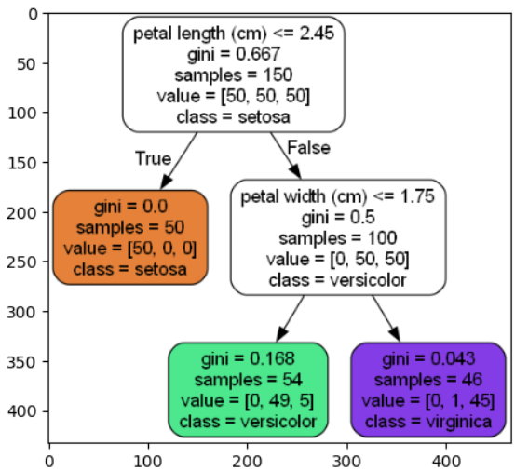

Patches
Matplotlib.pyplot
Type | Name | Arguments | Description | URL | Examples
Patches | matplotlib.patches.ax() | matplotlib.patches.Patch(*, edgecolor=None, facecolor=None, color=None, linewidth=None, linestyle=None, antialiased=None, hatch=None, fill=True, capstyle=None, joinstyle=None, **kwargs) | A patch is a 2D artist with a face color and an edge color. If any of edgecolor, facecolor, linewidth, or antialiased are None, they default to their rc params setting. | matplotlib.patches.Patch — Matplotlib 3.10.0 documentation | for p in ax.patches: if perc == True: label = "{:.1f}%".format( 100 * p.get_height() / total ) # percentage of each class of the category else: label = p.get_height() # count of each level of the category x = p.get_x() + p.get_width() / 2 # width of the plot y = p.get_height() # height of the plot ax.annotate( label, (x, y), ha="center", va="center", size=12, xytext=(0, 5), textcoords="offset points", ) # annotate the percentage | GL_Supervised_Wk1_Anime
 | matplotlib.patches.Arrow() | matplotlib.patches.FancyArrowPatch(posA=None, posB=None, *, path=None, arrowstyle='simple', connectionstyle='arc3', patchA=None, patchB=None, shrinkA=2, shrinkB=2, mutation_scale=1, mutation_aspect=1, **kwargs) | A fancy arrow patch. | matplotlib.patches.FancyArrowPatch — Matplotlib 3.10.0 documentation | plt.figure(figsize=(20,30)) out = tree.plot_tree( model, feature_names=feature_names, filled=True, fontsize=9, node_ids = True, class_names=True ) for o in out: arrow = o.arrow_patch if arrow is not None: arrow.set_edgecolor("black") arrow.set_linewidth(1) plt.show() | GL_Classification_Wk2_Loan_Delinquent
 | matplotlib.patches.Circle() | matplotlib.patches.Circle(xy, radius=5, **kwargs) | A circle patch. Create a true circle at center xy = (x, y) with given radius. | matplotlib.patches.Circle — Matplotlib 3.10.0 documentation | # this is add a second empty tuple center = centers[i] radius = radii[i] itin=[0,1,2,0] thelines = genlines(triangle, itin) xs=[triangle[0][0], triangle[1][0], triangle[2][0]] ys=[triangle[0][1], triangle[1][1], triangle[2][1]] lc = mc.LineCollection(genlines(triangle,itin), linewidths=2) ax.add_collection(lc) ax.margins(0.1) pl.scatter(xs,ys) pl.scatter(center[0],center[0]) circle=pl.Circle(center, radius, color='b', fill=False) ax.add_artist(circle) | Dive_into_Algorithms pg133 | 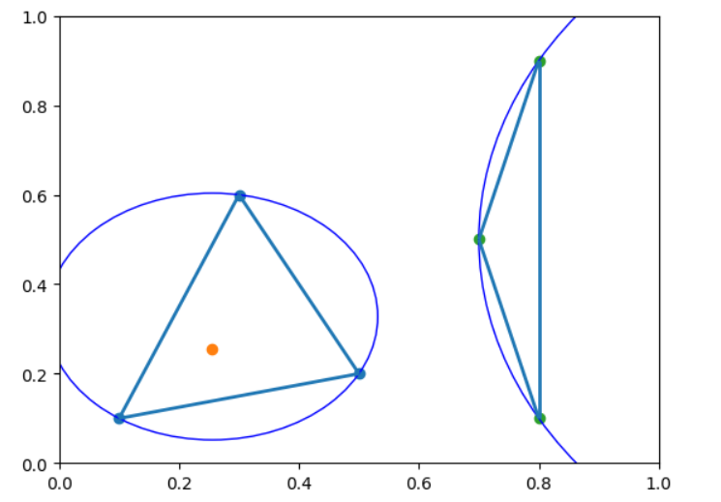
 | matplotlib.patches.Ellipse() | matplotlib.patches.Ellipse(xy, width, height, *, angle=0, **kwargs) | A scale-free ellipse. | matplotlib.patches.Ellipse — Matplotlib 3.10.0 documentation | ellipse = Ellipse(xy=newloan.values[0], width=2 * maxDistance, height=2 * maxDistance, edgecolor='black', fc='None', lw=1) ax.add_patch(ellipse) | Practical_Statistics pg240-241
 | matplotlib.patches.FancyArrow() | matplotlib.patches.FancyArrow(x, y, dx, dy, *, width=0.001, length_includes_head=False, head_width=None, head_length=None, shape='full', overhang=0, head_starts_at_zero=False, **kwargs) | Like Arrow, but lets you set head width and head height independently. | matplotlib.patches.FancyArrow — Matplotlib 3.10.1 documentation | # add a curved arrow to plot plt.gca().add_patch(patches.FancyArrowPatch( (0.79, 0.60), (0.61, 0.78), connectionstyle="arc3,rad=.2", arrowstyle="Simple, tail_width=1.5, head_width=8, head_length=10", color="#444444")) | Hands_On_Scikit_Keras_Tensorflow pg114 | 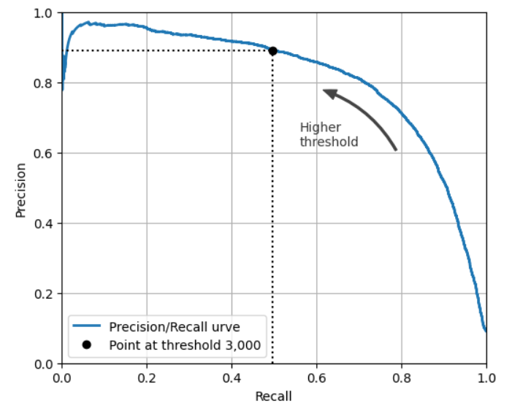

Pyplot Layouts
Matplotlib.pyplot
Type | Name | Arguments | Description | URL | Examples
Pyplot Layout | matplotlib.pyplot.cm.brg | matplotlib.pyplot.cm.brg | matplotlib.pyplot.cm.brg is a colormap in Matplotlib that cycles through blue, red, and green. It is useful for visualizing data where the order of colors is important, or for emphasizing cyclical patterns. When applied to a dataset, lower values are represented by blue, intermediate values by red, and higher values by green, with smooth transitions between them. | matplotlib.cm — Matplotlib 3.10.3 documentation | contour = plt.contour(x0, x1, zz, cmap=plt.cm.brg) plt.clabel(contour, inline=1) | Handson_Scikit_Keras_Tensorflow pg169
 | matplotlib.pyplot.contour() | matplotlib.pyplot.contour(*args, data=None, **kwargs) | Plot contour lines. | matplotlib.pyplot.contour — Matplotlib 3.10.3 documentation | contour = plt.contour(x0, x1, zz, cmap=plt.cm.brg) plt.clabel(contour, inline=1) | Handson_Scikit_Keras_Tensorflow pg169 | 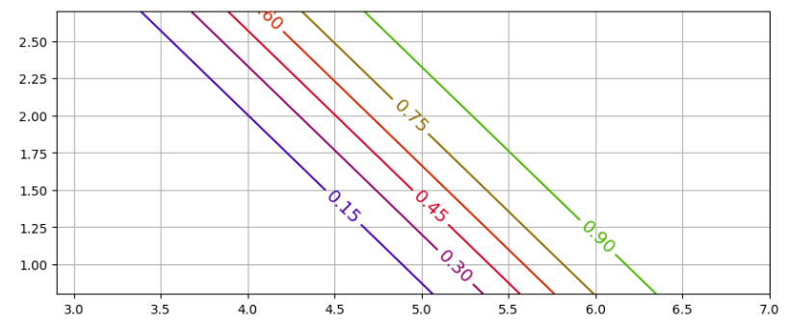
 | matplotlib.pyplot.contourf() | matplotlib.pyplot.contourf(*args, data=None, **kwargs) | Plot filled contours. | matplotlib.pyplot.contourf — Matplotlib 3.10.3 documentation | def plot_predictions(clf, axes): x0s = np.linspace(axes[0], axes[1], 100) x1s = np.linspace(axes[2], axes[3], 100) x0, x1 = np.meshgrid(x0s, x1s) X = np.c_[x0.ravel(), x1.ravel()] y_pred = clf.predict(X).reshape(x0.shape) y_decision = clf.decision_function(X).reshape(x0.shape) plt.contourf(x0, x1, y_pred, cmap=plt.cm.brg, alpha=0.2) plt.contourf(x0, x1, y_decision, cmap=plt.cm.brg, alpha=0.1) | Handson_Scikit_Keras_Tensorflow pg179 | 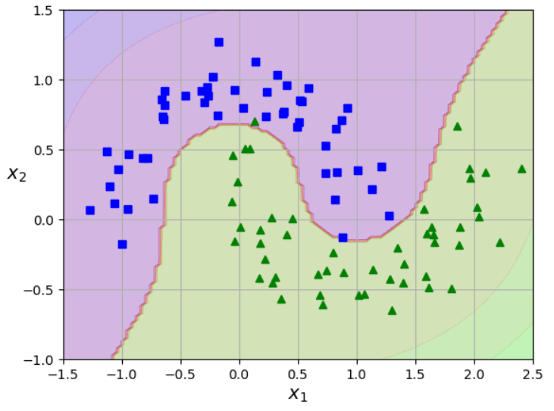
 | matplotlib.pyplot.fill_between() | matplotlib.pyplot.fill_between(x, y1, y2=0, where=None, interpolate=False, step=None, *, data=None, **kwargs) | Fill the area between two horizontal curves. The curves are defined by the points (x, y1) and (x, y2). This creates one or multiple polygons describing the filled area. You may exclude some horizontal sections from filling using where. By default, the edges connect the given points directly. Use step if the filling should be a step function, i.e. constant in between x. | matplotlib.pyplot.fill_between — Matplotlib 3.9.1 documentation | # fill the specified region with red color plt.fill_between(x1, norm.pdf(x1, mu, sigma), color="r") ------------------------------- x = np.linspace(-4,4,100) y = stats.norm.pdf(x, 0, 1) plt.figure(figsize=(10,4)) plt.plot(x, y, linestyle="solid") plt.fill_between(x.clip(-3, +3), 0, y, alpha=0.5, label="~99.7% mass", color="C2") plt.fill_between(x.clip(-2, +2), 0, y, alpha=0.5, label="~95% mass", color="C4") plt.fill_between(x.clip(-1, +1), 0, y, alpha=0.5, label="~68% mass", color="C8") plt.ylabel("Density") plt.legend() plt.show() | GL_Stat_Wk1_Notebook Causal_Inference_In_Python pg45 | 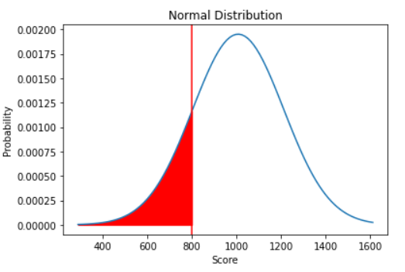 | 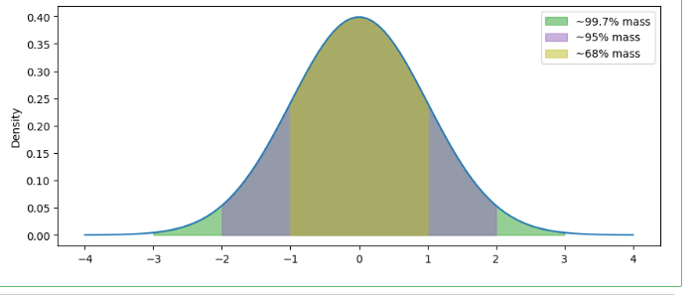
 | matplotlib.pyplot.sca() | matplotlib.pyplot.sca(ax) | Set the current Axes to ax and the current Figure to the parent of ax. | matplotlib.pyplot.sca — Matplotlib 3.10.3 documentation | fig, axes = plt.subplots(ncols=2, figsize=(10, 4), sharey=True) plt.sca(axes[0]) plot_predictions([gbrt], X, y, axes=[-0.5, 0.5, -0.1, 0.8], style="r-", label="Ensemble predictions") plt.title(f"learning_rate={gbrt.learning_rate}, " f"n_estimators={gbrt.n_estimators_}") plt.xlabel("$x_1$") plt.ylabel("$y$", rotation=0) plt.sca(axes[1]) plot_predictions([gbrt_best], X, y, axes=[-0.5, 0.5, -0.1, 0.8], style="r-") plt.title(f"learning_rate={gbrt_best.learning_rate}, " f"n_estimators={gbrt_best.n_estimators_}") plt.xlabel("$x_1$") | Hands_On_Scikit_Keras_Tensorflow pg229
 | matplotlib.pyplot.subplots_adjust() | matplotlib.pyplot.subplots_adjust(left=None, bottom=None, right=None, top=None, wspace=None, hspace=None) | Adjust the subplot layout parameters. | matplotlib.pyplot.subplots_adjust — Matplotlib 3.9.1 documentation | plt.subplots_adjust(top=.85) | GL_Stats_Learner_Project
 | matplotlib.pyplot.text() | matplotlib.pyplot.text(x, y, s, fontdict=None, **kwargs) | Add text to the Axes | matplotlib.pyplot.text — Matplotlib 3.9.1 documentation | cr_pct = df.CreditRating.value_counts(normalize=True, sort=False)*100 cr_pct = cr_pct.round(2) pct_str = '{}%'.format(cr_pct[i]) plt.text(count-400, i, pct_str, va='center', ha='right', size='x-small', color='white'); -------------------------------------------------------------------- categorical_attributes = ['group','landing_page','converted','language_preferred'] for att in categorical_attributes: z = abtest[att].value_counts().sort_values(ascending=True) ax = abtest[att].value_counts().sort_values(ascending=True).plot.bar() for i in range(len(z)): plt.text(i,z[i],z[i], horizontalalignment='center') # to add values to the columns in the bar chart ------------------------------------------------------------ ax = abtest_lc.value_counts().unstack().plot(kind="bar", stacked=True) plt.title('Preferred Language Conversions', fontsize=12, pad=10, loc='left') for c in ax.containers: for v in c: plt.text(v.get_x() + v.get_width() / 2, v.get_y() + v.get_height() / 2, int(v.get_height()), horizontalalignment='center') | GL_Stats_Learner_Project | 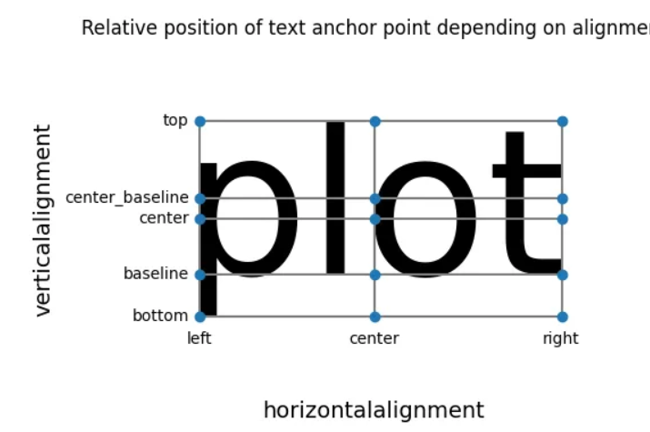 Univariate Data Exploration with Matplotlib & Seaborn | by Tristen Wallace | Medium | 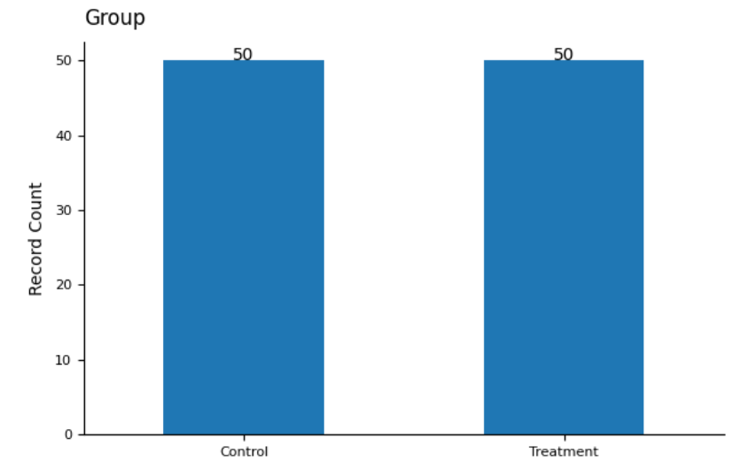 | 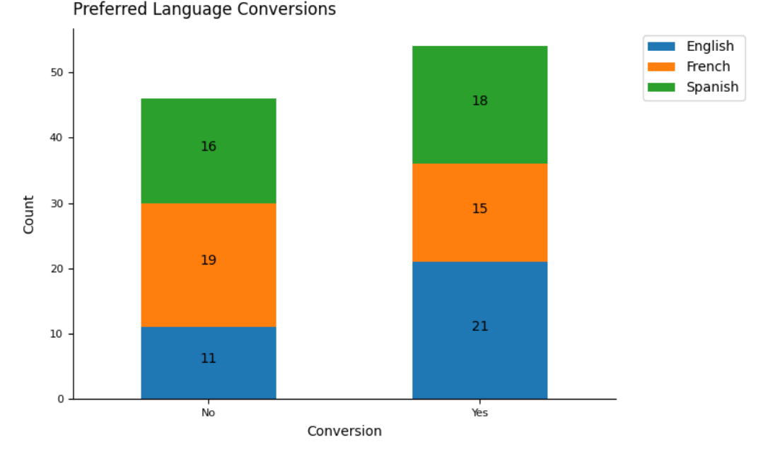
 | matplotlib.pyplot.tick_params() | matplotlib.pyplot.tick_params(axis='both', **kwargs) | Change the appearance of ticks, tick labels, and gridlines. which{'major', 'minor', 'both'}, default: 'major' The group of ticks to which the parameters are applied. | matplotlib.pyplot.tick_params — Matplotlib 3.10.0 documentation | ax.tick_params(axis="both", which="major", labelsize=18) | Causal_Inference_In_Python pg8
 | matplotlib.pyplot.tight_layout() | matplotlib.pyplot.tight_layout(*, pad=1.08, h_pad=None, w_pad=None, rect=None) | Adjust the padding between and around subplots. | matplotlib.pyplot.tight_layout — Matplotlib 3.9.1 documentation | plt.tight_layout() | dpp pg66 GL_Stats_Learner_Project
 | matplotlib.pyplot.title() | matplotlib.pyplot.title(label, fontdict=None, loc=None, pad=None, *, y=None, **kwargs) | Set a title for the Axes. Set one of the three available Axes titles. The available titles are positioned above the Axes in the center, flush with the left edge, and flush with the right edge. | matplotlib.pyplot.title — Matplotlib 3.9.0 documentation | plt.title('Histogram:Price') ---------------------------------------------------------- p = 0.05 n = 10 plt.title('Binomial: n=%i, p=%.2f' % (n,p), fontsize=15) ------------------------------------------------------------- plt.title('Line plots of Amazon and Apple stock prices from 2000 to 2020') ------------------------------------------------------------- plt.title(att.capitalize().replace('_',' '), fontsize=12, pad=10, loc='left') | dpp pg60 GL_Stats_Week1_Exercises GL_Stats_Learner_Project GL_Wk3_Visualizations
 | matplotlib.pyplot.xlabel() | matplotlib.pyplot.xlabel(xlabel, fontdict=None, labelpad=None, *, loc=None, **kwargs) | Set the label for the x-axis. | matplotlib.pyplot.xlabel — Matplotlib 3.9.0 documentation | plt.xlabel('Price of cars') plt.xlabel('Horsepower') | GL_Wk3_Visualizations
 | matplotlib.pyplot.xlim() | matplotlib.pyplot.xlim(*args, **kwargs) | Get or set the x limits of the current Axes. left, right = xlim() # return the current xlim xlim((left, right)) # set the xlim to left, right xlim(left, right) # set the xlim to left, right | matplotlib.pyplot.xlim — Matplotlib 3.9.0 documentation | plt.xlim(3000,50000) plt.xlim(30,300) | GL_Wk3_Visualizations
 | matplotlib.pyplot.xticks() | matplotlib.pyplot.xticks(ticks=None, labels=None, *, minor=False, **kwargs) | Get or set the current tick locations and labels of the x-axis. Pass no arguments to return the current values without modifying them. | matplotlib.pyplot.xticks — Matplotlib 3.9.0 documentation | plt.xticks(rotation=90) plt.xticks([0,500,1000,1500,2000,2500,3000,3500,4000,4500,5000,5500],rotation=90) plt.xticks(np.arange(0,len(amz_df),250), amz_df.Date[0:len(amz_df):250],rotation=90) --------------------------------------- plt.xticks(rotation=0, fontsize=8) --------------------------------------- # Give labels to the 2 xticks plt.xticks([1,2],['Desktop Subscribers','Laptop Subscribers']) | dpp pg62-63 GL_Stats_Learner_Project GL_Wk3_Visualizations Dive_into_Data_Science pg71
 | matplotlib.pyplot.ylabel() | matplotlib.pyplot.ylabel(ylabel, fontdict=None, labelpad=None, *, loc=None, **kwargs) | Set the label for the y-axis. | matplotlib.pyplot.ylabel — Matplotlib 3.9.0 documentation | plt.ylabel('Frequency') plt.ylabel('Closing Price') plt.ylabel('Number of Passengers') | dpp pg60 GL_Wk3_Visualizations
 | matplotlib.pyplot.ylim() | matplotlib.pyplot.ylim(*args, **kwargs) | Get or set the y-limits of the current Axes. bottom, top = ylim() # return the current ylim ylim((bottom, top)) # set the ylim to bottom, top ylim(bottom, top) # set the ylim to bottom, top | matplotlib.pyplot.ylim — Matplotlib 3.9.0 documentation | plt.ylim(0,70) | GL_Wk3_Visualizations
 | matplotlib.pyplot.yticks() | matplotlib.pyplot.yticks(ticks=None, labels=None, *, minor=False, **kwargs) | Get or set the current tick locations and labels of the y-axis | matplotlib.pyplot.yticks — Matplotlib 3.9.1 documentation | plt.subplot(2,1,2) plt.boxplot(adult_df.age, vert=False) plt.yticks([1], ['Age']) # this uses the adult_df.age[1] column values to set the yticks ------------------------------------------ plt.yticks(np.arange(0,60,10),fontsize=8) ------------------------------------------ plt.yticks(range(len(indices)), [feature_names[i] for i in indices]) | dpp pg66 GL_Stats_Learner_Project GL_Classification_Wk2_Loan_Delinquent
 | matplotlib.pyplot.bar(x,y)[column].set_color() | matplotlib.pyplot.bar(x,y)[column].set_color() | Set the color of a column in a bar chart | matplotlib.patches.Patch — Matplotlib 3.9.1 documentation | bar1 = plt.bar(k, binomial) plt.title('Binomial: n=%i , p=%.2f' %(n,p), fontsize = 15) plt.xlabel('Number of Successes') plt.ylabel('Probability of Successes') for i in range(0,8): bar1[i].set_color('r') plt.show() -------------------------------- plt.bar([1,2,3,4], [1,2,3,4])[0].set_color('r') | GL_Stat_Wk1_Notebook | 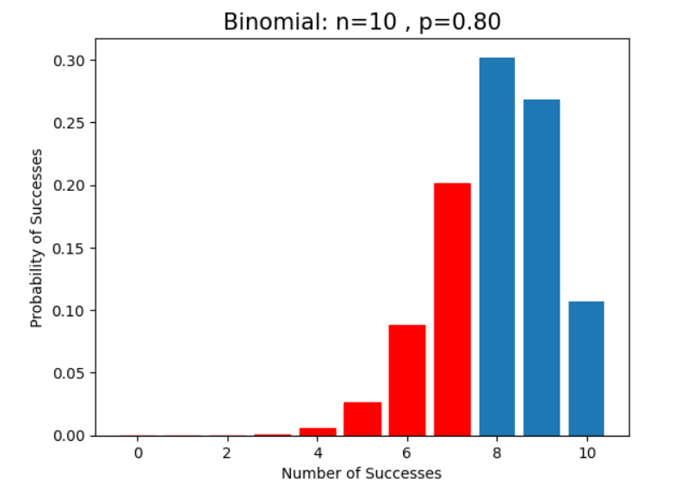
 | matplotlib.pyplot.bar(x,y)[column].set_width() | matplotlib.pyplot.bar(x,y)[column].set_width() | Set the width of a bar in a bar chart | matplotlib.patches.Patch — Matplotlib 3.9.1 documentation | bar1 = plt.bar(x=k, height=probs) for i in range (6,11): bar1[i].set_color('r') bar1[i].set_width(0.2) plt.xlabel('Number of books sold') plt.ylabel('Probability') plt.title('Discrete Uniform Distribution X~U(90,100)') plt.show() | GL_Stat_Wk1_Uniform_Distribution | 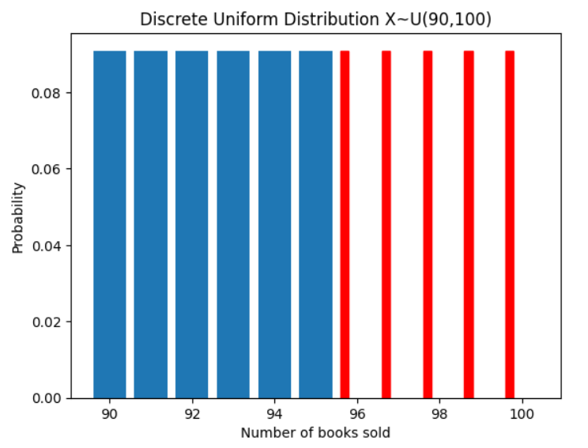

Pyplot Plots
Matplotlib.pyplot
Type | Name | Arguments | Description | URL | Examples
Pyplots Plots | matplotlib.pyplot.bar() | matplotlib.pyplot.bar(x, height, width=0.8, bottom=None, *, align='center', data=None, **kwargs) | Draw a bar plot | matplotlib.pyplot.bar — Matplotlib 3.1.0 documentation | plt.bar(k, binomial) ------------------------ # Return Series of unique variable values x = df['LoanStatus'].unique() # Return Series with frequency count for each unique value y = df['LoanStatus'].value_counts() plt.bar(x, y) ------------------------------------------- categorical_attributes = ['group','landing_page','converted','language_preferred'] for att in categorical_attributes: ax = abtest[att].value_counts().sort_values(ascending=True).plot.bar() | Gl_Stats_Learner_Project
 | matplotlib.pyplot.barh() | matplotlib.pyplot.barh(y, width, height=0.8, left=None, *, align='center', data=None, **kwargs) | Make a horizontal bar plot. The bars are positioned at y with the given alignment. Their dimensions are given by width and height. The horizontal baseline is left (default 0). | matplotlib.pyplot.barh — Matplotlib 3.10.0 documentation | importances = model.feature_importances_ indices = np.argsort(importances) plt.figure(figsize=(12,12)) plt.title("Feature Importances") plt.barh(range(len(indices)), importances[indices], color="violet", align="center") plt.yticks(range(len(indices)), [feature_names[i] for i in indices]) plt.xlabel("Relative Importance") plt.show() | GL_Classification_Wk2_Loan_Delinquent | 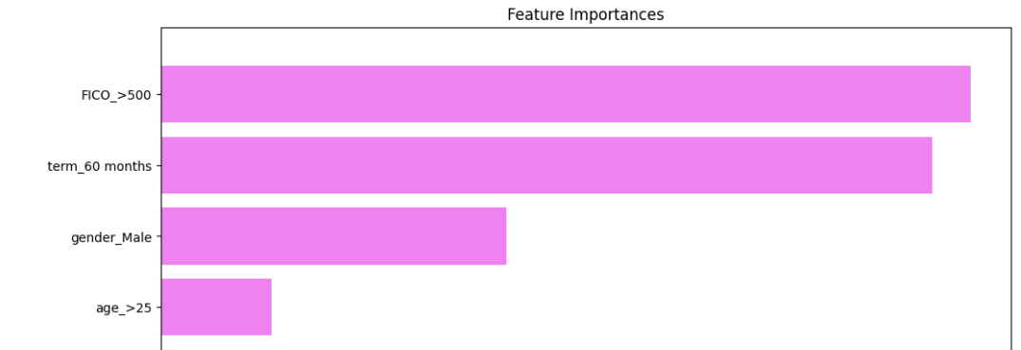
 | matplotlib.pyplot.boxplot() | matplotlib.pyplot.boxplot(x, notch=None, sym=None, vert=None, whis=None, positions=None, widths=None, patch_artist=None, bootstrap=None, usermedians=None, conf_intervals=None, meanline=None, showmeans=None, showcaps=None, showbox=None, showfliers=None, boxprops=None, tick_labels=None, flierprops=None, medianprops=None, meanprops=None, capprops=None, whiskerprops=None, manage_ticks=True, autorange=False, zorder=None, capwidths=None, label=None, *, data=None) | Draw a box and whisker plot. | matplotlib.pyplot.boxplot — Matplotlib 3.9.1 documentation | plt.boxplot(adult_df.age, vert=False) ------------------------------------------ ##### below creates 2 boxplots for comparison purposes ##### income_possibilities = adult_df['income'].unique() box_sr = pd.Series('',index = income_possibilities) for poss in income_possibilities: BM = adult_df.income == poss box_sr[poss] = adult_df[BM]['education-num'] plt.boxplot(box_sr, vert=False) plt.yticks([1,2], income_possibilities) plt.show() ------------------------------------------ for i, variable in enumerate(numerical_col): plt.subplot(5,4,i+1) #whis parameter default is 1.5 so not needed here plt.boxplot(data[variable], whis=1.5) plt.tight_layout() plt.title(variable) | dpp pg56, 126 GL_Classification_Wk1_IncomeGroup | 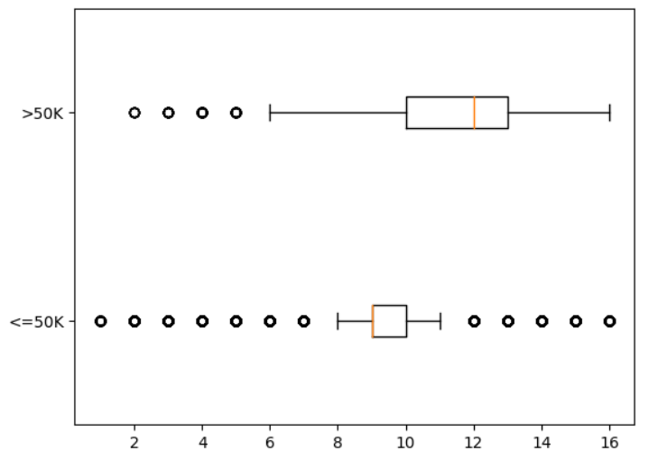
 | matplotlib.pyplot.hexbin() | matplotlib.pyplot.hexbin(x, y, C=None, gridsize=100, bins=None, xscale='linear', yscale='linear', extent=None, cmap=None, norm=None, vmin=None, vmax=None, alpha=None, linewidths=None, edgecolors='face', reduce_C_function=<function mean at 0x7f7b286816a8>, mincnt=None, marginals=False, *, data=None, **kwargs) | Make a hexagonal binning plot. Used when data sets are 100,00+ or more instead of a scatterplot | matplotlib.pyplot.hexbin — Matplotlib 3.1.0 documentation | # Create a hexagonal binning plot # Use this when you have 100k+ records instead of scatterplot ax = kc_tax0.plot.hexbin(x="SqFtTotLiving", y="TaxAssessedValue", gridsize=30, sharex=False, figsize=(5,4)) ax.set_xlabel("Finished Square Feet") ax.set_ylabel("Tax-ASsessed Value") plt.tight_layout() plt.show() | Practical_Statistics pg38 | 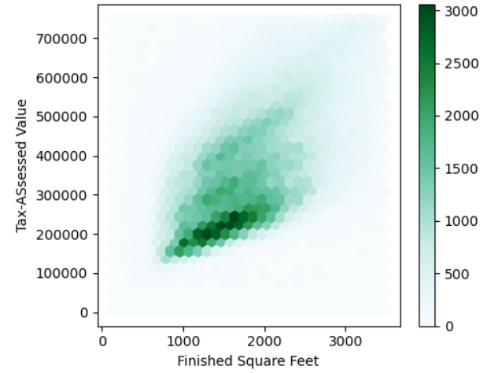
 | matplotlib.pyplot.hist() | matplotlib.pyplot.hist(x, bins=None, range=None, density=False, weights=None, cumulative=False, bottom=None, histtype='bar', align='mid', orientation='vertical', rwidth=None, log=False, color=None, label=None, stacked=False, *, data=None, **kwargs) | Compute and plot a histogram. | matplotlib.pyplot.hist — Matplotlib 3.9.1 documentation | plt.hist(adult_df.age) --------------------------------------- ##### show 2 overlapping histograms on same plot income_possibilities = adult_df['income'].unique() for poss in income_possibilities: BM = adult_df.income == poss plt.hist(adult_df[BM]['education-num'], label=poss, histtype='step') # if this is placed here instead of in the 'for' statement block, the histograms will be together plt.legend() plt.show() -------------------------------------------- housing.hist(figsize=(20,15), bins=50) | dpp pg55, 126 Hands_On_Scikit_Keras_Tensorflow pg54 | 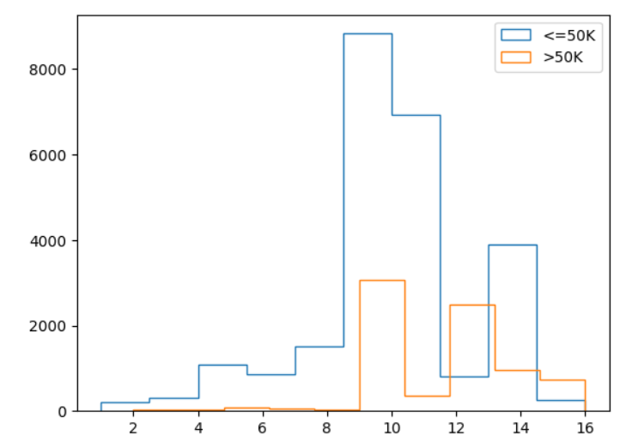 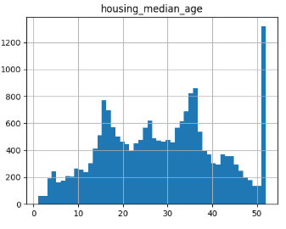
 | matplotlib.pyplot.hist2d() | matplotlib.pyplot.hist2d(x, y, bins=10, *, range=None, density=False, weights=None, cmin=None, cmax=None, data=None, **kwargs) | Make a 2D histogram plot. | matplotlib.pyplot.hist2d — Matplotlib 3.10.0 documentation | # Set bins bins_x = np.arange(0, 1, 0.1) bins_y = np.arange(0, 35000, 5000) # Plot heatmap plt.hist2d(data=df, x='DebtToIncomeRatio', y='LoanOriginalAmount', bins=[bins_x, bins_y]); |  | Bivariate Data Exploration with Matplotlib & Seaborn | by Tristen Wallace | Medium
 | matplotlib.pyplot.pie() | matplotlib.pyplot.pie(x, *, explode=None, labels=None, colors=None, autopct=None, pctdistance=0.6, shadow=False, labeldistance=1.1, startangle=0, radius=1, counterclock=True, wedgeprops=None, textprops=None, center=(0, 0), frame=False, rotatelabels=False, normalize=True, hatch=None, data=None) | Plot a pie chart. Make a pie chart of array x. The fractional area of each wedge is given by x/sum(x). The wedges are plotted counterclockwise, by default starting from the x-axis. | matplotlib.pyplot.pie — Matplotlib 3.10.0 documentation | # Create sorted list of frequencies sorted_terms = df.Term.value_counts() # Plot pie chart using sorted frequencies plt.pie(sorted_terms, labels = sorted_terms.index, startangle = 90, counterclock = False, colors=sns.color_palette('Blues_r')) # Add title to plot plt.title('Term Frequency (mo)'); ------------------------------------------------------------ regions = ['New England', 'Mid-Atlantic', 'Midwest'] sales = [882703, 532648, 714406] plt.pie(sales, labels=regions, autopct='%1.1f%%') plt.title('Sales Per Region') plt.show() | Python_, 135-136for_Data_Science pg133 | 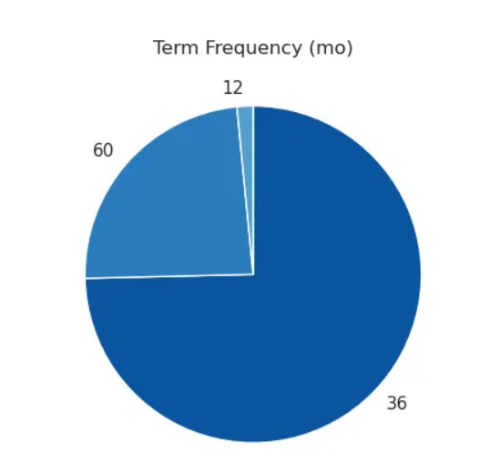 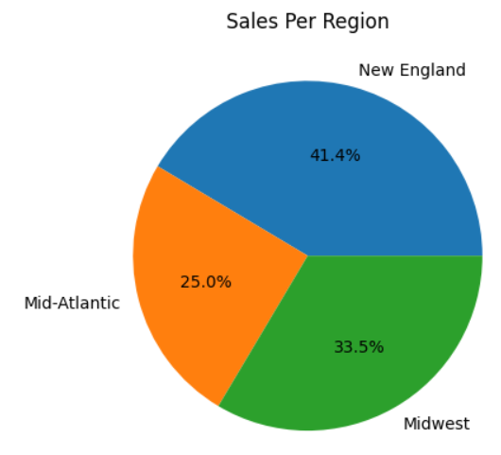 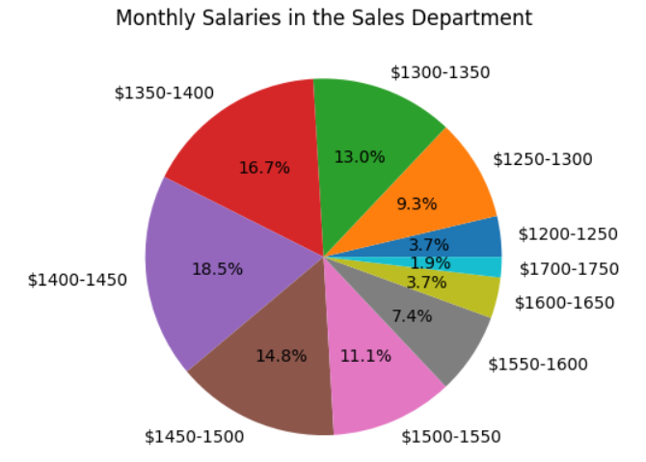 Univariate Data Exploration with Matplotlib & Seaborn | by Tristen Wallace | Medium
 | matplotlib.pyplot.scatter() | matplotlib.pyplot.scatter(x, y, s=None, c=None, marker=None, cmap=None, norm=None, vmin=None, vmax=None, alpha=None, linewidths=None, *, edgecolors=None, plotnonfinite=False, data=None, **kwargs) | A scatter plot of y vs x with varying marker size and/or color | matplotlib.pyplot.scatter — Matplotlib 3.9.1 documentation | plt.scatter(apl_df.Close, amz_df.Close) plt.scatter(apl_df.Close, amz_df.Close, marker='x', color='green') ----------------------------------------------- plt.figure(figsize=(15,8)) year_poss = country_df['year'].unique() for i, yr in enumerate(year_poss): BM = country_df['year']== yr x = country_df[BM]['Healthy_life_expectancy_at_birth'] y = country_df[BM]['Log_GDP_per_capita'] plt.subplot(2,5,i+1) plt.scatter(x,y) plt.title(yr) plt.xlim([30,80]) plt.ylim([6,12]) ------------------------------------------- # Show only first 48 hours in a time series hour_first48 = hour.loc[0:48,:] fig, ax = plt.subplots(figsize=(10,6)) ax.scatter(data = hour_first48, x='instant', y='count') plt.xlabel("hour") plt.ylabel("count") plt.title("Count by Hour - First Two Days") | dpp pg58, 64, 146 Dive_into_Data_Science pg15 |  | 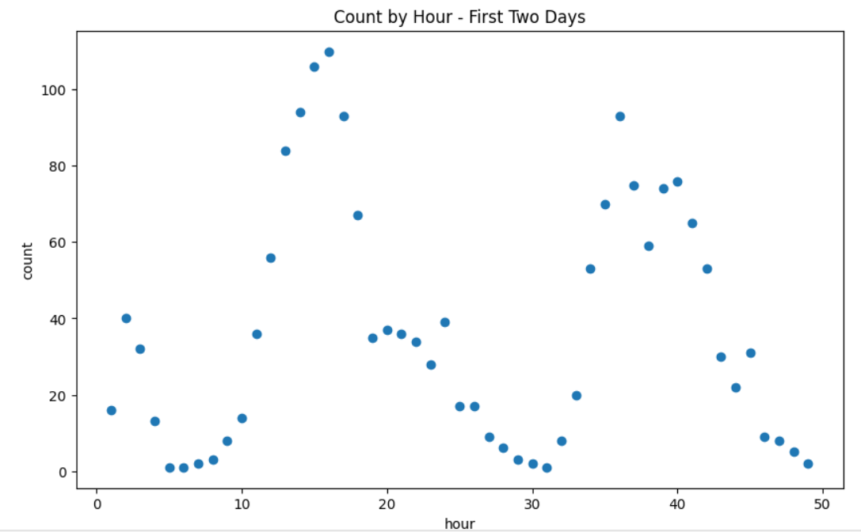

Pyplot.Plot()
Matplotlib.pyplot |  | matplotlib.pyplot.plot(*args, scalex00=True, scaley=True, data=None, **kwargs) | matplotlib.pyplot.plot — Matplotlib 3.9.1 documentation

Type | Name | Examples
 | matplotlib.pyplot.plot() | plt.plot(amz_df.Close) plt.plot(apl_df.Close) plt.show() # this will put both of the above plots on the same figure ------------------------------------------------------- x1 = np.linspace(1, 36, 100) ax2.plot(x1, norm.pdf(x1, loc = 20, scale = 5), color = 'r') ax2.set_title('Normal Distribution of ACT scores') ax2.set_xlabel('ACT scores') ax2.set_ylabel('Probability') ax2.axvline(30, ymax = 0.18, linestyle = '--', color = 'green') plt.show() ------------------------------------------------- # visual analysis pd.crosstab(df.age_group,df.subscription_status,normalize=True).plot(kind='bar',stacked=True) | dpp pg56 GL_Stats_Wk1_Notebook GL_Stats_Wk3_Tunes | 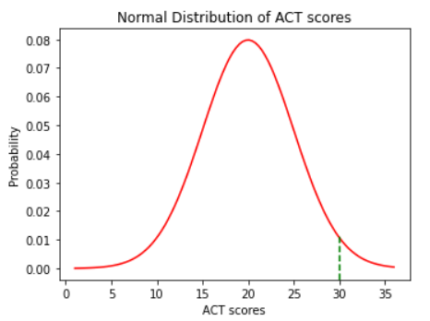
 | plot(bar with percentages) | # Create a stacked bar chart showing the conversions based on the landing page plt.figsize=(6,4) ax = pd.crosstab(abtest_lc['landing_page'],abtest_lc['converted'],normalize='index').plot(kind="bar", stacked=True) plt.title('Landing Page Conversions', fontsize=12, pad=10, loc='left') plt.ylabel('Count', fontsize=10, labelpad=10) plt.xlabel('Landing Page', fontsize=10, labelpad=5) plt.xticks(rotation=0, fontsize=8) plt.yticks(np.arange(0,1.1, 0.2),fontsize=8) plt.tight_layout plt.legend(title='Conversion', loc='upper right', bbox_to_anchor=(1.2, 1)) labels = [item.get_text().capitalize() for item in ax.get_xticklabels()] ax.set_xticklabels(labels) ax.spines['top'].set_visible(False) ax.spines['right'].set_visible(False) # To include the values within the stacked bar charts for c in ax.containers: for v in c: plt.text(v.get_x() + v.get_width() / 2, v.get_y() + v.get_height() / 2, str(round(v.get_height()*100,2)) + '%', horizontalalignment='center') plt.show() | GL_Stats_Learner_Project | 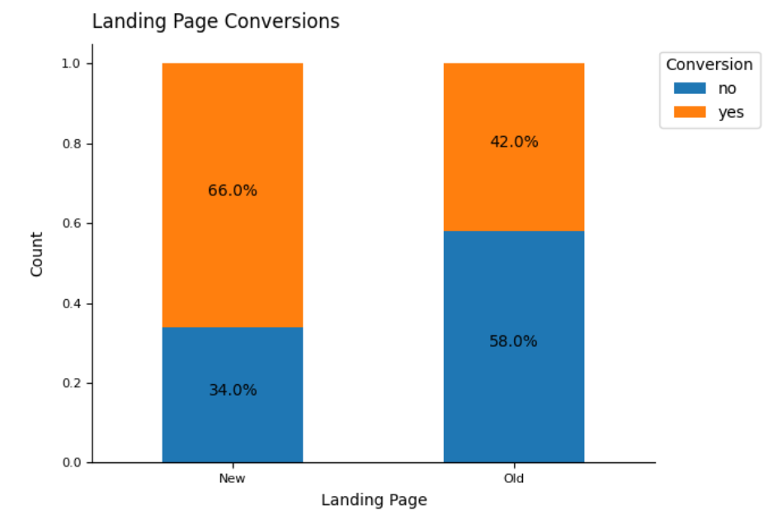
 | plot(line) | country_df = pd.read_csv('WH Report_preprocessed.csv') continent_poss = country_df['Continent'].unique() byContinentYear = country_df.groupby(['Continent','year'])['Perceptions_of_corruption'].mean() marker_options = ['o','^','P','8','s','p','*'] for i,c in enumerate(continent_poss): plt.plot([2010,2019], byContinentYear.loc[c,[2010,2019]], label=c, marker=marker_options[i]) plt.xticks([2010,2019]) plt.legend(bbox_to_anchor=(1.05, 1)) plt.title('Aggregated values per each continent in 2010 and 2019') plt.ylabel('Perceptions_of_corruption') plt.show() | ddp 153-155 | 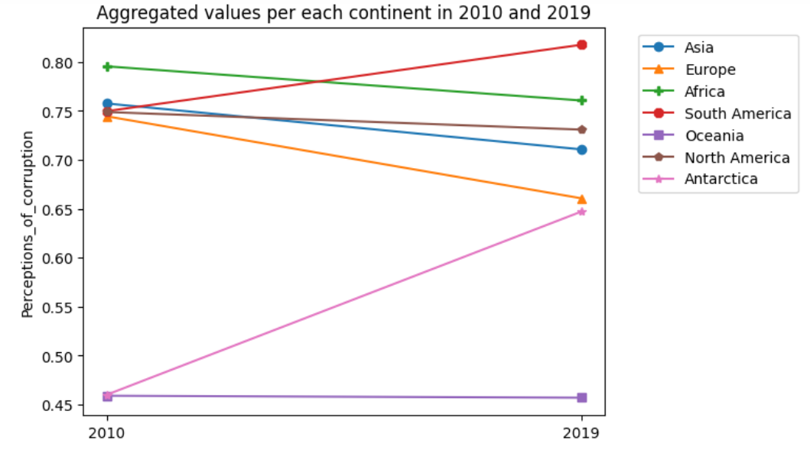
 | plot(impurity vs alpha) | fig, ax = plt.subplots(figsize=(15,5)) ax.plot(ccp_alphas[:-1], impurities[:-1], marker="o", drawstyle="steps-post") ax.set_xlabel("effective alpha") ax.set_ylabel("total impurity of leaves") ax.set_title("Total Impurity vs Effective Alpha for Training Set") plt.show() | GL_Classification_Wk2_Loan_Delinquent | 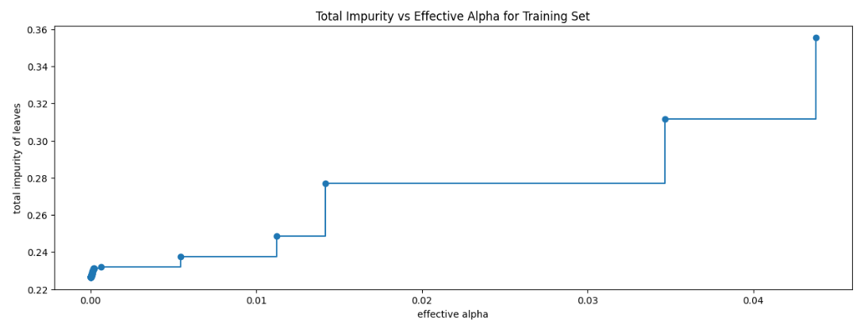
 | plot(regression) | # plot the period and sales data plt.scatter(carsales['period'], carsales['sales']) #plot the regression line determined in the LinearRegression model above plt.plot(carsales['period'], [81.2 * i + 10250.8 for i in carsales['period']], 'r-', label='Regression Line')` plt.plot(carsales['period'], [125* i+8000 for i in carsales['period']], 'r--', label='Hypothesized Line') plt.legend(loc="upper left") plt.title("Car Sales by Month") plt.xlabel("Month") plt.ylabel("Sales") plt.show() | Dive_into_Data_Science pg39 | 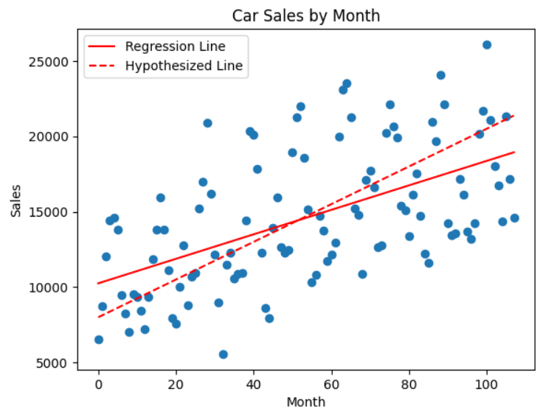
 | plot(polynomial regression) | # Polynomial multivariate regression with plot carsales["quadratic"]=carsales["period"].apply(lambda x: x**2) carsales['cubic']=carsales['period'].apply(lambda x:x**3) x3=carsales.loc[:,['period','quadratic','cubic']].values.reshape(-1,3) y=carsales['sales'].values.reshape(-1,1) regressor_cubic = LinearRegression() regressor_cubic.fit(x3,y) plt.scatter(carsales['period'],carsales['sales']) plt.plot(X, regressor.predict(X), 'r-') plt.plot(X, regressor_cubic.predict(x3), 'r--') plt.title("Car Sales by Month") plt.xlabel("Month") plt.ylabel("Sales") plt.show() | Dive_into_Data_Science pg46 | 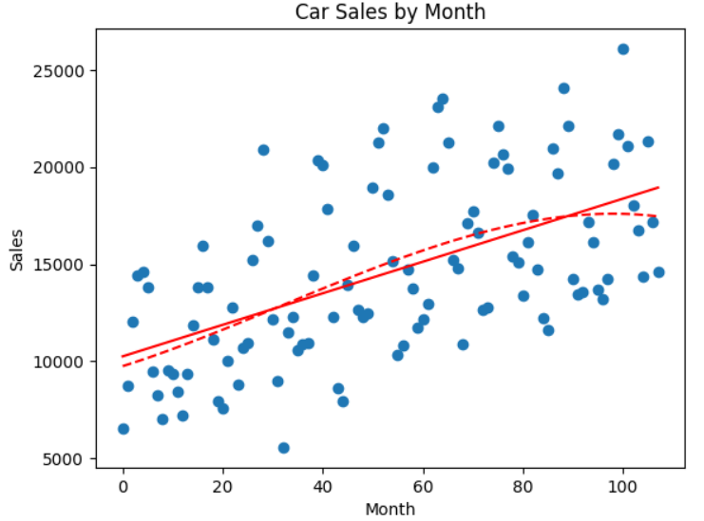
 | plot(time series) | # Use sin and cosine of the period for linear regression() carsales['sin_period'] = carsales['period'].apply(lambda x: math.sin(x*2*math.pi/12)) carsales['cos_period'] = carsales['period'].apply(lambda x: math.cos(x*2*math.pi/12)) x_trig = carsales.loc[:,['period','sin_period','cos_period']].values.reshape(-1,3) y = carsales['sales'].values.reshape(-1,1) regressor_trig = LinearRegression() regressor_trig.fit(x_trig, y) plt.plot(carsales['period'], carsales['sales']) plt.plot(X, regressor_trig.predict(x_trig),'r--') plt.title('Car Sales by Month') plt.xlabel('Month') plt.ylabel('Sales') plt.show() | Dive_into_Data_Science pg49 | 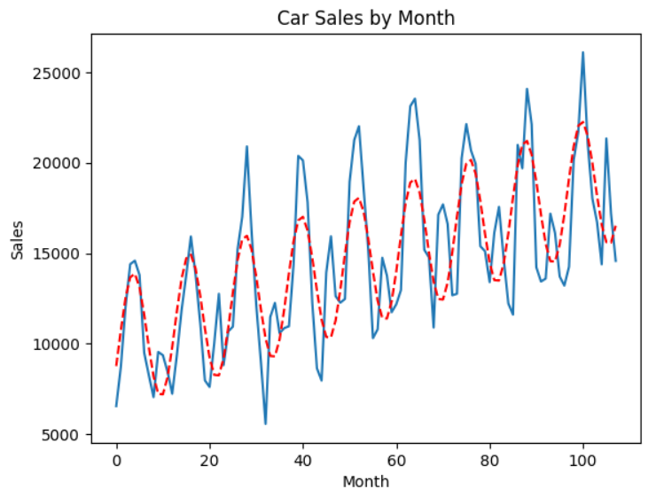
 | plot(logistic curve) | x = np.arange(-5,5,0.05) y = (1/(1+np.exp(-1-2*x))) plt.plot(x,y) plt.xlabel("X") plt.ylabel("Value of Logistic Function") plt.title("A Logistic Curve") plt.show() ------------------------------------ x = np.arange(-5,5,0.05) y = (1/(1+np.exp(1+2*x))) plt.plot(x,y) plt.xlabel("X") plt.ylabel("Value of Logistic Function") plt.title("A Logistic Curve") plt.show() | Dive_into_Data_Science pg111 | 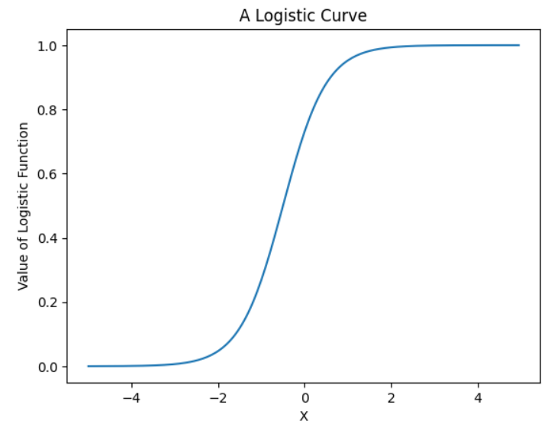 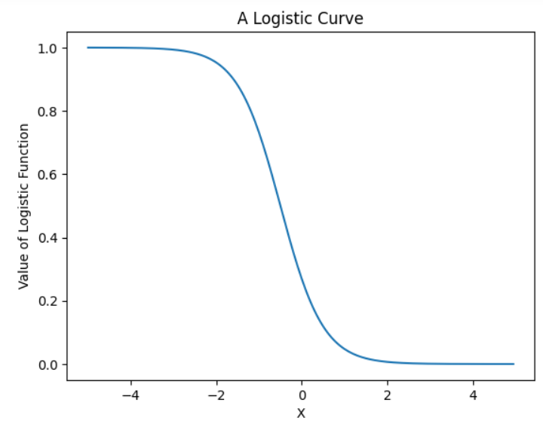
 | plot(elbow) | fig = plt.scatter(attrition_past['lastmonth_activity'], attrition_past['exited'], color='blue') attrition_past.sort_values('lastmonth_activity').plot('lastmonth_activity',\ 'logisticprediction',ls='--', ax=fig.axes, color='red') plt.title("Logistic Regression for Attrition Predictions") plt.xlabel("Last Month\'s Activity") plt.ylabel("Attrition (1=Exited)") | Dive_into_Data_Science pg112 | 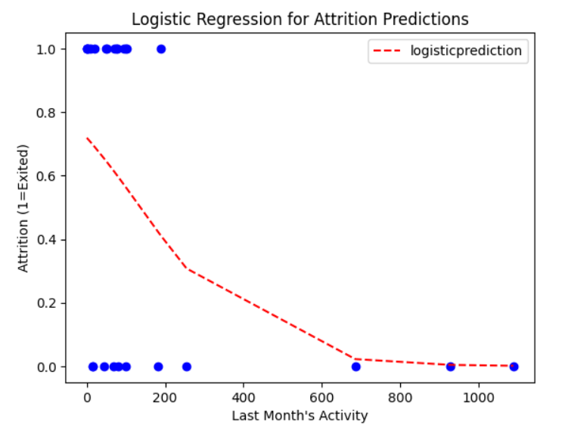
 | plot(time series) | # Plot the casual rider count and registered rider count for the first 2 days fig, ax = plt.subplots(figsize=(10,6)) ax.plot('instant', 'casual', c='red', label='casual',linestyle='-',data = hour_first48) ax.plot('instant', 'registered', c='blue', label='registered', linestyle='--', data = hour_first48) ax.legend() plt.show() | Dive_into_Data_Science pg17 | 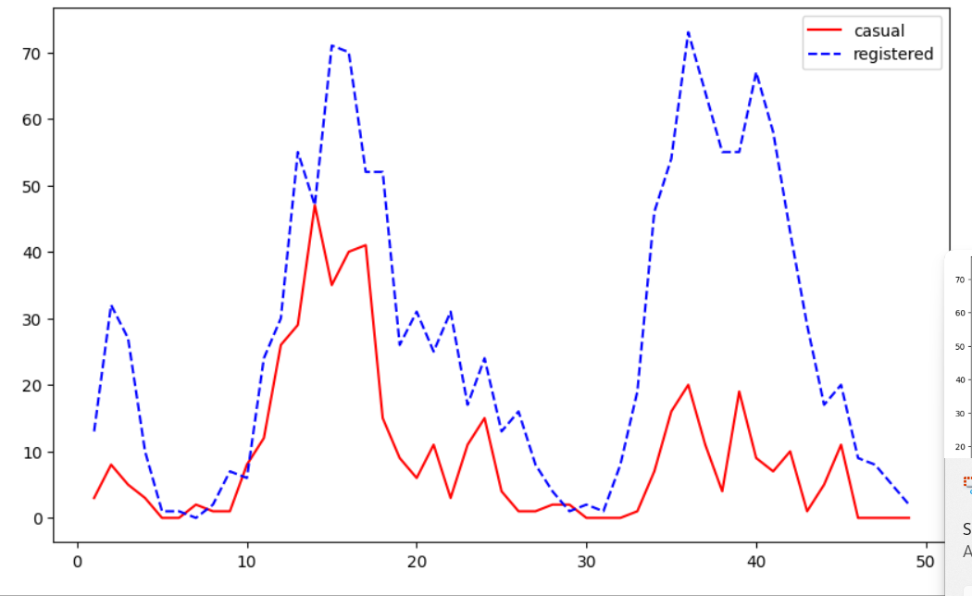
 | plot(line) | pd.pivot_table( data=data, index=["Reg_year", "Reg_month"], values="Total_Amount_Spent", aggfunc=np.sum, ).plot(kind="line", marker="o", linewidth=2, figsize=(12, 5)) | GL_Hypertuning_Wk2_Supermarket | 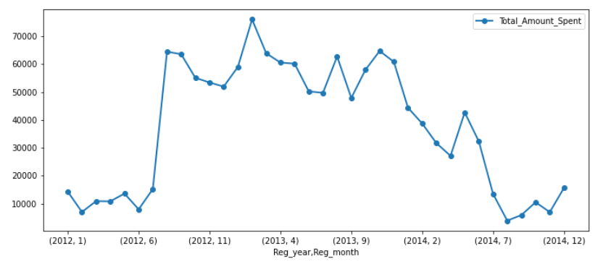
 | plot(histogram) | housing['income_cat'].value_counts().sort_index().plot.bar(rot=0, grid=True) plt.xlabel('Income Category') plt.ylabel('Number of districts') | Hands_On_Scikit_Keras_Tensorflow pg58 | 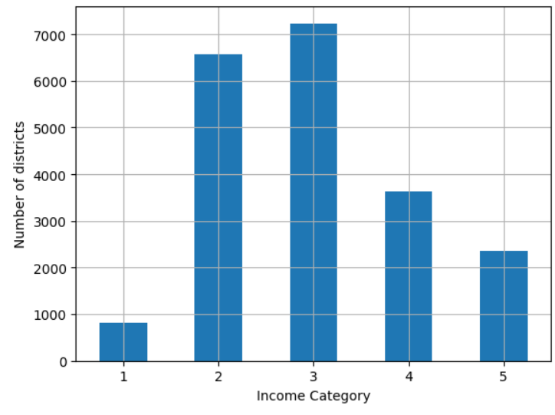
 | plot(scatter) | # adding alpha in gives the initial values more transparency # when the values overlap, the overlap area gets darker showing higher density # 1 is complete opacity, 0 is complete invisibility housing.plot(kind='scatter',x='longitude', y='latitude', grid=True, alpha=0.2) plt.show() | Hands_On_Scikit_Keras_Tensorflow pg62 | 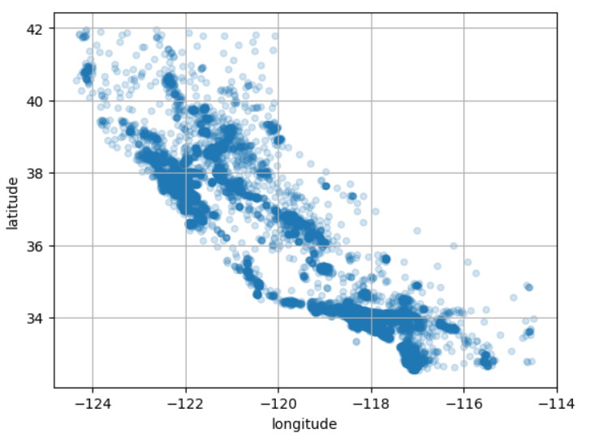
 | plot(scatter) | housing.plot(kind='scatter', x='longitude', y='latitude', grid=True, s = housing['population'] / 100, label='population', c = housing['median_house_value'], cmap = 'jet', colorbar=True, legend=True, sharex=False, figsize=(10,7)) plt.show() | Hands_On_Scikit_Keras_Tensorflow pg63 | 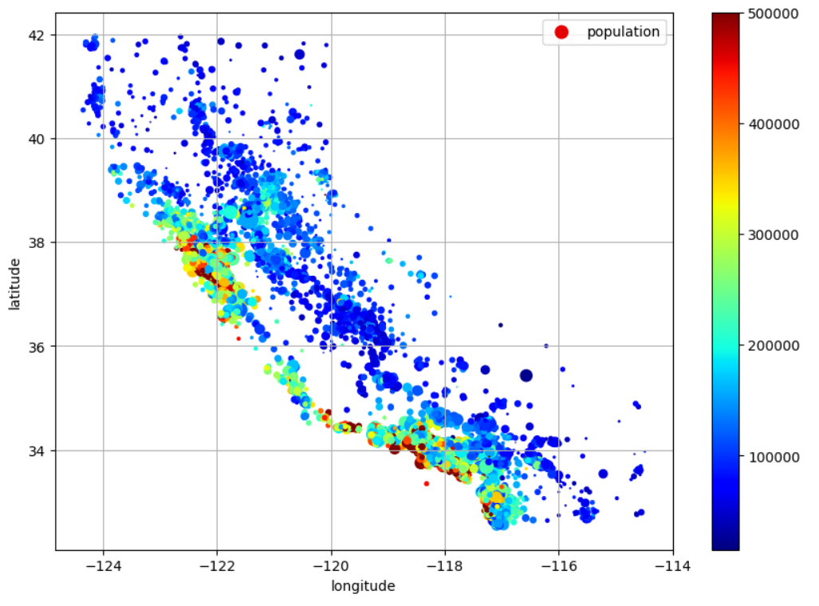
 | plot(transform heavy tail to log) | fig, axs = plt.subplots(1, 2, figsize=(8, 3), sharey=True) housing["population"].hist(ax=axs[0], bins=50) housing["population"].apply(np.log).hist(ax=axs[1], bins=50) axs[0].set_xlabel("Population") axs[1].set_xlabel("Log of population") axs[0].set_ylabel("Number of districts") plt.show() | Hands_On_Scikit_Keras_Tensorflow pg76 | 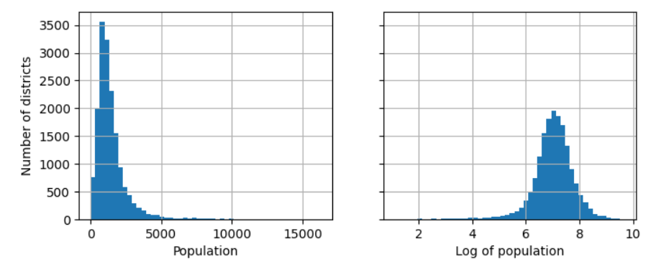
 | plot( bucketizing a heavy-tailed feture) | percentiles = [np.percentile(housing["median_income"], p) for p in range(1, 100)] flattened_median_income = pd.cut(housing["median_income"], bins=[-np.inf] + percentiles + [np.inf], labels=range(1, 100 + 1)) flattened_median_income.hist(bins=50) plt.xlabel("Median income percentile") plt.ylabel("Number of districts") plt.show() # Note: incomes below the 1st percentile are labeled 1, and incomes above the # 99th percentile are labeled 100. This is why the distribution below ranges # from 1 to 100 (not 0 to 100). | Hands_On_Scikit_Keras_Tensorflow pg77 | 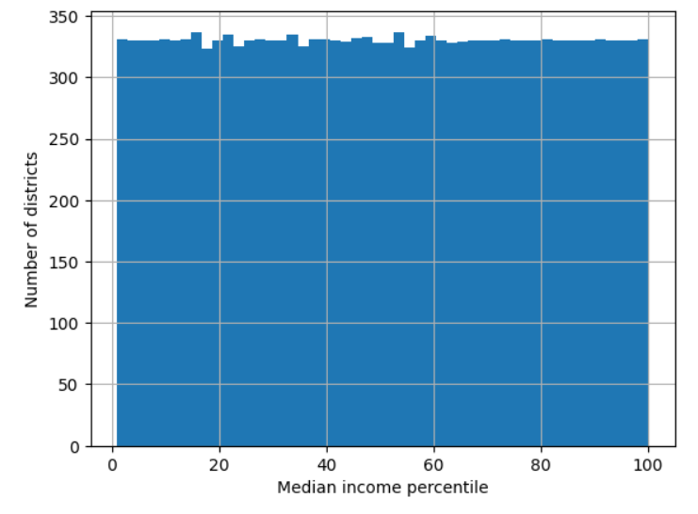
 | plot(cluster centers of populations) | housing_renamed = housing.rename(columns={ 'latitude': 'Latitude', 'longitude': 'Longitude', 'population': 'Population', 'median_house_value': 'Median house value (usd)'}) housing_renamed['Max cluster similarity'] = similarities.max(axis=1) housing_renamed.plot(kind='scatter', x='Longitude', y='Latitude', grid=True, s=housing_renamed['Population']/100, label='Population', c='Max cluster similarity', cmap='jet', colorbar=True, legend=True, sharex=False, figsize=(10,7)) plt.plot(cluster_simil.kmeans_.cluster_centers_[:,1], cluster_simil.kmeans_.cluster_centers_[:,0], linestyle="", color='black', marker='X', markersize=20,label='Cluster centers') plt.legend() plt.show() | Hands_On_Scikit_Keras_Tensorflow pg83 | 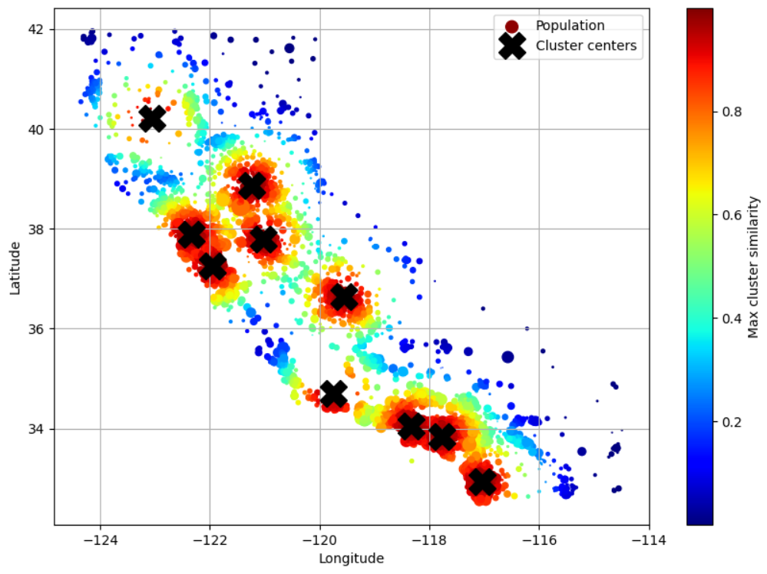
 | plot(precision recall curve) | precisions, recalls, thresholds = precision_recall_curve(y_train_5, y_scores) plt.figure(figsize=(8,4)) plt.plot(thresholds, precisions[:-1], 'b--', label='Precision', linewidth=2) plt.plot(thresholds, recalls[:-1], 'g--', label='Recall', linewidth=2) plt.vlines(threshold, 0, 1.0, 'k', 'dotted', linewidth=2) idx = (thresholds >= threshold).argmax() # add a blue dot to where threshold equals precision plt.plot(thresholds[idx], precisions[idx],"bo") # add a green dot to where threshold equals recall plt.plot(thresholds[idx], recalls[idx],"go") plt.axis([-50000, 50000, 0, 1]) # to shrink the axis size plt.grid() plt.xlabel('Threshold') plt.legend(loc='center right') plt.show() | Hands_On_Scikit_Keras_Tensorflow pg113 | 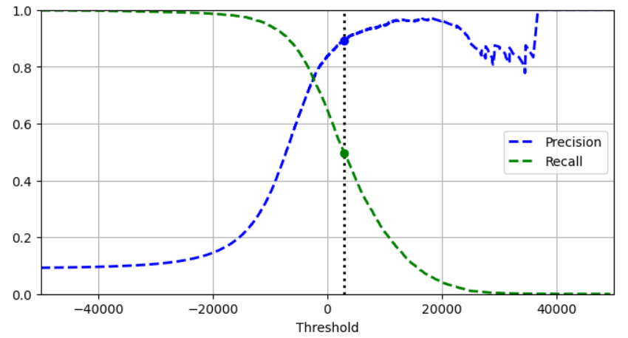
 | plot(precision recall curve) | import matplotlib.patches as patches idx = (thresholds >= threshold).argmax() threshold = 3000 # X axis is recall, y axis is precision plt.figure(figsize=(6,5)) plt.plot(recalls,precisions,linewidth=2,label = 'Precision/Recall urve') # plot the vertical line where the recall meets the threshold plt.plot([recalls[idx], recalls[idx]], [0,precisions[idx]], 'k:') # plot the horizontal line where the precision meets the threshold plt.plot([0, recalls[idx]], [precisions[idx],precisions[idx]], 'k:') # add dot to where the threshold meets the precision/recall line plt.plot([recalls[idx]], [precisions[idx]], 'ko', label='Point at threshold 3,000') # add a curved arrow to plot plt.gca().add_patch(patches.FancyArrowPatch( (0.79, 0.60), (0.61, 0.78), connectionstyle="arc3,rad=.2", arrowstyle="Simple, tail_width=1.5, head_width=8, head_length=10", color="#444444")) plt.text(0.56, 0.62, "Higher\nthreshold", color="#333333") plt.xlabel("Recall") plt.ylabel("Precision") plt.axis([0, 1, 0, 1]) plt.grid() plt.legend(loc="lower left") plt.show() | Hands_On_Scikit_Keras_Tensorflow pg114
 | plot(roc curve) | # y_train_5 is the actual target values # y_scores is the predict target decision scores # get the fpr and tpr values for all possible threshold y_scores # FPR = False positive (ratio of negative instances that are labeled positive) # TPR = True positive rate (recall score) fpr, tpr, thresholds = roc_curve(y_train_5, y_scores) idx_for_threshold_at_90 = (thresholds <= threshold_for_90_precision).argmax() tpr_90, fpr_90 = tpr[idx_for_threshold_at_90], fpr[idx_for_threshold_at_90] plt.figure(figsize=(6,5)) plt.plot(fpr, tpr, linewidth=2, label='ROC curve') plt.plot([0,1],[0,1],'k:', label="Random classifier's ROC curve") plt.plot([fpr_90],[tpr_90], 'ko', label="Threshold for 90% precision") # add curved arrow to plot plt.gca().add_patch(patches.FancyArrowPatch( (0.20, 0.89), (0.07, 0.70), connectionstyle="arc3,rad=.4", arrowstyle="Simple, tail_width=1.5, head_width=8, head_length=10", color="#444444")) plt.text(0.12, 0.71, "Higher\nthreshold", color="#333333") plt.xlabel('False Positive Rate (Fall-Out)') plt.ylabel('True Positive Rate (Recall)') plt.axis([0, 1, 0, 1]) plt.legend(loc="lower right", fontsize=13) plt.grid() | Hands_On_Scikit_Keras_Tensorflow pg116 | 
 | plot(precision recall curve) | y_scores_forest = y_probas_forest[:,1] precisions_forest, recalls_forest, thresholds_forest = precision_recall_curve( y_train_5, y_scores_forest) plt.figure(figsize=(6, 5)) plt.plot(recalls_forest, precisions_forest, "b-", linewidth=2, label="Random Forest") plt.plot(recalls, precisions, "--", linewidth=2, label="SGD") plt.xlabel("Recall") plt.ylabel("Precision") plt.axis([0, 1, 0, 1]) plt.grid() plt.legend(loc="lower left") plt.show() | Hands_On_Scikit_Keras_Tensorflow pg118 | 
 | plot(analyze confusion matrix of 3s and 5s) | cl_a, cl_b = '3','5' X_aa = X_train[(y_train == cl_a) & (y_train_pred == cl_a)] X_ab = X_train[(y_train == cl_a) & (y_train_pred == cl_b)] X_ba = X_train[(y_train == cl_b) & (y_train_pred == cl_a)] X_bb = X_train[(y_train == cl_b) & (y_train_pred == cl_b)] size = 5 pad = 0.2 plt.figure(figsize=(size, size)) for images, (label_col, label_row) in [(X_ba, (0,0)), (X_bb, (1,0)), (X_aa, (0,1)), (X_ab, (1,1))]: for idx, image_data in enumerate(images[:size*size]): x = idx % size + label_col * (size + pad) y = idx // size + label_row * (size + pad) plt.imshow(image_data.reshape(28,28), cmap='binary', extent=(x, x+1, y, y+1)) plt.xticks([size / 2, size + pad + size / 2], [str(cl_a), str(cl_b)]) plt.yticks([size / 2, size + pad + size / 2], [str(cl_b), str(cl_a)]) plt.plot([size + pad / 2, size + pad / 2], [0, 2*size + pad], "k:") plt.plot([0, 2*size + pad], [size + pad / 2, size + pad / 2], "k:") plt.axis([0, 2*size + pad, 0, 2*size + pad]) plt.xlabel('Predicted') plt.ylabel('Actual') plt.show() | Hands_On_Scikit_Keras_Tensorflow pg124 | 
 | plot(learning curve with pipeline) | from sklearn.pipeline import make_pipeline polynomial_regression = make_pipeline( PolynomialFeatures(degree=10, include_bias=False), LinearRegression()) train_sizes, train_scores, valid_scores = learning_curve( polynomial_regression, X, y, train_sizes=np.linspace(0.01, 1.0, 40), cv=5, scoring="neg_root_mean_squared_error") train_errors = -train_scores.mean(axis=1) valid_errors = -valid_scores.mean(axis=1) plt.figure(figsize=(6, 4)) plt.plot(train_sizes, train_errors, "r-+", linewidth=2, label="train") plt.plot(train_sizes, valid_errors, "b-", linewidth=3, label="valid") plt.legend(loc="upper right") plt.xlabel("Training set size") plt.ylabel("RMSE") plt.grid() plt.axis([0, 80, 0, 2.5]) plt.show() | Hands_On_Scikit_Keras_Tensorflow pg154 | 
 | plot(Gradient descent) | import matplotlib as mpl def plot_gradient_descent(theta, eta): m = len(X_b) plt.plot(X, y, "b.") n_epochs = 1000 n_shown = 20 theta_path = [] for epoch in range(n_epochs): if epoch < n_shown: y_predict = X_new_b @ theta color = mpl.colors.rgb2hex(plt.cm.OrRd(epoch / n_shown + 0.15)) plt.plot(X_new, y_predict, linestyle="solid", color=color) gradients = 2 / m * X_b.T @ (X_b @ theta - y) theta = theta - eta * gradients theta_path.append(theta) plt.xlabel("$x_1$") plt.axis([0, 2, 0, 15]) plt.grid() plt.title(fr"$\eta = {eta}$") return theta_path np.random.seed(42) theta = np.random.randn(2, 1) # random initialization plt.figure(figsize=(10, 4)) plt.subplot(131) plot_gradient_descent(theta, eta=0.02) plt.ylabel("$y$", rotation=0) plt.subplot(132) theta_path_bgd = plot_gradient_descent(theta, eta=0.1) plt.gca().axes.yaxis.set_ticklabels([]) plt.subplot(133) plt.gca().axes.yaxis.set_ticklabels([]) plot_gradient_descent(theta, eta=0.5) plt.show() | Hands_On_Scikit_Keras_Tensorflow pg144 | 
 | plot(Stochastic Gradient Descent) | theta_path_sgd = [] n_epochs = 50 t0, t1 = 5, 50 # learning schedule hyperparameters def learning_schedule(t): return t0 / (t + t1) np.random.seed(42) theta = np.random.randn(2,1) # the random initialization n_shown = 20 plt.figure(figsize=(6,4)) for epoch in range(n_epochs): for iteration in range(m): if epoch == 0 and iteration < n_shown: y_predict = X_new_b @ theta color = mpl.colors.rgb2hex(plt.cm.OrRd(iteration / n_shown + 0.15)) plt.plot(X_new, y_predict, color=color) random_index = np.random.randint(m) xi = X_b[random_index : random_index + 1] yi = y[random_index : random_index + 1] gradients = 2 * xi.T @ (xi @ theta - yi) # for SGD do not divide by m eta = learning_schedule(epoch * m + iteration) theta = theta - eta * gradients theta_path_sgd.append(theta) plt.plot(X, y, "b.") plt.xlabel("$x_1$") plt.ylabel("$y$", rotation=0) plt.axis([0, 2, 0, 15]) plt.grid() plt.show() | Hands_On_Scikit_Keras_Tensorflow pg147 | 
 | plot(Mini-batch gradient descent) | for epoch in range(n_epochs): shuffled_indices = np.random.permutation(m) X_b_shuffled = X_b[shuffled_indices] y_shuffled = y[shuffled_indices] for iteration in range(0, n_batches_per_epoch): idx = iteration * minibatch_size xi = X_b_shuffled[idx : idx + minibatch_size] yi = y_shuffled[idx : idx + minibatch_size] gradients = 2 / minibatch_size * xi.T @ (xi @ theta - yi) eta = learning_schedule(iteration) theta = theta - eta * gradients theta_path_mgd.append(theta) theta_path_bgd = np.array(theta_path_bgd) theta_path_sgd = np.array(theta_path_sgd) theta_path_mgd = np.array(theta_path_mgd) plt.figure(figsize=(7, 4)) plt.plot(theta_path_sgd[:, 0], theta_path_sgd[:, 1], "r-s", linewidth=1, label="Stochastic") plt.plot(theta_path_mgd[:, 0], theta_path_mgd[:, 1], "g-+", linewidth=2, label="Mini-batch") plt.plot(theta_path_bgd[:, 0], theta_path_bgd[:, 1], "b-o", linewidth=3, label="Batch") plt.legend(loc="upper left") plt.xlabel(r"$\theta_0$") plt.ylabel(r"$\theta_1$ ", rotation=0) plt.axis([2.6, 4.6, 2.3, 3.4]) plt.grid() plt.show() | Hands_On_Scikit_Keras_Tensorflow pg149 | 
 | plot(polynomial regression) | X_new = np.linspace(-3,3,100).reshape(100,1) X_new_poly = poly_features.transform(X_new) y_new = lin_reg.predict(X_new_poly) plt.figure(figsize=(6,4)) plt.plot(X,y, "b.") plt.plot(X_new, y_new, "r-", linewidth=2, label="Predictions") plt.xlabel("$X_1$") plt.ylabel("$y$", rotation=0) plt.legend(loc="upper left") plt.axis([-3,3,0,10]) plt.grid() plt.show() | Hands_On_Scikit_Keras_Tensorflow pg151 | 
 | plot(logistic regression) | lim = 6 t = np.linspace(-lim,lim,100) sig = 1 / (1+np.exp(-t)) plt.figure(figsize=(8,3)) plt.plot([-lim, lim],[0,0],"k-") plt.plot([-lim, lim], [0.5, 0.5], "k:") plt.plot([-lim, lim], [1, 1], "k:") plt.plot([0, 0], [-1.1, 1.1], "k-") plt.plot(t, sig, "b-", linewidth=2, label=r"$\sigma(t) = \dfrac{1}{1 + e^{-t}}$") plt.xlabel("t") plt.legend(loc="upper left") plt.axis([-lim, lim, -0.1, 1.1]) plt.gca().set_yticks([0, 0.25, 0.5, 0.75, 1]) plt.grid() plt.show() | Hands_On_Scikit_Keras_Tensorflow pg164 | 
 | plot(Early Stopping of SGD Regressor) | from copy import deepcopy from sklearn.preprocessing import StandardScaler # extra code – creates the same quadratic dataset as earlier and splits it np.random.seed(42) m = 100 X = 6 * np.random.rand(m, 1) - 3 y = 0.5 * X ** 2 + X + 2 + np.random.randn(m, 1) X_train, y_train = X[: m // 2], y[: m // 2, 0] X_valid, y_valid = X[m // 2 :], y[m // 2 :, 0] preprocessing = make_pipeline(PolynomialFeatures(degree=90, include_bias=False), StandardScaler()) X_train_prep = preprocessing.fit_transform(X_train) X_valid_prep = preprocessing.transform(X_valid) sgd_reg = SGDRegressor(penalty=None, eta0=0.002, random_state=42) n_epochs = 500 best_valid_rmse = float('inf') train_errors, val_errors = [], [] # extra code – it's for the figure below for epoch in range(n_epochs): sgd_reg.partial_fit(X_train_prep, y_train) y_valid_predict = sgd_reg.predict(X_valid_prep) val_error = root_mean_squared_error(y_valid, y_valid_predict) if val_error < best_valid_rmse: best_valid_rmse = val_error best_model = deepcopy(sgd_reg) # extra code – we evaluate the train error and save it for the figure y_train_predict = sgd_reg.predict(X_train_prep) train_error = root_mean_squared_error(y_train, y_train_predict) val_errors.append(val_error) train_errors.append(train_error) | Hands_On_Scikit_Keras_Tensorflow pg162 | 
 |  | # extra code – this section generates and saves Figure 4–20 best_epoch = np.argmin(val_errors) plt.figure(figsize=(6, 4)) plt.annotate('Best model', xy=(best_epoch, best_valid_rmse), xytext=(best_epoch, best_valid_rmse + 0.5), ha="center", arrowprops=dict(facecolor='black', shrink=0.05)) plt.plot([0, n_epochs], [best_valid_rmse, best_valid_rmse], "k:", linewidth=2) plt.plot(val_errors, "b-", linewidth=3, label="Validation set") plt.plot(best_epoch, best_valid_rmse, "bo") plt.plot(train_errors, "r--", linewidth=2, label="Training set") plt.legend(loc="upper right") plt.xlabel("Epoch") plt.ylabel("RMSE") plt.axis([0, n_epochs, 0, 3.5]) plt.grid() plt.show()
 | plot(Estimated Probabilities and Decision Boundary) | X_new = np.linspace(0,3,1000).reshape(-1,1) y_proba = log_reg.predict_proba(X_new) decision_boundary = X_new[y_proba[:,1] >= 0.5][0,0] plt.figure(figsize=(8,3)) plt.plot(X_new, y_proba[:,0], "b--", linewidth=2, label="Not Iris virginica proba") plt.plot(X_new, y_proba[:,1],"g-", linewidth=2, label="Iris virginica proba") plt.plot([decision_boundary, decision_boundary],[0,1], "k:", linewidth=2, label="Decision boundary") plt.xlabel("Petal width (cm)") plt.ylabel("Probability") plt.plot(X_train[y_train==0],y_train[y_train == 0],"bs") plt.plot(X_train[y_train==1], y_train[y_train==1], "g^") plt.legend(loc="center left", fontsize=9) plt.axis([0,3,-0.02,1.02]) plt.grid() plt.show() | Hands_On_Scikit_Keras_Tensorflow pg168 | 
 | plot(Linear Decision Boundary) | x0, x1 = np.meshgrid(np.linspace(2.9, 7, 500).reshape(-1,1), np.linspace(0.8, 2.7, 200).reshape(-1,1)) X_new = np.c_[x0.ravel(), x1.ravel()] y_proba = log_reg.predict_proba(X_new) zz = y_proba[:, 1].reshape(x0.shape) left_right = np.array([2.9, 7]) boundary = -((log_reg.coef_[0,0] * left_right + log_reg.intercept_[0]) / log_reg.coef_[0,1]) plt.figure(figsize=(10, 4)) plt.plot(X_train[y_train == 0, 0], X_train[y_train == 0, 1], "bs") plt.plot(X_train[y_train == 1, 0], X_train[y_train == 1, 1], "g^") contour = plt.contour(x0, x1, zz, cmap=plt.cm.brg) plt.clabel(contour, inline=1) plt.plot(left_right, boundary, "k--", linewidth=3) # plots a line from the 2 points plt.text(3.5, 1.27, "Not Iris virginica", color="b", ha="center") plt.text(6.5, 2.3, "Iris virginica", color="g", ha="center") plt.xlabel("Petal length") plt.ylabel("Petal width") plt.axis([2.9, 7, 0.8, 2.7]) plt.grid() | Hands_On_Scikit_Keras_Tensorflow pg169 | 

Pyplot.Subplot()
Matplotlib.pyplot | matplotlib.pyplot.subplot(*args, **kwargs)[source] | Use subplots when we want to populate more than one visual and organize them next to one another in a specific way. You use a line of code to announce which subplot/visual you are coding for: plt.subplot(2,1,1) is a subplot with two rows and one colun and the code about to run is for the first visual plt.subplot(2,1,2) is to announce you are done with the first visual and you are about to start the second visual Add a subplot to the current figure. subplot(nrows, ncols, index, **kwargs) subplot(pos, **kwargs) subplot(ax) | matplotlib.pyplot.subplot — Matplotlib 3.1.0 documentation
Type | Name | Examples
 | matplotlib.pyplot.subplot() | # The first digit 1 indicates that the grid will have 1 row. # The second digit 2 specifies that the grid will have 2 columns. # The third digit 1 denotes that the current subplot will be # placed in the first position (the top-left corner) of the grid. subplot(121) | Handson_Scikit_Keras_Tensorflow pg176
 | matplotlib.pyplot.subplot() | fix, ax = plt.subplots(figsize=(8,8)) ax.plot(auto['horsepower'], auto['mpg'], 'o'); ---------------------------------------------- plt.subplot(2,1,1) plt.hist(adult_df.age) plt.title('Histogram') plt.ylabel('Age') plt.subplot(2,1,2) plt.boxplot(adult_df.age, vert=False) plt.title('Boxplot') plt.yticks([1], ['Age']) plt.tight_layout() plt.show() ------------------------------------ | islp pg 61 dpp pg66
 | subplot() cont'd | # plot the standard normal distribution # and visualize the standardized scores # We are plotting the distributions here to better visualize the calculations. fig, ax = plt.subplots() x = np.linspace(-4,4,50) ax.plot(x, norm.pdf(x, loc = 0, scale = 1), color = 'b') ax.set_title('Standard Normal Distribution') ax.set_xlabel('Z-scores') ax.set_ylabel('Probability') ax.axvline(top_sat, ymax = 0.25, linestyle = '--', color = 'green') ax.axvline(top_act, ymax = 0.16, linestyle = '--', color = 'black') plt.show() | GL_Stats_Wk1_Notebook | 
 | subplot() cont'd | adult_df= pd.read_csv('adult.csv') numerical_attributes = ['age','fnlwgt','education-num', 'capitalGain','capitalLoss','hoursPerWeek'] for att in numerical_attributes: plt.figure(figsize=(10,3)) plt.subplot(1,2,1) adult_df[att].plot.hist() plt.subplot(1,2,2) adult_df[att].plot.box(vert=False) plt.tight_layout() plt.show() plt.savefig('{}test.png'.format([att]), dpi=600) | dpp pg123 | Creates a histogram and boxplot for each column of the dataframe listed in numerical_attributes list. The 2 subplots will be produced side by side for each column designated by the "2" value in [1,2,1] and [1.2.2]. The second parameter ("2") is the number of columns in the figure. The first parameter ("1") is the number of rows in the figure
 | subplot() cont'd | f2, (ax_box2, ax_hist2) = plt.subplots( nrows=2, # Number of rows of the subplot grid= 2 sharex=True, # x-axis will be shared among all subplots gridspec_kw={"height_ratios": (0.25, 0.75)}, figsize=figsize, ) # creating the 2 subplots -------------------------------------------------- for i, variable in enumerate(numerical_col): plt.subplot(5,4,i+1) #whis parameter default is 1.5 so not needed here plt.boxplot(data[variable], whis=1.5) plt.tight_layout() plt.title(variable) | GL_Supervised_Wk1_Anime GL_Classification_Wk1_IncomeGroup
 | subplot(rbf_kernel with different gammas) | ages = np.linspace(housing["housing_median_age"].min(), housing["housing_median_age"].max(), 500).reshape(-1, 1) gamma1 = 0.1 gamma2 = 0.03 rbf1 = rbf_kernel(ages, [[35]], gamma=gamma1) rbf2 = rbf_kernel(ages, [[35]], gamma=gamma2) fig, ax1 = plt.subplots() ax1.set_xlabel("Housing median age") ax1.set_ylabel("Number of districts") ax1.hist(housing["housing_median_age"], bins=50) ax2 = ax1.twinx() # create a twin axis that shares the same x-axis color = "blue" ax2.plot(ages, rbf1, color=color, label="gamma = 0.10") ax2.plot(ages, rbf2, color=color, label="gamma = 0.03", linestyle="--") ax2.tick_params(axis='y', labelcolor=color) ax2.set_ylabel("Age similarity", color=color) plt.legend(loc="upper left") plt.show() | Hands_On_Scikit_Keras_Tensorflow pg78 | 
 | subplot(scipy random vs uniform) | from scipy.stats import randint, uniform, geom, expon xs1 = np.arange(0, 7 + 1) randint_distrib = randint(0, 7 + 1).pmf(xs1) xs2 = np.linspace(0, 7, 500) uniform_distrib = uniform(0, 7).pdf(xs2) plt.figure(figsize=(12, 7)) plt.subplot(2, 2, 1) plt.bar(xs1, randint_distrib, label="scipy.randint(0, 7 + 1)") plt.ylabel("Probability") plt.legend() plt.axis([-1, 8, 0, 0.2]) plt.subplot(2, 2, 2) plt.fill_between(xs2, uniform_distrib, label="scipy.uniform(0, 7)") plt.ylabel("PDF") plt.legend() plt.axis([-1, 8, 0, 0.2]) | Hands_On_Scikit_Keras_Tensorflow pg95
 | subplot(scipy geometric vs exponential) | from scipy.stats import randint, uniform, geom, expon xs3 = np.arange(0, 7 + 1) geom_distrib = geom(0.5).pmf(xs3) xs4 = np.linspace(0, 7, 500) expon_distrib = expon(scale=1).pdf(xs4) plt.figure(figsize=(12, 7)) plt.subplot(2, 2, 3) plt.bar(xs3, geom_distrib, label="scipy.geom(0.5)") plt.xlabel("Hyperparameter value") plt.ylabel("Probability") plt.legend() plt.axis([0, 7, 0, 1]) plt.subplot(2, 2, 4) plt.fill_between(xs4, expon_distrib, label="scipy.expon(scale=1)") plt.xlabel("Hyperparameter value") plt.ylabel("PDF") plt.legend() plt.axis([0, 7, 0, 1]) | Hands_On_Scikit_Keras_Tensorflow pg95
 | subplot(expon vs exponential log) | from scipy.stats import loguniform xs1 = np.linspace(0, 7, 500) expon_distrib = expon(scale=1).pdf(xs1) log_xs2 = np.linspace(-5, 3, 500) log_expon_distrib = np.exp(log_xs2 - np.exp(log_xs2)) plt.figure(figsize=(12, 7)) plt.subplot(2, 2, 1) plt.fill_between(xs1, expon_distrib,label="scipy.expon(scale=1)") plt.ylabel("PDF") plt.legend() plt.axis([0, 7, 0, 1]) plt.subplot(2, 2, 2) plt.fill_between(log_xs2, log_expon_distrib, label="log(X) with X ~ expon") plt.legend() plt.axis([-5, 3, 0, 1] | Hands_On_Scikit_Keras_Tensorflow pg95
 | subplot(log vs uniform log) | from scipy.stats import loguniform xs3 = np.linspace(0.001, 1000, 500) loguniform_distrib = loguniform(0.001, 1000).pdf(xs3) log_xs4 = np.linspace(np.log(0.001), np.log(1000), 500) log_loguniform_distrib = uniform(np.log(0.001), np.log(1000)).pdf(log_xs4) plt.subplot(2, 2, 3) plt.fill_between(xs3, loguniform_distrib, label="scipy.loguniform(0.001, 1000)") plt.xlabel("Hyperparameter value") plt.ylabel("PDF") plt.legend() plt.axis([0.001, 1000, 0, 0.005]) plt.subplot(2, 2, 4) plt.fill_between(log_xs4, log_loguniform_distrib, label="log(X) with X ~ loguniform") plt.xlabel("Log of hyperparameter value") plt.legend() plt.axis([-8, 1, 0, 0.2]) | Hands_On_Scikit_Keras_Tensorflow pg95
 | subplot(images of numbers) | def plot_digit(image_data): image = image_data.reshape(28,28) plt.imshow(image, cmap='binary') plt.axis('off') some_digit = X[0] plot_digit(some_digit) plt.show() plt.figure(figsize=(9,9)) for idx, image_data in enumerate(X[:50]): image = image_data.reshape(28,28) plt.subplot(10,10,idx+1) plot_digit(image_data) # plot using function above plt.subplots_adjust(wspace=0.2, hspace=0.2) plt.show() | Hands_On_Scikit_Keras_Tensorflow pg106 | 
 | subplots(confusion matrix for multiclass classifier) | fig, axs = plt.subplots(nrows=1, ncols=2, figsize=(9, 4)) plt.rc('font', size=9) ConfusionMatrixDisplay.from_predictions(y_train, y_train_pred, ax=axs[0]) axs[0].set_title("Confusion matrix") plt.rc('font', size=10) ConfusionMatrixDisplay.from_predictions(y_train, y_train_pred, ax=axs[1], normalize="true", values_format=".0%") axs[1].set_title("CM normalized by row") plt.show() | Hands_On_Scikit_Keras_Tensorflow pg123 | 
 | subplots(confusion matrix for multiclass classifier errors) | fig, axs = plt.subplots(nrows=1, ncols=2, figsize=(9, 4)) plt.rc('font', size=10) ConfusionMatrixDisplay.from_predictions(y_train, y_train_pred, ax=axs[0], sample_weight=sample_weight, normalize="true", values_format=".0%") axs[0].set_title("Errors normalized by row") ConfusionMatrixDisplay.from_predictions(y_train, y_train_pred, ax=axs[1], sample_weight=sample_weight, normalize="pred", values_format=".0%") axs[1].set_title("Errors normalized by column") plt.show() plt.rc('font', size=14) # make fonts great again | Hands_On_Scikit_Keras_Tensorflow pg123 | 
 | subplots(multioutput classification) | np.random.seed(42) noise = np.random.randint(0,100, (len(X_train),784)) X_train_mod = X_train + noise noise = np.random.randint(0,100, (len(X_test),784)) X_test_mod = X_test + noise y_train_mod = X_train y_test_mod = X_test plt.subplot(121); plot_digit(X_test_mod[0]) plt.subplot(122); plot_digit(y_test_mod[0]) plt.show() | Hands_On_Scikit_Keras_Tensorflow pg127 | 
 | subplots(Ridge regressions) | def plot_model(model_class, polynomial, alphas, **model_kwargs): plt.plot(X, y, "b.", linewidth=3) for alpha, style in zip(alphas, ("b:","g--","r-")): if alpha > 0: model = model_class(alpha, **model_kwargs) else: model = LinearRegression() if polynomial: model = make_pipeline( PolynomialFeatures(degree=10, include_bias=False), StandardScaler(), model) model.fit(X,y) y_new_regul = model.predict(X_new) plt.plot(X_new, y_new_regul, style, linewidth=2, label=fr"$\alpha = {alpha}$") plt.legend(loc="upper left") plt.xlabel("$x_1$") plt.axis([0,3,0,3.5]) plt.grid() plt.figure(figsize=(9, 3.5)) plt.subplot(121) plot_model(Ridge, polynomial=False, alphas=(0, 10, 100), random_state=42) plt.ylabel("$y$ ", rotation=0) plt.subplot(122) plot_model(Ridge, polynomial=True, alphas=(0, 10**-5, 1), random_state=42) plt.gca().axes.yaxis.set_ticklabels([]) plt.show() | Hands_On_Scikit_Keras_Tensorflow pg157 | 
 | plot(lasso) | from sklearn.linear_model import Lasso lasso_reg = Lasso(alpha=0.1) lasso_reg.fit(X,y) lasso_reg.predict([[1.5] plt.figure(figsize=(9, 3.5)) plt.subplot(121) plot_model(Lasso, polynomial=False, alphas=(0, 0.1, 1), random_state=42) plt.ylabel("$y$ ", rotation=0) plt.subplot(122) plot_model(Lasso, polynomial=True, alphas=(0, 1e-2, 1), random_state=42) plt.gca().axes.yaxis.set_ticklabels([]) plt.show() | Hands_On_Scikit_Keras_Tensorflow pg158 | 

