Dmba
type | Name | Examples | Reference
from dmba import plotDecisionTree, textDecisionTree
From the book "Data Mining for Business Analytics

plotDecisionTree | dmba.plotDecisionTree() | predictors = ["borrower_score","payment_inc_ratio"] outcome = "outcome" X = loan3000[predictors] y = loan3000[outcome] loan_tree = DecisionTreeClassifier(random_state=1, criterion = 'entropy', min_impurity_decrease=0.003) loan_tree.fit(X,y) plotDecisionTree(loan_tree, feature_names=predictors, class_names=loan_tree.classes_) | Practical_Statistics pg 250-251 | 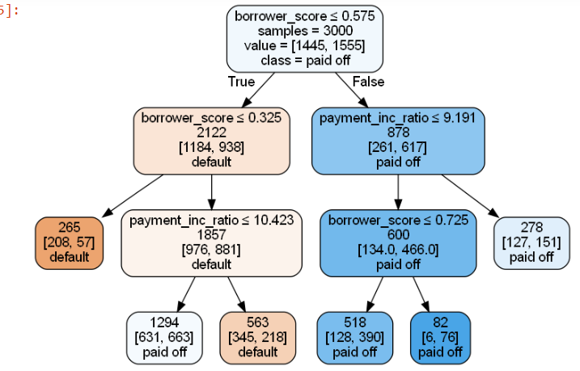

testDecisionTree | dmba.textDecisionTree() | print(textDecisionTree(loan_tree)) | Practical_Statistics pg 250-251 | 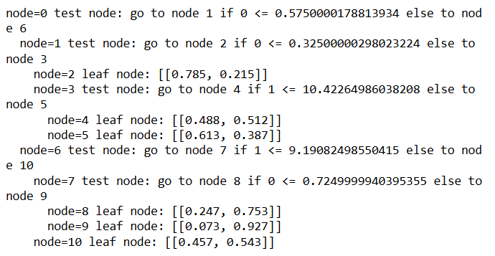

LightGBM
type | Name | Arguments | Description | URL | Examples | Reference
 | import lightgbm

LGBMClassifier | lightgbm.LGBMClassifier() | lightgbm.LGBMClassifier(boosting_type='gbdt', num_leaves=31, max_depth=-1, learning_rate=0.1, n_estimators=100, subsample_for_bin=200000, objective=None, class_weight=None, min_split_gain=0.0, min_child_weight=0.001, min_child_samples=20, subsample=1.0, subsample_freq=0, colsample_bytree=1.0, reg_alpha=0.0, reg_lambda=0.0, random_state=None, n_jobs=None, importance_type='split', **kwargs) | Construct a gradient boosting model | lightgbm.LGBMClassifier — LightGBM 4.5.0.99 documentation | import lightgbm as lgb lgbm_class = lgb.LGBMClassifier(random_state=42) lgbm_class.fit(X_train, y_train) | Machine_Learning_Pocket_Ref pg 144
 | lightgbm.LGBMClassifier().feature_importances_ | lightgbm.LGBMClassifier().feature_importances_ | The feature importances (the higher, the more important). | lightgbm.LGBMClassifier — LightGBM 4.5.0.99 documentation | # print feature importances for col, val in sorted( zip(X.columns, lgbm_class.feature_importances_), key = lambda x:x[1], reverse=True)[:5]: print(f"{col:10}{val:10.3f}") | Machine_Learning_Pocket_Ref pg 146
 | lightgbm.LGBMClassifier().fit() | fit(X, y, sample_weight=None, init_score=None, eval_set=None, eval_names=None, eval_sample_weight=None, eval_class_weight=None, eval_init_score=None, eval_metric=None, feature_name='auto', categorical_feature='auto', callbacks=None, init_model=None) | Build a gradient boosting model from the training set (X, y) | lightgbm.LGBMClassifier — LightGBM 4.5.0.99 documentation | import lightgbm as lgb lgbm_class = lgb.LGBMClassifier(random_state=42) lgbm_class.fit(X_train, y_train) | Machine_Learning_Pocket_Ref pg 144
 | lightgbm.LGBMClassifier().predict_proba() | predict_proba(X, raw_score=False, start_iteration=0, num_iteration=None, pred_leaf=False, pred_contrib=False, validate_features=False, **kwargs) | Return the predicted probability for each class for each sample. | lightgbm.LGBMClassifier — LightGBM 4.5.0.99 documentation | lgbm_class.predict_proba(X.iloc[[0]]) | Machine_Learning_Pocket_Ref pg 144
 | lightgbm.LGBMClassifier().score() | score(X, y, sample_weight=None) | Return the mean accuracy on the given test data and labels. In multi-label classification, this is the subset accuracy which is a harsh metric since you require for each sample that each label set be correctly predicted. | lightgbm.LGBMClassifier — LightGBM 4.5.0.99 documentation | lgbm_class.score(X_test, y_test) | Machine_Learning_Pocket_Ref pg 144

LGBMRegressor | lightgbm.LGBMRegressor() | lightgbm.LGBMRegressor(boosting_type='gbdt', num_leaves=31, max_depth=-1, learning_rate=0.1, n_estimators=100, subsample_for_bin=200000, objective=None, class_weight=None, min_split_gain=0.0, min_child_weight=0.001, min_child_samples=20, subsample=1.0, subsample_freq=0, colsample_bytree=1.0, reg_alpha=0.0, reg_lambda=0.0, random_state=None, n_jobs=None, importance_type='split', **kwargs) | LightGBM regressor. | lightgbm.LGBMRegressor — LightGBM 4.5.0.99 documentation | from lightgbm import LGBMRegressor lgr = LGBMRegressor(random_state=42) lgr.fit(bos_X_train, bos_y_train) | Machine_Learning_Pocket_Ref pg 219
 | lightgbm.LGBMRegressor().feature_importances_ | lightgbm.LGBMRegressor().feature_importances_ | The names of features. | lightgbm.LGBMRegressor — LightGBM 4.5.0.99 documentation | #feature importance for col, val in sorted( zip(bos_X.columns, lgr.feature_importances_), key = lambda x: x[1], reverse = True)[:5]: print(f"{col:10}{val:10.3f}") | Machine_Learning_Pocket_Ref pg 221
 | lightgbm.LGBMRegressor().fit() | fit(X, y, sample_weight=None, init_score=None, eval_set=None, eval_names=None, eval_sample_weight=None, eval_init_score=None, eval_metric=None, feature_name='auto', categorical_feature='auto', callbacks=None, init_model=None) | Build a gradient boosting model from the training set (X, y). | lightgbm.LGBMRegressor — LightGBM 4.5.0.99 documentation | from lightgbm import LGBMRegressor lgr = LGBMRegressor(random_state=42) lgr.fit(bos_X_train, bos_y_train) | Machine_Learning_Pocket_Ref pg 219
 | lightgbm.LGBMRegressor().predict() | predict(X, raw_score=False, start_iteration=0, num_iteration=None, pred_leaf=False, pred_contrib=False, validate_features=False, **kwargs) | Return the predicted value for each sample. | lightgbm.LGBMRegressor — LightGBM 4.5.0.99 documentation | lgr.predict(bos_X.iloc[[0]]) | Machine_Learning_Pocket_Ref pg 219
 | lightgbm.LGBMRegressor().score() | score(X, y, sample_weight=None) | Return the coefficient of determination of the prediction. R-squared number | lightgbm.LGBMRegressor — LightGBM 4.5.0.99 documentation | lgr.score(bos_X_test, bos_y_test) | Machine_Learning_Pocket_Ref pg 219

Plot_importance | lightgbm.plot_importance() | lightgbm.plot_importance(booster, ax=None, height=0.2, xlim=None, ylim=None, title='Feature importance', xlabel='Feature importance', ylabel='Features', importance_type='auto', max_num_features=None, ignore_zero=True, figsize=None, dpi=None, grid=True, precision=3, **kwargs) | Plot model’s feature importances. | lightgbm.plot_importance — LightGBM 4.5.0.99 documentation | fig, ax = plt.subplots(figsize=(6,4)) lgb.plot_importance(lgbm_class, ax=ax) fig.tight_layout() ---------------------------------- from lightgbm import plot_importance fig, ax = plt.subplots(figsize=(6,4)) plot_importance(lgr, ax=ax) | Machine_Learning_Pocket_Ref pg 146, 222 | 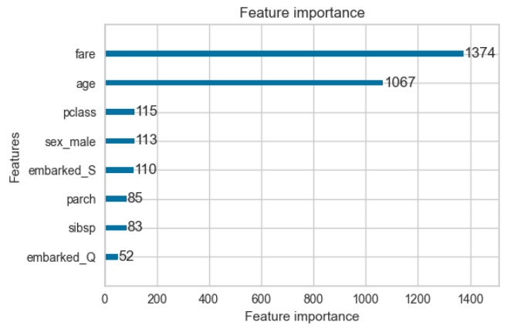

Plot_tree | lightgbm.plot_tree() | lightgbm.plot_tree(booster, ax=None, tree_index=0, figsize=None, dpi=None, show_info=None, precision=3, orientation='horizontal', example_case=None, **kwargs) | Plot specified tree. Each node in the graph represents a node in the tree. Non-leaf nodes have labels like Column_10 <= 875.9, which means “this node splits on the feature named “Column_10”, with threshold 875.9”. Leaf nodes have labels like leaf 2: 0.422, which means “this node is a leaf node, and the predicted value for records that fall into this node is 0.422”. The number (2) is an internal unique identifier and doesn’t have any special meaning. | lightgbm.plot_tree — LightGBM 4.5.0.99 documentation | fig, ax = plt.subplots(figsize=(6,4)) lgb.plot_tree(lgbm_class, tree_index=0, ax=ax) | Machine_Learning_Pocket_Ref pg 147 | 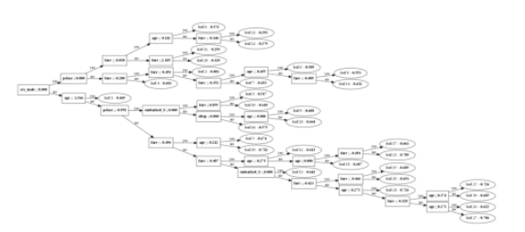

Create_tree_digraph | lightgbm.create_tree_digraph() | lightgbm.create_tree_digraph(booster, tree_index=0, show_info=None, precision=3, orientation='horizontal', example_case=None, max_category_values=10, **kwargs) | Create a digraph representation of specified tree. Each node in the graph represents a node in the tree. Non-leaf nodes have labels like Column_10 <= 875.9, which means “this node splits on the feature named “Column_10”, with threshold 875.9”. Leaf nodes have labels like leaf 2: 0.422, which means “this node is a leaf node, and the predicted value for records that fall into this node is 0.422”. The number (2) is an internal unique identifier and doesn’t have any special meaning. | lightgbm.create_tree_digraph — LightGBM 4.5.0.99 documentation | lgb.create_tree_digraph(lgbm_class) --------------------------------------------- from lightgbm import create_tree_digraph create_tree_digraph(lgr) | Machine_Learning_Pocket_Ref pg 148, 222 | 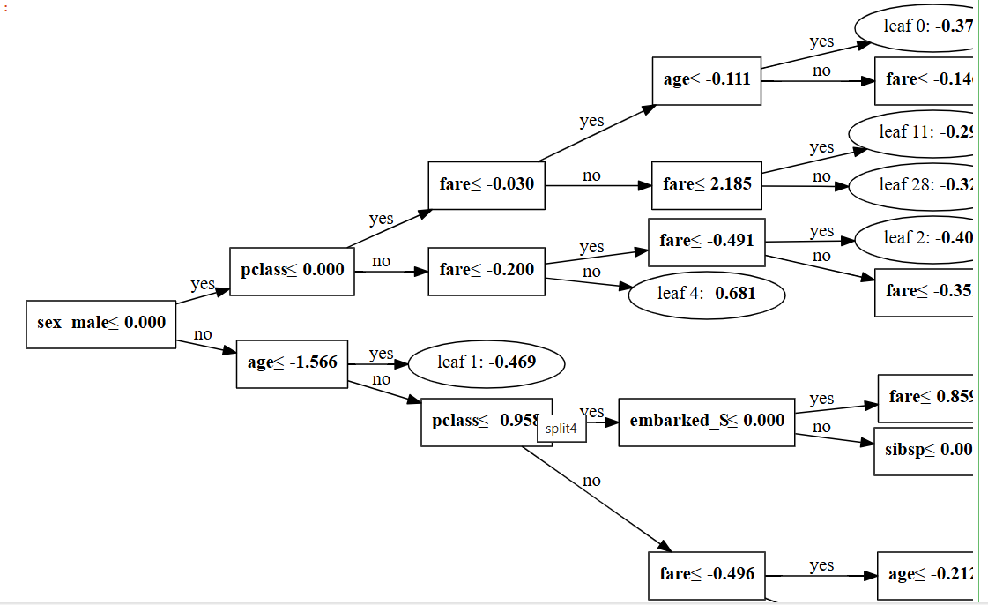

Prince
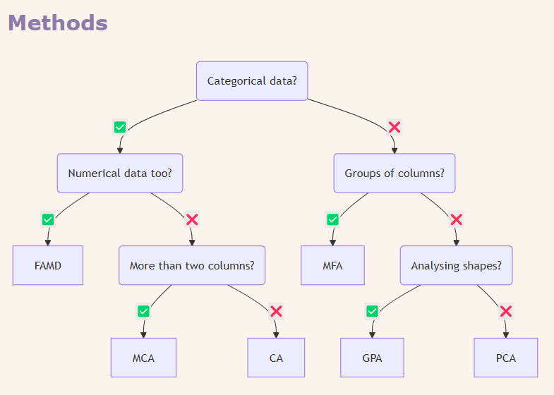
type | Name | Arguments | Description | URL | Examples | Reference
 | # for multivariate exploratory data analysis pip install prince import prince

prince | prince.ca() | ca = prince.CA( n_components=2, n_iter=10, copy=True, check_input=True, engine='sklearn', random_state=42 ) | Correspondence Analysis (CA) | Correspondence analysis | Prince | from adjustText import adjust_text housetasks = pd.read_csv('housetasks.csv', index_col=0) ca = prince.CA(n_components=2) ca = ca.fit(housetasks) ax = ca.row_coordinates(housetasks).plot.scatter(x=0, y=1, figsize=(5,5)) ca.column_coordinates(housetasks).plot.scatter(x=0, y=1, ax=ax, c="C1") texts=[] for idx, row in ca.row_coordinates(housetasks).iterrows(): texts.append(plt.text(row[0],row[1],idx)) for idx, row in ca.column_coordinates(housetasks).iterrows(): texts.append(plt.text(row[0], row[1], idx, color="C1")) adjust_text(texts, only_move={"points":"y", "texts":"y"}) plt.tight_layout() plt.show() | Practical_Statistics pg293 | 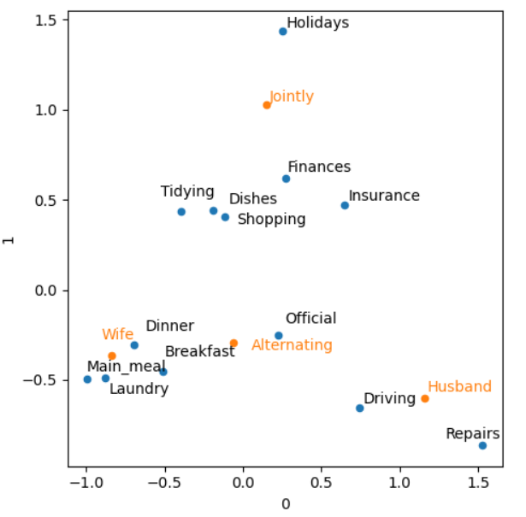
 | prince.ca.column_coordinates() | column_coordinates(self, X) | The column principal coordinates | Correspondence analysis | Prince | from adjustText import adjust_text housetasks = pd.read_csv('housetasks.csv', index_col=0) ca = prince.CA(n_components=2) ca = ca.fit(housetasks) ax = ca.row_coordinates(housetasks).plot.scatter(x=0, y=1, figsize=(5,5)) ca.column_coordinates(housetasks).plot.scatter(x=0, y=1, ax=ax, c="C1") texts=[] for idx, row in ca.row_coordinates(housetasks).iterrows(): texts.append(plt.text(row[0],row[1],idx)) for idx, row in ca.column_coordinates(housetasks).iterrows(): texts.append(plt.text(row[0], row[1], idx, color="C1")) adjust_text(texts, only_move={"points":"y", "texts":"y"}) plt.tight_layout() plt.show() | Practical_Statistics pg293
 | prince.ca.fit() | fit(self, X, y=None) |  | Correspondence analysis | Prince | from adjustText import adjust_text housetasks = pd.read_csv('housetasks.csv', index_col=0) ca = prince.CA(n_components=2) ca = ca.fit(housetasks) ax = ca.row_coordinates(housetasks).plot.scatter(x=0, y=1, figsize=(5,5)) ca.column_coordinates(housetasks).plot.scatter(x=0, y=1, ax=ax, c="C1") texts=[] for idx, row in ca.row_coordinates(housetasks).iterrows(): texts.append(plt.text(row[0],row[1],idx)) for idx, row in ca.column_coordinates(housetasks).iterrows(): texts.append(plt.text(row[0], row[1], idx, color="C1")) adjust_text(texts, only_move={"points":"y", "texts":"y"}) plt.tight_layout() plt.show() | Practical_Statistics pg293
 | prince.ca.plot() | ca.plot( X, x_component=0, y_component=1, show_row_markers=True, show_column_markers=True, show_row_labels=False, show_column_labels=False, ) |  | prince/prince/ca.py at master · MaxHalford/prince · GitHub | ca.plot(housetasks) | Practical_Statistics pg293 | 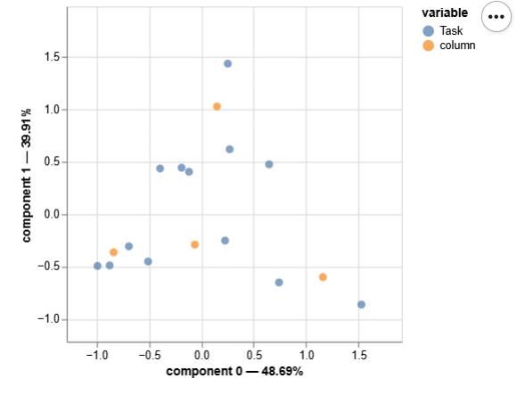
 | prince.ca.row_coordinates() | row_coordinates(self, X) | The row principal coordinates | Correspondence analysis | Prince | from adjustText import adjust_text housetasks = pd.read_csv('housetasks.csv', index_col=0) ca = prince.CA(n_components=2) ca = ca.fit(housetasks) ax = ca.row_coordinates(housetasks).plot.scatter(x=0, y=1, figsize=(5,5)) ca.column_coordinates(housetasks).plot.scatter(x=0, y=1, ax=ax, c="C1") texts=[] for idx, row in ca.row_coordinates(housetasks).iterrows(): texts.append(plt.text(row[0],row[1],idx)) for idx, row in ca.column_coordinates(housetasks).iterrows(): texts.append(plt.text(row[0], row[1], idx, color="C1")) adjust_text(texts, only_move={"points":"y", "texts":"y"}) plt.tight_layout() plt.show() | Practical_Statistics pg293

XGBoost
type | Name | Arguments | Description | URL | Examples | Reference
from xgboost import XGBClassifier

XGBClassifier | xgboost.XGBClassifier() | xgboost.XGBClassifier(*, objective='binary:logistic', **kwargs) | Implementation of the scikit-learn API for XGBoost classification. | Using the Scikit-Learn Estimator Interface — xgboost 2.1.3 documentation | models.append(("Xgboost", XGBClassifier(random_state=1, eval_metric="logloss"))) ------------------------------------------------------ #defining model model = XGBClassifier(random_state=1,eval_metric='logloss') #Parameter grid to pass in GridSearchCV param_grid={'n_estimators':np.arange(50,150,50), 'scale_pos_weight':[2,5,10], 'learning_rate':[0.01,0.1,0.2,0.05], 'gamma':[0,1,3,5], 'subsample':[0.8,0.9,1], 'max_depth':np.arange(1,5,1), 'reg_lambda':[5,10]} | Gl_Hypertuning_Wk2_Additional_Case
 | xgboost.XGBClassifier().feature_importances_ | xgboost.XGBClassifier().feature_importances_ | Feature importances property, return depends on importance_type parameter. When model trained with multi-class/multi-label/multi-target dataset, the feature importance is “averaged” over all targets. The “average” is defined based on the importance type. For instance, if the importance type is “total_gain”, then the score is sum of loss change for each split from all trees. | Python API Reference — xgboost 2.1.3 documentation | # print feature importances for col, val in sorted( zip(X.columns, xgb_class.feature_importances_), key = lambda x:x[1], reverse=True)[:5]: print(f"{col:10}{val:10.3f}") | Machine_Learning_Pocket_Ref pg 136
 | xgboost.XGBClassifier().fit() | fit(X, y, *, sample_weight=None, base_margin=None, eval_set=None, verbose=True, xgb_model=None, sample_weight_eval_set=None, base_margin_eval_set=None, feature_weights=None) | Fit gradient boosting classifier. Note that calling fit() multiple times will cause the model object to be re-fit from scratch. To resume training from a previous checkpoint, explicitly pass xgb_model argument. | Python API Reference — xgboost 2.1.3 documentation | import xgboost as xgb xgb_class = xgb.XGBClassifier(random_state=42, early_stopping_rounds=10) xgb_class.fit( X_train, y_train, eval_set=[(X_test, y_test)]) | Machine_Learning_Pocket_Ref pg 134
 | xgboost.XGBClassifier().get_booster() | xgboost.XGBClassifier().get_booster() | Get the underlying xgboost Booster of this model. This will raise an exception when fit was not called | Python API Reference — xgboost 2.1.3 documentation | booster = xgb_class.get_booster() print(booster.get_dump()[0]) | Machine_Learning_Pocket_Ref pg 138
 | xgboost.XGBClassifier().predict() | predict(X, output_margin=False, validate_features=True, base_margin=None, iteration_range=None) | Predict with X. If the model is trained with early stopping, then best_iteration is used automatically. The estimator uses inplace_predict by default and falls back to using DMatrix if devices between the data and the estimator don’t match. | Python API Reference — xgboost 2.1.3 documentation | # predict the first record xgb_class.predict(X.iloc[[0]]) | Machine_Learning_Pocket_Ref pg 134
 | xgboost.XGBClassifier().predict_proba() | predict_proba(X, validate_features=True, base_margin=None, iteration_range=None) | Predict the probability of each X example being of a given class. If the model is trained with early stopping, then best_iteration is used automatically. The estimator uses inplace_predict by default and falls back to using DMatrix if devices between the data and the estimator don’t match. | Python API Reference — xgboost 2.1.3 documentation | # predict the probability of the first record xgb_class.predict_proba(X.iloc[[0]]) | Machine_Learning_Pocket_Ref pg 134
 | xgboost.XGBClassifier().score() | score(X, y, sample_weight=None) | Return the mean accuracy on the given test data and labels. | Python API Reference — xgboost 2.1.3 documentation | # get the accuracy score xgb_class.score(X_test, y_test) | Machine_Learning_Pocket_Ref pg 134

XGBRegressor | xgboost.XGBRegressor() | xgboost.XGBRegressor(*, objective='reg:squarederror', **kwargs) | Implementation of the scikit-learn API for XGBoost regression | Python API Reference — xgboost 2.1.3 documentation | from xgboost import XGBRegressor xgr = XGBRegressor(random_state=42) xgr.fit(bos_X_train, bos_y_train) | Machine_Learning_Pocket_Ref pg 212
 | xgboost.XGBRegressor().feature_importances_ | xgboost.XGBRegressor().feature_importances_ | Feature importances property, return depends on importance_type parameter. When model trained with multi-class/multi-label/multi-target dataset, the feature importance is “averaged” over all targets. The “average” is defined based on the importance type. For instance, if the importance type is “total_gain”, then the score is sum of loss change for each split from all trees. | Python API Reference — xgboost 2.1.3 documentation | #feature importance for col, val in sorted( zip(bos_X.columns, xgr.feature_importances_), key = lambda x: x[1], reverse = True)[:5]: print(f"{col:10}{val:10.3f}") | Machine_Learning_Pocket_Ref pg 214
 | xgboost.XGBRegressor().fit() | fit(X, y, *, sample_weight=None, base_margin=None, eval_set=None, verbose=True, xgb_model=None, sample_weight_eval_set=None, base_margin_eval_set=None, feature_weights=None) | Fit gradient boosting model. Note that calling fit() multiple times will cause the model object to be re-fit from scratch. To resume training from a previous checkpoint, explicitly pass xgb_model argument. | Python API Reference — xgboost 2.1.3 documentation | from xgboost import XGBRegressor xgr = XGBRegressor(random_state=42) xgr.fit(bos_X_train, bos_y_train) | Machine_Learning_Pocket_Ref pg 212
 | xgboost.XGBRegressor().get_booster() | get_booster() | Get the underlying xgboost Booster of this model. This will raise an exception when fit was not called | Python API Reference — xgboost 2.1.3 documentation | booster = xgr.get_booster() print(booster.get_dump()[0]) | Machine_Learning_Pocket_Ref pg 216
 | xgboost.XGBRegressor().predict() | predict(X, output_margin=False, validate_features=True, base_margin=None, iteration_range=None) | Predict with X. If the model is trained with early stopping, then best_iteration is used automatically. The estimator uses inplace_predict by default and falls back to using DMatrix if devices between the data and the estimator don’t match. | Python API Reference — xgboost 2.1.3 documentation | xgr.predict(bos_X.iloc[[0]]) | Machine_Learning_Pocket_Ref pg 212
 | xgboost.XGBRegressor().score() | score(X, y, sample_weight=None) | Return the coefficient of determination of the prediction. R-squared number | Python API Reference — xgboost 2.1.3 documentation | xgr.score(bos_X_test, bos_y_test) | Machine_Learning_Pocket_Ref pg 212

Plot_Importances | xgboost.plot_importances() | xgboost.plot_importance(booster, ax=None, height=0.2, xlim=None, ylim=None, title='Feature importance', xlabel='F score', ylabel='Features', fmap='', importance_type='weight', max_num_features=None, grid=True, show_values=True, values_format='{v}', **kwargs) | Plot importance based on fitted trees. | Python API Reference — xgboost 2.1.3 documentation | fig, ax = plt.subplots(figsize=(6,4)) xgb.plot_importance(xgb_class, ax=ax) --------------------------------------------- fig, ax = plt.subplots(figsize=(6,4)) xgb.plot_importance(xgr, ax=ax) | Machine_Learning_Pocket_Ref pg 137, 215 | 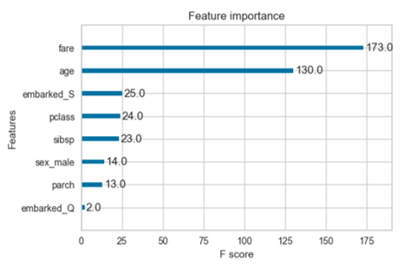

Plot_tree | xgboost.plot_tree() | xgboost.plot_tree(booster, fmap='', num_trees=0, rankdir=None, ax=None, **kwargs) | Plot specified tree | Python API Reference — xgboost 2.1.3 documentation | fig, ax = plt.subplots(figsize=(6,4)) xgb.plot_tree(xgb_class, ax=ax, num_trees=0) ------------------------------------------------- fig, ax = plt.subplots(figsize=(6,4)) xgb.plot_tree(xgr, ax=ax, num_trees=0) | Machine_Learning_Pocket_Ref pg 139, 217

