Ipywidgets
Ipywidgets: Interactive browser controls
from ipywidgets import interact, widgets
Type | Name | Arguments | Description | URL | Examples | Reference
Numeric Widgets | IntSlider() | widgets.IntSlider( value=7, min=0, max=10, step=1, description='Test:', disabled=False, continuous_update=False, orientation='horizontal', readout=True, readout_format='d' ) | The slider is displayed with a specified, initial value. Lower and upper bounds are defined by min and max, and the value can be incremented according to the step parameter. | Widget List — Jupyter Widgets 8.1.3 documentation (ipywidgets.readthedocs.io) | def plotyear(year): BM = country_df['year'] == year x = country_df[BM]['Healthy_life_expectancy_at_birth'] y = country_df[BM]['Log_GDP_per_capita'] plt.scatter(x,y) plt.xlabel('Healthy life expectancy at birth') plt.ylabel('Lof GDP per capita') plt.xlim([30,80]) plt.ylim([6,12]) plt.show() from ipywidgets import interact, widgets interact(plotyear, year=widgets. IntSlider(min=2010,max=2019, step=1, value=2010)) | ddp pg148-149 | 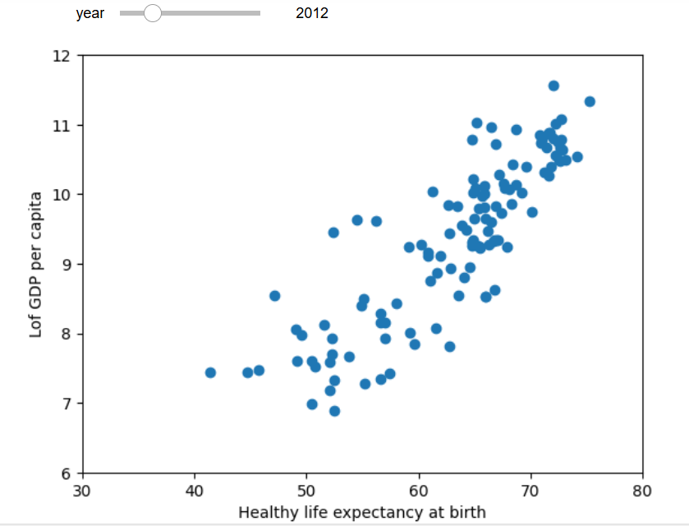
 |  |  |  |  | continent_poss = country_df['Continent'].unique() colors_dic={'Asia':'b', 'Europe':'g', 'Africa':'r', 'South America':'c', 'Oceania':'m', 'North America':'y', 'Antarctica':'k'} def plotyear(year): for continent in continent_poss: # BM1 and BM2 are filters BM1 = (country_df['year']==year) BM2 = (country_df['Continent']== continent) BM = BM1 & BM2 x = country_df[BM]['Healthy_life_expectancy_at_birth'] y = country_df[BM]['Log_GDP_per_capita'] plt.scatter(x,y, c=colors_dic[continent], marker='o', linewidth=0.5, edgecolors='w', label=continent) plt.xlabel('Healthy life expectancy at birth') plt.ylabel('Log GDP per capita') plt.xlim([30,80]) plt.ylim([6,12]) plt.legend() plt.show() interact(plotyear, year=widgets. IntSlider(min=2010, max=2019, step=1, value=2010)) | ddp pg149-150 | 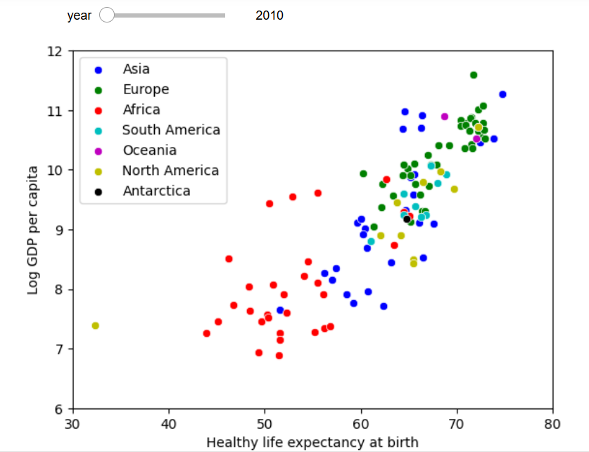
 | IntSlider() cont'd |  |  |  | continent_poss = country_df['Continent'].unique() colors_dic={'Asia':'b', 'Europe':'g', 'Africa':'r', 'South America':'c', 'Oceania':'m', 'North America':'y', 'Antarctica':'k'} country_df.sort_values(['population'], inplace = True, ascending=False) def plotyear(year): for continent in continent_poss: # BM1 and BM2 are filters BM1 = (country_df['year']==year) BM2 = (country_df['Continent']== continent) BM = BM1 & BM2 size = country_df[BM]['population']/200000 x = country_df[BM]['Healthy_life_expectancy_at_birth'] y = country_df[BM]['Log_GDP_per_capita'] plt.scatter(x,y, c=colors_dic[continent], marker='o', s = size, linewidth=0.5, edgecolors='w', label=continent) plt.xlabel('Healthy life expectancy at birth') plt.ylabel('Log GDP per capita') plt.xlim([30,80]) plt.ylim([6,12]) plt.legend(markerscale=0.5) plt.show() interact(plotyear, year=widgets. IntSlider(min=2010, max=2019, step=1, value=2010)) | ddp pg151-152 | 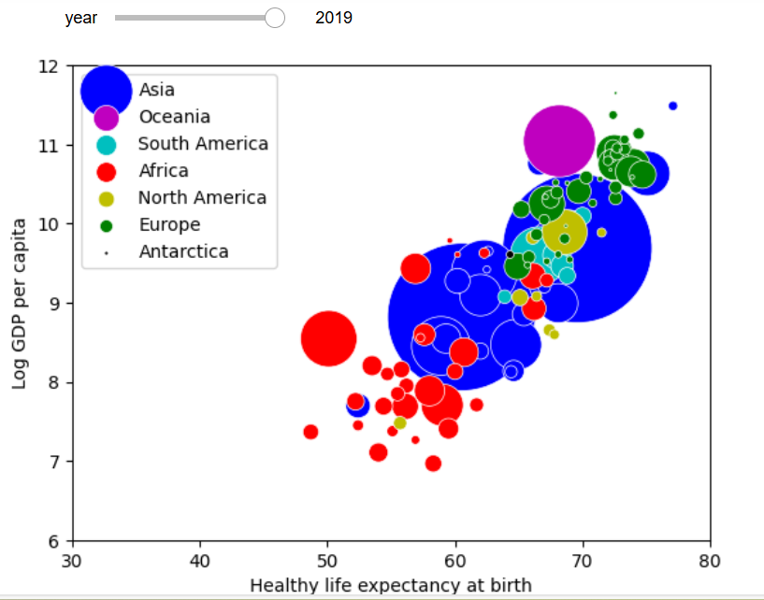
 | interact()

Mlxtend
type | Name | Arguments | Description | URL | Examples | Reference
from mlxtend.preprocessing import TransactionEncoder

Preprocessing | mlxtend.preprocessing.TransactionEncoder() | TransactionEncoder() | Encoder class for transaction data in Python lists | mlxtend/mlxtend/preprocessing/transactionencoder.py at master · rasbt/mlxtend · GitHub | # the unique values of the transaction set are put into columns # then the items within a transaction record are one hot encoded # each hot encoded column has true if yes, false if no for each original item in a record # then create a new dataframe (df_itemsets) for the new information encoder = TransactionEncoder() encoded_array = encoder.fit(transactions).transform(transactions) df_itemsets = pd.DataFrame(encoded_array, columns=encoder.columns_) | Python_for_Data_Science pg179
 | mlxtend.preprocessing.TransactionEncoder().columns_ | mlxtend.preprocessing.TransactionEncoder().columns_ | Return the column names | mlxtend/mlxtend/preprocessing/transactionencoder.py at master · rasbt/mlxtend · GitHub | df_itemsets = pd.DataFrame(encoded_array, columns=encoder.columns_) | Python_for_Data_Science pg179
 | mlxtend.preprocessing.TransactionEncoder().fit() | fit(X) | Learn unique column names from transaction DataFrame | mlxtend/mlxtend/preprocessing/transactionencoder.py at master · rasbt/mlxtend · GitHub | encoded_array = encoder.fit(transactions).transform(transactions) | Python_for_Data_Science pg179
 | mlxtend.preprocessing.TransactionEncoder().transform() | transform(X, sparse=False) | Transform transactions into a one-hot encoded NumPy array. | mlxtend/mlxtend/preprocessing/transactionencoder.py at master · rasbt/mlxtend · GitHub | encoded_array = encoder.fit(transactions).transform(transactions) | Python_for_Data_Science pg179

Frequent_patterns | mlxtend.frequent_patterns.apriori() | apriori( df, min_support=0.5, use_colnames=False, max_len=None, verbose=0, low_memory=False ) | Get frequent itemsets from a one-hot DataFrame Market Basket Analysis: This is the most common application. Retailers use the results to understand which products are frequently bought together (e.g., people who buy bread often buy butter) to optimize store layouts, create product bundles, and design targeted promotions. Recommendation Systems: E-commerce platforms and streaming services use the identified patterns to power "Recommended for you" or "Customers who bought this also bought..." features, enhancing user experience and driving sales. Healthcare and Medical Diagnosis: It can identify strong associations between symptoms, patient histories, and diseases to assist doctors in diagnosis and treatment planning. Fraud Detection: The function helps flag unusual combinations of transactions or activities that might indicate fraudulent behavior in banking or other financial systems. Web Usage Mining: By analyzing clickstream data, businesses can understand common user browsing patterns to improve website navigation and user experience. | mlxtend/mlxtend/frequent_patterns/apriori.py at master · rasbt/mlxtend · GitHub | from mlxtend.frequent_patterns import apriori frequent_itemsets = apriori(df_itemsets, min_support=0.1, use_colnames=True) frequent_itemsets['length']=frequent_itemsets['itemsets'].apply(lambda itemset: len(itemset)) print(frequent_itemsets[frequent_itemsets['length']>=2]) | Python_for_Data_Science pg180-181
 | mlxtend.frequent_patterns.association_rules() | association_rules( df: pd.DataFrame, num_itemsets: Optional[int] = 1, df_orig: Optional[pd.DataFrame] = None, null_values=False, metric="confidence", min_threshold=0.8, support_only=False, return_metrics: list = _metrics, association_rules( df: pd.DataFrame, num_itemsets: Optional[int] = 1, df_orig: Optional[pd.DataFrame] = None, null_values=False, metric="confidence", min_threshold=0.8, support_only=False, return_metrics: list = _metrics, ) | Generates a DataFrame of association rules including the metrics 'score', 'confidence', and 'lift' | mlxtend/mlxtend/frequent_patterns/association_rules.py at master · rasbt/mlxtend · GitHub | from mlxtend.frequent_patterns import association_rules rules = association_rules(frequent_itemsets, metric="confidence", min_threshold=0.5) rules_plot = pd.DataFrame() rules_plot["antecedents"] = rules["antecedents"].apply(lambda x: ','.join(list(x))) rules_plot["consequents"] = rules["consequents"].apply(lambda x: ','.join(list(x))) rules_plot["lift"] = rules["lift"].apply(lambda x: round(x,2)) pivot = rules_plot.pivot(index="antecedents", columns="consequents", values="lift") | Python_for_Data_Science pg181-183

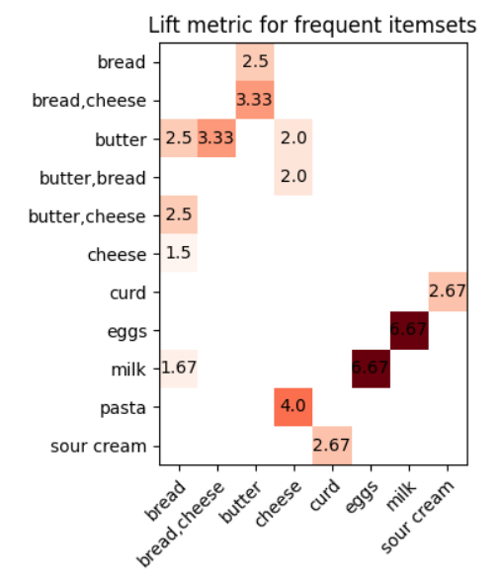
Heatmap Report of Lift |  | Python_for_Data_Science pg184
import matplotlib
import matplotlib.pyplot as plt
import numpy as np

fig, ax = plt.subplots()
im = ax.imshow(pivot, cmap='Reds')
ax.set_xticks(np.arange(len(consequents)))
ax.set_yticks(np.arange(len(antecedents)))
ax.set_xticklabels(consequents)
ax.set_yticklabels(antecedents)

plt.setp(ax.get_xticklabels(), rotation=45, ha="right",
rotation_mode="anchor")
for i in range(len(antecedents)):
for j in range(len(consequents)):
if not np.isnan(pivot[i,j]):
text = ax.text(j, i, pivot[i,j], ha="center", va="center")
ax.set_title("Lift metric for frequent itemsets")

fig.tight_layout()
plt.show()

Generating recommendations |  | Python_for_Data_Science pg186-187
butter_antecedent = rules[rules["antecedents"]=={'butter'}][['consequents','confidence']] \
.sort_values('confidence',ascending=False)
butter_consequents = [list(item) for item in butter_antecedent.iloc[0:3,:]['consequents']]
item = 'butter'
print('Items frequently bought together with', item , 'are:', butter_consequents)
#Values
Items frequently bought together with butter are: [['bread'], ['cheese'], ['bread', 'cheese']]

Planning discounts based on association rules |  | Python_for_Data_Science pg187-189
from functools import reduce
rules['itemsets'] = rules[['antecedents','consequents']].apply(lambda x:
reduce(frozenset.union,x), axis=1)
print(rules[['antecedents','consequents','itemsets']])
rules.drop_duplicates(subset=['itemsets'], keep='first', inplace=True)
discounted = []
others = []
for itemset in rules['itemsets']:
for i, item in enumerate(itemset):
if item not in others:
discounted.append(item)
itemset=set(itemset)
itemset.discard(item)
others.extend(itemset)
break
if i == len(itemset)-1:
discounted.append(item)
itemset = set(itemset)
itemset.discard(item)
others.extend(itemset)
print(discounted)
print(list(set(discounted))) #Values ['curd', 'cheese', 'milk', 'pasta', 'butter']

