Modules
Popular Modules | Description | Discrete / Continuous
Cluster | Provides functions for clustering data. It includes two submodules: scipy.cluster.vq for vector quantization and k-means clustering, and scipy.cluster.hierarchy for hierarchical clustering.
Sparse | Designed to handle sparse matrices efficiently. Sparse matrices are matrices where most of the elements are zero. Storing all elements, including zeros, in a dense matrix can be highly inefficient in terms of memory usage, especially for large matrices. The scipy.sparse module provides various data structures to store only the non-zero elements and their indices, thus saving memory and improving computational performance for certain operations.
Spatial | Module provides functions for working with spatial data
Special | a collection of special functions often used in mathematical physics, engineering, and statistics. These functions go beyond the elementary functions (like polynomials, exponentials, and trigonometric functions) and provide tools for more advanced calculations.
Stats Modules | This module contains a large number of probability distributions, summary and frequency statistics, correlation functions and statistical tests.
Stats.Bernoulli | Provides tools for working with the Bernoulli distribution, a discrete probability distribution that models a single trial with two possible outcomes: success (1) or failure (0) | Discrete | 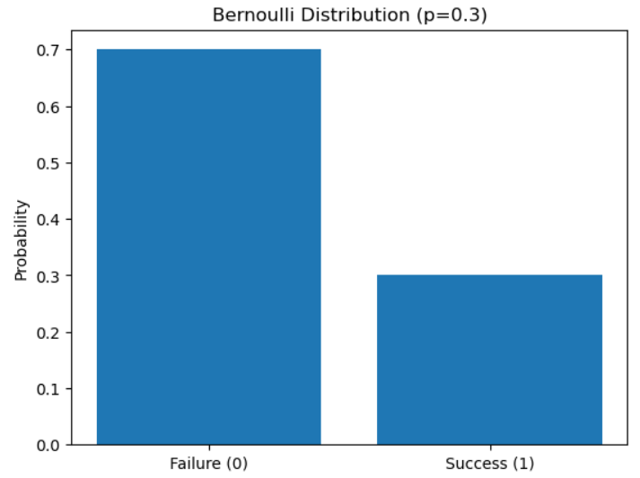
Stats.Binom | Provides tools for working with the binomial distribution, a discrete probability distribution that describes the probability of obtaining a certain number of successes in a sequence of independent trials, each with a binary outcome (success or failure). | Discrete | 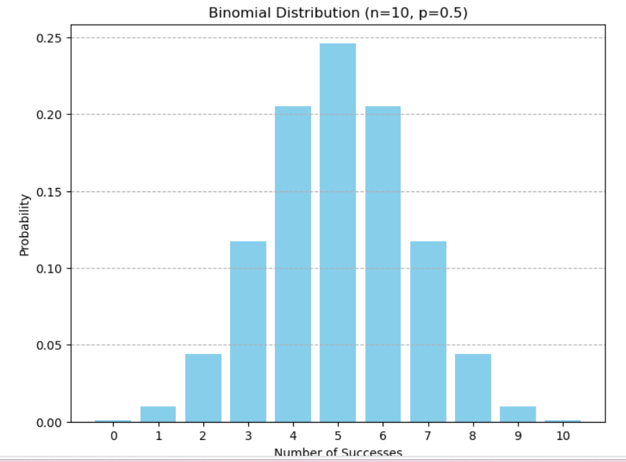
Stats.Expon | Provides functions for working with the exponential continuous random variable. It allows for calculating probabilities, generating random samples, and performing statistical analysis related to the exponential distribution. | Continuous | 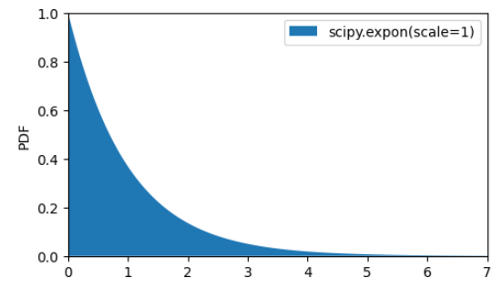
Stats.Geom | Serves to work with the geometric discrete random variable. It allows for calculating probabilities, generating random samples, and analyzing the properties of geometrically distributed data. The geometric distribution models the number of failures before the first success in a sequence of independent Bernoulli trials, each with the same probability of success. | Discrete | 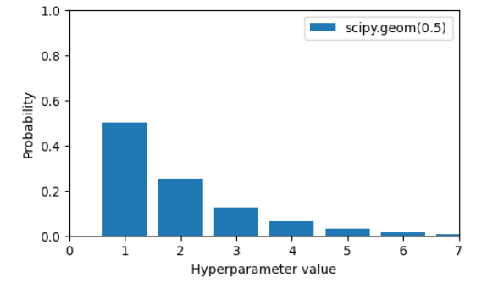
Stats.Loguniform | Used to generate random numbers from a log-uniform (reciprocal) distribution. This distribution is characterized by the logarithm of the random variable being uniformly distributed. It is particularly useful in situations where values span several orders of magnitude and it is important to sample them evenly on a logarithmic scale. | Continuous | 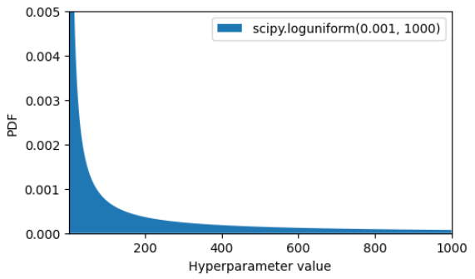
Stats.Multivariate_normal | Provides tools for working with multivariate normal (Gaussian) distributions. These distributions are characterized by a mean vector and a covariance matrix, generalizing the one-dimensional normal distribution to multiple dimensions. | Multivariate Continuous | 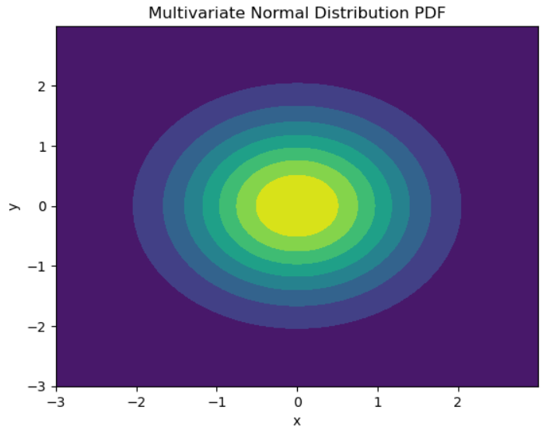
Stats.Norm | Provides tools for working with the normal (Gaussian) distribution. It is part of the SciPy library, which is widely used for scientific and technical computing. The norm module offers functions for calculating probability density functions (PDFs), cumulative distribution functions (CDFs), percentiles, and generating random samples from a normal distribution. | Continuous | 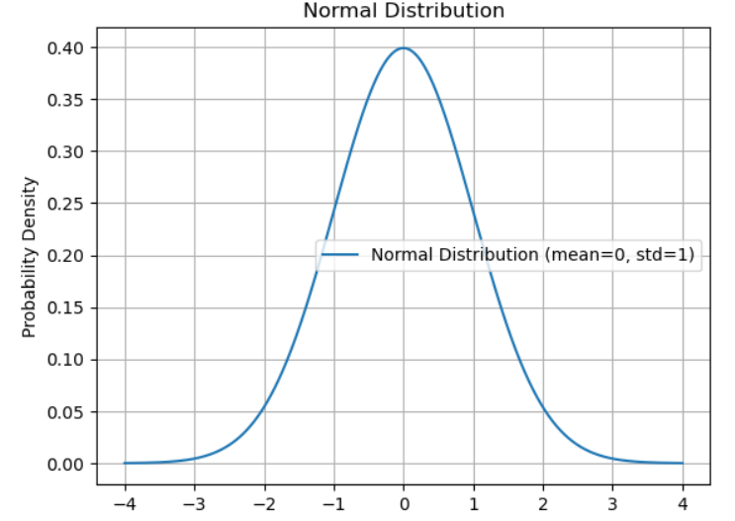
Stats.Poisson | Provides tools for working with the Poisson distribution, a discrete probability distribution that describes the probability of a given number of events occurring in a fixed interval of time or space if these events occur with a known constant mean rate and independently of the time since the last event. | Discrete | 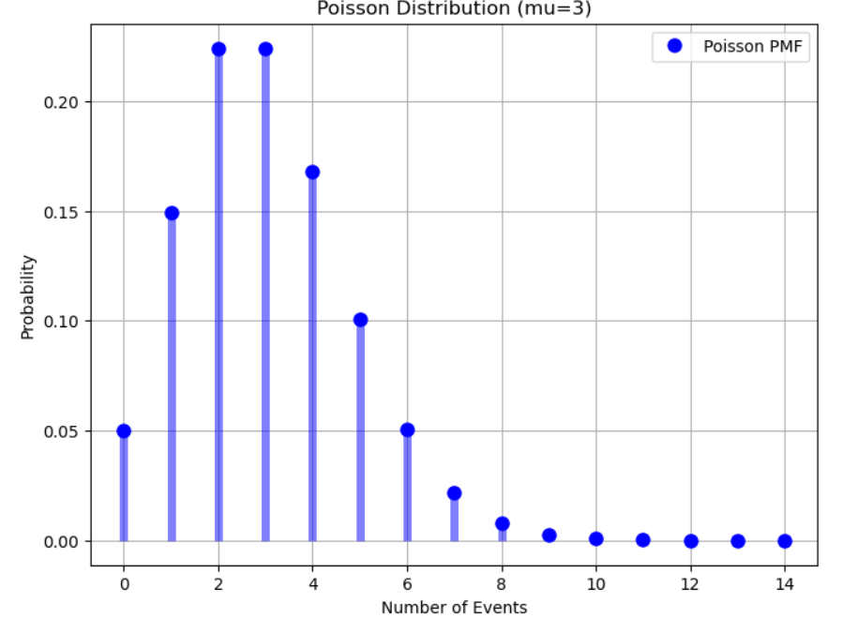
Stats,Randint | Used to generate random integers from a discrete uniform distribution within a specified range. It is part of the scipy.stats module, which provides various statistical functions and distributions. | Discrete | 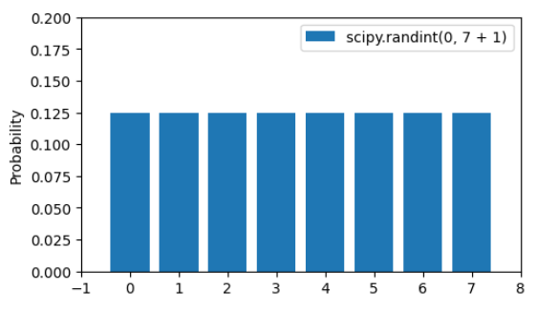
Stats.T | Provides functions for working with the Student's t-distribution, a probability distribution that is used in hypothesis testing and confidence interval estimation when the sample size is small or the population standard deviation is unknown. | Continuous | 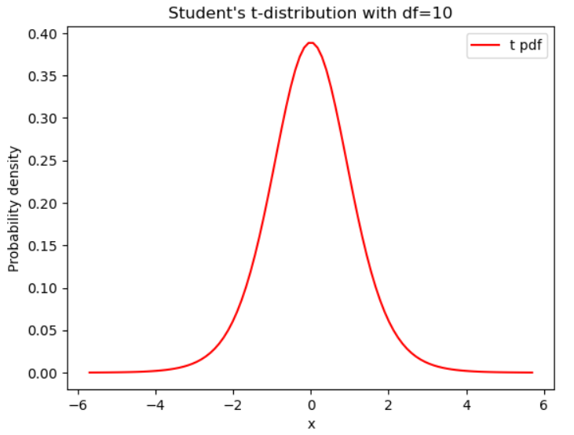
Stats.Uniform | Used to generate a uniform continuous random variable. This distribution is constant between the specified loc (lower bound) and loc + scale (upper bound). In its standard form, the uniform distribution ranges from 0 to 1. | Continuous | 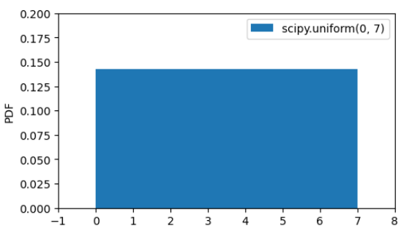

Notes
type | Name | Arguments | Description | URL | Formula | Examples | Reference
When to use different Types: - Use Bernoulli to model binary data for one trial only (n=1) - Use Binomial (Binom) to model binary data, for more than one trial (n>1) - Use Poisson to model counts of occurrences - Use Normal (Norm) to model continous normally distributed random data - Use T (Student's t Distribution) when the sample size <= 30, population std is unknown, population distribution must be unimodal and skewed - Use uniform distribution when the probability of each outcome is the same for each occurence |  | use cdf - probabiliity that X takes the value that is less than or equal to x use pmf - probability that X takes the values of x use ppf - we are provided the probability X and need to determine the values of x use sf - probabiliity that X takes the value that is greater than or equal to x

Reports
Binomial Distribution | # plot the distribution plt.bar(k, binomial) # make a bar plot plt.title("Binomial: n=%i , p=%.2f" % (n, p), fontsize=15) # set the title plt.xlabel("Number of Successes") # set the x-axis label plt.ylabel("Probability of Successes") # set the y-axis label plt.show() # display the plot |  | 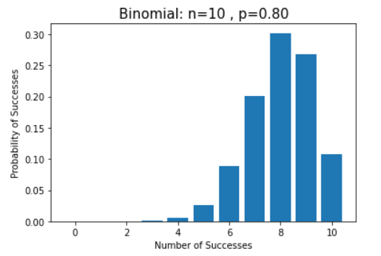 |  | 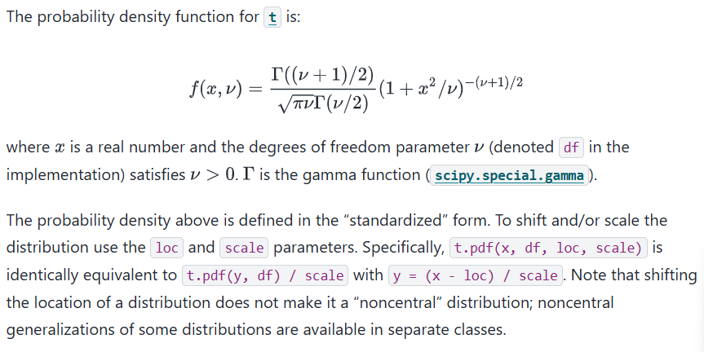 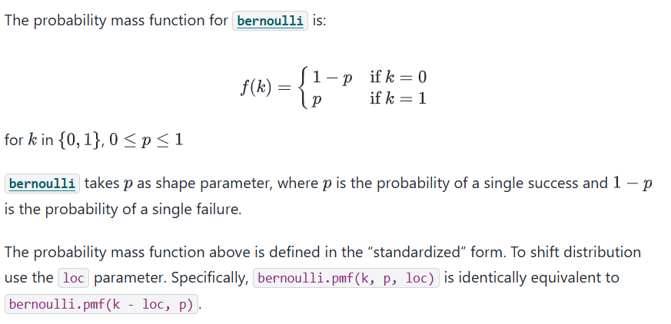 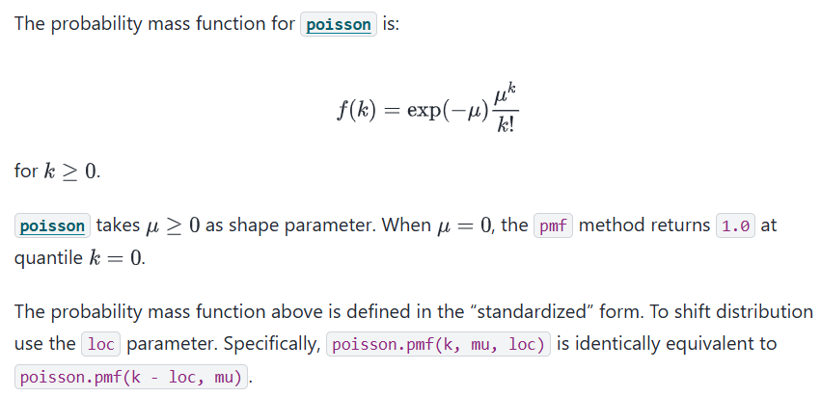 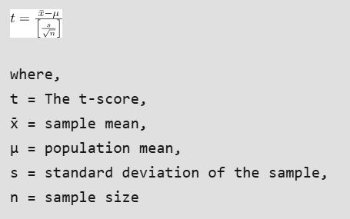 | 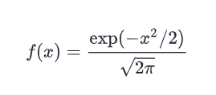 |  | 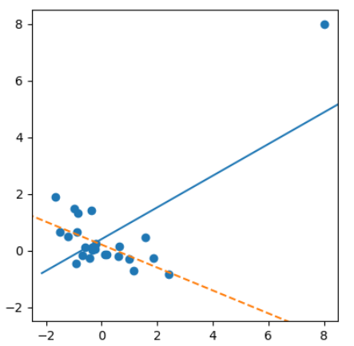 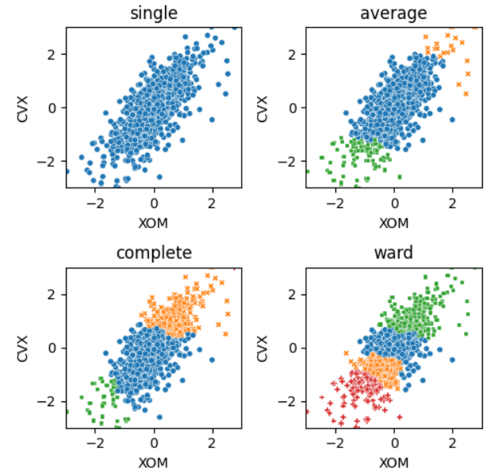
 | # plot the probability distribution # We are plotting the distributions here to better visualize the calculations. # Of course you do not 'need' to create the following visualization to answer the question above. # You can directly use the cdf function for probability calculations. barl = plt.bar(k, binomial) # make a bar plot plt.title("Binomial: n=%i , p=%.2f" % (n, p), fontsize=15) # set the title plt.xlabel("Number of Successes") # set the x-axis label plt.ylabel("Probability of Successes") # set the y-axis label for i in range(0, 8): barl[i].set_color("r") # color the bars in red where number of successes is less than 8 plt.show() # display the plot |  | 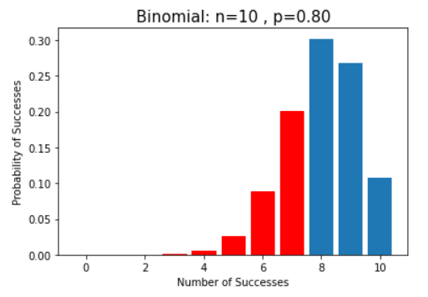

Normal Distribution | # calculate the pdf of SAT scores using norm.pdf() density = pd.DataFrame() # create an empty DataFrame density["x"] = np.linspace( sat_score["score"].min(), sat_score["score"].max(), 100 ) # create an array of 100 numbers in between the min and max score range and store it in the first column of the empty DataFrame density["pdf"] = norm.pdf(density["x"], mu, sigma) # calculate the pdf() of the created numbers and store it in another column named 'pdf' fig, ax = plt.subplots() # create the subplot sns.histplot(sat_score["score"], ax=ax, kde=True, stat="density") # plot the distribution of data using histogram ax.plot(density["x"], density["pdf"], color="red") # plot the pdf of the normal distribution plt.title("Normal Distribution") # set the title plt.show() # display the plot |  | 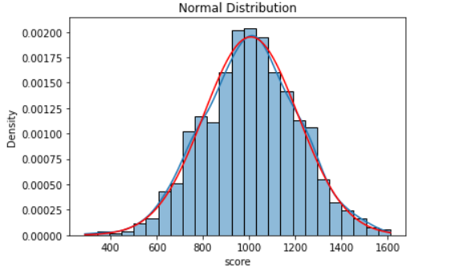
 | # plot the probability distribution # We are plotting the distributions here to better visualize the calculations. # Of course you do not 'need' to create the following visualization to answer the question above. # You can directly use the cdf function for probability calculations. plt.plot(density["x"], density["pdf"]) # plot the pdf of the normal distribution plt.axvline(x=800, c="r") # draw a red vertical line at x = 800 x1 = np.linspace(density["x"].min(), 800, 50) # create an array of 50 numbers between min SAT score and 800 plt.fill_between(x1, norm.pdf(x1, mu, sigma), color="r") # fill the specified region with red color plt.xlabel("Score") # set the x-axis label plt.ylabel("Probability") # set the y-axis label plt.title("Normal Distribution") # set the title plt.show() # display the plot |  | 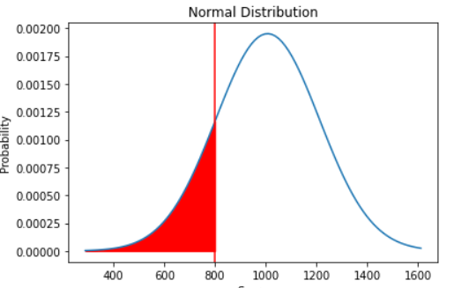
 | # plot the probability distribution # We are plotting the distributions here to better visualize the calculations. # Of course you do not 'need' to create the following visualization to answer the question above. # You can directly use the cdf function for probability calculations. plt.plot(density["x"], density["pdf"]) plt.axvline(x=score_90th_percentile, c="r") plt.xlabel("Score") plt.ylabel("Probability") plt.title("Normal Distribution") plt.show() |  | 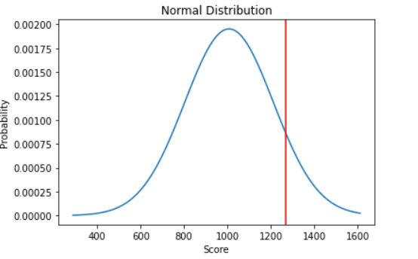
 | # plot the standard normal distribution # and visualize the standardized scores # We are plotting the distributions here to better visualize the calculations. fig, ax = plt.subplots() x = np.linspace(-4,4,50) ax.plot(x, norm.pdf(x, loc = 0, scale = 1), color = 'b') ax.set_title('Standard Normal Distribution') ax.set_xlabel('Z-scores') ax.set_ylabel('Probability') ax.axvline(top_sat, ymax = 0.25, linestyle = '--', color = 'green') ax.axvline(top_act, ymax = 0.16, linestyle = '--', color = 'black') plt.show() |  | 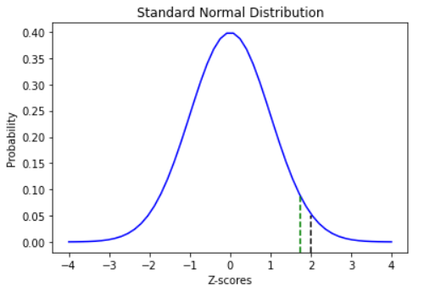
 | Create a normally distributed population and graph it | from scipy.stats import norm np.random.seed(1) normal_pop = norm.rvs(0,1, size=100000) plt.hist(normal_pop,200) plt.title('Normal Distribution Population') plt.xlabel('X~N(0,1)') plt.ylabel('Count') plt.show() | 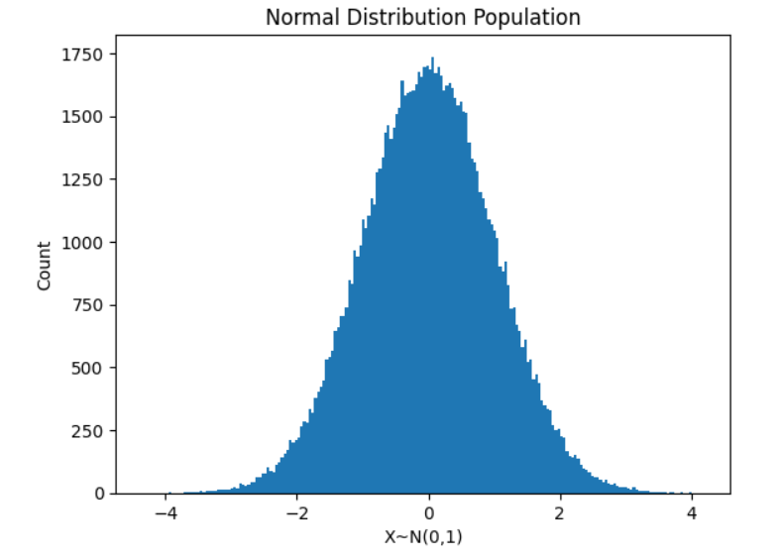
 | Create and graph random samples of size 'n' based on a normal distributed population. | np.random.seed(1) n=30 sample_means=[] for j in range(500): sample=np.random.choice(normal_pop, size=n) sample_mean = np.mean(sample) sample_means.append(sample_mean) sns.displot(sample_means, kde=True) plt.title('Distribution of Sample Means for n = ' + str(n)) plt.xlabel('sample mean') plt.ylabel('count') plt.show() | 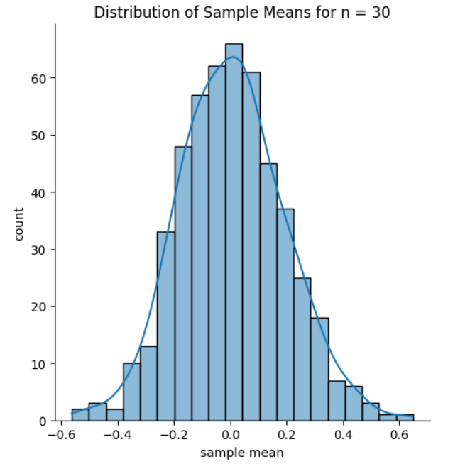
Exponential Distribution | Create a exponentially distributed population and graph it | from scipy.stats import expon np.random.seed(1) exp_pop = expon.rvs(size=100000) plt.hist(exp_pop, 200) plt.title('Exponential Distribution Population') plt.xlabel('X~Exp(1)') plt.ylabel('Count') plt.show() | 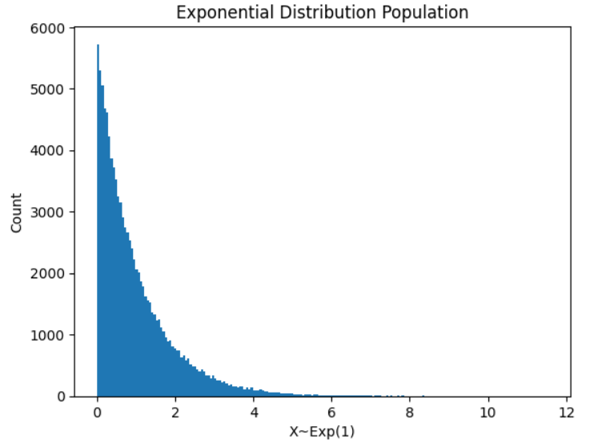
 | Create and graph random samples of size 'n' based on an exponentially distributed population. | # set the seed for reproducibility np.random.seed(1) # set the sample size to 50 n = 50 # list to store sample means sample_means = [] # iterate the loop to draw multiple samples for j in range(500): # draw a sample of size n sample = np.random.choice(exp_pop, size=n) # calculate the sample mean sample_mean = np.mean(sample) # append the sample mean to the sample_means list sample_means.append(sample_mean) # plot the histogram of sample means sns.displot(sample_means, kde=True) plt.title("Distribution of Sample Means for n = " + str(n)) plt.xlabel("sample mean") plt.ylabel("count") plt.show() | 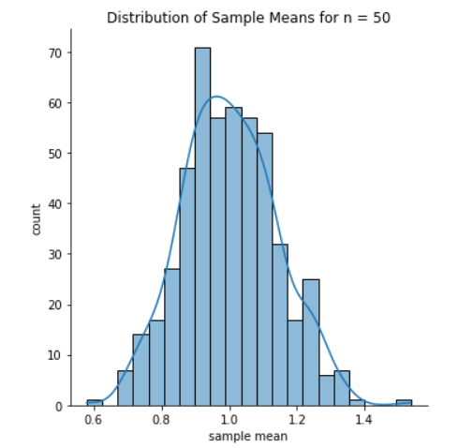
Uniform Distribution | Create a uniformly distributed population and graph it | # importing the required function from scipy.stats import uniform # setting the seed for reproducibility np.random.seed(1) # creating a uniform distribution population of size 100000 uniform_pop = uniform.rvs(0, 10, size=100000) # visualizing the uniform distribution plt.hist(uniform_pop) plt.title("Uniform Distribution Population") plt.xlabel("X~U(0,10)") plt.ylabel("Count") plt.show() | 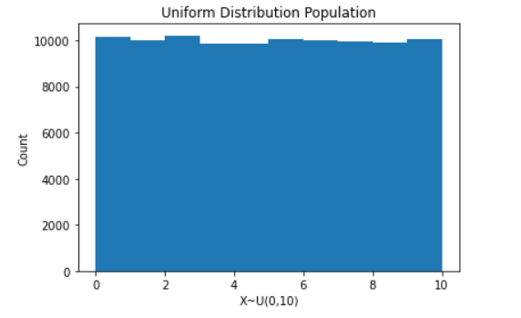
 | Create and graph random samples of size 'n' based on an uniformly distributed population. | # set the seed for reproducibility np.random.seed(1) # set the sample size to 50 n = 50 # iterate the loop to draw multiple samples for j in range(500): # draw a sample of size n sample = np.random.choice(uniform_pop, size=n) # calculate the sample mean sample_mean = np.mean(sample) # append the sample mean to the sample_means list sample_means.append(sample_mean) # plot the histogram of sample means sns.displot(sample_means, kde=True) plt.title("Distribution of Sample Means for n = " + str(n)) plt.xlabel("sample mean") plt.ylabel("count") plt.show() | 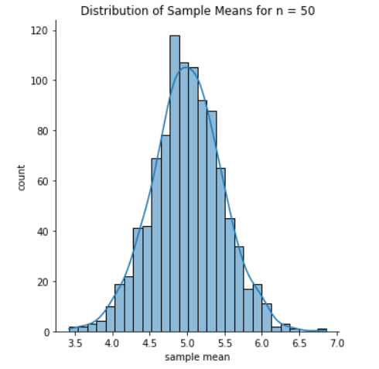

T-Distribution | Create and graph a normal probability distribution function of the population based on the population 'x'. Then graph a T probability distribution function based on the normal population and various degrees of freedom | # import the required function from scipy.stats import t from scipy.stats import norm # set the values for x x = np.linspace(-3, 3, 100) # plot the t distribution for different values of k fig, axes = plt.subplots(2, 3, sharex=False, sharey=False, figsize=(15, 10)) axes = axes.ravel() for i, k in zip(range(6), [1, 2, 3, 5, 10, 30]): ax = axes[i] ax.plot(x, t.pdf(x, df=k), color="blue", label="t dist") ax.plot(x, norm.pdf(x), color="red", label="normal dist") ax.set_title("t-distribution for k={0}".format(k)) ax.legend(loc="upper right", fontsize=10) plt.tight_layout()

