Discrete
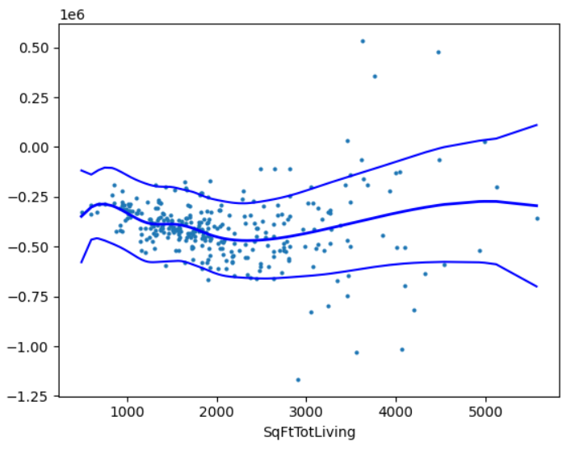
Type | Name | Arguments | Description | URL | Examples | Reference
Modules

Discrete - Logit | statsmodels.discrete.discrete_model.Logit() | statsmodels.discrete.discrete_model.Logit(endog, exog, offset=None, check_rank=True, **kwargs) | Create a Model from a formula and dataframe. The Logit function uses a formula syntax similar to R, where the outcome variable is on the left and the predictor variables are on the right of the ~ symbol. | statsmodels.discrete.discrete_model.Logit - statsmodels 0.14.4 | # fitting the logistic regression model on training set logit = sm.Logit(y_train, X_train.astype(float)) lg = logit.fit() | CL_Classification_Wk1_HandOn
 | statsmodels.discrete.discrete_model.Logit.fit() | Logit.fit(start_params=None, method='newton', maxiter=35, full_output=1, disp=1, callback=None, **kwargs) | fit the data to the Logit model Fit the model using maximum likelihood. | statsmodels.discrete.discrete_model.Logit.fit - statsmodels 0.14.4
 | statsmodels.discrete.discrete_model.Logit().params | statsmodels.discrete.discrete_model.Logit().params | return the coefiicients of a fitted regression This is an attribute of the fitted model object, which returns a Pandas Series containing the estimated coefficients for each predictor variable in the model, including the intercept. |  | print(lg3.params) ----------------------------------- # converting coefficients to odds odds = np.exp(lg3.params) | CL_Classification_Wk1_HandOn
 | statsmodels.discrete.discrete_model.Logit.predict() | Logit.predict(params, exog=None, which='mean', linear=None, offset=None) | The statsmodels.formula.api.Logit().predict() function is used to predict the probability of the outcome variable in a logistic regression model fitted using the Logit class from statsmodels The predict method returns the predicted probabilities for each observation. If you want to get the linear predictor (log-odds) instead of probabilities, use model.predict(..., linear=True). Predict response variable of a model given exogenous variables. | statsmodels.discrete.discrete_model.Logit.predict - statsmodels 0.14.4 | fpr, tpr, threshold = roc_curve(y_train, lg3.predict(X_train3)) | GL_Classification_Wk1_IncomeGroup
 | statsmodels.discrete.discrete_model.LogitResults.pvalues | LogitResults.pvalues() | p-values of the model | Statsmodels / LogitResults.pvalues() — DevDocs | model = sm.Logit(y_train, X_train_aux).fit(disp=False) # getting the p-values and the maximum p-value p_values = model.pvalues | GL_Classification_Wk1_IncomeGroup
 | statsmodels.discrete.discrete_model.LogitResults.summary() | LogitResults.summary(yname=None, xname=None, title=None, alpha=0.05, yname_list=None) | Summarize the Regression Results | Statsmodels / LogitResults.summary() — DevDocs | print(lg2.summary()) | GL_Classification_Wk1_IncomeGroup
 | statsmodels.discrete.discrete_model.LogitResults.summary2() | LogitResults.summary2(yname=None, xname=None, title=None, alpha=0.05, float_format='%.4f') | Experimental function to summarize regression results | Statsmodels / LogitResults.summary2() — DevDocs | print(lg2.summary2()) | GL_Classification_Wk1_IncomeGroup

Stats
Type | Name | Arguments | Description | URL | Examples | Reference
Modules

Stats
 | statsmodel.stats.anova.anova_lm() | statsmodels.stats.anova.anova_lm(*args, **kwargs) | Anova table for one or more fitted linear models. | statsmodels.stats.anova.anova_lm - statsmodels 0.14.4 | model = smf.ols('Time ~ Page', data=four_sessions).fit() aov_table = sm.stats.anova_lm(model) aov_table | Practical_Statistics pg122
 | statsmodels.stats.diagnostic.het_breuschpagan() | statsmodels.stats.diagnostic.het_breuschpagan(resid, exog_het, robust=True) | Breusch-Pagan Lagrange Multiplier test for heteroscedasticity The tests the hypothesis that the residual variance does not depend on the variables in x in the form Homoscedasticity implies that . | statsmodels.stats.diagnostic.het_breuschpagan - statsmodels 0.14.4 | import statsmodels.stats.diagnostic as sms resids = bos_y_test - rfr.predict(bos_X_test) # make sure to add a constant (add_constant) to the X data behind bos_X_test to get this to work hb = sms.het_breuschpagan(resids, bos_X_test) labels = [ "Lagrange multiplier statistic", "p-value", "f-value", "f p-value" ] for name, num in zip(labels, hb): print(f"{name}: {num:.2}") | Machine_Learning_Pocket_Ref pg227
 | statsmodels.stats.diagnostic.het_goldfeldquandt() | het_goldfeldquandt(y, x, idx=None, split=None, drop=None, alternative='increasing', store=False) | Goldfeld-Quandt homoskedasticity test. This test examines whether the residual variance is the same in 2 subsamples. | statsmodels.stats.diagnostic.het_goldfeldquandt - statsmodels 0.14.4 | # Testing the residuals for homoscedasticity f_stat, p_value, type = sms.het_goldfeldquandt(df_pred["Residuals"], x_train4) print('The f-statistic is {:.6f}\n' 'The p-value is {:.6f}'.format(f_stat, p_value)) ---------------------------------------------------------- import statsmodels.stats.api as sms from statsmodels.compat import lzip name = ["F statistic", "p-value"] test = sms.het_goldfeldquandt(df_pred["Residuals"], X_train8) lzip(name, test) name = ["F statistic", "p-value"] test = sms.het_goldfeldquandt(df_pred["Residuals"], X_train8) lzip(name, test) # Results of lzip below [('F statistic', 0.8728487945403861), ('p-value', 0.7830103059970805)] | GL_Supervised_Recell_Project GL_Supervised_Wk1_Linear_Regression
 | statsmodels.stats.outliers_influence.OLSInfluence() | statsmodels.stats.outliers_influence.OLSInfluence(results) | class to calculate outlier and influence measures for OLS result | statsmodels.stats.outliers_influence.OLSInfluence - statsmodels 0.14.4 | house_98105 = house.loc[house['ZipCode'] == 98105, ] predictors = ['SqFtTotLiving', 'SqFtLot', 'Bathrooms', 'Bedrooms', 'BldgGrade'] outcome = 'AdjSalePrice' house_outlier = sm.OLS(house_98105[outcome], house_98105[predictors].assign(const=1)) result_98105 = house_outlier.fit() influence = OLSInfluence(result_98105) sresiduals = influence.resid_studentized_internal print(sresiduals.idxmin(), sresiduals.min()) | Practical_Statistics pg178
 | 0 | statsmodels.stats.outliers_influence.OLSInfluence().cooks_distance | Data points with large residuals (outliers) and/or high leverage may distort the outcome and accuracy of a regression. Cook's distance measures the effect of deleting a given observation. Points with a large Cook's distance are considered to merit closer examination in the analysis. A rule of thumb is that an observation has high influence is the Cook's distance exceeds 4/(n-P-1) P is the number of independent features n is the sample size Points with a Cook's distance greater than 0.5 might be influential and should be investigated. A value greater than 1 indicates a very influential point. Cook's distance combines leverage and residual information to assess influence. It helps identify outliers or influential points that may distort the regression model. | statsmodels.stats.outliers_influence.OLSInfluence.cooks_distance - statsmodels 0.14.4 | influence = OLSInfluence(result_98105) fig, ax = plt.subplots(figsize=(5,5)) ax.axhline(-2.5, linestyle='--', color='C1') ax.axhline(2.5, linestyle='--', color='C1') ax.scatter(influence.hat_matrix_diag, influence.resid_studentized_internal, s=1000 * np.sqrt(influence.cooks_distance[0]), alpha=0.5) ax.set_xlabel('hat values') ax.set_ylabel('studentized residuals') plt.tight_layout() plt.show() | Practical_Statistics pg179-180 | 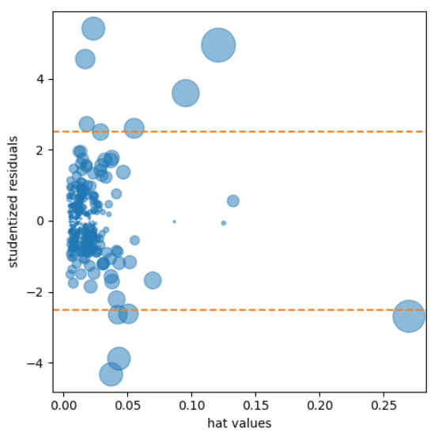
 | statsmodels.stats.outliers_influence.OLSInfluence().hat_matrix_diag | statsmodels.stats.outliers_influence.OLSInfluence().hat_matrix_diag | Diagonal of the hat_matrix for OLS Each value in the leverage array corresponds to the leverage of a specific data point. Higher leverage values indicate data points that have more influence on the regression line. A common measure of leverage is the hat-value; values above 2(P+1)/n indicates a high-leverage data value. P is the number of independent features n is the sample size | statsmodels.stats.outliers_influence.OLSInfluence - statsmodels 0.14.4 | influence = OLSInfluence(result_98105) fig, ax = plt.subplots(figsize=(5,5)) ax.axhline(-2.5, linestyle='--', color='C1') ax.axhline(2.5, linestyle='--', color='C1') ax.scatter(influence.hat_matrix_diag, influence.resid_studentized_internal, s=1000 * np.sqrt(influence.cooks_distance[0]), alpha=0.5) ax.set_xlabel('hat values') ax.set_ylabel('studentized residuals') plt.tight_layout() plt.show() | Practical_Statistics pg179-180
 | statsmodels.stats.outliers_influence.OLSInfluence().resid_studentized_internal | statsmodels.stats.outliers_influence.OLSInfluence().resid_studentized_internal | Studentized residuals using variance from OLS this uses sigma from original estimate does not require leave one out loop This measure is useful for identifying outliers in a linear regression model. Large absolute values of studentized residuals indicate observations that are poorly fit by the model and may be considered outliers. They are residuals (the difference between observed and predicted values) that have been scaled by an estimate of their standard deviation. | statsmodels.stats.outliers_influence.OLSInfluence - statsmodels 0.14.4 | house_98105 = house.loc[house['ZipCode'] == 98105, ] predictors = ['SqFtTotLiving', 'SqFtLot', 'Bathrooms', 'Bedrooms', 'BldgGrade'] outcome = 'AdjSalePrice' house_outlier = sm.OLS(house_98105[outcome], house_98105[predictors].assign(const=1)) result_98105 = house_outlier.fit() influence = OLSInfluence(result_98105) sresiduals = influence.resid_studentized_internal print(sresiduals.idxmin(), sresiduals.min()) | Practical_Statistics pg178
 | statsmodels.stats.outliers_influence.variance_inflation_factor() | statsmodels.stats.outliers_influence.variance_inflation_factor(exog, exog_idx) | Variance inflation factor, VIF, for one exogenous variable The variance inflation factor is a measure for the increase of the variance of the parameter estimates if an additional variable, given by exog_idx is added to the linear regression. It is a measure for multicollinearity of the design matrix, exog. One recommendation is that if VIF is greater than 5, then the explanatory variable given by exog_idx is highly collinear with the other explanatory variables, and the parameter estimates will have large standard errors because of this. | statsmodels.stats.outliers_influence.variance_inflation_factor - statsmodels 0.14.4 | vif_series = pd.Series( [variance_inflation_factor(X_train.values, i) for i in range(X_train.shape[1])], index=X_train.columns, dtype=float) print("Series before feature selection: \n\n{}\n".format(vif_series)) | GL_Classification_Wk1_IncomeGroup
 | statsmodel.stats.power.TTestIndPower() | statsmodels.stats.power.TTestIndPower(**kwds) | Statistical Power calculations for t-test for two independent sample currently only uses pooled variance | statsmodels.stats.power.TTestIndPower - statsmodels 0.14.4 | effect_size = sm.stats.proportion_effectsize(0.0121, 0.011) analysis = sm.stats.TTestIndPower() result = analysis.solve_power(effect_size=effect_size, alpha = 0.05, power=0.8, alternative='larger') print('Sample Size: %.3f' % result) | Practical_Statistics pg138
 | statsmodel.stats.power.TTestindPower.solve_power() | TTestIndPower.solve_power(effect_size=None, nobs1=None, alpha=None, power=None, ratio=1.0, alternative='two-sided' | solve for any one parameter of the power of a two sample t-test for t-test the keywords are: effect_size, nobs1, alpha, power, ratio exactly one needs to be None, all others need numeric values | statsmodels.stats.power.TTestIndPower.solve_power - statsmodels 0.14.4 | effect_size = sm.stats.proportion_effectsize(0.0121, 0.011) analysis = sm.stats.TTestIndPower() result = analysis.solve_power(effect_size=effect_size, alpha = 0.05, power=0.8, alternative='larger') print('Sample Size: %.3f' % result) ------------------------------------------------------- # calculate the power for the A/B test # power is the probability that a correctly run A/B test will reject a false null hypothesis # power should be 80% or higher to proceed analysis = TTestIndPower() alpha = 0.05 nobs=45 effectsize=0.5 power = analysis.solve_power(effectsize, nobs1=nobs, alpha=alpha) ----------------------------------------------------------- # calculate the number of observations needed to get to an 80% power analysis = TTestIndPower() alpha=0.05 power=0.8 effectsize=0.5 observations = analysis.solve_power(effect_size=effectsize, power=power, alpha=alpha) | Practical_Statistics pg138 Dive_into_Data_Science pg89,90
 | statsmodel.stats.proportion.proportion_effectsize() | statsmodels.stats.proportion.proportion_effectsize(prop1, prop2, method='normal') | Effect size for a test comparing two proportions for use in power function | statsmodels.stats.proportion.proportion_effectsize - statsmodels 0.14.4 | effect_size = sm.stats.proportion_effectsize(0.0121, 0.011) analysis = sm.stats.TTestIndPower() result = analysis.solve_power(effect_size=effect_size, alpha = 0.05, power=0.8, alternative='larger') print('Sample Size: %.3f' % result) | Practical_Statistics pg138
 | statsmodels.stats.proportion.proportions_ztest() | statsmodels.stats.proportion.proportions_ztest(count, nobs, value=None, alternative='two-sided', prop_var=False) ----------------------------------- where count: the number of successes in nobs trials. nobs: the number of trials or observations, with the same length as count. value: This is the value of the null hypothesis equal to the proportion in the case of a one-sample test. In the case of a two-sample test, the null hypothesis is that prop[0] - prop[1] = value, where prop is the proportion in the two samples. If not provided value = 0 and the null is prop[0] = prop[1] alternative: This decides the tail of the test. It can take the values : [‘two-sided’, ‘smaller’, ‘larger’] | Test for proportions based on normal (z) test. This uses a simple normal test for proportions. It should be the same as running the mean z-test on the data encoded 1 for event and 0 for no event so that the sum corresponds to the count. In the one and two sample cases with two-sided alternative, this test produces the same p-value as proportions_chisquare, since the chisquare is the distribution of the square of a standard normal distribution. | statsmodels.stats.proportion.proportions_ztest - statsmodels 0.14.1 | # import the required fuction from statsmodels.stats.proportion import proportions_ztest # find the p-value test_stat, p_value = proportions_ztest(24, 90, value = 0.5, alternative = 'larger') print('The p-value is ' + str(p_value)) ------------------------------------------------------------------ # import the required fuction from statsmodels.stats.proportion import proportions_ztest # set the counts of defective items defect_count = np.array([20, 25]) # set the sample sizes nobs = np.array([200, 400]) # find the p-value test_stat, p_value = proportions_ztest(defect_count, nobs) print('The p-value is ' + str(p_value)) --------------------------------------- test_stat, p_value = proportions_ztest(defect_count, nobs, alternative ='larger') | GL_Stats_Wk3_Notebook GL_Stats_Project_Learner
 | statsmodels.stats.proportion.proportions_ztest() (cont'd) |  |  |  | female_smokers = df[df['sex']=='female'].smoker.value_counts()['yes'] male_smokers = df[df['sex']=='male'].smoker.value_counts()['yes'] n_females = df.sex.value_counts()['female'] n_males = df.sex.value_counts()['male'] # find the p-value using proportion_ztest stat, pval = proportions_ztest([female_smokers, male_smokers] , [n_females, n_males], alternative = 'two-sided') | GL_Stats_Wk3_Insurance

