Nachbearbeitung
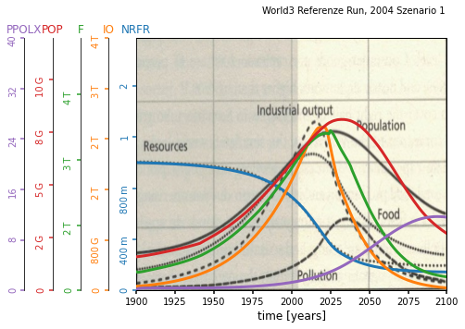
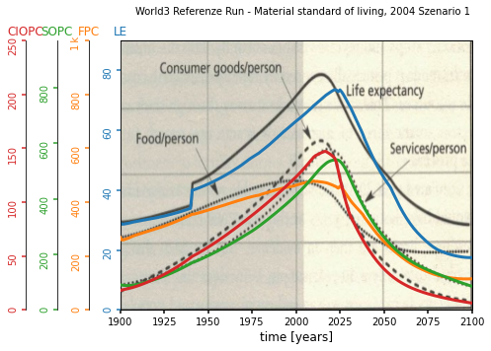
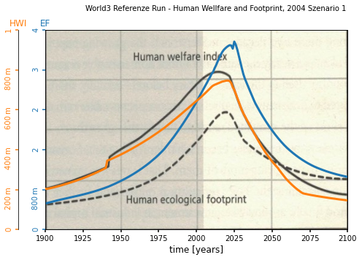
NRMSD Verlauf
 | 0.2168689232
 | 0.2096305212
 | 0.2068521255
 | 0.2053745258
 | 0.2029162842
 | 0.200657435
 | 0.1994398013
 | 0.1979704488
 | 0.1966640758
 | 0.1960438207
 | 0.1955193581
 | 0.195081697
 | 0.194874343
 | 0.1925013146
 | 0.1920305565
 | 0.1917671959
 | 0.1916620765
 | 0.1915134917
 | 0.1912319746
 | 0.1902168023
 | 0.1900444675
 | 0.1899294673
 | 0.1898224882
 | 0.1897718505
 | 0.1897112256
 | 0.189607323
 | 0.1895509656
 | 0.1894590486
 | 0.1894222611
 | 0.1893353874
 | 0.1892966394
 | 0.1892185476
 | 0.1891912684
 | 0.1891694466
 | 0.1891559536
 | 0.1891478959
 | 0.189139345
 | 0.1891314021
 | 0.1891168866
 | 0.1891013584
 | 0.1890941166
 | 0.1890252402
 | 0.1889207584
 | 0.1888647872
 | 0.1887704472
 | 0.1885058989
 | 0.1883642429
 | 0.1883261845
 | 0.1882776964
 | 0.1882101264
...
Verbesserte Werte | Anzahl der Verbesserungen | Verbesserter Wert | Default Wert | Relative Change | Nicht verbesserte Werte | Werte
amti | 18 | 2.481846 | 1.00 | 1.481846 | alai1 | 2.00
faipm | 4 | 0.001146 | 0.001 | 0.146 | alic1 | 14.00
frpm | 3 | 0.018553 | 0.02 | 0.07235 | alln | 1000.00
fspd | 5 | 6.055554 | 2.00 | 2.027777 | alsc1 | 20.00
hsid | 9 | 37.982036 | 20.00 | 0.8991018 | dcfsn | 3.80
ieat | 4 | 2.991561 | 3.00 | 0.002813 | fioac1 | 0.43
imef | 4 | 0.088487 | 0.10 | 0.11513 | ghup | 0.000000004
imti | 2 | 9.256841 | 10.00 | 0.0743159 | icor1 | 3.00
lpd | 5 | 19.283343 | 20.00 | 0.03583285 | len | 28.00
lufdt | 16 | 4.476225 | 2.00 | 1.2381125 | lfh | 0.70
nruf1 | 2 | 1.086207 | 1.00 | 0.086207 | lfpf | 0.75
ppgf1 | 5 | 1.4126 | 1.00 | 0.4126 | lyf1 | 1.00
pptd | 21 | 94.387253 | 20.00 | 3.71936265 | mtfn | 12.00
sad | 2 | 18.061825 | 20.00 | 0.09690875 | nri | 1.00E+12
sd | 5 | 0.030114 | 0.07 | 0.5698 | palt | 3200000000.00
uildt | 6 | 6.035368 | 10.00 | 0.3964632 | pl | 0.10
 |  |  |  |  | rlt | 30.00
 |  |  |  |  | scor1 | 1.00
 |  |  |  |  | sfpc | 230

Anzahl Verbesserungen
Relative Change

