Sheet1
TOE CHART
T | O | E
Name Entry Textbox | txtNameEntry
Age Entry Textbox | TxtAgeEntry
Name Entry Label | lblNameEntry
Age Entry Label | lblAgeEntry
Result of Concatination Label | lblResult
Submit/Accept Button | btnSubmit | Click
Exit/Close Program Button | btnExit | Click
IPO CHART
I | P | O
Name to be Concatinated | Name entry required.
Age to be Concatinated | Age entry required.
Label for Name Entry | Label will display "Name" to the left of txtNameEntry.
Label for Age Entry | Label will display "Age" to the left of txtAgeEntry.
Label for Display of Concatination Result | Label will display results of the concatination process after clicking submit.
Submit/Accept Button | Clicking Submit/Accept will concatinate contents of txtNameEntry+txtAgeEntry. | Perform concatination of textbox entries.
Exit/Close Program Button | Clicking Exit/Close Program button will exit the program. | Exit/Close Program.
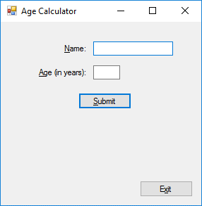
PSEUDOCODE
Submit/Accept Button (btnSubmit click)
Clicking Submit will concatinate the entered values from txtNameEntry
and txtAgeEntry and display the result in lblResult.
Exit/Close Program Button (btnExit click)
Clicking Exit will immediately close the program.

