Stream
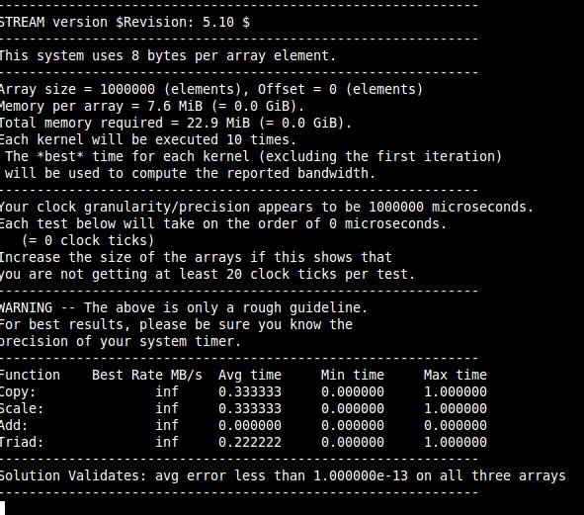
CPU 800M | DDR2 816M

CoreMark
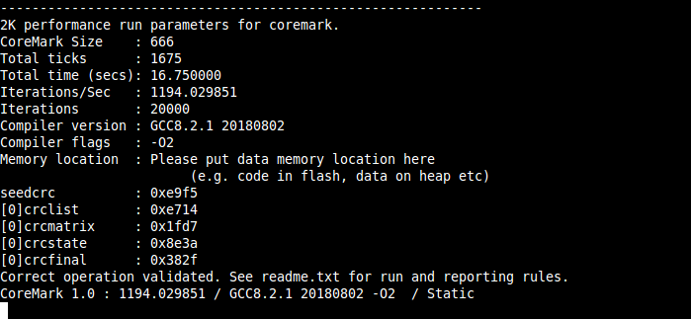
CPU 800M | DDR 816M | cflags: O2

