Systems of Linear Equations
Solve the following sytems of linear equations. If you have questions about how to complete this assignment, please first consult your textbook.

Problem 1 | Problem 2 | Problem 3
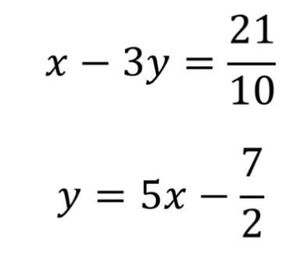

Answer | Answer | Answer
(2 , 6) | y = -2x+5 | (3/5,-1/2)

Rental Cars

Ace Rentals charges $15 per day plus 10 cents per mile to rent a basic car. Zippy Cars charges $18 per day plus 8 cents per mile to rent the same car. If you plan to rent the car for one day, how many miles will have to be driven for the cost of a car from Ace Rentals to equal the cost of a car from the Zippy Cars? | Please list any key assumptions you can think of.
1)
2)
3)
4)
5)

 | Please list any key variables you can think of.
1)
2)
3)
4)
5)

Use the information from Step 1 to create functions for the rental costs for each company. | What does this mean? When should a renter choose Ace and when should they choose Zippy? | What factors should a rentor consider when they evaluate their reasoning?

Y = 0,10 x + 15
y = 0,08 x + 18
Less or before than 30 miles, we should rent Ace
After or more than 30 miles, we should rent Zippy

The two equations form a system of equations. Solve the system to calculate how many miles have to be driven for the cost of a car from Ace Rentals to equal the cost of a car from the Zippy Cars. Type the answer below.

 | Are there any other factors that you would take into account besides the cost? What are they?

x = 150 miles
y = 30 dollars

SF or LV


Lina just graduated and got a great job as a graphic designer in San Francisco with a starting salary of $55,205 per year. After looking at the cost of apartments in SF she decided to consider a crazy plan she read about online: living in Las Vegas and commuting to San Francisco for her new job. She decides to ask her boss how many days per month she will need to work in the office and how many days she can work from home. Then she does some research and finds the following costs: Average rent per month: San Francisco $2965, Las Vegas $610. Average cost of transportation per day: San Francisco $7, Las Vegas $155. | Please list any key assumptions you can think of.
1)
2)
3)
4)
5)

 | Please list any key variables you can think of.
1)
2)
3)
4)
5)

Please write in plain English how to calculate the total cost of living in each city. | Let's say that Lina only has to come into the office twice a week. Which of the two cities would you live if you were her? Why? | Lina plans to reevaluate her decision after one year. What things should she look at to determine if she made the correct decision?

Now, please convert the English explanations to math equations for the cost of both cities.

 | Let's say that Lina has to come into the office three times a week. Which of the two cities would you live if you were her? Why?

Finally, the two equations form a system of equations. Please solve the system to calculate how many days Lina can work in San Francisco before it is too expensive to commute from Las Vegas.

