Sheet1
1.surrogateopt 5000次迭代
solution = 包含以下字段的 struct:
Lj: [0 104 297.5832 451.2352 606 153.2382 205 125.9060 525.5919 311.6893 273.9369 138.9351 209.5420 278.4280 0]
Rj: [0 3.4168 298.7648 0 40.7618 0 75.0940 154.4081 168.3107 26.0631 81.0649 0.4580 141.5720 500 0]
Xij: [7×15 double]
flagi: [1 1 1 1 1 1 0]
ni: [800 800 1000 591.2833 721.3111 1.2584e+03 0]
objectiveValue = 1.2957e+06
Xij | 0 | 0 | 0 | 40.0475231056915 | 510.723134306061 | 0 | 249.229342588249 | 0 | 0 | 0 | 0 | 0 | 0 | 0 | 0
 | 0 | 24.1619512879930 | 148.833865728999 | 348.710880827627 | 15.8711976785299 | 24.3459389326296 | 0 | 238.076165544221 | 0 | 0 | 0 | 0 | 0 | 0 | 0
 | 0 | 0 | 78.1938041282631 | 35.9194673461151 | 120.167461524443 | 94.0235879902733 | 0 | 26.9073362352251 | 644.788342775664 | 0 | 0 | 0 | 0 | 0 | 0
 | 0 | 0 | 89.7968374595192 | 8.57228355688653 | 0 | 34.8686795680636 | 30.8646853033789 | 15.3306065230725 | 49.1141949679919 | 299.005072870204 | 0 | 0 | 40.9517593473613 | 22.7791637331571 | 0
 | 0 | 83.2548260165311 | 279.523468516480 | 3.53093675017310 | 0 | 0 | 0 | 0 | 0 | 0 | 355.001819402084 | 0 | 0 | 0 | 0
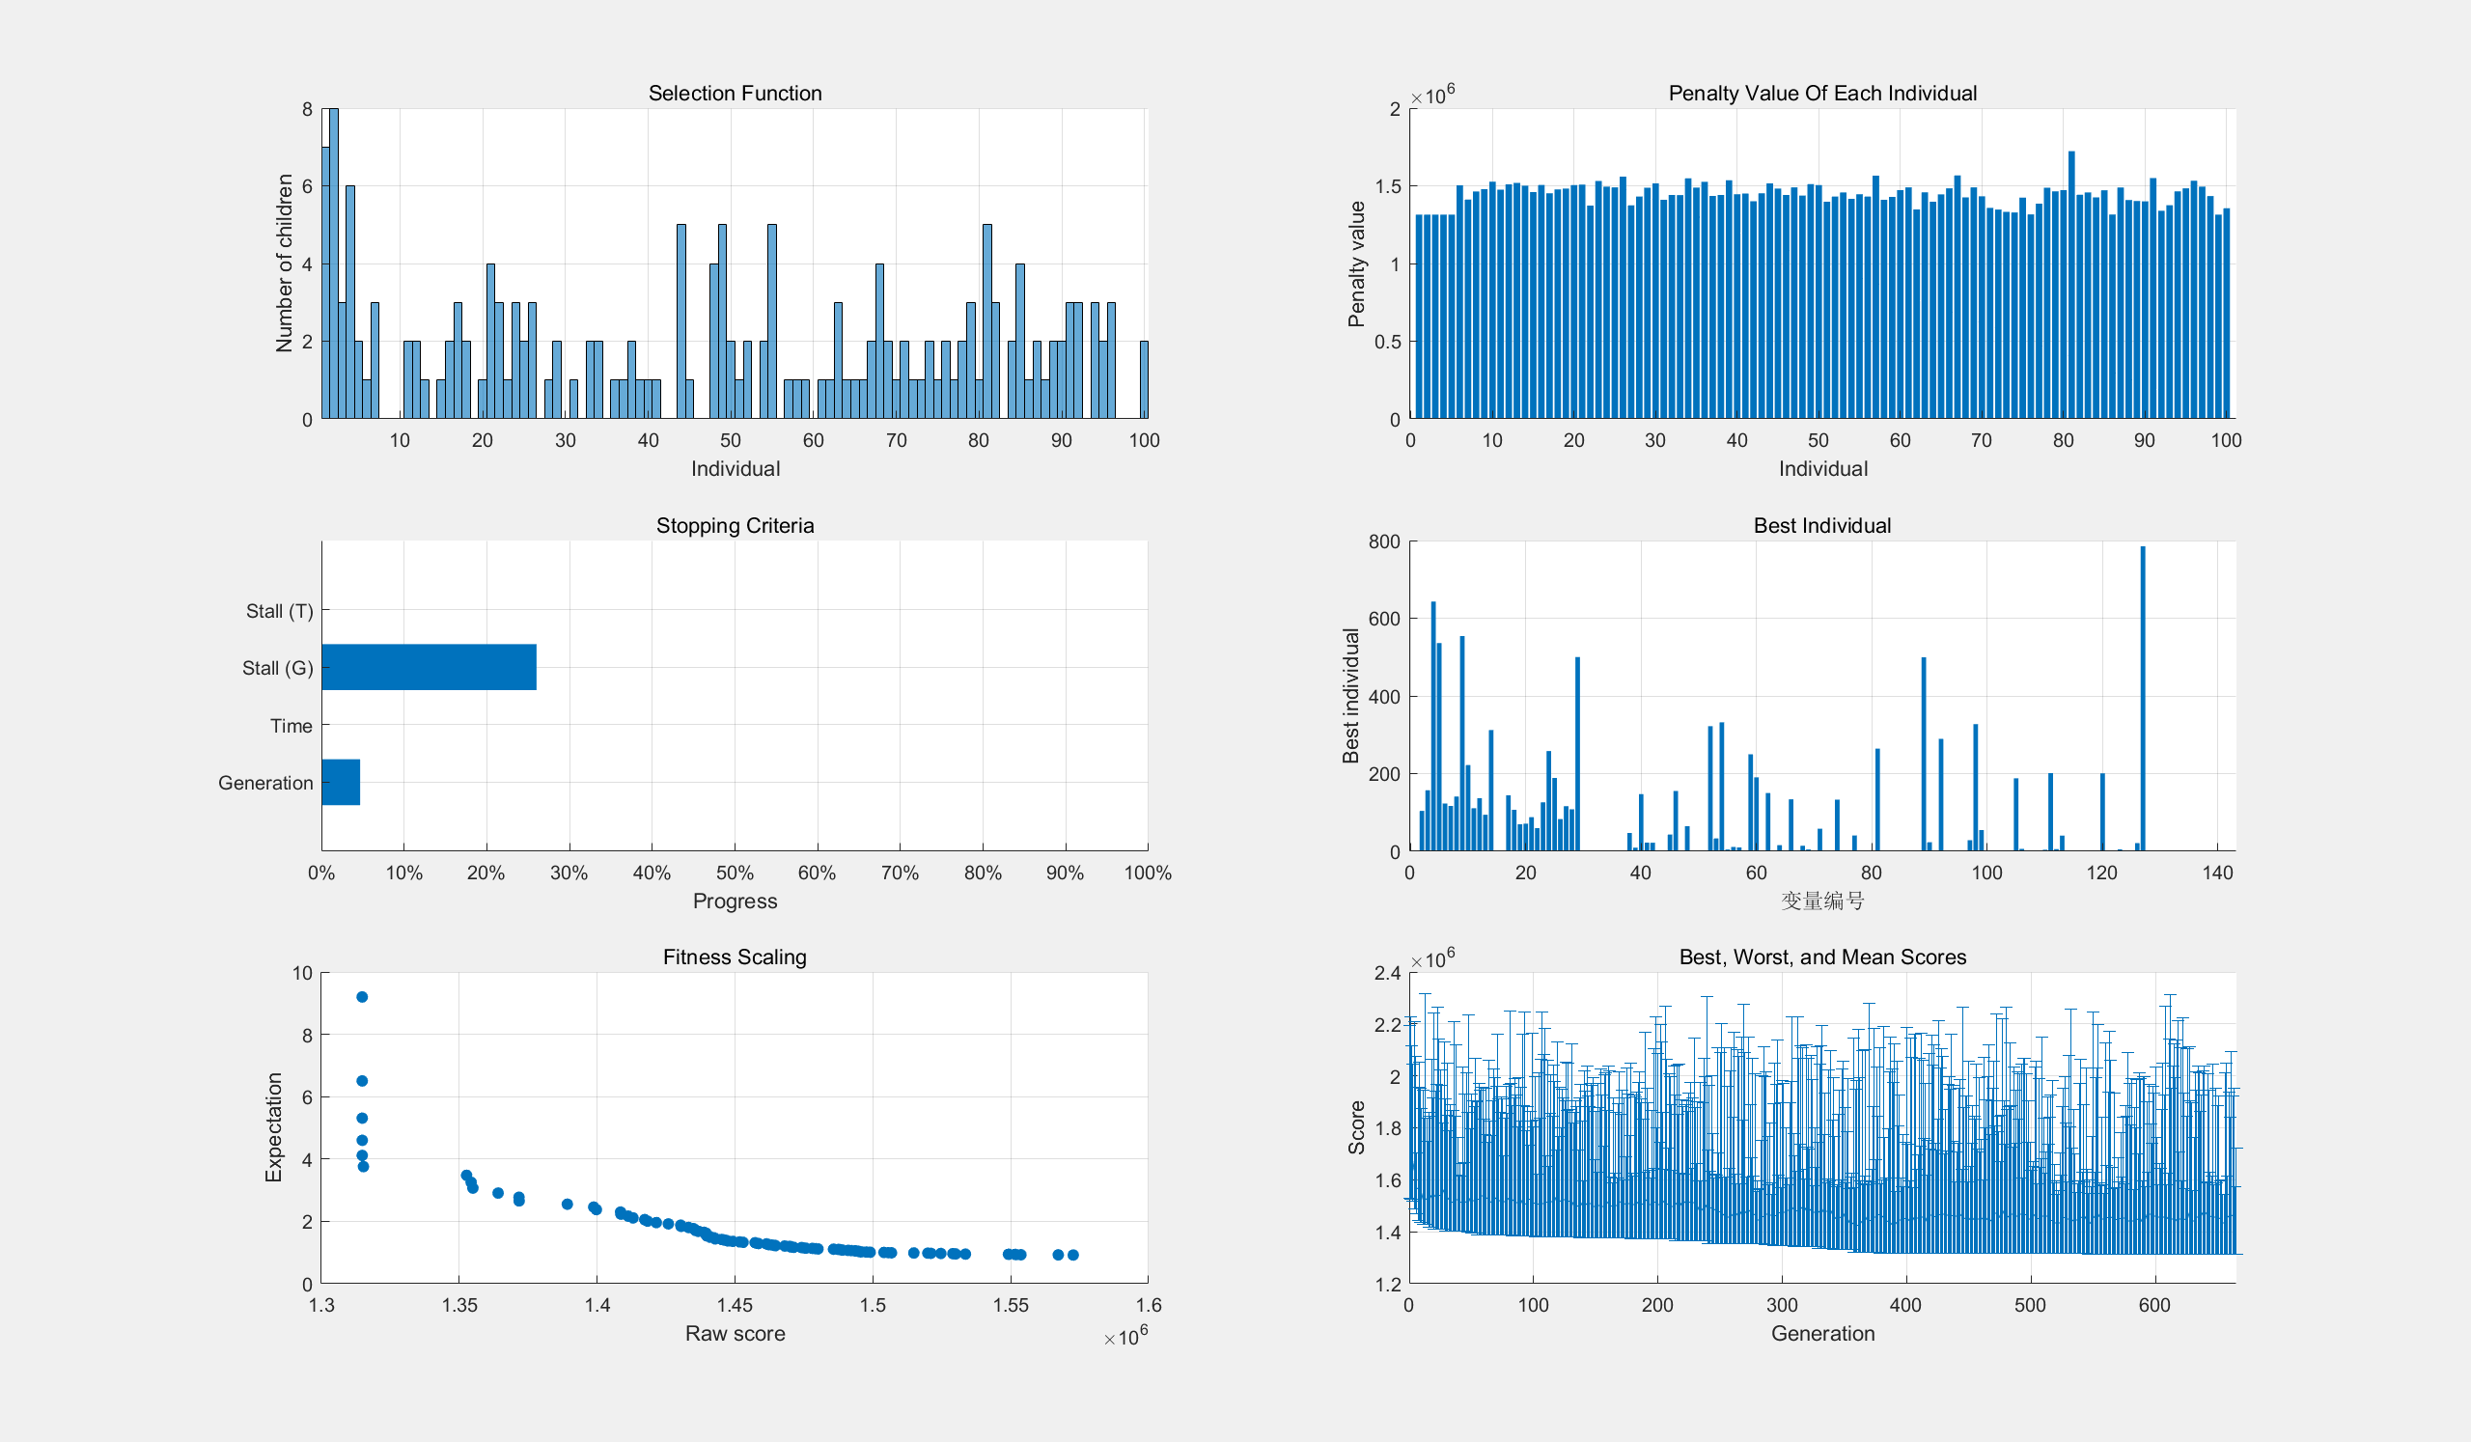
 | 0 | 0 | 0 | 14.4541552757210 | 0 | 0 | 0 | 0 | 0 | 38.7473265843163 | 0 | 139.393150314894 | 310.162148697522 | 755.648885112660 | 0
 | 0 | 0 | 0 | 0 | 0 | 0 | 0 | 0 | 0 | 0 | 0 | 0 | 0 | 0 | 0

2. 11.23 9点 ga遗传
solution = 包含以下字段的 struct:
Lj: [0 104 157 643.0000 536 123.0000 117.0000 141.0000 554.0000 222.0000 111.0000 137 94 312.0000 0]
Rj: [0 144 107.0000 70 71.0000 88.0000 60.0000 126.0000 258.0000 189.0000 83 116 108.0000 500 0]
Xij: [7×15 double]
flagi: [1 1 1 1 1 1 0]
objectiveValue = 1.3148e+06

 | 0 | 47.1785782824241 | 43.1885798956228 | 322.081094566356 | 249.686211998490 | 133.924824567230 | 2.27809526188176 | 1.58093488837672 | 0 | 0.0816781692052885 | 0 | 0 | 2.37041433592822e-06 | 0 | 0
 | 0 | 9.28821889461578 | 155.228965971353 | 33.0830265422449 | 190.522130198465 | 0.0741048062315946 | 133.000575556751 | 264.376566534007 | 0 | 0 | 0 | 1.69957417956107 | 5.91453501888479e-05 | 5.27454695337774 | 0
 | 0 | 147.189326279022 | 0 | 331.897167088656 | 0.625995345705106 | 14.2652809913737 | 0.0320972318668872 | 6.36203828156659e-07 | 499.490779467219 | 0 | 0 | 4.03975918717585 | 0.490286699000172 | 0.000212390836948994 | 0
 | 0 | 22.2255307101103 | 64.5824547124791 | 4.66071810511434 | 149.888726022046 | 4.72988343178176 | 0.00641474196975582 | 0.150872277182248 | 23.1892421330629 | 28.4500105057724 | 0 | 201.382930004045 | 0.865938913574361 | 0 | 0
 | 0 | 22.0509112103933 | 1.00000077468942 | 11.1963092758703 | 0.428491277023750 | 0 | 40.6867743501158 | 0.289444343635742 | 0 | 327.377432095830 | 187.747827866872 | 5.47032523539538 | 0.00190949669347068 | 21.2097509969697 | 0
 | 0 | 0.0674346234348060 | 0 | 10.0816830676142 | 15.8484451582701 | 58.0059063627488 | 0.996047779416803 | 0.602173640486981 | 289.319975982118 | 55.0908847272390 | 6.25217165142255 | 40.4074113938227 | 200.641805879307 | 785.515487154476 | 0
 | 0 | 0 | 0 | 0 | 0 | 0 | 0 | 0 | 0 | 0 | 0 | 0 | 0 | 0 | 0

3. 11.23 12点 surrogateopt 迭代4000次 |  |  |  |  |  |  | Xij
solution = 包含以下字段的 struct: |  |  |  |  |  |  | 0 | 0 | 0 | 39.2257611873589 | 112.088335576259 | 142.480558739919 | 212.849306499458 | 293.356037997007 | 0 | 0 | 0 | 0 | 0 | 0 | 0
Lj: [5 104 158 520 533 144 151 122 409 329 170 110 133 318 0] |  |  |  |  |  |  | 0 | 67.9317527555063 | 48.1765133066543 | 513.446461255837 | 75.7376703517986 | 36.9040911129279 | 16.4706300063624 | 41.3328812109133 | 0 | 0 | 0 | 0 | 0 | 0 | 0
Rj: [0 143 230 73 50 54 79 271 151 130 110 77 102 500 8] |  |  |  |  |  |  | 1.43986700452310 | 144.556691641152 | 45.9558150248662 | 11.5840710019832 | 319.580897433578 | 14.0787657962633 | 0.330350186584263 | 31.0719703970763 | 431.401571513973 | 0 | 0 | 0 | 0 | 0 | 0
Xij: [7×15 double] |  |  |  |  |  |  | 0 | 0 | 0 | 0 | 0 | 0 | 0 | 0 | 0 | 0 | 0 | 0 | 0 | 0 | 0
flagi: [1 1 1 0 1 1 1] |  |  |  |  |  |  | 0 | 29.2733272236628 | 57.8989035045581 | 25.0296737689594 | 67.3551501869827 | 0 | 0 | 19.5193518160312 | 50.5778801247782 | 62.0931148525014 | 222.177821772247 | 0 | 0 | 0 | 0
objectiveValue = 1.3125e+06 |  |  |  |  |  |  | 0 | 0 | 235.968768163921 | 0 | 0.372075323230311 | 0 | 0 | 0.578390885103104 | 0.673349554715815 | 320.121559910651 | 1.25004008178255 | 23.1441738113333 | 174.360778812344 | 761.415454223805 | 8
 |  |  |  |  |  |  | 3.56013299547690 | 5.23822837967929 | 0 | 3.71403278586154 | 7.86587112815141 | 4.53658435089025 | 0.349713307595778 | 7.14136769386920 | 77.3471988065326 | 76.7853252368473 | 56.5721381459703 | 163.855826188667 | 60.6392211876558 | 56.5845457761951 | 0

