Layout-Information
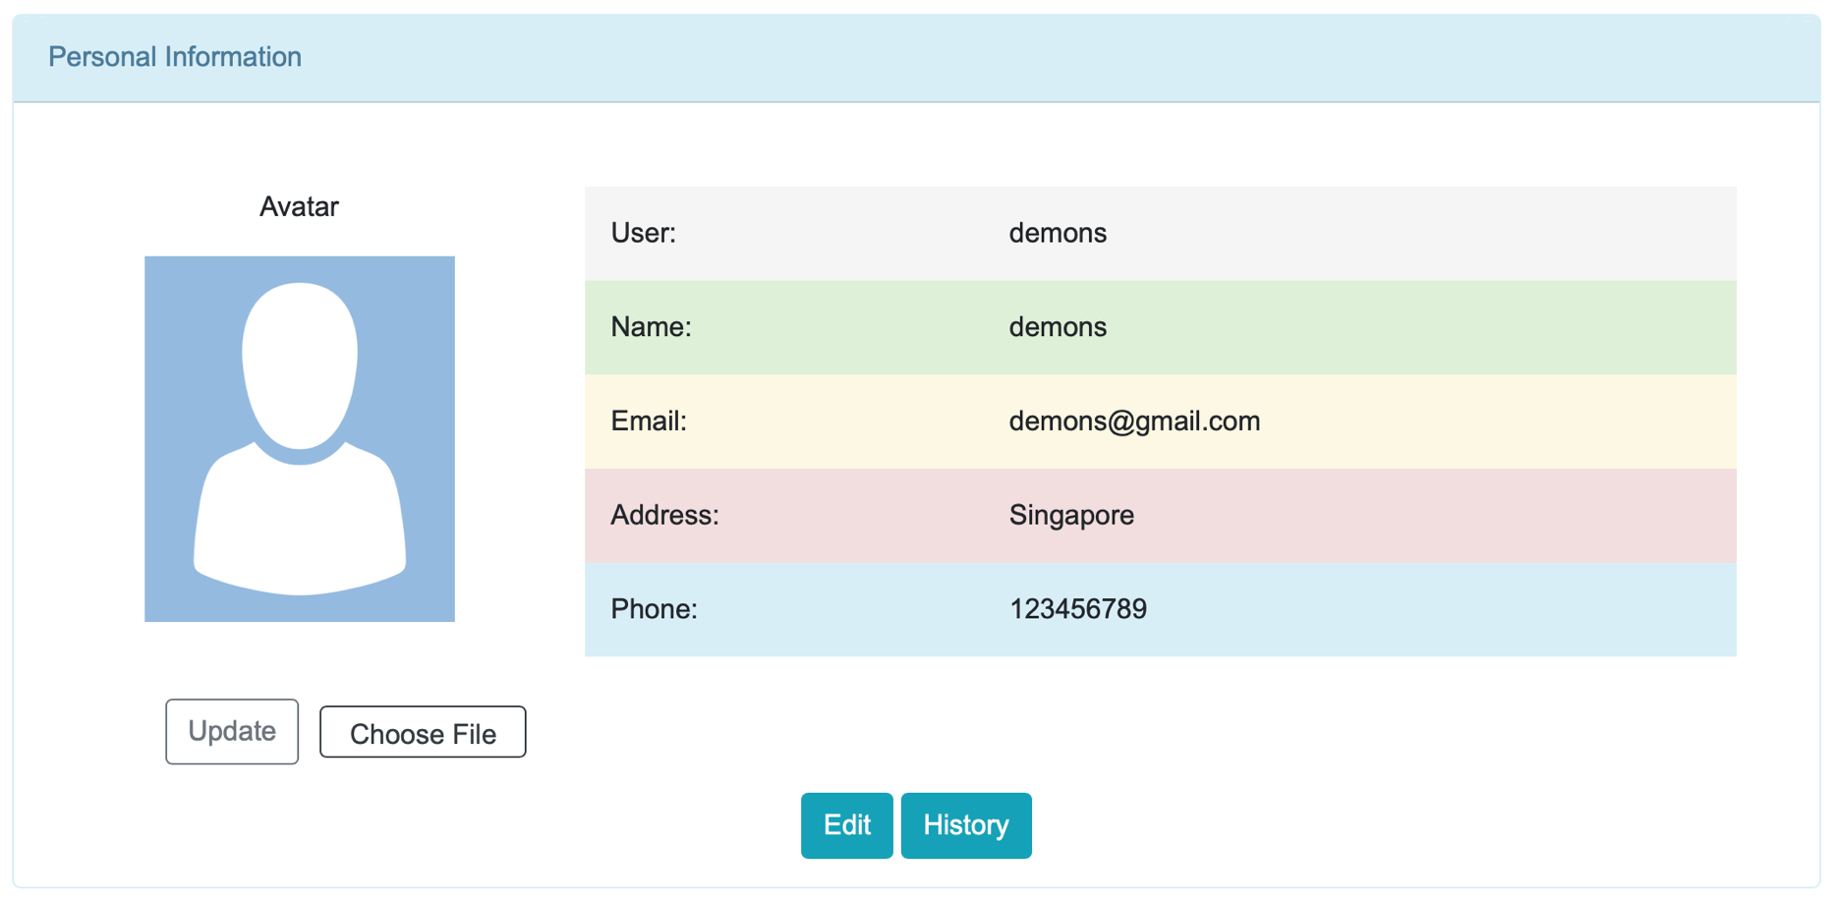
Function - Personal Information

Layout-UpdateAva
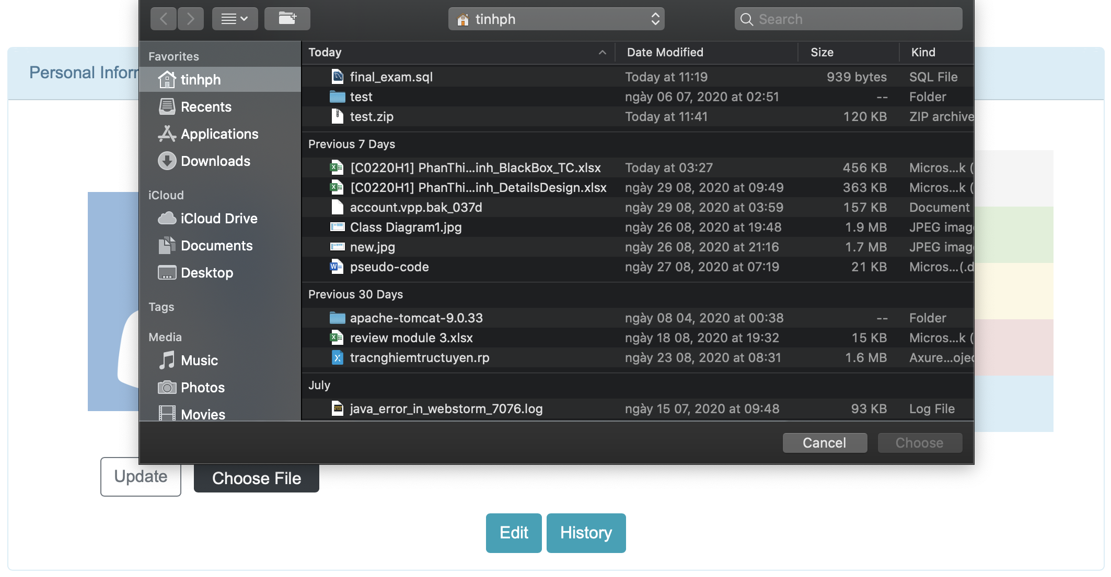
Function - Update avatar

Layout-History
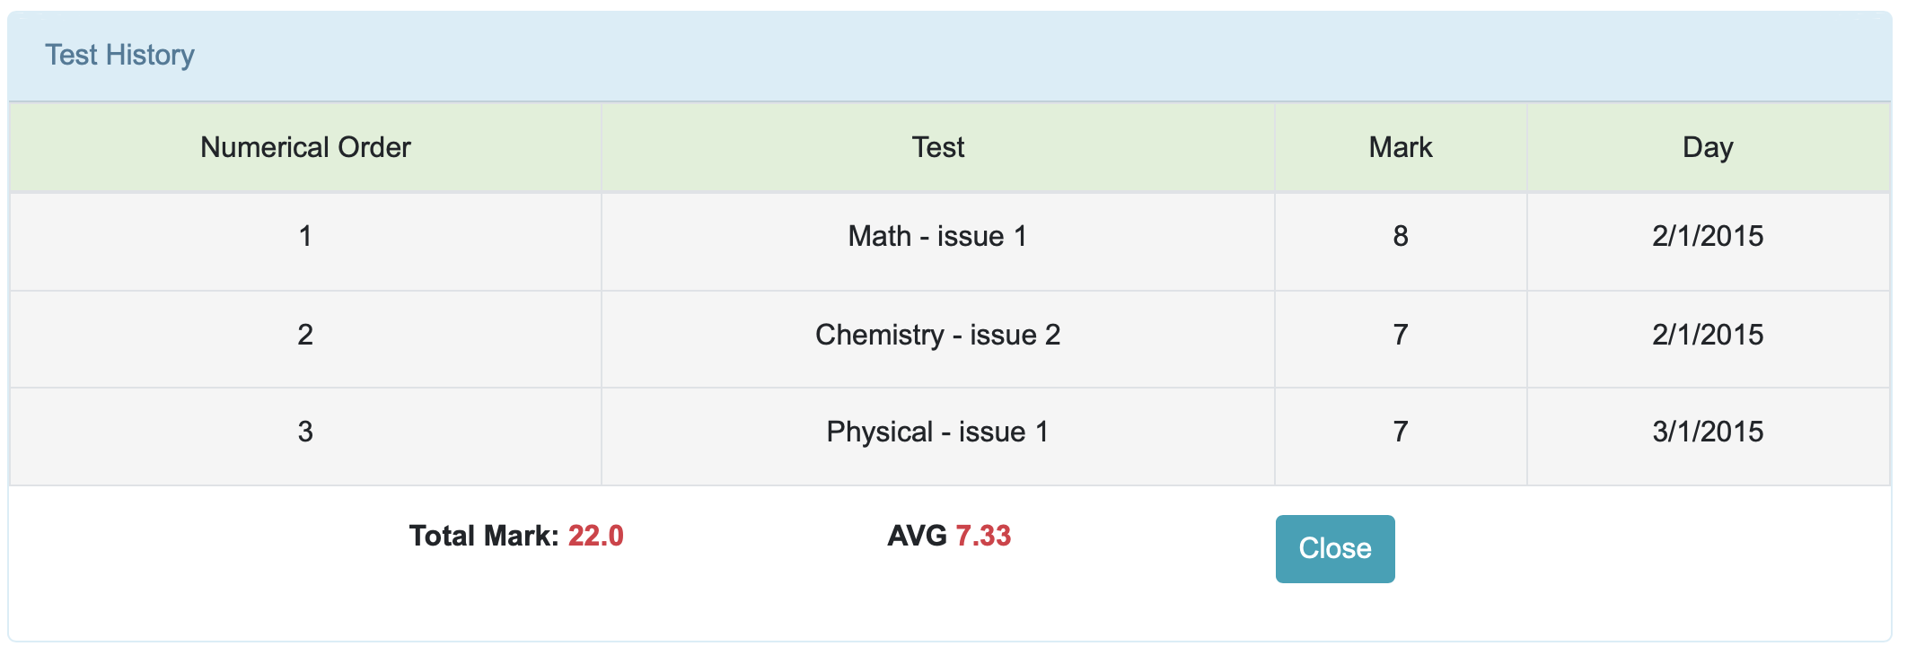
Function - Test History

Layout-UpdateInformation
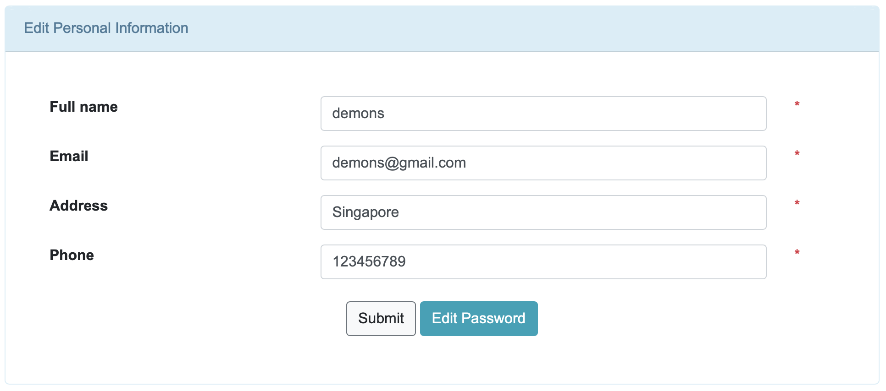
Function - Update personal information

Layout-UpdatePassword
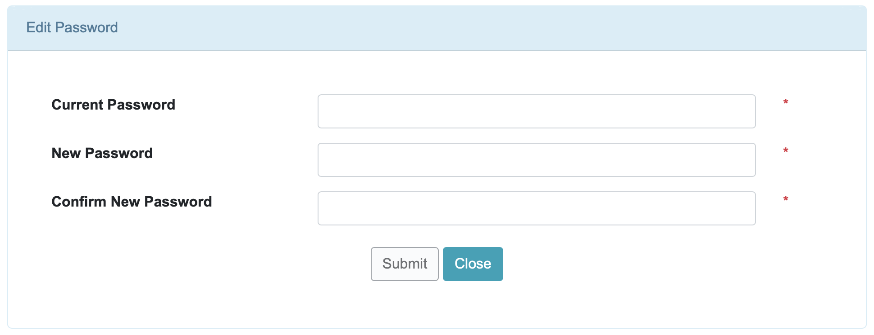
Function - Update password

