Summary
 | Summary

 |  | Diagram

Ultrasonic Measurement Software
Person-detection
Software

Ultrasonic Data
Person Detection Label
1 s = 10 measurements |  |  | 1 s = 8 - 12 labels

100 ms = 1 measurement |  |  | majority vote?

 |  |  | certain result?

Post-process Software

Ultrasonic Data + Label

13:11:49 : Person
13:11:49 : Empty Scene
13:11:49 : Empty Scene
13:11:49 : Empty Scene
10 measurements for 1 timestamp
13:11:49 : Empty Scene

person-detection
Program

 |  |  |  |  |  |  | Version 0.1

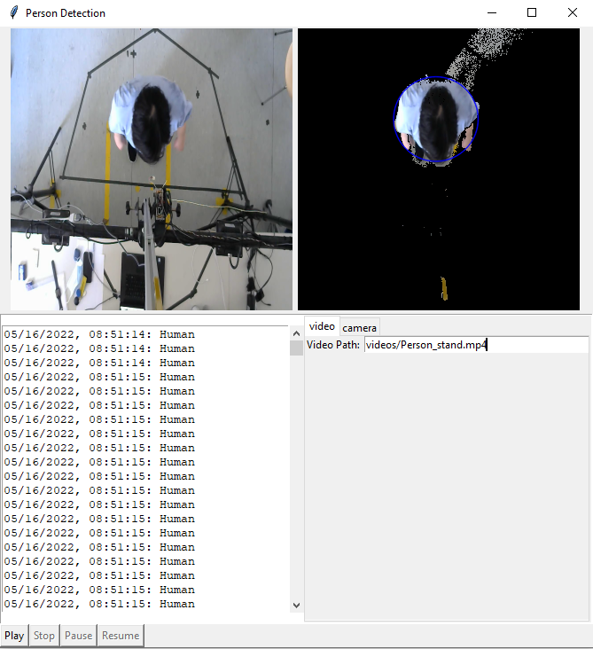
 | User Interface |  | Scenario when recording
 | Normal Mode
 |  |  | 1st-case | Empty Scene | 2nd-case | Person detect
Display 480 x 640 pixel sq



Textbox
480 x 50
Camera

Select ROI
Play
Stop
BG Subtra-ction
Record Start/Stop

Status : Idle / Empty / Person / Error / Camera not found
Save DIrectory
Program

 |  |  |  |  |  |  | Version 0.2
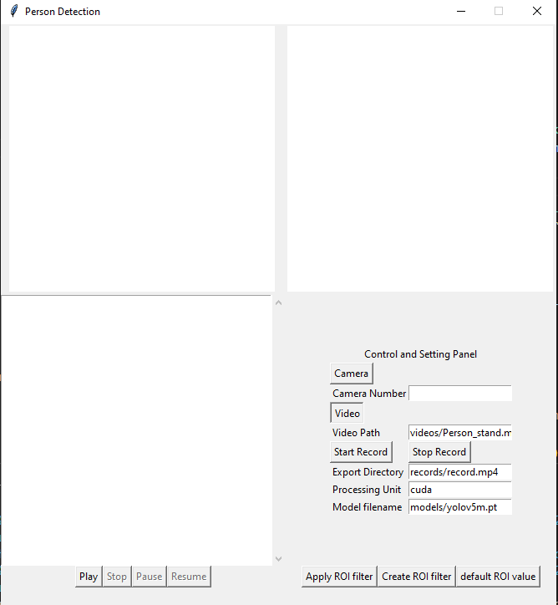

Empty-Seat-Data
Person-Data

1080

40

 |  | Debug Mode
40

Display 640 x 360 pixel sq
Real Display
Display 640 x 360 pixel sq
Debug Display
40
40

810

Classification results in textbox 1000 x 50 pixel sq.
- Empty Seat
- Human Textbox
40
Classification results in textbox 1000 x 50 pixel sq.
- Empty Seat
- Human Textbox

 |  |  |  |  |  |  | Ver 0.3
Play
Stop
BG Subtra-ction
Select ROI
Record
40
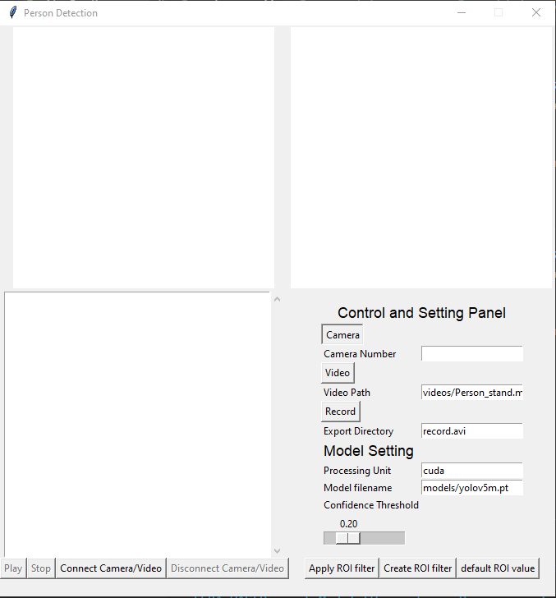
40

120
Status : Idle / Empty / Person / Error / Camera not found

 |  | Debug Mode 2

Display 640 x 360 pixel sq
Real Input Display
Display 640 x 360 pixel sq
Process Display
eg. preprocessing + bg subtract + training

Camera
Video
Auto Record
Classification results in textbox 1000 x 50 pixel sq.
- Empty Seat
- Human Textbox

Play
Stop
Pause
Resume

Camera

Classification results in textbox 1000 x 50 pixel sq.
- Empty Seat
- Human Textbox

Video

Classification results in textbox 1000 x 50 pixel sq.
- Empty Seat
- Human Textbox
Video File Path

Environment
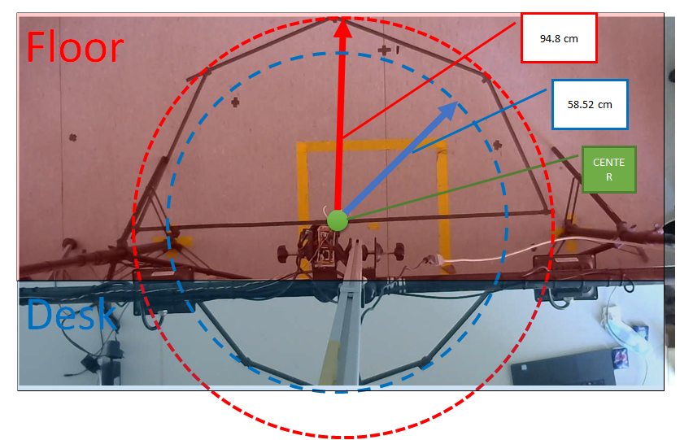
Environment Setup

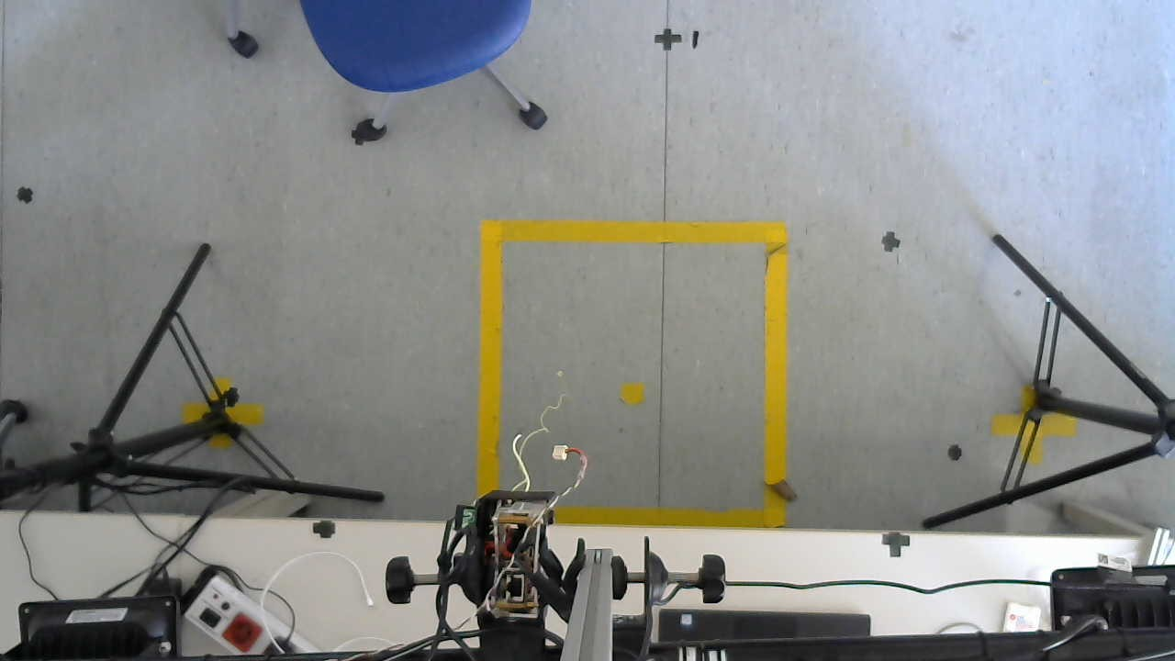

 | Red: Floor

 | Blue: Desk

94.8 cm

58.52 cm

Center

Floor
CENTER
94.8 cm
58.52 cm
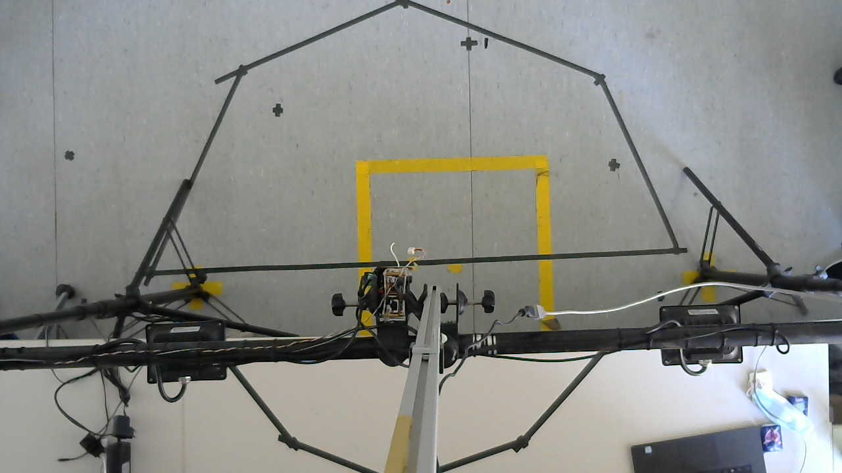
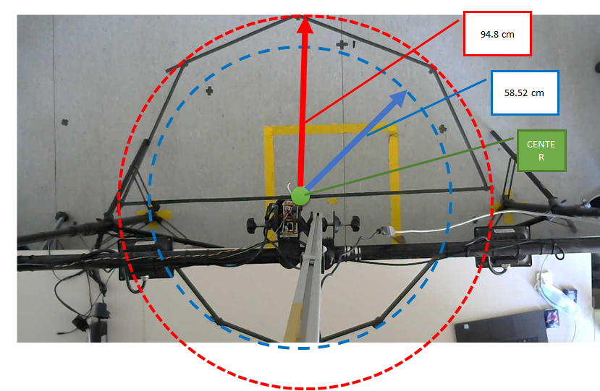

Desk

Logics
Program Logics

Objective | To train a program for human-no human classification from top-view

Program Logic

Processes

 | Person detection

 | Interact with another Program

Person detection logic

 | Approach 1

 | Approach 2

 | Approach 3

Helping Detection Logic

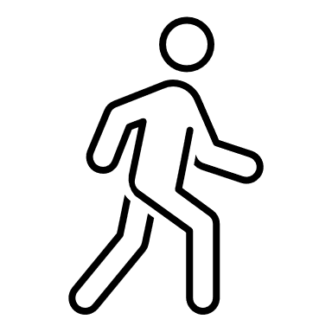
 | Detect incoming and outgoing from Regoin of Interest (ROI)

 | STATE
Detect
incoming

INCOMING
OUTGOING

INCOMING
OUTGOING

STAY STILL

STAY STILL

INCOMING

 |  |  | STATE DIAGRAM
 |  | Detect movement from outside ROI into ROI

INCOMING
OUTGOING

STAY STILL
 |  | Detect that there is no movement after incoming

OUTGOING
STAY STILL
 |  | Detect movement from inside ROI out to outside ROI

ROI logic creation

Click ROI button
pop up widow with image
click on points
close window and return clicked positions

Button Logics

Begin

Play

Stop
Connect Cam/Video

Disconnect Cam/Video

Drawing
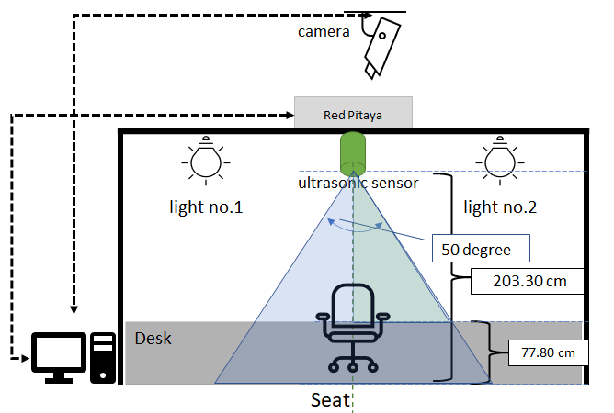
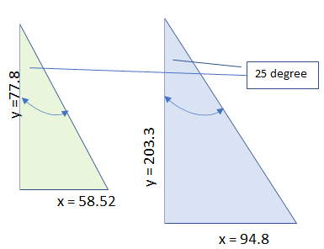
Drawing page
 |  | camera

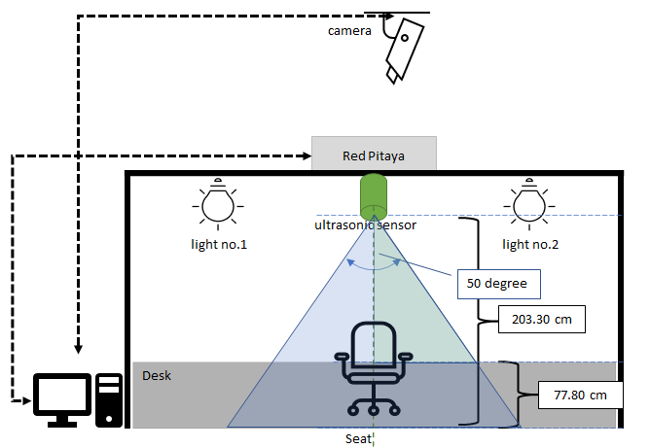

Red Pitaya

 |  | ultrasonic sensor
 | light no.1 |  | light no.2
50 degree

203.30 cm

Dek Level
Desk
77.80 cm

 |  | Seat

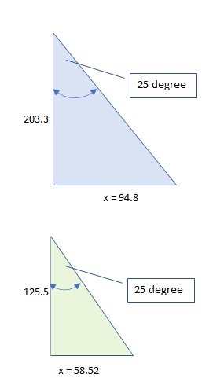

25 degree
 |  |  |  | y =77.8
 |  |  |  |  |  | y = 203.3
 |  |  |  |  | x = 58.52

 |  |  |  |  |  |  |  | x = 94.8

25 degree
 |  |  |  |  |  | 125.5

 |  |  |  |  |  |  |  |  | x = 125.5 tan 25

 |  |  |  |  |  |  | x = 58.52

Drawing2
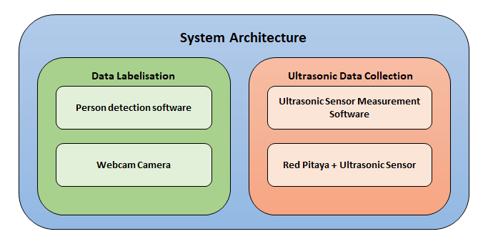
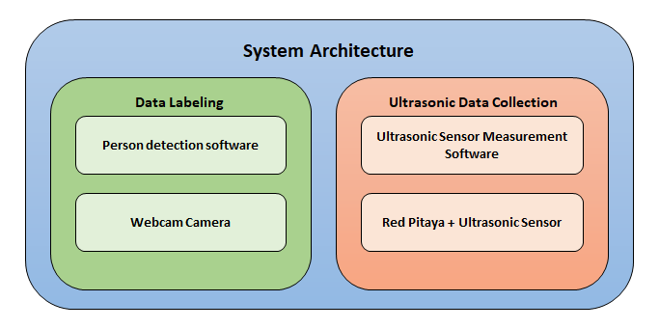
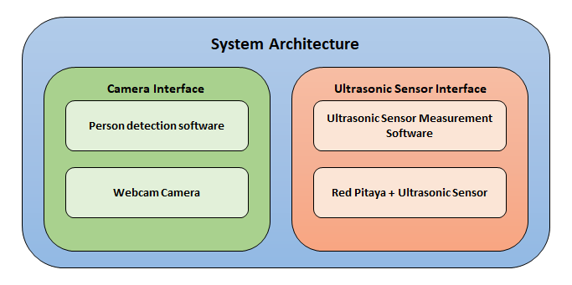

System Architecture

Data Labeling
Ultrasonic Data Collection

Person detection software
Ultrasonic Sensor Measurement Software

Webcam Camera
Red Pitaya + Ultrasonic Sensor

