Program
Program

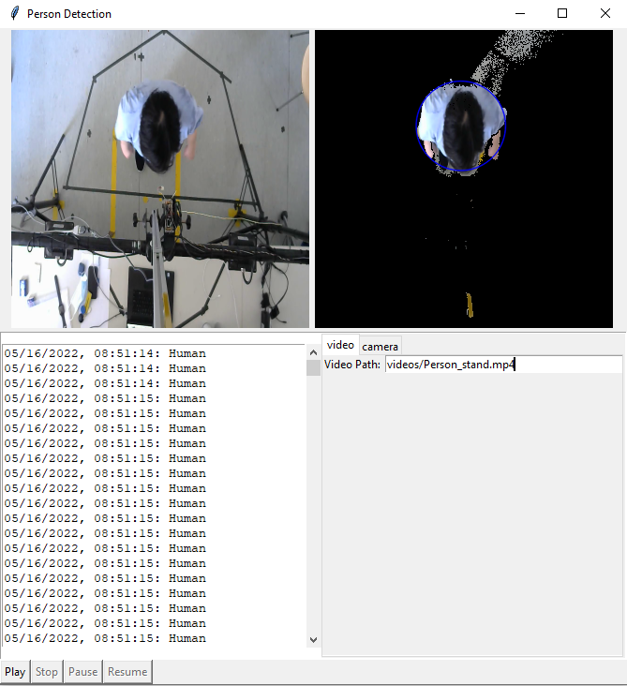
 | User Interface |  | Scenario when recording
 | Normal Mode
 |  |  | 1st-case | Empty Scene | 2nd-case | Person detect
Display 480 x 640 pixel sq



Textbox
480 x 50
Camera

Select ROI
Play
Stop
BG Subtra-ction
Record Start/Stop

Status : Idle / Empty / Person / Error / Camera not found
Save DIrectory
Program


Empty-Seat-Data
Person-Data

1080

40

 |  | Debug Mode
40

Display 640 x 360 pixel sq
Real Display
Display 640 x 360 pixel sq
Debug Display
40
40

810

Classification results in textbox 1000 x 50 pixel sq.
- Empty Seat
- Human Textbox
40
Classification results in textbox 1000 x 50 pixel sq.
- Empty Seat
- Human Textbox

Play
Stop
BG Subtra-ction
Select ROI
Record
40
40

120
Status : Idle / Empty / Person / Error / Camera not found

 |  | Debug Mode 2

Display 640 x 360 pixel sq
Real Input Display
Display 640 x 360 pixel sq
Process Display
eg. preprocessing + bg subtract + training

Camera
Video
Auto Record
Classification results in textbox 1000 x 50 pixel sq.
- Empty Seat
- Human Textbox

Play
Stop
Pause
Resume

Camera

Classification results in textbox 1000 x 50 pixel sq.
- Empty Seat
- Human Textbox

Video

Classification results in textbox 1000 x 50 pixel sq.
- Empty Seat
- Human Textbox
Video File Path

Logics
Program Logics

Objective | To train a program for human-no human classification from top-view

Program Logic

Processes

 | Person detection

 | Interact with another Program

Person detection logic

 | Approach 1

 | Approach 2

 | Approach 3

Helping Detection Logic

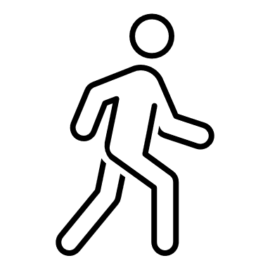
 | Detect incoming and outgoing from Regoin of Interest (ROI)

 | STATE
Detect
incoming

INCOMING
OUTGOING

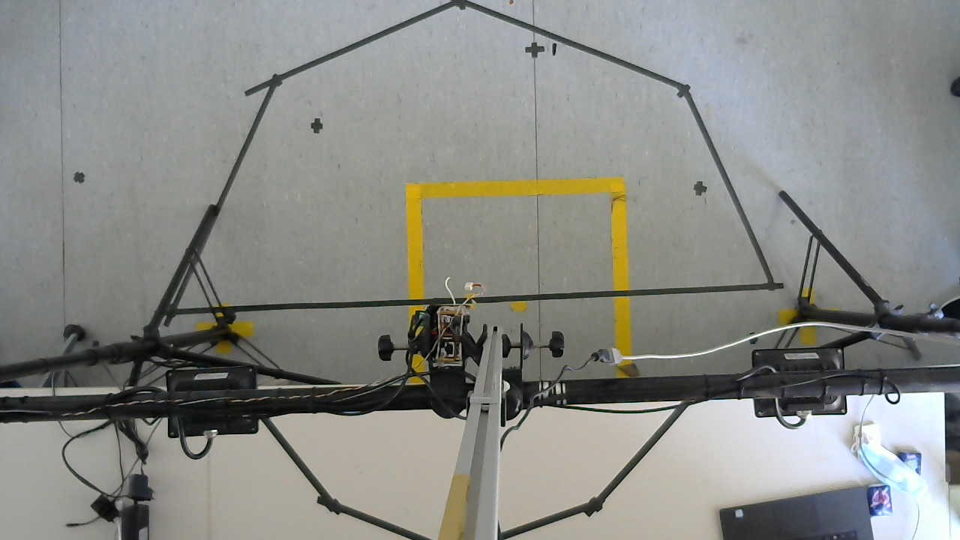

STAY STILL

INCOMING

 |  |  | STATE DIAGRAM
 |  | Detect movement from outside ROI into ROI

INCOMING
OUTGOING

STAY STILL
 |  | Detect that there is no movement after incoming

OUTGOING
STAY STILL
 |  | Detect movement from inside ROI out to outside ROI

Drawing
Drawing page

Red Pitaya

 |  |  |  |  |  |  |  | Sensor Level
 |  |  | ultrasonic sensor
 |  | light no.1 |  |  |  | light no.2
50 degree

203.30 cm
 | camera
Desk Level
Desk
77.80 cm

 |  |  |  |  |  |  |  | Floor Level
 |  |  | Seat

25 degree

 |  |  | 203.3 |  |  |  | x = 203.3 tan 25

 |  |  |  |  | x = 94.8

25 degree
 |  |  | 125.5

 |  |  |  |  |  |  | x = 125.5 tan 25

 |  |  |  | x = 58.52

Environment
Environment Setup

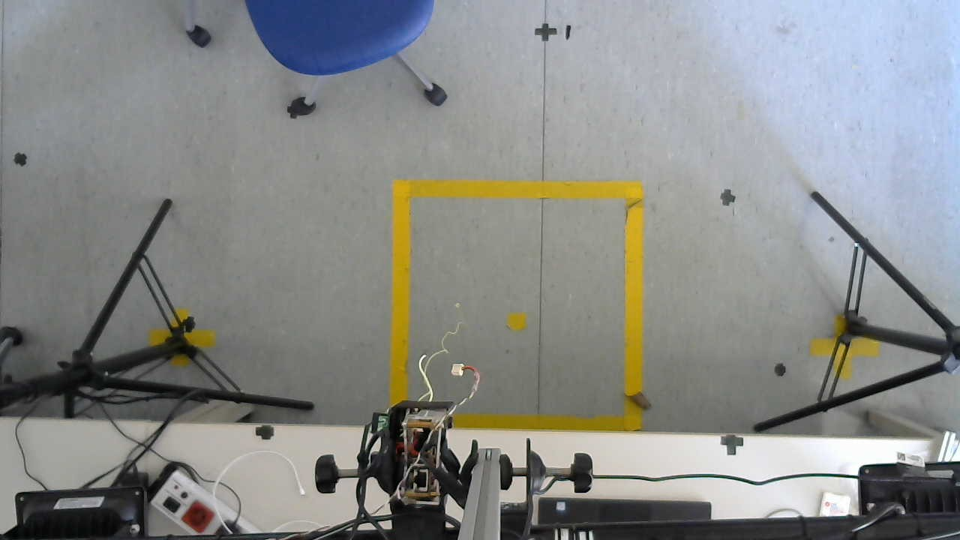

 | Red: Floor

 | Blue: Desk

94.8 cm

58.52 cm

Center

