Komparasi
Komparasi CNN untuk label CelebA
Hasil tersimpan 13 Oktober 2026. Test 5.000 gambar. Checkpoint terbaik berdasarkan akurasi validasi.

Model | Akurasi test | F1 macro | Best val acc | Training (menit) | Parameter (juta) | Salah (gambar) | Peringkat test
AlexNet | 97.36% | 97.29% | 97.08% | 13.0 | 57.0 | 132 | 5
VGG16 | 98.52% | 98.48% | 98.46% | 25.7 | 134.3 | 74 | 1
VGG19 | 98.42% | 98.38% | 98.30% | 30.0 | 139.6 | 79 | 2
GoogLeNet | 97.94% | 97.89% | 98.06% | 15.3 | 5.6 | 103 | 4
ResNet18 | 98.18% | 98.13% | 98.10% | 14.5 | 11.2 | 91 | 3

VGG16 unggul pada akurasi test dan F1 macro dalam run ini. Selisih dengan VGG19: 0,10 poin persentase (5 gambar).
ResNet18 memberi akurasi 98,18% dengan 14,5 menit training. GoogLeNet memakai parameter paling sedikit (5,6 juta).
Waktu mencakup loop train, validasi, dan penyimpanan checkpoint. Satu run per model. Latensi inference tidak diukur.

Akurasi test (skala 0–100%)
Durasi training (menit)

Confusion matrix
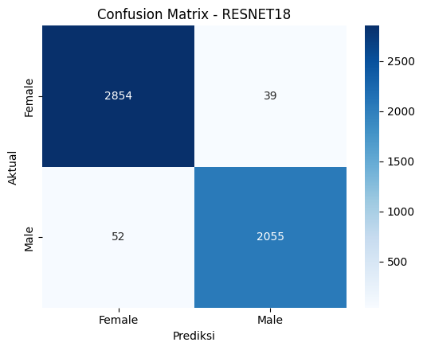
Confusion matrix dan rekonsiliasi
Male = kelas positif. Baris aktual, kolom prediksi. TN=Female/Female, FP=Female/Male, FN=Male/Female, TP=Male/Male.

Model | TN | FP | FN | TP | Total test | Benar | Salah | Akurasi CM | Sumber
AlexNet | 2823 | 70 | 62 | 2045 | 5000 | 4868 | 132 | 97.36% | https://colab.research.google.com/drive/1Ib9G7oVkuvfz-2JxGhLgJBMuTIwrjogN — cell 17, heatmap
VGG16 | 2853 | 40 | 34 | 2073 | 5000 | 4926 | 74 | 98.52% | https://colab.research.google.com/drive/1XjDx6bdY8It4jygzTAFk6oT9RBtX3C9q — cell 17, heatmap
VGG19 | 2853 | 40 | 39 | 2068 | 5000 | 4921 | 79 | 98.42% | https://colab.research.google.com/drive/1yAb2r57zYJVo4uRP2FO0vYsnHH5AcVPi — cell 17, heatmap
GoogLeNet | 2827 | 66 | 37 | 2070 | 5000 | 4897 | 103 | 97.94% | https://colab.research.google.com/drive/1w8Wox2YkUKJJSSYrIeal-wBHTt1OCPWz — cell 17, heatmap
ResNet18 | 2854 | 39 | 52 | 2055 | 5000 | 4909 | 91 | 98.18% | https://colab.research.google.com/drive/1vDaOCwMWGAordE_1_7yaSYVZ59poexS5 — cell 17, heatmap

Semua matriks berjumlah 5.000. Support: Female 2.893 dan Male 2.107. Akurasi CM sesuai Test Accuracy di notebook.

AlexNet


VGG16


VGG19
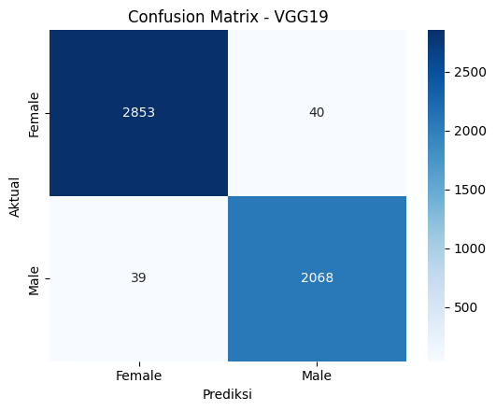

GoogLeNet
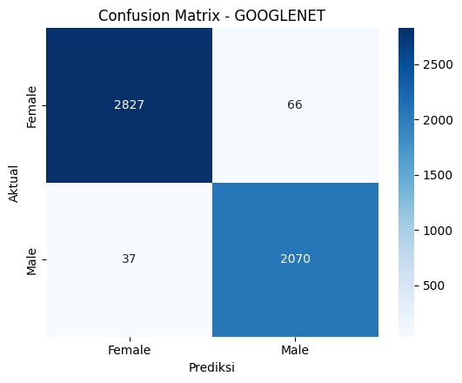

ResNet18

Prediksi
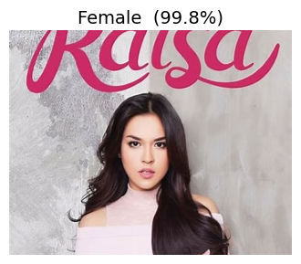
Contoh prediksi gambar unggahan
Nilai probabilitas mengikuti pembulatan output. 100,0% bukan jaminan benar. Label acuan gambar tidak dicatat.

Model | Nama file | Prediksi | P(Female) | P(Male) | Label acuan | Status | Sumber
AlexNet | Tidak tersedia | Tidak tersedia |  |  | Tidak dicatat | NameError pada cell terakhir | https://colab.research.google.com/drive/1Ib9G7oVkuvfz-2JxGhLgJBMuTIwrjogN — cell 21
VGG16 | Raisya.jpeg | Female | 100.0% | 0.0% | Tidak dicatat | Contoh inference | https://colab.research.google.com/drive/1XjDx6bdY8It4jygzTAFk6oT9RBtX3C9q — cell 21
VGG19 | raisa.jpg | Female | 91.5% | 8.5% | Tidak dicatat | Contoh inference | https://colab.research.google.com/drive/1yAb2r57zYJVo4uRP2FO0vYsnHH5AcVPi — cell 21
GoogLeNet | Raisya.jpeg | Female | 99.8% | 0.2% | Tidak dicatat | Contoh inference | https://colab.research.google.com/drive/1w8Wox2YkUKJJSSYrIeal-wBHTt1OCPWz — cell 21
ResNet18 | raisa.jpg | Female | 100.0% | 0.0% | Tidak dicatat | Contoh inference | https://colab.research.google.com/drive/1vDaOCwMWGAordE_1_7yaSYVZ59poexS5 — cell 21

VGG16 — Raisya.jpeg |  |  |  | VGG19 — raisa.jpg



GoogLeNet — Raisya.jpeg |  |  |  | ResNet18 — raisa.jpg

