Context

EUROPEAN COMMISSION
JOINT RESEARCH CENTRE
Westerduinweg 3, NL-1755LE, Petten, The Netherlands
Directorate C – Energy, Transport and Climate
Knowledge for the Energy Union
Contact: Pablo.RUIZ-CASTELLO@ec.europa.eu
Wouter.NIJS@ec.europa.eu
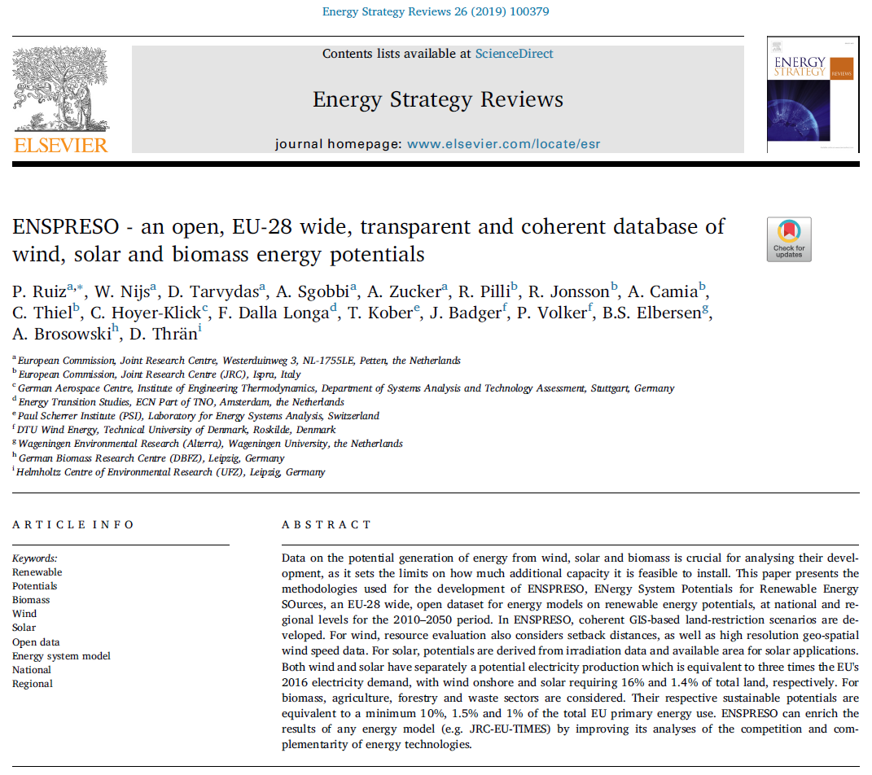

ENSPRESO - Wind onshore and offshore

ENSPRESO
ENSPRESO is an EU-28 wide, open dataset for energy models on renewable energy potentials,
at national (NUTS0) and regional levels (NUTS2) for the 2010-2050 period.
Within ENSPRESO, ENergy Systems Potential Renewable Energy SOurces, technical potentials are provided
for wind, solar and biomass, based on coherent GIS-based land-restriction scenarios.

Open access journal describing ENSPRESO:
https://www.sciencedirect.com/science/article/pii/S2211467X19300720

Data are in line with following JRC report:
Wind potentials for EU and neighbouring countries, 2018, JRC109698
https://ec.europa.eu/jrc/en/publication/wind-potentials-eu-and-neighbouring-countries-input-datasets-jrc-eu-times-model
Capacity Factors from non-EU countries have not been verified

Rights and licensing
The datasets are licensed under CC BY 4.0. You are free to share, copy and redistribute the datasets.
You are also free to adapt, remix, transform, and build upon the datasets for any purpose, even commercially. Under the following terms:
1) you must give appropriate credit: the name of the creator, a copyright notice, a license notice, a disclaimer notice, and a link to the material.
2) you must indicate if changes were made.
3) you may not apply legal terms or technological measures that legally restrict others from doing anything the license permits.
https://creativecommons.org/licenses/by/4.0/

Data included in this database has been produced under the framework contract JRC/PTT/2013/F.6/0057/OC granted to a consortium lead by ECN
The wind potentials are systematically derived from 30 years of meteorological data ased on the MERRA reanalysis dataset and from the Global Wind atlas
https://gmao.gsfc.nasa.gov/reanalysis/MERRA/
https://globalwindatlas.info

NUTS2 conversion
https://ec.europa.eu/eurostat/fr/web/nuts/history

ENSPRESO does not include hourly data on wind however we refer to JRC EMHIRES for this:
https://setis.ec.europa.eu/EMHIRES-datasets

Version log
2019-07-05 | Added Luxembourg
 | Improved scenario explanation
 | Introduced adjustable power density of the wind farm in the sheet "Raw data"
2019-07-19 | Further disaggregation offshore scenario "EU-Wide low restrictions"; separating 12nm zones
 | Included deeper waters (100-1000m) for scenario "EU-Wide low restrictions"
 | Introduced sheet "OFFSHORE GIS output example"
 | Introduced sheet with pivot "Wind Potential Pivot Countries"
 | Update of the comparison of ENSPRESO wind with other sources; also introducing total numbers under a 10 MW/km2 assumption for the power density of the wind farm
 | Update on offshore scenarios definition - Table 4 of the report "Wind potentials for EU and neighbouring countries, 2018, JRC109698"
2020-03-11 | Additions in the sheet “ONSHORE SUMMARY + graph” : Capacity factors > 20%, median of all surfaces and Top-10
 | Additions in the sheet “OFFSHORE SUMMARY + graph”: Capacity factors Top-10
2020-07-21 | Offshore potential now split by sea basin and for the EU-27, see sheet "OFFSHORE by sea basin EU27"

Planned future updates
 | The conversion of available land to power data is in this Excel based on a turbine with a hub height of 100m and a specific power of 300 W/m2
 | In a future release, we also will include the data for a wind turbine with a specific power of 240 W/m2 that reaches higher capacity factors
 | Also, we plan to release the GIS files on land use

Wind Potential Pivot EU
 | 15%< CF<20% | 20% < CF < 25% | CF > 25%
Water depth 30-60m | 0 | 1 | 55
Water depth 0-30m | 0 | 0 | 25
Water depth 60-100m Floating | 0 | 0 | 0
(blank) | 855 | 851 | 1185
Water depth 30-60m | 1 | 5 | 228
Water depth 0-30m | 0 | 0 | 97
Water depth 60-100m Floating | 0 | 0 | 0
(blank) | 1290 | 1353 | 2067
Water depth 30-60m | 3 | 21 | 612
Water depth 0-30m | 0 | 1 | 176
Water depth 60-100m Floating | 3 | 24 | 1010
Water depth 100-1000m Floating | 56 | 243 | 3024
12nm zone, water depth 0-30m | 11 | 50 | 721
12nm zone, water depth 30-60m | 8 | 59 | 547
12nm zone, water depth 60-100m Floating | 9 | 76 | 508
(blank) | 1589 | 1791 | 2968
Measure | Potential capacity
Country | (All)

Sum of Value | Column Labels
Row Labels | 15%< CF<20% | 20% < CF < 25% | CF > 25% | Grand Total
EU-Wide high restrictions
Offshore | 0 | 1 | 80 | 81
Water depth 30-60m | 0 | 1 | 55 | 56
Water depth 0-30m | 0 | 0 | 25 | 25
Water depth 60-100m Floating | 0 | 0 | 0 | 0
Onshore | 855 | 851 | 1185 | 2891
(blank) | 855 | 851 | 1185 | 2891
Reference - Large turbines
Offshore | 1 | 5 | 324 | 330
Water depth 30-60m | 1 | 5 | 228 | 233
Water depth 0-30m | 0 | 0 | 97 | 97
Water depth 60-100m Floating | 0 | 0 | 0 | 0
Onshore | 1290 | 1353 | 2067 | 4710
(blank) | 1290 | 1353 | 2067 | 4710
EU-Wide low restrictions
Offshore | 89 | 474 | 6598 | 7161
Water depth 30-60m | 3 | 21 | 612 | 635
Water depth 0-30m | 0 | 1 | 176 | 177
Water depth 60-100m Floating | 3 | 24 | 1010 | 1037
Water depth 100-1000m Floating | 56 | 243 | 3024 | 3323
12nm zone, water depth 0-30m | 11 | 50 | 721 | 783
12nm zone, water depth 30-60m | 8 | 59 | 547 | 613
12nm zone, water depth 60-100m Floating | 9 | 76 | 508 | 593
Onshore | 1589 | 1791 | 2968 | 6348
(blank) | 1589 | 1791 | 2968 | 6348
Grand Total | 3824 | 4475 | 13222 | 21521

ONSHORE SUMMARY + graph
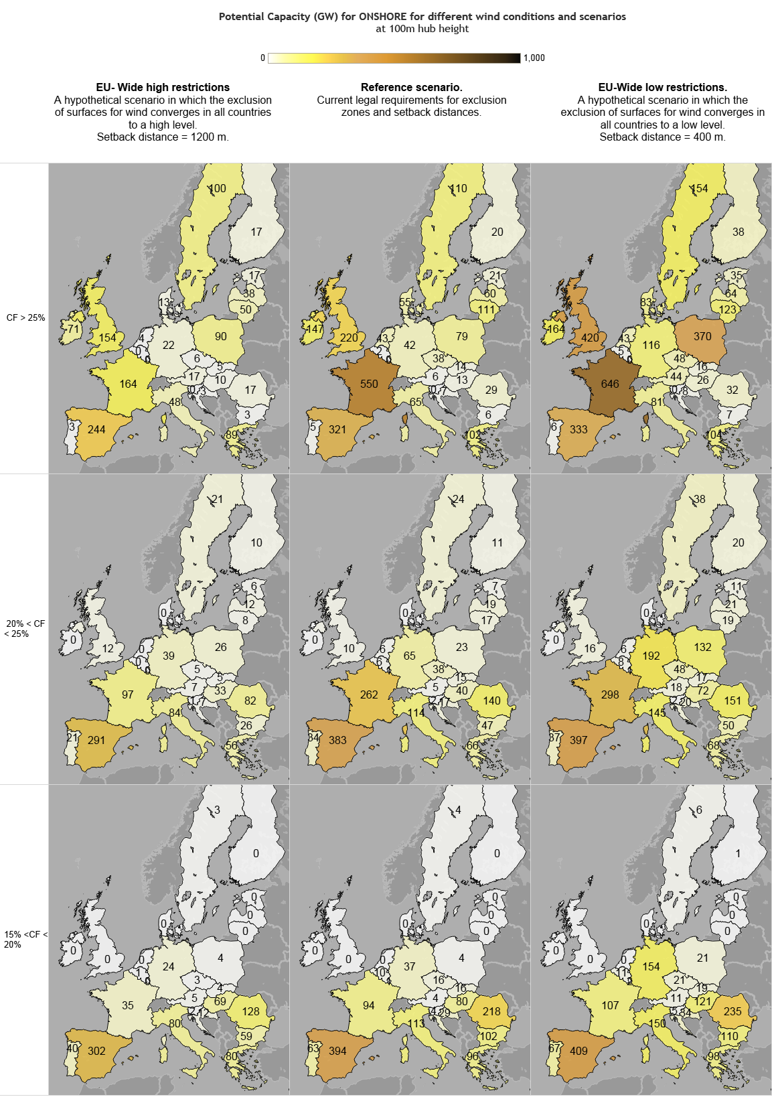

 | EU-Wide high restrictions |  |  | Reference - Large turbines |  |  | EU-Wide low restrictions |  |  | Average for all scenarios
[GW] | CF > 25% | 20% < CF < 25% | 15%< CF<20% | CF > 25% | 20% < CF < 25% | 15%< CF<20% | CF > 25% | 20% < CF < 25% | 15%< CF<20% | CF > 25% | 20% < CF < 25% | 15%< CF<20% | CF > 20% | Median of all surfaces | Top 10%
Austria | 17.2 | 7.2 | 5.4 | 5.9 | 5.1 | 4.0 | 44.3 | 17.9 | 11.1 | 29.7% | 22.5% | 17.5% | 27.6% | 21.2% | 34.4% | Austria
Belgium | 0.1 | 0.3 | 0.6 | 2.2 | 5.9 | 10.3 | 5.3 | 8.0 | 10.8 | 30.6% | 22.5% | 17.5% | 25.7% | 21.5% | 23.7% | Belgium
Bulgaria | 3.3 | 25.8 | 58.8 | 6.3 | 46.7 | 102.1 | 6.8 | 50.4 | 109.6 | 26.9% | 22.5% | 17.5% | 23.0% | 16.4% | 23.2% | Bulgaria
Croatia | 3.4 | 7.3 | 11.5 | 6.9 | 17.4 | 29.2 | 7.8 | 19.8 | 33.5 | 30.5% | 22.5% | 17.5% | 24.8% | 19.6% | 27.8% | Croatia
Cyprus | 0.0 | 1.2 | 2.9 | 0.0 | 1.9 | 4.5 | 0.0 | 3.2 | 7.5 | / | 22.5% | 17.5% | 22.5% | 14.8% | 22.5% | Cyprus
Czech Republic | 5.5 | 5.1 | 2.7 | 38.4 | 37.8 | 16.5 | 48.3 | 48.1 | 20.6 | 27.6% | 22.5% | 17.5% | 25.1% | 23.3% | 27.9% | Czech Republic
Denmark | 12.6 | 0.0 | 0.0 | 54.7 | 0.0 | 0.0 | 83.0 | 0.0 | 0.0 | 36.3% | 22.5% | 17.5% | 36.3% | 36.6% | 44.0% | Denmark
Estonia | 17.3 | 5.7 | 0.0 | 20.5 | 6.8 | 0.0 | 34.5 | 11.4 | 0.0 | 28.4% | 22.5% | 17.5% | 26.9% | 26.9% | 33.0% | Estonia
Finland | 16.8 | 9.6 | 0.5 | 19.7 | 11.0 | 0.5 | 38.1 | 19.8 | 0.7 | 28.8% | 22.5% | 17.5% | 26.7% | 28.1% | 35.9% | Finland
France | 164.5 | 96.6 | 34.9 | 550.4 | 262.5 | 93.6 | 645.6 | 298.2 | 107.4 | 29.5% | 22.5% | 17.5% | 27.3% | 24.9% | 31.8% | France
Germany | 22.3 | 39.2 | 24.5 | 42.2 | 64.8 | 37.1 | 116.4 | 191.9 | 154.3 | 29.4% | 22.5% | 17.5% | 25.1% | 20.2% | 25.3% | Germany
Greece | 89.3 | 56.1 | 79.7 | 102.3 | 66.1 | 95.7 | 104.4 | 67.5 | 98.0 | 32.5% | 22.5% | 17.5% | 28.6% | 20.9% | 35.4% | Greece
Hungary | 9.6 | 32.5 | 68.8 | 12.7 | 40.4 | 79.8 | 26.1 | 72.3 | 121.3 | 26.5% | 22.5% | 17.5% | 23.6% | 19.6% | 23.5% | Hungary
Ireland | 70.9 | 0.0 | 0.0 | 146.5 | 0.0 | 0.0 | 163.5 | 0.0 | 0.0 | 44.7% | 22.5% | 17.5% | 44.7% | 45.1% | 50.5% | Ireland
Italy | 48.0 | 83.6 | 80.1 | 64.5 | 113.8 | 113.2 | 81.1 | 144.9 | 150.0 | 28.0% | 22.5% | 17.5% | 24.5% | 15.2% | 26.6% | Italy
Latvia | 38.5 | 12.4 | 0.0 | 60.1 | 19.4 | 0.0 | 64.2 | 20.7 | 0.0 | 29.4% | 22.5% | 17.5% | 27.7% | 27.6% | 34.1% | Latvia
Lithuania | 49.7 | 7.6 | 0.0 | 111.2 | 17.1 | 0.0 | 123.4 | 18.9 | 0.0 | 29.7% | 22.5% | 17.5% | 28.7% | 28.9% | 33.9% | Lithuania
Luxembourg | 0.0 | 0.1 | 0.1 | 0.0 | 0.7 | 1.2 | 0.0 | 0.9 | 1.5 | / | 22.5% | 17.5% | 22.5% | 19.3% | 22.6% | Luxembourg
Malta | 0.0 | 0.0 | 0.0 | 0.038 | 0.012 | 0.000 | 0.1 | 0.0 | 0.0 | 28.7% | 22.5% | 17.5% | 27.2% | 26.8% | 32.8% | Malta
Netherlands | 3.5 | 0.3 | 0.0 | 43.3 | 5.5 | 0.0 | 43.3 | 5.5 | 0.0 | 32.2% | 22.5% | 17.5% | 31.1% | 31.3% | 36.7% | Netherlands
Poland | 90.1 | 26.4 | 4.3 | 78.8 | 22.8 | 3.8 | 370.0 | 132.3 | 20.9 | 28.3% | 22.5% | 17.5% | 26.8% | 25.4% | 29.8% | Poland
Portugal | 2.8 | 20.9 | 40.4 | 5.2 | 34.0 | 62.6 | 5.7 | 37.0 | 67.3 | 28.1% | 22.5% | 17.5% | 23.2% | 19.7% | 24.9% | Portugal
Romania | 16.7 | 82.5 | 128.0 | 29.2 | 139.7 | 217.7 | 31.7 | 150.9 | 235.5 | 26.4% | 22.5% | 17.5% | 23.2% | 16.8% | 23.2% | Romania
Slovakia | 4.8 | 5.1 | 4.4 | 14.2 | 15.1 | 15.9 | 16.3 | 17.4 | 18.7 | 27.0% | 22.5% | 17.5% | 24.7% | 19.5% | 25.2% | Slovakia
Slovenia | 0.1 | 0.8 | 1.7 | 0.4 | 2.1 | 4.3 | 0.5 | 2.4 | 5.1 | 26.5% | 22.5% | 17.5% | 23.1% | 12.8% | 24.5% | Slovenia
Spain | 244.3 | 291.0 | 302.4 | 321.4 | 383.0 | 393.9 | 333.3 | 397.4 | 409.1 | 28.1% | 22.5% | 17.5% | 25.1% | 20.3% | 30.5% | Spain
Sweden | 100.3 | 21.2 | 3.4 | 109.8 | 24.1 | 3.9 | 153.8 | 37.9 | 6.1 | 34.1% | 22.5% | 17.5% | 31.8% | 29.2% | 39.9% | Sweden
United Kingdom | 153.7 | 12.2 | 0.0 | 220.2 | 9.8 | 0.0 | 420.5 | 15.9 | 0.0 | 37.3% | 22.5% | 17.5% | 36.8% | 34.2% | 39.7% | United Kingdom
EU28 | 1185.2 | 850.9 | 854.9 | 2067.1 | 1353.3 | 1289.7 | 2967.8 | 1790.9 | 1589.0

OFFSHORE SUMMARY + graph
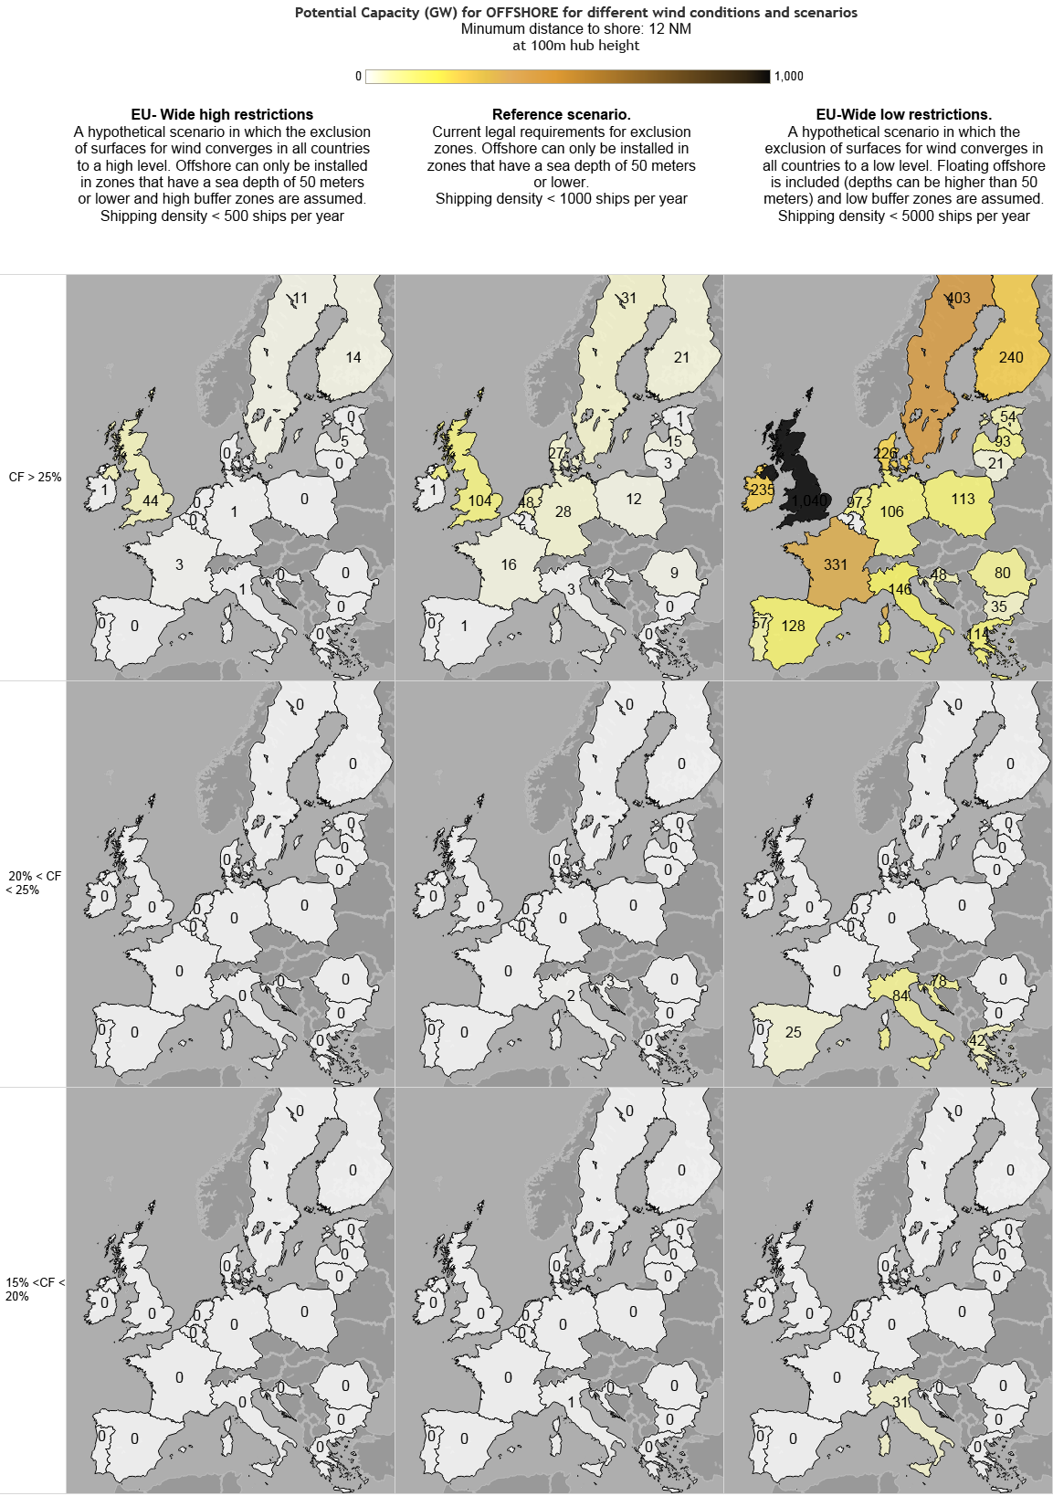
 | Table for offshore with capacity factor > 25%
 | EU-Wide high restrictions |  |  | Reference - Large turbines |  |  | EU-Wide low restrictions
[GW] | Water depth 60-100m Floating | Water depth 30-60m | Water depth 0-30m | Water depth 60-100m Floating | Water depth 30-60m | Water depth 0-30m | Water depth 100-1000m Floating | Water depth 60-100m Floating | Water depth 30-60m | Water depth 0-30m | 12nm zone, water depth 60-100m Floating | 12nm zone, water depth 30-60m | 12nm zone, water depth 0-30m | CF > 25% | Top 10%
Belgium | 0.0 | 0.0 | 0.0 | 0.0 | 0.1 | 1.7 | 0.0 | 0.0 | 0.1 | 0.2 | 0.0 | 0.0 | 1.5 | 46.9% | 49.8% | Belgium
Bulgaria | 0.0 | 0.0 | 0.0 | 0.0 | 0.4 | 0.0 | 27.0 | 11.5 | 1.3 | 0.0 | 3.4 | 12.5 | 6.7 | 33.7% | 36.1% | Bulgaria
Croatia | 0.0 | 0.3 | 0.0 | 0.0 | 2.1 | 0.0 | 20.2 | 7.2 | 8.6 | 0.2 | 12.9 | 12.9 | 6.1 | 27.5% | 28.8% | Croatia
Cyprus | 0.0 | 0.0 | 0.0 | 0.0 | 0.0 | 0.0 | 5.5 | 0.0 | 0.0 | 0.0 | 0.3 | 0.3 | 0.3 | 25.4% | 25.4% | Cyprus
Denmark | 0.0 | 0.0 | 0.0 | 0.0 | 22.3 | 5.0 | 9.4 | 18.6 | 81.3 | 29.0 | 5.0 | 7.8 | 84.4 | 47.1% | 52.5% | Denmark
Estonia | 0.0 | 0.2 | 0.0 | 0.0 | 1.2 | 0.1 | 8.4 | 6.5 | 7.2 | 1.0 | 8.6 | 12.9 | 17.6 | 45.8% | 48.7% | Estonia
Finland | 0.0 | 7.8 | 5.8 | 0.0 | 15.1 | 6.2 | 53.0 | 68.4 | 33.5 | 8.5 | 3.2 | 30.0 | 96.2 | 45.4% | 48.9% | Finland
France | 0.0 | 2.8 | 0.6 | 0.0 | 13.9 | 1.7 | 405.1 | 86.9 | 42.6 | 2.5 | 44.5 | 56.6 | 98.1 | 41.8% | 48.2% | France
Germany | 0.0 | 0.0 | 1.1 | 0.0 | 17.6 | 10.3 | 0.0 | 0.0 | 53.0 | 27.2 | 0.0 | 0.0 | 25.4 | 43.7% | 50.8% | Germany
Greece | 0.0 | 0.0 | 0.0 | 0.0 | 0.0 | 0.0 | 105.5 | 2.2 | 0.0 | 0.0 | 58.4 | 33.0 | 20.7 | 32.5% | 42.3% | Greece
Ireland | 0.0 | 0.8 | 0.0 | 0.0 | 1.0 | 0.0 | 592.4 | 98.1 | 5.1 | 0.0 | 59.9 | 45.5 | 26.7 | 52.7% | 55.8% | Ireland
Italy | 0.0 | 0.5 | 0.0 | 0.0 | 3.0 | 0.4 | 184.1 | 13.9 | 11.8 | 1.8 | 39.4 | 31.4 | 47.5 | 29.1% | 34.0% | Italy
Latvia | 0.0 | 4.5 | 0.2 | 0.0 | 12.8 | 2.2 | 40.2 | 16.3 | 32.3 | 4.1 | 0.1 | 15.1 | 25.6 | 46.4% | 48.8% | Latvia
Lithuania | 0.0 | 0.3 | 0.0 | 0.0 | 2.6 | 0.4 | 0.1 | 7.1 | 7.3 | 0.4 | 0.0 | 2.2 | 4.3 | 45.7% | 46.7% | Lithuania
Malta | 0.0 | 0.0 | 0.0 | 0.0 | 0.0 | 0.0 | 124.9 | 2.3 | 0.0 | 0.0 | 1.1 | 0.3 | 0.0 | 29.7% | 30.6% | Malta
Netherlands | 0.0 | 0.0 | 0.0 | 0.0 | 41.7 | 6.1 | 0.0 | 0.0 | 73.8 | 13.0 | 0.0 | 0.0 | 9.9 | 46.9% | 49.8% | Netherlands
Poland | 0.0 | 0.2 | 0.0 | 0.0 | 6.6 | 5.7 | 5.4 | 46.8 | 24.4 | 8.3 | 4.1 | 4.1 | 25.7 | 45.2% | 48.1% | Poland
Portugal | 0.0 | 0.0 | 0.0 | 0.0 | 0.0 | 0.0 | 57.6 | 7.2 | 0.1 | 0.0 | 18.7 | 20.1 | 11.1 | 33.9% | 38.6% | Portugal
Romania | 0.0 | 0.2 | 0.0 | 0.0 | 8.8 | 0.0 | 29.7 | 38.8 | 29.9 | 0.0 | 0.0 | 7.0 | 4.0 | 35.7% | 38.7% | Romania
Spain | 0.0 | 0.0 | 0.0 | 0.0 | 0.6 | 0.1 | 235.7 | 18.6 | 0.9 | 0.1 | 50.3 | 34.1 | 24.1 | 32.4% | 46.4% | Spain
Sweden | 0.0 | 7.5 | 3.4 | 0.0 | 21.1 | 10.0 | 151.9 | 106.7 | 69.7 | 17.5 | 44.8 | 74.9 | 89.1 | 44.0% | 49.7% | Sweden
United Kingdom | 0.0 | 30.4 | 13.6 | 0.0 | 56.9 | 46.7 | 968.2 | 452.5 | 128.7 | 62.1 | 153.5 | 146.3 | 96.5 | 48.6% | 55.6% | United Kingdom
EU28 | 0.0 | 55.4 | 24.7 | 0.0 | 227.6 | 96.6 | 3024.3 | 1009.7 | 611.7 | 175.8 | 508.2 | 546.8 | 721.4

OFFSHORE GIS output example
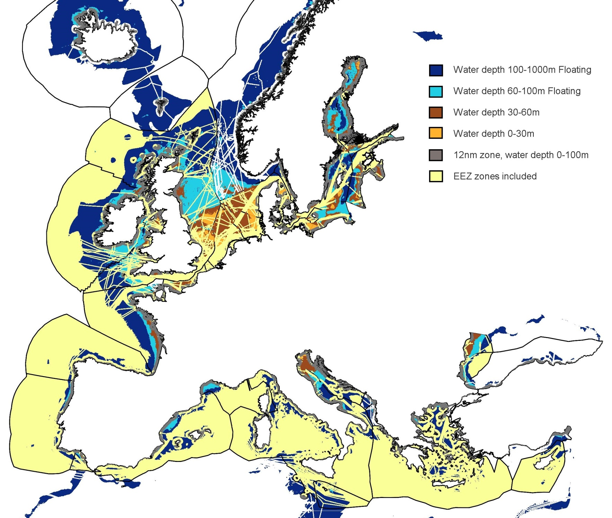
 | Table for offshore, all wind conditions
 | EU-Wide low restrictions
[km2] | Water depth 100-1000m Floating | Water depth 60-100m Floating | Water depth 30-60m | Water depth 0-30m | 12nm zone, water depth 60-100m Floating | 12nm zone, water depth 30-60m | 12nm zone, water depth 0-30m
Belgium | 0 | 0 | 29 | 33 | 0 | 0 | 308
Bulgaria | 5394 | 2294 | 266 | 0 | 685 | 2493 | 1344
Croatia | 10596 | 3790 | 4529 | 98 | 6746 | 6760 | 3193
Cyprus | 8354 | 0 | 0 | 0 | 456 | 420 | 408
Denmark | 1882 | 3711 | 16250 | 5798 | 996 | 1570 | 16874
Estonia | 1678 | 1291 | 1449 | 195 | 1723 | 2586 | 3521
Finland | 10600 | 13689 | 6695 | 1702 | 645 | 5995 | 19244
France | 81013 | 17385 | 8510 | 505 | 8902 | 11316 | 19617
Germany | 0 | 0 | 10606 | 5436 | 0 | 4 | 5079
Greece | 28872 | 612 | 4 | 1 | 15974 | 9020 | 5664
Ireland | 118487 | 19611 | 1026 | 0 | 11979 | 9093 | 5341
Italy | 65812 | 4974 | 4224 | 639 | 14091 | 11224 | 16977
Latvia | 8045 | 3256 | 6457 | 810 | 11 | 3016 | 5114
Lithuania | 19 | 1422 | 1455 | 77 | 0 | 431 | 859
Malta | 24986 | 469 | 0 | 0 | 222 | 61 | 5
Netherlands | 0 | 7 | 14766 | 2601 | 0 | 0 | 1977
Poland | 1076 | 9364 | 4884 | 1657 | 813 | 816 | 5133
Portugal | 11523 | 1442 | 23 | 0 | 3742 | 4017 | 2216
Romania | 5930 | 7750 | 5982 | 0 | 0 | 1395 | 801
Spain | 56236 | 4435 | 209 | 25 | 12002 | 8143 | 5753
Sweden | 30379 | 21346 | 13943 | 3497 | 8957 | 14975 | 17812
United Kingdom | 193649 | 90503 | 25740 | 12423 | 30709 | 29262 | 19300
EU28 | 664531 | 207351 | 127049 | 35496 | 118653 | 122595 | 156541

OFFSHORE by sea basin EU27
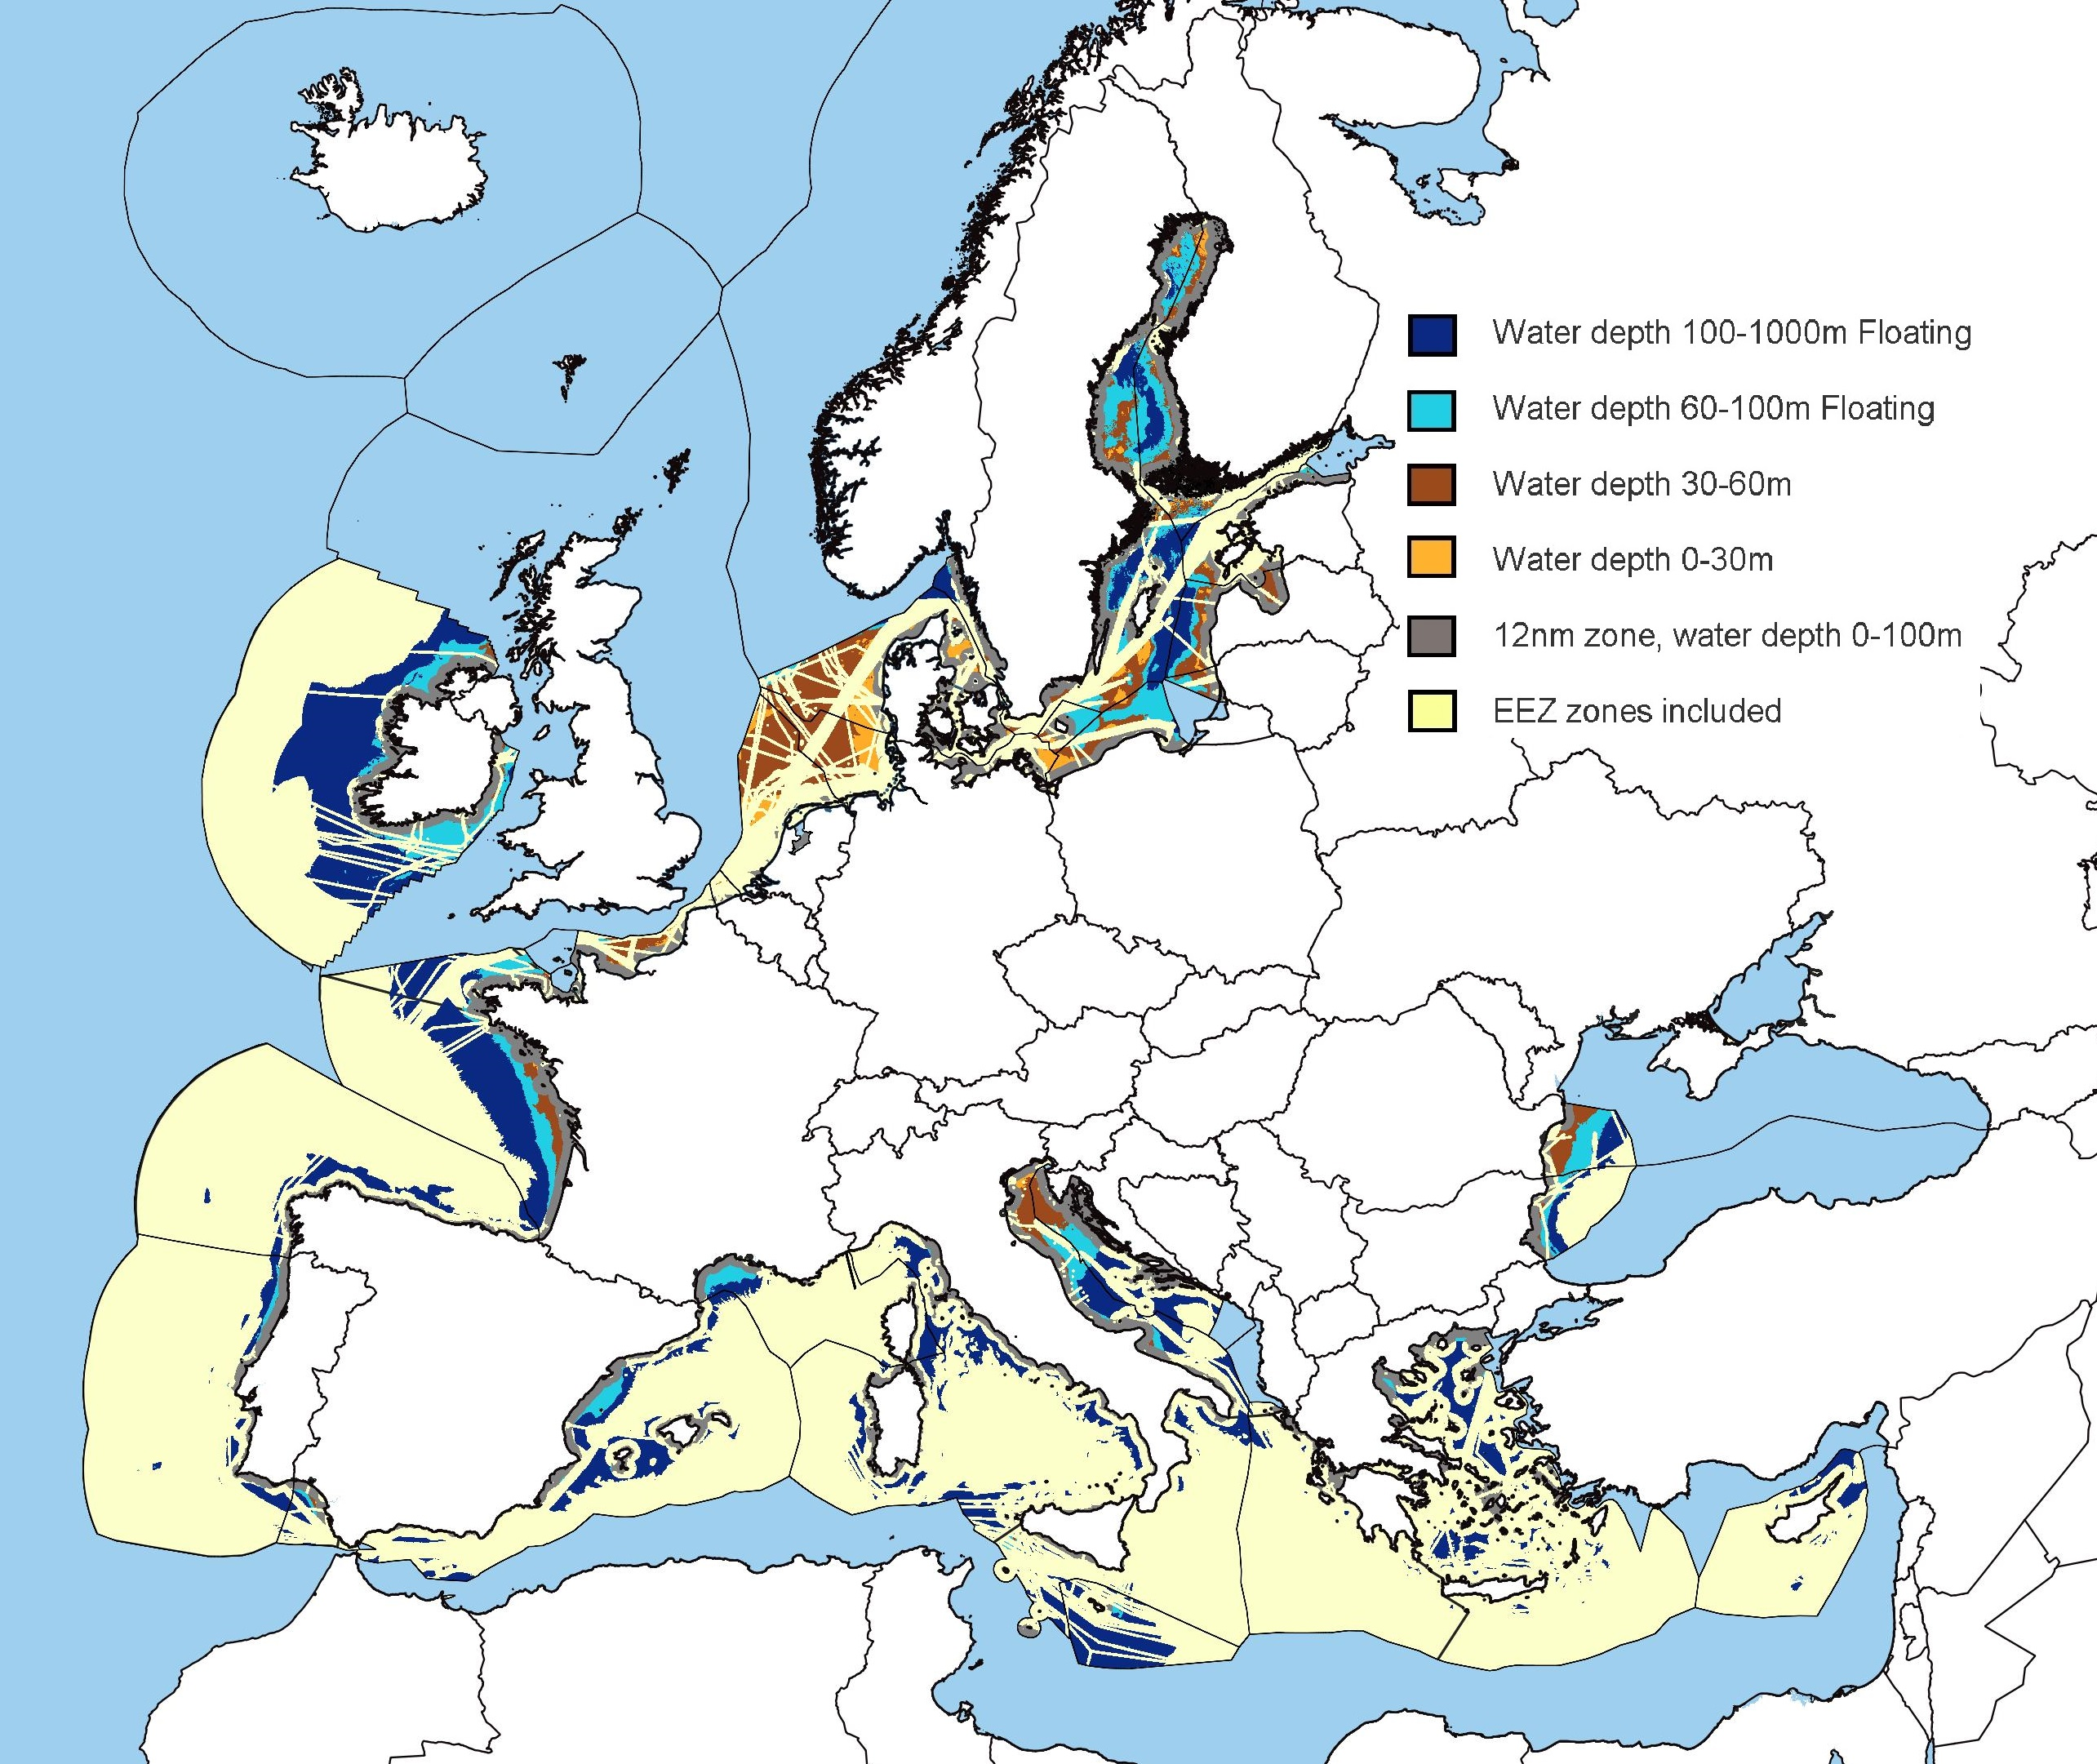
 |  | Table for offshore, all wind conditions
 |  | EU-Wide low restrictions
 | [GWe] | Water depth 100-1000m Floating | Water depth 60-100m Floating | Water depth 30-60m | Water depth 0-30m | 12nm zone | Total
 | North Sea, incl. the Kattegat and the English Channel | 21 | 9 | 222 | 63 | 122 | 437
 | Baltic | 194 | 264 | 177 | 49 | 501 | 1183
 | Atlantic Ocean (without North Sea) | 892 | 174 | 33 | 1 | 347 | 1447
 | Mediterranean Sea | 732 | 87 | 44 | 4 | 579 | 1445
 | Black Sea | 45 | 50 | 31 | 0 | 34 | 160
 | Total | 1884 | 584 | 507 | 115 | 1583

ID | name | [km2] | [km2] | [km2] | [km2] | [km2]
1 | Mediterranean Sea | 146322 | 17381 | 8764 | 738 | 115805
2 | North East Atlantic Ocean | 182586 | 36651 | 50975 | 12632 | 93903
3 | Baltic | 38740 | 52770 | 35335 | 9713 | 100125
4 | Black Sea | 9057 | 10043 | 6248 | 0 | 6709
5 | Black Sea - sea of Azov | 0 | 0 | 0 | 0 | 0
6 | Black Sea - sea of Marmara | 0 | 0 | 0 | 0 | 0
7 | Macaronesia | 0 | 0 | 0 | 0 | 0
8 | Adriatic Sea | 20885 | 8404 | 8700 | 737 | 33896
9 | Aegean-Levantine Sea | 27713 | 612 | 4 | 1 | 25559
10 | Bay of Biscay and the Iberian Coast | 73796 | 12364 | 5562 | 107 | 36061
11 | Greater North Sea, incl. the Kattegat and the English Channel | 4213 | 1838 | 44301 | 12522 | 24472
12 | Ionian Sea and the Central Mediterranean Sea | 30617 | 747 | 51 | 0 | 12038
13 | Western Mediterranean Sea | 67107 | 7618 | 9 | 0 | 44311
14 | Barents Sea | 0 | 0 | 0 | 0 | 0
15 | Iceland Sea | 0 | 0 | 0 | 0 | 0
16 | Norwegian Sea | 0 | 0 | 0 | 0 | 0
17 | White Sea | 0 | 0 | 0 | 0 | 0
18 | Celtic Seas | 104578 | 22450 | 1113 | 3 | 33370
19 | Celtic Seas - overlapping submissions to UNCLOS from UK and Kingdom of Denmark | 0 | 0 | 0 | 0 | 0
20 | No marine subregion assigned - outer limits of the continental shelf beyond 200 nm provided to UNCLOS by ES, FR, IE and UK | 0 | 0 | 0 | 0 | 0

https://www.eea.europa.eu/data-and-maps/data/europe-seas
Mind there is more seas than you think ; ) see https://www.eea.europa.eu/data-and-maps/figures/regional-ses-surrounding-europe-1

power curves
 | Turbine
 | V90 | V112 | V136
based on ---> | V90 | V112 | V136
 | V90 | V112 | V136
3 | 0 | 0.0084552845528 | 0.014202898551
4 | 0.025666666667 | 0.04325203252 | 0.064927536232
5 | 0.063333333333 | 0.098211382114 | 0.13913043478
6 | 0.11766666667 | 0.18016260163 | 0.2484057971
7 | 0.19366666667 | 0.29495934959 | 0.40057971014
8 | 0.29533333333 | 0.44715447154 | 0.59913043478
9 | 0.42433333333 | 0.63674796748 | 0.82579710145
10 | 0.57 | 0.8406504065 | 0.97652173913
11 | 0.715 | 0.97463414634 | 0.99971014493
12 | 0.848 | 0.99739837398 | 1
13 | 0.94566666667 | 1 | 1
14 | 0.98833333333 | 1 | 1
15 | 0.99833333333 | 1 | 1
16 | 1 | 1 | 1
17 | 1 | 1 | 1
18 | 1 | 1 | 1
19 | 1 | 1 | 1
20 | 1 | 1 | 1
21 | 1 | 1 | 1
22 | 1 | 1 | 1
23 | 1 | 1
24 | 1 | 1
25 | 1 | 1
Wind speed [m/s] | Normalized power output [-] | Normalized power output [-] | Normalized power output [-]
3 | 0 | 0.0084552845528 | 0.014202898551
4 | 0.025666666667 | 0.04325203252 | 0.064927536232
5 | 0.063333333333 | 0.098211382114 | 0.13913043478
6 | 0.11766666667 | 0.18016260163 | 0.2484057971
7 | 0.19366666667 | 0.29495934959 | 0.40057971014
8 | 0.29533333333 | 0.44715447154 | 0.59913043478
9 | 0.42433333333 | 0.63674796748 | 0.82579710145
10 | 0.57 | 0.8406504065 | 0.97652173913
11 | 0.715 | 0.97463414634 | 0.99971014493
12 | 0.848 | 0.99739837398 | 1
13 | 0.94566666667 | 1 | 1
14 | 0.98833333333 | 1 | 1
15 | 0.99833333333 | 1 | 1
16 | 1 | 1 | 1
17 | 1 | 1 | 1
18 | 1 | 1 | 1
19 | 1 | 1 | 1
20 | 1 | 1 | 1
21 | 1 | 1 | 1
22 | 1 | 1 | 1
23 | 1 | 1
24 | 1 | 1
25 | 1 | 1

