Regions
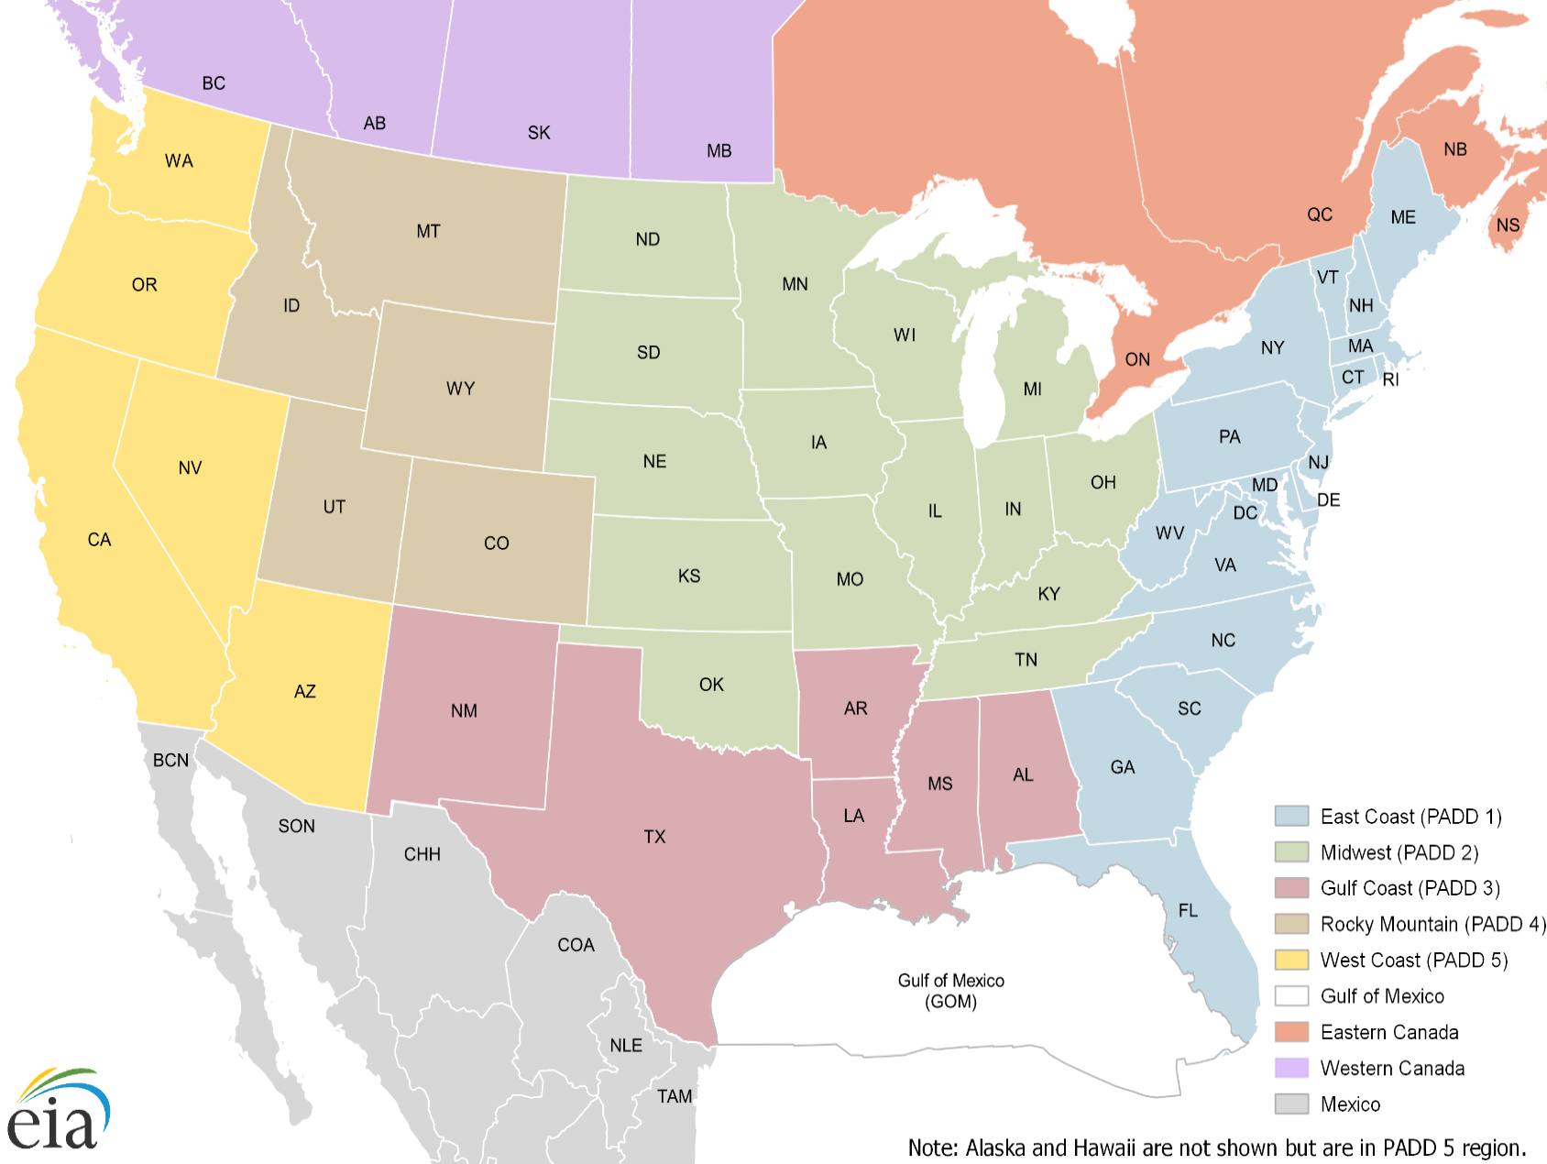
State Name | State | PADD | Region
Alabama | AL | PADD 3 | Gulf Coast
Alaska | AK | PADD 5 | West Coast
Arizona | AZ | PADD 5 | West Coast
Arkansas | AR | PADD 3 | Gulf Coast
California | CA | PADD 5 | West Coast
Colorado | CO | PADD 4 | Rocky Mountain
Connecticut | CT | PADD 1 | East Coast
Delaware | DE | PADD 1 | East Coast
District of Columbia | DC | PADD 1 | East Coast
Florida | FL | PADD 1 | East Coast
Georgia | GA | PADD 1 | East Coast
Gulf of Mexico | GM | Offshore | Offshore
Hawaii | HI | PADD 5 | West Coast
Idaho | ID | PADD 4 | Rocky Mountain
Illinois | IL | PADD 2 | Midwest
Indiana | IN | PADD 2 | Midwest
Iowa | IA | PADD 2 | Midwest
Kansas | KS | PADD 2 | Midwest
Kentucky | KY | PADD 2 | Midwest
Louisiana | LA | PADD 3 | Gulf Coast
Maine | ME | PADD 1 | East Coast
Maryland | MD | PADD 1 | East Coast
Massachusetts | MA | PADD 1 | East Coast
Michigan | MI | PADD 2 | Midwest
Minnesota | MN | PADD 2 | Midwest
Mississippi | MS | PADD 3 | Gulf Coast
Missouri | MO | PADD 2 | Midwest
Montana | MT | PADD 4 | Rocky Mountain
Nebraska | NE | PADD 2 | Midwest
Nevada | NV | PADD 5 | West Coast
New Hampshire | NH | PADD 1 | East Coast
New Jersey | NJ | PADD 1 | East Coast
New Mexico | NM | PADD 3 | Gulf Coast
New York | NY | PADD 1 | East Coast
North Carolina | NC | PADD 1 | East Coast
North Dakota | ND | PADD 2 | Midwest
Ohio | OH | PADD 2 | Midwest
Oklahoma | OK | PADD 2 | Midwest
Oregon | OR | PADD 5 | West Coast
Pennsylvania | PA | PADD 1 | East Coast
Rhode Island | RI | PADD 1 | East Coast
South Carolina | SC | PADD 1 | East Coast
South Dakota | SD | PADD 2 | Midwest
Tennessee | TN | PADD 2 | Midwest
Texas | TX | PADD 3 | Gulf Coast
Utah | UT | PADD 4 | Rocky Mountain
Vermont | VT | PADD 1 | East Coast
Virginia | VA | PADD 1 | East Coast
Washington | WA | PADD 5 | West Coast
West Virginia | WV | PADD 1 | East Coast
Wisconsin | WI | PADD 2 | Midwest
Wyoming | WY | PADD 4 | Rocky Mountain
Alberta | AB | Western Canada | Western Canada
British Columbia | BC | Western Canada | Western Canada
Manitoba | MB | Western Canada | Western Canada
New Brunswick | NB | Eastern Canada | Eastern Canada
Nova Scotia | NS | Eastern Canada | Eastern Canada
Ontario | ON | Eastern Canada | Eastern Canada
Quebec | QC | Eastern Canada | Eastern Canada
Saskatchewan | SK | Western Canada | Western Canada
Baja California | BCN | Mexico | Mexico
Chihuahua | CHH | Mexico | Mexico
Coahuila | COA | Mexico | Mexico
Nuevo León | NLE | Mexico | Mexico
Sonora | SON | Mexico | Mexico
Tamaulipas | TAM | Mexico | Mexico

