BOM V2
 | For TinyCamML with PCB board
Parts | Price ($) | Picture | Link | Notes

Main Components
5W 5V solar system | 99 | 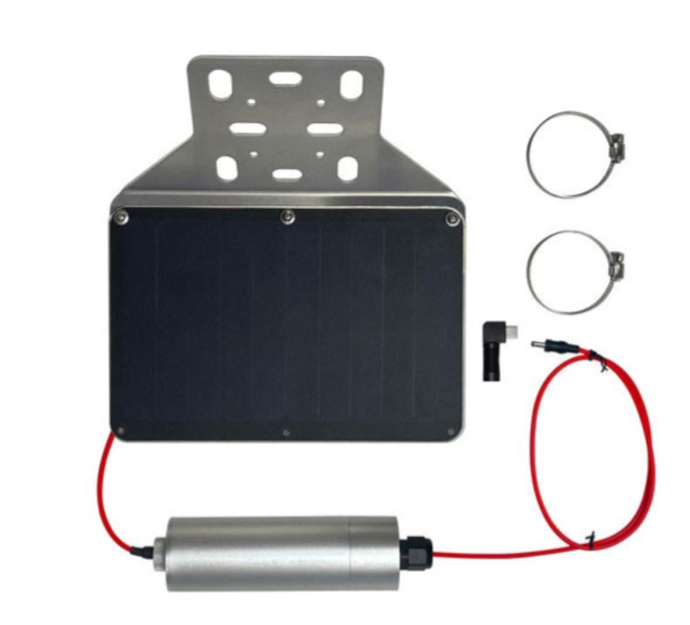 | https://voltaicsystems.com/5-watt-5-volt-35wh-solar-system/
OpenMV Cam H7 Plus | 85 | 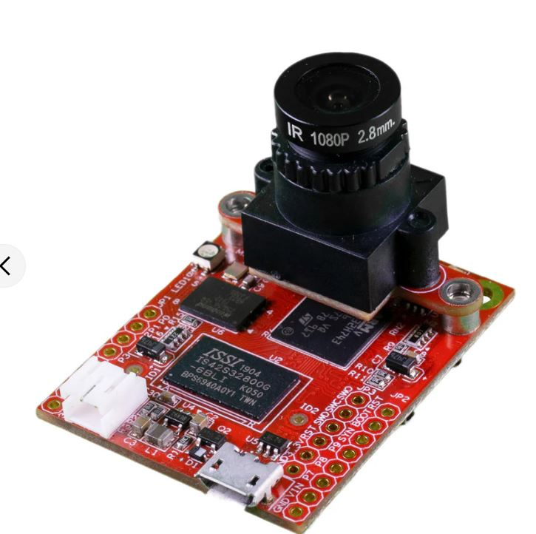 | https://openmv.io/products/openmv-cam-h7-plus
Micro SD card | 10.94 |  | https://www.amazon.com/Samsung-Plus-Micro-Memory-Adapter/dp/B07349L1WS/ref=sxts_b2b_ccp_search_w_op?content-id=amzn1.sym.df2081bd-b9c5-41f7-ae97-6c056112b3d5%3Aamzn1.sym.df2081bd-b9c5-41f7-ae97-6c056112b3d5&crid=862ECJNIXIK0&cv_ct_cx=samsung+evo+micro+sd&dib=eyJ2IjoiMSJ9.fMVgyAeLQX27j03RQv3hqHsvaDQHY2ISQbUgIByFqRjnMEth4dMb-vYCNjBSB7TnemIOdxEW2HPXkicLqMrcZ7xEXDkz1AEW8xSvgJ_B2D4.HeI44xT4EYQYVCuCi3J__wAMOyhJB2TSUV3jmobJmIU&dib_tag=se&keywords=samsung+evo+micro+sd&pd_rd_i=B07349L1WS&pd_rd_r=4f3a8ff5-89fb-436b-89e0-455c09bc395f&pd_rd_w=QLDHd&pd_rd_wg=iNvSB&pf_rd_p=df2081bd-b9c5-41f7-ae97-6c056112b3d5&pf_rd_r=WX0XB4A0Q443VYM0EM9Z&qid=1718905917&sbo=RZvfv%2F%2FHxDF%2BO5021pAnSA%3D%3D&sprefix=samsung+evo+micro%2Caps%2C100&sr=1-4-d27bdacb-ad14-3372-97fb-5f5070035007 | Needed for the OpenMV
Particle Boron | 48.95 | 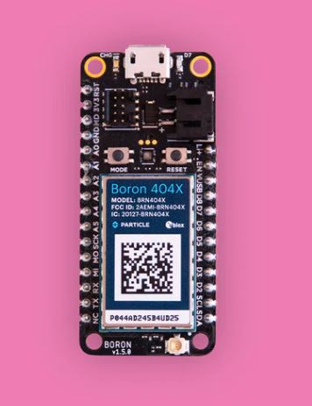 | https://store.particle.io/products/boron-lte-cat-m1-noram-with-ethersim-4th-gen
Custom TinyCamML PCB Board | 9.85 |  | https://github.com/TinyCamML/TinyCamML/tree/main/hardware/PCB | can order from oshpark.com
N Channel MosFET switch 30V/60a | 2.25 | 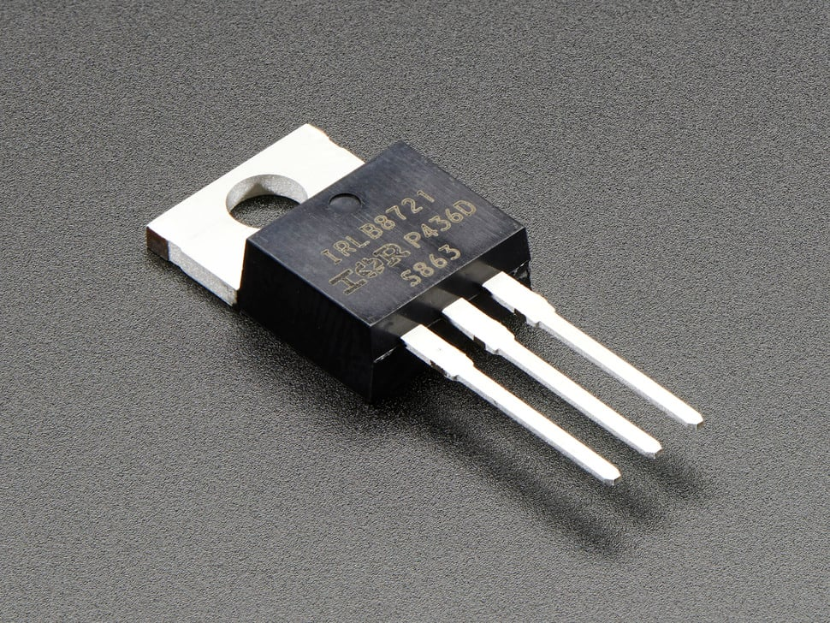 | https://www.adafruit.com/product/355
Resistors | 8.49 | 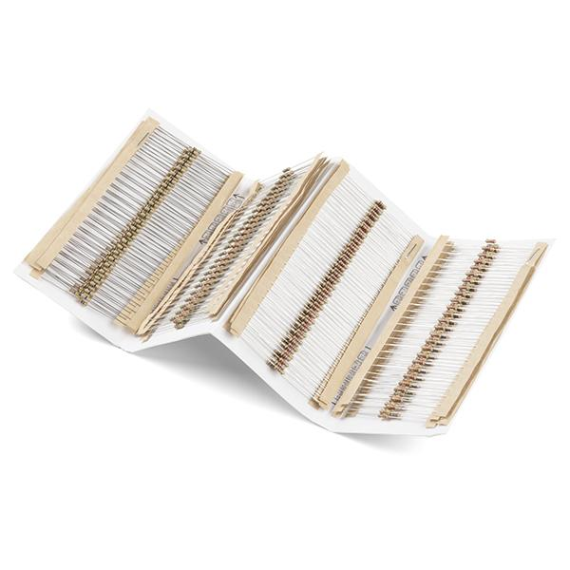 | https://www.sparkfun.com/products/10969
Switch slide | 0.44 | 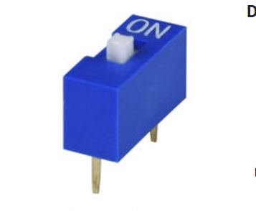 | https://a.co/d/dqLmGOT | https://www.digikey.com/en/products/detail/same-sky-formerly-cui-devices/ds01-254-s-01be/11310868
Power jack for barrel plug | 0.79 | 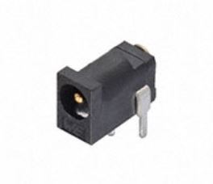 | https://www.digikey.com/en/products/detail/w%C3%BCrth-elektronik/694102303002/5047520?s=N4IgTCBcDaIOwGYwFYCcYwDsAmIC6AvkA
16 piece female headers | 0.82 |  | https://www.digikey.com/en/products/detail/sullins-connector-solutions/PPTC161LFBN-RC/810154
12 piece female header | 0.67 |  | https://www.digikey.com/en/products/detail/sullins-connector-solutions/PPTC121LFBN-RC/807231
Polycase WH-02-02 Clear | 21.03 | 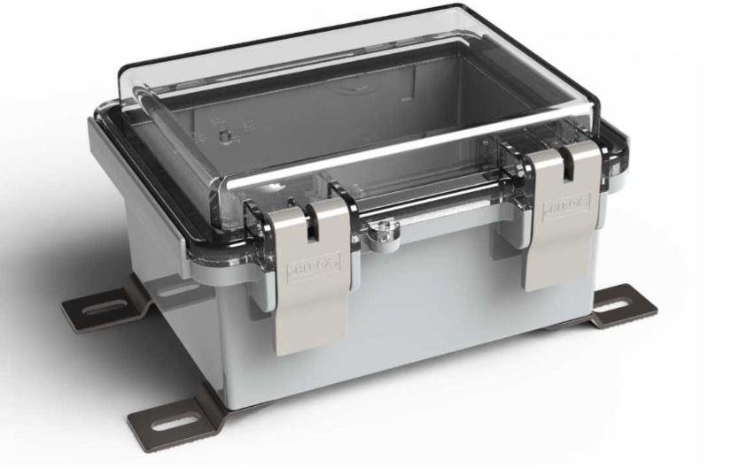 | https://www.polycase.com/wh-02?gad_source=1&gclid=CjwKCAjwvvmzBhA2EiwAtHVrb_OpcvdUoyXntZWX2MLw8V968miRyHnMgBHbNHssUm7vO2qbrtwvYRoCEqQQAvD_BwE | assembly includes gasketed enclosure, 4 external mounting feet, and 4 screws
PG-9 size cable gland | 1.95 | 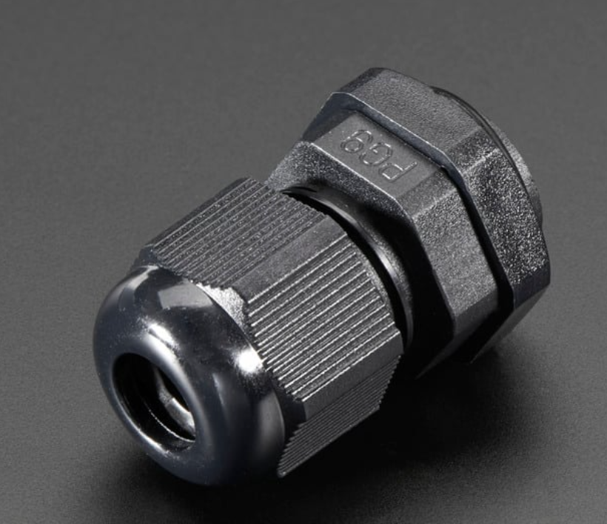 | https://www.adafruit.com/product/761
3D Printed Parts
For mounting the external housing: | 59.7 |  | https://formlabs.com/store/materials/tough-2000-resin/
XY Bracket |  | 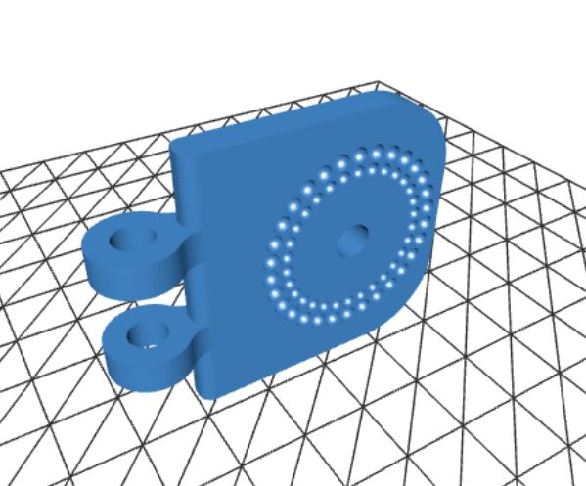 | https://github.com/TinyCamML/Boron-and-OpenMV/blob/main/hardware/3D_Printed_Parts/XY_part%20_v4.stl
Extender |  |  | https://github.com/TinyCamML/Boron-and-OpenMV/tree/main/hardware/3D_Printed_Parts
Polycase Mount |  | 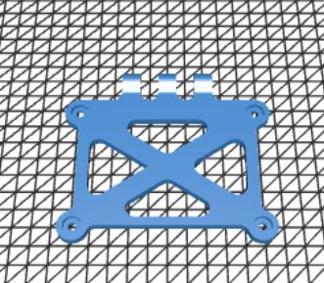 | https://github.com/TinyCamML/Boron-and-OpenMV/blob/main/hardware/polycase_mount_v5.stl
Solar Panel mount |  | 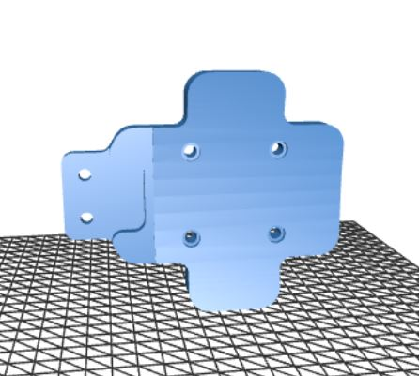 | https://github.com/TinyCamML/Boron-and-OpenMV/blob/main/hardware/3D_Printed_Parts/solar_panel_mount_v4.stl
Visor (optional) |  | 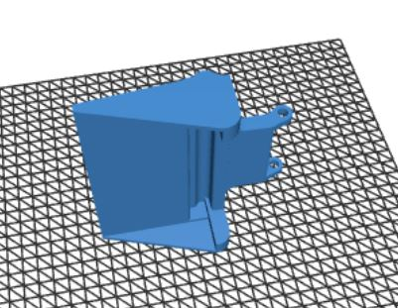 | https://github.com/TinyCamML/Boron-and-OpenMV/blob/main/hardware/3D_Printed_Parts/visor.stl
For mounting internal electronics:
Antenna Mount |  |  | https://github.com/TinyCamML/Boron-and-OpenMV/blob/main/hardware/3D_Printed_Parts/antenna_mount_v4.stl
Baseplate |  | 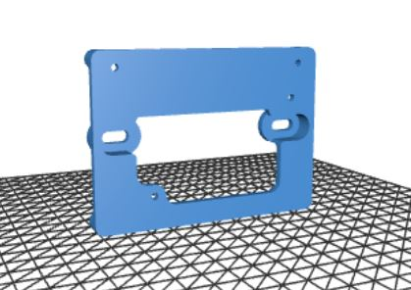 | https://github.com/TinyCamML/TinyCamML/blob/main/hardware/3D_Printed_Parts/baseplate_pcb_final.stl
Physical hardware
For the mount + housing:
1/4-in x 2-1/2-in Stainless Coarse Thread Hex Bolt | 0.3268 |  | https://www.mcmaster.com/catalog/130/3587/92198A552
1/4-in x 20 Stainless Steel Stainless Steel Nylon Insert Nut | 0.1254 |  | https://www.mcmaster.com/catalog/130/3644/91831A029
18-8 Stainless Steel Socket Head Screw, M5 x 0.8 mm Thread, 20 mm Long | 1.1662 |  | https://www.mcmaster.com/catalog/130/3558/91292A128
18-8 Stainless Steel Hex Nut M5 x 0.8 mm Thread | 0.6839 |  | https://www.mcmaster.com/catalog/130/3634/91828A241
4-40 Thread Size, 3/8" Long socket head screw | 0.2336 |  | https://www.mcmaster.com/92196A108/
M4 x 8mm Phillips thread rolling screws | 0.4112 |  | https://www.mcmaster.com/catalog/130/3444/90116A205
4-40 nuts | 0.1556 |  | https://www.mcmaster.com/91841A005/
#8-16 x .31” screws | 0 |  |  | comes with the polycase
Miscellaneous
Hoseclamps
Jumper cables | 3.9 |  | https://www.adafruit.com/product/1950 and https://www.adafruit.com/product/1953 | for connecting all electronics together
Dessicant pack | 0.1798 |  | https://www.amazon.com/Dry-Premium-Packets-Desiccant-Dehumidifiers/dp/B00DYKTS9C/ref=sr_1_6?dib=eyJ2IjoiMSJ9.UgC2AXJHvwP6HpU8qEQq2m5zbNc1ZCxuhZaalhmNUHy0t1Aj_uhYie7eF-fQcaJZ--88qsc8jAPfSJ6AQus00uHTM05QcbPIL7O_I2yr-uQUI19a1GpRryS3HhfT2SW-yVb57MXxCFxxiMivsW-cPOnP8T7c4a53U30kRwga_0Lv6jcBceiauCq30L35W_fj9GibfM9Zh1B-5voSB1vBqaEdFiDjqkcvctXkUXcV3P0.N9AnV1Z3IYjdLKbIqAtTM0-a2nl_ZW7l5Zx3Kbthomo&dib_tag=se&hvadid=695574715858&hvdev=c&hvlocphy=9010074&hvnetw=g&hvqmt=e&hvrand=3070380149048546802&hvtargid=kwd-2119039394047&hydadcr=19822_13418612&keywords=desiccate%2Bpacket&qid=1731681674&sr=8-6&th=1
O-ring grease | 1.49 |  | https://www.amazon.com/Ring-Grease-Waterproof-Insulating-Smoothness/dp/B0DKTPFCHC/ref=sr_1_19?dib=eyJ2IjoiMSJ9.Cmb4ot5WSCPX33Uz6EAgFMgQKyjSXKx9WspEo-XLLHYpsabgvlEHgjZZcogQkDz74oYIEYYP9148maI4k8iyKN3hZeH7pIsb0Oa1cqVdf7m0dsS2ls5QnrI3URrJWfzPtBGKaxi6KjOdKOlZBFN29AWNbjhmVWMu4Y7S4e8qZbb8pDkraehrNgEzADy096P0ypIYKaN0tqc699wycUBAaOnAvkw7I7vS-HJQ4bAKKTw.uWBz2W1NbIZFkBuW1wt9ya1SzAFNjp98c3tpSlrxeLo&dib_tag=se&hvadid=616863385083&hvdev=c&hvlocphy=9010074&hvnetw=g&hvqmt=e&hvrand=14174367589397165192&hvtargid=kwd-4331971250&hydadcr=24662_13611802&keywords=o+ring+grease&qid=1731681817&sr=8-19
Sum | 358.5525

BOM V1
 | For TinyCamML without PCB board
Parts | Quantity Needed to build one | Picture | Link | Notes

Main Components
5W 5V solar system | 1 |  | https://voltaicsystems.com/5-watt-5-volt-35wh-solar-system/
Female 3.5x1.1mm - MicroUSB | 1 | 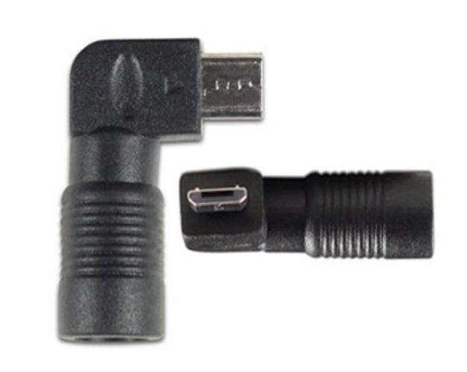 | https://voltaicsystems.com/A101
OpenMV Cam H7 Plus | 1 |  | https://openmv.io/products/openmv-cam-h7-plus
Micro SD card | 1 |  | https://www.amazon.com/Samsung-Plus-Micro-Memory-Adapter/dp/B07349L1WS/ref=sxts_b2b_ccp_search_w_op?content-id=amzn1.sym.df2081bd-b9c5-41f7-ae97-6c056112b3d5%3Aamzn1.sym.df2081bd-b9c5-41f7-ae97-6c056112b3d5&crid=862ECJNIXIK0&cv_ct_cx=samsung+evo+micro+sd&dib=eyJ2IjoiMSJ9.fMVgyAeLQX27j03RQv3hqHsvaDQHY2ISQbUgIByFqRjnMEth4dMb-vYCNjBSB7TnemIOdxEW2HPXkicLqMrcZ7xEXDkz1AEW8xSvgJ_B2D4.HeI44xT4EYQYVCuCi3J__wAMOyhJB2TSUV3jmobJmIU&dib_tag=se&keywords=samsung+evo+micro+sd&pd_rd_i=B07349L1WS&pd_rd_r=4f3a8ff5-89fb-436b-89e0-455c09bc395f&pd_rd_w=QLDHd&pd_rd_wg=iNvSB&pf_rd_p=df2081bd-b9c5-41f7-ae97-6c056112b3d5&pf_rd_r=WX0XB4A0Q443VYM0EM9Z&qid=1718905917&sbo=RZvfv%2F%2FHxDF%2BO5021pAnSA%3D%3D&sprefix=samsung+evo+micro%2Caps%2C100&sr=1-4-d27bdacb-ad14-3372-97fb-5f5070035007 | Needed for the OpenMV
Particle Boron | 1 |  | https://store.particle.io/products/boron-lte-cat-m1-noram-with-ethersim-4th-gen
N Channel MosFET switch 30V/60a | 1 |  | https://www.adafruit.com/product/355
1 in x 1 in Protoboard | 1 | 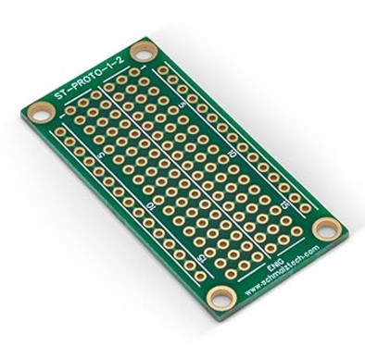 | https://www.amazon.com/gp/product/B0BK76L5BD/ref=ox_sc_act_title_1?smid=A3M1L3DLN3L91I&psc=1 | This ones' rows are not shorted so in future orders, I'd recommend a different one
Resistors | 1 10k ohm resistor |  | https://www.sparkfun.com/products/10969
Polycase WH-02-02 Clear | 1 |  | https://www.polycase.com/wh-02?gad_source=1&gclid=CjwKCAjwvvmzBhA2EiwAtHVrb_OpcvdUoyXntZWX2MLw8V968miRyHnMgBHbNHssUm7vO2qbrtwvYRoCEqQQAvD_BwE | assembly includes gasketed enclosure, 4 external mounting feet, and 4 screws
PG-9 size cable gland | 1 |  | https://www.adafruit.com/product/761
3D Printed Parts
For mounting the external housing: |  |  | https://formlabs.com/store/materials/tough-2000-resin/
XY Bracket | 1 |  | https://github.com/TinyCamML/Boron-and-OpenMV/blob/main/hardware/3D_Printed_Parts/XY_part%20_v4.stl
Extender | 1 |  | https://github.com/TinyCamML/Boron-and-OpenMV/tree/main/hardware/3D_Printed_Parts
Polycase Mount | 1 |  | https://github.com/TinyCamML/Boron-and-OpenMV/blob/main/hardware/polycase_mount_v5.stl
Solar Panel mount | 1 |  | https://github.com/TinyCamML/Boron-and-OpenMV/blob/main/hardware/3D_Printed_Parts/solar_panel_mount_v4.stl
Visor | 1 - optional |  | https://github.com/TinyCamML/Boron-and-OpenMV/blob/main/hardware/3D_Printed_Parts/visor.stl
For mounting internal electronics:
Antenna Mount | 1 |  | https://github.com/TinyCamML/Boron-and-OpenMV/blob/main/hardware/3D_Printed_Parts/antenna_mount_v4.stl
Baseplate | 1 | 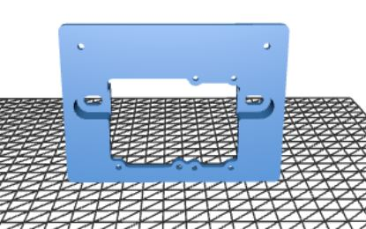 | https://github.com/TinyCamML/Boron-and-OpenMV/blob/main/hardware/3D_Printed_Parts/baseplate_v6.stl
Physical hardware
For the mount + housing:
1/4-in x 2-1/2-in Stainless Coarse Thread Hex Bolt | 1 |  | https://www.mcmaster.com/catalog/130/3587/92198A552
1/4-in x 20 Stainless Steel Stainless Steel Nylon Insert Nut | 1 |  | https://www.mcmaster.com/catalog/130/3644/91831A029
18-8 Stainless Steel Socket Head Screw, M5 x 0.8 mm Thread, 20 mm Long | 7 |  | https://www.mcmaster.com/catalog/130/3558/91292A128
18-8 Stainless Steel Hex Nut M5 x 0.8 mm Thread | 7 |  | https://www.mcmaster.com/catalog/130/3634/91828A241
M4 x 8mm Phillips thread rolling screws | 2 |  | https://www.mcmaster.com/catalog/130/3444/90116A205 | 2 for internal mount
4-40 Thread Size, 3/8" Long socket head screw | 2 |  | https://www.mcmaster.com/92196A108/ | 2 for anntenna mount
4-40 nuts | 2 |  | https://www.mcmaster.com/91841A005/
#8-16 x .31” screws | 4 |  |  | comes with the polycase
For mounting electronics:
M3 x 10 mm + 6 mm standoffs | 2 |  | https://www.amazon.com/HELIFOUNER-Standoffs-Assortment-Threaded-Motherboard/dp/B0B7SN13YR/ref=sr_1_1_sspa?crid=2FNHV8EAD30HT&dib=eyJ2IjoiMSJ9.OKJv_8474kgF2PNegHD41URb67P94nzJ_EPWJGSzMUISiMMts4EkEqGJ-3-39iaU74PXNElRDUcyxbO3gmyoKSu1VvATF4NV4smnTwm7mxaFqk4sRFVbvULgoDL0MLm9Fe5RqfEKRHc2yfVYWvzkbsASZZNDiH_DQOpzFU3a98lDKVlmnCwuVo2eM9Rf1RiSR9uLeGIciC0CipYV-OjgtSXcVVwgar5Ge4YQI6iMCvXxxUrl6RhVrwGHc9BMUHX1ifFtR0Mg-IlBBkNkUEIPvTblV1g5cV_UsF0OfOz0ieA.L5tKWGx9ev36aBsncfp-aGQwT63xFNAN5adlkJSgfB8&dib_tag=se&keywords=HELIFOUNER%2B422%2BPieces%2BM2%2BM2.5%2BM3%2BMale%2BFemale%2BHex%2BBrass%2BSpacers%2BStandoffs%2BScrews%2BNuts%2BAssortment%2BKit%2C%2BThreaded%2BPillar%2Bfor%2BPrinted%2BCircuit%2BBoard%2BMotherboard&qid=1721677270&s=industrial&sprefix=helifouner%2B422%2Bpieces%2Bm2%2Bm2.5%2Bm3%2Bmale%2Bfemale%2Bhex%2Bbrass%2Bspacers%2Bstandoffs%2Bscrews%2Bnuts%2Bassortment%2Bkit%2C%2Bthreaded%2Bpillar%2Bfor%2Bprinted%2Bcircuit%2Bboard%2Bmotherboard%2Cindustrial%2C81&sr=1-1-spons&sp_csd=d2lkZ2V0TmFtZT1zcF9hdGY&th=1 | for mounting the mini protoboard for voltage divider to baseplate
M3 x 6 mm screws | 2 |  | https://www.amazon.com/HELIFOUNER-Standoffs-Assortment-Threaded-Motherboard/dp/B0B7SN13YR/ref=sr_1_1_sspa?crid=2FNHV8EAD30HT&dib=eyJ2IjoiMSJ9.OKJv_8474kgF2PNegHD41URb67P94nzJ_EPWJGSzMUISiMMts4EkEqGJ-3-39iaU74PXNElRDUcyxbO3gmyoKSu1VvATF4NV4smnTwm7mxaFqk4sRFVbvULgoDL0MLm9Fe5RqfEKRHc2yfVYWvzkbsASZZNDiH_DQOpzFU3a98lDKVlmnCwuVo2eM9Rf1RiSR9uLeGIciC0CipYV-OjgtSXcVVwgar5Ge4YQI6iMCvXxxUrl6RhVrwGHc9BMUHX1ifFtR0Mg-IlBBkNkUEIPvTblV1g5cV_UsF0OfOz0ieA.L5tKWGx9ev36aBsncfp-aGQwT63xFNAN5adlkJSgfB8&dib_tag=se&keywords=HELIFOUNER%2B422%2BPieces%2BM2%2BM2.5%2BM3%2BMale%2BFemale%2BHex%2BBrass%2BSpacers%2BStandoffs%2BScrews%2BNuts%2BAssortment%2BKit%2C%2BThreaded%2BPillar%2Bfor%2BPrinted%2BCircuit%2BBoard%2BMotherboard&qid=1721677270&s=industrial&sprefix=helifouner%2B422%2Bpieces%2Bm2%2Bm2.5%2Bm3%2Bmale%2Bfemale%2Bhex%2Bbrass%2Bspacers%2Bstandoffs%2Bscrews%2Bnuts%2Bassortment%2Bkit%2C%2Bthreaded%2Bpillar%2Bfor%2Bprinted%2Bcircuit%2Bboard%2Bmotherboard%2Cindustrial%2C81&sr=1-1-spons&sp_csd=d2lkZ2V0TmFtZT1zcF9hdGY&th=1 | for mounting the mini protoboard for voltage divider to baseplate
M3 nuts | 2 |  | https://www.amazon.com/HELIFOUNER-Standoffs-Assortment-Threaded-Motherboard/dp/B0B7SN13YR/ref=sr_1_1_sspa?crid=2FNHV8EAD30HT&dib=eyJ2IjoiMSJ9.OKJv_8474kgF2PNegHD41URb67P94nzJ_EPWJGSzMUISiMMts4EkEqGJ-3-39iaU74PXNElRDUcyxbO3gmyoKSu1VvATF4NV4smnTwm7mxaFqk4sRFVbvULgoDL0MLm9Fe5RqfEKRHc2yfVYWvzkbsASZZNDiH_DQOpzFU3a98lDKVlmnCwuVo2eM9Rf1RiSR9uLeGIciC0CipYV-OjgtSXcVVwgar5Ge4YQI6iMCvXxxUrl6RhVrwGHc9BMUHX1ifFtR0Mg-IlBBkNkUEIPvTblV1g5cV_UsF0OfOz0ieA.L5tKWGx9ev36aBsncfp-aGQwT63xFNAN5adlkJSgfB8&dib_tag=se&keywords=HELIFOUNER%2B422%2BPieces%2BM2%2BM2.5%2BM3%2BMale%2BFemale%2BHex%2BBrass%2BSpacers%2BStandoffs%2BScrews%2BNuts%2BAssortment%2BKit%2C%2BThreaded%2BPillar%2Bfor%2BPrinted%2BCircuit%2BBoard%2BMotherboard&qid=1721677270&s=industrial&sprefix=helifouner%2B422%2Bpieces%2Bm2%2Bm2.5%2Bm3%2Bmale%2Bfemale%2Bhex%2Bbrass%2Bspacers%2Bstandoffs%2Bscrews%2Bnuts%2Bassortment%2Bkit%2C%2Bthreaded%2Bpillar%2Bfor%2Bprinted%2Bcircuit%2Bboard%2Bmotherboard%2Cindustrial%2C81&sr=1-1-spons&sp_csd=d2lkZ2V0TmFtZT1zcF9hdGY&th=1 | for mounting the mini protoboard for voltage divider to baseplate
M2.5 x 6mm screws | 4 |  |  | for mounting boron and openmv to baseplate
M2.5 nuts | 4 |  |  | for mounting boron and openmv to baseplate
M2.5 x 20 mm + 6 mm brass standoff | 2024-02-04 |  | https://www.amazon.com/HELIFOUNER-Standoffs-Assortment-Threaded-Motherboard/dp/B0B7SN13YR/ref=sr_1_1_sspa?crid=2FNHV8EAD30HT&dib=eyJ2IjoiMSJ9.OKJv_8474kgF2PNegHD41URb67P94nzJ_EPWJGSzMUISiMMts4EkEqGJ-3-39iaU74PXNElRDUcyxbO3gmyoKSu1VvATF4NV4smnTwm7mxaFqk4sRFVbvULgoDL0MLm9Fe5RqfEKRHc2yfVYWvzkbsASZZNDiH_DQOpzFU3a98lDKVlmnCwuVo2eM9Rf1RiSR9uLeGIciC0CipYV-OjgtSXcVVwgar5Ge4YQI6iMCvXxxUrl6RhVrwGHc9BMUHX1ifFtR0Mg-IlBBkNkUEIPvTblV1g5cV_UsF0OfOz0ieA.L5tKWGx9ev36aBsncfp-aGQwT63xFNAN5adlkJSgfB8&dib_tag=se&keywords=HELIFOUNER%2B422%2BPieces%2BM2%2BM2.5%2BM3%2BMale%2BFemale%2BHex%2BBrass%2BSpacers%2BStandoffs%2BScrews%2BNuts%2BAssortment%2BKit%2C%2BThreaded%2BPillar%2Bfor%2BPrinted%2BCircuit%2BBoard%2BMotherboard&qid=1721677270&s=industrial&sprefix=helifouner%2B422%2Bpieces%2Bm2%2Bm2.5%2Bm3%2Bmale%2Bfemale%2Bhex%2Bbrass%2Bspacers%2Bstandoffs%2Bscrews%2Bnuts%2Bassortment%2Bkit%2C%2Bthreaded%2Bpillar%2Bfor%2Bprinted%2Bcircuit%2Bboard%2Bmotherboard%2Cindustrial%2C81&sr=1-1-spons&sp_csd=d2lkZ2V0TmFtZT1zcF9hdGY&th=1 | for mounting the boron to baseplate
M2.5 x 15 mm + 6 mm standoff | 4 |  | https://www.amazon.com/HELIFOUNER-Standoffs-Assortment-Threaded-Motherboard/dp/B0B7SN13YR/ref=sr_1_1_sspa?crid=2FNHV8EAD30HT&dib=eyJ2IjoiMSJ9.OKJv_8474kgF2PNegHD41URb67P94nzJ_EPWJGSzMUISiMMts4EkEqGJ-3-39iaU74PXNElRDUcyxbO3gmyoKSu1VvATF4NV4smnTwm7mxaFqk4sRFVbvULgoDL0MLm9Fe5RqfEKRHc2yfVYWvzkbsASZZNDiH_DQOpzFU3a98lDKVlmnCwuVo2eM9Rf1RiSR9uLeGIciC0CipYV-OjgtSXcVVwgar5Ge4YQI6iMCvXxxUrl6RhVrwGHc9BMUHX1ifFtR0Mg-IlBBkNkUEIPvTblV1g5cV_UsF0OfOz0ieA.L5tKWGx9ev36aBsncfp-aGQwT63xFNAN5adlkJSgfB8&dib_tag=se&keywords=HELIFOUNER%2B422%2BPieces%2BM2%2BM2.5%2BM3%2BMale%2BFemale%2BHex%2BBrass%2BSpacers%2BStandoffs%2BScrews%2BNuts%2BAssortment%2BKit%2C%2BThreaded%2BPillar%2Bfor%2BPrinted%2BCircuit%2BBoard%2BMotherboard&qid=1721677270&s=industrial&sprefix=helifouner%2B422%2Bpieces%2Bm2%2Bm2.5%2Bm3%2Bmale%2Bfemale%2Bhex%2Bbrass%2Bspacers%2Bstandoffs%2Bscrews%2Bnuts%2Bassortment%2Bkit%2C%2Bthreaded%2Bpillar%2Bfor%2Bprinted%2Bcircuit%2Bboard%2Bmotherboard%2Cindustrial%2C81&sr=1-1-spons&sp_csd=d2lkZ2V0TmFtZT1zcF9hdGY&th=1 | for mounting the boron to baseplate
Miscellaneous
Jumper cables | 6 |  | https://www.adafruit.com/product/1950 and https://www.adafruit.com/product/1953 | for connecting all electronics together
Dessicant pack | 1 |  | https://www.amazon.com/Dry-Premium-Packets-Desiccant-Dehumidifiers/dp/B00DYKTS9C/ref=sr_1_6?dib=eyJ2IjoiMSJ9.UgC2AXJHvwP6HpU8qEQq2m5zbNc1ZCxuhZaalhmNUHy0t1Aj_uhYie7eF-fQcaJZ--88qsc8jAPfSJ6AQus00uHTM05QcbPIL7O_I2yr-uQUI19a1GpRryS3HhfT2SW-yVb57MXxCFxxiMivsW-cPOnP8T7c4a53U30kRwga_0Lv6jcBceiauCq30L35W_fj9GibfM9Zh1B-5voSB1vBqaEdFiDjqkcvctXkUXcV3P0.N9AnV1Z3IYjdLKbIqAtTM0-a2nl_ZW7l5Zx3Kbthomo&dib_tag=se&hvadid=695574715858&hvdev=c&hvlocphy=9010074&hvnetw=g&hvqmt=e&hvrand=3070380149048546802&hvtargid=kwd-2119039394047&hydadcr=19822_13418612&keywords=desiccate%2Bpacket&qid=1731681674&sr=8-6&th=1
O-ring grease | 1 |  | https://www.amazon.com/Ring-Grease-Waterproof-Insulating-Smoothness/dp/B0DKTPFCHC/ref=sr_1_19?dib=eyJ2IjoiMSJ9.Cmb4ot5WSCPX33Uz6EAgFMgQKyjSXKx9WspEo-XLLHYpsabgvlEHgjZZcogQkDz74oYIEYYP9148maI4k8iyKN3hZeH7pIsb0Oa1cqVdf7m0dsS2ls5QnrI3URrJWfzPtBGKaxi6KjOdKOlZBFN29AWNbjhmVWMu4Y7S4e8qZbb8pDkraehrNgEzADy096P0ypIYKaN0tqc699wycUBAaOnAvkw7I7vS-HJQ4bAKKTw.uWBz2W1NbIZFkBuW1wt9ya1SzAFNjp98c3tpSlrxeLo&dib_tag=se&hvadid=616863385083&hvdev=c&hvlocphy=9010074&hvnetw=g&hvqmt=e&hvrand=14174367589397165192&hvtargid=kwd-4331971250&hydadcr=24662_13611802&keywords=o+ring+grease&qid=1731681817&sr=8-19

