ZONE MAP
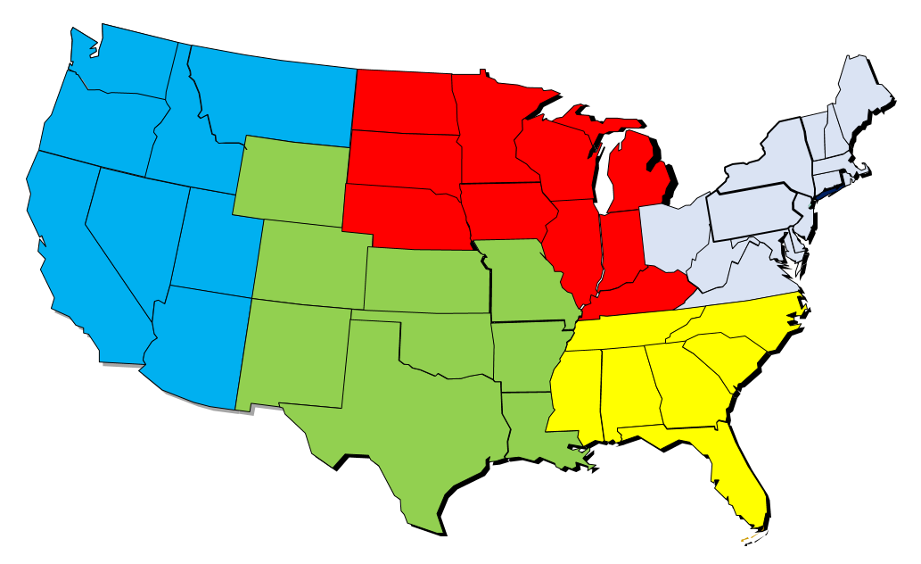
Dunbarton Region Map

