BASIC VISUALIZATION
INDIAN BATSMEN
V/S
LEFT ARM PACE

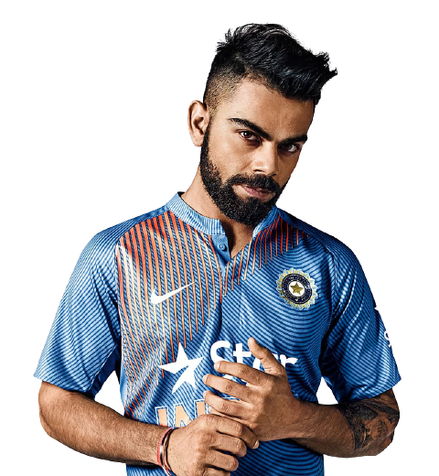
Batting average since the WORLD CUP 2015
 | Batting average
MS Dhoni | 24.77
Kedar Jadhav | 62
Rohit Sharma | 51.9
Shikhar Dhawan | 34.4
Virat Kohli | 100

Dismissals:
Dismissals is when the team player returns back to pavilion post playing his part. This can be because of wicket taken in multiple forms.

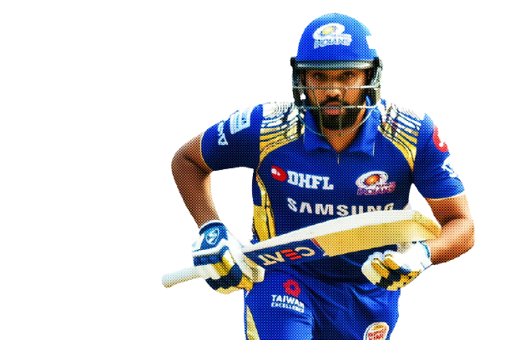

Batting Average:
A players batting average is the total number of runs they scored
divided by the number of times they were out. Averages are
usually represented in 2 decimal places.

Left Arm Pace:
Pace bowlers or fast bowlers rely on speed to get a batsmen out. These type of bowlers can be further classified on the basis of average speed which they
bowl. Most of them are Medium Fast to Fast in international level cricket.
Dismissals since the WORLD CUP 2015
 | Dismissals
MS Dhoni | 9
Kedar Jadhav | 1
Rohit Sharma | 10
Shikhar Dhawan | 12
Virat Kohli | 5

ADVANCE VISUALIZATION
IPL STAR PERFORMERS


TOTAL RUNS
2009 | 163
2010 | 282
2011 | 324
2012 | 256
2013 | 410
2014 | 528
2015 | 562
2016 | 848
2017 | 641
2019 | 692
AVERAGE RUNS
2009 | 23
2010 | 28
2011 | 25
2012 | 37
2013 | 32
2014 | 48
2015 | 43
2016 | 61
2017 | 58
2019 | 69
DAVID WARNER IPL HISTORY
 | 100's | 50's | 6's | 4's
2009 | 0 | 1 | 5 | 16
2010 | 1 | 1 | 14 | 27
2011 | 0 | 3 | 11 | 34
2012 | 1 | 1 | 14 | 28
2013 | 0 | 4 | 14 | 41
2014 | 0 | 6 | 24 | 39
2015 | 0 | 7 | 21 | 65
2016 | 0 | 9 | 31 | 88
2017 | 1 | 4 | 26 | 63
2019 | 1 | 8 | 21 | 57

VIRAT KHOLI

SURESH RAINA

DAVID WARNER

