port表
PIN | GPIO | SPI | I2C | UART | ADC | OTHER
1 | GP0 | SPI0RX | I2C0_SDA | UART0_TX
2 | GP1 | SPI0CSn | I2C0_SCL | UART0_RX
3 | - | - | - | - | - | GND
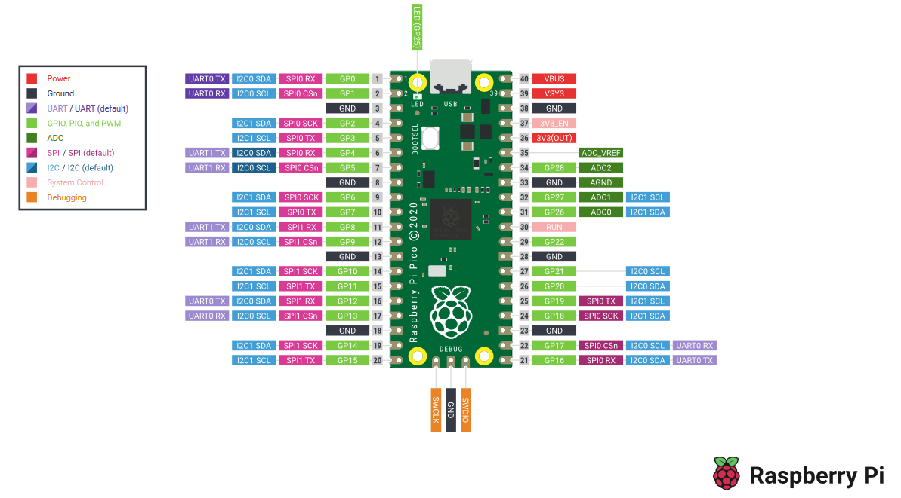
4 | GP2 | SPI0_SCK | I2C1_SDA
5 | GP3 | SPI0_TX | I2C1_SCL
6 | GP4 | SPI0_RX | I2C0_SDA | UART1_TX
7 | GP5 | SPI0_CSn | I2C0_SCL | UART1_RX
8 | - | - | - | - | - | GND
9 | GP6 | SPI0_SCK | I2C1_SDA
10 | GP7 | SPI0_TX | I2C1_SCL
11 | GP8 | SPI0_RX | I2C0_SDA | UART1_TX
12 | GP9 | SPI0_CSn | I2C0_SCL | UART1_RX
13 | - | - | - | - | - | GND
14 | GP10 | SPI1_SCK | I2C1_SDA
15 | GP11 | SPI1_TX | I2C1_SCL
16 | GP12 | SPI1_RX | I2C0_SDA | UART0_TX
17 | GP13 | SPI_CSn | I2C0_SCL | UART0_RX
18 | - | - | - | - | - | GND
19 | GP14 | SPI1_SCK | I2C1_SDA
20 | GP15 | SPI1_TX | I2C1_SCL
21 | GP16 | SPI0_RX | I2C0_SDA | UART0_TX
22 | GP17 | SP0_CSn | I2C0_SCL | UART0_RX
23 | - | - | - | - | - | GND
24 | GP18 | SPI0_SCK | I2C1_SDA
25 | GP19 | SPI0_TX | I2C1_SCL
26 | GP20 |  | I2C0_SDA
27 | GP21 |  | I2C0_SCL
28 | - | - | - | - | - | GND
29 | GP22
電源 | GP23
VBUS | GP24
LED | GP25
30 | - | - | - | - | - | RUN
31 | GP26 |  | I2C0_SDA |  | ADC0
32 | GP27 |  | I2C0_SCL |  | ADC1
33 | - | - | - | - | - | GND
34 | GP28 |  |  |  | ADC2
35 | - | - | - | - | - | ADC_VREF
36 | - | - | - | - | - | 3V3(OUT)
37 | - | - | - | - | - | 3V3_EN
38 | - | - | - | - | - | GND
39 | - | - | - | - | - | VSYS
40 | - | - | - | - | - | VBUS

disp
ディスプレイ AQM1602XA-RN-GBWの制御 |  | 戻る

製品 | https://akizukidenshi.com/download/ds/xiamen/AQM1602_rev2.pdf
PicoとI2CとGND/3.3Vをハード接続して下記コマンドで制御

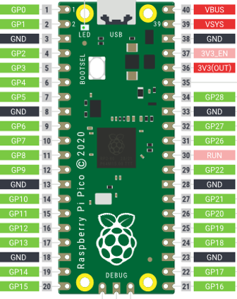
ディスプレイ
AQM1602XA-RN-GBW
GND
SDA
SCL
V+

#=disp===================================
disp -o [port]
"disp -o 0" display init.
[port] : I2C group.
: <0 sda=0/scl=1>
: <1 sda=14/scl=15>
------------------------
disp -c
"disp -c" display clear.
------------------------
disp -w [pos] [data]
"disp -w 0 012345" display write.
[pos] : start offset.<0=current, 1=1st line, 2=2nd line>
[data] : string.

audio
Audio Codecの制御 |  | 戻る
商品 | https://jp.rs-online.com/web/p/signal-conversion-development-tools/7541974
データシート | TLV320AIC23B
PicoとI2CとGND/3.3Vをハード接続して下記コマンドで制御。I2Cで制御するのでAudioCodecのCSとMODEはLow
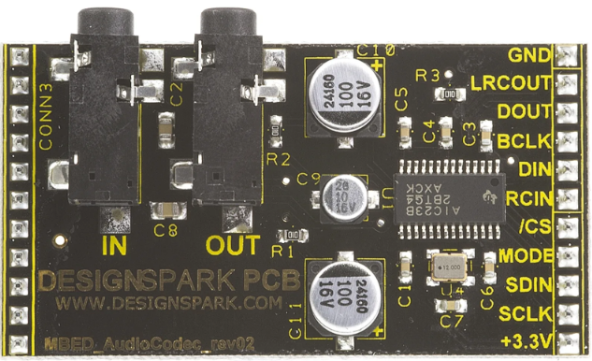
GND
SDA
SCL
V+
GND
GND

#=audio===================================
audio -o [port]
"audio -o 0" audio codec init.
[port] : I2C group.
: <0 sda=0/scl=1>
: <1 sda=14/scl=15>
------------------------
audio -w [mode]
"audio -w i2s_slave" i2s slave mode.
[mode] : loopback/ i2s_slave/ i2s_master(not support)/ stop

