Sheet1
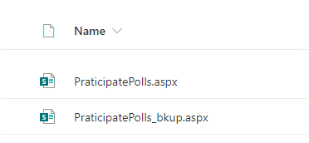
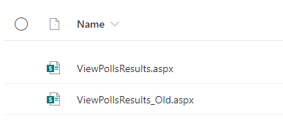
Lists to be deployed | pages to be deployed
MainPollsList | ViewPoll_New.aspx
PollQuestionDetails | AddPolls_New.aspx
PollAnswerDeatils | PraticipatePolls
PollsResults | ViewPollsResults

