Var_Description
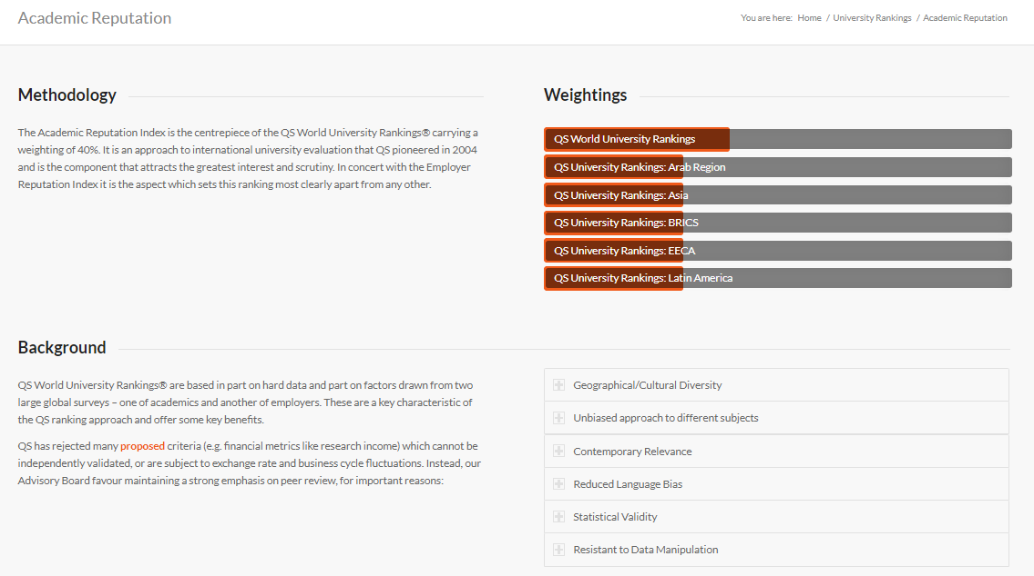
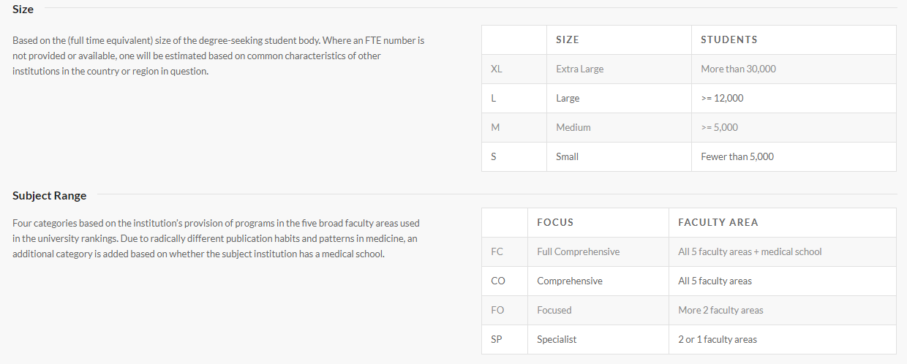
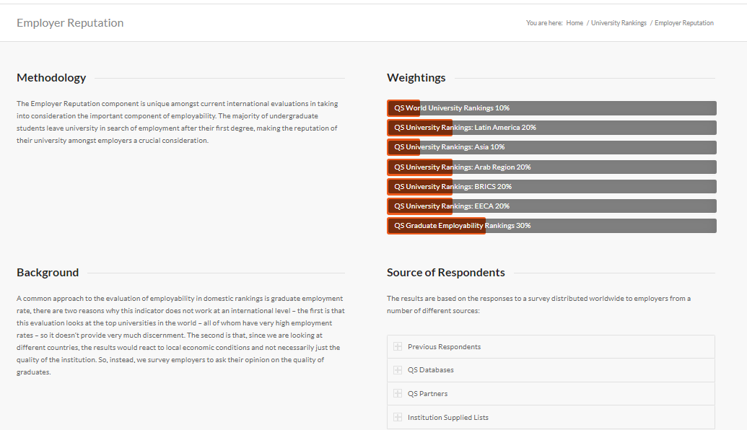
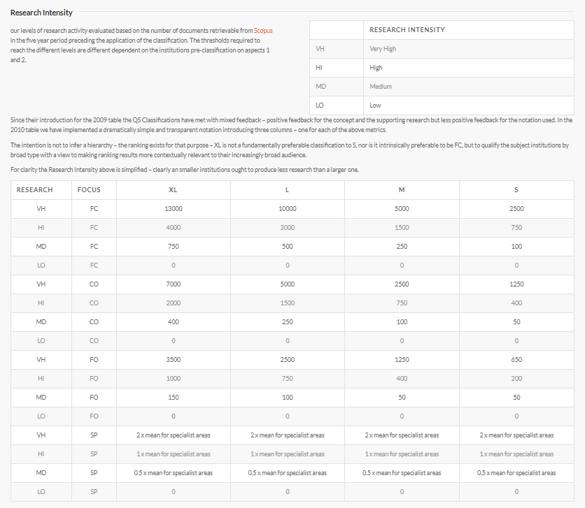
This file contains rankings of around 1000 universities for the year 2020 based on 6 factors included by QS for their ranking framework wiz.
Academic Reputation, Employer Reputation, Faculty to Student Ratio, Number of citations per faculty, International Faculty, International Students.
Another feature included in this data was Classification (which is not used for ranking) which included the institution's size, subject range, research intensity, age, and status.
This dataset contains rankings of the world universities as maintained by Quacquarelli Symmonds. QS is a British think-tank company specializing in the analysis of higher education institutions throughout the world.
QS uses 6 factors for their ranking framework wiz.
Academic Reputation,
Employer Reputation,
Faculty to Student Ratio,
Number of citations per faculty,
International Faculty,
International Students.
Another feature included in this data was Classification (which is not used for ranking) which included the institution's size, subject range, research intensity, age, and status.
This data can be used to analyze a specific set of universities' performances over the years as seen by QS. The scores can be an indicator of how well or bad have the universities performed in comparison to the last year.
This data was collected from QS's intelligence unit under the Creative Commons License.

