调时20210909上海虹桥
flight_no | flight_no_amb | start_scheme_takeoff_time |  | terminal_station | terminal_station_threecharcode | start_scheme_takeoff_time_amb
3568 | 3568 | 20210909063500 |  | SHA | SHA | 20210909063500
1152 | 1152 | 20210909070500 | 30 | SHA | SHA | 20210909070500 | 30
6583 | 6583 | 20210909071000 | 5 | SHA | SHA | 20210909071000 | 5
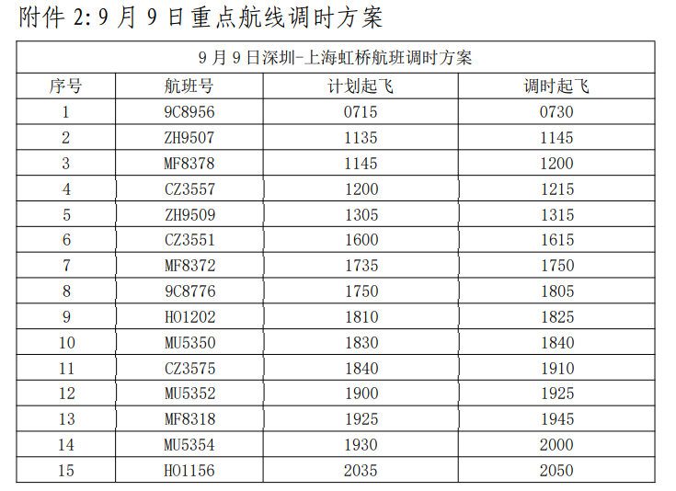
8956 | 8956 | 20210909071500 | 5 | SHA | SHA | 20210909071500 | 5
3965 | 3965 | 20210909080000 | 45 | SHA | SHA | 20210909080000 | 45
3553 | 3553 | 20210909090000 |  | SHA | SHA | 20210909090000
5334 | 5334 | 20210909093000 |  | SHA | SHA | 20210909093000
8918 | 8918 | 20210909100500 |  | SHA | SHA | 20210909100500
5336 | 5336 | 20210909103000 |  | SHA | SHA | 20210909103000
1112 | 1112 | 20210909111500 |  | SHA | SHA | 20210909111500
5338 | 5338 | 20210909113000 |  | SHA | SHA | 20210909113000
9507 | 9507 | 20210909113500 | 5 | SHA | SHA | 20210909114500 | 15
8378 | 8378 | 20210909114500 | 10 | SHA | SHA | 20210909120000 | 15
3557 | 3557 | 20210909120000 | 15 | SHA | SHA | 20210909122000 | 20
9332 | 9332 | 20210909123000 | 30 | SHA | SHA | 20210909123000 | 10
 | VPCFG |  |  |  | SHA | 20210909130000
3561 | 3561 | 20210909130000 |  | SHA | SHA | 20210909130000
9509 | 9509 | 20210909130500 |  | SHA | SHA | 20210909131500
5342 | 5342 | 20210909133000 |  | SHA | SHA | 20210909133000
8882 | 8882 | 20210909140500 |  | SHA | SHA | 20210909140500
5344 | 5344 | 20210909143000 |  | SHA | SHA | 20210909143000
3831 | 3831 | 20210909145000 |  | SHA | SHA | 20210909145000
 | B8277 |  |  |  | SHA | 20210909150000
5348 | 5348 | 20210909153000 |  | SHA | SHA | 20210909153000
3551 | 3551 | 20210909160000 |  | SHA | SHA | 20210909162000
9515 | 9515 | 20210909160000 |  | SHA | SHA | 20210909160000
5346 | 5346 | 20210909163000 |  | YNT | SHA | 20210909163000
3587 | 3587 | 20210909170500 |  | SHA | SHA | 20210909170500
9334 | 9334 | 20210909173000 |  | SHA | SHA | 20210909173000
8372 | 8372 | 20210909173500 |  | SHA | SHA | 20210909175000
8776 | 8776 | 20210909175000 |  | SHA | SHA | 20210909180500
9521 | 9521 | 20210909180500 |  | SHA | JDZ | 20210909180500
1202 | 1202 | 20210909181000 |  | SHA | SHA | 20210909190000
5350 | 5350 | 20210909183000 |  | SHA | SHA | 20210909184000
3575 | 3575 | 20210909184000 |  | SHA | SHA | 20210909191000
5352 | 5352 | 20210909190000 |  | SHA | SHA | 20210909192500
8318 | 8318 | 20210909192500 |  | SHA | SHA | 20210909194500
5354 | 5354 | 20210909193000 |  | SHA | SHA | 20210909200000
 | B3333 |  |  |  | SHA | 20210909200000
8950 | 8950 | 20210909201500 |  | SHA | SHA | 20210909201500
5358 | 5358 | 20210909203000 |  | SHA | SHA | 20210909203000
1156 | 1156 | 20210909203500 |  | SHA | SHA | 20210909210500
 | JSU268 |  |  |  | SHA | 20210909210000
5360 | 5360 | 20210909213000 |  | SHA | SHA | 20210909213000

