Notes
documents | item | description
NetworkManagement(4.3.1)
7.1 | Coordination algorithm
 | [SWS_CanNm_00087] | 在CANNM的总线通信中，每个网络节点需周期性发送网络管理报文NM-PDU；若无总线通信请求则停止发送NM-PDU
 | [SWS_CanNm_00088] | 在CANNM的总线通信中，如果总线通信released且no NM-PDU，经过CanNmTimeoutTime + CanNmWaitBusSleepTime时间后，需进入BUS-SLEEP模式
7.2 | [SWS_CanNm_00092] | 三种操作模式：Network Mode ，• Prepare Bus-Sleep Mode，• Bus-Sleep Mode
 | [SWS_CanNm_00093] | 模式转换时，需要通过回调函数通知上层
 | [SWS_CanNm_00091] | CanNm_GetState()：返回nm当前state和mode
7.2.1 | Network Mode
 | [SWS_CanNm_00094] | Network Mode包含三种internal state：Repeat Message State，• Normal Operation State，• Ready Sleep State
 | [SWS_CanNm_00314] | 当从Bus-Sleep Mode进入Network Mode，CanNm需要进入Repeat Message State
 | [SWS_CanNm_00315] | 当从Prepare Bus-Sleep Mode进入Network Mode，CanNm需要进入Repeat Message State
 | [SWS_CanNm_00096] | 当进入Network Mode，需启动NM-Timeout Timer
 | [SWS_CanNm_00097] | 当进入Network Mode，需调用回调函数Nm_NetworkMode()通知上层，nm状态改变
 | [SWS_CanNm_00098] | 在Network Mode，当成功接收NM-PDU通过调用CanNm_RxIndication()，需重启NM-Timeout Timer如果传输功能已使能
 | [SWS_CanNm_00099] | 在Network Mode，当成功发送NM-PDU通过调用CanNm_TxConfirmation()返回E_OK，需重启NM-Timeout Timer Note:如果CanNmImmediateTxConfEnabled使能，可假定每个NM-PDU发送请求都能成功的传输NM-PDU
 | [SWS_CanNm_00206] | 当CANNM模式启动或重启时，都应该重设NM-Timeout Timer
 | [SWS_CanNm_00147] | 如果CanNm_PassiveStartUp()在Network Mode下被调用，函数服务不被执行，且返回E_NOT_OK
7.2.1.1 | Repeat Message State
 |  | 当每个节点不在passive mode，Repeat Message State可用于确保状态从Bus-Sleep 或 Prepare Bus-Sleep 转变至 Network Mode在网络中时可见的 可确保节点在最短时间内进入active模式，也可用于节点监控
 | [SWS_CanNm_00100] | 当进入Repeat Message State，CanNm需要发送/重发NM-PDUs，直到passive使能或通讯禁止
 | [SWS_CanNm_00101] | NM-Timeout Timer定时到达后，需重启NM-Timeout Timer
 | [SWS_CanNm_00102] | 需持续CanNmRepeatMessageTime，再离开Repeat Message State
 | [SWS_CanNm_00103] | 当离开Repeat Message State，如果nm是release，那么进入Ready Sleep State
 | [SWS_CanNm_00107] | 当离开Repeat Message State，如果CanNmNodeDetectionEnabled = TRUE，则需要清Repeat Message Bit标志位
 | [SWS_CanNm_00137] | 在Repeat Message State, Prepare Bus-Sleep Mode or Bus-Sleep Mode下调用CanNm_RepeatMessageRequest(),服务将不被执行，且返回E_NOT_OK
7.2.1.2 | Normal Operation State
 |  | 确保任何节点在网络中保持唤醒状态，只要网络请求有效
 | [SWS_CanNm_00116] | 当从Ready Sleep State进入Normal Operation State，需开始发送NM-PDUs note：如果passive使能，或发送功能禁止，那么不需要发送NM-PDUs且不做做任何处理
 | [SWS_CanNm_00117] | NM-Timeout Timer定时到达后，需重启NM-Timeout Timer
 | [SWS_CanNm_00118] | 当前状态是Normal Operation State，若NM release ，则CanNm module 进入 Ready Sleep state
 | [SWS_CanNm_00119] | 在Normal Operation State，如果CanNmNodeDetectionEnabled ==TRUE，当接收到Repeat Message Request Bit，则CanNm module进入Repeat Message State
 | [SWS_CanNm_00120] | 在Normal Operation State，如果CanNmNodeDetectionEnabled ==TRUE，当接CanNm_RepeatMessageRequest被调用，则CanNm module进入Repeat Message State
7.2.1.3 | Ready Sleep State
 |  | 若网络中其他节点为唤醒，等待过度到Prepare Bus-Sleep
 | [SWS_CanNm_00108] | 当从Repeat Message State 或r Normal Operation State 进入Ready Sleep State时，CanNm module需停止发送NM-PDUs note：如果passive mode使能，则无NM-PDUs被发送，因此不采取任何措施
 | [SWS_CanNm_00109] | 在Ready Sleep State，当NM-Timeout Timer定时到达后，CanNm module需切入Prepare Bus-Sleep Mode
 | [SWS_CanNm_00110] | 在Ready Sleep State，当network is requested，CanNm module需切入Normal Operation State
 | [SWS_CanNm_00111] | 在Ready Sleep State，如果CanNmNodeDetectionEnabled ==TRUE，当接收到Repeat Message Request Bit，则CanNm module进入Repeat Message State
 | [SWS_CanNm_00112] | 在Ready Sleep State，如果CanNmNodeDetectionEnabled ==TRUE，当接CanNm_RepeatMessageRequest被调用，则CanNm module进入Repeat Message State
 | [SWS_CanNm_00113] | 在Ready Sleep State，如果CanNmNodeDetectionEnabled ==TRUE，当接CanNm_RepeatMessageRequest被调用，需设置Repeat Message Bit
7.2.2 | Prepare Bus-Sleep Mode
 |  | 目的在于确保所有节点有时间停止各自的网络活跃，在进入Bus-Sleep Mode前；因此在Prepare Bus-Sleep Mode ，bus activity is calmed down
 | [SWS_CanNm_00114] | 当进入Prepare Bus-Sleep Mode，CanNm module通过调用Nm_PrepareBusSleepMode()通知上层
 | [SWS_CanNm_00115] | 在Prepare Bus-Sleep Mode，经过CanNmWaitBusSleepTime时间后，再进入Bus-Sleep Mode
 | [SWS_CanNm_00123] | 在Prepare Bus-Sleep Mode，当network is requested，CanNm module shall enter the Network Mode，且默认进入Repeat Message State
 | [SWS_CanNm_00122] | 在Prepare Bus-Sleep Mode，当network is requested，CanNm module shall enter the Network Mode，且如果CanNmImmediateRestartEnabled = TRUE,CanNm module需要发送NM-PDUs Rationale:当其他节点在Prepare Bus-Sleep Mode时，在此情况下应避免进入Bus-Sleep Mode，并尽快恢复总线通信； 由于传输偏移offset，为避免网络延时重启，可以立即请求NM-PDUs传输 Note:如果CanNmImmediateRestartEnabled = TRUE，当所有节点获得一个网络request在Prepare Bus-Sleep Mode，那么NM-PDUs会集中爆发
7.2.3 | Bus-Sleep Mode
 |  | 目的在于降低功耗 Note:CanNmTimeoutTime 和CanNmWaitBusSleepTime设定一样
 | [SWS_CanNm_00126] | 当进入Bus-Sleep Mode，需通过回调函数Nm_BusSleepMode()通知上层
 | [SWS_CanNm_00127] | 当处于Bus-Sleep Mode，若成功接收NM-PDUs通过回调函数CanNm_RxIndication()，需通过回调函数Nm_NetworkStartIndication()通知上层 Rationale:为了避免网络和模式管理之间的竞争和状态不一致，CanNm仅通知上层，由上层决定唤醒
 | [SWS_CanNm_00336] | 当处于Bus-Sleep Mode，若成功接收NM-PDUs通过回调函数CanNm_RxIndication()，CanNm module需上传错误 CANNM_E_NET_START_IND给DET
 | [SWS_CanNm_00128] | 如果CanNm_PassiveStartUp()在Bus-Sleep Mode 或 Prepare Bus-Sleep Mode 被调用，CanNm module应进入Network Mode，且默认进入Repeat Message State Note:在Prepare Bus-Sleep Mode 和 Bus-Sleep Mode，network 假定 released，直到总线通信被明确请求
 | [SWS_CanNm_00129] | 在Bus-Sleep Mode，如果network is requested，CanNm module应进入Network Mode，且默认进入Repeat Message State
7.3 | Network states
 |  | ‘requested’：需要总线通信 ； ‘released’：不需要总线通信 注意：release下可能总线在通信，若其他ECU节点任处于requested状态
 | [SWS_CanNm_00104] | 函数CanNm_NetworkRequest()可以请求网络通信
 | [SWS_CanNm_00105] | 函数CanNm_NetworkRelease()可以释放网络通信
7.4 | Initialization
 | [SWS_CanNm_00141] | CanNm_Init()执行成功，CanNm module需设置NM-state = Bus-Sleep Mode note：此函数应该在CanIf初始化完成之后，在应用网络管理服务之前，执行
 | [SWS_CanNm_00143] | CanNm_Init()执行成功，默认设置CanNm module为release
 | [SWS_CanNm_00144] | CanNm_Init()执行成功，默认设置CanNm module进入Bus-Sleep Mode
 | [SWS_CanNm_00060] | ？？
 | [SWS_CanNm_00061] | 当执行CanNm_Init()，若CanNmGlobalPnSupport = TRUE,CanNm停止NM Message Tx Timeout Timer
 | [SWS_CanNm_00023] | 在执行CanNm_Init()期间需减小总线负荷
 | [SWS_CanNm_00033] | 在初始化完成之后，CanNm需停止传输NM-PDUs通过停止Message Cycle Timer Note:如果CanNmPassiveModeEnabled = TRUE ，CanNm Message Cycle不在需要，因为没有NM-PDUs需要发送
 | [SWS_CanNm_00002] | 如果CanNm未初始化，除CanNm_Init()外其他函数需被拒绝或返回E_NOT_OK如果被调用；如果CanNmDevErrorDetect = TRUE 那么 CANNM_E_UNINIT需报告给DET
 | [SWS_CanNm_00025] | 在执行CanNm_Init()期间需设置每个user data为0XFF
 | [SWS_CanNm_00085] | 在执行CanNm_Init()期间需设置Control Bit Vector为0X00
7.5 | Execution
7.5.1 | Processor architecture
 | [SWS_CanNm_00146] | CanNm算法需要独立的运行
7.5.2 | Timing parameters
 | [SWS_CanNm_00246] | NM-Timeout Time：CanNmTimeoutTime
 | [SWS_CanNm_00247] | Repeat Message Time：CanNmRepeatMessageTime
 | [SWS_CanNm_00248] | Wait Bus-Sleep Time：CanNmWaitBusSleepTime
 | [SWS_CanNm_00249] | Remote Sleep Indication Time：CanNmRemoteSleepIndTime
7.6 | Network Management PDU Structure

 | [SWS_CanNm_00074] | source node identifier：CanNmPduNidPosition，可以配置到byte0，byte1，off Note:如果CanNmPduNidPosition设置成off，意味着不占用NM-PDU空间，也就是多出一个字节作为user data
 | [SWS_CanNm_00075] | Control Bit Vector：CanNmPduCbvPosition，可以配置到byte0，byte1，off Note:如果CanNmPduCbvPosition设置成off，意味着不占用NM-PDU空间，也就是多出一个字节作为user data Note:NM-PDUs长度由PduLength定义

 | [SWS_CanNm_00045] | Bit 0: Repeat Message Request 0: Repeat Message State not requested 1: Repeat Message State requested Bit 3: NM Coordinator Sleep Bit 0: Start of synchronized shutdown is not requested by main coordinator 1: Start of synchronized shutdown is requested by main coordinator Bit 4 Active Wakeup Bit 0: Node has not woken up the network (passive wakeup) 1: Node has woken up the network (active Wakeup) Bit 6 Partial Network Information Bit (PNI) 0: NM PDU contains no Partial Network request information 1: NM PDU contains Partial Network request information Note:Control Bit Vector设置成0x00，在初始化期间
 | [SWS_CanNm_00013] | CanNm设置source node identifier为CanNmNodeId，除非CanNmPduNidPosition被设置成0ff
 | [SWS_CanNm_00401] | 当从Bus Sleep Mode 或 Prepare Bus Sleep Mode 切换至 Network Mode，通过调用CanNm_NetworkRequest，且CanNmActiveWakeupBitEnabled = TRUE CanNm应当设置CBV中的ActiveWakeupBit
 | [SWS_CanNm_00402] | 如果离开Network Mode，且CanNmActiveWakeupBitEnabled = TRUE CanNm应当清除CBV中的ActiveWakeupBit
7.7 | Communication Scheduling
7.7.1 | Transmission
 | [SWS_CanNm_00072] | CanNmPassiveModeEnabled：设置NM-PDUs发送功能 Note:CanNmPassiveModeEnabled = FALSE，发送有效
 | [SWS_CanNm_00237] | CanNm module需要提供周期性发送NM-PDUs
 | [SWS_CanNm_00238] | 可选择的周期传输模式，用于总线减小负荷模式 周期传输模式：用于Repeat Message State 和 Normal Operation State 周期传输总线减小负荷模式：只用于Normal Operation State
 | [SWS_CanNm_00071] | 立即传输确认机制，通过CanNmImmediateTxConfEnabled来选择 Note:立即传输确认机制，不使用CanIf的确认机制 Rationale:
 | [SWS_CanNm_00005] | 如果Repeat Message State未进入，通过CanNm_NetworkRequest 或CanNmImmediateNmTransmissions =0，NM-PDUs需延时CanNmMsgCycleOffset在进入repeat message state
 | [SWS_CanNm_00334] | 当从Bus Sleep Mode 或 Prepare Bus Sleep Mode 进入Repeat Message State，通过调用CanNm_NetworkRequest，且CanNmImmediateNmTransmissions >0, NM-PDUs需按CanNmImmediateNmCycleTime周期发送，且竟可能的快；此时的CanNmMsgCycleOffset则不需要了
 | [SWS_CanNm_00006] | 当从Ready Sleep State进入Normal Operation State，NM PDUs需立即传输
 | [SWS_CanNm_00454] | 如果CanNmPnHandleMultipleNetworkRequests = TRUE，CanNm_NetworkRequest()可以触发state从 Network Mode state进入Repeat Message state，且采用CanNmImmediateNmCycleTime周期传输NM-PDUs Note:：CanNmImmediateNmTransmissions必须大于0
 | [SWS_CanNm_00335] | 如果NM-PDUs按CanNmImmediateNmCycleTime传输，CanNm需确保CanNmImmediateNmTransmissions()请求成功，如果CanIf失败（返回E_NOT_OK），CanNm需要再次传输在下个主函数中 然后按照CanNmMsgCycleTime周期传输NM-PDUs Note:当使用CanNmImmediateNmCycleTime传输NM-PDUs时，其他NM-PDUs不被传输；也就是CanNmMsgCycleTime时被停止的
 | [SWS_CanNm_00032] | 当周期传输NM-PDUs已经开始，且CanNm Message Cycle Timer到达时，CanNm module需要传输NM-PDU通过CanIf的CanIf_Transmit
 | [SWS_CanNm_00040] | CanNm Message Cycle Timer到达后，需重启CanNmMsgCycleTime
 | [SWS_CanNm_00051] | 如果传输NM-PDUs已经停止，则应取消Message Cycle Timer
7.7.2 | Reception
 |  | 如果成功接收NM-PDUs，CanIf通过回调函数CanNm_RxIndication()
 | [SWS_CanNm_00035] | 在回调函数CanNm_RxIndication()需将NM-PDUs数据复制到内部缓存
7.8 | Bus Load Reduction Mechanism
 |  | 周期传输NM-PDUs时通过CanNmMsgCycleTime，如果没有其他措施来干预，将会导致总线负载过重；因此CanNmMsgCycleOffset则是为了减少总线信息爆发时的负载 如果接收NM-PDUs成功：CanNm Message Cycle Timer = CanNmMsgReducedTime ；大于½CanNmMsgCycleTime小于CanNmMsgCycleTime 如果发送NM-PDUs成功：CanNm Message Cycle Timer =CanNmMsgCycleTime. 确保总线上最多两个节点在发送NM-PDUs
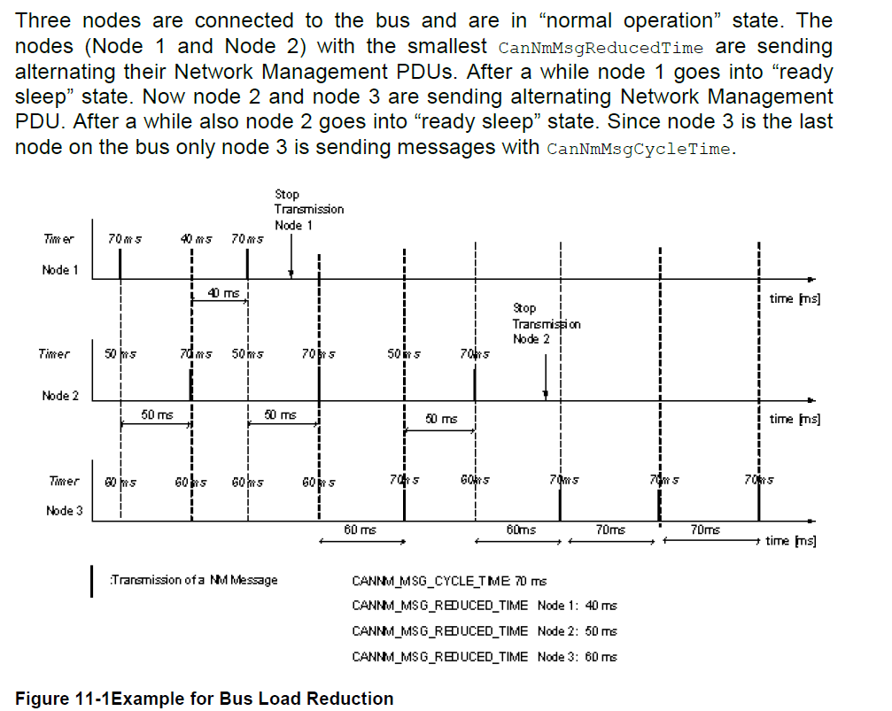

 | [SWS_CanNm_00052] | bus load reduction mechanism，是通过静态配置，CanNmBusLoadReductionEnabled来实现的
 | [SWS_CanNm_00156] | 当从其他状态进入Repeat Message State时，CanNm需禁用总线负载减少
 | [SWS_CanNm_00157] | 当从其他状态进入Normal Operation State时，CanNm需开启总线负载减少如果CanNmBusLoadReductionEnabled = TRUE
 | [SWS_CanNm_00069] | bus load reduction mechanism使能，CanNmBusLoadReductionEnabled = TRUE，CanNm 设置 Message Cycle Timer = CanNmMsgReducedTime
7.9 | Additional features
7.9.1 | Detection of Remote Sleep Indication
 |  | Remote Sleep Indication：当处于Normal Operations States的节点检测到其他节点处于Ready-Seep State；本节点在Normal Operation State任然保持bus awake
 | [SWS_CanNm_00149] | Detection of remote sleep indication需通过静态配置CanNmRemoteSleepIndEnabled来选择
 | [SWS_CanNm_00150] | Normal Operation State状态下CanNmRemoteSleepIndTime时间内未收到NM-PDUs，那么回调函数Nm_RemoteSleepIndication()将被执行，提示nm所有节点都ready to sleep
 | [SWS_CanNm_00151] | 如果先前检测到Remote Sleep Indication，且NM-PDUs检测到在Normal Operation State或Ready Sleep State；那么回调函数Nm_RemoteSleepCancellation()将被执行
 | [SWS_CanNm_00152] | 如果先前检测到Remote Sleep Indication，且Repeat Message State进入通过Normal Operation State或Ready Sleep State；那么回调函数Nm_RemoteSleepCancellation()将被执行
 | [SWS_CanNm_00154] | CanNm_CheckRemoteSleepIndication()调用，在Bus-Sleep Mode, Prepare Bus-Sleep Mode or Repeat Message State，CanNm将不执行函数服务，返回E_NOT_OK
7.9.2 | User Data
 | [SWS_CanNm_00158] | NM user data可以通过静态配置CanNmUserDataEnabled来选择
 | [SWS_CanNm_00159] | 当CanNm_SetUserData()被执行通过CanNm，将NM-user data设置到NM-PDUs，且立即在下次传输
 | [SWS_CanNm_00160] | 当CanNm_GetUserData()被执行通过CanNm，将最近一次的NM-PDUs设置到NM-user data
7.9.2.1 | COM User Data
 | ….
7.9.3 | Passive Mode
 |  | Passive Mode：只接受NM-PDUs不发送，
 | [SWS_CanNm_00161] | Passive Mode通过静态配置CanNmPassiveModeEnabled Note：要么使能或不使能在一个ECU中
7.9.4 | Network Management PDU Rx Indication
 | [SWS_CanNm_00037] | 回调函数CanNm_RxIndication()，当CanNmPduRxIndicationEnabled = TRUE，回调函数Nm_PduRxIndication()将被执行
7.9.5 | State change notification
 | [SWS_CanNm_00166] | CanNm通过回调函数Nm_StateChangeNotification()来通知上层状态改变，当CanNmStateChangeIndEnabled = TRUE
7.9.6 | Communication Control
 |  | 通信控制通过静态配置CanNmComControlEnabled来选择
 | [SWS_CanNm_00170] | 回调函数CanNm_DisableCommunication()被执行，CanNm需禁止NM-PDUs传输功能 Note:通信控制可以应用Repeat Message State，但是在Repeat Message State重复时间不能使用
 | [SWS_CanNm_00173] | 如果NM-PDU传输功能被禁止，需要停止Message Cycle Timer来停止NM-PDUs发送
 | [SWS_CanNm_00174] | 如果NM-PDU传输功能被禁止，需要停止NM-Timeout Timer
 | [SWS_CanNm_00175] | 如果NM-PDU传输功能被禁止，需要停止Remote Sleep Indication Detection
 | [SWS_CanNm_00178] | 如果NM-PDU传输功能被禁止，在下一个传输将被执行
 | [SWS_CanNm_00179] | 如果NM-PDU传输功能被打开，需重启NM-Timeout Timer
 | [SWS_CanNm_00180] | 如果NM-PDU传输功能被打开，如果CanNmRemoteSleepIndEnabled = TRUE，需重启Remote Sleep Indication Detection功能
 | [SWS_CanNm_00181] | 如果NM-PDU传输功能被禁止，CanNm_RequestBusSynchronization()服务将返回E_NOT_OK
7.9.7 | Coordinator Synchronization Support
 |  | 当超过一个协调同步支持时，CBV中的NmCoordinatorSleepReady bit用于指示主要的的开始关闭时序请求

8.6 | Expected Interfaces
8.6.1 | Mandatory Interfaces
 | [SWS_CanNm_00324] | 实现核心模块所需要的接口

8.6.2 | Optional Interfaces
 | [SWS_CanNm_00325] | 实现模块所可选的接口
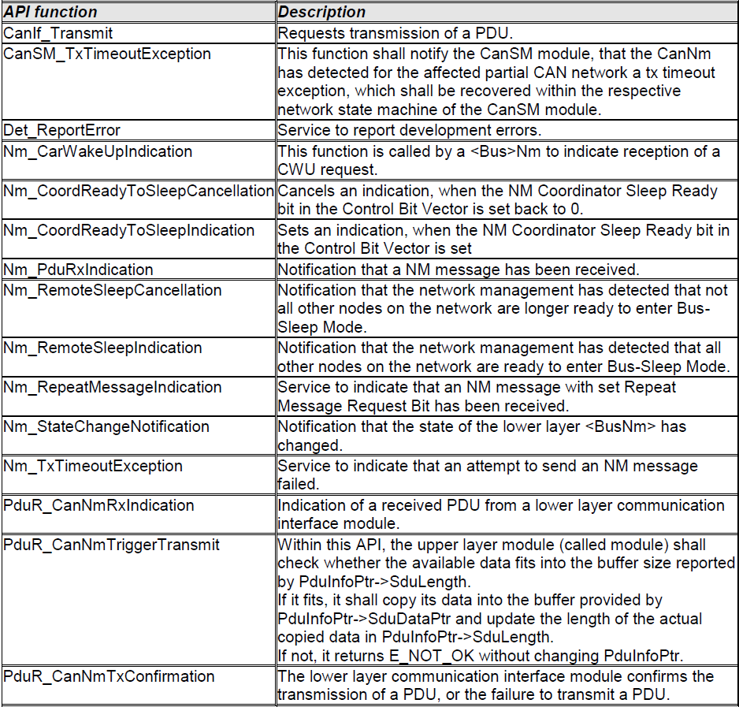

8.6.3 | Configurable interfaces
 |  | CanNm does not provide
8.6.4 | Job End Notification
 |  | CanNm does not provide
8.7 | Service Interfaces
 |  | CanNm does not provide
9 | Sequence diagrams
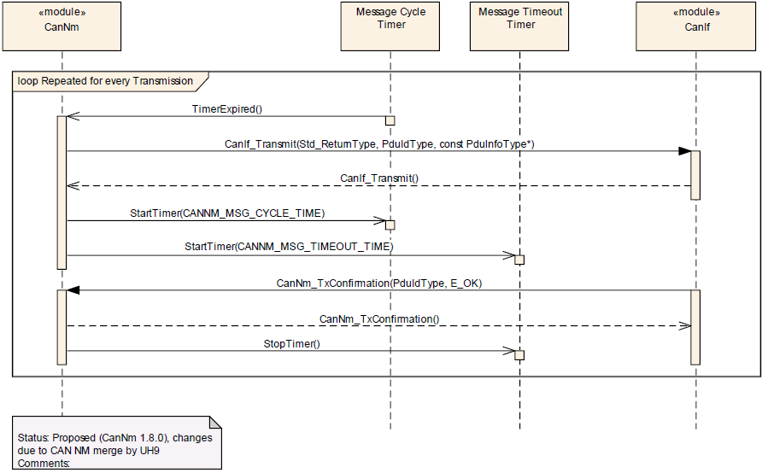
9.1 | CanNm Transmission

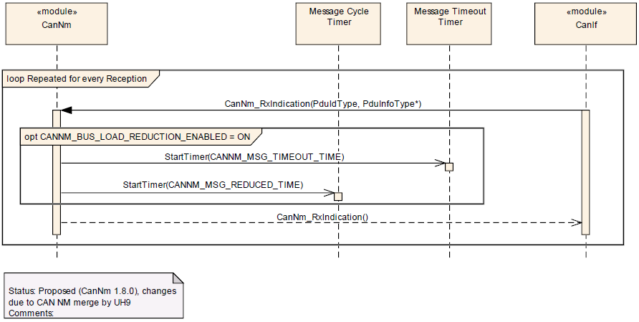
9.2 | CanNm Reception

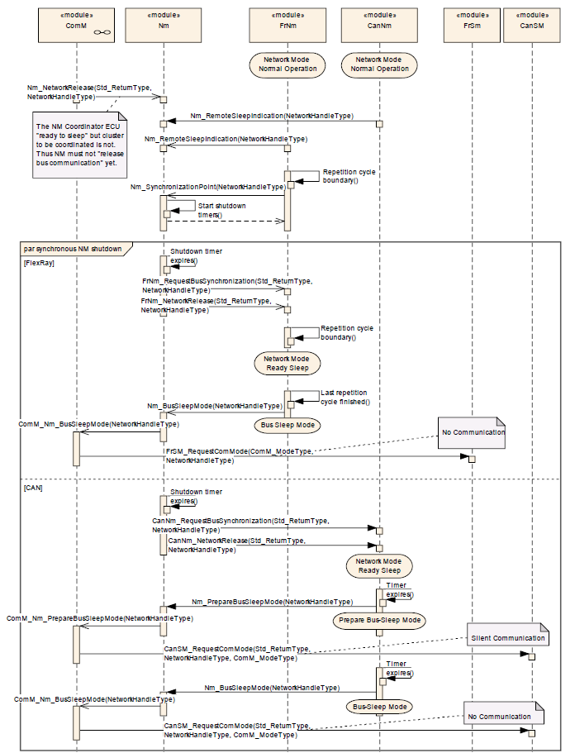
9.3 | Nm Coordination

Nm Stack modules
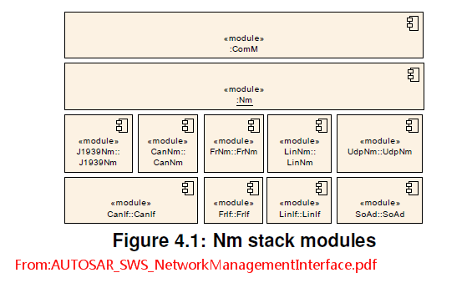
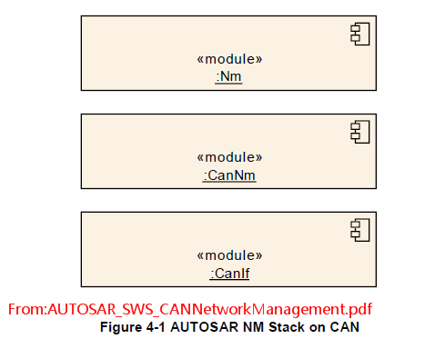

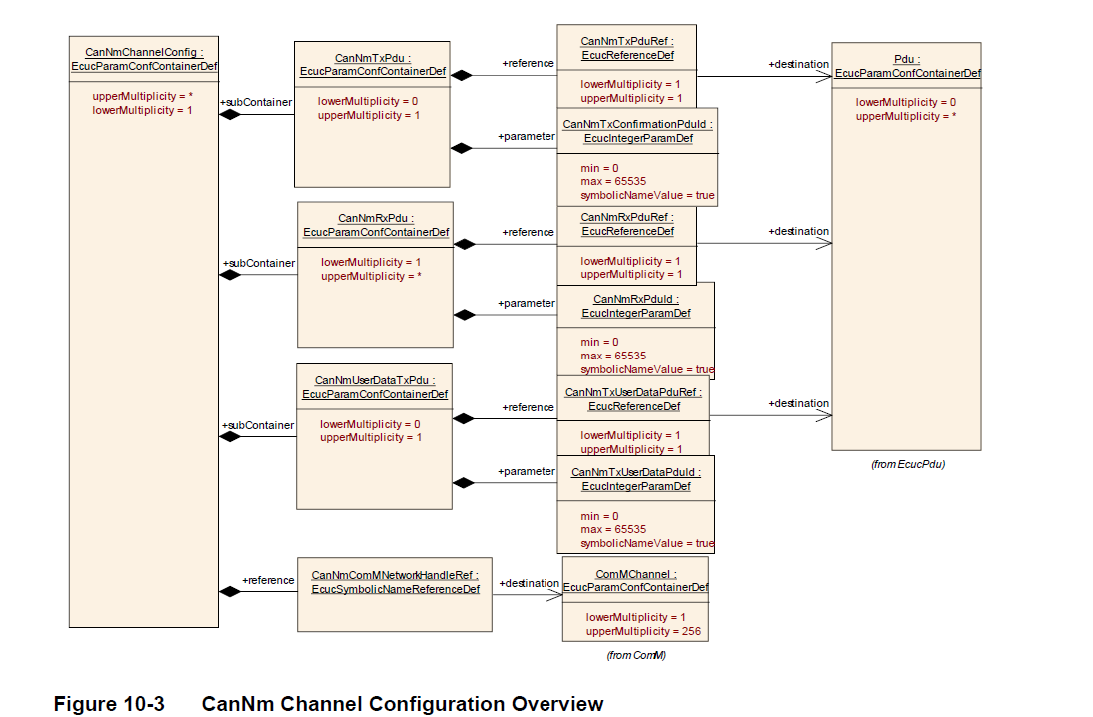

File(.h)
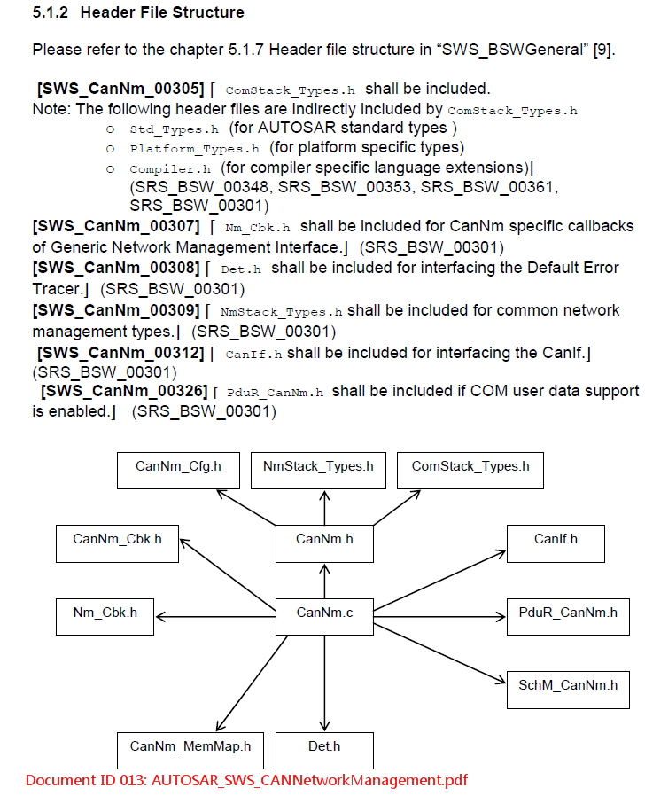
CanDrv
 | Can.c
 | Can.h
 | Can_Cfg.c
 | Can_Cfg.h
 | Can_GeneralTypes.h
 | ComStack_Types.h
CanIf
 | CanIf.c
 | CanIf.h
 | CanIf_Cbk.h
 | CanIf_Cfg.c
 | CanIf_Cfg.h
CanSm
 | CanSm.c
 | CanSm.h
 | CanSm_Cbk.h
 | CanSm_Cfg.c
 | CanSm_Cfg.h
 | CanSM_ComM.h
 | CanSM_EcuM.h
 | CanSM_SchM.h
 | CanSM_Types.h
Com
 | Com.c
 | Com.h
 | Com_Cbk.c
 | Com_Cbk.h
 | Com_Cfg.c
 | Com_Cfg.h
 | Com_If.c
 | Com_If.h
ComM
 | ComM.c
 | ComM.h
 | ComM_BusM.h
 | ComM_Cfg.c
 | ComM_Cfg.h
 | ComM_CfgType.h
 | ComM_Dcm.h
 | ComM_EcuM.h
 | ComM_Nm.h
NM
 | CanNM
 |  | CanNm.c
 |  | CanNm.h
 |  | CanNm_Cbk.h
 |  | CanNm_Cfg.c
 |  | CanNm_Cfg.h
 | NmIf
 |  | Nm.c
 |  | Nm.h
 |  | Nm_Cbk.h
 |  | Nm_Cfg.c
 |  | Nm_Cfg.h
 |  | NmStack_Types.h

Question
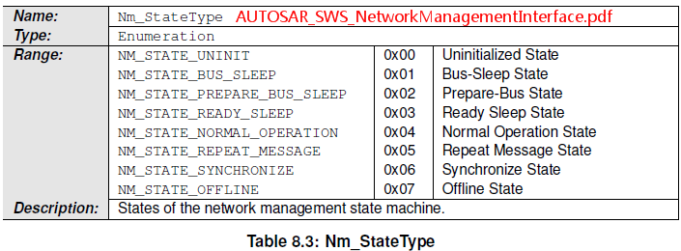
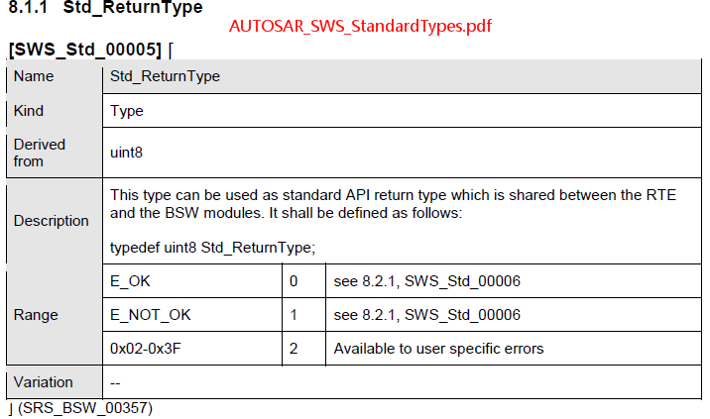
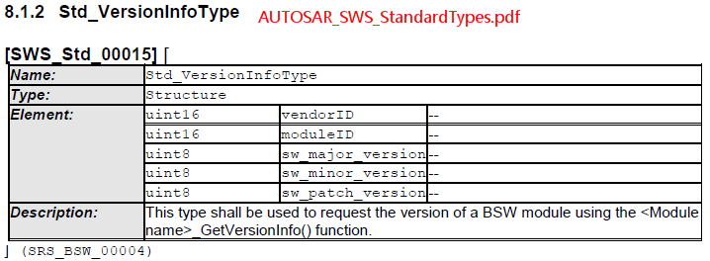
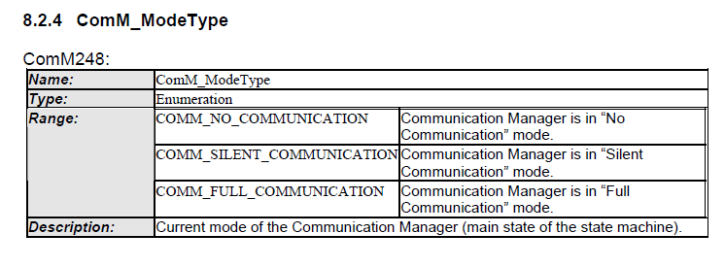
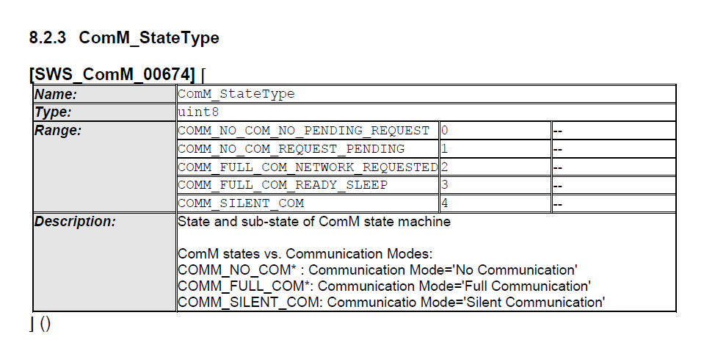
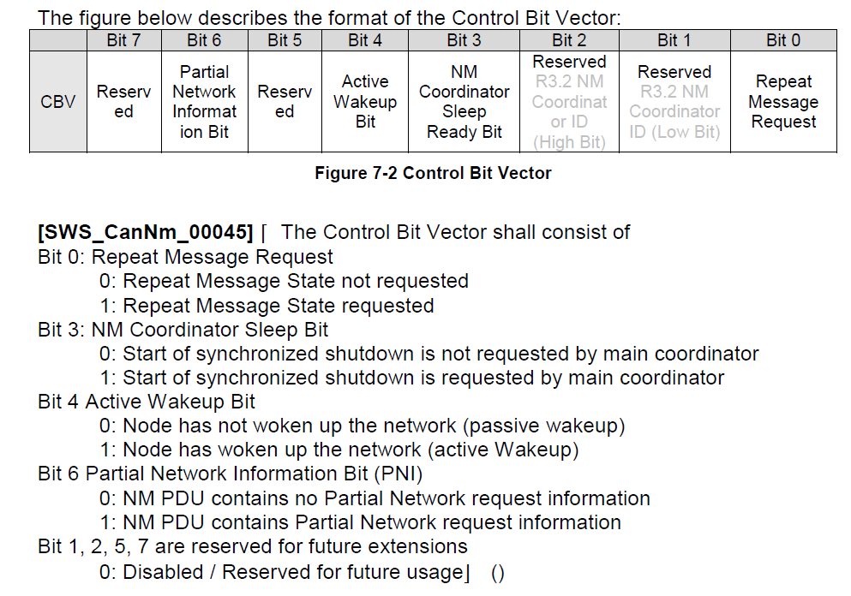
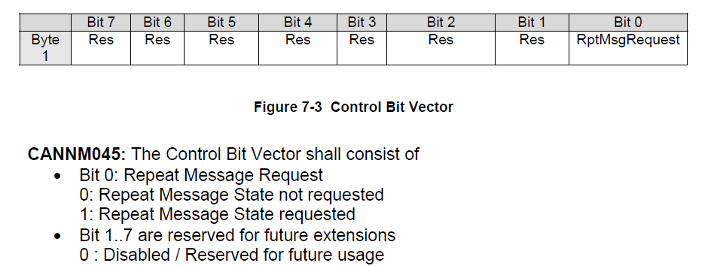
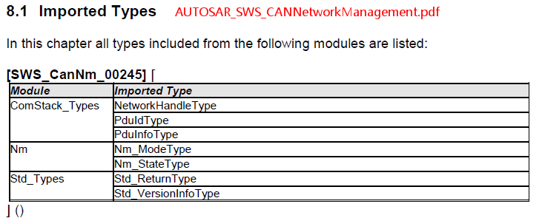
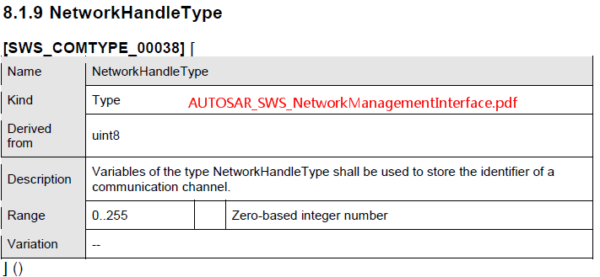
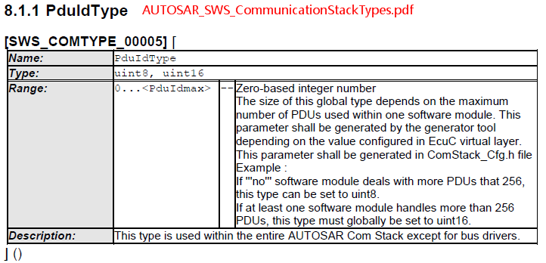
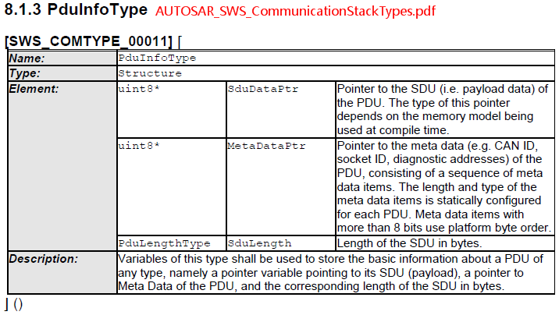
AUTOSAR_SWS_CANNetworkManagement.pdf
AUTOSAR_SWS_CommunicationStackTypes.pdf
AUTOSAR_SWS_NetworkManagementInterface.pdf

