303&107
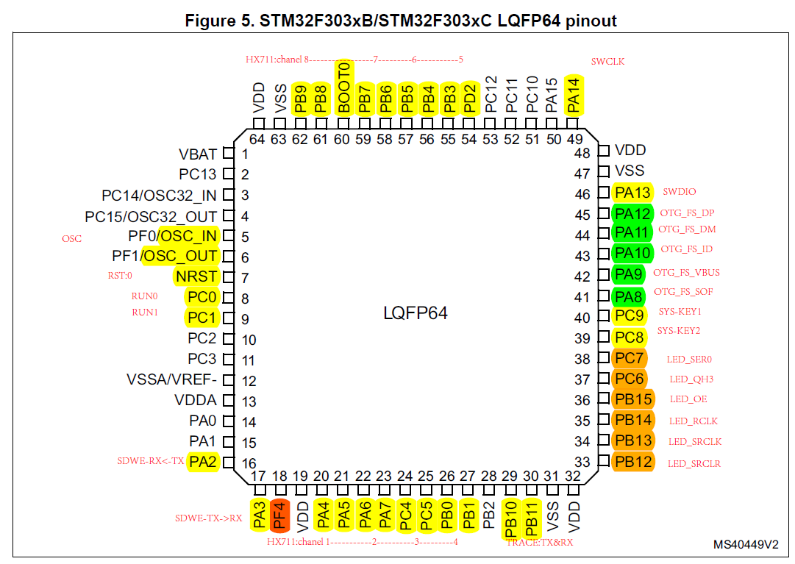
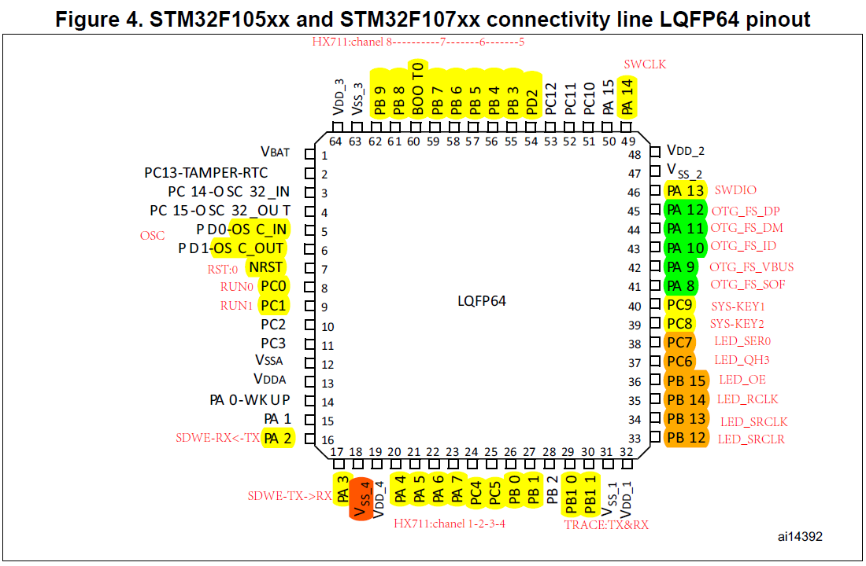
序号 | 107管脚 | 303管脚 | 名称 | 功能 | 上下拉
1 | VBAT | VBAT | VBAT | MCU_3V3
2
3
4
5 | OSC_IN | OSC_IN | OSC_IN | OSC_IN
6 | OSC_OUT | OSC_OUT | OSC_OUT | OSC_OUT
7 | NRST | NRST | NRST | NRST | pull up
8 | PC0 | PC0
9 | PC1 | PC1
10
11
12 | VREF- | VREF- | VREF- | MCU_GND
13 | VDDA | VDDA | VDDA | MCU_3V3
14
15
16 | PA2 | PA2
17 | PA3 | PA3
18 | PF4 | VSS_4 |  | GND
19 | VDD | VDD | VDD | MCU_3V3
20 | PA4 | PA4 | GPIO | LED_RUN | pull up
21 | PA5 | PA5 |  |  |  | 注意 | 1 | 每个芯片电源处添加：磁珠，滤波电容（22uf和100pf）
22 | PA6 | PA6 |  |  |  |  | 2 | 添加LED指示灯
23 | PA7 | PA7 | GPIO | ZGM0_RST | pull up |  | 3 | 电平转换上拉电阻不要超过4.7k，最好两侧都上拉
24 | PC4 | PC4 | USART1_TX | STM32_TX_ZGM0_RX | pull up | 接触保护 |  | 密码：123456
25 | PC5 | PC5 | USART1_RX | STM32_RX_ZGM0_TX | pull up
26 | PB0 | PB0
27 | PB1 | PB1
28 |  | PB2
29 | PB10 | PB10
30 | PB11 | PB11
31 | VSS | VSS | VSS2 | MCU_GND
32 | VDD | VDD | VDD | MCU_3V3
33 | PB12 | PB12 | GPIO | STM32_Motor_En | pull up
34 | PB13 | PB13 | GPIO | STM32_Motor_Dir | pull up
35 | PB14 | PB14 | TIM1_ CH2N | STM32_Motor_Pwm | pull up
36 | PB15 | PB15 | GPIO | STM32_Dcf_Ctrl | pull up
37 | PC6 | PC6 | GPIO | STM32_POS_2 | pull up
38 | PC7 | PC7 | GPIO | STM32_POS_3 | pull up
39 | PC8 | PC8 | GPIO | STM32_POS_1 | pull up
40 | PC9 | PC9 | GPIO | STM32_KEY_1 | pull up
41 | PA8 | PA8 | GPIO | STM32_KEY_2 | pull up
42 | PA9 | PA9 | GPIO | STM32_KEY_3 | pull up
43 | PA10 | PA10 | GPIO | STM32_KEY_4 | pull up
44 | PA11 | PA11 | GPIO | M_HX711_CLK | pull up
45 | PA12 | PA12 | GPIO | M_HX711_DATA | pull up
46 | PA13 | PA13 | SWDIO | program | pull up
47 | VSS | VSS | VSS3 | MCU_GND
48 | VDD | VDD | VDD | MCU_3V3
49 | PA14 | PA14 | SWCLK | program | pull down
50
51 |  |  | USART3_TX | STM32_TX_SMQ_RX | pull up
52 |  |  | USART3_RX | STM32_RX_SMQ_TX | pull up
53
54 | PD2 | PD2
55 | PB3 | PB3 | USART2_TX | STM32_TX_SDWe_RX | pull up
56 | PB4 | PB4 | USART2_RX | STM32_RX_SDWe_TX | pull up
57 | PB5 | PB5
58 | PB6 | PB6
59 | PB7 | PB7 | GPIO | STM32_I2C1_WP | pull up
60 | BOOT0 | BOOT0 | BOOT0 | BOOT0:0-flash | pull down
61 | PB8 | PB8 | I2C1_SCL | STM32_I2C1_SCL | pull up
62 | PB9 | PB9 | I2C1_SDA | STM32_I2C1_SDA | pull up
63 | VSS | VSS | VSS1 | MCU_GND
64 | VDD | VDD | VDD | MCU_3V3

STM32F303RCT6-TBES-PIN-MAP
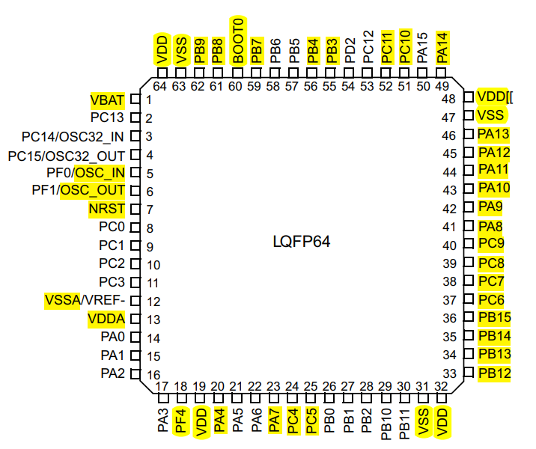
序号 | 管脚 | 名称 | AF | DMA | 功能 | 上下拉
1 | VBAT | VBAT |  |  | MCU_3V3
2
3
4
5 | OSC_IN | OSC_IN |  |  | OSC_IN
6 | OSC_OUT | OSC_OUT |  |  | OSC_OUT
7 | NRST | NRST |  |  | NRST | pull up
8
9
10
11
12 | VREF- | VREF- |  |  | MCU_GND
13 | VDDA | VDDA |  |  | MCU_3V3
14 | PA0
15 | PA1
16 | PA2
17 | PA3
18 |  |  |  |  | GND
19 | VDD | VDD |  |  | MCU_3V3
20 | PA4 | GPIO-O |  |  | LED_RUN | pull up
21 | PA5 |  |  |  |  |  | 注意 | 1 | 每个芯片电源处添加：磁珠，滤波电容（22uf和100pf）
22 | PA6 |  |  |  |  |  |  | 2 | 添加LED指示灯
23 | PA7 | GPIO-O |  |  | ZGM0_RST | pull up |  | 3 | 电平转换上拉电阻不要超过4.7k，最好两侧都上拉
24 | PC4 | USART1_TX | AF7 | DMA1_CH4 | STM32_TX_ZGM0_RX | pull up | 接触保护 |  | 密码：123456
25 | PC5 | USART1_RX | AF7 | DMA1_CH5 | STM32_RX_ZGM0_TX | pull up
26 | PB0
27 | PB1
28 | PB2
29 | PB10
30 | PB11
31 | VSS | VSS2 |  |  | MCU_GND
32 | VDD | VDD |  |  | MCU_3V3
33 | PB12 | GPIO-O |  |  | STM32_Motor_En | pull up
34 | PB13 | GPIO-O |  |  | STM32_Motor_Dir | pull up
35 | PB14 | TIM1_ CH2N | AF6 |  | STM32_Motor_Pwm | pull up
36 | PB15 | GPIO-O |  |  | STM32_Dcf_Ctrl | pull up
37 | PC6 | GPIO-I |  |  | STM32_POS_2 | pull up
38 | PC7 | GPIO-I |  |  | STM32_POS_3 | pull up
39 | PC8 | GPIO-I |  |  | STM32_POS_1 | pull up
40 | PC9 | GPIO-I |  |  | STM32_KEY_1 | pull up
41 | PA8 | GPIO-I |  |  | STM32_KEY_2 | pull up
42 | PA9 | GPIO-I |  |  | STM32_KEY_3 | pull up
43 | PA10 | GPIO-I |  |  | STM32_KEY_4 | pull up
44 | PA11 | GPIO-O |  |  | M_HX711_CLK | pull up
45 | PA12 | GPIO-I |  |  | M_HX711_DATA | pull up
46 | PA13 | SWDIO |  |  | program | pull up
47 | VSS | VSS3 |  |  | MCU_GND
48 | VDD | VDD |  |  | MCU_3V3
49 | PA14 | SWCLK |  |  | program | pull down
50 | PA15
51 | PC10 | USART3_TX | AF7 | DMA1_CH2 | STM32_TX_SMQ_RX | pull up
52 | PC11 | USART3_RX | AF7 | DMA1_CH3 | STM32_RX_SMQ_TX | pull up
53 | PC12
54 | PD2
55 | PB3 | USART2_TX | AF7 | DMA1_CH7 | STM32_TX_SDWe_RX | pull up
56 | PB4 | USART2_RX | AF7 | DMA1_CH6 | STM32_RX_SDWe_TX | pull up
57 | PB5
58 | PB6
59 | PB7 | GPIO-O |  |  | STM32_I2C1_WP | pull up
60 | BOOT0 | BOOT0 |  |  | BOOT0:0-flash | pull down
61 | PB8 | I2C1_SCL | AF4 |  | STM32_I2C1_SCL | pull up | 飞线
62 | PB9 | I2C1_SDA | AF4 |  | STM32_I2C1_SDA | pull up | 飞线
63 | VSS | VSS1 |  |  | MCU_GND
64 | VDD | VDD |  |  | MCU_3V3

Sheet1
