303&107
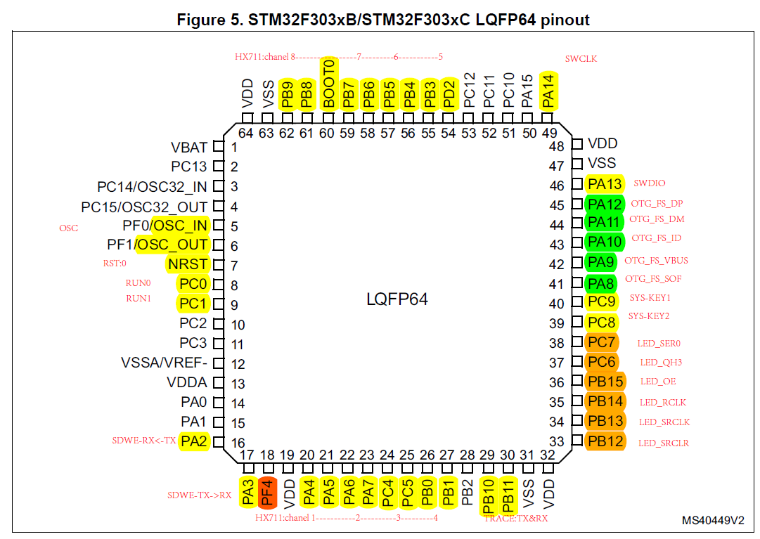
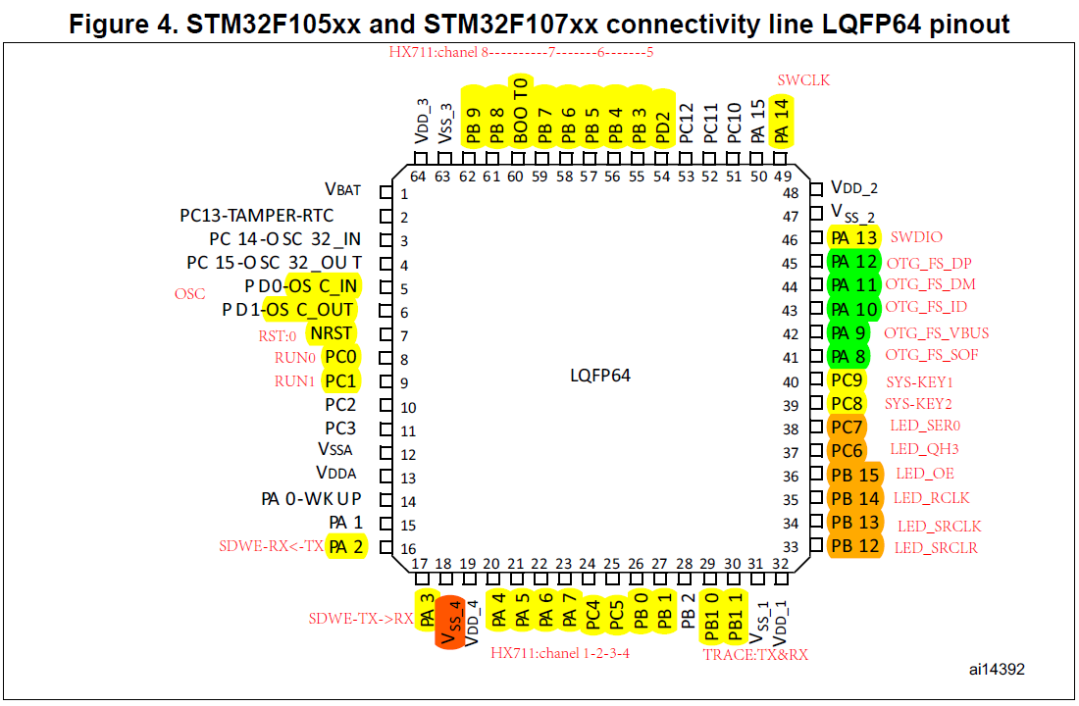
序号 | 107管脚 | 303管脚 | 名称 | 功能 | 上下拉
1 | VBAT | VBAT | VBAT | MCU_3V3
2
3
4
5 | OSC_IN | OSC_IN | OSC_IN | OSC_IN
6 | OSC_OUT | OSC_OUT | OSC_OUT | OSC_OUT
7 | NRST | NRST | NRST | NRST | pull up
8 | PC0 | PC0 | GPIO | RUN1 | pull up
9 | PC1 | PC1 | GPIO | RUN2 | pull up
10
11
12 | VREF- | VREF- | VREF- | MCU_GND
13 | VDDA | VDDA | VDDA | MCU_3V3
14
15
16 | PA2 | PA2 | USART2_TX | SDWE-RX | pull up
17 | PA3 | PA3 | USART2_RX | SDWE-TX | pull up
18 | PF4 | VSS_4
19 | VDD | VDD | VDD | MCU_3V3
20 | PA4 | PA4 | GPIO | HX711_1_DATA | pull up
21 | PA5 | PA5 | GPIO | HX711_1_CLK | pull up | 注意 | 1 | 每个芯片电源处添加：磁珠，滤波电容（22uf和100pf）
22 | PA6 | PA6 | GPIO | HX711_2_DATA | pull up |  | 2 | 添加LED指示灯
23 | PA7 | PA7 | GPIO | HX711_2_CLK | pull up |  | 3 | 电平转换上拉电阻不要超过4.7k，最好两侧都上拉
24 | PC4 | PC4 | GPIO | HX711_3_DATA | pull up | 接触保护 |  | 密码：123456
25 | PC5 | PC5 | GPIO | HX711_3_CLK | pull up
26 | PB0 | PB0 | GPIO | HX711_4_DATA | pull up
27 | PB1 | PB1 | GPIO | HX711_4_CLK | pull up
28
29 | PB10 | PB10 | USART3_TX | TRACE_RX | pull up
30 | PB11 | PB11 | USART3_RX | TRACE_TX | pull up
31 | VSS | VSS | VSS2 | MCU_GND
32 | VDD | VDD | VDD | MCU_3V3
33 | PB12 | PB12 | GPIO | LED_SRCLR | pull up
34 | PB13 | PB13 | GPIO | LED_SRCLK | pull up
35 | PB14 | PB14 | GPIO | LED_RCLK | pull up
36 | PB15 | PB15 | GPIO | LED_OE | pull up
37 | PC6 | PC6 | GPIO | LED_QH3 | pull up
38 | PC7 | PC7 | GPIO | LED_SER0 | pull up
39 | PC8 | PC8 | GPIO | SYS_KEY2 | pull up
40 | PC9 | PC9 | GPIO | SYS_KEY1 | pull up
41 | PA8 | PA8 |  | OTG_FS_SOF
42 | PA9 | PA9 |  | OTG_FS_VBUS | pull up
43 | PA10 | PA10 |  | OTG_FS_ID | pull up
44 | PA11 | PA11 |  | OTG_FS_DM
45 | PA12 | PA12 |  | OTG_FS_DP
46 | PA13 | PA13 | SWDIO | program | pull up
47 | VSS | VSS | VSS3 | MCU_GND
48 | VDD | VDD | VDD | MCU_3V3
49 | PA14 | PA14 | SWCLK | program | pull down
50
51
52
53
54 | PD2 | PD2 | GPIO | HX711_5_DATA | pull up
55 | PB3 | PB3 | GPIO | HX711_5_CLK | pull up
56 | PB4 | PB4 | GPIO | HX711_6_DATA | pull up
57 | PB5 | PB5 | GPIO | HX711_6_CLK | pull up
58 | PB6 | PB6 | GPIO | HX711_7_DATA | pull up
59 | PB7 | PB7 | GPIO | HX711_7_CLK | pull up
60 | BOOT0 | BOOT0 | BOOT0 | BOOT0:0-flash | pull down
61 | PB8 | PB8 | GPIO | HX711_8_DATA | pull up
62 | PB9 | PB9 | GPIO | HX711_8_CLK | pull up
63 | VSS | VSS | VSS1 | MCU_GND
64 | VDD | VDD | VDD | MCU_3V3

Sheet1
DATA2
CLK1
DATA1
CLK2
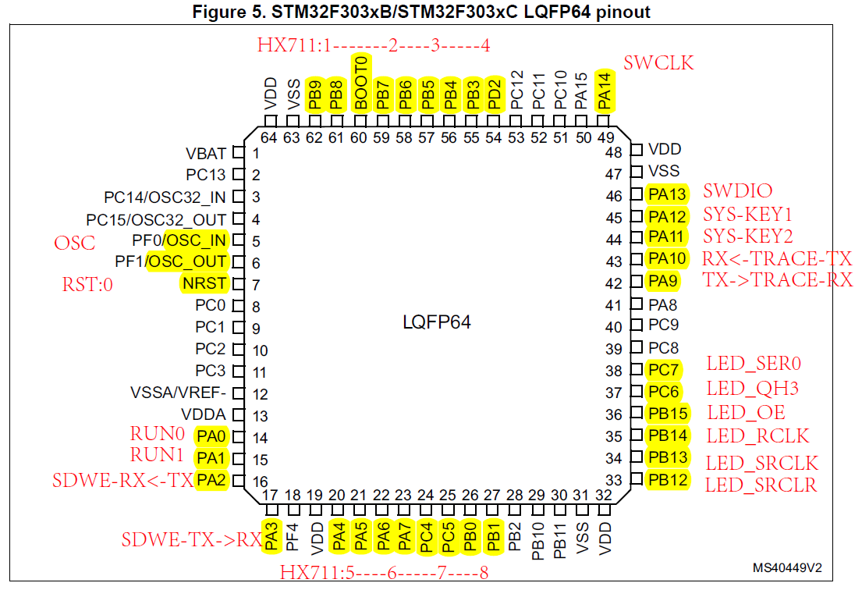
CLK3
DATA3
CLK4
DATA4
TX
RX

STM32F303RCT6-PIN-MAP
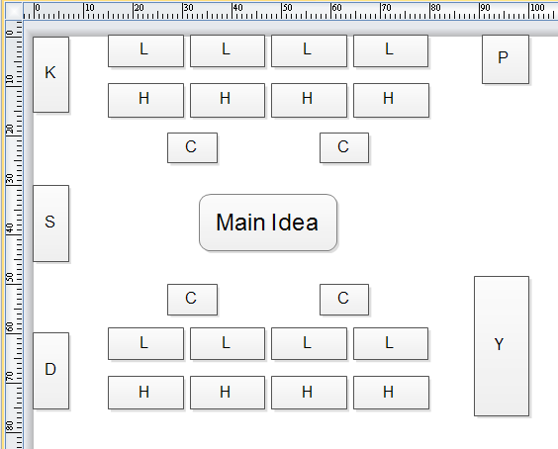
序号 | 管脚 | 名称 | 功能 | 上下拉
1 | VBAT | VBAT | MCU_3V3
2
3
4
5 | OSC_IN | OSC_IN | OSC_IN
6 | OSC_OUT | OSC_OUT | OSC_OUT
7 | NRST | NRST | NRST | pull up
8
9
10
11
12 | VREF- | VREF- | MCU_GND
13 | VDDA | VDDA | MCU_3V3
14 | PA0 | GPIO | RUN1
15 | PA1 | GPIO | RUN2
16 | PA2 | USART2_TX | SDWE-RX | pull up
17 | PA3 | USART2_RX | SDWE-TX | pull up
18
19 | VDD | VDD | MCU_3V3
20 | PA4 | GPIO | HX711_5_DATA | pull up
21 | PA5 | GPIO | HX711_5_CLK | pull up | 注意 | 1 | 每个芯片电源处添加：磁珠，滤波电容（22uf和100pf）
22 | PA6 | GPIO | HX711_6_DATA | pull up |  | 2 | 添加LED指示灯
23 | PA7 | GPIO | HX711_6_CLK | pull up |  | 3 | 电平转换上拉电阻不要超过4.7k，最好两侧都上拉
24 | PC4 | GPIO | HX711_7_DATA | pull up | 接触保护 |  | 密码：123456
25 | PC5 | GPIO | HX711_7_CLK | pull up
26 | PB0 | GPIO | HX711_8_DATA | pull up
27 | PB1 | GPIO | HX711_8_CLK | pull up
28
29
30
31 | VSS | VSS2 | MCU_GND
32 | VDD | VDD | MCU_3V3
33 | PB12 | GPIO | LED_SRCLR | pull up
34 | PB13 | GPIO | LED_SRCLK | pull up
35 | PB14 | GPIO | LED_RCLK | pull up
36 | PB15 | GPIO | LED_OE | pull up
37 | PC6 | GPIO | LED_QH3 | pull up
38 | PC7 | GPIO | LED_SER0 | pull up
39
40
41
42 | PA9 | USART1_TX | TRACE_RX | pull up
43 | PA10 | USART1_RX | TRACE_TX | pull up
44 | PA11 | GPIO | SYS_KEY1
45 | PA12 | GPIO | SYS_KEY2
46 | PA13 | SWDIO | program | pull up
47 | VSS | VSS3 | MCU_GND
48 | VDD | VDD | MCU_3V3
49 | PA14 | SWCLK | program | pull down
50
51
52
53
54 | PD2 | GPIO | HX711_4_DATA | pull up
55 | PB3 | GPIO | HX711_4_CLK | pull up
56 | PB4 | GPIO | HX711_3_DATA | pull up
57 | PB5 | GPIO | HX711_3_CLK | pull up
58 | PB6 | GPIO | HX711_2_DATA | pull up
59 | PB7 | GPIO | HX711_2_CLK | pull up
60 | BOOT0 | BOOT0 | BOOT0:0-flash | pull down
61 | PB8 | GPIO | HX711_1_DATA | pull up
62 | PB9 | GPIO | HX711_1_CLK | pull up
63 | VSS | VSS1 | MCU_GND
64 | VDD | VDD | MCU_3V3

