Operating Instructions
Connection Diagram CMC356/256: | Connection Diagram CMC430:

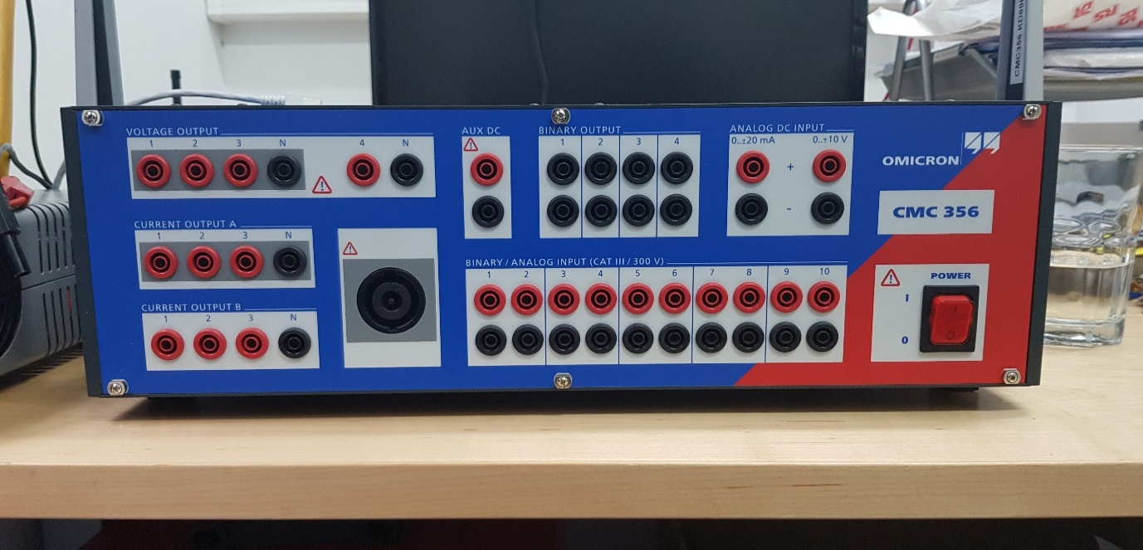
A B C
Vin
A B C
Iin
Vout
Synchronous Motor
Ground
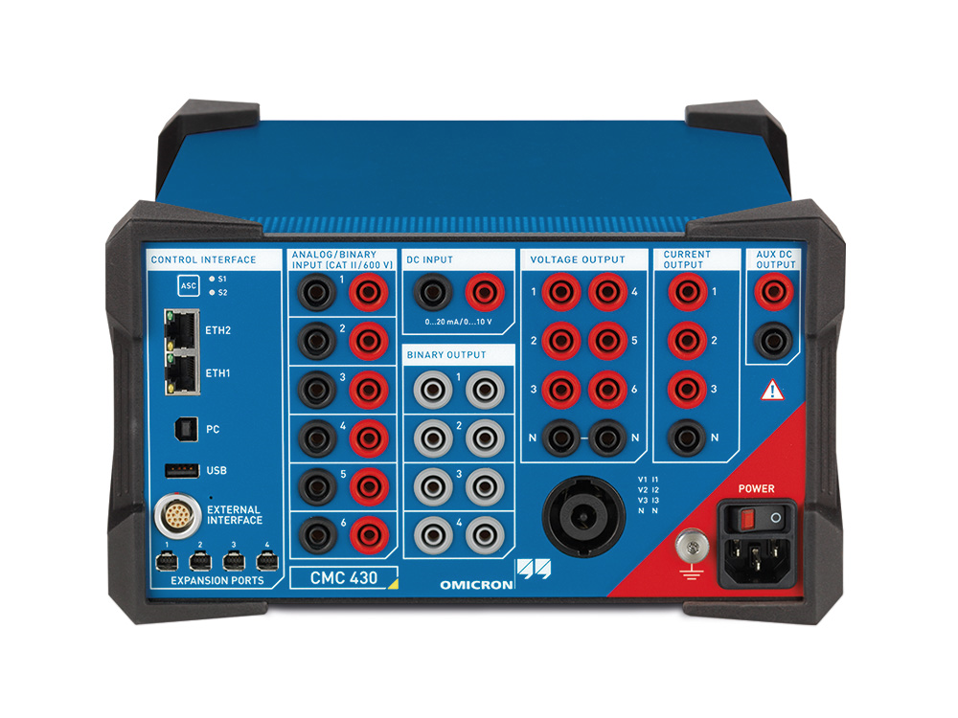
A B C
Vin
A B C
Iin
Vout
Synchronous Motor
Ground

