0_Config_Overview
RESEARCH ANALYSIS - CONFIGURATION & OVERVIEW

Companies per Sector
ANALYSIS PARAMETERS
Market | germany
Algorithms | Kmeans, Hierarchical, Dbscan
N_Clusters (K-Means) | N/A
DBSCAN eps | 1.5
DBSCAN min_samples | 3
Feature Selection Mode | preset
Feature Preset | pca_optimized
PCA Enabled | False
Scoring Enabled | True
Validation Enabled | True

SAMPLE STATISTICS
Total Companies | 152
Algorithms Compared | 3
Total Observations | 456
Outliers Detected | 243
Outlier Rate (%) | 53.3%
Avg Overall Score | 40.8
Score Std Dev | 15.4

CLUSTER DISTRIBUTION BY SECTOR
gsector
15 | 0 | 9 | 0 | 0 | 5 | 0 | 0 | 14
20 | 0 | 28 | 3 | 1 | 14 | 1 | 0 | 47
25 | 1 | 14 | 3 | 3 | 6 | 0 | 0 | 27
30 | 0 | 2 | 0 | 1 | 3 | 0 | 0 | 6
35 | 0 | 7 | 0 | 1 | 12 | 0 | 0 | 20
45 | 0 | 5 | 0 | 2 | 5 | 0 | 0 | 12
50 | 0 | 4 | 0 | 0 | 9 | 0 | 1 | 14
55 | 0 | 7 | 1 | 0 | 4 | 0 | 0 | 12
All | 1 | 76 | 7 | 8 | 58 | 1 | 1 | 152

1b_Homogenität_Charts
SECTION 1b: HOMOGENITÄT - CHARTS

CLUSTER SIZES BY ALGORITHM
 | -1 | 0 | 1 | 2 | 3 | 4 | 5
algorithm
dbscan | 28 | 120 | 4 | 0 | 0 | 0 | 0
hierarchical | 0 | 81 | 61 | 6 | 2 | 2 | 0
kmeans | 1 | 76 | 7 | 8 | 58 | 1 | 1

Cluster Sizes

ALGORITHM PERFORMANCE VISUALIZATIONS
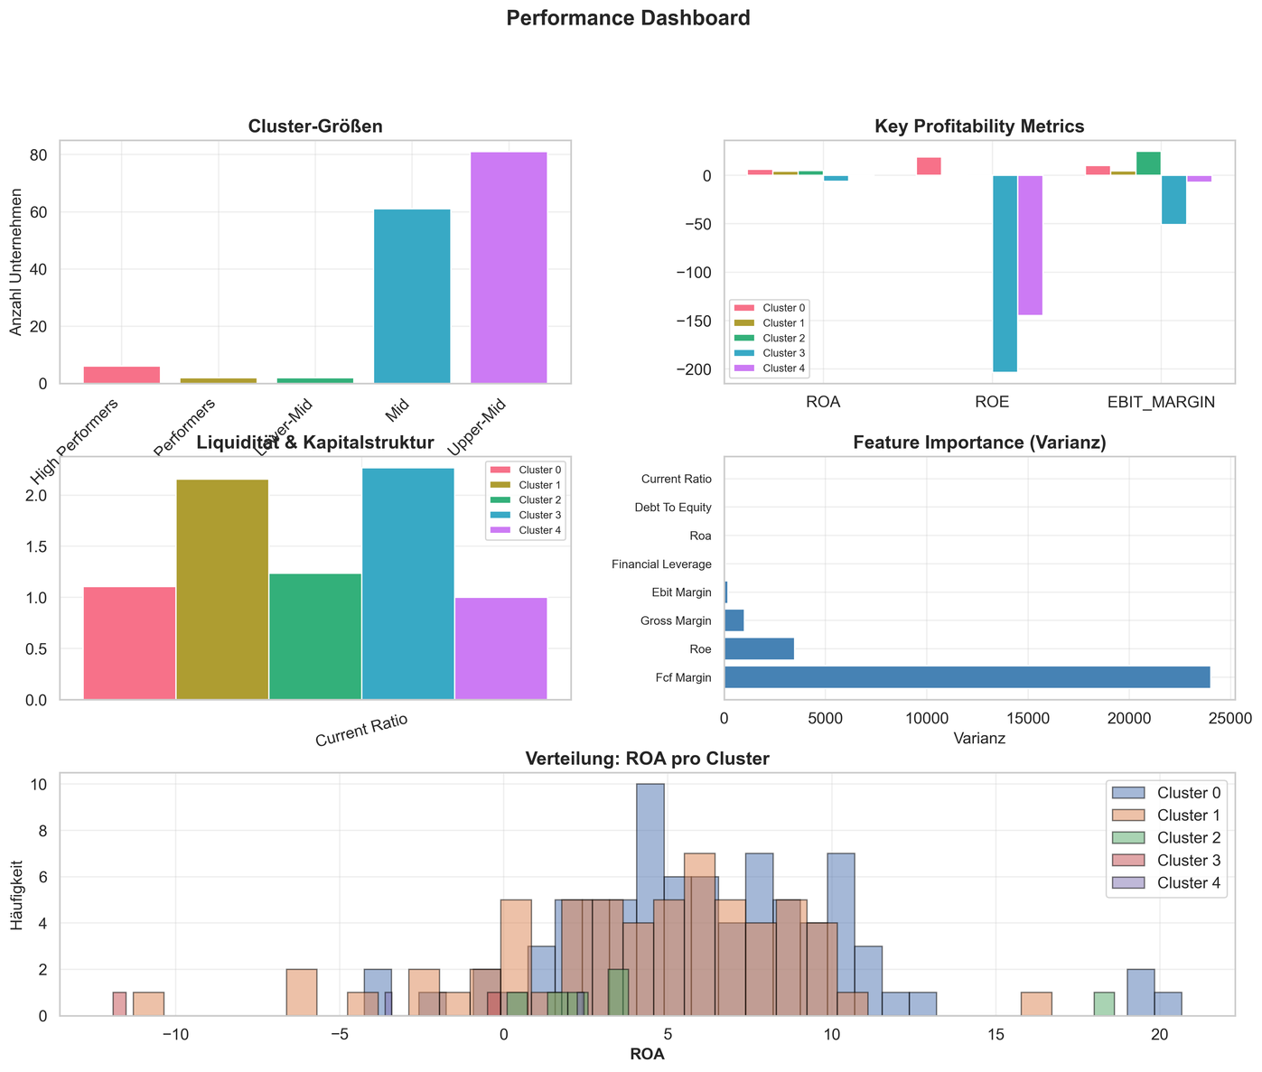
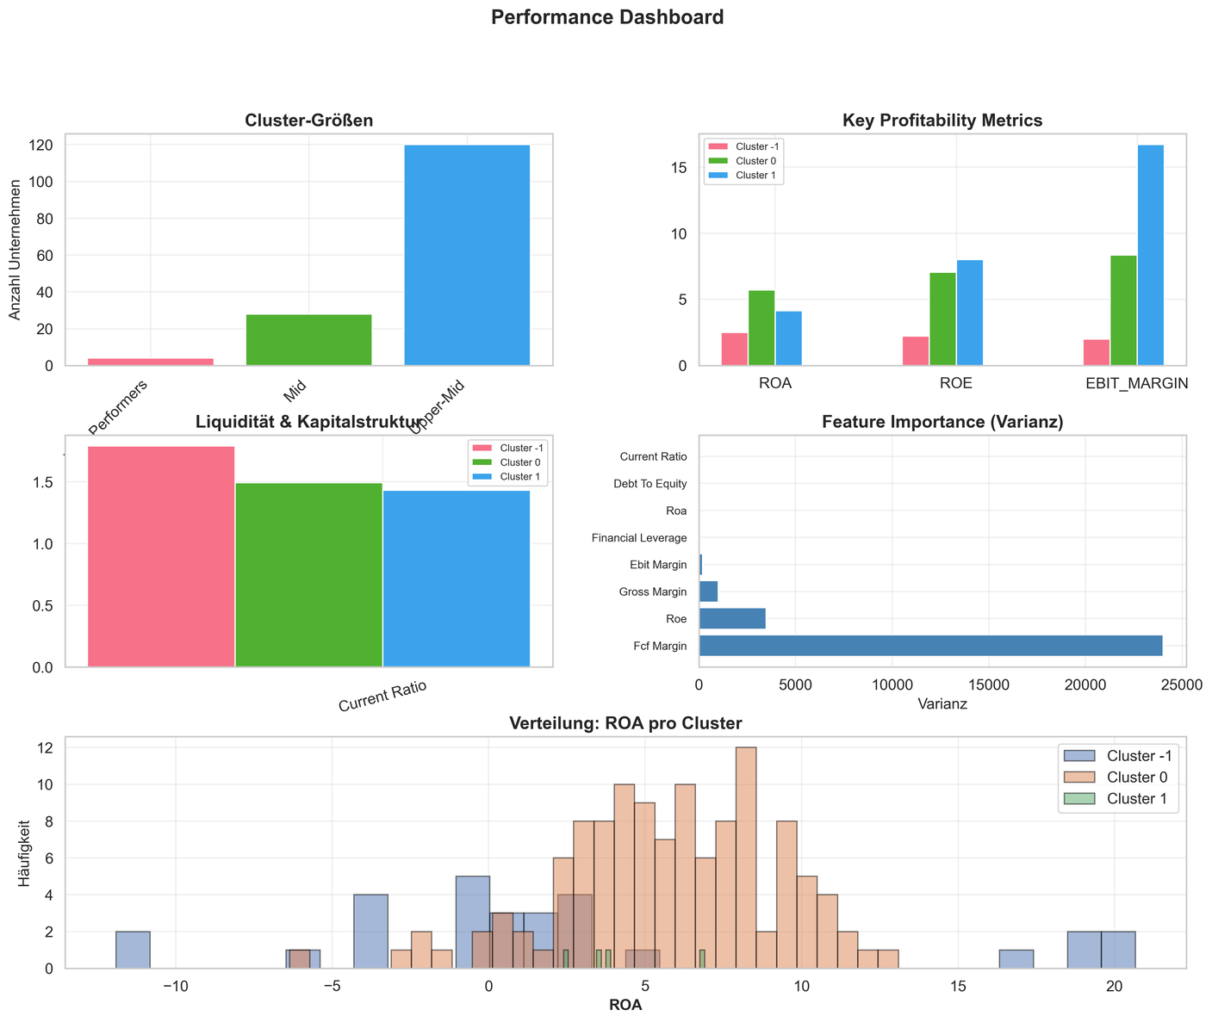

OVERALL SCORE DISTRIBUTION
 | count | mean | std | min | 25% | 50% | 75% | max
algorithm
dbscan | 152.00 | 37.30 | 19.46 | 0.00 | 32.86 | 44.06 | 50.84 | 64.49
hierarchical | 152.00 | 40.96 | 12.42 | 3.75 | 34.60 | 43.02 | 49.57 | 60.62
kmeans | 152.00 | 44.17 | 12.46 | 0.00 | 39.97 | 46.43 | 52.00 | 70.00

3b_Treiber_Charts
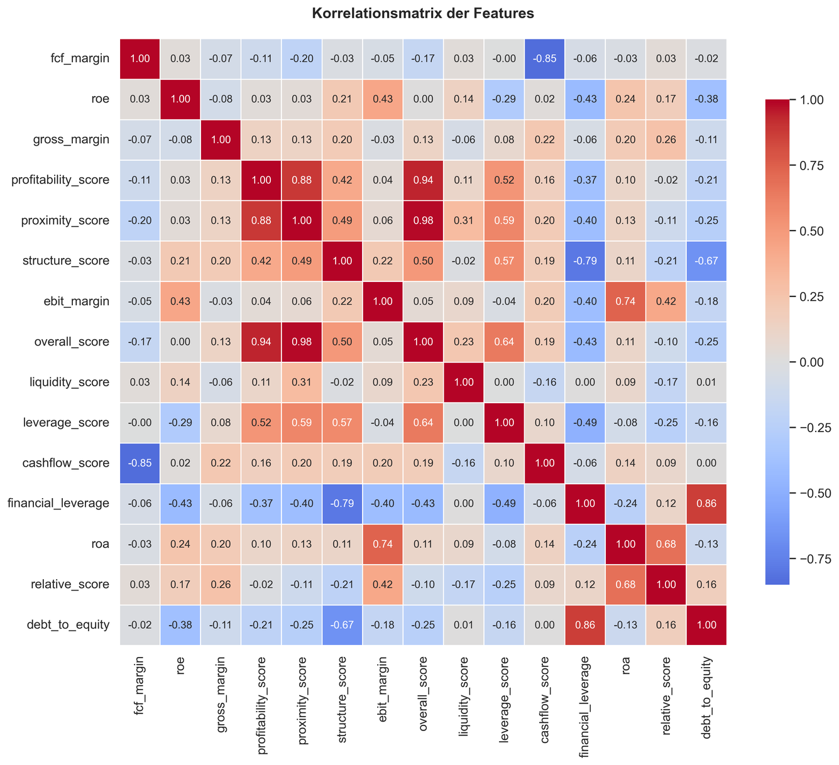
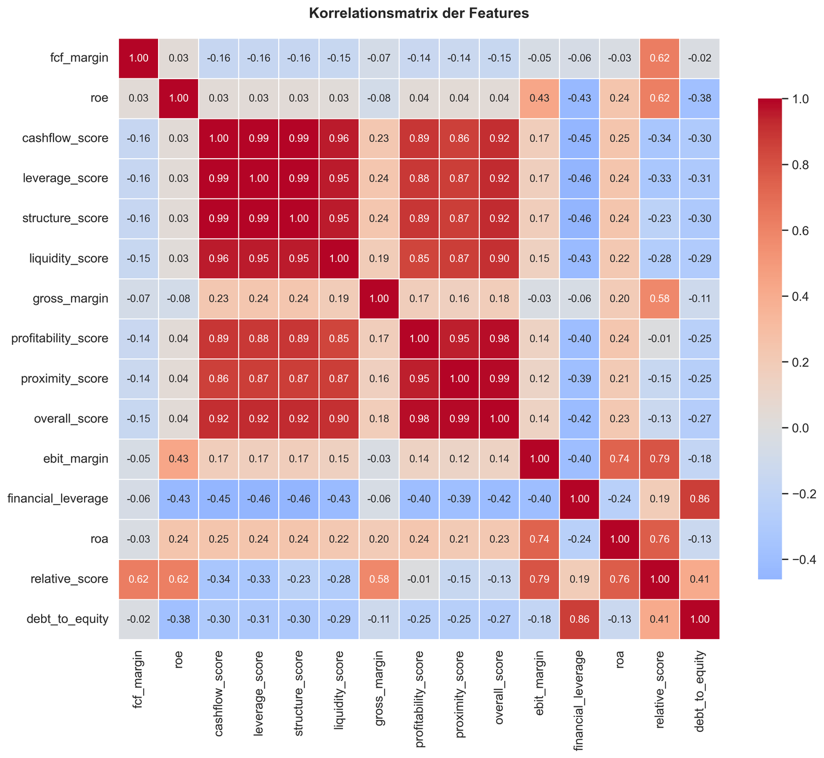
SECTION 3b: TREIBER - CHARTS

Feature Importance (Avg across Algorithms)
FEATURE IMPORTANCE (RANDOM FOREST)
Feature | Avg Importance
fcf_margin | 0.1952
current_ratio | 0.1699
ebit_margin | 0.1575
debt_to_equity | 0.1489
roa | 0.1353
gross_margin | 0.1135
roe | 0.0796

FEATURE CORRELATION HEATMAPS

4b_Stabilität_Charts
SECTION 4b: STABILITÄT - CHARTS

SCORE STABILITY BY CLUSTER
Cluster | kmeans_StdDev | hierarchical_StdDev | dbscan_StdDev
0 | 9.07 | 12.29 | 8.82
1 | 12.90 | 9.86 | 6.89
2 | 11.55 | 9.95
3 | 9.91 | 0.00
4 |  | 0.00
5

Score Stability (StdDev) by Cluster

TEMPORAL EVOLUTION CHARTS
Temporal charts will be added when time-series data is available

