GIM Trends
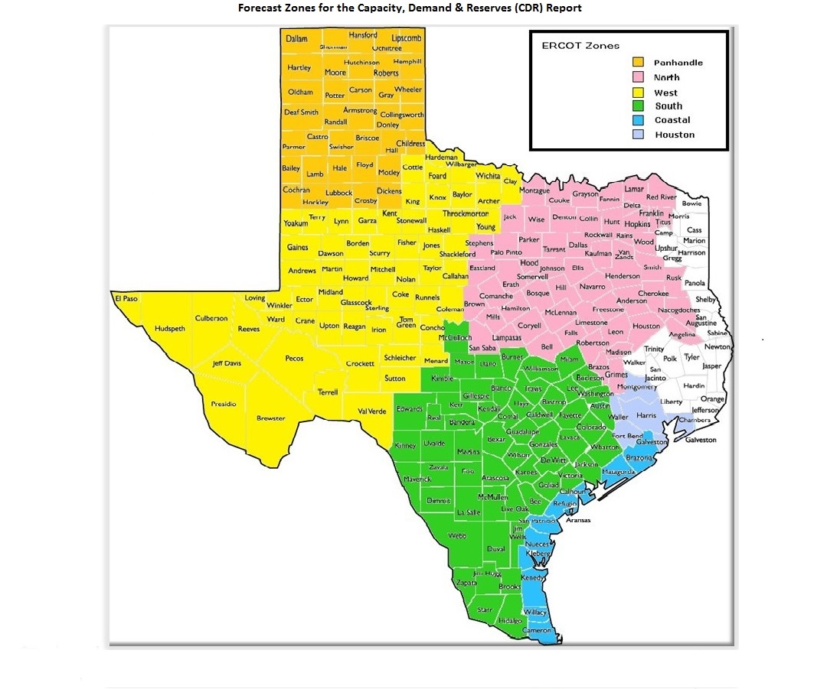
GIM Trends

Reflects all Large Generator projects for which a Security Screening Study has been requested. The third table reflects all Small Generator projects whose GIM applications have been approved.
Excludes projects that have a status of Inactive (status = INA).
Nameplate capacity will change across time due to additional projects, cancelations, expirations, adjustments from study results, and projects being placed into service.

Large Generator Monthly Capacity by GIM Milestone plus Project Count, 13-Month Rolling Basis
 | # Signed Interconnect Agreement | # Completed Full Study | # in Full Study | # Screening Study Complete | # Initial Screening study | GW Capacity
Aug-25 | 535 | 111 | 1201 | 82 | 33 | 427.44154
Sep-25 | 532 | 117 | 1196 | 94 | 20 | 431.16473
Oct-25 | 530 | 116 | 1164 | 94 | 11 | 431.20394
Nov-25 | 528 | 122 | 1159 | 91 | 9 | 434.41457
Dec-25 | 539 | 121 | 1150 | 90 | 5 | 440.29873
Jan-26 | 574 | 121 | 1136 | 79 | 17 | 449.55409
Feb-26 | 576 | 122 | 1134 | 78 | 25 | 452.88911
Mar-26 | 583 | 128 | 1135 | 77 | 19 | 457.50335
Apr-26 | 578 | 116 | 1115 | 85 | 9 | 452.60395
May-26 | 569 | 113 | 1120 | 89 | 4 | 457.70703
Jun-26 | 569 | 115 | 1109 | 85 | 4 | 462.17153
Jul-26 | 563 | 112 | 1122 | 41 | 5 | 456.00415
Aug-26 | 580 | 106 | 1092 | 41 | 4 | 453.86725
 | Year | Month | Total Projects |  |  | Project Count |  |  |  |  |  | Project Capacity (MW)
 |  |  |  |  |  | GIM milestones |  |  |  |  |  | Fuel Type
 |  |  |  | Small Generator Not Model Ready | Small Generator Model Ready | Initial Screening Study | Screening Study Complete | In Full Study | Completed Full Study | Signed Interconnection Agreement | Cancelled | Wind | Solar | Gas | Nuclear | Coal | Biomass | Battery | Other
 | 2023 | Aug | 1,537 | 31 | 30 | 45 | 82 | 927 | 85 | 337 | 7 | 32,034 | 136,165 | 11,842 | 0 | 0 | 53 | 111,579 | 2,235
 | 2023 | Sep | 1,580 | 40 | 32 | 43 | 102 | 924 | 93 | 346 | 15 | 31,640 | 141,315 | 11,384 | 0 | 0 | 53 | 114,563 | 2,235
 | 2023 | Oct | 1,628 | 41 | 32 | 49 | 102 | 952 | 99 | 353 | 16 | 31,916 | 143,221 | 13,638 | 0 | 0 | 53 | 120,534 | 2,235
 | 2023 | Nov | 1,656 | 44 | 30 | 55 | 99 | 961 | 92 | 375 | 10 | 32,510 | 142,606 | 15,457 | 0 | 0 | 53 | 124,941 | 2,385
 | 2023 | Dec | 1,671 | 41 | 28 | 39 | 116 | 974 | 92 | 381 | 12 | 34,591 | 145,654 | 15,483 | 0 | 0 | 53 | 127,068 | 2,367
 | 2024 | Jan | 1,731 | 42 | 29 | 35 | 133 | 1,011 | 95 | 386 | 12 | 36,261 | 148,135 | 15,546 | 0 | 0 | 53 | 133,592 | 2,247
 | 2024 | Feb | 1,783 | 43 | 27 | 65 | 132 | 1,023 | 102 | 391 | 13 | 37,215 | 152,098 | 16,022 | 0 | 0 | 0 | 140,219 | 2,967
 | 2024 | Mar | 1,775 | 39 | 29 | 80 | 100 | 1,035 | 101 | 391 | 64 | 35,120 | 155,273 | 15,429 | 0 | 0 | 0 | 141,484 | 2,332
 | 2024 | Apr | 1,780 | 42 | 33 | 58 | 115 | 1,025 | 112 | 395 | 15 | 32,956 | 152,917 | 15,573 | 0 | 0 | 0 | 145,000 | 2,332
 | 2024 | May | 1,813 | 39 | 41 | 48 | 129 | 1,023 | 125 | 408 | 9 | 33,887 | 154,225 | 15,938 | 0 | 0 | 0 | 149,002 | 2,332
 | 2024 | Jun | 1,812 | 34 | 44 | 20 | 137 | 1,023 | 140 | 414 | 27 | 31,452 | 152,433 | 17,089 | 0 | 0 | 0 | 147,743 | 2,332
 | 2024 | Jul | 1,858 | 31 | 46 | 27 | 136 | 1,033 | 158 | 427 | 5 | 33,731 | 154,407 | 22,160 | 0 | 0 | 0 | 151,811 | 2,562
 | 2024 | Aug | 1,886 | 27 | 49 | 24 | 140 | 1,057 | 152 | 437 | 8 | 33,853 | 154,770 | 25,328 | 0 | 0 | 0 | 154,799 | 2,562
 | 2024 | Sep | 1,881 | 29 | 48 | 21 | 140 | 1,050 | 158 | 435 | 19 | 34,839 | 153,658 | 25,967 | 0 | 0 | 0 | 154,264 | 2,961
 | 2024 | Oct | 1,872 | 35 | 44 | 28 | 127 | 1,039 | 159 | 440 | 29 | 33,467 | 154,860 | 25,954 | 0 | 0 | 0 | 152,580 | 3,713
 | 2024 | Nov | 1,903 | 33 | 48 | 21 | 126 | 1,070 | 156 | 449 | 11 | 35,307 | 155,676 | 27,160 | 0 | 0 | 0 | 156,530 | 3,113
 | 2024 | Dec | 1,917 | 32 | 46 | 22 | 120 | 1,103 | 147 | 447 | 14 | 34,450 | 154,487 | 27,578 | 0 | 0 | 0 | 160,043 | 2,913
 | 2025 | Jan | 1,952 | 30 | 46 | 16 | 119 | 1,163 | 133 | 445 | 17 | 38,223 | 153,607 | 28,774 | 0 | 0 | 0 | 165,933 | 2,781
 | 2025 | Feb | 1,987 | 24 | 50 | 19 | 113 | 1,200 | 121 | 460 | 16 | 39,893 | 155,990 | 32,190 | 0 | 0 | 0 | 168,836 | 2,781
 | 2025 | Mar | 2,018 | 26 | 50 | 19 | 113 | 1,207 | 112 | 491 | 18 | 39,795 | 156,685 | 33,578 | 600 | 0 | 0 | 171,592 | 2,913
 | 2025 | Apr | 2,037 | 32 | 50 | 29 | 102 | 1,212 | 105 | 507 | 38 | 42,483 | 159,426 | 33,583 | 600 | 0 | 0 | 172,486 | 3,063
 | 2025 | May | 2,031 | 31 | 50 | 21 | 89 | 1,223 | 106 | 511 | 26 | 40,885 | 158,490 | 32,490 | 600 | 0 | 0 | 173,997 | 3,208
Monthly Capacity by Fuel Type plus Project Count, 13-Month Rolling Basis
 | Natural Gas | Nuclear | Coal | Wind | Solar | Biomass | Battery | Other | Total Project Count | Cancelled Project Count
Aug-25 | 39.40277 | 0.6 | 0 | 44.64855 | 160.192 | 0 | 179.83835 | 3.50135 | 2041 | 30
Sep-25 | 43.69524 | 0.6 | 0 | 46.09345 | 159.93182 | 0 | 178.05276 | 3.56245 | 2042 | 25
Oct-25 | 47.84845 | 0.6 | 0 | 46.42228 | 158.15064 | 0 | 175.5791 | 3.38445 | 1999 | 51
Nov-25 | 52.65595 | 0.6 | 0 | 44.78568 | 159.53696 | 0 | 174.36901 | 3.25794 | 1994 | 13
Dec-25 | 53.71605 | 0.6 | 0 | 46.19094 | 161.80724 | 0 | 175.45901 | 3.25794 | 1984 | 17
Jan-26 | 57.40335 | 0.6 | 0 | 47.96085 | 162.06676 | 0 | 178.70275 | 3.5725 | 2008 | 20
Feb-26 | 60.71487 | 0.6 | 0 | 47.79298 | 162.92673 | 0 | 177.64192 | 3.88535 | 2008 | 21
Mar-26 | 63.89987 | 0.6 | 0 | 48.08884 | 165.25135 | 0 | 176.74504 | 3.57128 | 2013 | 15
Apr-26 | 64.74563 | 1.93652 | 0 | 48.34917 | 163.4791 | 0 | 171.10576 | 3.55134 | 1965 | 43
May-26 | 70.67869 | 1.93652 | 0 | 48.27467 | 163.09135 | 0 | 171.56682 | 2.75253 | 1960 | 13
Jun-26 | 77.60659 | 1.93652 | 0 | 47.99056 | 161.55414 | 0 | 170.94495 | 2.75253 | 1949 | 22
Jul-26 | 80.18006 | 1.93652 | 0 | 48.78167 | 157.95259 | 0 | 165.73407 | 1.99353 | 1906 | 56
Aug-26 | 81.70396 | 1.93652 | 0 | 48.13076 | 156.28937 | 0 | 164.41698 | 1.99353 | 1890 | 21
 | 2025 | Jun | 2,054 | 28 | 50 | 27 | 88 | 1,237 | 114 | 510 | 17 | 41,414 | 161,677 | 35,260 | 600 | 0 | 0 | 177,929 | 3,501
 | 2025 | Jul | 2,066 | 23 | 52 | 27 | 86 | 1,242 | 119 | 517 | 21 | 45,048 | 162,703 | 39,558 | 600 | 0 | 0 | 181,394 | 3,501
 | 2025 | Aug | 2,041 | 23 | 56 | 33 | 82 | 1,201 | 111 | 535 | 30 | 44,649 | 160,192 | 39,403 | 600 | 0 | 0 | 179,838 | 3,501
 | 2025 | Sep | 2,042 | 29 | 54 | 20 | 94 | 1,196 | 117 | 532 | 25 | 46,093 | 159,932 | 43,695 | 600 | 0 | 0 | 178,053 | 3,562
 | 2025 | Oct | 1,999 | 28 | 56 | 11 | 94 | 1,164 | 116 | 530 | 51 | 46,422 | 158,151 | 47,848 | 600 | 0 | 0 | 175,579 | 3,384
 | 2025 | Nov | 1,994 | 28 | 57 | 9 | 91 | 1,159 | 122 | 528 | 13 | 44,786 | 159,537 | 52,656 | 600 | 0 | 0 | 174,369 | 3,258
 | 2025 | Dec | 1,984 | 25 | 54 | 5 | 90 | 1,150 | 121 | 539 | 17 | 46,191 | 161,807 | 53,716 | 600 | 0 | 0 | 175,459 | 3,258
 | 2026 | Jan | 2,008 | 31 | 50 | 17 | 79 | 1,136 | 121 | 574 | 20 | 47,961 | 162,067 | 57,403 | 600 | 0 | 0 | 178,703 | 3,573
 | 2026 | Feb | 2,008 | 31 | 42 | 25 | 78 | 1,134 | 122 | 576 | 21 | 47,793 | 162,927 | 60,715 | 600 | 0 | 0 | 177,642 | 3,885
 | 2026 | Mar | 2,013 | 28 | 43 | 19 | 77 | 1,135 | 128 | 583 | 15 | 48,089 | 165,251 | 63,900 | 600 | 0 | 0 | 176,745 | 3,571
 | 2026 | Apr | 1,965 | 26 | 36 | 9 | 85 | 1,115 | 116 | 578 | 43 | 48,349 | 163,479 | 64,746 | 1,937 | 0 | 0 | 171,106 | 3,551
 | 2026 | May | 1,960 | 28 | 37 | 4 | 89 | 1,120 | 113 | 569 | 13 | 48,275 | 163,091 | 70,679 | 1,937 | 0 | 0 | 171,567 | 2,753
 | 2026 | Jun | 1,949 | 32 | 35 | 4 | 85 | 1,109 | 115 | 569 | 22 | 47,991 | 161,554 | 77,607 | 1,937 | 0 | 0 | 170,945 | 2,753
 | 2026 | Jul | 1,906 | 33 | 30 | 5 | 41 | 1,122 | 112 | 563 | 56 | 48,782 | 157,953 | 80,180 | 1,937 | 0 | 0 | 165,734 | 1,994
 | 2026 | Aug | 1,890 | 35 | 32 | 4 | 41 | 1,092 | 106 | 580 | 21 | 48,131 | 156,289 | 81,704 | 1,937 | 0 | 0 | 164,417 | 1,994

Small Generator Monthly Capacity by GIM Milestone plus Project Count, 13-Month Rolling Basis
 | # Not Model Ready | # Model Ready | MW Capacity
Aug-25 | 23 | 56 | 741.48
Sep-25 | 29 | 54 | 770.99
Oct-25 | 28 | 56 | 780.98
Nov-25 | 28 | 57 | 790.97
Dec-25 | 25 | 54 | 732.45
Jan-26 | 31 | 50 | 752.12
Feb-26 | 31 | 42 | 672.74
Mar-26 | 28 | 43 | 653.03
Apr-26 | 26 | 36 | 563.57
May-26 | 28 | 37 | 593.55
Jun-26 | 32 | 35 | 613.76
Jul-26 | 33 | 30 | 574.29
Aug-26 | 35 | 32 | 603.87

Capacity for Planned Projects by Projected In-service Year and CDR Forecast Zone
 | Gas | Wind | Solar | Battery | Other
2025 |  |  | 0.1002 | 0.00996
2026 |  | 0.5427 | 1.82562 | 1.30029
2027 | 1.8474 | 0.20233 | 4.37987 | 5.19105 | 1.33652
2028 | 0.4699 | 0.1992 | 3.87441 | 6.22143 | 0.07963
2029 | 0.55611 | 1.0051 | 2.17273 | 3.20075
2030 | 0.68108 | 2.87139 | 0.6036 | 0.25624
2025 | 0.014 |  |  |  | 0.05
2026 | 0.03 |  |  | 1.82987
2027 | 0.7324 |  | 0.05042 | 4.50192
2028 | 0.445 |  |  | 2.15728 | 0.05
2029 |  |  | 0.35806 | 2.53149
2030 | 1.523 | 1.02939 |  | 0.20305
2023 |  | 0.0072
2024 |  | 0.0103
2025 |  | 0.0224 | 0.16848 | 0.40353
2026 | 0.01989 | 1.95046 | 2.7807 | 1.94905 | 0.0199
2027 | 3.62425 | 3.5271 | 10.06427 | 6.71545 | 0.132
2028 | 6.30679 | 5.72039 | 15.66099 | 14.8347 | 0.18
2029 | 2.3698 | 4.66583 | 23.72928 | 13.64963 | 0.6
2030 | 9.00019 | 6.32628 | 9.51279 | 2.19305
2031 | 0.1623
2032 | 2.0511
2025 |  | 0.016 | 0.82373 |  | 0.1
2026 | 0.021 | 1.51558 | 4.75026 | 1.3455
2027 | 2.17457 | 0.56652 | 9.40375 | 9.72753
2028 | 2.93158 | 1.32555 | 11.47947 | 19.25832 | 0.15
2029 | 6.3367 | 0.1987 | 7.30638 | 14.45141
2030 | 5.87821 |  | 0.57141 | 2.23351 | 1.232
2031 | 2.5368
2032 | 6.9864
2025 |  |  | 0.38
2026 |  |  | 0.58499
2027 | 0.21 | 0.5136 | 3.00599 | 2.65418
2028 |  | 3.1343 | 5.33107 | 2.71297
2029 | 1.848 | 4.49898 | 2.3617 | 0.81
2030 | 2.5413 | 0.6 |  | 0.60192
2031 |  |  | 1.0041 | 0.3717
2025 | 0.0161 |  | 0.58679 | 0.133
2026 | 0.6988 | 0.66471 | 3.9057 | 2.2268
2027 | 2.07136 | 1.6654 | 4.32246 | 9.08309
2028 | 6.79374 | 4.25755 | 10.94833 | 15.82435
2029 | 2.46278 | 1.0938 | 13.06907 | 11.75276
2030 | 4.24114 |  | 0.88788 | 3.58551
2031 | 1.73613 |  |  | 0.20127
2032 | 1.2801 |  | 0.28487 | 0.29442
2033 | 1.10604

Note: Other contains all Fuel and Technology Types not in the Solar, Wind, Gas or Battery categories.

