Sheet1
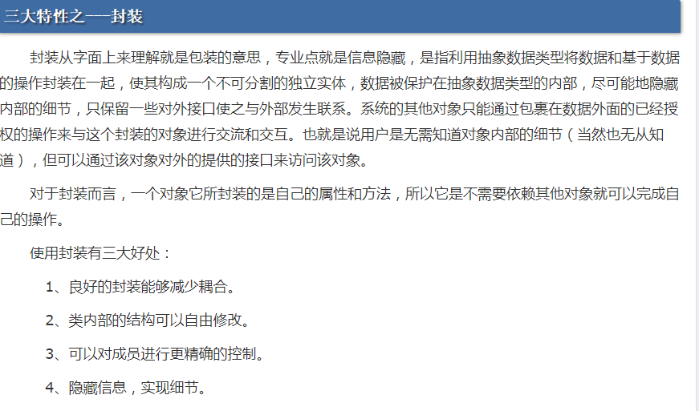

http://www.cnblogs.com/chenssy/p/3351835.html

